Sheet1
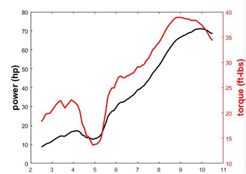
2 | 16
2.5 | 19
3 | 21
3.5 | 22
4 | 22
4.5 | 17
5 | 14
5.5 | 20
6 | 26
6.5 | 27
7 | 29
7.5 | 31
8 | 34
8.5 | 38
9 | 39
9.5 | 38
10 | 37
10.5 | 36
11 | 35
11.5 | 33
12 | 32
12.5 | 31
13 | 30
13.5 | 30
14 | 30
14.5 | 30
15 | 30
15.5 | 30
16 | 30

