Home Office Expenses
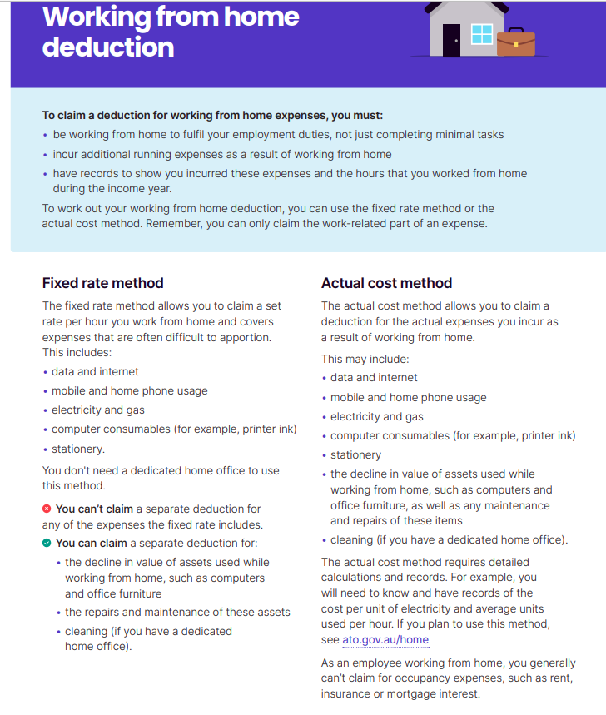
0 |  |  | 0
Home Office Expenses |  |  | Home Office Expenses

Fixed Rate Method | Amount | Reference | Fixed Rate Method | Amount | Reference
ATO Rate | $0.70 |  | ATO Rate | $0.70
Number of Hours per Week |  |  | Number of Hours per Week
Number of Weeks per Year (Full Year 48 Weeks) |  |  | Number of Weeks per Year (Full Year 48 Weeks)
Total | $- |  | Total | $-
Other Expenses |  |  | Other Expenses
Office Furniture, if not an Asset |  |  | Office Furniture, if not an Asset
Repairs of Office Furniture |  |  | Repairs of Office Furniture
Decline in Value of Depreciating Assets |  |  | Decline in Value of Depreciating Assets
Sundry Expenses |  |  | Sundry Expenses
Total | $- |  | Total | $-
Gross Total | $- |  | Gross Total | $-

Actual Cost Method | Amount | Reference | Actual Cost Method | Amount | Reference
Decline in Value of Depreciating Assets |  |  | Decline in Value of Depreciating Assets
Cleaning Expenses |  |  | Cleaning Expenses
Heating, Cooling and Lighting |  |  | Heating, Cooling and Lighting
Home Phone & Internet Expenses |  |  | Home Phone & Internet Expenses
Mobile Phone Expenses |  |  | Mobile Phone Expenses
Computer Consumables and Stationery |  |  | Computer Consumables and Stationery
Total | $- |  | Total | $-

Maximum of the above | $- |  | Maximum of the above | $-

CGT Property
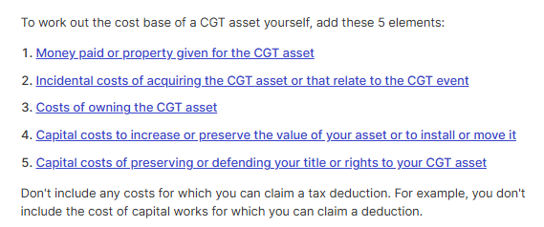
 | Property Address: |  | Source:

 | Property Owner: | 100%
 | Purchase Date (Contract Date):
 | Date First Available for Rent: |  | - | CGT Days
 | Sale Date (Contract Date): |  | - | Total Ownership Period
 | Held > 12 Months? | Y / N | #DIV/0! | CGT Event % | #DIV/0!
 | Purchase Settlement Date:
 | Sale Settlement Date:

 | CGT Calculations:
 | Sale Price:
 | Total Disposal Value: | $-

 | Cost Base:
1 | First element: Money paid or property given for the CGT asset | $-
 | Purchase Price at Purchase / Market Value at First Date Available for Rent: | $-

2 | Second element: Incidental costs of acquiring the CGT asset or that relate to the CGT event
<1> | Purchases: | $-
 | - Stamp Duty | $-
 | - Legal / Conveyancing Fees | $-
 | - Electronic Settlement Fees | $-
 | - Building Inspection Fees | $-
 | - Buyers' Agent Commission | $-
 | - Property Title Search and Other Search Fees (e.g. PEXA Fees) | $-
 | - Bank / Cheque Fees | $-
 | - Registration Fees | $-
 | - Registration of Mortgage | $-
 | - Discharge of Mortgage | $-
 | - Other Purchase Settlement Fees | $-

<2> | Sales: | $-
 | - Legal / Conveyancing Fees | $-
 | - Agent Commissions | $-
 | - Marketing/Advertising Expenses | $-
 | - Bank / Cheque Fees | $-
 | - Discharge of Mortgage | $-
 | - Property Title Search and Other Search Fees (e.g. PEXA Fees) | $-
 | - Other Sale Settlement Fees | $-
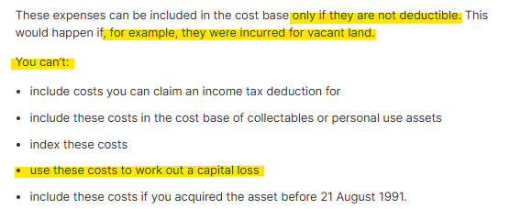
3 | Third element: Costs of owning the CGT asset (not claimed previously in the rental schedule & cannot create capital losses) | $-
 | - Council Rates | $-
 | - Water Rates | $-
 | - Land Tax | $-
 | - Strata Levies | $-
 | - Repairs & Maintenance | $-
 | - Insurance Premiums | $-
 | - Lenders' Mortgage Insurance (LMI) Associated with Non-deductible Loans | $-
 | - Any Non-deductible Interest on Loans Used to Finance (1) Acquisition of CGT Asset or (2) Capital Exp. to Increase an Asset's Value | $-

4 | Fourth element: Capital costs to increase or preserve the value of your asset or to install or move it | $-
 | - DA Subdivision Fees | $-
 | - DA Draft Fees | $-
 | - Zoning Charges | $-
 | - Costs Incurred to Install or Move an Asset | $-
 | - Plant & Equipment Included in Tax Depreciation Report | $-
 | Less: Division 40 Depreciation Claimed in Prior Years | $-
 | - Capital Works Included in Tax Depreciation Report | $-
 | Less: Division 43 Capital Works Deductions Claimed in Prior Years | $-
 | - Additional Plant & Equipment Purchased at Cost (Excluded from Tax Depreciation Report) | $-
 | Less: Division 40 Depreciation Claimed in Prior Years | $-
 | OR - Additional Plant & Equipment Purchased at Carry Written Down Value (Excluded from Tax Depreciation Report) | $-
 | - Additional Renovation Costs at Cost (Excluded from Tax Depreciation Report) | $-
 | Less: Division 43 Capital Works Deductions Claimed in Prior Years | $-
 | OR - Additional Renovation Costs at Carry Written Down Value (Excluded from Tax Depreciation Report) | $-

5 | Fifth element: Capital costs of preserving or defending your title or rights to your CGT asset | $-
 | - Capital Expenditure to Preserve the Ownership/Rights of the Asset | $-
 | - Capital Expenditure to Defend the Ownership/Rights of the Asset | $-

 | Total Value of Cost Base: | $-

 | Gross Capital Gains (+) / Losses (-) | $-

 | Ownership % | 100.00%
 | Gross Capital Gains Per Ownership % | $-

 | CGT Event % | #DIV/0!
 | Gross Capital Gains Per CGT Event % | #DIV/0!

 | Carried-forward Capital Losses | $-
 | Gross Capital Gains After Offsetting Carried-forward Capital Losses | #DIV/0!
 | 50% CGT Discount | 50%
 | Net Capital Gains (+) / Losses (-) | #DIV/0!

 | https://www.ato.gov.au/individuals-and-families/investments-and-assets/capital-gains-tax/calculating-your-cgt/cost-base-of-asset

