Troubleshoot-pod
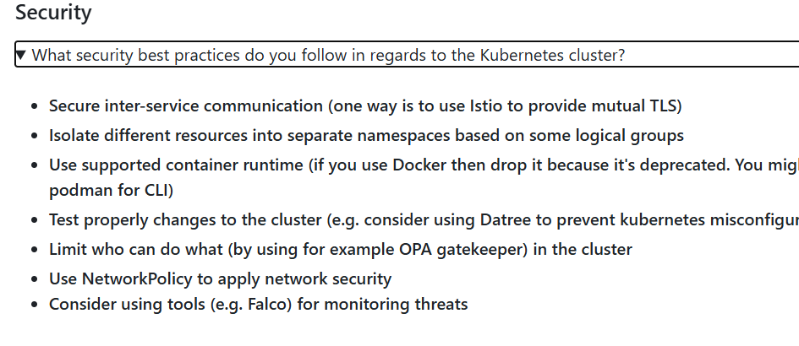
Troubleshooting Kubernetes Like a Pro! | Self healing(pod restart;refresh),load balance,auto scale)

When things go wrong in your Kubernetes cluster, knowing the right commands can make all the difference. Here are some essential `kubectl` commands to help you debug and troubleshoot efficiently:

Check Core Components Health

```bash
kubectl get --raw='/readyz?verbose'
```

This command checks the status of the core components in your cluster. If you spot any component marked as "Unhealthy," it's a red flag that needs immediate attention!

Investigate Pod Logs

When a pod misbehaves or crashes, the logs are your best friend:

```bash
kubectl logs <pod-name> -n <namespace> --previous
```

The `--previous` flag is a lifesaver for viewing logs from a container that crashed and restarted.

Want to tail the last few lines of your logs? Try this:

```bash
kubectl logs <pod-name> -n <namespace> --tail=200
```

This command fetches the last 200 lines of the pod logs—perfect for quickly catching up on what went wrong.

🔧 Advanced Debugging with kubectl-debug:

For deeper inspection, the `kubectl-debug` tool lets you launch a debug container attached to an existing pod:

```bash
kubectl debug <pod-name> -n <namespace> --image=busybox --target-container=<container-name>
```

This is especially useful for issues that require root access or tools not present in the original container. Whether it's running diagnostics, network checks, or exploring the file system, `kubectl-debug` has got you covered.

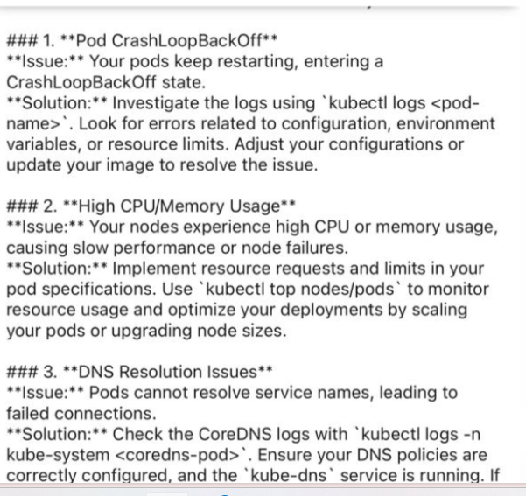
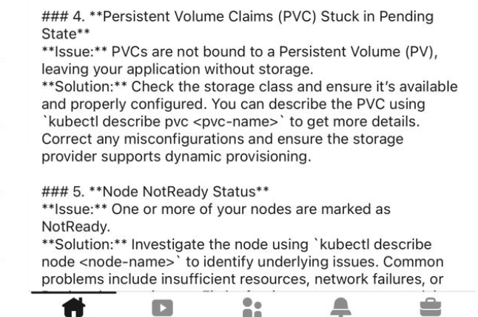

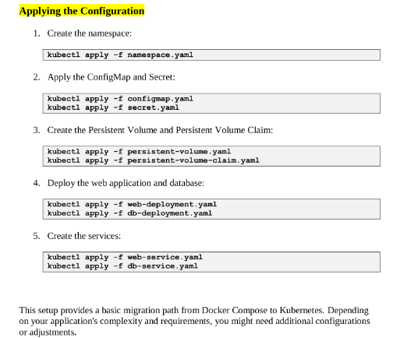

### 1. **Check the Logs 📜**
Logs are your best friends when things go south. Utilize `kubectl logs` to inspect container logs. Pay attention to error messages, warnings, and any anomalies that might hint at the root cause.

### 2. **Resource Constraints 📊** |  | Limits and Request
Is your pod running out of resources? Inspect resource requests and limits in your YAML files. Adjust them accordingly to ensure your containers have enough CPU and memory.

### 3. **Networking Woes 🌐** |  | services,kubeproxy
Kubernetes relies heavily on networking. If services are unreachable, verify your network policies, firewall rules, and DNS configurations. Check if your pods can communicate within the cluster.

### 4. **API Server Issues ⚙️** |  | etcd
The control plane is crucial. If you suspect API server problems, examine its logs and ensure it's healthy. Pro tip: Keep an eye on etcd, as it's the backbone of Kubernetes.

### 5. **Persistent Storage Glitches 📦** |  |  | Storage provides---stateful-attach pvc
PersistentVolumes acting up? Check storage classes, reclaim policies, and volume attachments. Ensure your storage providers are well-integrated with Kubernetes.

### 6. **Update and Upgrade ⚡**
Running an outdated version of Kubernetes? Upgrading might resolve known issues. Always check the release notes and ensure your applications are compatible with the newer version.

### 7. **Security Concerns 🔐** |  | RBAC,Service acciunt, Secret
Security should never be an afterthought. Audit your RBAC (Role-Based Access Control), pod security policies, and ensure your secrets are managed securely.

### 8. **Pod Lifecycle Analysis 🔄**
Understand the lifecycle of your pods. Use `kubectl describe` to examine pod events and statuses. This can unveil issues during pod initialization or termination.

### 9. **Community Support 🤝**
Don't hesitate to reach out to the vibrant Kubernetes community. Forums, Slack channels, and GitHub discussions can be invaluable when you're stuck.

As a DevOps Engineer with experience in Kubernetes, troubleshooting issues in a cluster requires a systematic approach. First, I would check the status of the cluster using the 'kubectl' command to ensure that all nodes and pods are running. If any pods are not in the expected state, I would investigate the logs from the respective pods using 'kubectl logs' to identify any errors or warning messages. Additionally, I would verify the resource allocation and usage in the cluster to identify if any pods or nodes are under heavy load, which could lead to performance issues. I would also check if all the dependent services and network configurations are properly defined and accessible within the cluster. If the issue is related to networking, I would inspect the network policies and rules within the cluster. Furthermore, I would review the cluster configuration, including the deployment files, labels, and annotations to ensure they are accurate. In some cases, scaling the cluster by adding more nodes might be a solution to handle increased load. If all else fails, I would consult the Kubernetes documentation, community forums, or seek assistance from colleagues with more expertise. It's essential to maintain clear communication with the development team and document the troubleshooting steps and their outcomes.

1. How do I check the status of my Kubernetes cluster?
Explanation: Use the kubectl cluster-info command to get a summary of your cluster's status. This will show you the Kubernetes master and services endpoints. For more detailed status information about nodes, use kubectl get nodes. To check the overall health, you can also use kubectl get component statuses.

2. What should I do if a pod is stuck in the Pending state?
Explanation: A pod may be stuck in the Pending state due to insufficient resources or scheduling constraints. Check the pod description with kubectl describe pod <pod-name> to see events and reasons why it's not being scheduled. You might need to review node resources, quotas, and affinity rules.
PVC CLAIM, limit has reached,cluster full, affinity,misconfig

3. How do I troubleshoot a pod that is stuck in the CrashLoopBackOff state?
Explanation: Pods in the CrashLoopBackOff state are repeatedly crashing. Use kubectl logs <pod-name> to view the logs of the pod and identify errors. Additionally, kubectl describe pod <pod-name> will provide details about the container's state and events that might help you understand why it is failing.

4. How can I investigate if a service is not exposing the pod correctly?
Explanation: Verify that the service is correctly defined and targeting the right pods by using kubectl get svc to list services and kubectl describe svc <service-name> to check its configuration. Ensure that the service's selectors match the labels of the pods it should route traffic to. Additionally, kubectl get endpoints <service-name> can show if endpoints are being correctly resolved.

5. What steps should I take if my deployment is not rolling out as expected?
Explanation: Check the status of the deployment with kubectl rollout status deployment/<deployment-name>. Review the deployment configuration with kubectl describe deployment <deployment-name> for any issues. Look for problems in the pods' logs and events. You may also use kubectl rollout history deployment/<deployment-name> to inspect previous versions and see if an earlier configuration is causing issues.

6. How do I resolve issues related to Kubernetes network policies?
Explanation: Network policies can restrict traffic between pods. If you suspect network policies are causing issues, review the policies using kubectl get networkpolicies and kubectl describe networkpolicy <policy-name>. Ensure that the policies are configured correctly and that they allow the necessary traffic between pods.

7. How can I debug a Kubernetes node that is not accepting new pods?
Explanation: Check the node's status with kubectl get nodes and kubectl describe node <node-name>. Look for issues related to resource pressure, such as memory or CPU, and review the kubelet logs on the node for errors. Ensure that the node is not marked as unschedulable and that it has sufficient resources available.

💎 kubectl get: List resources in a cluster.
🔯 kubectl get pods /services /deployments
💎 kubectl describe: Show detailed information about a resource.
🔯 kubectl describe pod <pod-name> /service <service-name>/ deployment <deployment-name>
💎 kubectl logs: Fetch logs from a pod.
🔯 kubectl logs <pod-name> /kubectl logs <pod-name> -c <container-name> # For multi-container pods
💎 kubectl exec: Execute a command in a container.
🔯 kubectl exec -it <pod-name> -- /bin/bash
💎 kubectl apply: Apply a configuration to a resource by filename or stdin.
🔯 kubectl apply -f <file.yaml>
💎 kubectl delete: Delete resources by filenames, stdin, resources, and names.
🔯 kubectl delete pod <pod-name>/kubectl delete -f <file.yaml>
💎 kubectl scale: Scale the number of replicas of a deployment.
🔯 kubectl scale deployment <deployment-name> --replicas=<number>
💎 kubectl rollout: Manage the rollout of a deployment.
🔯 kubectl rollout history deployment <deployment-name>
💎 kubectl port-forward: Forward one or more local ports to a pod.
🔯 kubectl port-forward <pod-name> <local-port>:<pod-port>
💎 kubectl config: Modify kubeconfig files.
🔯 kubectl config get-contexts /use-context / set-context

Scenario: Your application has multiple replicas, but only one pod is receiving traffic. What could be the issue?

Possible causes:

Service misconfiguration: The Kubernetes Service may not be correctly routing traffic to all available pods. This can happen if the service selector doesn't match the labels of all the pods or if the Service type is not correctly configured (e.g., if you're using a ClusterIP service but want to expose it externally, you may need a LoadBalancer or NodePort).
Pod readiness/liveness probes: If the readiness probe fails on the other pods, the Kubernetes scheduler will not route traffic to those pods. You should check if the readiness probes are configured correctly and if the pods' containers are starting properly.
Pod affinity or anti-affinity rules: If there are restrictive pod affinity or anti-affinity rules, some of the replicas might be scheduled to nodes where they can't receive traffic or aren't evenly distributed.
Pod or node issues: One or more pods might be in a non-running state (e.g., CrashLoopBackOff, Pending, etc.), causing only the healthy pod to receive traffic.
Network policies: If network policies are in place, they could be blocking traffic to the other pods, effectively causing only one pod to be reachable.
Ingress misconfiguration: If using an ingress controller, misconfiguration might direct traffic to just one pod, ignoring others.

How to troubleshoot:

Check the logs of the service, pods, and ingress (if applicable).
Run kubectl get pods -o wide and verify if the pods are evenly distributed across nodes.
Inspect the service configuration and check for any selector mismatches or incorrect labels.
Check the readiness and liveness probes in the pod specification.
Verify any network policies that might be restricting access.

Scenario: During a rolling update, some pods fail to start. How would you troubleshoot this issue?

Steps to troubleshoot:

Check pod logs: Use kubectl logs <pod-name> to check the logs of the pods that failed to start. Logs can provide clues on why the pods are not starting (e.g., application errors, missing dependencies, etc.).
Examine the pod events: Run kubectl describe pod <pod-name> to see if there are any events associated with the pod that may indicate issues such as resource constraints, image pull errors, or scheduling problems.
Inspect deployment status: Run kubectl rollout status deployment <deployment-name> to get the status of the rolling update. This can tell you if the update is proceeding normally or if there's a problem.
Resource issues: Ensure that there are enough resources (CPU, memory, etc.) available on the nodes to schedule the pods. Check the pod resource requests/limits and node capacity.
Check for affinity or tolerations issues: If there are pod affinity or taints/tolerations involved, ensure that they are set up correctly and that the pods can be scheduled on the appropriate nodes.
Verify image availability: Ensure the container image is available and accessible in the registry, and that it is compatible with the Kubernetes nodes' architecture.

Actionable steps:

Use kubectl describe deployment <deployment-name> to verify if there are any issues with the deployment rollout.
Look at the Kubernetes events with kubectl get events --sort-by='.lastTimestamp' to check for clues like image pull errors, insufficient resources, etc.
Inspect the state of the pods (kubectl get pods) to verify their status (e.g., CrashLoopBackOff, ImagePullBackOff).

3. Scenario: You need to deploy a stateful database with persistent storage. What Kubernetes resources would you use and why?

Kubernetes resources for Stateful Application:

StatefulSet: For a stateful application like a database, the StatefulSet resource ensures that the pods have stable, unique identities, and can maintain persistent state across restarts. StatefulSets handle scaling and deployment of stateful applications, and they preserve the order and identity of pods.
PersistentVolume (PV) and PersistentVolumeClaim (PVC): Persistent volumes are necessary to retain the data in case the pod restarts or gets rescheduled to another node. A PVC requests storage from the PVs, ensuring that the database can store its data in a persistent way.
StorageClass (optional): If you're using dynamic provisioning for your persistent volumes, a StorageClass defines how the volumes should be provisioned (e.g., with specific performance characteristics, encryption, etc.).

Why these resources:

StatefulSet: It gives each pod a stable identity and ensures the ordering of pod startup and termination, which is especially important for databases.
Persistent Storage (PV/PVC): Databases require durable storage that survives pod restarts or rescheduling, and PVCs ensure that the storage is dynamically allocated or provisioned with the correct size and attributes.

Example setup:

Use a StatefulSet to manage the database pods.
Attach a PersistentVolumeClaim to each pod in the StatefulSet to ensure persistent storage for each replica.
Optionally, use a StorageClass for specifying the kind of storage (e.g., SSD, GP2 in AWS, etc.).

4. Scenario: Your application is experiencing intermittent downtime due to pod failures. How would you ensure high availability?

Steps to ensure high availability:

ReplicaSet or Deployment: Ensure that the application has multiple replicas running (typically, 3 or more) so that if one pod fails, others can continue serving traffic. A Deployment with a ReplicaSet ensures that the desired number of pods is always maintained.
Health Checks (Readiness and Liveness Probes): Properly configure readiness and liveness probes for the application to ensure that Kubernetes can detect unhealthy pods and stop routing traffic to them.
Pod Anti-affinity: Ensure that pods are spread across multiple nodes using anti-affinity rules, so that failures of one node or a set of pods on one node do not cause a total outage.
Horizontal Pod Autoscaling (HPA): Set up horizontal pod autoscaling to automatically scale the number of replicas based on resource usage (CPU, memory) or custom metrics.
Multi-zone or Multi-region deployment: To ensure availability in the case of an entire node or availability zone failure, deploy your application across multiple availability zones or regions (if your cloud provider supports it).
Network Policies and Load Balancer: Ensure that traffic is correctly distributed to the available pods using a Kubernetes Service (ClusterIP, NodePort, or LoadBalancer). If you're using an ingress controller, make sure it's routing traffic correctly.

Actionable steps:

Ensure your application has at least 3 replicas for high availability (kubectl scale deployment <deployment-name> --replicas=3).
Review and configure proper readiness and liveness probes in the pod spec to ensure Kubernetes can take down and replace unhealthy pods.
Use kubectl describe deployment and kubectl get pods to identify any unhealthy pods.
Check logs to see if the issue is application-related or Kubernetes misconfiguration.

By following these steps, you can significantly reduce the risk of downtime and ensure high availability for your application.

4o mini

You said:

. Scenario: Your team needs to manage different environments (dev, staging, prod) in the same cluster. How would you achieve this? 6. Scenario: An application needs to access sensitive credentials securely. How would you store and inject these credentials into the pods? 7. Scenario: After scaling your pods, some of them are failing to communicate with each other. What could be causing this? 8. Scenario: Your cluster’s etcd is running out of storage. How would you resolve this situation? 9. Scenario: You need to update a container image in production, but you want to avoid downtime. How would you do this? 10. Scenario: An application needs to be highly available across multiple Kubernetes clusters. How would you architect this?

ChatGPT said:

ChatGPT

5. Scenario: Your team needs to manage different environments (dev, staging, prod) in the same cluster. How would you achieve this?

Approach: Managing different environments within a single Kubernetes cluster can be achieved by leveraging namespaces. Each environment (dev, staging, prod) would be assigned its own namespace. This approach helps to isolate resources and manage them independently while using the same underlying cluster infrastructure.

Steps:

Create separate namespaces for each environment:

bash
Copy code
kubectl create namespace dev
kubectl create namespace staging
kubectl create namespace prod

Use Resource Quotas and Limits within each namespace to restrict resource usage (CPU, memory) and prevent resource contention.
Labeling and naming conventions: Use consistent naming conventions for resources across environments (e.g., app-name-dev, app-name-staging).
Role-Based Access Control (RBAC): Implement RBAC policies to ensure that only authorized users can access or modify resources in specific namespaces.
Network Policies: You can apply network policies at the namespace level to control traffic between environments.
CI/CD Pipelines: Configure separate CI/CD pipelines for each environment to ensure the right deployments go to the correct namespaces.

Benefits:

Logical isolation between environments within the same cluster.
Shared infrastructure with resource isolation and easy-to-manage policies.

6. Scenario: An application needs to access sensitive credentials securely. How would you store and inject these credentials into the pods?

Approach: Kubernetes provides Secrets for securely storing sensitive data, such as passwords, tokens, and API keys. These can be injected into the pod environment or mounted as files.

Steps:

Create a Kubernetes Secret:

bash
Copy code
kubectl create secret generic my-secret --from-literal=key1=value1 --from-literal=key2=value2

Or use a file-based secret:

bash
Copy code
kubectl create secret generic my-secret --from-file=my-file.txt

Inject the secret as environment variables in your pod specification:

yaml
Copy code
apiVersion: v1
kind: Pod
metadata:
name: my-app
spec:
containers:
- name: my-container
image: my-image
env:
- name: SECRET_KEY_1
valueFrom:
secretKeyRef:
name: my-secret
key: key1

Mount the secret as a volume in your pod:

yaml
Copy code
apiVersion: v1
kind: Pod
metadata:
name: my-app
spec:
containers:
- name: my-container
image: my-image
volumeMounts:
- name: secret-volume
mountPath: /etc/secrets
readOnly: true
volumes:
- name: secret-volume
secret:
secretName: my-secret

Use Kubernetes RBAC to limit access to secrets only to authorized users and service accounts.

Benefits:

Secure storage of sensitive data within Kubernetes.
Secrets can be injected directly into pods, making it easy to manage sensitive credentials dynamically.

7. Scenario: After scaling your pods, some of them are failing to communicate with each other. What could be causing this?

Possible causes:

Networking Issues:
Pod IP allocation: If your network is not properly configured or you are hitting limits on the number of IP addresses available for pods, communication between pods could fail.
DNS issues: Kubernetes relies on DNS for service discovery. If DNS is not functioning properly, pods may fail to communicate with services by name. You can check DNS resolution inside the pod using nslookup or dig.
Resource Exhaustion: After scaling, your nodes may not have enough resources (CPU, memory) to handle all the new pods, which can cause some pods to become unresponsive.
Service misconfiguration: If you’re using a Kubernetes Service for inter-pod communication, ensure the Service is correctly defined, including label selectors and port mappings.
Network Policies: If network policies are in place, they might be restricting the traffic between the pods. Check if the network policies allow traffic between the scaled pods.
Pod Affinity/Anti-Affinity: If there are affinity or anti-affinity rules in place, they could lead to an undesirable placement of the pods on different nodes, causing communication failures due to network segmentation.
Cluster Autoscaler: If you are using the cluster autoscaler, ensure that the additional nodes are correctly joined to the cluster and are properly configured for networking.

Steps to troubleshoot:

Check logs and events for any signs of failure (kubectl logs <pod-name> and kubectl describe pod <pod-name>).
Ensure there is enough capacity on the nodes and that the pods are distributed across nodes appropriately.
Check if the Service is defined correctly (use kubectl describe svc <service-name>).
Inspect network policies (kubectl get netpol), DNS resolution, and investigate pod-to-pod connectivity.

8. Scenario: Your cluster’s etcd is running out of storage. How would you resolve this situation?

Steps to resolve:

Increase etcd storage size: If you are using cloud-managed etcd, you can increase the disk size or change the configuration to allocate more storage. If you're running your own etcd cluster, resize the storage volumes.
Clean up etcd data:
Etcd stores snapshots and transaction logs. If old snapshots and logs are not cleaned up, they can accumulate and fill up storage.
You can perform a compaction of the etcd database to reclaim disk space:

bash
Copy code
ETCDCTL_API=3 etcdctl --endpoints=https://<etcd-endpoint>:2379 compact <revision>

After compaction, you can also defragment etcd to further free up space:

bash
Copy code
ETCDCTL_API=3 etcdctl --endpoints=https://<etcd-endpoint>:2379 defrag

Optimize etcd configuration: Ensure your etcd cluster is configured for appropriate performance, including optimizing its --quota-backend-bytes setting and limiting the growth of the database.
Backup etcd data: Before making any changes, it’s crucial to take a backup of the etcd data to prevent potential data loss.

Long-term strategies:

Implement regular compaction and defragmentation processes.
Consider scaling etcd by adding more nodes or increasing storage.

9. Scenario: You need to update a container image in production, but you want to avoid downtime. How would you do this?

Approach:

Rolling update: Kubernetes supports rolling updates out of the box. A rolling update ensures that new pods are created incrementally to replace old ones, ensuring that there is no downtime during the deployment process.

Steps:

Ensure your deployment strategy is set to rolling update (default):

yaml
Copy code
apiVersion: apps/v1
kind: Deployment
metadata:
name: my-app
spec:
replicas: 3
strategy:
type: RollingUpdate
rollingUpdate:
maxSurge: 1
maxUnavailable: 0
template:
spec:
containers:
- name: my-container
image: my-new-image:latest

Trigger the rolling update:

bash
Copy code
kubectl set image deployment/my-app my-container=my-new-image:latest

This will trigger the update, and Kubernetes will incrementally update the pods without taking the application offline.
Monitor the rollout:

bash
Copy code
kubectl rollout status deployment/my-app

Optional: If you need more control over the update, you can tweak the maxSurge and maxUnavailable settings to ensure that only a minimal number of pods are down at any time.

10. Scenario: An application needs to be highly available across multiple Kubernetes clusters. How would you architect this?

Approach: To achieve high availability across multiple Kubernetes clusters, you need to set up a multi-cluster architecture. This can be done using a combination of technologies to ensure load balancing, failover, and data replication.

Key considerations:

Multi-cluster networking:
Use Cluster Federation (KubeFed) or tools like Cilium and Istio to enable communication between clusters and achieve cross-cluster service discovery.
Global Load Balancer:
Use a global load balancer (e.g., AWS Route 53, GCP Global Load Balancer) to distribute traffic to the most appropriate cluster based on availability and proximity.
Implement a load balancer with failover that can detect a cluster failure and reroute traffic to healthy clusters.
Replicate stateful data:
For stateful applications, use data replication across clusters. For example, databases like Cassandra, CockroachDB, or Vitess provide multi-cluster replication for high availability.
**Cross-cluster monitoring

4o mini
Continue generating

