Sheet1
 |  |  | 1 |  |  |  | 2
MAX7219 | 5V | - | VCC |  | VCC | - | VCC | VCC | -
 | GND | - | GND |  | GND | - | GND | GND | -
 | PA7 | - | DIN |  | DOUT | - | DIN | DOUT | -
 | PA4 | - | CS |  | CS | - | CS | CS | -
 | PA5 | - | CLK |  | CLK | - | CLK | CLK | -
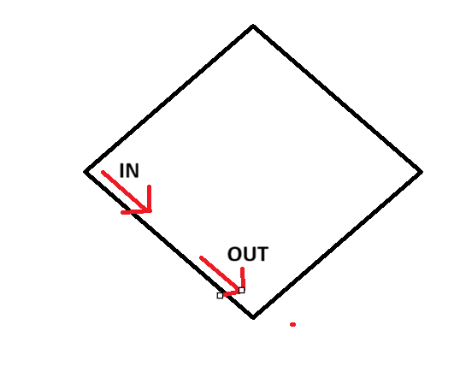

MPU6050 |  |  | VCC | 5V
 |  |  | GND | GND
 |  |  | SCL | PB6
 |  |  | SDA | PB7
 |  |  | XDA | -
 |  |  | XCL | -
 |  |  | AD0 | -
 |  |  | INT | -

