prerequisites
 | Prerequisite | Solution
 | forecast on
 | length of next 5 time slots | read next 5 scheduled events in simulation |  | minutes | 10 | 20 | 10 | 10 | 20
 | EV Maximum Power Input | calcultate based on power delivered now

 | 7.36 |  | 11%
 | 14.72 |  | 21%
 | 22.08 |  | 32%
 | 29.44 |  | 42%
 | 36.8 |  | 53%
 | 44.16 |  | 63%
 | 51.52 |  | 74%
 | 58.88 | 58.88 | 84%
 |  | 62.56 | 89%
 |  | 66.24 | 95%
 |  | 69.92 | 100%
CC | 7.36
CV | 3.68
CSC | 59% |  | 41 kWh |  | 2.00 h | 15 kWh
 | 80% |  | 56 kWh |  | 3.80 h | 14 kWh
DSC | 100% |  | 70 kWh
CAP | 70 kWh
power | 25 kW

 | h
 | 1 | 7.36 | 11%
 | 2 | 14.72 | 21%
 | 3 | 22.08 | 32%
 | 4 | 29.44 | 42%
 | 5 | 36.8 | 53%
 | 6 | 44.16 | 63%
 | 7 | 51.52 | 74%
 | 8 | 58.88 | 84% | 58.88
 | 9 |  | 89% | 62.56
 | 10 |  | 95% | 66.24
 | 11 |  | 100% | 69.92

pyomo_0
Utilization (α) | 1

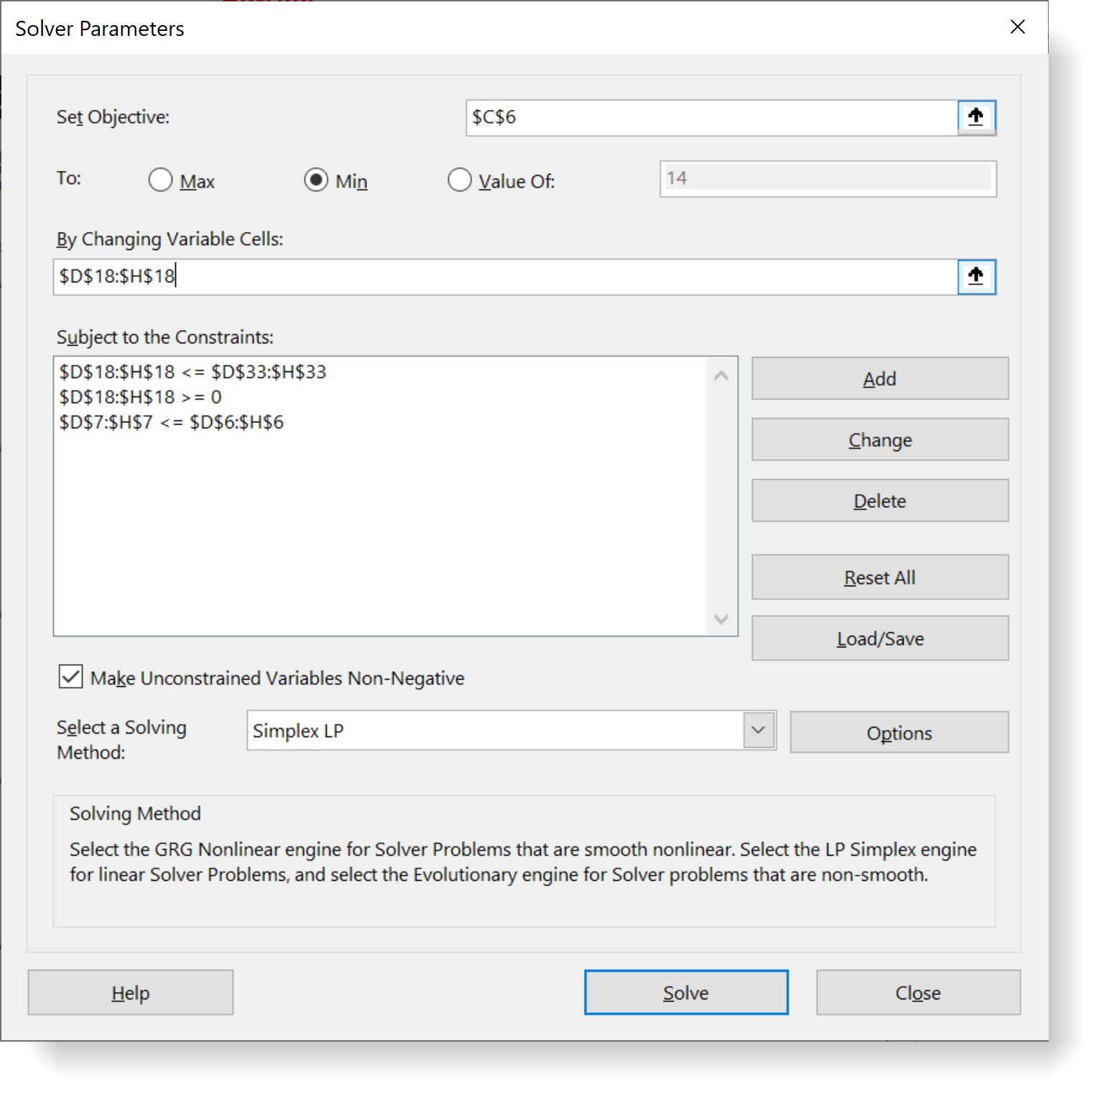
Tetris Game Charger |  |  | Horizon
 |  | Obj | now | T 2 | T 3 | T 4 | T 5
EX | min | 0.6902 | 14.72 | 14.72 | 14.72 | 14.72 | 14.72 | 🔒
 |  |  | 5.00 | 7.36 | 5.00 | 3.68 | 0.00
 |  | 0.69022 | 29% | 6% | 15% | 8% | 11% | 🎯

Parking Time |  | minutes | 40 | 10 | 20 | 10 | 10
Energy deliv. |  | kW
 |  | EV 1/EVSE 1 | 200.0 | 73.6 | 100.0 | 36.8 | 0.0
 |  |  | 0.0 | 0.0 | 0.0 | 0.0 | 0.0
 |  |  | 0.0 | 0.0 | 0.0 | 0.0 | 0.0
Decision Variables
 |  | kW | now | T 2 | T 3 | T 4 | T 5
 |  | EV 1/EVSE 1 | 5.00 | 7.36 | 5.00 | 3.68 | 0.00
 |  |  | 0.00 | 0.00 | 0.00 | 0.00 | 0.00
 |  |  | 0.00 | 0.00 | 0.00 | 0.00 | 0.00
EV
 |  | kW | now | T 2 | T 3 | T 4 | T 5
 |  | EV 1 | 7.36 | 7.36 | 5.00 | 3.68 | 0.00
 |  |  | 0.00 | 0.00 | 0.00 | 0.00 | 0.00
 |  |  | 0.00 | 0.00 | 0.00 | 0.00 | 0.00
SE
 |  | kW | now | T 2 | T 3 | T 4 | T 5
 |  | EVSE 1 | 5.00 | 7.36 | 7.36 | 7.36 | 7.36

EV / EVSE
 |  | kW | now | T 2 | T 3 | T 4 | T 5
 |  | EV 1/EVSE 1 | 5.00 | 7.36 | 5.00 | 3.68 | 0.00 | 🔒
 |  |  | 0.00 | 0.00 | 0.00 | 0.00 | 0.00
 |  |  | 0.00 | 0.00 | 0.00 | 0.00 | 0.00

pyomo_1
Utilization (α) | 1

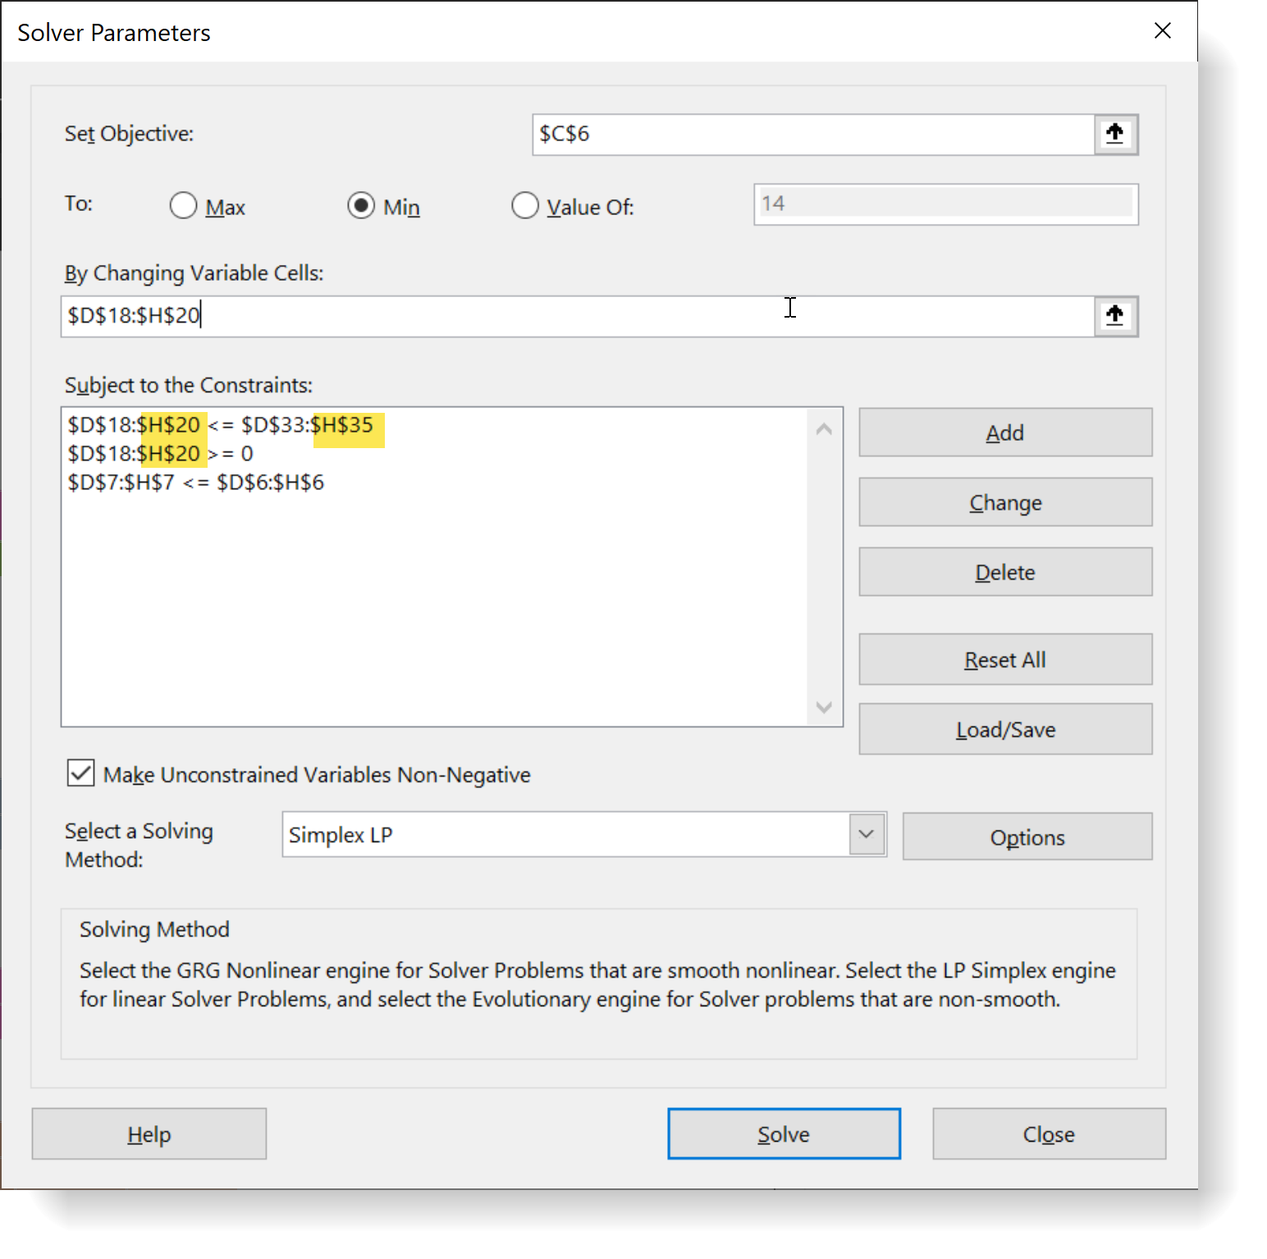
Tetris Game Charger |  |  | Horizon
 |  | Obj | now | T 2 | T 3 | T 4 | T 5
EX | min | 0.1389 | 14.72 | 14.72 | 14.72 | 14.72 | 14.72 | 🔒
 |  |  | 14.72 | 14.72 | 14.72 | 11.04 | 0.00
 |  | 0.13889 | 0% | 0% | 0% | 3% | 11% | 🎯

Parking Time |  | minutes | 40 | 10 | 20 | 10 | 10
Energy deliv. |  | kW
 |  | EV 1/EVSE 1 | 200.0 | 0.0 | 100.0 | 36.8 | 0.0
 |  | EV 2/EVSE 2 | 188.8 | 73.6 | 100.0 | 36.8 | 0.0
 |  | EV 3/EVSE 3 | 200.0 | 73.6 | 94.4 | 36.8 | 0.0
Decision Variables
 |  | kW | now | T 2 | T 3 | T 4 | T 5
 |  | EV 1/EVSE 1 | 5.00 | 0.00 | 5.00 | 3.68 | 0.00
 |  | EV 2/EVSE 2 | 4.72 | 7.36 | 5.00 | 3.68 | 0.00
 |  | EV 3/EVSE 3 | 5.00 | 7.36 | 4.72 | 3.68 | 0.00
EV
 |  | kW | now | T 2 | T 3 | T 4 | T 5
 |  | EV 1 | 7.36 | 7.36 | 5.00 | 3.68 | 0.00
 |  | EV 2 | 7.36 | 7.36 | 5.00 | 3.68 | 0.00
 |  | EV 3 | 7.36 | 7.36 | 5.00 | 3.68 | 0.00
EVSE
 |  | kW | now | T 2 | T 3 | T 4 | T 5
 |  | EVSE 1 | 5.00 | 7.36 | 7.36 | 7.36 | 7.36
 |  | EVSE 2 | 5.00 | 7.36 | 7.36 | 7.36 | 7.36
 |  | EVSE 3 | 5.00 | 7.36 | 7.36 | 7.36 | 7.36
EV / EVSE
 |  | kW | now | T 2 | T 3 | T 4 | T 5
 |  | EV 1/EVSE 1 | 5.00 | 7.36 | 5.00 | 3.68 | 0.00 | 🔒
 |  | EV 2/EVSE 2 | 5.00 | 7.36 | 5.00 | 3.68 | 0.00
 |  | EV 3/EVSE 3 | 5.00 | 7.36 | 5.00 | 3.68 | 0.00

pyomo_2
Utilization (α) | 1
Cust. Demand (β) | 1

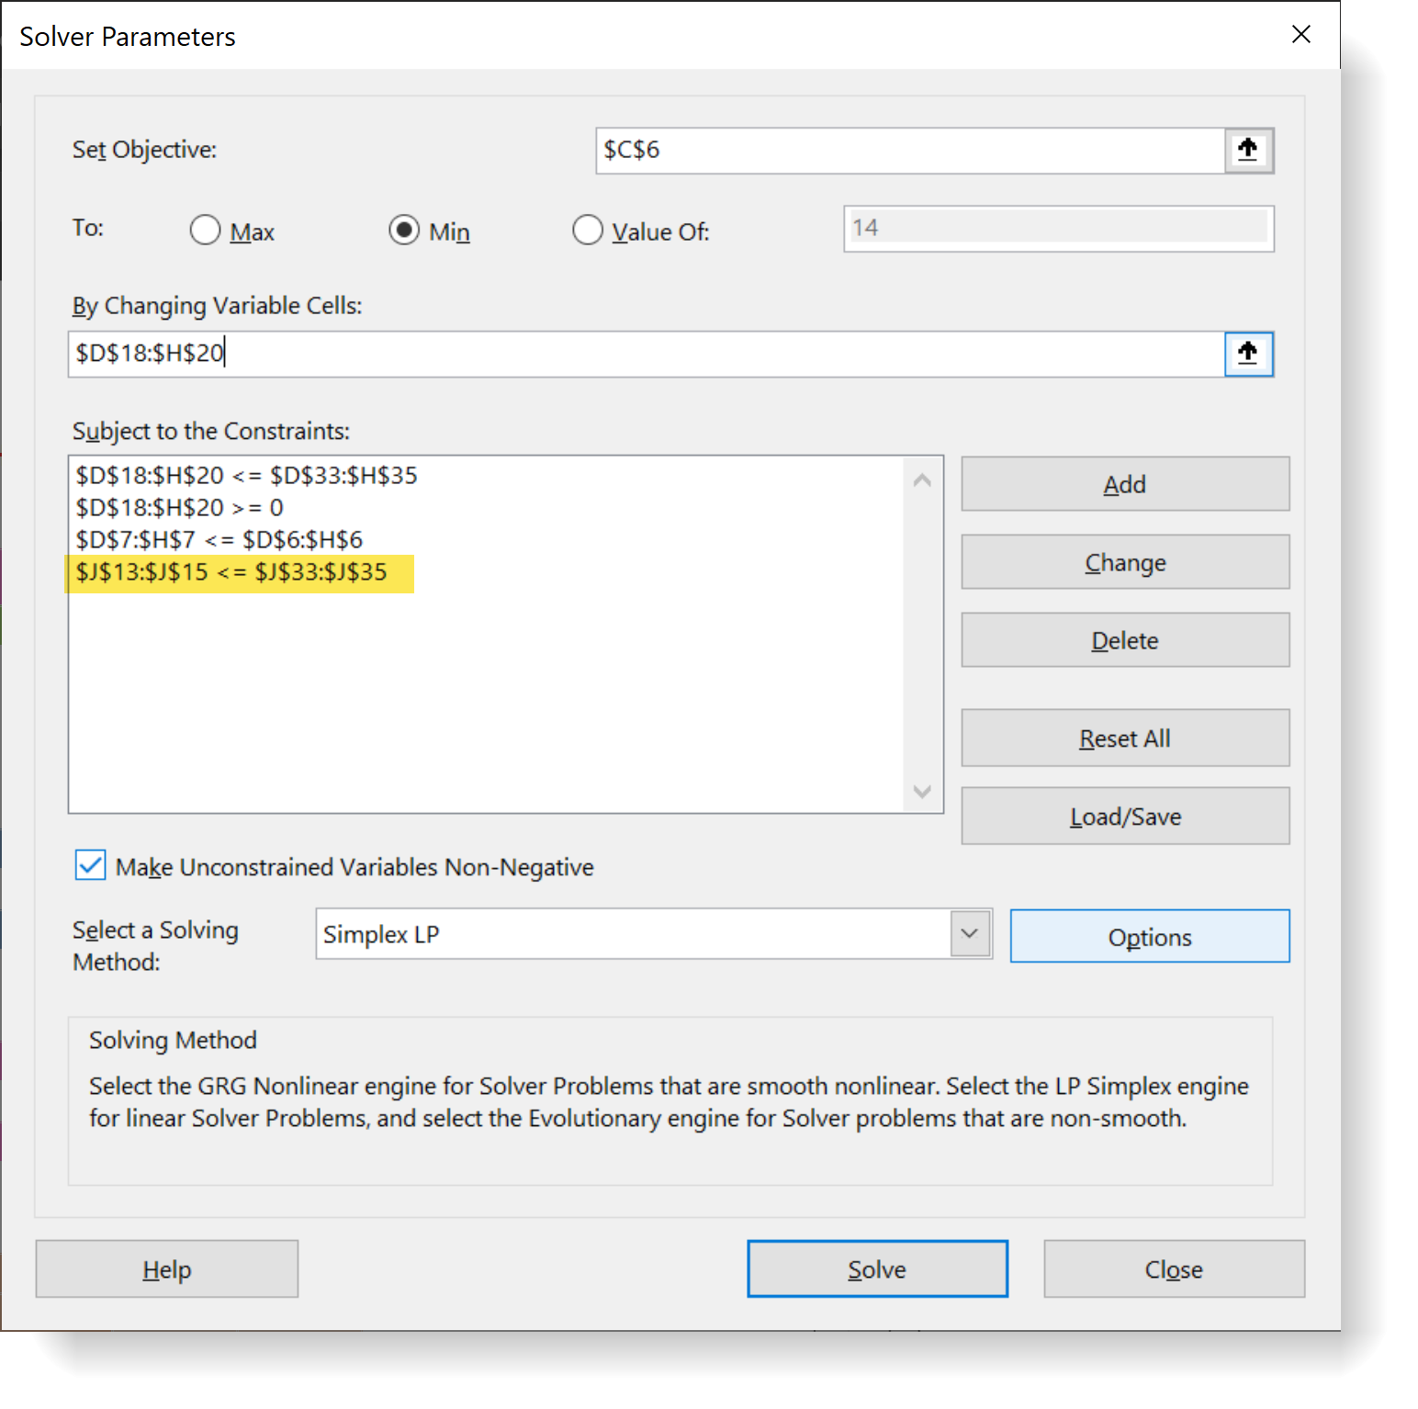
Tetris Game Charger |  |  | Horizon
 |  | Obj | now | T 2 | T 3 | T 4 | T 5
EX | min | 0.3207 | 14.72 | 14.72 | 14.72 | 14.72 | 14.72 | 🔒
 |  |  | 13.68 | 5.56 | 14.72 | 0.00 | 0.28
 | dUtil% | 0.32065 | 3% | 7% | 0% | 11% | 11% | 🎯

Parking Time |  | minutes | 40 | 10 | 20 | 10 | 10 |  |  | -
Energy deliv. |  | kW |  |  |  |  |  |  | FC | dCD%
 |  | EV 1/EVSE 1 | 147.2 | 55.6 | 147.2 | 0.0 | 0.0 |  | 350.0 | 0.0%
 |  | EV 2/EVSE 2 | 200.0 | 0.0 | 0.0 | 0.0 | 0.0 |  | 200.0 | 0.0%
 |  | EV 3/EVSE 3 | 200.0 | 0.0 | 147.2 | 0.0 | 2.8 |  | 350.0 | 0.0%
Decision Variables
 |  | kW | now | T 2 | T 3 | T 4 | T 5
 |  | EV 1/EVSE 1 | 3.68 | 5.56 | 7.36 | 0.00 | 0.00
 |  | EV 2/EVSE 2 | 5.00 | 0.00 | 0.00 | 0.00 | 0.00
 |  | EV 3/EVSE 3 | 5.00 | 0.00 | 7.36 | 0.00 | 0.28
EV
 | DC | kW | now | T 2 | T 3 | T 4 | T 5
 | 350 | EV 1 | 3.68 | 7.36 | 7.36 | 3.68 | 0.00
 | 200 | EV 2 | 7.36 | 7.36 | 7.36 | 3.68 | 3.68
 | 350 | EV 3 | 7.36 | 7.36 | 7.36 | 7.36 | 3.68
EVSE
 |  | kW | now | T 2 | T 3 | T 4 | T 5
 |  | EVSE 1 | 5.00 | 7.36 | 7.36 | 7.36 | 7.36
 |  | EVSE 2 | 5.00 | 7.36 | 7.36 | 7.36 | 7.36
 |  | EVSE 3 | 5.00 | 7.36 | 7.36 | 7.36 | 7.36
EV / EVSE
 |  | kW | now | T 2 | T 3 | T 4 | T 5 |  | RC | MX
 |  | EV 1/EVSE 1 | 3.68 | 7.36 | 7.36 | 3.68 | 0.00 | 🔒 | 350.0 | 404.8
 |  | EV 2/EVSE 2 | 5.00 | 7.36 | 7.36 | 3.68 | 3.68 |  | 200.0 | 494.4
 |  | EV 3/EVSE 3 | 5.00 | 7.36 | 7.36 | 7.36 | 3.68 |  | 350.0 | 531.2

pyomo_3
Utilization (α) | 1 |  | € 1.60 | € 0.80 | € 6.20 | € 2.80 | € 1.20 |  | € 88.12 | Mc | € 23.55 | € 11.78 | € 91.26 | € 41.22 | € 17.66
Cust. Demand (β) | 1 | 0.47509 | € 0.04 | € 0.08 | € 0.31 | € 0.28 | € 0.12 |  | € 185.47 | AC | € 21.89 | € 11.78 | € 28.64 | € 21.39 | € 4.42
Energy Cost (γ) | 1
Tetris Game Charger |  |  | Horizon
 |  | Obj | now | T 2 | T 3 | T 4 | T 5
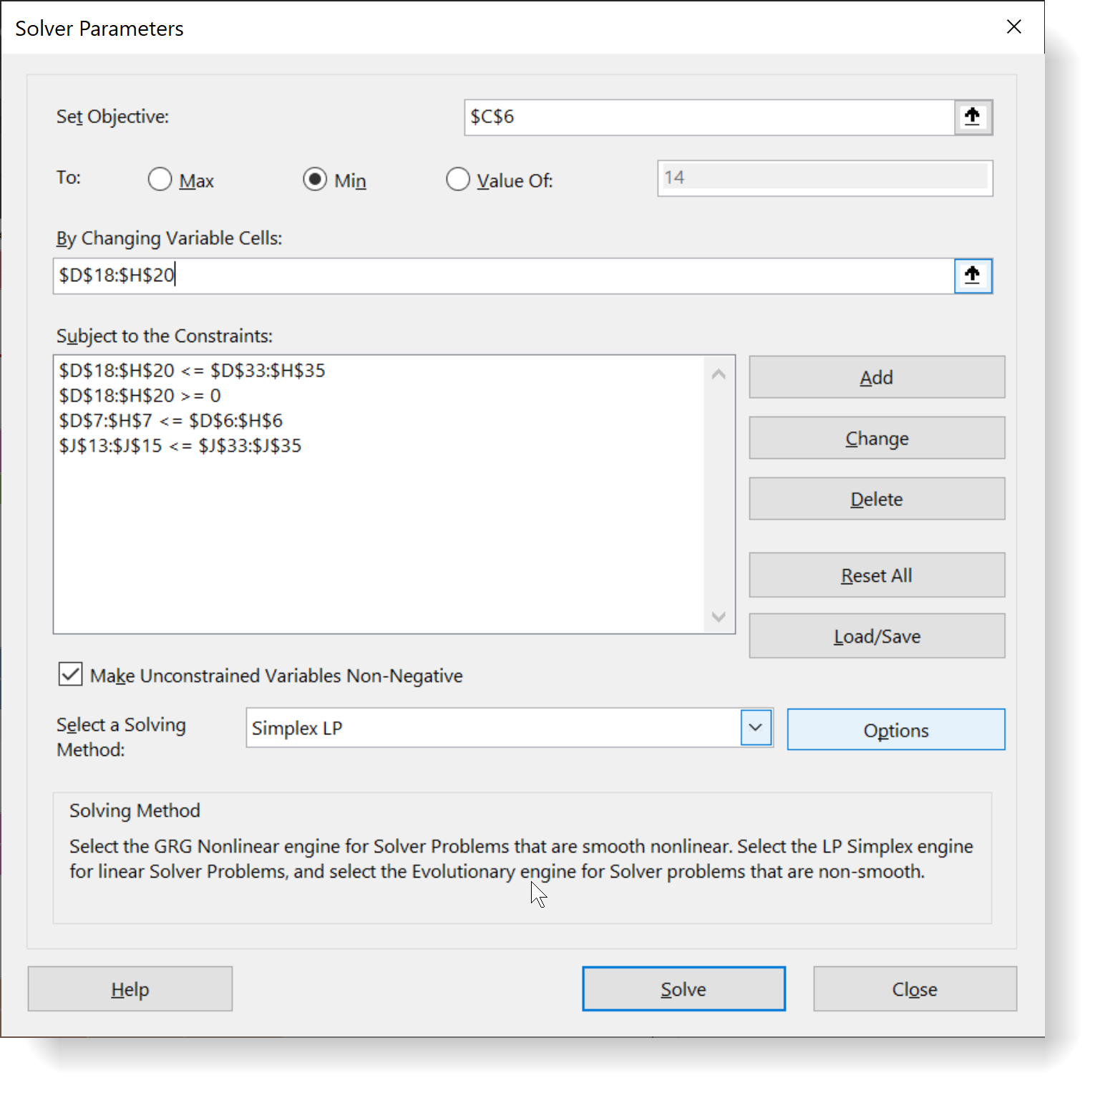
EX | min | 0.7957 | 14.72 | 14.72 | 14.72 | 14.72 | 14.72 | 🔒
 |  |  | 13.68 | 14.72 | 4.62 | 7.64 | 3.68
 | dUtil% | 0.32065 | 3% | 0% | 15% | 5% | 8% | 🎯

Parking Time |  | minutes | 40 | 10 | 20 | 10 | 10 |  |  | -0.00000
Energy Charged |  | kW |  |  |  |  |  |  | FC | dCD%
 |  | EV 1/EVSE 1 | 147.2 | 73.6 | 92.4 | 36.8 | 0.0 |  | 350.0 | 0.0%
 |  | EV 2/EVSE 2 | 200.0 | 0.0 | 0.0 | 0.0 | 0.0 |  | 200.0 | 0.0%
 |  | EV 3/EVSE 3 | 200.0 | 73.6 | 0.0 | 39.6 | 36.8 |  | 350.0 | 0.0%
Decision Variables
 |  | kW | now | T 2 | T 3 | T 4 | T 5
 |  | EV 1/EVSE 1 | 3.68 | 7.36 | 4.62 | 3.68 | 0.00
 |  | EV 2/EVSE 2 | 5.00 | 0.00 | 0.00 | 0.00 | 0.00
 |  | EV 3/EVSE 3 | 5.00 | 7.36 | 0.00 | 3.96 | 3.68
EV
 | DC | kW | now | T 2 | T 3 | T 4 | T 5
 | 350 | EV 1 | 3.68 | 7.36 | 7.36 | 3.68 | 0.00
 | 200 | EV 2 | 7.36 | 7.36 | 7.36 | 3.68 | 3.68
 | 350 | EV 3 | 7.36 | 7.36 | 7.36 | 7.36 | 3.68
EVSE
 |  | kW | now | T 2 | T 3 | T 4 | T 5
 |  | EVSE 1 | 5.00 | 7.36 | 7.36 | 7.36 | 7.36
 |  | EVSE 2 | 5.00 | 7.36 | 7.36 | 7.36 | 7.36
 |  | EVSE 3 | 5.00 | 7.36 | 7.36 | 7.36 | 7.36
EV / EVSE
 |  | kW | now | T 2 | T 3 | T 4 | T 5 |  | RC | MX
 |  | EV 1/EVSE 1 | 3.68 | 7.36 | 7.36 | 3.68 | 0.00 | 🔒 | 350.0 | 404.8
 |  | EV 2/EVSE 2 | 5.00 | 7.36 | 7.36 | 3.68 | 3.68 |  | 200.0 | 494.4
 |  | EV 3/EVSE 3 | 5.00 | 7.36 | 7.36 | 7.36 | 3.68 |  | 350.0 | 531.2

