Foglio1
LOGISTIC REGRESSION |  |  |  | RAW FEATURES | DCF Min
 |  |  |  |  | 0.346
 |  |  |  |  | 0.357
RAW FEATURES | πtrain = 0.1 | πtrain = 0.5 | πtrain = 0.9 |  | 0.373 | MIN DCF
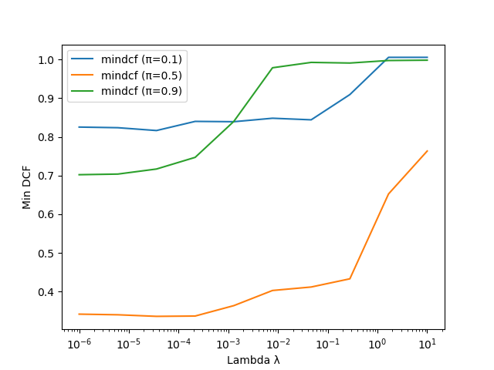
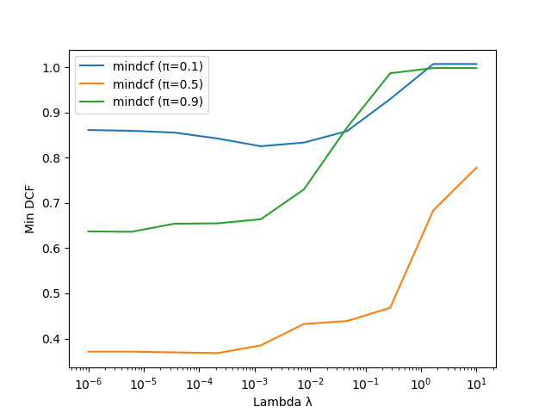
lambda = 1e-5 |  |  |  |  |  |  | pi = 0.1 | pi = 0.5 | pi = 0.9
 |  |  |  |  |  | RAW
 |  |  |  |  |  | LogReg ( l = 1e-5, ptrain = 0.1) | 0.821 | 0.338 | 0.710
 |  |  |  |  |  | LogReg ( l = 1e-5, ptrain = 0.5) | 0.830 | 0.355 | 0.660
 |  |  |  |  |  | LogReg ( l = 1e-5, ptrain = 0.9) | 0.858 | 0.369 | 0.643

 |  |  |  |  |  | GAUSSIANIZED
 |  |  |  |  |  | LogReg ( l = 1e-5, ptrain = 0.1) | 0.788 | 0.338 | 0.899
 |  |  |  |  |  | LogReg ( l = 1e-5, ptrain = 0.5) | 0.857 | 0.351 | 0.742
 |  |  |  |  |  | LogReg ( l = 1e-5, ptrain = 0.9) | 0.894 | 0.374 | 0.687

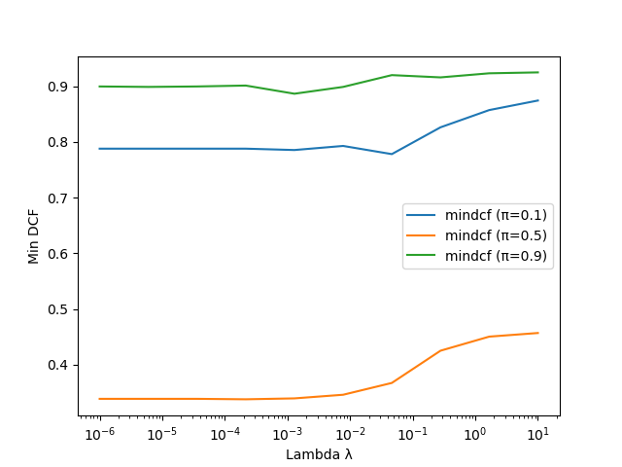
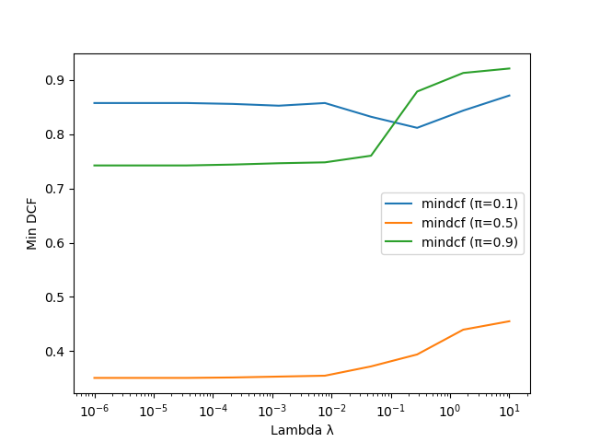
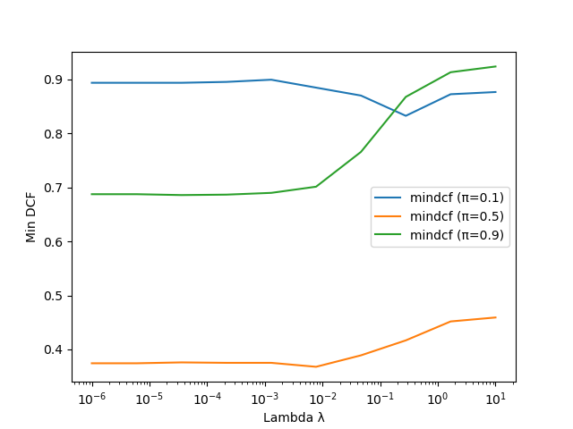
GAUSS FEATURES | πtrain = 0.1 | πtrain = 0.5 | πtrain = 0.9
lambda = 1e-5 |  |  |  | GAUSSIANIZED FEATURES | DCF Min
 |  |  |  | LogReg ( l = 1e-5, ptrain = 0.1) | 0.340
 |  |  |  | LogReg ( l = 1e-5, ptrain = 0.5) | 0.353
 |  |  |  | LogReg ( l = 1e-5, ptrain = 0.9) | 0.383

