Foglio1
LOGISTIC REGRESSION

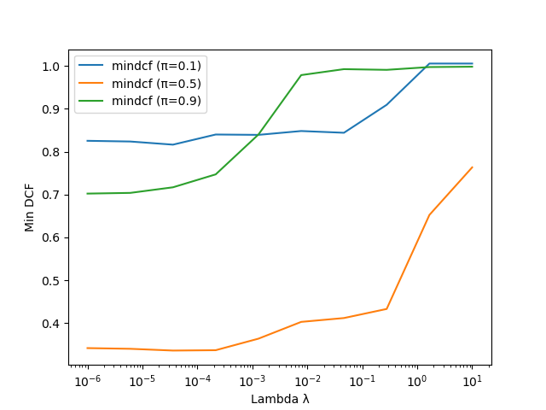
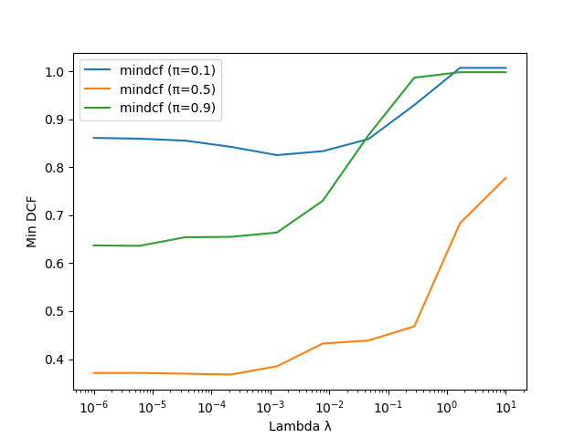
RAW FEATURES |  | πtrain = 0.1 | πtrain = 0.5 | πtrain = 0.9
lambda = 1e-5

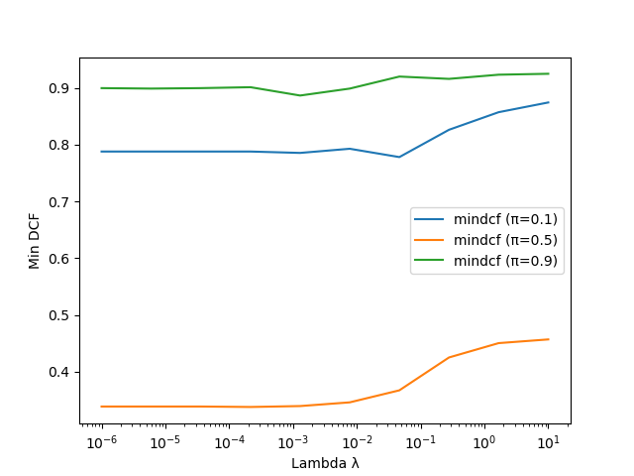
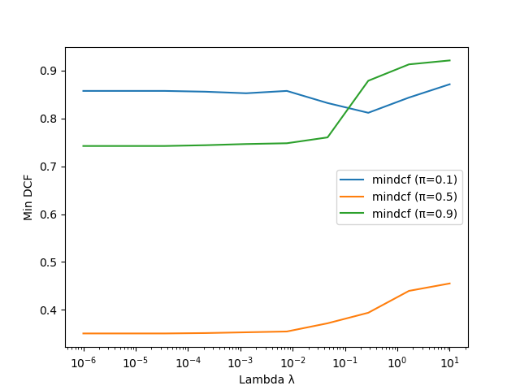
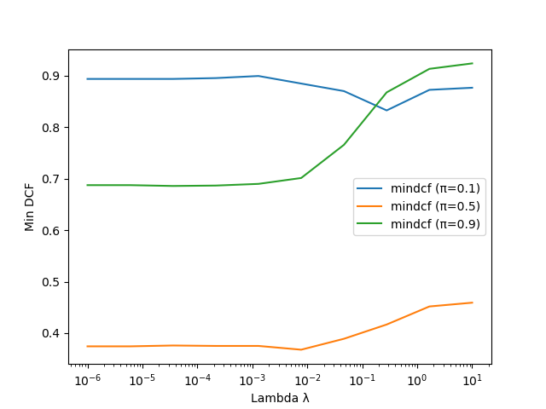
GAUSS FEATURES |  | πtrain = 0.1 | πtrain = 0.5 | πtrain = 0.9
lambda = 1e-5

RAW FEATURES | DCF Min
LogReg ( l = 1e-5, ptrain = 0.1) | 0.346
LogReg ( l = 1e-5, ptrain = 0.5) | 0.357
LogReg ( l = 1e-5, ptrain = 0.9) | 0.373

GAUSSIANIZED FEATURES | DCF Min
LogReg ( l = 1e-5, ptrain = 0.1) | 0.340
LogReg ( l = 1e-5, ptrain = 0.5) | 0.353
LogReg ( l = 1e-5, ptrain = 0.9) | 0.383

