GPIO_List
GPIO List
PAD Num | PAD Name | PowerDomain | Default | Func0 | Func1 | Func2 | Func3 | Func4 | Func5 | Func6 | Func7 | (QFN)Demo Board 38 IPC |  |  |  | 功能模块 | GPIO设计说明
 |  |  |  |  |  |  |  |  |  |  |  | Function | Net Name | IO Domain | 备注说明 |  | input/output | Default level | PD/PU | Work
42 | SD1_CMD | SD1 | fsel=6 | PWR_SD1_CMD (IO1)(PHY) | SPI2_SDO(IO) | IIC3_SCL(IO1) | PWR_GPIO[22] (IO)(PHY) | CAM_VS0 (O) | EPHY_LNK_LED (O) | PWR_SPINOR1_MOSI(IO)(PHY) | PWM[8] (IO) | EPHY_LNK | EPHY_LNK | 3.3V |  | ETH
43 | SD1_CLK | SD1 | fsel=6 | PWR_SD1_CLK (IO) (CLK)(PHY) | SPI2_SCK(O)(CLK) | IIC3_SDA(IO1) | PWR_GPIO[23] (IO)(PHY) | CAM_HS0 (O) | EPHY_SPD_LED (O) | PWR_SPINOR1_SCK(O)(PHY)(CLK) | PWM[9] (IO) | EPHY_SPD | EPHY_SPD | 3.3V
48 | PAD_ETH_TXM___EPHY_RXP | VDD18 |  | (PAD_ETH_TXM) | UART3_RTS(O) | IIC1_SDA(IO1) | XGPIOB[24] (IO) | PWM[12] (IO) | CAM_MCLK1 (O) (CLK) | SPI1_SDI(I) | IIS2_BCLK(CLK) | EPHY | EPHY_RXP | 1.8V
47 | PAD_ETH_TXP___EPHY_RXN | VDD18 |  | (PAD_ETH_TXP) | UART3_RX(I1) | IIC1_SCL(IO1) | XGPIOB[25] (IO) | PWM[13] (IO) | CAM_MCLK0(O)(CLK) | SPI1_SDO(IO) | IIS2_LRCK | EPHY | EPHY_RXN | 1.8V
50 | PAD_ETH_RXM___EPHY_TXP | VDD18 |  | (PAD_ETH_RXM) | UART3_CTS(I1) | CAM_MCLK0(O)(CLK) | XGPIOB[26] (IO) | PWM[14] (IO) | CAM_VS0 (O) | SPI1_CS_X(O) | IIS2_DI | EPHY | EPHY_TXP | 1.8V
49 | PAD_ETH_RXP___EPHY_TXN | VDD18 |  | (PAD_ETH_RXP) | UART3_TX(O) | CAM_MCLK1 (O) (CLK) | XGPIOB[27] (IO) | PWM[15] (IO) | CAM_HS0 (O) | SPI1_SCK(O)(CLK) | IIS2_DO | EPHY | EPHY_TXN | 1.8V
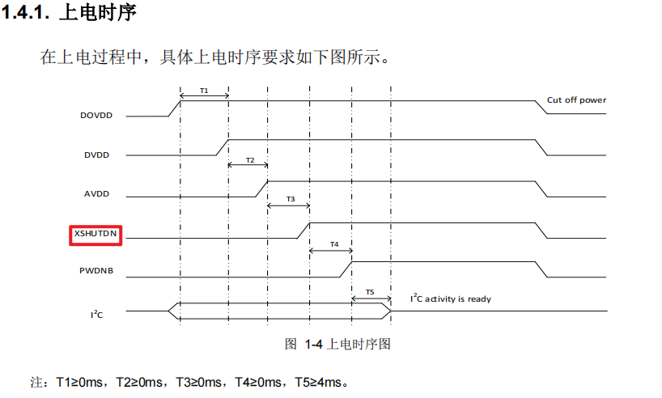
56 | PAD_MIPIRX4N | VDD18_MIPI | fsel=2 | (PAD_MIPIRX4N) | VI0_CLK (I) (PHY) (CLK) | IIC0_SCL (IO1) | XGPIOC[2] (IO) | IIC1_SDA (IO1) | CAM_MCLK0(O)(CLK) | KEY_ROW0 (IO) | MUX_SPI1_SCK | MIPI | MIPIRX0_PAD4N | 1.8V |  | CAM
57 | PAD_MIPIRX4P | VDD18_MIPI | fsel=2 | (PAD_MIPIRX4P) | VI0_D[0] (I) (PHY) | IIC0_SDA (IO1) | XGPIOC[3] (IO) | IIC1_SCL (IO1) | CAM_MCLK1 (O) (CLK) | KEY_ROW1 (IO) | MUX_SPI1_CS | MIPI | MIPIRX0_PAD4P | 1.8V
58 | PAD_MIPIRX3N | VDD18_MIPI |  | (PAD_MIPIRX3N) | VI0_D[1] (I) (PHY) |  | XGPIOC[4] (IO) | CAM_MCLK0(O)(CLK) |  |  | MUX_SPI1_MISO | MIPI | MIPIRX0_PAD3N | 1.8V
59 | PAD_MIPIRX3P | VDD18_MIPI |  | (PAD_MIPIRX3P) | VI0_D[2] (I) (PHY) |  | XGPIOC[5] (IO) |  |  |  | MUX_SPI1_MOSI | MIPI | MIPIRX0_PAD3P | 1.8V
60 | PAD_MIPIRX2N | VDD18_MIPI |  | (PAD_MIPIRX2N) | VI0_D[3] (I) (PHY) |  | XGPIOC[6] (IO) |  | IIC4_SCL (IO1) |  | DBG[6] (O) | MIPI | MIPIRX0_PAD2N | 1.8V
61 | PAD_MIPIRX2P | VDD18_MIPI |  | (PAD_MIPIRX2P) | VI0_D[4] (I) (PHY) |  | XGPIOC[7] (IO) |  | IIC4_SDA (IO1) |  | DBG[7] (O) | MIPI | MIPIRX0_PAD2P | 1.8V
62 | PAD_MIPIRX1N | VDD18_MIPI |  | (PAD_MIPIRX1N) | VI0_D[5] (I) (PHY) |  | XGPIOC[8] (IO) |  |  | KEY_ROW3 (IO) | DBG[8] (O) | MIPI | CAM_RST0 | 1.8V
63 | PAD_MIPIRX1P | VDD18_MIPI |  | (PAD_MIPIRX1P) | VI0_D[6] (I) (PHY) |  | XGPIOC[9] (IO) | IIC1_SDA (IO1) |  | KEY_ROW2 (IO) | DBG[9] (O) | MIPI | CAM_I2C1_SDA | 1.8V
64 | PAD_MIPIRX0N | VDD18_MIPI |  | (PAD_MIPIRX0N) | VI0_D[7] (I) (PHY) |  | XGPIOC[10] (IO) | IIC1_SCL (IO1) | CAM_MCLK1 (O) (CLK) |  | DBG[10] (O) | MIPI | CAM_I2C1_SCL | 1.8V
65 | PAD_MIPIRX0P | VDD18_MIPI |  | (PAD_MIPIRX0P) | VI0_D[8] (I) (PHY) |  | XGPIOC[11] (IO) | CAM_MCLK0(O)(CLK) |  |  | DBG[11] (O) | MIPI | CAM_MCLK0 | 1.8V
15 | UART0_TX | VDD_SD0 | fsel=0, PU=1, PD=0 | UART0_TX(O) | CAM_MCLK1 (O)(CLK) | PWM[4] (IO) | XGPIOA[16] (IO) | UART1_TX(O) | AUX1(O) | JTAG_TMS (IO) (New) | DBG[6] (O) | UART | UART0_TX | 3.3V |  | Debug
16 | UART0_RX | VDD_SD0 | fsel=0, PU=1, PD=0 | UART0_RX(I1) | CAM_MCLK0 (O)(CLK) | PWM[5] (IO) | XGPIOA[17] (IO) | UART1_RX(I1) | AUX0(O) | JTAG_TCK (I)(CLK) (New) | DBG[7] (O) | UART | UART0_RX | 3.3V
17 | SPINOR_HOLD_X | VDD_SD0 | fsel=1 |  | SPINOR_HOLD_X(IO)(PHY) | SPINAND_HOLD(IO)(PHY) | XGPIOA[26] (IO) |  |  |  |  | SPINAND_HOLD | SPINOR_HOLD(IO)(PHY) | 3.3V |  | Flash
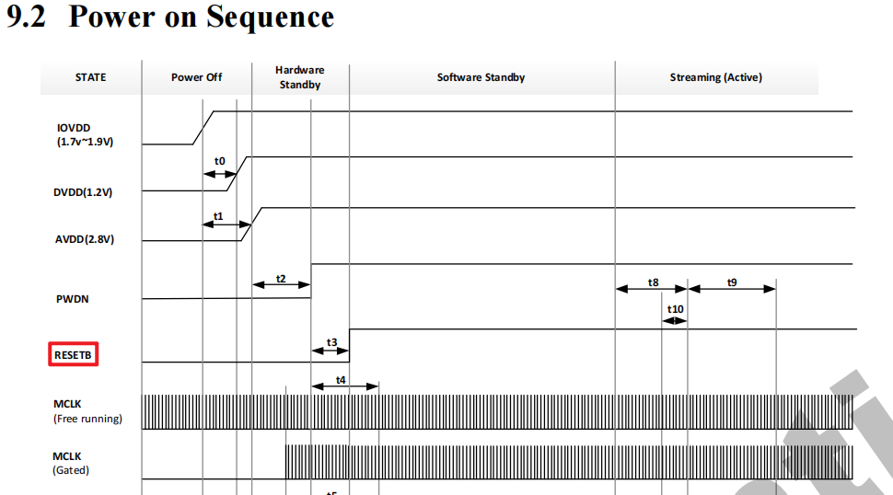
18 | SPINOR_SCK | VDD_SD0 | fsel=1 |  | SPINOR_SCK(O)(PHY)(CLK) | SPINAND_CLK(IO)(PHY)(CLK) | XGPIOA[22] (IO) |  |  |  |  | SPINAND_CLK | SPINOR_CLK(IO)(PHY)(CLK) | 3.3V
19 | SPINOR_MOSI | VDD_SD0 | fsel=1, PU=1, PD=0 |  | SPINOR_MOSI(IO)(PHY) | SPINAND_MOSI(IO)(PHY) | XGPIOA[25] (IO) |  |  |  |  | SPINAND_MOSI | SPINOR_MOSI(IO)(PHY) | 3.3V
20 | SPINOR_WP_X | VDD_SD0 | fsel=1, PU=1, PD=0 |  | SPINOR_WP_X(IO)(PHY) | SPINAND_WP(IO)(PHY) | XGPIOA[27] (IO) |  |  |  |  | SPINAND_WP | SPINOR_WP(IO)(PHY) | 3.3V
21 | SPINOR_MISO | VDD_SD0 | fsel=1, PU=1, PD=0 |  | SPINOR_MISO(IO)(PHY) | SPINAND_MISO(IO)(PHY) | XGPIOA[23] (IO) |  |  |  |  | SPINAND_MISO | SPINOR_MISO(IO)(PHY) | 3.3V
22 | SPINOR_CS_X | VDD_SD0 | fsel=1 |  | SPINOR_CS_X(IO)(PHY) | SPINAND_CS(IO)(PHY) | XGPIOA[24] (IO) |  |  |  |  | SPINAND_CS | SPINOR_CS(IO)(PHY) | 3.3V
67 | PAD_AUD_AINL_MIC | AUD |  | (PAD_AUD_AINL_MIC) |  |  | XGPIOC[23] (IO) | IIS1_BCLK (CLK) | IIS2_BCLK(CLK) |  |  | MIC | PAD_AUD_AINL_MIC | 1.8V |  | MIC
25 | AUX0 | VDD_SD0 |  | AUX0 (O) |  |  | XGPIOA[30] (IO) | IIS1_MCLK (CLK) |  | WG1_D1(IO1) | DBG[12] (O) | GPIO | RST_DOWNLOAD | 3.3V |  | RESET | Input | HiZ | HiZ | H：Normal L：UPDATA/Reset
31 | PWR_SEQ2 | RTC | fsel=0 | PWR_SEQ2(O)(PHY) (ANA_TESTOUT_SD1) |  |  | PWR_GPIO[4] (IO)(PHY) |  |  |  |  | PWR | PWR_SEQ2 | 1.8V
3 | SD0_CLK | VDD_SD0 | fsel=0 | SDIO0_CLK(O)(PHY)(CLK) | IIC1_SDA (IO1) | SPI0_SCK(O)(CLK) | XGPIOA[7] (IO) |  | PWM[15](IO) | EPHY_LNK_LED (O) | DBG[0] (O) | SD0_CLK | SD0_CLK | 3.3V |  | SD CARD
4 | SD0_CMD | VDD_SD0 | fsel=0 | SDIO0_CMD(IO1)(PHY) | IIC1_SCL (IO1) | SPI0_SDO(IO) | XGPIOA[8] (IO) |  | PWM[14](IO) | EPHY_SPD_LED (O) | DBG[1] (O) | SD0_CMD | SD0_CMD | 3.3V
5 | SD0_D0 | VDD_SD0 | fsel=0 | SDIO0_D[0](IO)(PHY) | CAM_MCLK1 (O)(CLK) | SPI0_SDI(I) | XGPIOA[9] (IO) | UART3_TX(O) | PWM[13](IO) | WG0_D0(IO1) | DBG[2] (O) | SD0_D0 | SD0_D0 | 3.3V
7 | SD0_D1 | VDD_SD0 | fsel=0 | SDIO0_D[1](IO)(PHY) | IIC1_SDA (IO1) | AUX0(O) | XGPIOA[10] (IO) | UART1_TX(O) | PWM[12](IO) | WG0_D1(IO1) | DBG[3] (O) | SD0_D1 | SD0_D1 | 3.3V
8 | SD0_D2 | VDD_SD0 | fsel=0 | SDIO0_D[2](IO)(PHY) | IIC1_SCL (IO1) | AUX1(O) | XGPIOA[11] (IO) | UART1_RX(I1) | PWM[11](IO) | WG1_D0(IO1) | DBG[4] (O) | SD0_D2 | SD0_D2 | 3.3V
9 | SD0_D3 | VDD_SD0 | fsel=0 | SDIO0_D[3](IO)(PHY) | CAM_MCLK0 (O)(CLK) | SPI0_CS_X(O) | XGPIOA[12] (IO) | UART3_RX(I1) | PWM[10](IO) | WG1_D1(IO1) | DBG[5] (O) | SD0_D3 | SD0_D3 | 3.3V
11 | SD0_CD | VDD_SD0 | fsel=0, PU=1, PD=0 | SDIO0_CD(I) |  |  | XGPIOA[13] (IO) |  |  |  |  | SD0_CD | SD0_CD | 3.3V
12 | SD0_PWR_EN | VDD_SD0 |  | SDIO0_PWR_EN(O) |  |  | XGPIOA[14] (IO) |  |  |  |  | SD0_PWR_EN | SD0_PWR_EN | 3.3V
14 | SPK_EN | VDD_SD0 |  | (CAM_RST0(O)--GPIO) |  |  | XGPIOA[15] (IO) |  |  |  |  | GPIO | SPK_EN | 3.3V |  | SPEAKER | Output | L | PD | H：Speaker Enable L：Speaker Disable
1 | PAD_AUD_AOUTR | AUD |  | (PAD_AUD_AOUTR) |  |  | XGPIOC[24] (IO) | IIS1_DI | IIS2_DO | IIS1_DO |  | AOUTR | PAD_AUD_AOUTR | 1.8V
23 | IIC0_SCL | VDD_SD0 | fsel=0, PU=1, PD=0 | JTAG_TDI (IO1) | UART1_TX(O) | UART2_TX(O) | XGPIOA[28] (IO) | IIC0_SCL(IO1) (New) | WG0_D0(IO1) |  | DBG[10] (O) | UART | UART1_TX | 3.3V |  | UART
24 | IIC0_SDA | VDD_SD0 | fsel=0, PU=1, PD=0 | JTAG_TDO (IO1) | UART1_RX(I1) | UART2_RX(I1) | XGPIOA[29] (IO) | IIC0_SDA(IO1) (New) | WG0_D1(IO1) | WG1_D0(IO1) | DBG[11] (O) | UART | UART1_RX | 3.3V
45 | USB_VBUS_DET | VDD18 | fsel=0, PU=0, PD=0 | USB_VBUS_DET (I) |  |  | XGPIOB[6] (IO) (TEMPSEN_BJT_ANA_TOUT)(ADC2) | CAM_MCLK0(O)(CLK) | CAM_MCLK1 (O) (CLK) | PWM[4] (IO) (New) |  | USB | USB_VBUS_DET | 1.8V |  | USB
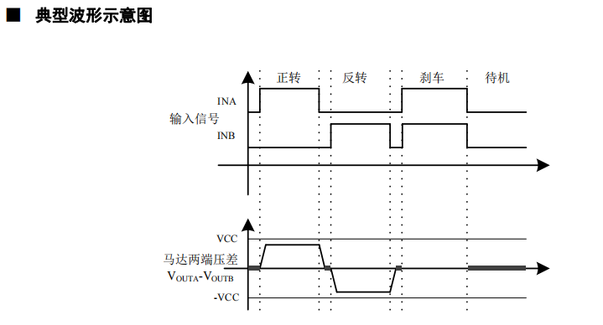
38 | SD1_D3 | SD1 | fsel=6 | PWR_SD1_D3 (IO)(PHY) | SPI2_CS_X(O) | IIC1_SCL(IO1) | PWR_GPIO[18] (IO)(PHY) | CAM_MCLK0(O)(CLK) | UART3_CTS(I1) | PWR_SPINOR1_CS_X(IO)(PHY) | PWM[4] (IO) | GPIO | IRCUT_ENB | 3.3V |  | IRCUT | Output | L | PD | A,B H,L:正转 L,H：反转 H,H：刹车 L,L：待机
39 | SD1_D2 | SD1 | fsel=6 | PWR_SD1_D2 (IO)(PHY) | IIC1_SCL(IO1) | UART2_TX(O) | PWR_GPIO[19] (IO)(PHY) | CAM_MCLK0(O)(CLK) | UART3_TX(O) | PWR_SPINOR1_HOLD_X(IO)(PHY) | PWM[5] (IO)(IRLED_PWM) | GPIO | IRCUT_ENA | 3.3V |  |  | Output | L | PD
44 | ADC1 | VDD18 |  | (ADC1) |  |  | XGPIOB[3] (IO) | KEY_COL2(I1) |  | PWM[3] (IO) (New) |  | ADC | CDS+ | 1.8V |  | LED
40 | SD1_D1 | SD1 | fsel=6 | PWR_SD1_D1 (IO)(PHY) | IIC1_SDA(IO1) | UART2_RX(I1) | PWR_GPIO[20] (IO)(PHY) | CAM_MCLK1 (O) (CLK) | UART3_RX(I1) | PWR_SPINOR1_WP_X(IO)(PHY) | PWM[6] (IO)(IRCUT_ENB) | PWM | IRLED_PWM | 3.3V
41 | SD1_D0 | SD1 | fsel=6 | PWR_SD1_D0 (IO)(PHY) | SPI2_SDI(I) | IIC1_SDA(IO1) | PWR_GPIO[21] (IO)(PHY) | CAM_MCLK1 (O) (CLK) | UART3_RTS(O) | PWR_SPINOR1_MISO(IO)(PHY) | PWM[7] (IO)(IRCUT_ENA) | PWM | WLED_PWM | 3.3V
36 | SD1_GPIO0 | SD1 |  |  | UART4_RX(I1) |  | PWR_GPIO[25] (IO)(PHY) |  |  |  | PWM[11] (IO) (New) | GPIO | IOIN | 3.3V |  | IO
35 | SD1_GPIO1 | SD1 |  |  | UART4_TX(O) |  | PWR_GPIO[26] (IO)(PHY) |  |  |  | PWM[10] (IO) (New) | GPIO | IOOUT | 3.3V

