INFO
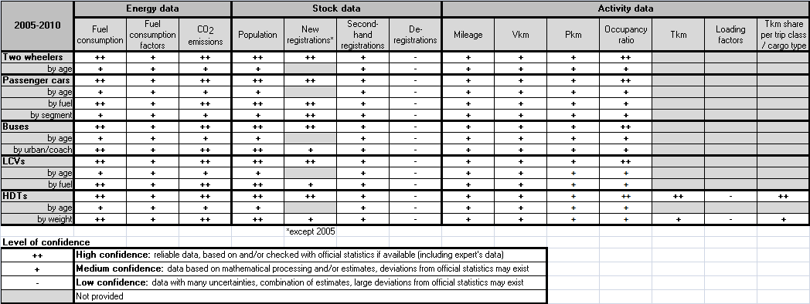
Tab Name |  | Description |  |  | Unit
FCcalc |  | Fuel Consumption (calculated) per category in each year (totals / year and 30 categories of vehicles age / year) |  |  | t and TJ
FC_EFs |  | Fuel Consumption Factors per category in each year (totals / year and 30 categories of vehicles age / year) |  |  | g/km, l/100km, MJ/km
CO2 |  | CO2 emissions per category in each year (totals / year and 30 categories of vehicles age / year) |  |  | kt (1,000 t)
Population |  | Number of registered vehicles per category in each year (totals / year and 30 categories of vehicles age / year)
New Registrations |  | Number of new registrations per category in each year (totals / year)
Second Hand Regs. |  | Number of second hand registrations per category in each year (totals / year and 30 categories of vehicles age / year)
Deregistrations |  | Number of deregistrations per category in each year (totals / year and 30 categories of vehicles age / year)
Mileage per Veh. |  | Total distance travelled by average vehicle (per category) in each year (totals / year and 30 categories of vehicles age / year) |  |  | km/year
Veh-Km |  | Vehicle-Kilometres per category in each year (totals / year and 30 categories of vehicles age / year) |  |  | mio vkm
Pass-Km |  | Passenger-Kilometres per category in each year (totals / year and 30 categories of vehicles age / year) |  |  | mio pkm
Tonne-Km |  | Tonne-Kilometres per GVW category in each year (also loading capacity and actual payload in tonnes per vehicle and loading factor as %) |  |  | mio tkm
Tkm share |  | Percentage (%) of tkm share per trip class and cargo type in each year
Occupancy ratio |  | Average number of passengers per vehicle (per category) in each year

TRACCS: Road transport - Conversion factors
Fuel | Fuel consumption: from t to TJ | Fuel consumption: from TJ to toe | From fuel consumption to CO2 | Fuel density (from g to l)
Gasoline | 1t = 0.043774 TJ | 1TJ = 23.8846 toe | 3.180 g CO2 per g of fuel | 740g per l of fuel
Diesel | 1t = 0.042695 TJ | 1TJ = 23.8846 toe | 3.140 g CO2 per g of fuel | 835g per l of fuel
LPG | 1t = 0.046564 TJ | 1TJ = 23.8846 toe | 3.017 g CO2 per g of fuel | 540g per l of fuel
CNG | 1t = 0.048000 TJ | 1TJ = 23.8846 toe | 2.750 g CO2 per g of fuel | 175g per l of fuel
CNG/Biogas | 1t = 0.048000 TJ | 1TJ = 23.8846 toe | 2.750 g CO2 per g of fuel | 175g per l of fuel
Flexi-fuel | 1t = 0.043774 TJ | 1TJ = 23.8846 toe | 2.104 g CO2 per g of fuel | 765g per l of fuel
B30 | No vehicles in TRACCS
Other | No fuel consumption calculated for these (very few) vehicles

