explanation
 | Technical documentation

 | Projection generator in Knime
 | The EUCalc - Projections generator metanode in Knime provides an easy way to create data projections for future time series based on values from a baseyear.
 | The input of this metanode is a configuration file (see example below) coupled with baseyear values while the output is a projection of the data from the baseyear to 2050 (see exemple below)

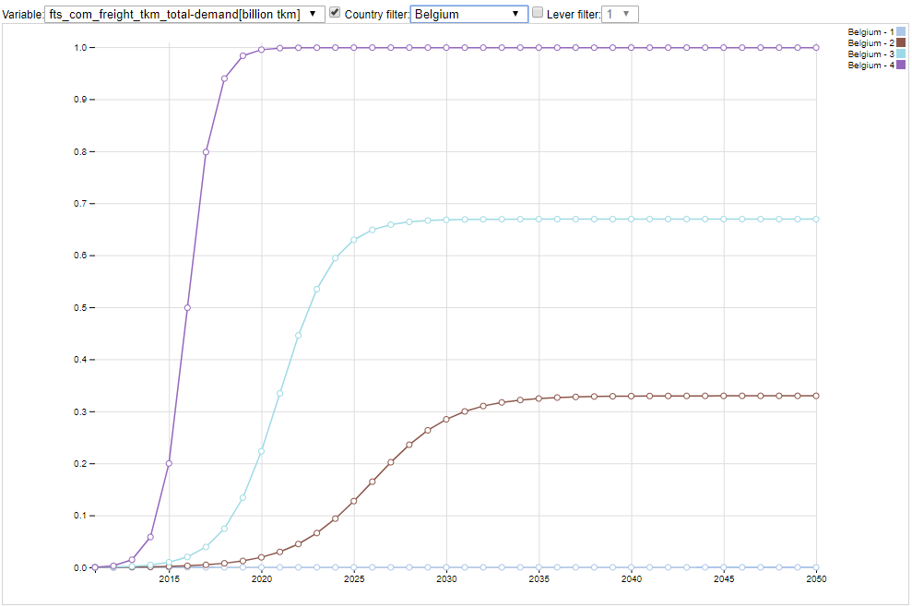

 | Requirement:
 | EUCalc _common repository
 | conf.xlsx file template

 | Keep in mind
 | The projection generator is made to create projection of the data based on the value of the flow variable named baseyear.

 | Columns of the configuration file
Region or country | region to which the ambition levels apply. If the user choose to apply the projection to Europe, it will be apply to all the different MS. If the user choose to apply the projection to a specific MS, this projection will erase the european projection for this projection
 | If country = “All”, projections apply to all countries. This country

module | Trigram of the module we are developing (see list here)
lever | name of the lever (see list here)
technology | technology to which the lever applies
unit | unit of ambition level
relative | 0 if ambition levels are expressed in absolute values, and 1 if ambition levels are expressed in relative values compared to the baseyear value.
convergence | 0% if compression (see below) method is used to disaggregate ambitions for regions, 100% if convergence (see below) method is used. If 0% < x < 100%, then weighted average is applied.
VALUE_BASEYEAR | situation in baseyear.
 | If relative value is 0, the VALUE_BASEYEAR is not used to calculate the
curve-type | shape of curve between 2015 and end-year. The current possibilities are linear or s-curve
T1-T2-T3-T4 | ambition levels targets
S1-S2-S3-S4 | starting year
D1-D2-D3-D4 | duration of change

 | Calculations
 | VALUE_2050 = if(relative == 1, target*VALUE_BASEYEAR,target)
 | Conv_2050 = VALUE_2050
 | Comp_2050 = (EU_2050/VALUE_BASEYEAR)*ACTUAL_VALUE_2015
 | OBJ_2050 = convergence * EU_2050

 | Convergence vs Compression

 | Relatif = 1 veut dire que la target est exprimée relativement à la valeur indiquée dans value_baseyear, c'est à dire en % de variation au cours du temps.

 | Compression:
 | Chaque pays réduit la variable d'un certain % qui correspond à une target fournie soit en % directement (valeur absolue) soit en valeur absolue (qui est comparée à 2015 pour trouver le %)
 | Si relative=0: valeur 2050 pour le pays = valeur 2015 pour le pays * target / valeur EU (valeur_baseyear pour BECalc)
 | Si relative=1: valeur 2050 pour le pays = valeur 2015 pour le pays * target
 | Convergence:
 | Tous les pays convergent vers la même valeur
 | Si relative=0: valeur 2050 pour le pays = target pour l'europe
 | Si relative=1: valeur 2050 pour le pays = target pour l'Europe / valeur EU pour 2015
 | Ensuite on génère des curves sur cette base

 | Types
 | Si on veut viser une valeur spécifique pour un pays:
 | Convergence = 0
 | Relative = 0
 | Country/Region=le pays concerné
 | VALUE_BASEYEAR doit être = valeur 2015 pour le pays (p.ex. Lookup dans le fichier Excel des OTS)
 | Si on veut viser une variation pour tous les pays
 | Convergence = 0
 | Relative = 1
 | Country = All
 | VALUE_BASEYEAR non utilisée
 | Si on veut viser une valeur spécifique pour tous les pays:
 | Convergence = 1
 | Relative = 0
 | Country= All
 | VALUE_BASEYEAR non utilisée
 | Si on veut viser une valeur de réduction par rapport a la baseyear de l'ensemble des pays
 | Convergence = 1
 | Relative = 1
 | Country = All
 | VALUE_BASEYEAR doit = valeur 2015 pour tous les pays (p.ex. Valeur Européenne) (hardcodée car la table OTS ne contient pas les informations sur "all"

