_overview
The totals don't match.
bage und bcat need blending
blending pattern: uniform, neighbor
drill down hampered by incomplete data sets
certain details available by dwellings others by floor area
energy demand seldomly available as a drill down
--> a set of assumptions need to be made
systematically for all countries or specific if available for a single country
energy sh total PJ2 | validation space heating units | energy sh&hw total GWh | energy sh&hw total PJ
167 | 13% | 56,522 | 203
273 | 10% | 87,225 | 314
60 | 28% | 18,841 | 68
71 | 21% | 21,981 | 79
3 | 20% | 1,745 | 6
186 | 13% | 62,337 | 224
126 | 13% | 42,217 | 152
25 | 5% | 8,955 | 32
1248 | 17% | 392,164 | 1412
90 | 32% | 28,610 | 103
149 | 11% | 50,474 | 182
1719 | 8% | 584,873 | 2106
134 | 11% | 47,218 | 170
80 | 2% | 27,331 | 98
1068 | 22% | 331,222 | 1192
35 | 22% | 12,444 | 45
42 | -1% | 13,491 | 49
15 | 0% | 4,885 | 18
0 | 29% | 349 | 1
330 | 2% | 111,066 | 400
622 | 0% | 224,924 | 810
23 | 33% | 12,444 | 45
151 | 15% | 50,125 | 180
55 | 12% | 20,469 | 74
31 | 9% | 11,514 | 41
308 | 30% | 120,719 | 435
184 | 12% | 59,662 | 215
1118 | 3% | 387,395 | 1395

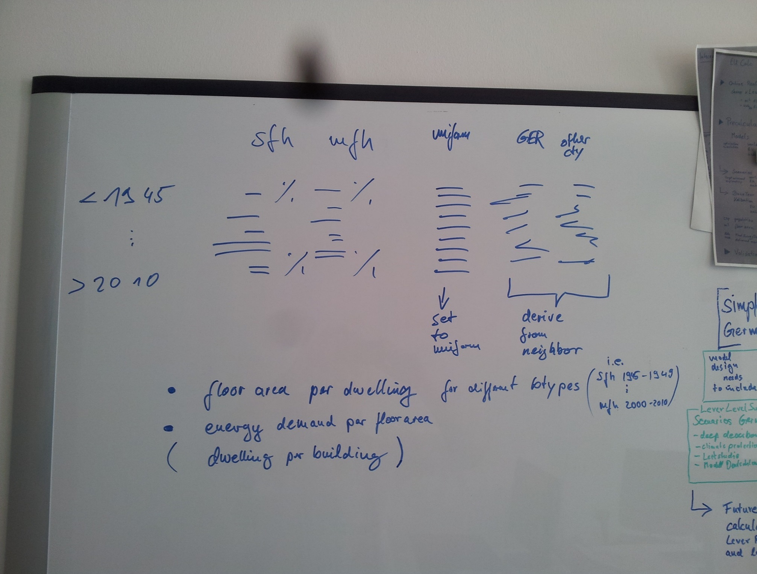
Total floor area of private offices | Total floor area of wholesale and retail trade | Total floor area of hotels and restaurants | Total floor area of health care | Total floor area of offices | Total floor area of educational buildings
34.08 | 32.77 | 28.95 | 7.04 | 46.04 | 40.68
48.67 | 42.52 | 26.78 | 10.82 | 71.98 | 33.26
13.13 | 26.92 | 19.28 | 2.48 | 25.69 | 14.32
1.91 | 3.20 | 15.79 | 3.73 | 8.00 | 5.04
1.64 | 1.76 | 3.05 | 0.19 | 2.19 | 1.11
39.14 | 52.13 | 36.83 | 5.88 | 54.70 | 25.94
7.24 | 28.13 | 6.39 | 4.15 | 44.31 | 21.19
1.27 | 1.94 | 3.29 | 2.36 | 2.77 | 2.14
 | 207.76 | 65.44 | 180.43 | 214.10 | 184.72
 | 21.13 | 21.48 | 2.60 | 16.39 | 11.91
 | 28.79 | 5.01 | 11.91 | 19.31 | 18.27
 | 425.00 | 321.00 | 55.00 | 642.63 | 208.00
 | 37.63 | 12.99 | 5.10 | 64.00 | 26.13
 | 19.72 | 21.85 | 4.81 | 22.90 | 13.01
 | 88.96 | 49.12 | 18.49 | 56.23 | 71.95
 | 5.97 | 2.42 | 1.85 | 6.46 | 7.03
 | 21.92 | 1.95 | 2.42 | 13.18 | 12.44
 | 3.26 | 3.00 | 0.66 | 5.79 | 1.54
 | 0.59 | 0.77 | 0.14 | 0.99 | 0.66
 | 66.13 | 47.03 | 28.37 | 82.46 | 36.39
 | 206.40 | 14.25 | 24.02 | 139.32 | 114.85
 | 28.44 | 14.11 | 7.21 | 27.79 | 21.01
 | 20.83 | 6.05 | 10.75 | 5.38 | 19.49
 | 0.15 | 12.09 | 1.66 | 15.15 | 59.07
 | 3.27 | 2.71 | 0.71 | 4.64 | 2.98
 | 78.97 | 106.07 | 16.55 | 97.22 | 50.43
 | 63.25 | 9.27 | 21.69 | 59.77 | 54.50
...

