_overview
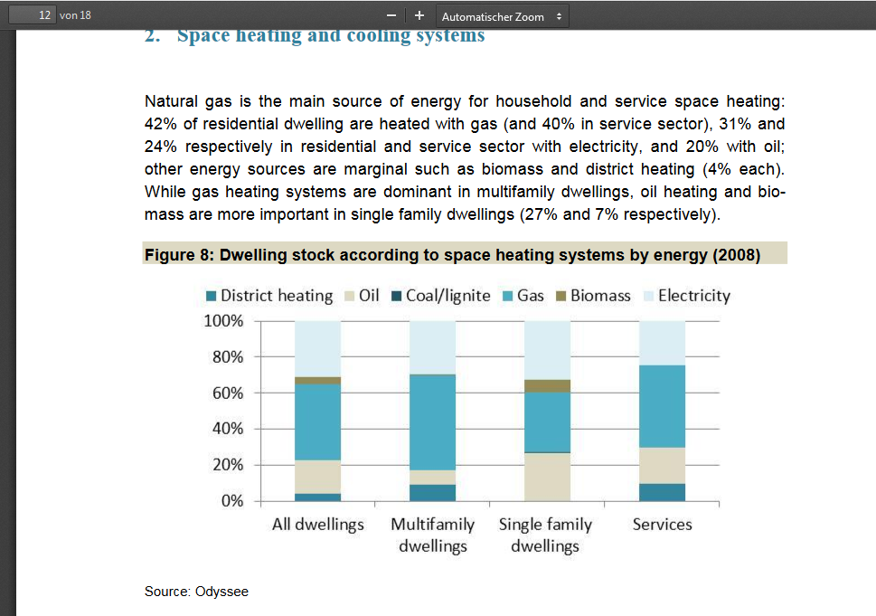
Country | sfh | mfh | trade | education | hotels | health | offices | other | sum
Austria | 80% | 20% | 0% | 0% | 0% | 0% | 0% | 0% | 100% |  | https://www.euroheat.org/wp-content/uploads/2017/07/29882_Brochure_Heating-and-Cooling_web-1.pdf
Belgium | 80% | 20% | 0% | 0% | 0% | 0% | 0% | 0% | 100% | https://www.entranze.eu/files/downloads/D2_1/D2_1_Short_country_summary_report_-final-Finland.pdf
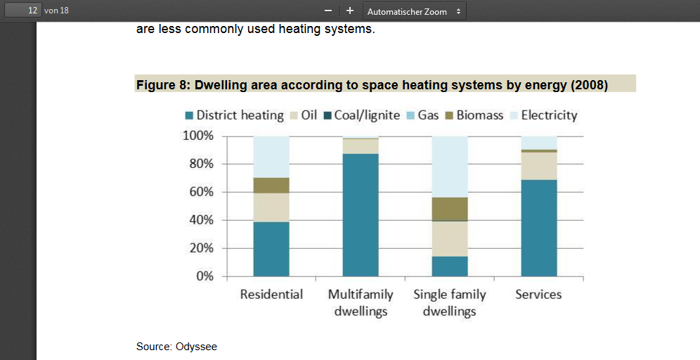
Bulgaria | 80% | 20% | 0% | 0% | 0% | 0% | 0% | 0% | 100%
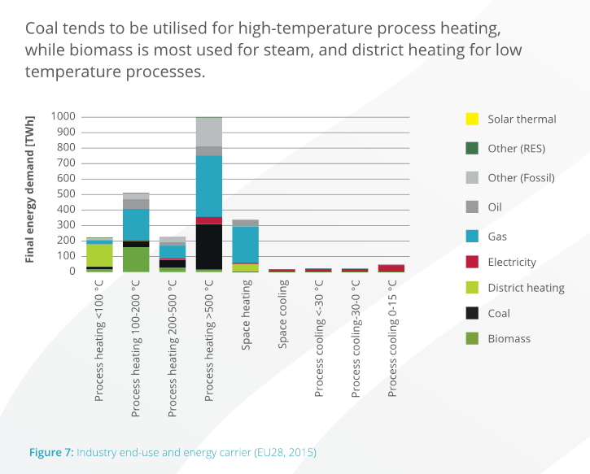
Croatia | 80% | 20% | 0% | 0% | 0% | 0% | 0% | 0% | 100%
Cyprus | 80% | 20% | 0% | 0% | 0% | 0% | 0% | 0% | 100%
Czech Republic | 80% | 20% | 0% | 0% | 0% | 0% | 0% | 0% | 100%
Denmark | 80% | 20% | 0% | 0% | 0% | 0% | 0% | 0% | 100%
Estonia | 80% | 20% | 0% | 0% | 0% | 0% | 0% | 0% | 100%
France | 80% | 20% | 0% | 0% | 0% | 0% | 0% | 0% | 100%
Greece | 80% | 20% | 0% | 0% | 0% | 0% | 0% | 0% | 100%
Finland | 80% | 20% | 0% | 0% | 0% | 0% | 0% | 0% | 100%
Germany | 80% | 20% | 0% | 0% | 0% | 0% | 0% | 0% | 100%
Hungary | 80% | 20% | 0% | 0% | 0% | 0% | 0% | 0% | 100%
Ireland | 80% | 20% | 0% | 0% | 0% | 0% | 0% | 0% | 100%
Italy | 80% | 20% | 0% | 0% | 0% | 0% | 0% | 0% | 100%
Latvia | 80% | 20% | 0% | 0% | 0% | 0% | 0% | 0% | 100%
Lithuania | 80% | 20% | 0% | 0% | 0% | 0% | 0% | 0% | 100%
Luxembourg | 80% | 20% | 0% | 0% | 0% | 0% | 0% | 0% | 100%
Malta | 80% | 20% | 0% | 0% | 0% | 0% | 0% | 0% | 100%
Netherlands | 80% | 20% | 0% | 0% | 0% | 0% | 0% | 0% | 100%
Poland | 80% | 20% | 0% | 0% | 0% | 0% | 0% | 0% | 100%
Portugal | 80% | 20% | 0% | 0% | 0% | 0% | 0% | 0% | 100%
Romania | 80% | 20% | 0% | 0% | 0% | 0% | 0% | 0% | 100%
Slovakia | 80% | 20% | 0% | 0% | 0% | 0% | 0% | 0% | 100%
Slovenia | 80% | 20% | 0% | 0% | 0% | 0% | 0% | 0% | 100%
Spain | 80% | 20% | 0% | 0% | 0% | 0% | 0% | 0% | 100%
Sweden | 80% | 20% | 0% | 0% | 0% | 0% | 0% | 0% | 100%
United Kingdom | 80% | 20% | 0% | 0% | 0% | 0% | 0% | 0% | 100%
Switzerland | 80% | 20% | 0% | 0% | 0% | 0% | 0% | 0% | 100% | https://www.entranze.eu/files/downloads/D2_1/D2_1_Short_country_summary_report_-final-Austria.pdf

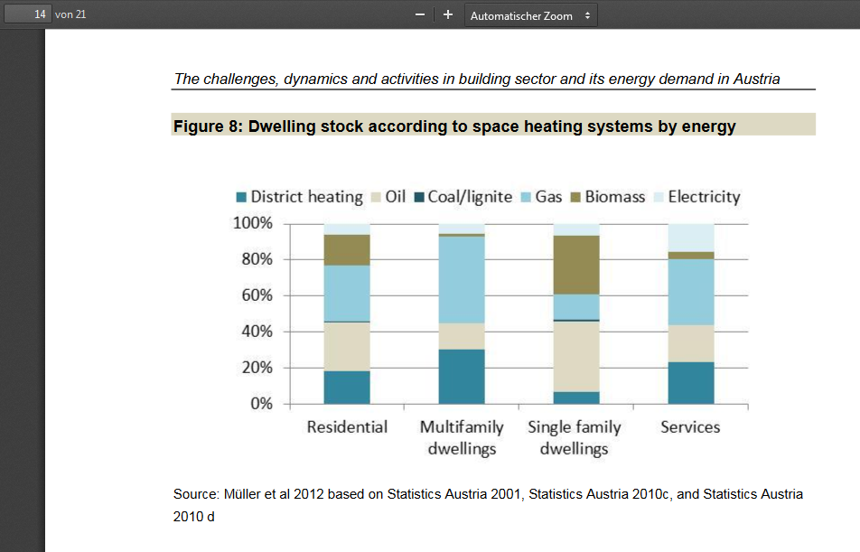

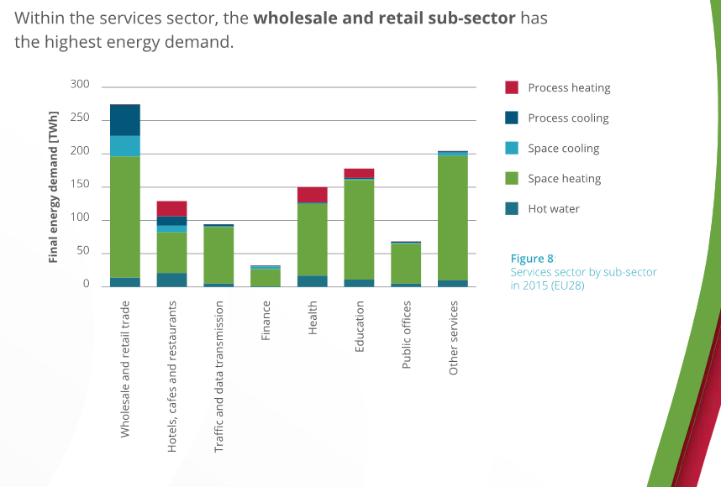

 |  |  |  |  |  |  |  |  |  | https://www.entranze.eu/files/downloads/D2_1/D2_1_Short_country_summary_report_-final-Bulgaria.pdf

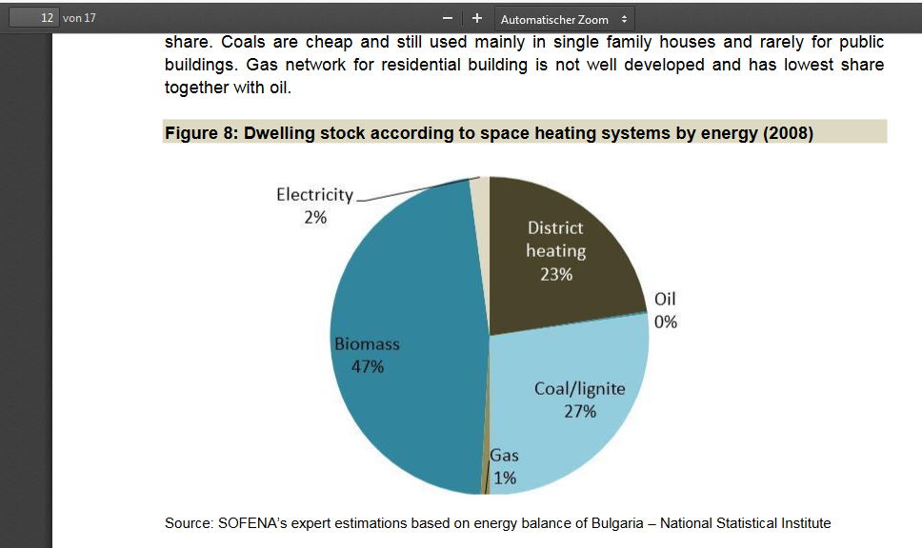
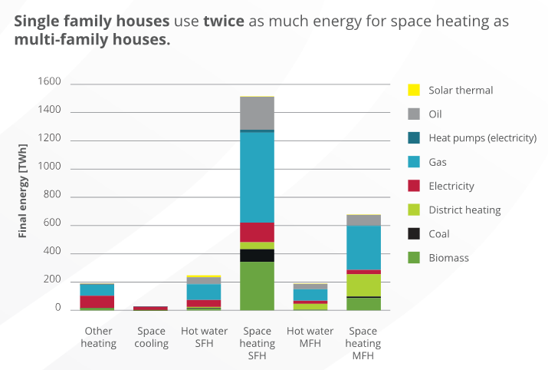

 |  |  |  |  |  |  |  |  |  | https://www.entranze.eu/files/downloads/D2_1/D2_1_Short_country_summary_report_-final-Czech_Rep.pdf
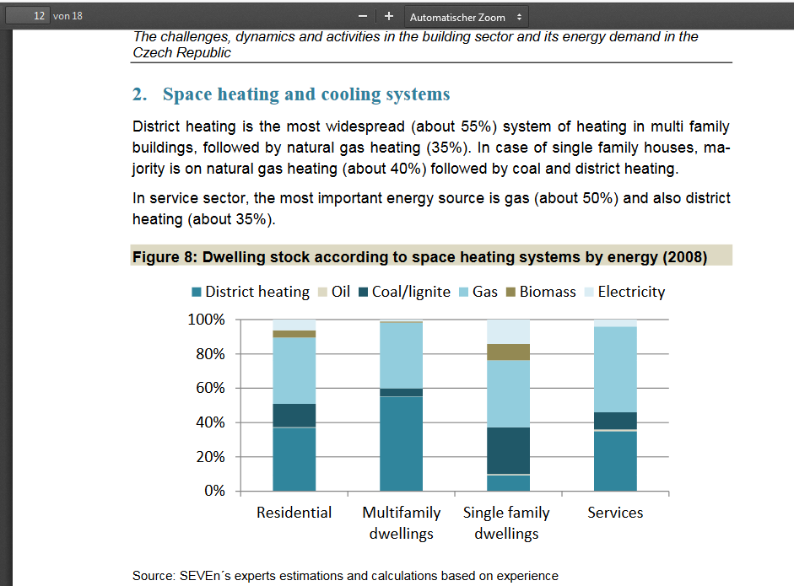

 |  |  |  |  |  |  |  |  |  | https://www.entranze.eu/files/downloads/D2_1/D2_1_Short_country_summary_report_-final-Spain.pdf
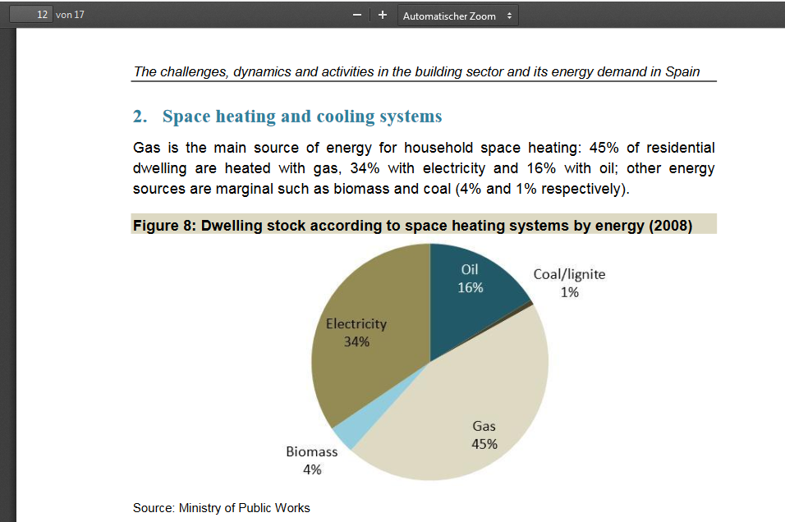

 |  |  |  |  |  |  |  |  |  | https://www.entranze.eu/files/downloads/D2_1/D2_1_Short_country_summary_report_-_Serbia_v_2_1.pdf

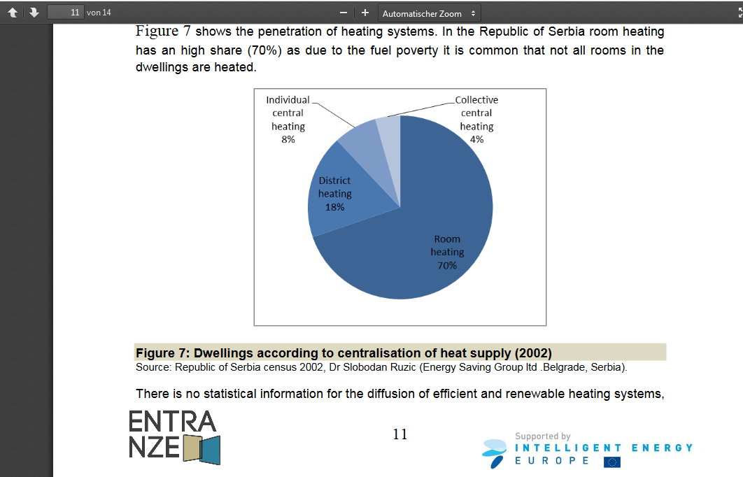

 |  |  |  |  |  |  |  |  |  | https://www.entranze.eu/files/downloads/D2_1/D2_1_Short_country_summary_report_-final-Romania_july.pdf
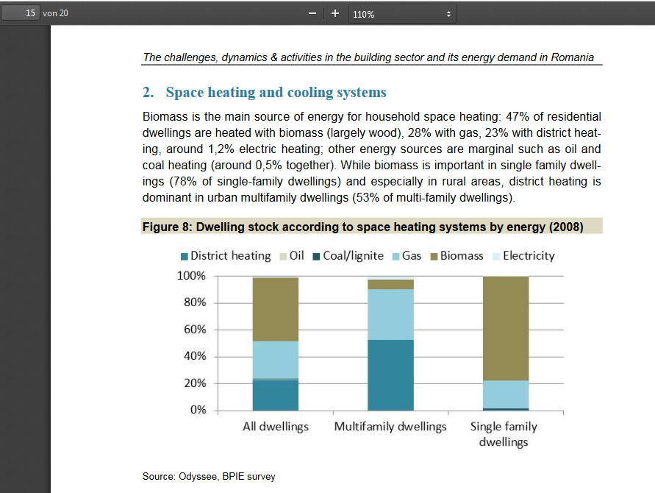

 |  |  |  |  |  |  |  |  |  | https://www.entranze.eu/files/downloads/D2_1/D2_1_Short_country_summary_report_-final-Italy.pdf
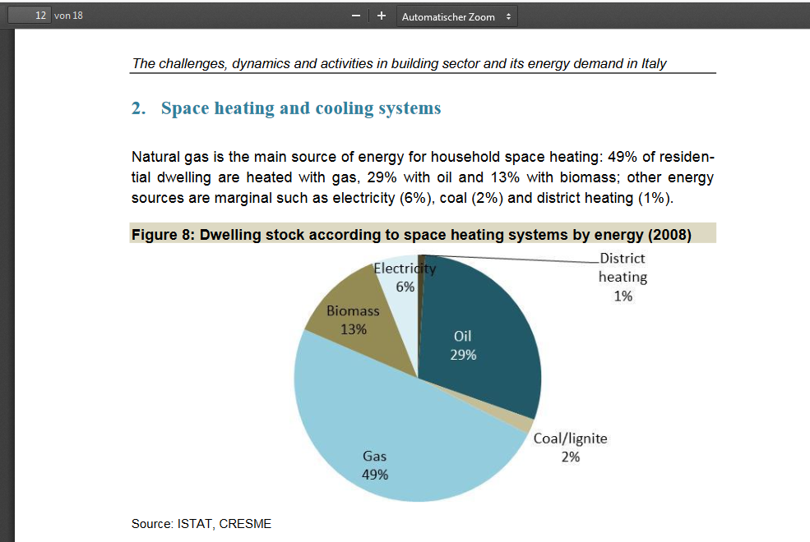

 |  |  |  |  |  |  |  |  |  | https://www.entranze.eu/files/downloads/D2_1/D2_1_Short_country_summary_report_-final-Germany.pdf

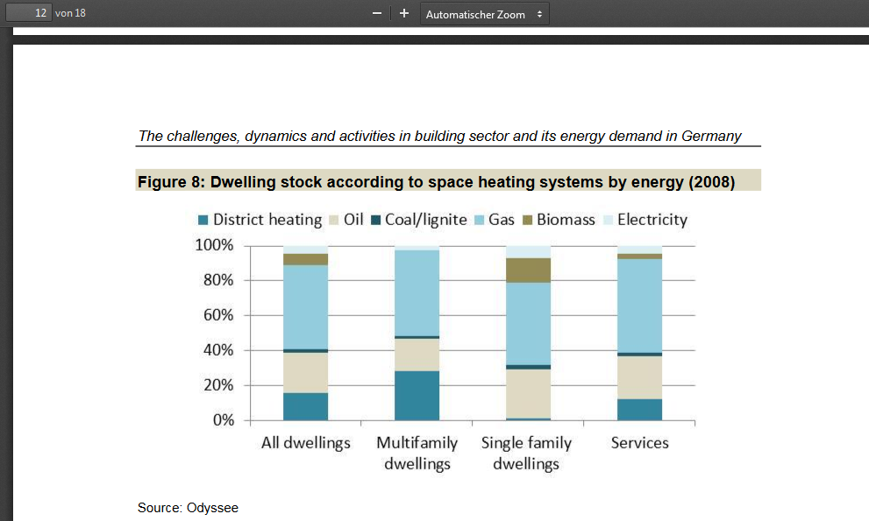

 |  |  |  |  |  |  |  |  |  | https://www.entranze.eu/files/downloads/D2_1/D2_1_Short_country_summary_report_-final-France.pdf

