FindTADsAndLoops.pl
findTADsAndLoops.pl find mESC-All-HiC
genome size = 2654894988 |  | Total Hi-C interactions: 952339146
 |  |  | Chromosome | Average interaction count in regions | Uncertainty | w/o outliers | Average coverage | Coverage ratio | Interaction matrix (relative mode) | Colour | TADs | TADs (w/o overlap) | Loops
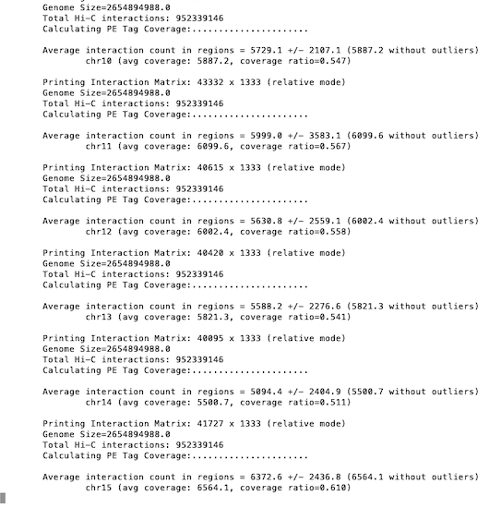
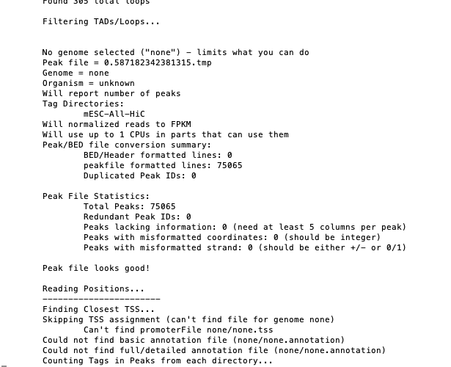
Chromosome 10 |  |  | 10 | 5729.1 | 21087.1 | 5887.2 | 5887.2 | 0.547 | 43332 x 1333 |  | 554 | 313 | 796
 | average interactions count in regions = 5729.1 +/- 2107.1 (5887.2 without outliers) |  | 11 | 5999 | 3582.1 | 6099.6 | 6099.6 | 0.567 | 40615 x 1333 |  | 557 | 337 | 954
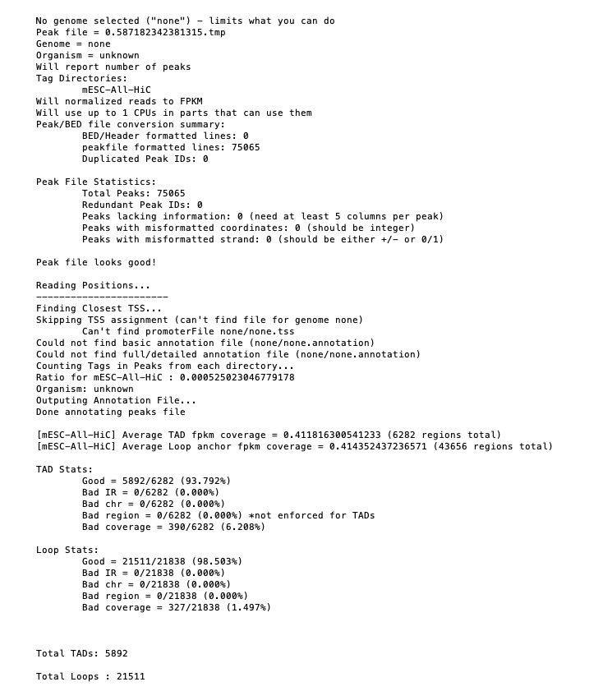
 | average coverage: 5887.2, coverage ratio = 0.547 |  | 12 | 5630.8 | 2559.1 | 6002.4 | 6002.4 | 0.558 | 40420 x 1333 |  | 438 | 224 | 850
 | interaction matrix: 43332 x 1333 (relative mode) |  | 13 | 5588.2 | 2276.6 | 5821.3 | 5821.3 | 0.541 | 40095 x 1333 |  | 512 | 250 | 905
Chromosome 11 |  |  | 14 | 5094.4 | 2404.9 | 5500.7 | 5500.7 | 0.511 | 41727 x 1333 |  | 443 | 249 | 788
 | average interactions count in regions = 5999.0 +/- 3582.1 (6099.6 without outliers) |  | 15 | 6372.6 | 2436.8 | 6564.1 | 6564.1 | 0.61 | 34499 x 1333 |  | 427 | 253 | 661
 | average coverage: 6099.6 coverage ratio = 0.567 |  | 16 | 5688.1 | 2171.5 | 5893 | 5893 | 0.548 | 32774 x 1333 |  | 379 | 225 | 548
 | interaction matrix: 40615 x 1333 (relative mode) |  | 17 | 5168.9 | 2190.1 | 5214.9 | 5412.9 | 0.503 | 31758 x 1333 |  | 410 | 223 | 759
Chromosome 12 |  |  | 18 | 5717.4 | 2155.2 | 5929.5 | 5929.5 | 0.551 | 30258 x 1333 |  | 371 | 219 | 581
 | average interactions count in regions = 5630.8 +/- 2559.1 (6002.4 without outliers) |  | 19 | 5647.2 | 2295.4 | 5968.5 | 5968.5 | 0.555 | 20448 x 1333 |  | 255 | 152 | 476
 | average coverage: 6002.4 coverage ratio = 0.558 |  | 1 | 5538.9 | 2148 | 5700.5 | 5700.5 | 0.53 | 65732 x 1333 |  | 797 | 499 | 1171
 | interaction matrix: 40420 x 1333 (relative mode) |  | 2 | 5738.4 | 3879.2 | 5887.1 | 5887.1 | 0.547 | 60583 x 1333 |  | 779 | 439 | 1258
Chromosome 13 |  |  | 3 | 5589.1 | 2104.1 | 5713.1 | 5713.1 | 0.531 | 53200 x 1333 |  | 626 | 395 | 874
 | average interactions count in regions = 5588.2 +/- 2276.6 (5821.3 without outliers) |  | 4 | 5240.3 | 2378.5 | 5496 | 5496 | 0.511 | 51877 x 1333 |  | 692 | 372 | 1227
 | average coverage: 5821.3, coverage ratio = 0.541 |  | 5 | 5207.6 | 2150.7 | 5475.9 | 5475.9 | 0.509 | 50846 x 1333 |  | 621 | 370 | 1201
 | interaction matrix: 40095 x 1333 (relative mode) |  | 6 | 5970.4 | 2297.6 | 6126.4 | 6126.4 | 0.569 | 49840 x 1333 |  | 636 | 380 | 863
Chromosome 14 |  |  | 7 | 4578.6 | 2516.9 | 5205.2 | 5205.4 | 0.484 | 50842 x 1333 |  | 609 | 323 | 1519
 | average interactions count in regions = 5094.4 +/- 2404.9 (5500.7 without outliers) |  | 8 | 5519 | 2403.9 | 5842.1 | 5842.1 | 0.543 | 43913 x 1333 |  | 509 | 303 | 881
 | average coverage: 5500.7, coverage ratio = 0.511 |  | 9 | 5741.7 | 2525.5 | 5871.3 | 5871.3 | 0.546 | 41359 x 1333 |  | 501 | 306 | 830
 | interaction matrix: 41727 x 1333 (relative mode) |  | M | 986559 | 224524.1 | 986559 | 986559 | 91.676 | 6 x 1333 |  | 0 | 0 | 0
 |  |  | X | 2383.2 | 1426.4 | 2594.7 | 2594.7 | 0.241 | 55551 x 1333 |  | 776 | 442 | 4391
 |  |  | Y | 970.4 | 9152.3 | 2664.8 | 2664.8 | 0.248 | 5301 x 1333 |  | 19 | 8 | 305

 |  |  | Total | - | - | - | - | - | - | - | 10911 | 6282 | 21838
 |  |  | Total | - | - | - | - | - | - | - | - | 5892 | 21511
 |  |  | Average | 49803.28636 | 13666.63636 | 50091.69545 | 50100.70455 | 4.655727273 | 40226.18182 | - | 495.9545455 | 285.5454545 | 992.6363636
 |  |  | Average (w/o M,X,Y) | 5566.3 | 3450.694737 | 5799.936842 | 5810.368421 | 0.5400526316 | 43374.63158 | - | 532.4210526 | 306.9473684 | 902.2105263
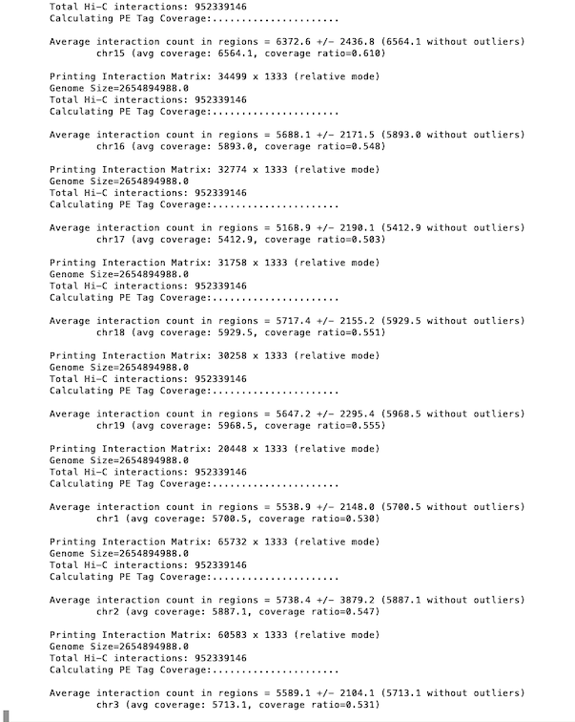
 |  |  | Median | 5630.8 | 2378.5 | 5871.3 | 5871.3 | 0.546 | 41727 |  | 512 | 306 | 863

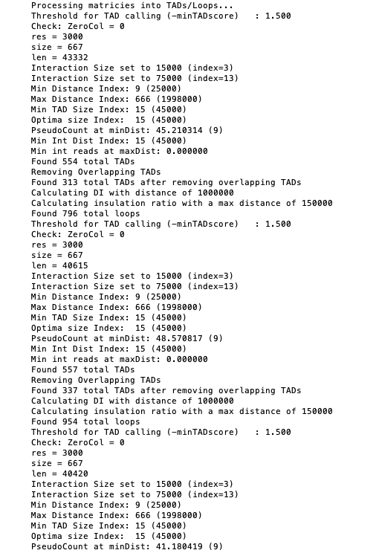

 |  |  |  |  |  |  |  |  | Chr10

 |  |  |  |  |  |  |  |  | TADs
 |  |  |  |  |  |  |  |  | 554
 |  |  |  |  |  |  |  |  | 313
 |  |  |  |  |  |  |  |  | Loops
 |  |  |  |  |  |  |  |  | 796

 |  |  |  |  |  |  |  |  | Chr11

 |  |  |  |  |  |  |  |  |  |  |  |  |  | Total TADs | 5892
 |  |  |  |  |  |  |  |  |  |  |  |  |  | Total Loops | 21511

 |  |  |  |  |  |  |  |  | TADs
 |  |  |  |  |  |  |  |  | 557
 |  |  |  |  |  |  |  |  | 337
 |  |  |  |  |  |  |  |  | Loops
 |  |  |  |  |  |  |  |  | 954
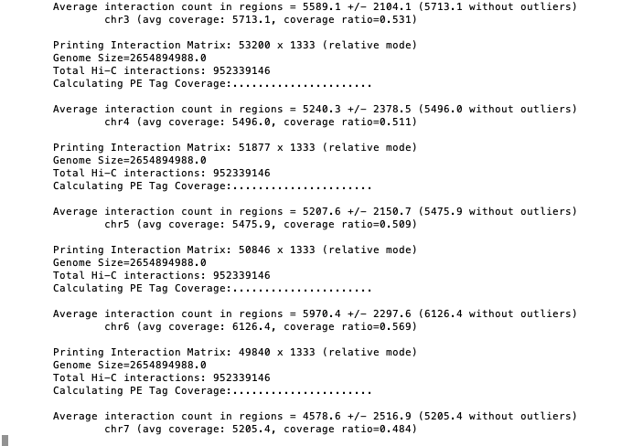

 |  |  |  |  |  |  |  |  | Chr12

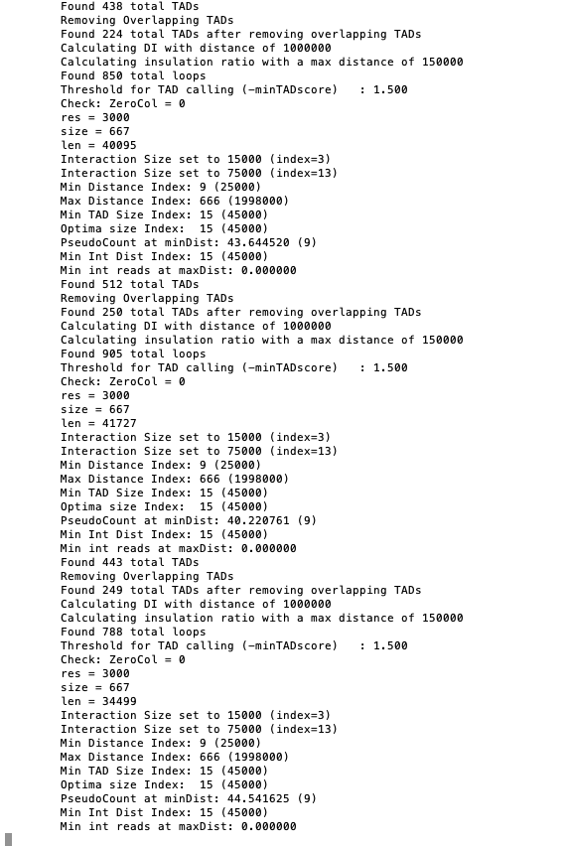
 |  |  |  |  |  |  |  |  | TADs
 |  |  |  |  |  |  |  |  | 438
 |  |  |  |  |  |  |  |  | 224
 |  |  |  |  |  |  |  |  | Loops
 |  |  |  |  |  |  |  |  | 850

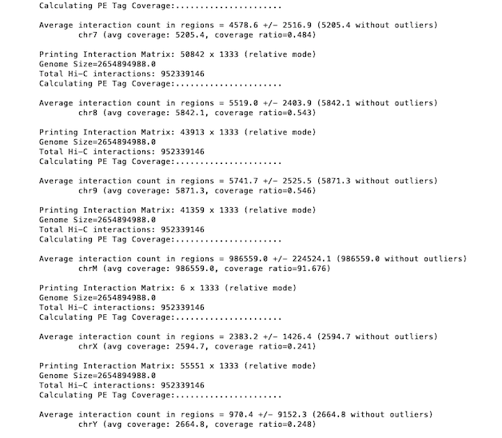

 |  |  |  |  |  |  |  |  | Chr13

 |  |  |  |  |  |  |  |  | TADs
 |  |  |  |  |  |  |  |  | 512
 |  |  |  |  |  |  |  |  | 250
 |  |  |  |  |  |  |  |  | Loops
 |  |  |  |  |  |  |  |  | 905

 |  |  |  |  |  |  |  |  | Chr14

 |  |  |  |  |  |  |  |  | TADs
 |  |  |  |  |  |  |  |  | 443
 |  |  |  |  |  |  |  |  | 249
 |  |  |  |  |  |  |  |  | Loops
 |  |  |  |  |  |  |  |  | 788

 |  |  |  |  |  |  |  |  | Chr15

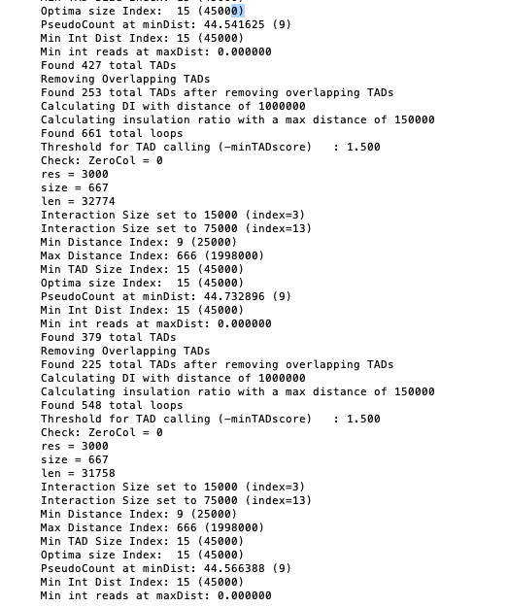

 |  |  |  |  |  |  |  |  | TADs
 |  |  |  |  |  |  |  |  | 427
 |  |  |  |  |  |  |  |  | 253
 |  |  |  |  |  |  |  |  | Loops
 |  |  |  |  |  |  |  |  | 661

 |  |  |  |  |  |  |  |  | Chr16

 |  |  |  |  |  |  |  |  | TADs
 |  |  |  |  |  |  |  |  | 379
 |  |  |  |  |  |  |  |  | 225
 |  |  |  |  |  |  |  |  | Loops
 |  |  |  |  |  |  |  |  | 548

 |  |  |  |  |  |  |  |  | Chr17

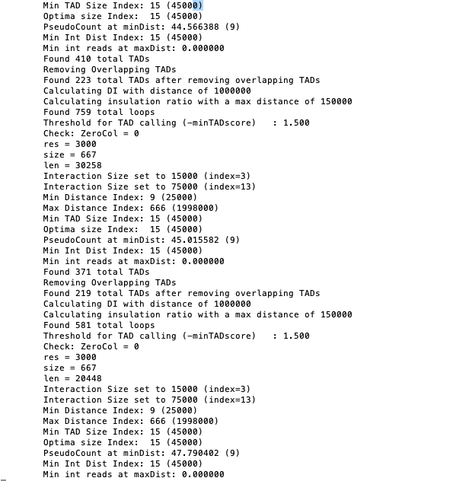

 |  |  |  |  |  |  |  |  | TADs
 |  |  |  |  |  |  |  |  | 410
 |  |  |  |  |  |  |  |  | 223
 |  |  |  |  |  |  |  |  | Loops
 |  |  |  |  |  |  |  |  | 759

 |  |  |  |  |  |  |  |  | Chr18

 |  |  |  |  |  |  |  |  | TADs
 |  |  |  |  |  |  |  |  | 371
 |  |  |  |  |  |  |  |  | 219
 |  |  |  |  |  |  |  |  | Loops
 |  |  |  |  |  |  |  |  | 581

 |  |  |  |  |  |  |  |  | Chr19

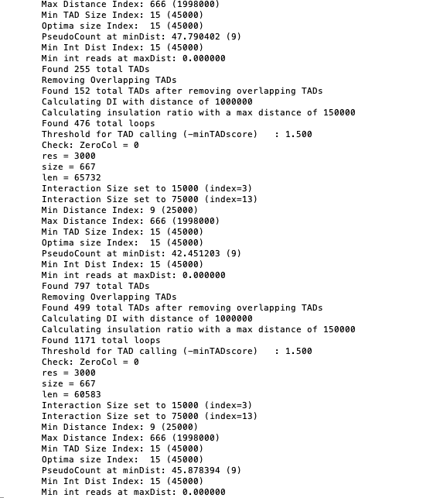

 |  |  |  |  |  |  |  |  | TADs
 |  |  |  |  |  |  |  |  | 255
 |  |  |  |  |  |  |  |  | 152
 |  |  |  |  |  |  |  |  | Loops
 |  |  |  |  |  |  |  |  | 476

 |  |  |  |  |  |  |  |  | Chr1

 |  |  |  |  |  |  |  |  | TADs
 |  |  |  |  |  |  |  |  | 797
 |  |  |  |  |  |  |  |  | 499
 |  |  |  |  |  |  |  |  | Loops
 |  |  |  |  |  |  |  |  | 1171

 |  |  |  |  |  |  |  |  | Chr2

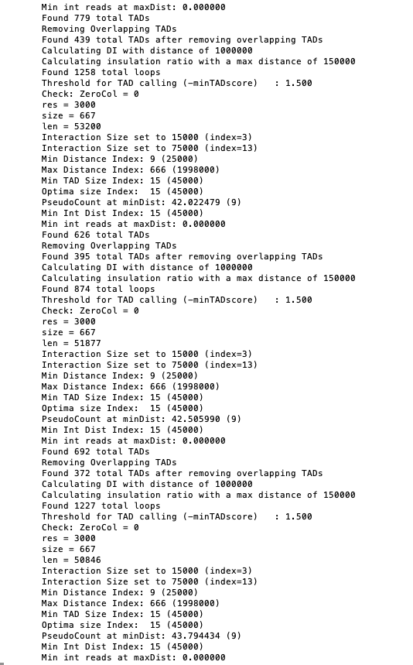

 |  |  |  |  |  |  |  |  | TADs
 |  |  |  |  |  |  |  |  | 779
 |  |  |  |  |  |  |  |  | 439
 |  |  |  |  |  |  |  |  | Loops
 |  |  |  |  |  |  |  |  | 1258

 |  |  |  |  |  |  |  |  | Chr3

 |  |  |  |  |  |  |  |  | TADs
 |  |  |  |  |  |  |  |  | 626
 |  |  |  |  |  |  |  |  | 395
 |  |  |  |  |  |  |  |  | Loops
 |  |  |  |  |  |  |  |  | 874

 |  |  |  |  |  |  |  |  | Chr4

 |  |  |  |  |  |  |  |  | TADs
 |  |  |  |  |  |  |  |  | 692
 |  |  |  |  |  |  |  |  | 372
 |  |  |  |  |  |  |  |  | Loops
 |  |  |  |  |  |  |  |  | 1227

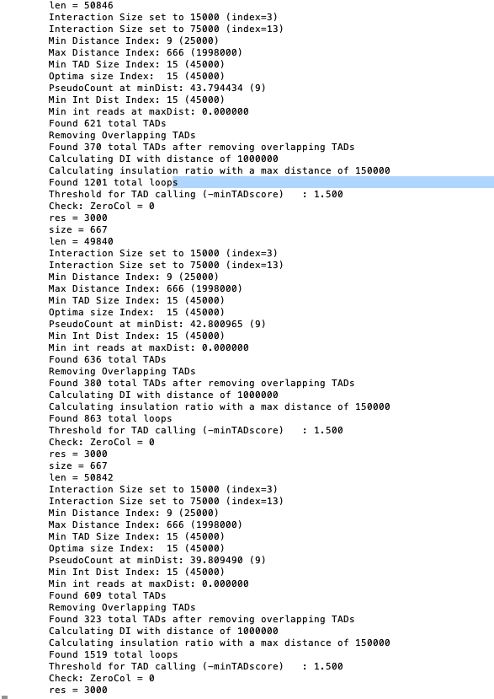
 |  |  |  |  |  |  |  |  | Chr5

 |  |  |  |  |  |  |  |  | TADs
 |  |  |  |  |  |  |  |  | 621
 |  |  |  |  |  |  |  |  | 370
 |  |  |  |  |  |  |  |  | Loops
 |  |  |  |  |  |  |  |  | 1201

 |  |  |  |  |  |  |  |  | Chr6

 |  |  |  |  |  |  |  |  | TADs
 |  |  |  |  |  |  |  |  | 636
 |  |  |  |  |  |  |  |  | 380
 |  |  |  |  |  |  |  |  | Loops
 |  |  |  |  |  |  |  |  | 863

 |  |  |  |  |  |  |  |  | Chr7

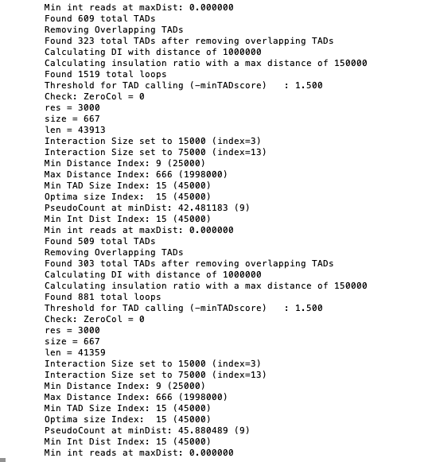

 |  |  |  |  |  |  |  |  | TADs
 |  |  |  |  |  |  |  |  | 609
 |  |  |  |  |  |  |  |  | 323
 |  |  |  |  |  |  |  |  | Loops
 |  |  |  |  |  |  |  |  | 1519

 |  |  |  |  |  |  |  |  | Chr8

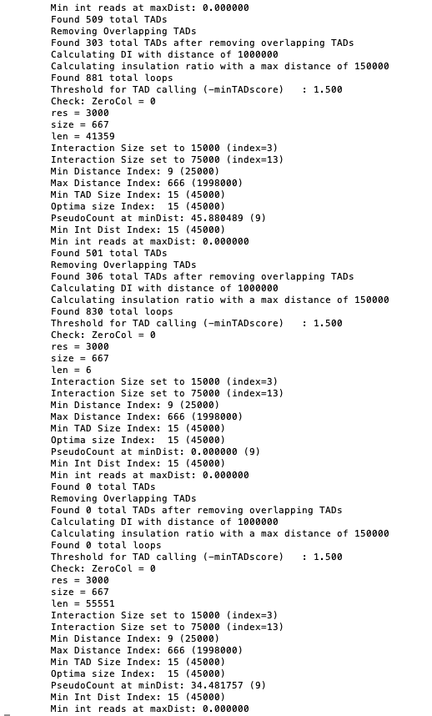
 |  |  |  |  |  |  |  |  | TADs
 |  |  |  |  |  |  |  |  | 509
 |  |  |  |  |  |  |  |  | 303
 |  |  |  |  |  |  |  |  | Loops
 |  |  |  |  |  |  |  |  | 881

 |  |  |  |  |  |  |  |  | Chr9

 |  |  |  |  |  |  |  |  | TADs
 |  |  |  |  |  |  |  |  | 501
 |  |  |  |  |  |  |  |  | 306
 |  |  |  |  |  |  |  |  | Loops
 |  |  |  |  |  |  |  |  | 830

 |  |  |  |  |  |  |  |  | ChrM

 |  |  |  |  |  |  |  |  | TADs
 |  |  |  |  |  |  |  |  | 0
 |  |  |  |  |  |  |  |  | 0
 |  |  |  |  |  |  |  |  | Loops
 |  |  |  |  |  |  |  |  | 0

 |  |  |  |  |  |  |  |  | ChrX

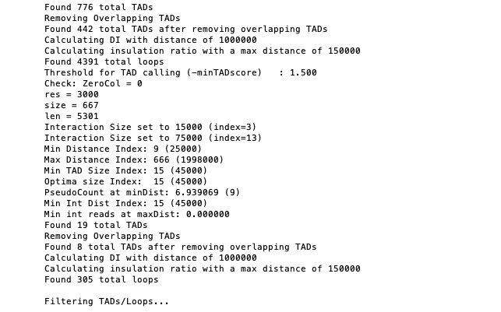
 |  |  |  |  |  |  |  |  | TADs
 |  |  |  |  |  |  |  |  | 776
 |  |  |  |  |  |  |  |  | 442
 |  |  |  |  |  |  |  |  | Loops
 |  |  |  |  |  |  |  |  | 4391

 |  |  |  |  |  |  |  |  | ChrY

 |  |  |  |  |  |  |  |  | TADs
 |  |  |  |  |  |  |  |  | 19
 |  |  |  |  |  |  |  |  | 8
 |  |  |  |  |  |  |  |  | Loops
 |  |  |  |  |  |  |  |  | 305

