Sheet1
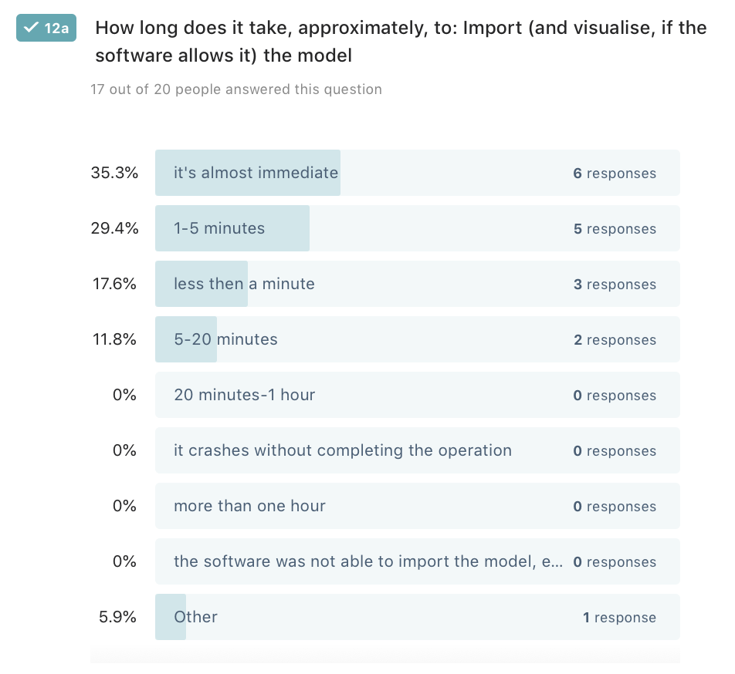
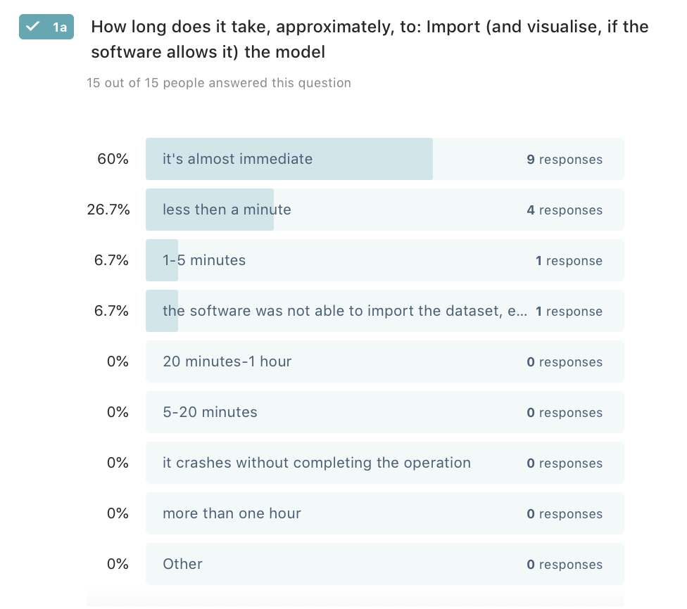
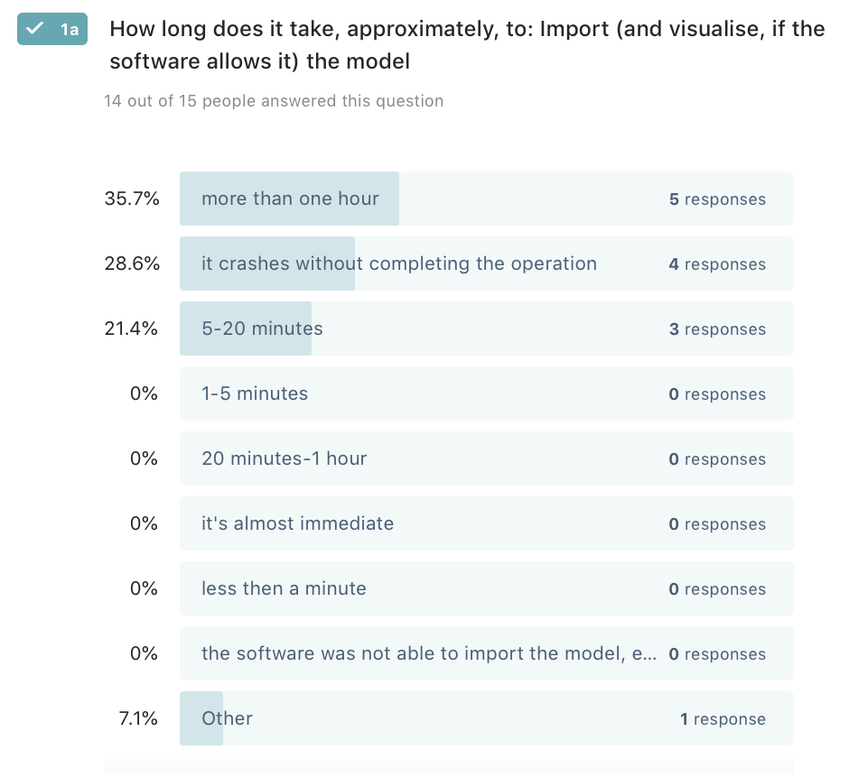
 | Software |  | yes/no table |  |  |  |  |  |  |  |  |  | * | * |  |  | * |  |  | * |  |  |  |  |  |  | * | * |  |  |  |  | * | * | *
 |  |  |  |  |  |  |  |  |  |  |  |  |  | semantics |  |  |  |  |  | edit |  |  | query |  |  |  | analysis |  |  |  |  |  |  |  |  |  |  |  |  |  |  |  |  |  |  |  |  | ADE
 | GIS |  |  | gml | json | db (PostGIS/Oracle) | works with rotterdam | Multi LoDs consistent | textures | thematic visualization | georeferencing consistent | elevation | need to set crs manually | hierarchy consistent | attributes | relationships | geometry | view 3D | view 2D | edit attributes | edit geometry | edit georeferencing | query objects | select by attribute | spatial query | compute attribute | visibility | buffers | overlay | measurements | shadows | xml schema validation | sun analysis | more analysis | height profiles | can export | Lod3 | doesn't crush with amsterdam | import | export | view | query | edit | analyse | textures |  | ade | view | queried | analysis
FOSS | QGIS - json | 3.4 |  | 0.5 | 1 | 1 | 1 | 0 | 0 | 1? | 1 | 1 | 0.5 | 0,5? | 0,5? | 0?* | 0.5 | 1 | 1 | 1? | 1? | 1? | 1 | 1 | 1? | 1? |  | 1 | 0 | 1 | 1 | 0 | 1? | 1 | 1 | 0.5 | 1 | 1 | 0.5 |  | 1 | 1 | 0 | 1 |  |  | 0 | 0 | 0 | 0
 | QGIS - plain gml | 3.6.3 |  | 0.5 | 1 | 1 | 1 | 0 | 0 | 1? | 1 | 1 | 0.5 | 0,5? | 0,5? | 0? | 0.5 | 1 | 1 | 1? | 1? | 1? | 1 | 1 | 1? | 1? |  | 1 | 0 | 1 | 1 | 0 | 1? | 1 | 1 | 0.5 | 0 | 1 | 0.5 |  | 1 | 1 | 0 | 1 |  |  | 0 | 0 | 0 | 0

 | ArcGIS | 10.2 |  | 0.5 | 1? | 1 | 1 | 0 | 0 | 1? | 1 | 1 | 0.5 | 0,5? | 0,5? | 0.5 | 0.5 | 1 | 1 | 1? | 1? | 1? | 1 | 1 | 1? | 1? | 0? | 0? | 1? | 1? | 1? | 0 | 0? | 0? | 0? | 1 | 0.5 | 0 | 1 | 1 | 1 | 1 | 0.5 | 0.5 |  |  | 1 | 1 | 1 | ?
 | ArcGIS Pro | Pro 2.4 |  | 0.5 | 1? | 1 | 1 | 0 | 1 | 1? | 1 | 1 | 0.5 | 1 | 0,5? | 1? | 0.5 | 1 | 1 | 1? | 1? | 1? | 1 | 1 | 1? | 1? | 0? | 0? | 1? | 1? | 1? | 0 | 0? | 0? | 0? | 1 | 0.5 | 0 | 1 | 1 | 1 | 1 | 1 | 1 |  |  | 1 | 1 | 1 | ?

 | 3D viewers
FOSS | tridicon CityDiscoverer Light |  |  | 1 | ? | ? | 0 | 0 | / |  |  |  |  | / | / |  | 1 | 1 | 0 | 0 | 0 |  | 0 |  |  |  |  |  |  |  |  |  |  |  |  |  | 1 | 0 | 1 | 1 | 1 | 1 | 0 | 0 |  |  | 0 | 0 | 0 | 0
 | FZKViewer | 5.1 |  | 1 | ? | 0 | 1 | 1 | 0 | 0.5 | 1 | 1 | 1 | 1 | 1 | 1 | 1 | 1 | 0 | 0 | 0 | 0 | 1 | 0.5 | 0.5 | 0.5 | 0 | 0 | 0 | 1 | 0 | 1 | 0 | 0 | 0 | 0 | 1 | 1 | 1 | 1 | 1 | 1 | 0 | 0.5 |  |  | 1 | 1 | 1 | 0
proprietary | FMEDataInspector-FME Desktop 2018.1 |  |  | 1 | 1* | 0? | 1 | 0 | 1 | ? | 1 | 1 | 1 | 0,5? | 1 | 1 | 1 | 1 | 1 | 0 | 0 | 0 | 1 | 0.5 | 0.5 | 0.5 | 0 | 0 | 0 | 1? | 0 | 0 | 0 | 0 | 0 | 0 | 1 | 1 | 1 | 1 | 1 | 1 | 0 | 0 |  |  | 1 | 1 | 0 | 0
 | azul |  |  | 1 | 1 | 0 | 1 | 0 | ? | 0 | 1 | 1 | 1 | 1 | 1 | ? | 1 | 1 | 0 | 0 | 0 | 0 | 1 | ? | ? | ? | 0 | 0 | 0 | 1? | 0 | 0 | 0 | 0 | 0 | 0 | 1 | 1 | 1 | 1 | 1 | 1 | 0 | 0
 | ETL and conversion software
FOSS | a) 3DCityDB |  |  | 1 | 0 | 1 | 1 | 1 | / | / | 1 | 1 | 0 | 1 | 1 | 1 | 1 | 1 | 1 | 0 | 0 | 0 | 0 | 0 | 0 | 0 | 0 | 0 | 0 | 0 | 0 | 0 | 0 | 0 | 0 | 1 | 1 | 1 | 1 | 1 | 0.5 |  |  |  |  |  | 1 | / | / | /
 | FME 2019.2 |  |  | 1 | 1* | 1 | 1 | 0.5 | 1 |  | 1 | 1 | 1 | 1 | 1 | 1 | 1 | 1 | 1 | 1 | 1 | 1 | 1 | 1 | 1 | 1 | 1 | 1 | 1 | 1 | 1 | 1 | 1 | 1 | 0? | 1 | 1 | 1 | 1 | 1 | 1 | 1 | 1 | 1 |  |  | 1 | 1 | 1 | 1

 | Complex tools, combination of previous ones
proprietary | eveBIM |  |  | 1 | / | / |  | 1 | 1 | ? | 1 | 1 | 0.5 | 1 | 1 | 0 | 1 | 1 | 0 | 1 | 0 | 0 | 1 | 1 | 1 | 1 | 0? | 0? | 0? | 0? | 0? | 0? | 0? | 0? | 0? | 1 | 1 | 0 | 1 | 1 | 1 | 1 | 1 | 0 |  |  | 1 | 1 | 0 | 0
 | novaFACTORY + WEGA-3D |  |  | 1 | / | / |  | 1 | 0 | 1 | 1 | 1 | 0 | 1 | 1 | 1 | 1 | 1 | 0 | 1 | 0.5 | 0 | 1 | 1 | 1 | ? | 1 | 0? | 0? | 0? | 1 | 0? | 1 | 0? | 1 | 1 | 1 | 1 | 1 | 1 | 1 | 1 | 0.5 | 0.5 |  |  | 1 | 1 | 1 | 0
 | 1Spatial Elyx 3D* |  |  | 1 | / | / |  | 1 | 1 | 1 | 1 | 1 | 1 | 1 | 1 | 1 | 1 | 1 | 1 | 0.5 | 0 | 0 | 1 | 1 | 1 | 1 | 1 | 1 | 0? | 1 | 0 | 0 | 0 | 0 | 0 | 1 | 1 | 0 | 1 | 1 | 1 | 1 |  | 1 |  |  | 0 | 0 | 0 | 0

 | TOTAL |  |  |  |  |  |  | 9.5

 |  |  |  |  |  |  |  |  |  |  |  |  |  |  |  |  |  |  |  |  | Rotterdam dataset |  |  |  |  |  |  |  |  |  |  |  |  | Buildings LoD 3 |  |  |  |  |  |  |  |  |  |  |  | amsterdam

