Sheet1 (2)
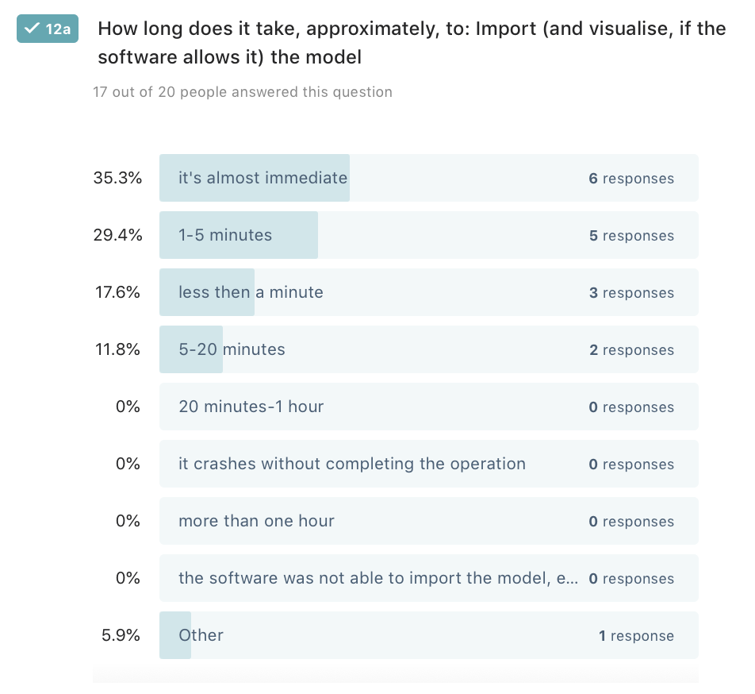
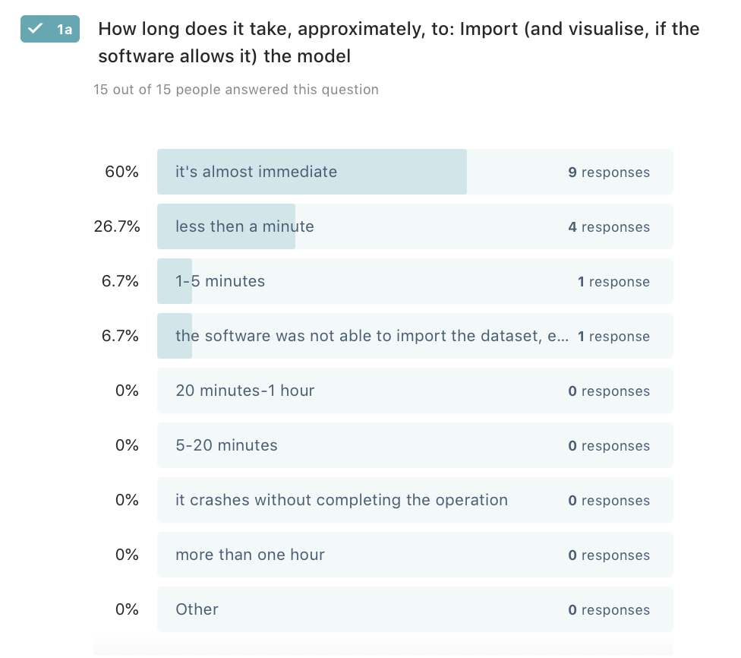
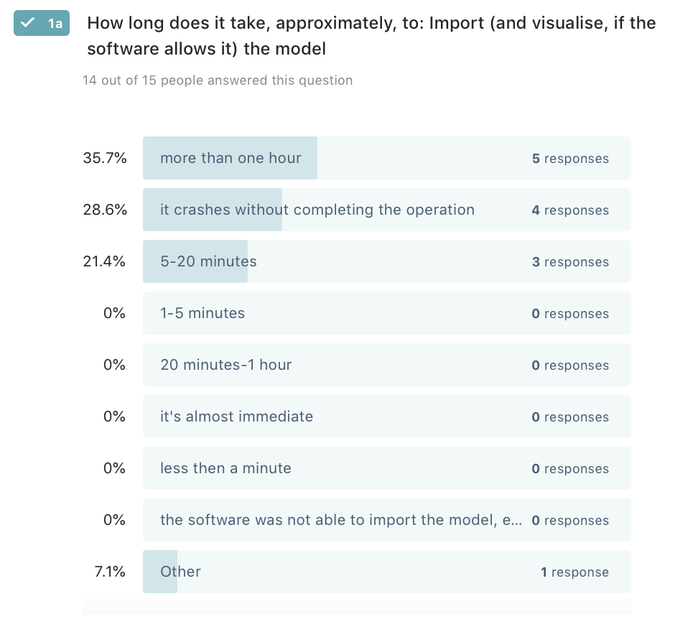
 | Software |  | yes/no table |  |  |  |  |  |  |  |  |  |  | * | * |  |  | * |  |  | * |  |  |  |  |  |  | * | * |  |  |  |  | * | * | *
 |  |  |  |  |  |  |  |  |  |  |  |  |  |  | semantics |  |  |  |  |  | edit |  |  | query |  |  |  | 3d analysis |  |  |  |  |  |  |  |  |  |  |  |  |  |  |  |  |  |  |  |  |  | ADE
 | GIS |  |  | gml | json | db (PostGIS/Oracle) | external tools/plugins not needed | works with rotterdam | Multi LoDs consistent | textures | thematic visualization | georeferencing consistent | elevation | need to set crs manually | hierarchy consistent | attributes | relationships | geometry | view 3D | view 2D | edit attributes | edit geometry | edit georeferencing | query objects | select by attribute | 3d spatial query | compute 3D attribute | visibility | buffers | overlay | measurements | shadows | xml schema validation | sun analysis | more analysis | height profiles | can export | Lod3 | doesn't crush with amsterdam |  | import | export | view | query | edit | analyse | textures |  | ade | view | queried | analysis
FOSS | QGIS - json | 3.4 |  | 0.5 | 1 | 1 |  | 1 | 0 | 0 | 1? | 1 | 1 | 0.5 | 0,5? | 0,5? | 0?* | 0.5 | 1 | 1 | 1? | 1? | 1? | 1 | 1 | 1? | 1? | 0 | 0 | 0 | 0 | 0 | 0 | 0 | 0 | 0 | 0.5 | 1 | 1 |  | 0.5 |  | 1 | 1 | 0 | 1 |  |  | 0 | 0 | 0 | 0
 | QGIS - plain gml | 3.6.3 |  | 0.5 | 1 | 1 |  | 1 | 0 | 0 | 1? | 1 | 1 | 0.5 | 0,5? | 0,5? | 0? | 0.5 | 1 | 1 | 1? | 1? | 1? | 1 | 1 | 1? | 1? | 0 | 0 | 0 | 0 | 0 | 0 | 0 | 0 | 0 | 0.5 | 0 | 1 |  | 0.5 |  | 1 | 1 | 0 | 1 |  |  | 0 | 0 | 0 | 0
 | QGIS - GMLAS
proprietary
 | ArcGIS | 10.5 |  | 0.5 | 1? | 1 | 1 |  | 0 | 0 | 1? | 1 | 1 | 0.5 | 0,5? | 0,5? | 0.5 | 0.5 | 1 | 1 | 1? | 1? | 1? | 1 | 1 | 1? | 1? | 0 | 0 | 0 | 1 | 1? | 0 | 0 | 0 | 0 | 1 | 0.5 | 0 |  |  |  |  |  |  |  |  |  | 1 | 1 | 1 | ?
 | ArcGIS Pro | Pro 2.4 |  | 0.5 | 1? | 1 | 1 | 1 | 0 | 1 | 1? | 1 | 1 | 0.5 | 1 | 0,5? | 1? | 0.5 | 1 | 1 | 1 | 1 | 1 | 1 | 1 | 0.5 | 0 | 0 | 0 | 0 | 1 | 1? | 0 | 0 | 0 | 0 | 1 | 0.5 | 0 |  | 1 | 1 | 1 | 1 | 1 | 1 |  |  | 1 | 1 | 1 | ?
 | CityEngine |  |  |  |  |  |  |  |  |  |  |  |  |  |  |  |  |  |  |  |  |  |  |  |  |  |  |  |  |  |  | 1
 | Bentley Map |  |  | 0
 | 3D viewers
FOSS | tridicon CityDiscoverer Light |  |  | 1 | ? | ? |  | 0 | 0 | / |  |  |  |  | / | / |  | 1 | 1 | 0 | 0 | 0 |  | 0 |  |  |  |  |  |  |  |  |  |  |  |  |  | 1 | 0 |  | 1 | 1 | 1 | 1 | 0 | 0 |  |  | 0 | 0 | 0 | 0
 | FZK Viewer |  |  | 1 | ? | 0 |  |  | 1 | 0 | 0.5 | 1 | 1 | 1 | 1 | 1 | 1 | 1 | 1 | 0 | 0 | 0 | 0 | 1 | 0.5 | 0.5 | 0.5 | 0 | 0 | 0 | 1 | 0 | 1 | 0 | 0 | 0 | 0 | 1 | 1 |  | 1 | 1 | 1 | 1 | 0 | 0.5 |  |  | 1 | 1 | 1 | 0
proprietary | FMEDataInspector-FME Desktop 2018.1 |  |  | 1 | 1* | 0? |  | 1 | 0 | 1 | ? | 1 | 1 | 1 | 0,5? | 1 | 1 | 1 | 1 | 1 | 0 | 0 | 0 | 1 | 0.5 | 0.5 | 0.5 | 0 | 0 | 0 | 1? | 0 | 0 | 0 | 0 | 0 | 0 | 1 | 1 |  | 1 | 1 | 1 | 1 | 0 | 0 |  |  | 1 | 1 | 0 | 0
 | azul |  |  | 1 | 1 | 0 |  | 1 | 0 | ? | 0 | 1 | 1 | 1 | 1 | 1 | ? | 1 | 1 | 0 | 0 | 0 | 0 | 1 | ? | ? | ? | 0 | 0 | 0 | 1? | 0 | 0 | 0 | 0 | 0 | 0 | 1 | 1 |  | 1 | 1 | 1 | 1 | 0 | 0

 | ETL and conversion software
FOSS | a) 3DCityDB |  |  | 1 | 0 | 1 |  | 1 | 1 | / | / | 1 | 1 | 0 | 1 | 1 | 1 | 1 | 1 | 1 | 0 | 0 | 0 | 0 | 0 | 0 | 0 | 0 | 0 | 0 | 0 | 0 | 0 | 0 | 0 | 0 | 1 | 1 | 1 |  | 1 | 1 | 0.5 |  |  |  |  |  | 1 | / | / | /

proprietary | 1.Safe Software FME 2019.0.1 |  |  | 1 | 1* | 1 |  |  | 0.5 | 1 |  | 1 | 1 | 1 | 1 | 1 | 1 | 1 | 1 | 1 | 1 | 1 | 1 | 1 | 1 | 1 | 1 | 1 | 1 | 1 | 1 | 1 | 1 | 1 | 1 | 0? | 1 |  | 1 |  | 1 | 1 | 1 | 1 | 1 | 1 |  |  | 1 | 1 | 1 | 1

 | Complex tools, combination of previous ones
proprietary | eveBIM |  |  | 1 | / | / | / |  | 1 | 1 | ? | 1 | 1 | 0.5 | 1 | 1 | 0 | 1 | 1 | 0 | 1 | 0 | 0 | 1 | 1 | 1 | 1 | 0? | 0? | 0? | 0? | 0? | 0? | 0? | 0? | 0? | 1 | 1 | 0 |  | 1 | 1 | 1 | 1 | 1 | 0 |  |  | 1 | 1 | 0 | 0
 | novaFACTORY + WEGA-3D |  |  | 1 | / | / |  |  | 1 | 0 | 1 | 1 | 1 | 0 | 1 | 1 | 1 | 1 | 1 | 0 | 1 | 0.5 | 0 | 1 | 1 | 1 | ? | 1 | 0? | 0? | 0? | 1 | 0? | 1 | 0? | 1 | 1 | 1 | 1 |  | 1 | 1 | 1 | 1 | 0.5 | 0.5 |  |  | 1 | 1 | 1 | 0
 | 1Spatial Elyx 3D* |  |  | 1 | / | / |  |  | 1 | 1 | 1 | 1 | 1 | 1 | 1 | 1 | 1 | 1 | 1 | 1 | 0.5 | 0 | 0 | 1 | 1 | 1 | 1 | 1 | 1 | 0? | 1 | 0 | 0 | 0 | 0 | 0 | 1 | 1 | 0 |  | 1 | 1 | 1 | 1 |  | 1 |  |  | 0 | 0 | 0 | 0

 | TOTAL |  |  |  |  |  |  |  | 5.5 | 5 | 2.5 | 12 | 12 | 7.5 | 8 | 8 | 6.5 | 11 | 13 | 8 | 4.5 | 2.5 | 2 | 11 | 9 | 5.5 | 4 | 3 | 2 | 1 | 5 | 3 | 2 | 2 | 1 | 1 | 8 | 10 | 8 | 0 | 11 | 10 | 11.5 | 11 | 3.5 | 6 | 0 | 0 | 8 | 7 | 5 | 1
 | 14 |  |  |  |  |  |  |  | /14
 |  |  |  |  |  |  |  |  | 39% | 36% | 18% | 86% | 86% | 54% | 57% | 57% | 46% | 79% | 93% | 57% | 32% | 18% | 14% | 79% | 64% | 39% | 29% | 21% | 14% | 7% | 36% | 21% | 14% | 14% | 7% | 7% | 57% | 71% | 57% | 0% | 79% | 71% | 82% | 79% | 25% | 43% | 0% | 0% | 57% | 50% | 36% | 7%

 |  |  |  |  |  |  |  |  |  |  |  |  |  |  |  |  |  |  |  |  |  | Rotterdam dataset |  |  |  |  |  |  |  |  |  |  |  |  | Buildings LoD 3 |  |  |  |  |  |  |  |  |  |  |  |  | amsterdam

