Final
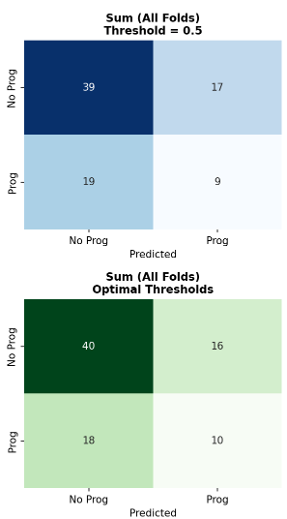
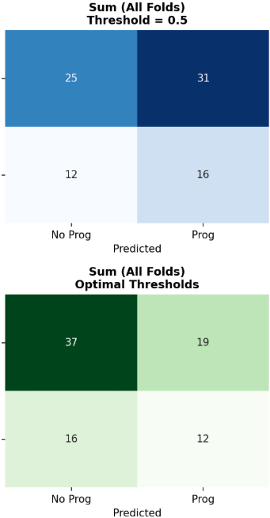
 | PROGRESSION PREDICTION
 | Configuration | Description | Accuracy | Precision | Recall | Specificity | F1 | AUC | CNN(MAX) | CNN+HAND
 | Handcrafted | - | 0.573 ± 0.147 | 0.305 ± 0.245 | 0.440 ± 0.396 | 0.626 ± 0.341 | 0.344 ± 0.267 | 0.452 ± 0.217
 | Handcrafted + Demographics | - | 0.431 ± 0.163 | 0.309 ± 0.095 | 0.540 ± 0.311 | 0.377 ± 0.313 | 0.370 ± 0.133 | 0.453 ± 0.151
 | CNN | With max pooling | 0.595 ± 0.100 | 0.317 ± 0.224 | 0.360 ± 0.344 | 0.720 ± 0.243 | 0.307 ± 0.241 | 0.534 ± 0.163
 | CNN | With max+mean pooling | 0.406 ± 0.132 | 0.316 ± 0.048 | 0.607 ± 0.157 | 0.305 ± 0.263 | 0.403 ± 0.019 | 0.488 ± 0.130
 | CNN | With mean pooling | 0.571 ± 0.133 | 0.439 ± 0.145 | 0.473 ± 0.355 | 0.629 ± 0.363 | 0.383 ± 0.123 | 0.490 ± 0.132
 | CNN+Handcrafted | With max pooling | 0.586 ± 0.195 | 0.426 ± 0.369 | 0.440 ± 0.344 | 0.668 ± 0.373 | 0.375 ± 0.280 | 0.535 ± 0.248
 | CNN+Handcrafted+Demographics | With max pooling | 0.585 ± 0.051 | 0.315 ± 0.180 | 0.427 ± 0.329 | 0.667 ± 0.221 | 0.348 ± 0.223 | 0.457 ± 0.104

 | LIGHTGBM
 | Configuration | Description | Accuracy | Precision | Recall | Specificity | F1 | AUC

 | hand_only | Hand-crafted features only | 0.664 ± 0.146 | 0.484 ± 0.205 | 0.527 ± 0.256 | 0.730 ± 0.115 | 0.503 ± 0.229 | 0.621 ± 0.212
 | demo_only | Demographics only | 0.529 ± 0.148 | 0.184 ± 0.173 | 0.333 ± 0.333 | 0.614 ± 0.360 | 0.235 ± 0.225 | 0.434 ± 0.075
 | hand_demo | Hand-crafted + Demographics | 0.568 ± 0.138 | 0.390 ± 0.162 | 0.593 ± 0.289 | 0.553 ± 0.145 | 0.465 ± 0.200 | 0.615 ± 0.200
 | cnn_mean | CNN mean pooling only | 0.541 ± 0.158 | 0.329 ± 0.204 | 0.560 ± 0.339 | 0.526 ± 0.339 | 0.403 ± 0.235 | 0.636 ± 0.110
 | cnn_max | CNN max pooling only | 0.531 ± 0.120 | 0.375 ± 0.114 | 0.500 ± 0.216 | 0.548 ± 0.218 | 0.408 ± 0.111 | 0.476 ± 0.092
 | cnn_max_mean | CNN max+mean pooling (concatenated) | 0.567 ± 0.127 | 0.424 ± 0.106 | 0.513 ± 0.280 | 0.603 ± 0.308 | 0.427 ± 0.072 | 0.559 ± 0.176
 | cnn_mean_pca | CNN mean pooling + PCA | 0.612 ± 0.154 | 0.350 ± 0.291 | 0.287 ± 0.252 | 0.771 ± 0.238 | 0.297 ± 0.252 | 0.519 ± 0.102
 | cnn_max_pca | CNN max pooling + PCA | 0.522 ± 0.189 | 0.267 ± 0.307 | 0.400 ± 0.418 | 0.585 ± 0.422 | 0.286 ± 0.275 | 0.350 ± 0.195
 | cnn_max_mean_pca | CNN max+mean pooling + PCA | 0.512 ± 0.154 | 0.445 ± 0.323 | 0.480 ± 0.295 | 0.533 ± 0.327 | 0.367 ± 0.146 | 0.516 ± 0.112
 | best_cnn_hand | Best CNN + Hand-crafted | 0.644 ± 0.122 | 0.492 ± 0.113 | 0.613 ± 0.126 | 0.659 ± 0.178 | 0.540 ± 0.106 | 0.625 ± 0.077
 | best_cnn_hand_demo | Best CNN + Hand-crafted + Demographics (FULL) | 0.575 ± 0.170 | 0.391 ± 0.249 | 0.593 ± 0.360 | 0.561 ± 0.258 | 0.458 ± 0.274 | 0.632 ± 0.114

 | CNN(MEAN) |  | Best CNN-HAND |  | Best CNN-HAND-DEMO |  |  | HAND ONLY
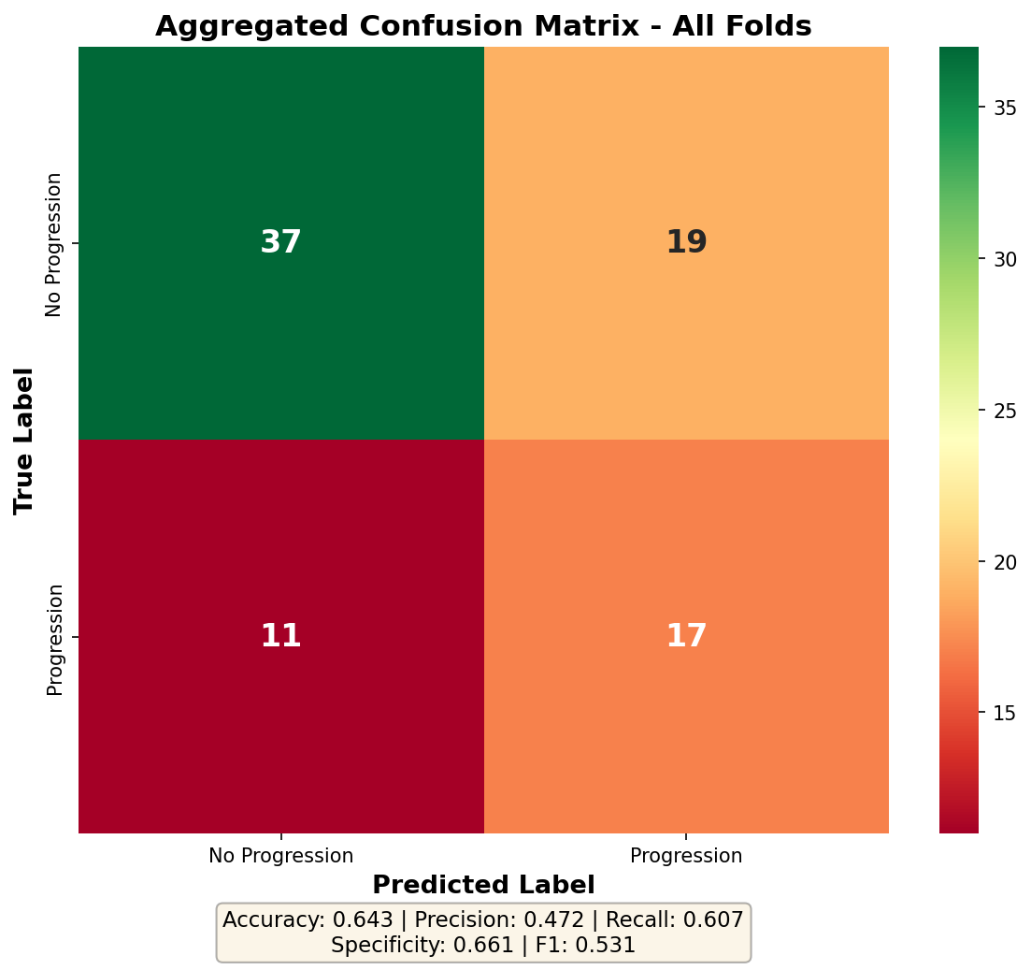
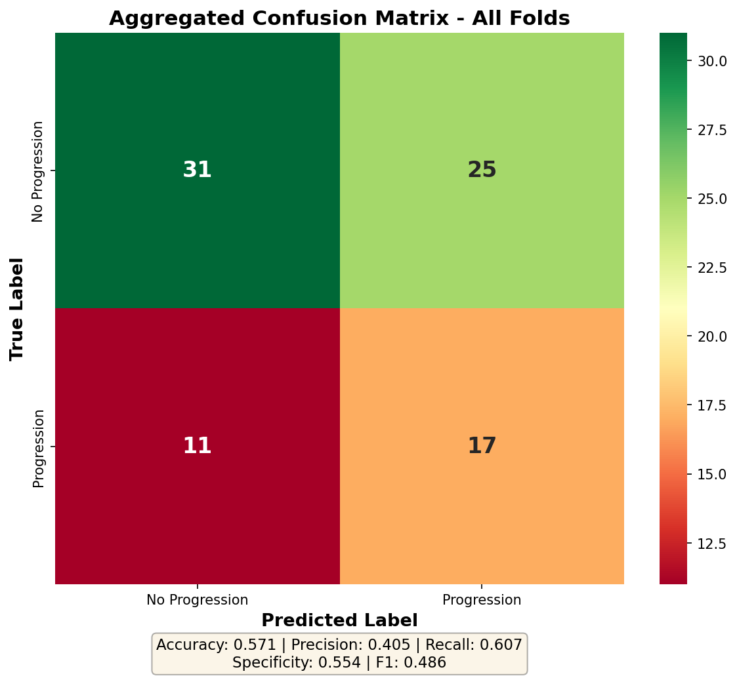
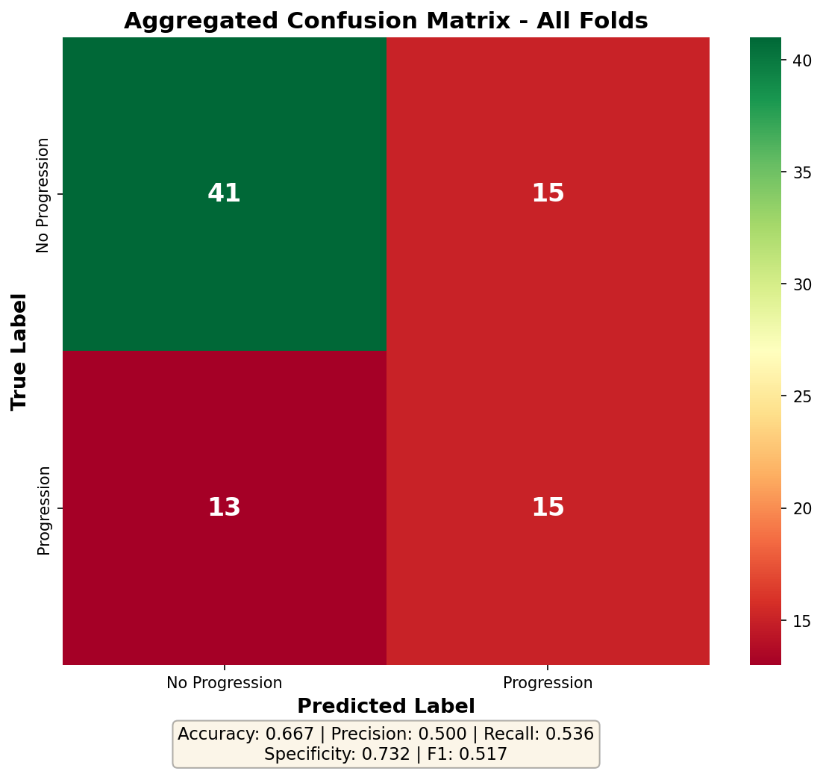
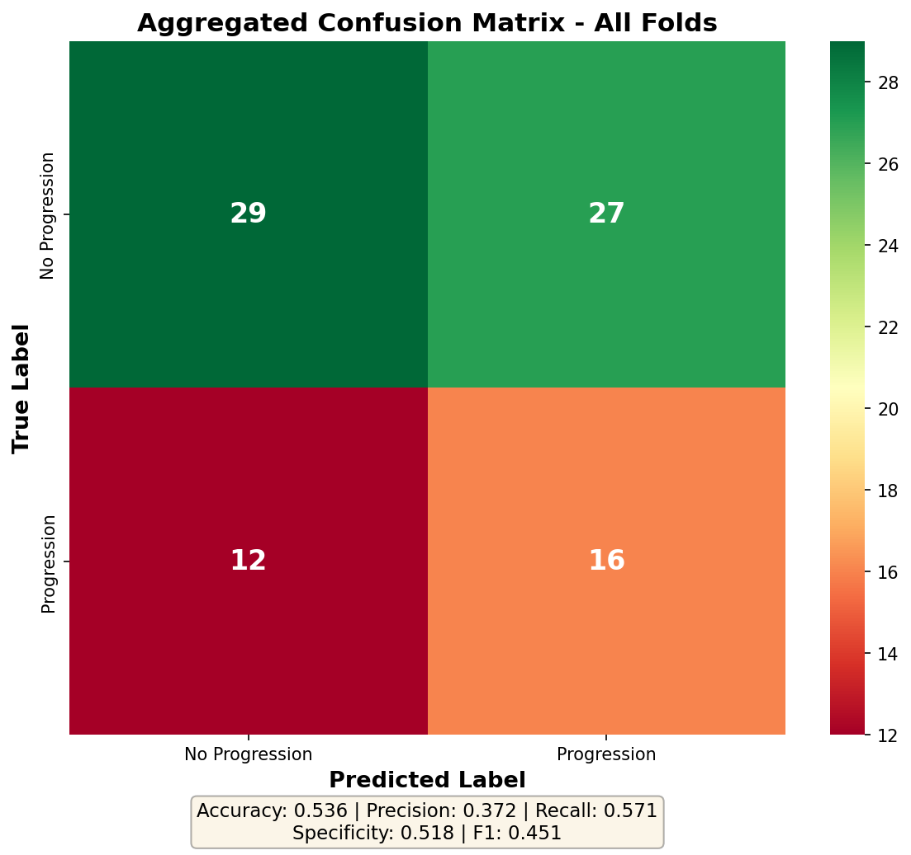

 | Config | Description | Mean Val C-index | Std Val C-index | Mean Test C-index | Std Test C-index
 | cnn_4stat_only | [CNN Setup A] Mean-pool → 4 statistics (Mean/Var/L2/Entropy) — legacy aggregation | 0.6279 | 0.1496 | 0.6517 | 0.1197
 | cnn_4stat_sex | [CNN Setup A] 4-stat + Sex | 0.6219 | 0.1006 | 0.6261 | 0.1292
 | hand_kurtosis_only | [HAND] Kurtosis only — best univariate (Diag 2: C=0.583) | 0.6239 | 0.0625 | 0.6239 | 0.0625
 | cnn_4stat_kurtosis_sex | [COMBO] CNN 4-stat (mean-pool) + Kurtosis + Sex — minimal CNN combo | 0.6241 | 0.0889 | 0.6233 | 0.1269
 | hand_top2 | [HAND] Kurtosis+ApproxVol — top-2 features | 0.6025 | 0.0912 | 0.6127 | 0.0759
 | cnn_4stat_hand_all_sex | [COMBO] CNN 4-stat (mean-pool) + All 9 handcrafted + Sex | 0.5905 | 0.0369 | 0.5898 | 0.131
 | hand_approxvol_only | [HAND] ApproxVol only — 2nd best univariate (C=0.571) | 0.5848 | 0.0826 | 0.5848 | 0.0826
 | cnn_pca5_only | [CNN-ONLY] PCA 5 components — isolate CNN signal | 0.5657 | 0.1018 | 0.5737 | 0.0674
 | hand_kurtosis_sex | [COMBO] Kurtosis + Sex — minimal EPV-safe model (2 df) | 0.6169 | 0.1128 | 0.571 | 0.0701
 | hand_skew_only | [HAND] Skew only — sign flips across folds | 0.5695 | 0.0207 | 0.5695 | 0.0207
 | cnn_3stat_no_l2_hand_all_sex | [NO-L2NORM] Mean-pool → 3 stats (no L2Norm) + All 9 + Sex | 0.5742 | 0.0359 | 0.5656 | 0.1402
 | hand_reduced_3 | [HAND] Kurtosis+ApproxVol+Thickness — reduced 3-feature set | 0.5403 | 0.1111 | 0.5565 | 0.0848
 | hand_top2_sex | [COMBO] Kurtosis + ApproxVol + Sex — 3 df, EPV=10 | 0.5971 | 0.1441 | 0.5558 | 0.0621
 | hand_reduced_3_sex | [COMBO] Kurtosis+ApproxVol+Thickness + Sex — reduced 3 + demo | 0.5657 | 0.1433 | 0.5418 | 0.08
 | kurtosis_approxvol_thickness_sex | [COMBO] Top-3 individual + Sex | 0.5657 | 0.1433 | 0.5418 | 0.08
 | cnn_pca5_hand_all_sex | [CNN Setup C] PCA 5 components + All 9 handcrafted + Sex — more variance retained | 0.5333 | 0.0934 | 0.5417 | 0.09
 | hand_mean_only | [HAND] Mean HU only — weakest single (C=0.514) | 0.4565 | 0.0559 | 0.5262 | 0.0658
 | cnn_pca7_hand_all_sex | [PCA-SWEEP] PCA 7 components + All 9 + Sex — more variance | 0.533 | 0.1013 | 0.5214 | 0.0808
 | cnn_pca10_hand_all_sex | [PCA-SWEEP] PCA 10 components + All 9 + Sex — high variance retention | 0.5403 | 0.0937 | 0.5143 | 0.0604
 | cnn_maxpool_no_l2norm_only | [CNN-ONLY] Max-pool → 3 stats (no L2Norm) — isolate CNN signal | 0.4819 | 0.1399 | 0.51 | 0.1418
 | cnn_maxpool_4stat | [CNN Setup B] Max-pool → 4 statistics — test variance stability vs mean-pool | 0.482 | 0.1356 | 0.5083 | 0.1395
 | cnn_pca3_only | [CNN Setup C] Mean-pool → PCA 3 components — low-rank reduction | 0.4961 | 0.1112 | 0.5059 | 0.0685
 | cnn_pca2_hand_all_sex | [PCA-SWEEP] PCA 2 components + All 9 + Sex — ultra parsimonious | 0.5121 | 0.1322 | 0.5051 | 0.0583
 | hand_lungfrac_only | [HAND] TissueByLung only — borderline (C=0.518) | 0.4636 | 0.075 | 0.5024 | 0.0833
 | cnn_pca3_hand_all_sex | [CNN Setup C] PCA 3 components + All 9 handcrafted + Sex | 0.51 | 0.1357 | 0.4925 | 0.0458
 | hand_all_demo | [COMBO ★ RECOMMENDED] All 9 handcrafted + Sex — best test C-index | 0.5214 | 0.1196 | 0.4806 | 0.0806
 | demo_all_hand_all | [COMBO] Sex+Age+Smoking + All 9 hand — full combo | 0.5214 | 0.1196 | 0.4806 | 0.0806
 | hand_all_9 | [HAND] All 9 handcrafted — best test C-index in hand-only block | 0.4993 | 0.0912 | 0.4784 | 0.049
 | hand_all_9_no_demo | [COMBO] All 9 handcrafted, no demographics — isolate hand signal | 0.4993 | 0.0912 | 0.4784 | 0.049
 | demo_age_only | [DEMO] Age only — unstable sign across folds | 0.3885 | 0.0898 | 0.4772 | 0.1414
 | demo_sex_only | [DEMO] Sex only — best single demographic (C=0.536) | 0.5114 | 0.0697 | 0.4736 | 0.0655
 | cnn_pca3_sex | [CNN Setup C] PCA 3 components + Sex | 0.5135 | 0.1238 | 0.4731 | 0.035
 | cnn_maxpool_4stat_sex | [CNN Setup B] Max-pool → 4 statistics + Sex | 0.4696 | 0.1364 | 0.4682 | 0.1089
 | cnn_maxpool_4stat_hand_all_sex | [CNN Setup B] Max-pool → 4 statistics + All 9 handcrafted + Sex | 0.4702 | 0.1229 | 0.4619 | 0.0902
 | hand_thickness_only | [HAND] Thickness only — moderate (C=0.527) | 0.4517 | 0.0632 | 0.4615 | 0.0696
 | cnn_maxpool_3stat_no_l2_hand_all_sex | [NO-L2NORM] Max-pool → 3 stats (no L2Norm) + All 9 + Sex | 0.4757 | 0.1246 | 0.4565 | 0.0968
 | demo_smoking_only | [DEMO] SmokingStatus only — inverted, C≈0.493 | 0.4794 | 0.0865 | 0.4559 | 0.0687
 | hand_redundant_cluster | [HAND] NumTissuePixel+Tissue+TissueByTotal — collinear cluster (r>0.85) | 0.4654 | 0.0843 | 0.4529 | 0.0887
 | demo_sex_age | [DEMO] Sex + Age — does Age add to Sex? | 0.4156 | 0.1064 | 0.4528 | 0.1276
 | demo_all | [DEMO] Sex + Age + SmokingStatus — full demographic block | 0.4178 | 0.1781 | 0.4408 | 0.0617
 | demo_all_redundant_cluster | [COMBO] Sex+Age+Smoking + collinear cluster — surprise hand block + best demo | 0.5123 | 0.0537 | 0.4391 | 0.0949
 | demo_all_thickness | [COMBO] Sex+Age+SmokingStatus + Avg_Tissue_Thickness — best demo + best hand | 0.4757 | 0.0745 | 0.4372 | 0.0676
 | demo_sex_thickness | [COMBO] Sex only + Thickness — isolate Sex vs full demo contribution | 0.4757 | 0.0745 | 0.4372 | 0.0676

Configuration | Description | Test_MAE | Test_RMSE | Test_R2
hand_only | [BLOCK 1] Hand-crafted features + FVC(0) | 254.47059087 | 326.20684128 | 0.82122639425
hand_demo | [BLOCK 1] Hand-crafted + Demographics + FVC(0) | 260.30691884 | 319.11515835 | 0.83386515843
cnn_hand_demo | [BLOCK 3] CNN + Hand-crafted + Demographics + FVC(0) [FULL] | 261.03184594 | 322.86553668 | 0.82715739117
cnn_max_mean | [BLOCK 2] CNN max+mean pooling + FVC(0) | 264.46364275 | 340.83534814 | 0.81618504689
cnn_hand | [BLOCK 3] CNN + Hand-crafted + FVC(0) | 286.59968725 | 355.18253112 | 0.79270737718
cnn_mean | [BLOCK 2] CNN mean pooling + FVC(0) | 286.69003151 | 362.33039511 | 0.78947640801
cnn_max | [BLOCK 2] CNN max pooling + FVC(0) | 294.97644477 | 362.0488238 | 0.77735065958
hand_only_nofvc | [BLOCK 4] Hand-crafted only – NO FVC(0) | 582.05048529 | 743.63112342 | 0.14922201428
cnn_hand_demo_nofvc | [BLOCK 4] Full model – NO FVC(0) | 611.47230871 | 772.06301513 | 0.1002250437
cnn_only_nofvc | [BLOCK 4] CNN only – NO FVC(0) | 619.28262124 | 781.31480488 | 0.048874456643
cnn_hand_nofvc | [BLOCK 4] CNN + Hand-crafted – NO FVC(0) | 619.35416823 | 785.36105203 | 0.056218655917

LightGBM
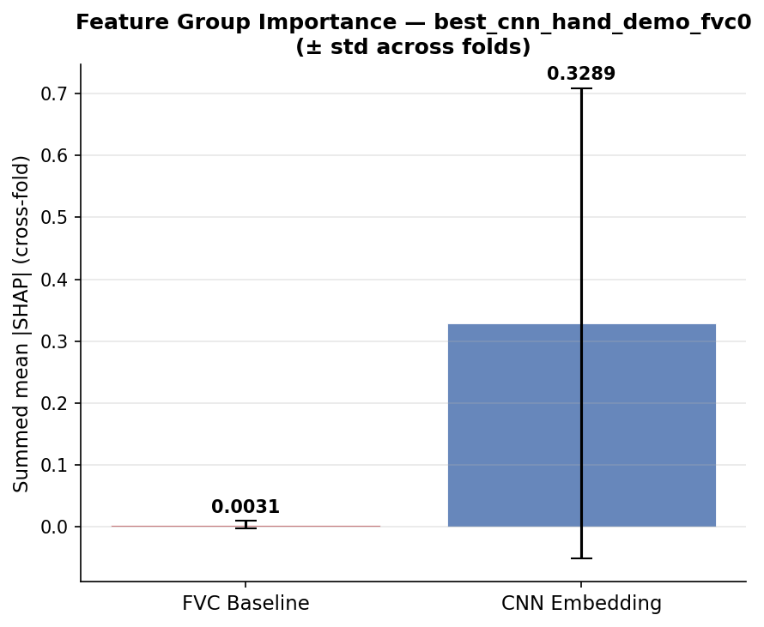
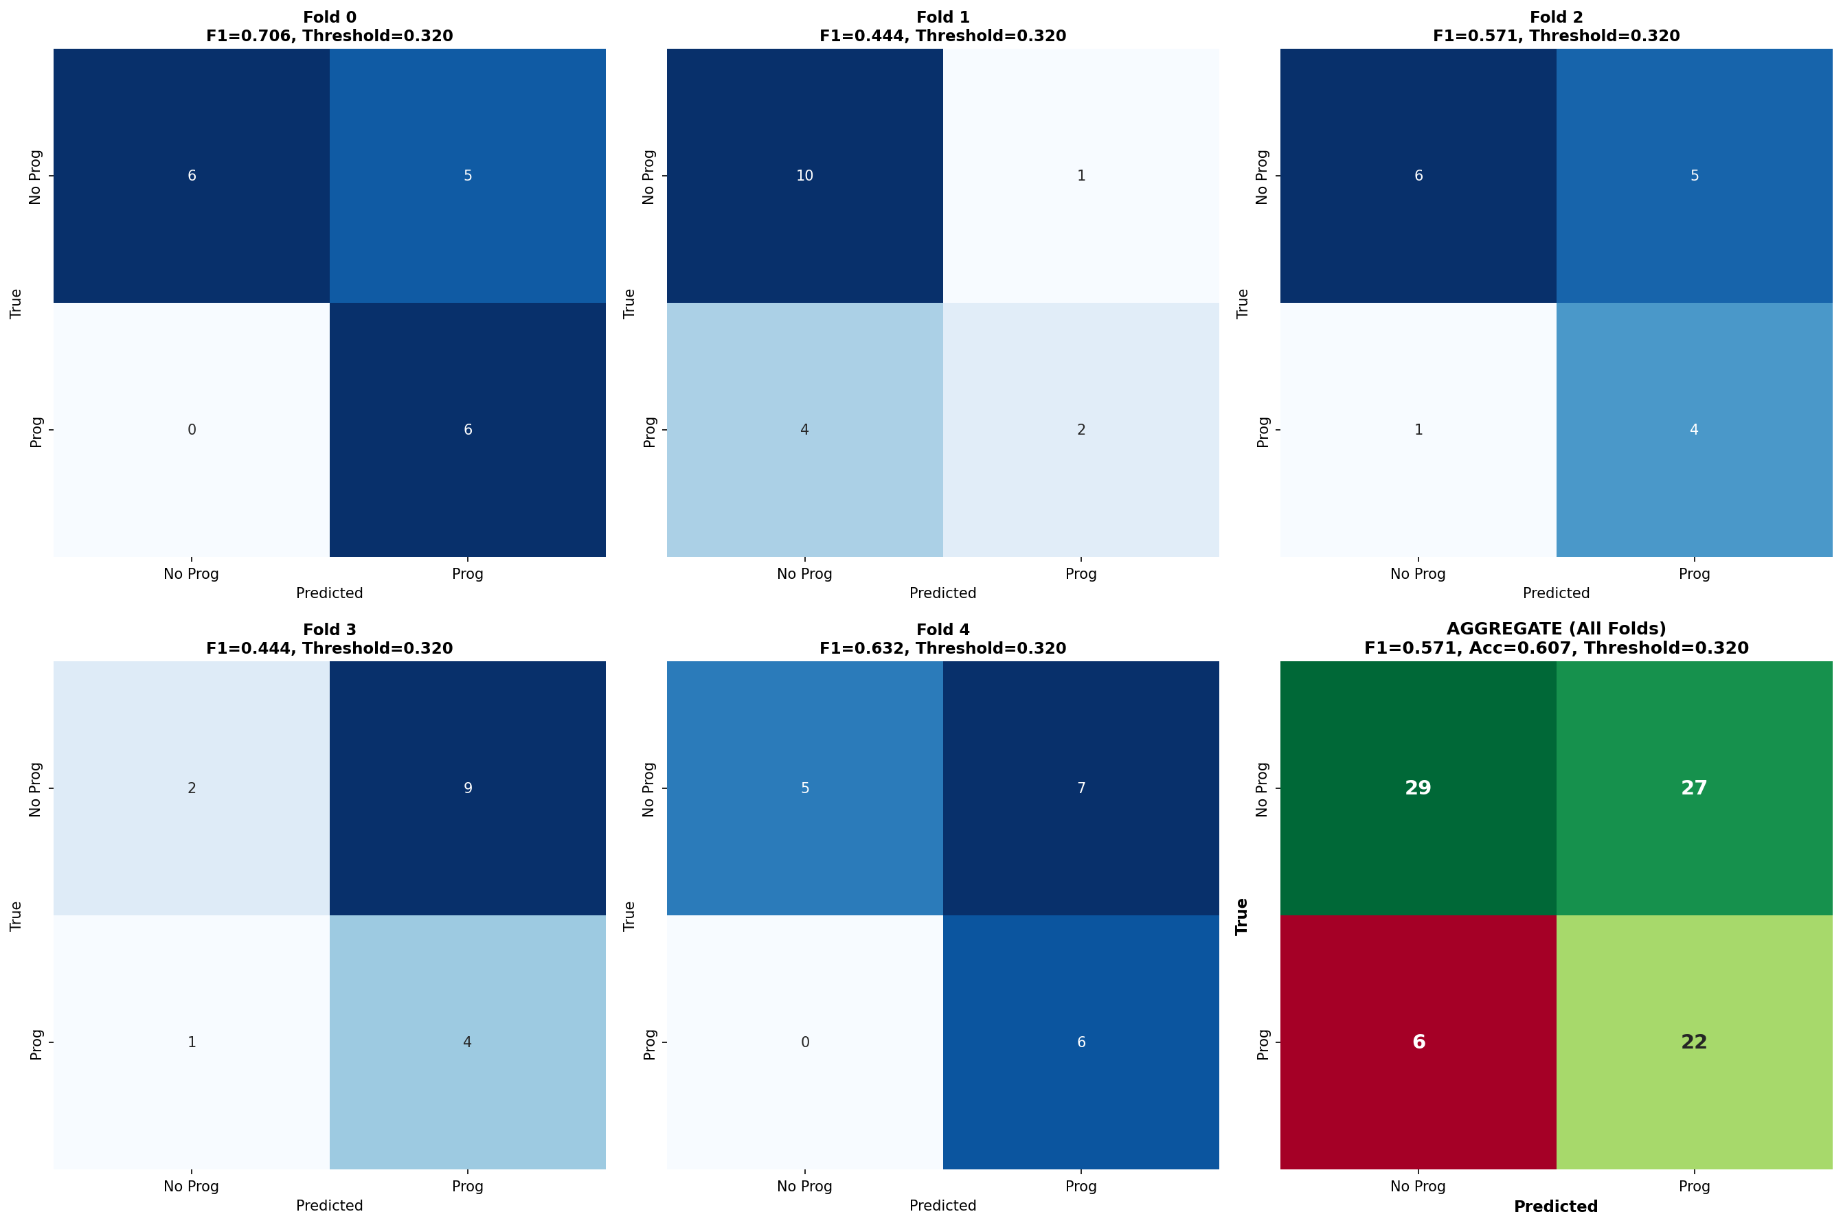
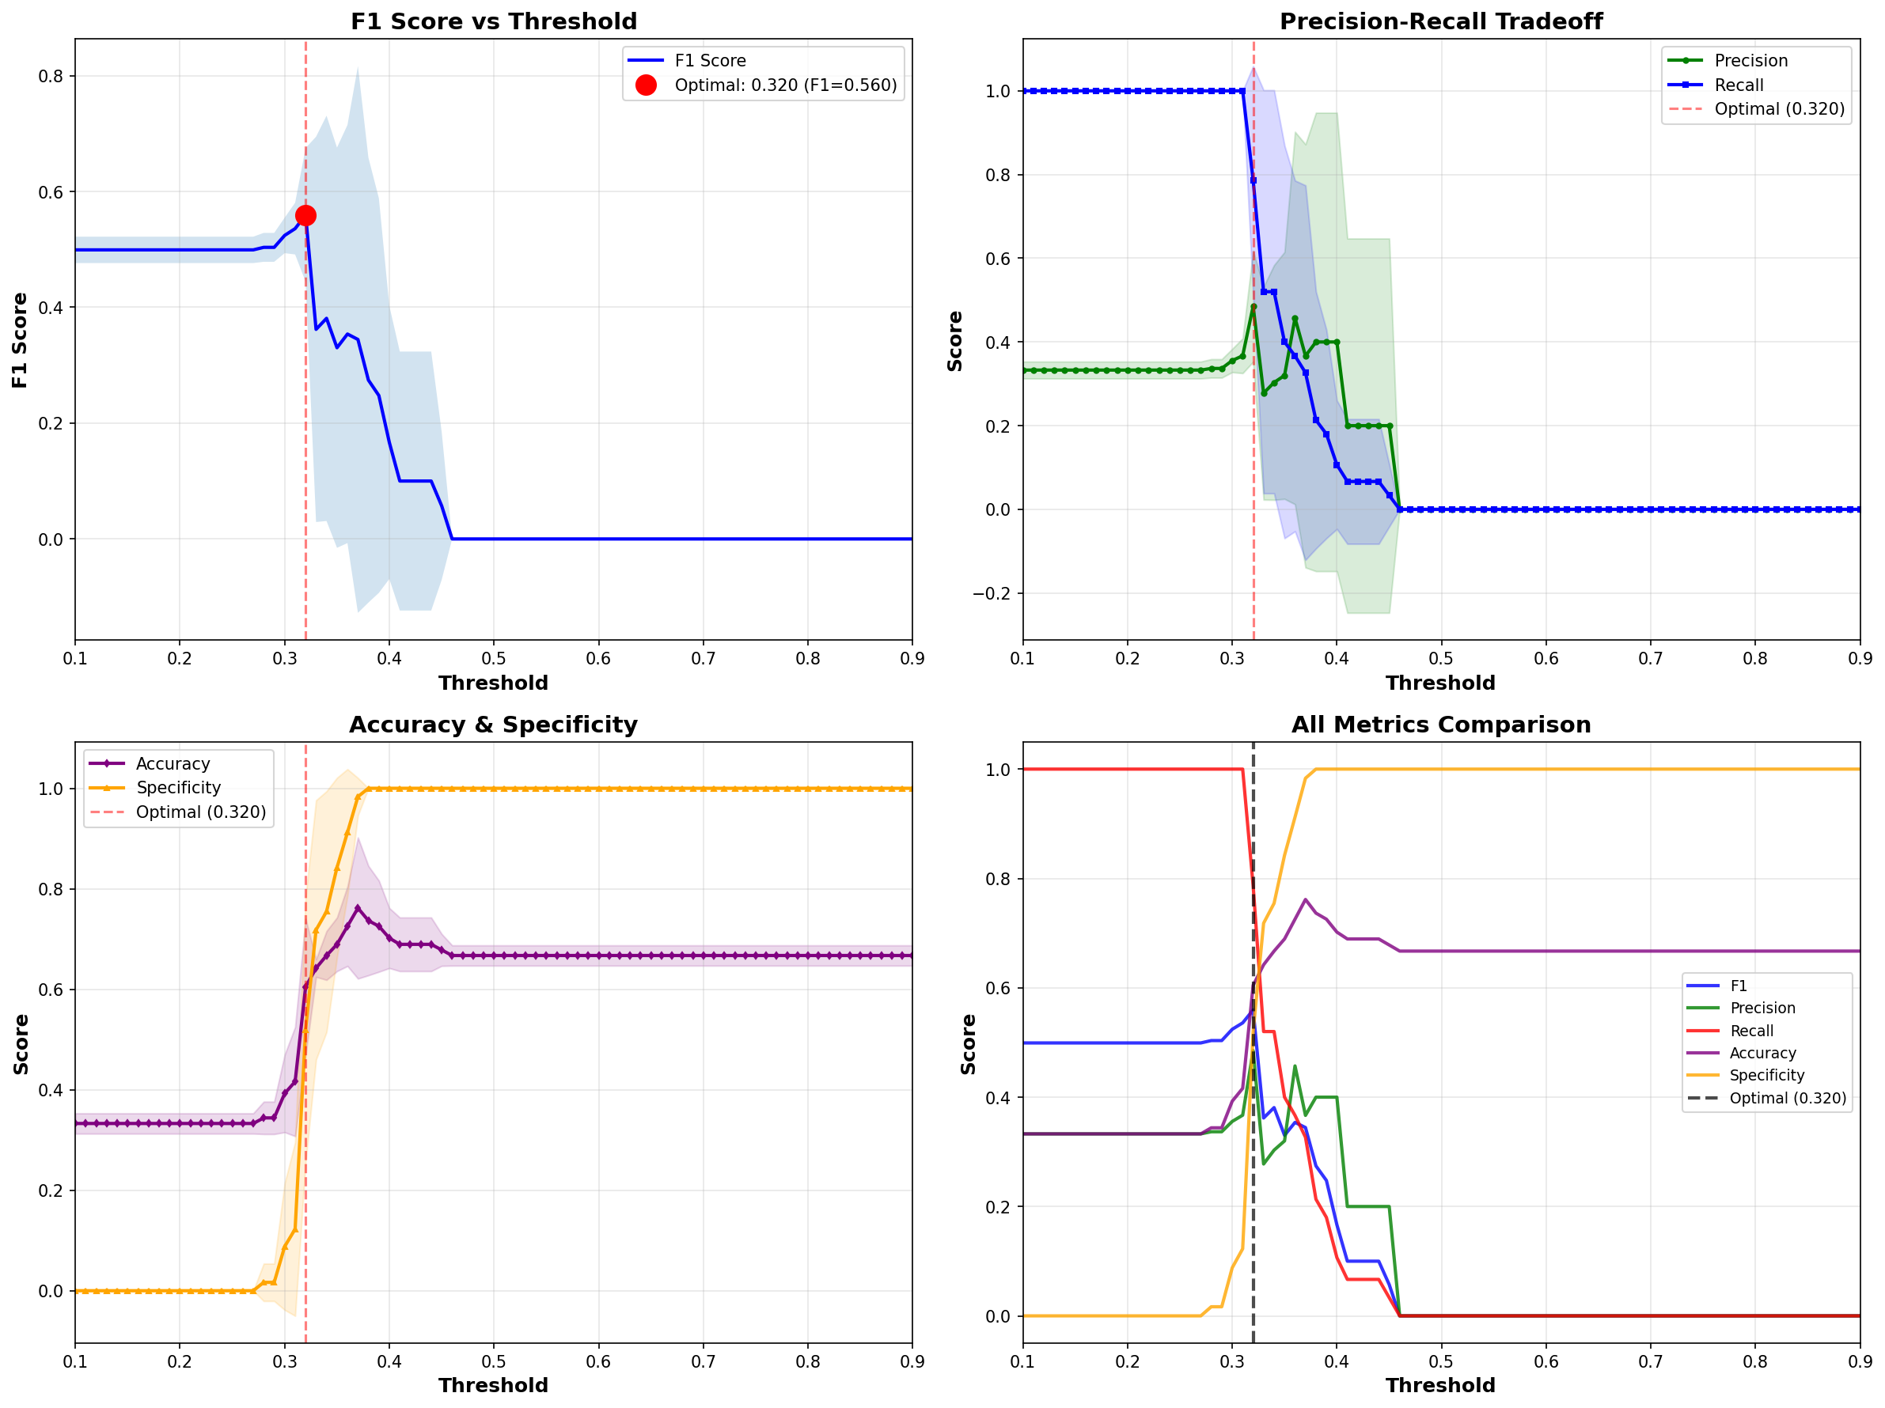
Experiment | Description | N_Runs | Mean_AUC | Std_AUC | Mean_F1 | Std_F1 | Mean_Recall | Std_Recall | Mean_Precision | Std_Precision | Mean_Specificity | Std_Specificity
hand_only | Hand-crafted features only | 5 | 0.5982 | 0.1655 | 0.4203 | 0.1398 | 0.4933 | 0.1914 | 0.3738 | 0.1064 | 0.6061 | 0.0958
hand_demo | Hand-crafted + Demographics | 5 | 0.5524 | 0.1031 | 0.3056 | 0.1674 | 0.3933 | 0.2533 | 0.2699 | 0.1367 | 0.5955 | 0.2407
cnn_mean | CNN mean pooling | 5 | 0.6461 | 0.0834 | 0.3111 | 0.2548 | 0.42 | 0.3513 | 0.249 | 0.2035 | 0.6652 | 0.2202
best_cnn_hand_demo | CNN + Hand-crafted + Demographics | 5 | 0.6641 | 0.1019 | 0.3857 | 0.0857 | 0.4267 | 0.2542 | 0.619 | 0.313 | 0.6879 | 0.3072
best_cnn_demo | CNN + Demographics | 5 | 0.5492 | 0.1202 | 0.3717 | 0.0984 | 0.3933 | 0.2048 | 0.4417 | 0.128 | 0.703 | 0.2279
hand_only_fvc0 | Hand-crafted + FVC(0) | 5 | 0.6172 | 0.1385 | 0.4726 | 0.1787 | 0.46 | 0.1718 | 0.5433 | 0.2724 | 0.7333 | 0.2205
best_cnn_hand_fvc0 | CNN + Hand + FVC(0) | 5 | 0.6402 | 0.0716 | 0.3517 | 0.2141 | 0.3933 | 0.2533 | 0.3356 | 0.1978 | 0.7167 | 0.2206
best_cnn_hand_demo_fvc0 | CNN + Hand + Demo + FVC(0) | 5 | 0.6997 | 0.0469 | 0.3619 | 0.1077 | 0.4267 | 0.2542 | 0.3857 | 0.068 | 0.6333 | 0.2561
cnn_mean_pca | CNN mean pooling + PCA | 5 | 0.5648 | 0.1303 | 0.3044 | 0.2068 | 0.34 | 0.2947 | 0.3369 | 0.2146 | 0.6758 | 0.2218
best_cnn_hand_pca | CNN + Hand-crafted + PCA | 5 | 0.5167 | 0.0726 | 0.125 | 0.1581 | 0.14 | 0.196 | 0.1267 | 0.1555 | 0.8182 | 0.2371
best_cnn_hand_demo_pca | CNN + Hand + Demo + PCA | 5 | 0.4598 | 0.1289 | 0.2896 | 0.2582 | 0.3867 | 0.3337 | 0.2323 | 0.2118 | 0.6242 | 0.2336
best_cnn_hand_fvc0_pca | CNN + Hand + FVC(0) + PCA | 5 | 0.5657 | 0.0983 | 0.2361 | 0.2159 | 0.3333 | 0.3801 | 0.2369 | 0.2036 | 0.6924 | 0.3086

