Tables_comparison
Slope distribution | N | Mean | Std | Extreme_pct | 1std
Global | 176 | -4.52 | 6.12 | 14.20% | 78.40%
Fold 0
Train | 105 | -4.18 | 5.98 | 15.20% | 75.20%
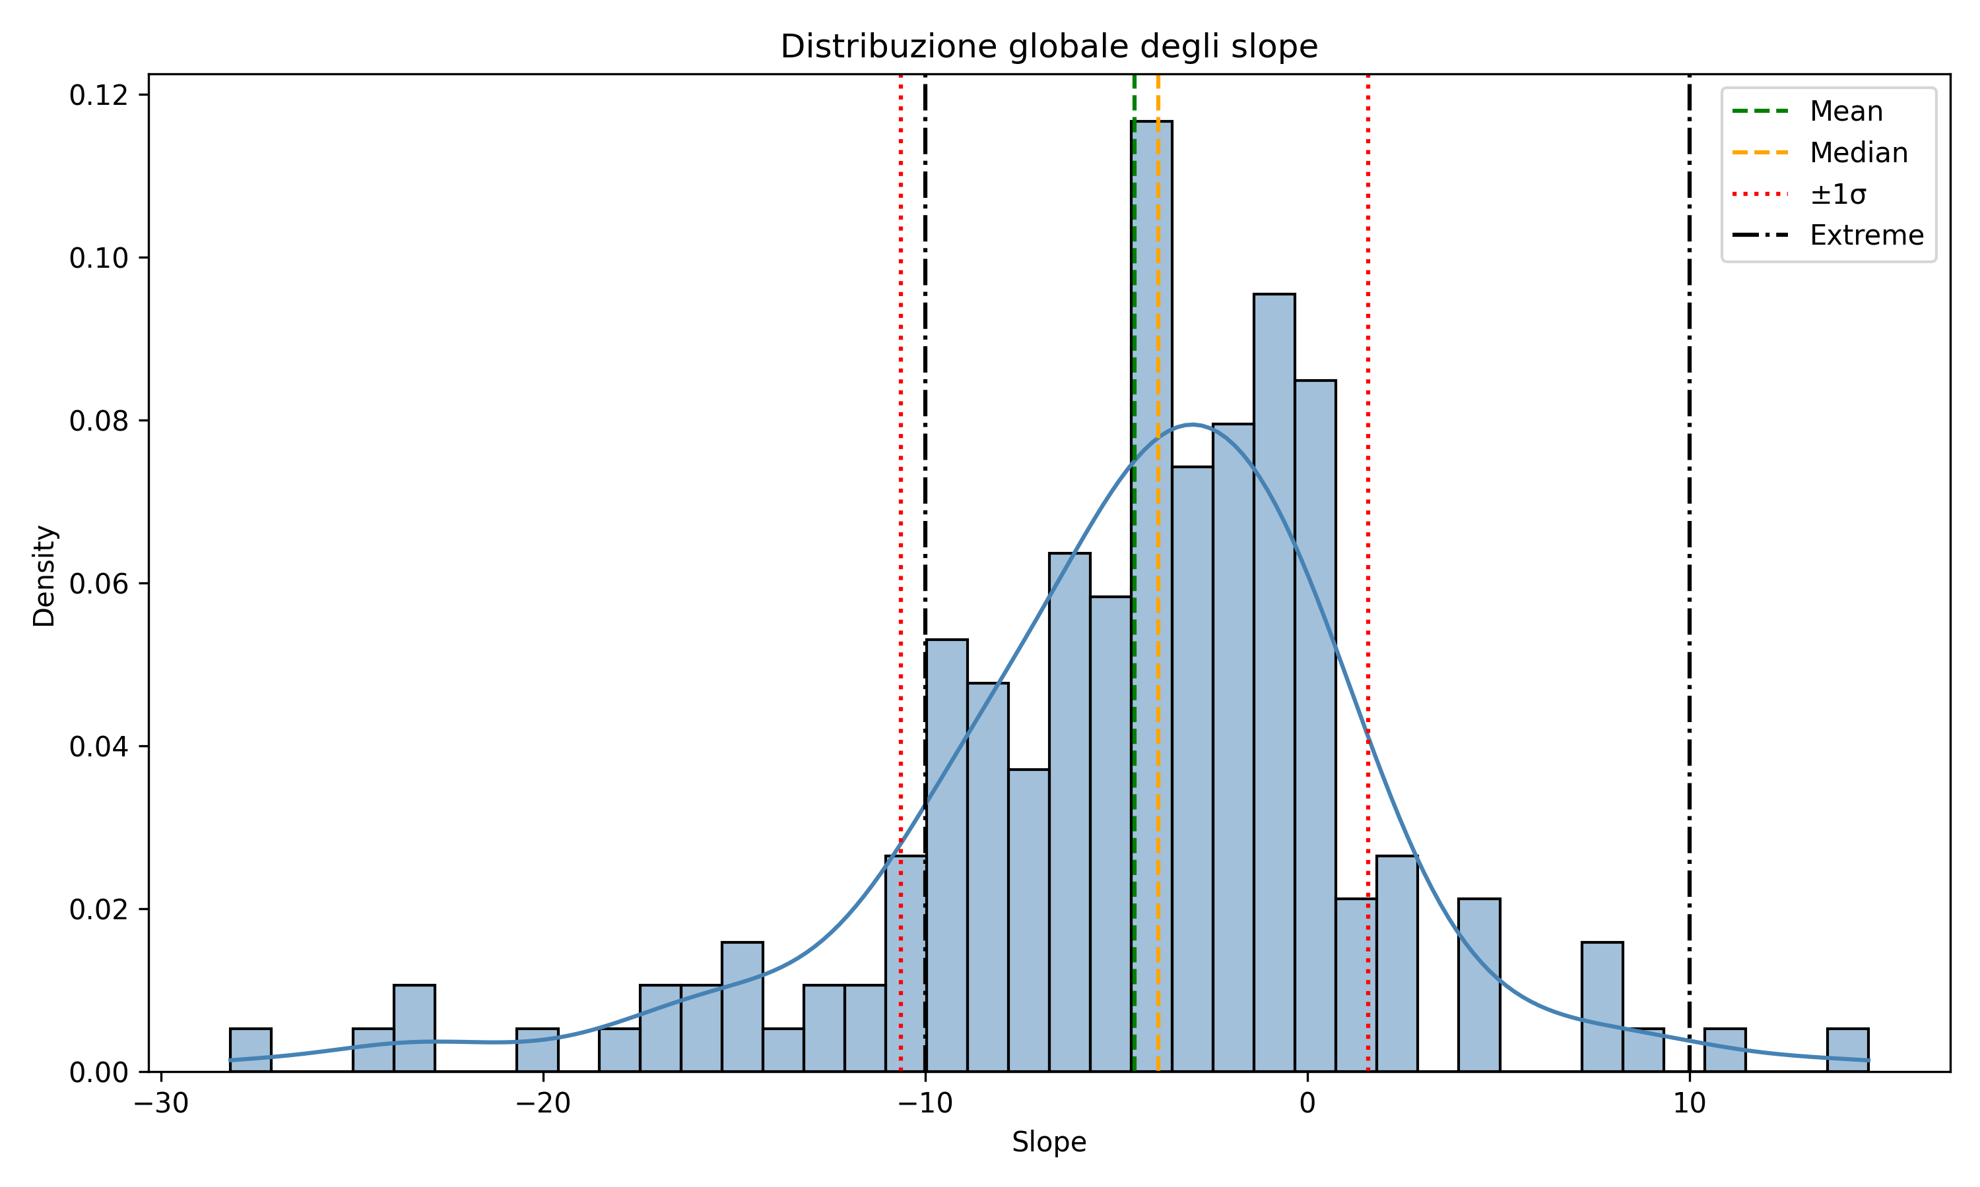
Validation | 35 | -5.33 | 5.18 | 8.60% | 82.90%
Test | 36 | -4.73 | 7.19 | 16.70% | 83.30%
Fold 1
Train | 106 | -4.84 | 6.4 | 17.00% | 78.30%
Validation | 35 | -2.77 | 5.78 | 11.40% | 77.10%
Test | 35 | -5.33 | 5.18 | 8.60% | 82.90%
Fold 2
Train | 106 | -4.8 | 6.16 | 13.20% | 80.20%
Validation | 35 | -5.46 | 5.97 | 20.00% | 68.60%
Test | 35 | -2.77 | 5.78 | 11.40% | 77.10%
Fold 3
Train | 106 | -4.28 | 6.22 | 12.30% | 84%
Validation | 35 | -4.33 | 5.87 | 14.30% | 71.40%
Test | 35 | -5.46 | 5.97 | 20.00% | 68.60%
Fold 4
Train | 105 | -4.52 | 5.79 | 13.30% | 79.00%
Validation | 36 | -4.73 | 7.19 | 16.70% | 83.30%
Test | 35 | -4.33 | 5.87 | 14.30% | 71.40%

Progress Prediction - Summary
Training | Accuracy | Precision | Recall | F1-Score | Specificity | AUC | AP
Training 1 (MSE-no norm) | 0.536 ± 0.098 | 0.761 ± 0.205 | 0.463 ± 0.256 | 0.488 ± 0.213 | 0.679 ± 0.285 | 0.541 ± 0.101 | 0.650 ± 0.108
Training 2 (MSE) | 0.505 ± 0.070 | 0.671 ± 0.135 | 0.399 ± 0.154 | 0.464 ± 0.123 | 0.694 ± 0.196 | 0.580 ± 0.086 | 0.653 ± 0.111
Training 3 (Huber) | 0.474 ± 0.079 | 0.737 ± 0.255 | 0.241 ± 0.163 | 0.316 ± 0.182 | 0.816 ± 0.152 | 0.545 ± 0.116 | 0.645 ± 0.117

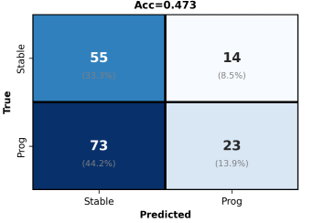
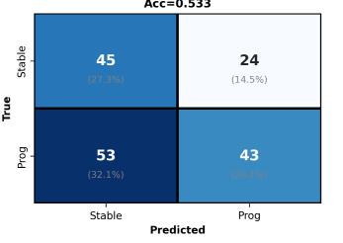
Training 1 - MSE , slopes no normalization, no attention, weight sampling |  |  |  |  |  |  |  | Training 3 - Huber(3.0) , slopes no normalization, attention, weight sampling
Slope distribution | Min | Max | Mean | Std | Median |  |  | Slope distribution | Min | Max | Mean | Std | Median
Fold 0 | -5.58 | -1.25 | -5.26 | 0.76 | -5.49 |  |  | Fold 0 | -4.07 | -3.77 | -3.97 | 0.0642 | -3.98
Fold 1 | -2.48 | -2.19 | -2.35 | 0.06 | -2.36 |  |  | Fold 1 | -2.78 | -2.28 | -2.57 | 0.1199 | -2.61
Fold 2 | -5.89 | -3.46 | -5.67 | 0.47 | -5.83 |  |  | Fold 2 | -5.09 | -3.55 | -4.87 | 0.3153 | -5.02
Fold 3 | -4.99 | -1.18 | -4.32 | 0.97 | -4.84 |  |  | Fold 3 | -3.83 | -3.5 | -3.68 | 0.0815 | -3.66
Fold 4 | -5.06 | -3.47 | -4.85 | 0.38 | -5.01 |  |  | Fold 4 | -4.78 | -3.41 | -4.49 | 0.3245 | -4.62
All Folds | -5.89 | -1.18 | -4.49 | 1.31 | -4.98 |  |  | All folds | -5.09 | -2.28 | -3.91 | 0.81 | -3.97
FVC(52) prediction | MAE | RMSE | R^2 |  |  |  |  | FVC(52) prediction | MAE | RMSE | R^2
Fold 0 | 271.87 | 358.23 | 0.7982 |  |  |  |  | Fold 0 | 256.62 | 360.48 | 0.7957
Fold 1 | 205.03 | 281.21 | 0.9067 |  |  |  |  | Fold 1 | 202.6 | 277.2 | 0.9094
Fold 2 | 307.61 | 408.72 | 0.729 |  |  |  |  | Fold 2 | 285.27 | 392.28 | 0.7503
Fold 3 | 266.88 | 340.02 | 0.8177 |  |  |  |  | Fold 3 | 266.55 | 343.9 | 0.8135
Fold 4 | 232.24 | 306.29 | 0.8759 |  |  |  |  | Fold 4 | 227.17 | 301.81 | 0.8796
Average | 256.72 ± 35.19 | 338.89 ± 43.91 | 0.8255 ± 0.0621 |  |  |  |  | Average | 247.64 ± 29.33 | 335.13 ± 41.12 | 0.8297 ± 0.0575
Progress prediction | Accuracy | Precision | Recall | F1-Score | Specificity | AUC | AP | Progress prediction | Accuracy | Precision | Recall | F1-Score | Specificity | AUC | AP
Fold 0 | 0.529 | 0.52 | 0.765 | 0.619 | 0.294 | 0.564 | 0.53 | Fold 0 | 0.412 | 0.333 | 0.176 | 0.231 | 0.647 | 0.533 | 0.492
Fold 1 | 0.353 | 1 | 0.043 | 0.083 | 1 | 0.383 | 0.668 | Fold 1 | 0.353 | 1 | 0.043 | 0.083 | 1 | 0.372 | 0.651
Fold 2 | 0.606 | 0.714 | 0.682 | 0.698 | 0.455 | 0.554 | 0.703 | Fold 2 | 0.545 | 0.769 | 0.455 | 0.571 | 0.727 | 0.587 | 0.738
Fold 3 | 0.633 | 1 | 0.353 | 0.522 | 1 | 0.697 | 0.815 | Fold 3 | 0.5 | 1 | 0.118 | 0.211 | 1 | 0.729 | 0.804
Fold 4 | 0.559 | 0.571 | 0.471 | 0.516 | 0.647 | 0.509 | 0.535 | Fold 4 | 0.559 | 0.583 | 0.412 | 0.483 | 0.706 | 0.507 | 0.541
Average | 0.536 ± 0.098 | 0.761 ± 0.205 | 0.463 ± 0.256 | 0.488 ± 0.213 | 0.679 ± 0.285 | 0.541 ± 0.101 | 0.650 ± 0.108 | Average | 0.474 ± 0.079 | 0.737 ± 0.255 | 0.241 ± 0.163 | 0.316 ± 0.182 | 0.816 ± 0.152 | 0.545 ± 0.116 | 0.645 ± 0.117

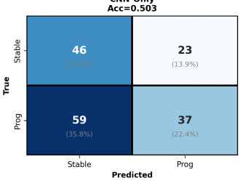
Training 2 - MSE , slopes normalization, no attention, weight sampling
Slope distribution | Min | Max | Mean | Std | Median
Fold 0 | -7.74 | -3.33 | -5.36 | 1.08 | -5.33
Fold 1 | -4.8 | -2.17 | -4.48 | 0.54 | -3.48
Fold 2 | -7.06 | -3.35 | -4.8 | 0.92 | -4.74
Fold 3 | -7.96 | -2.08 | -4.32 | 1.38 | -4.19
Fold 4 | -6.32 | -3.54 | -5.02 | 0.69 | -5.1
All folds | -7.96 | -2.08 | -4.6 | 1.17 | -4.57
FVC(52) prediction | MAE | RMSE | R^2
Fold 0 | 278.81 | 367.05 | 0.7882
Fold 1 | 195.24 | 269.94 | 0.9141
Fold 2 | 279.66 | 394.92 | 0.747
Fold 3 | 253.94 | 322.87 | 0.8356
Fold 4 | 233.74 | 303.45 | 0.8782
Average | 248.28 ± 31.54 | 331.65 ± 44.58 | 0.8326 ± 0.0601
Progress prediction | Accuracy | Precision | Recall | F1-Score | Specificity | AUC | AP
Fold 0 | 0.5 | 0.5 | 0.588 | 0.541 | 0.412 | 0.564 | 0.525
Fold 1 | 0.382 | 0.75 | 0.13 | 0.222 | 0.909 | 0.496 | 0.706
Fold 2 | 0.515 | 0.714 | 0.455 | 0.556 | 0.636 | 0.603 | 0.726
Fold 3 | 0.6 | 0.857 | 0.353 | 0.5 | 0.923 | 0.733 | 0.791
Fold 4 | 0.529 | 0.533 | 0.471 | 0.5 | 0.588 | 0.502 | 0.518
Average | 0.505 ± 0.070 | 0.671 ± 0.135 | 0.399 ± 0.154 | 0.464 ± 0.123 | 0.694 ± 0.196 | 0.580 ± 0.086 | 0.653 ± 0.111

