Sheet5
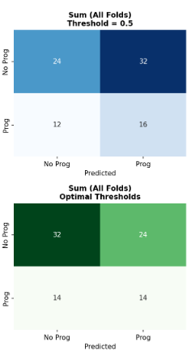
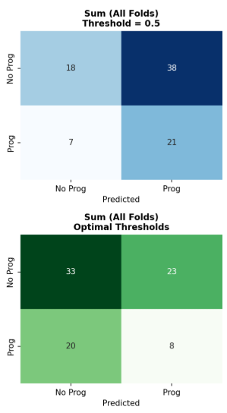
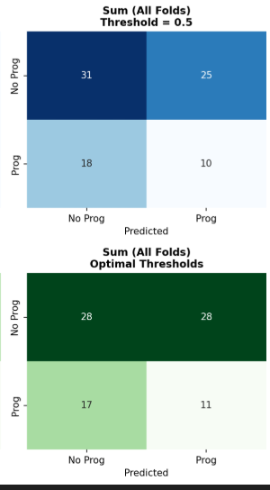
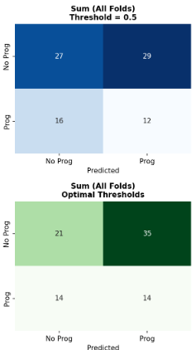
Setup | Summary | Accuracy | Precision | Recall | F1 | Specificity | AUC
5Fold- config1 | Default(0.5) | 0.466±0.157 | 0.1952±0.1709 | 0.475±0.45 | 0.2514±0.2077 | 0.509±0.410 | 0.3651±0.1063
 | Optimal(0.5019) | 0.415±0.101 | 0.279±0.162 | 0.481±0.281 | 0.332±0.169 | 0.377±0.247 | 0.365±0.206
5Fold- config2 | Deafult(0.5) | 0.474±0.139 | 0.378±0.100 | 0.598±0.281 | 0.402±0.063 | 0.429±0.329 | 0.530±0.101
 | Optimal(0.5351) | 0.549±0.116 | 0.407±0.088 | 0.518±0.202 | 0.412±0.069 | 0.577±0.243 | 0.530±0.101
3Fold- config1 | Default(0.5) | 0.464±0.029 | 0.337±0.075 | 0.740±0.291 | 0.459±0.132 | 0.318±0.125 | 0.485±0.070
 | Optimal(0.518) | 0.488±0.121 | 0.268±0.047 | 0.285±0.136 | 0.255±0.072 | 0.590±0.242 | 0.485±0.070
3Fold- config2 | Default(0.5) | 0.488±0.137 | 0.191±0.137 | 0.351±0.249 | 0.247±0.175 | 0.550±0.321 | 0.457±0.052
 | Optimal(0.473) | 0.464±0.077 | 0.261±0.070 | 0.392±0.226 | 0.298±0.118 | 0.500±0.218 | 0.457±0.052

Confusion Matrices

5Fold- config1 |  |  | 5Fold-config2 |  |  | 3Fold-config1 |  | 3Fold-config2

