Foglio1
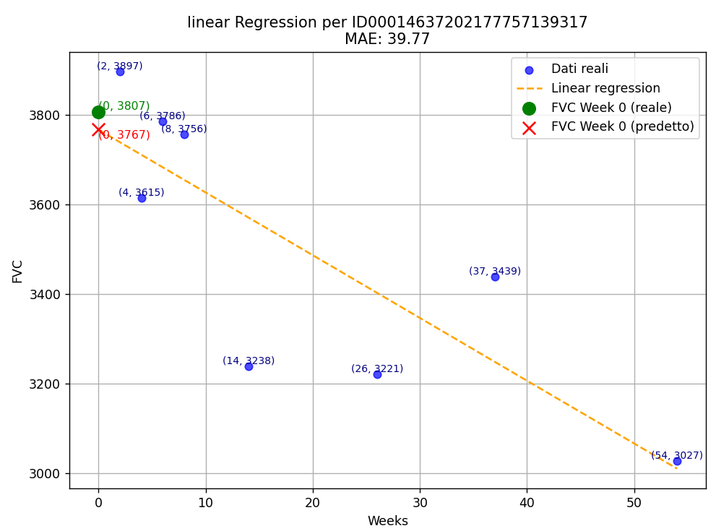
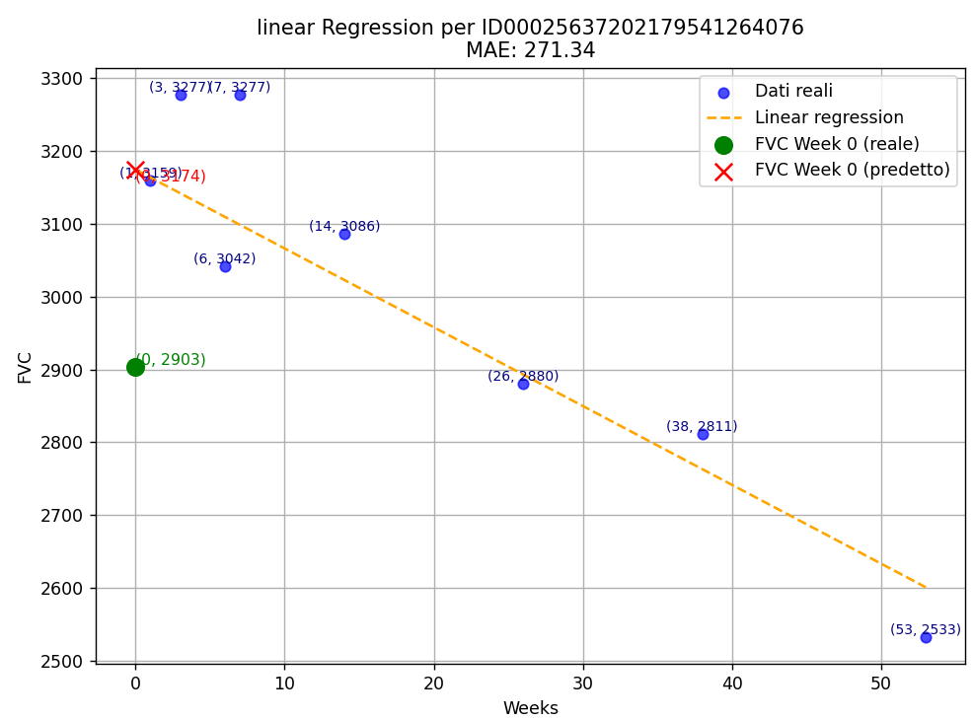
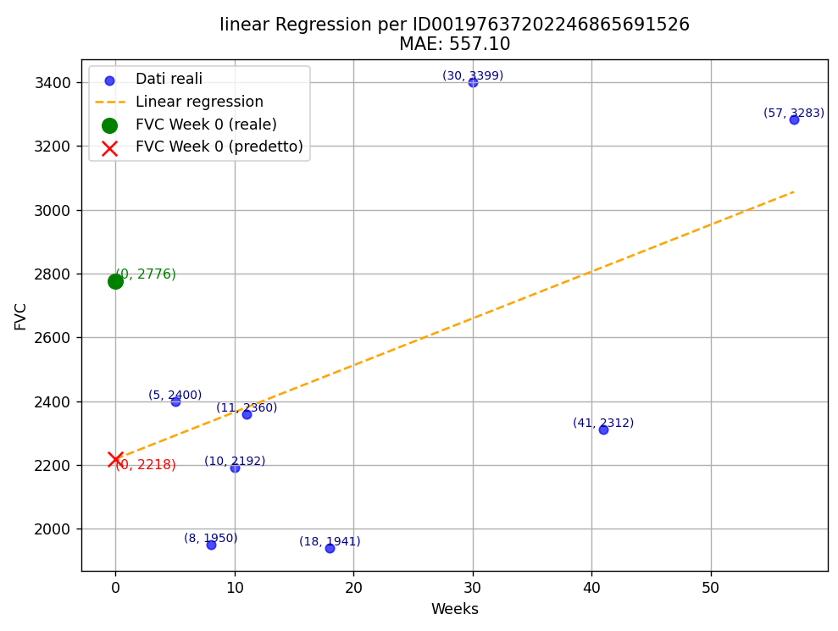
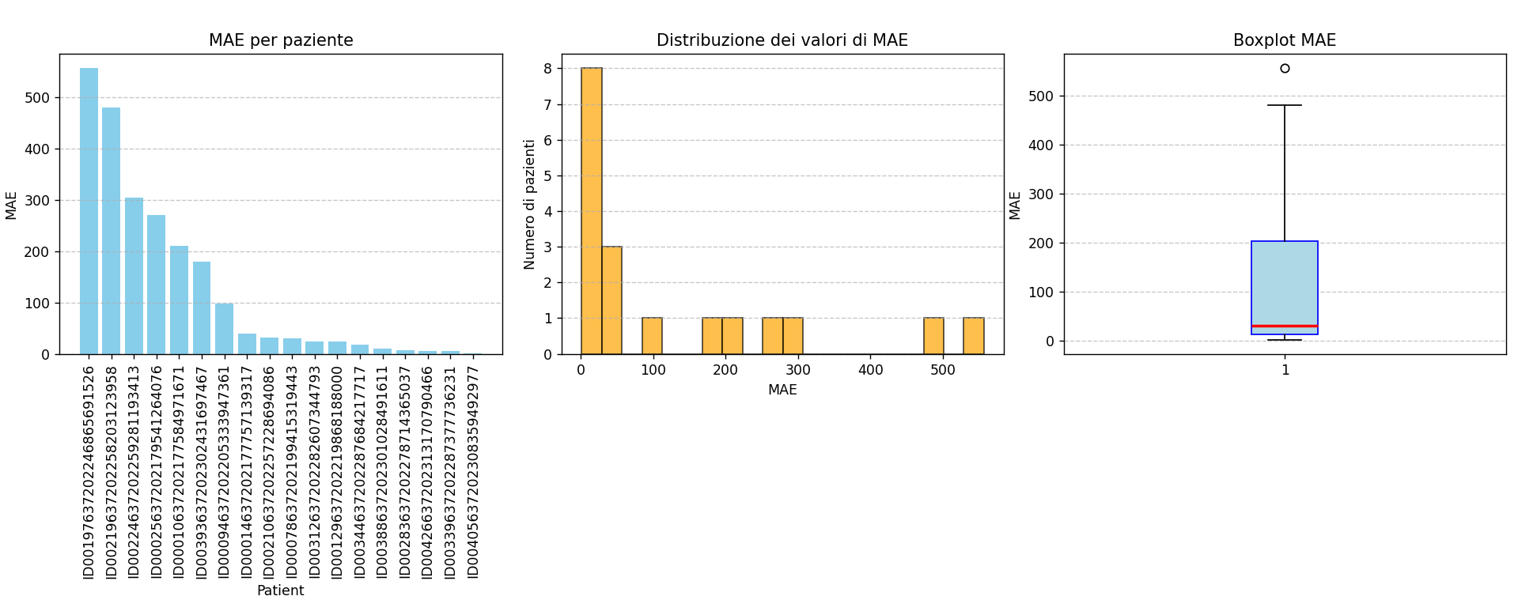
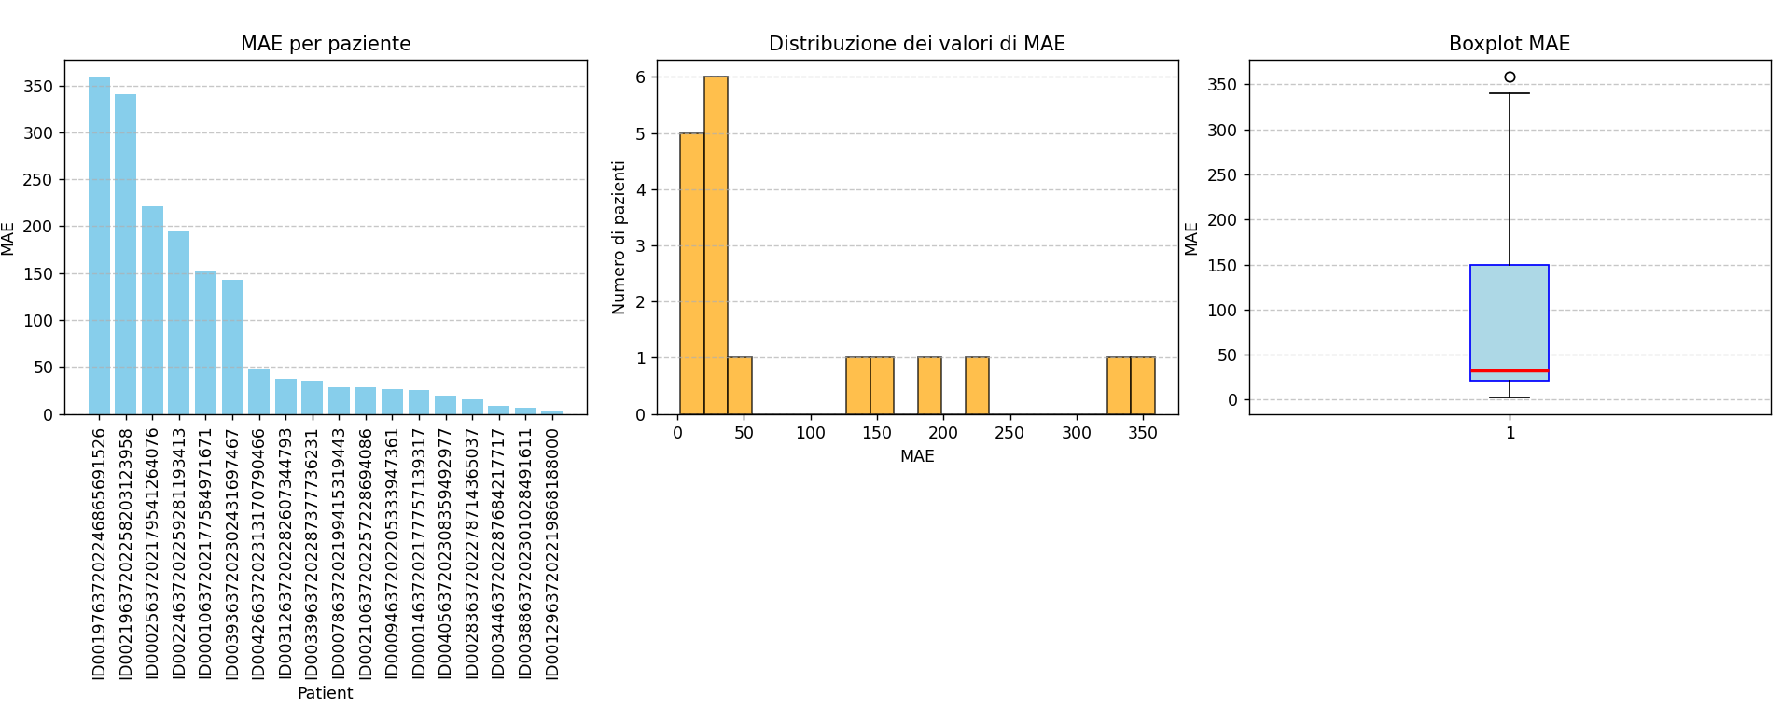
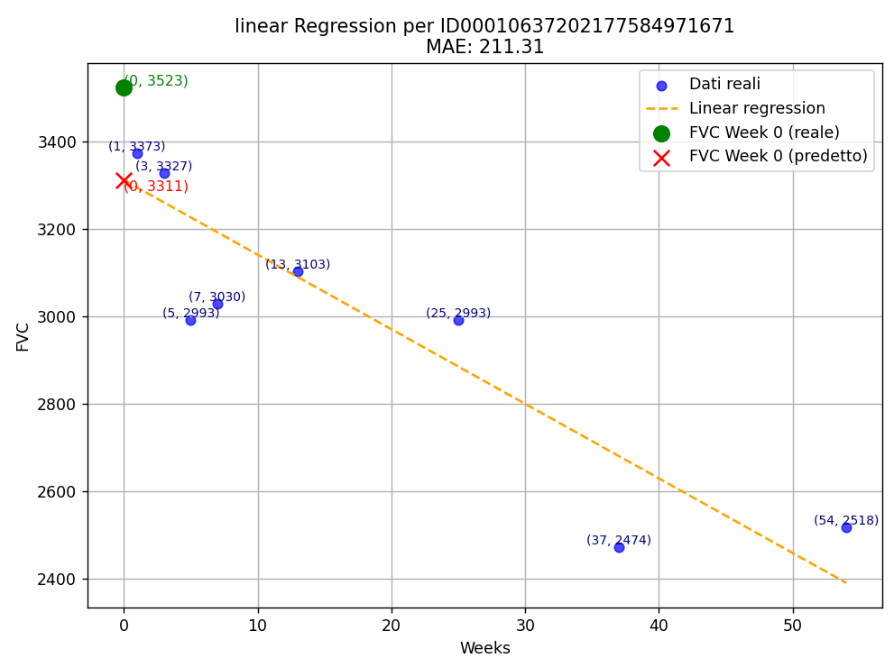
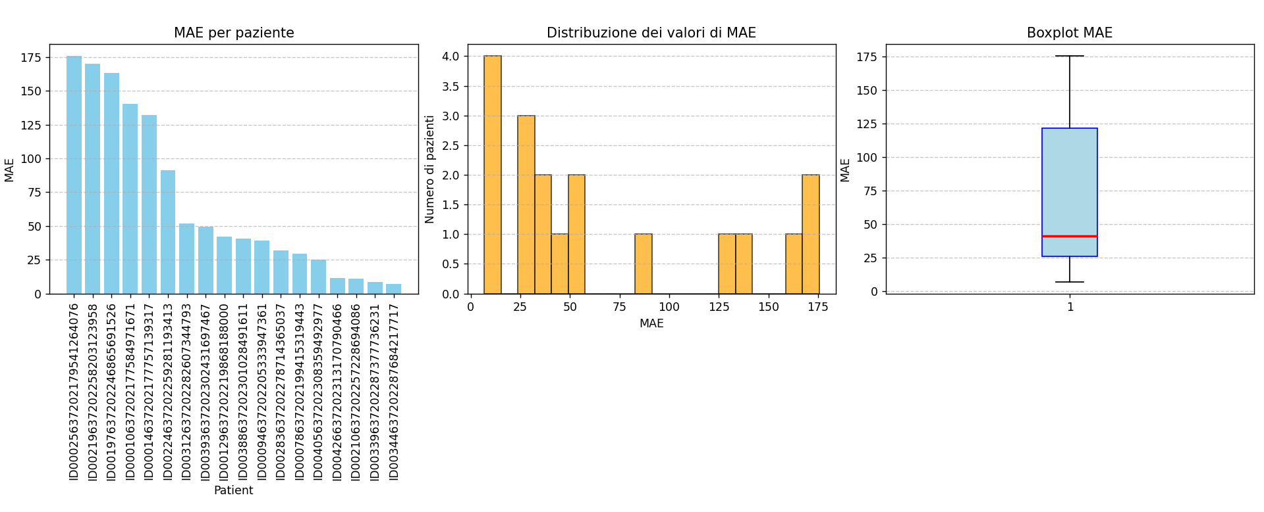
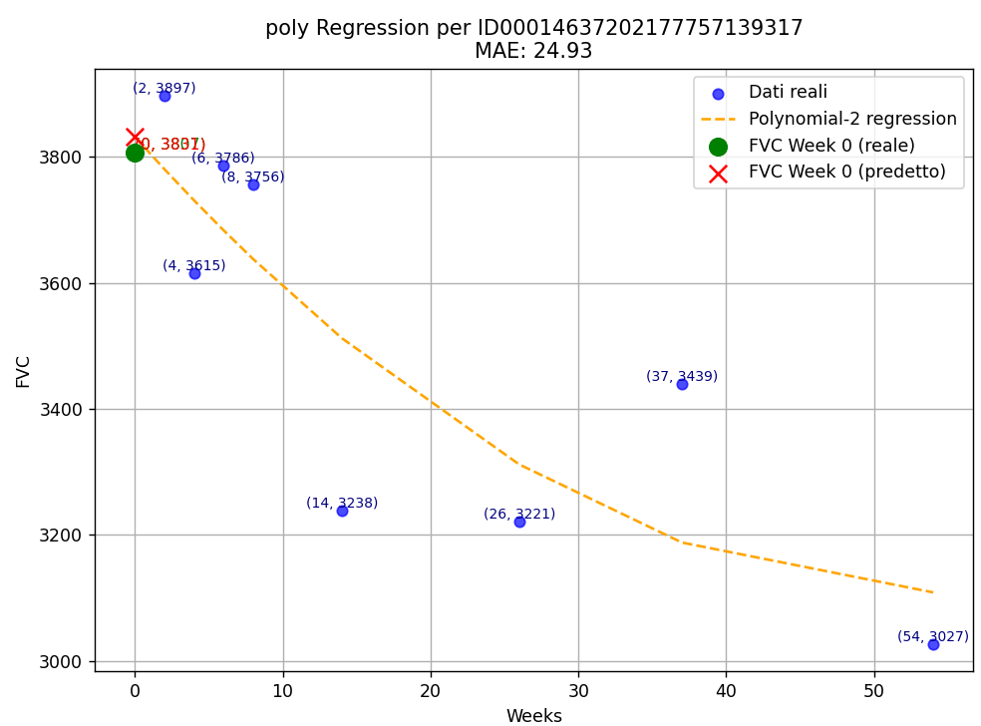
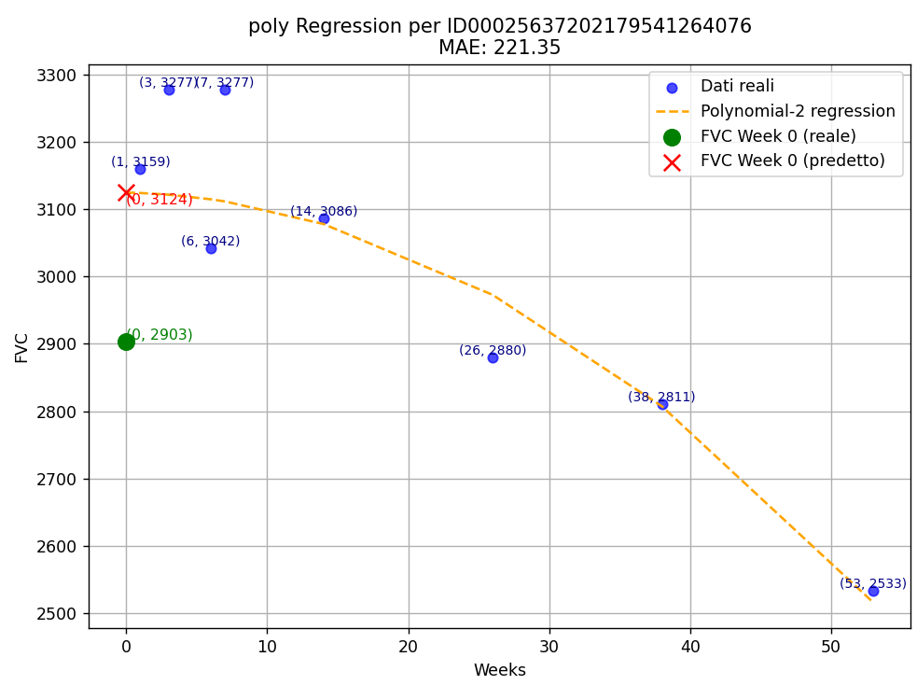
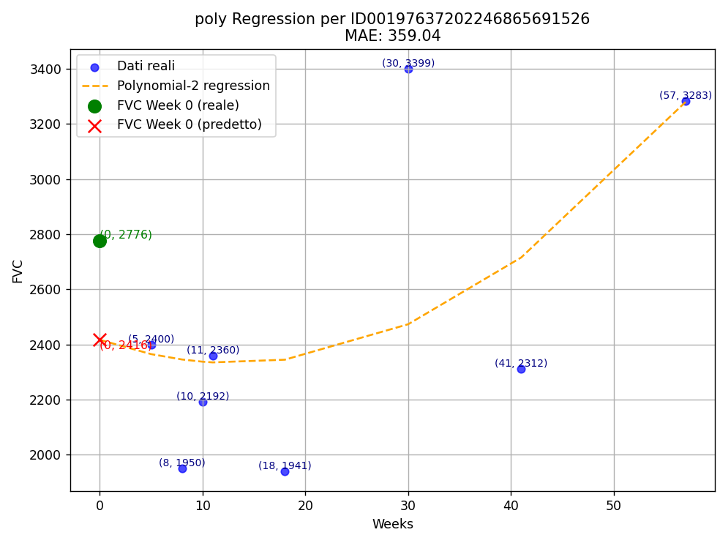
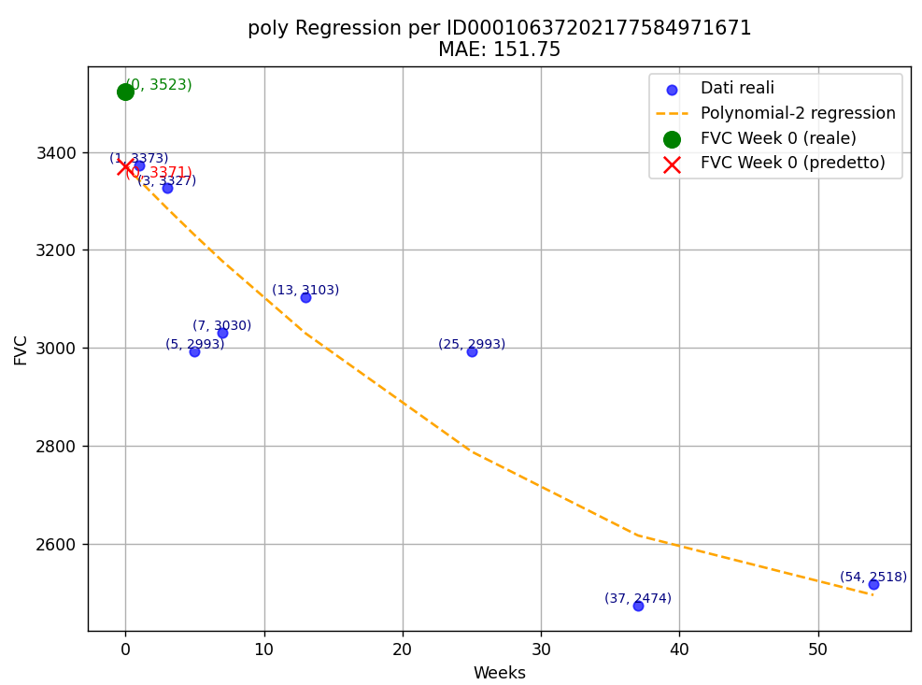
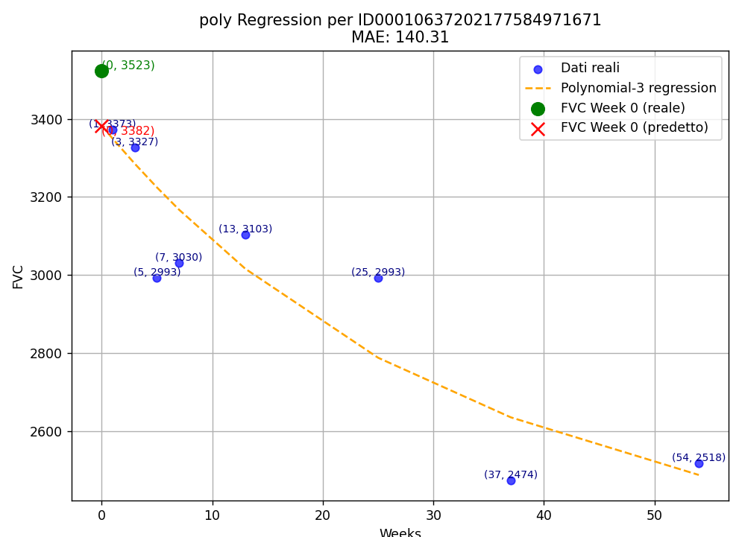
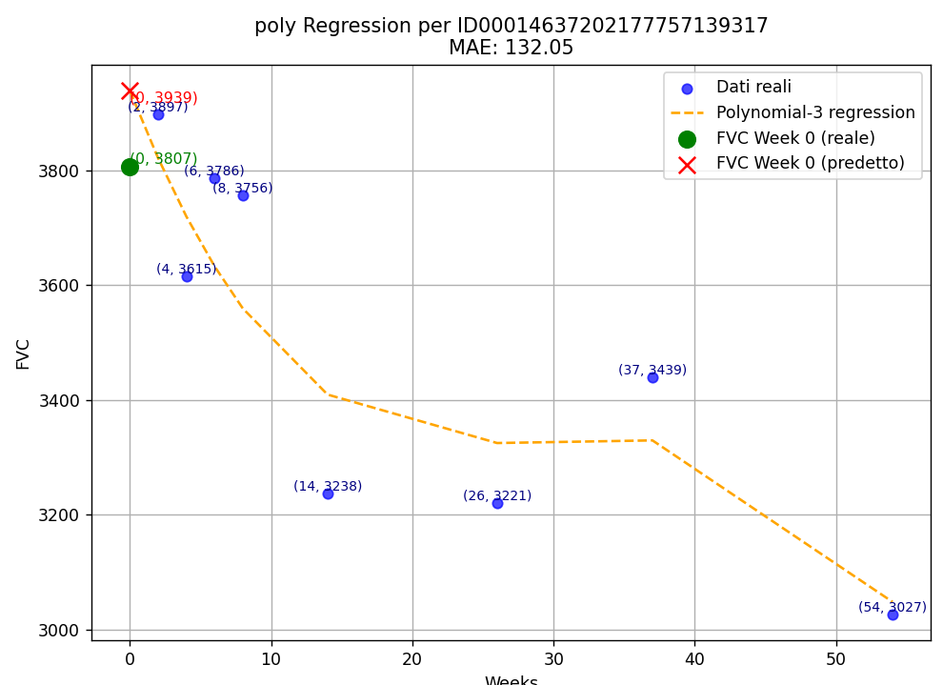
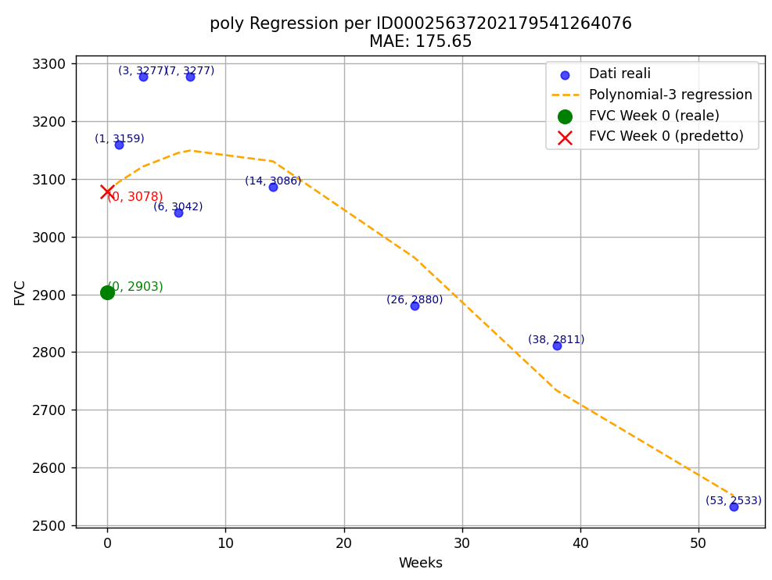
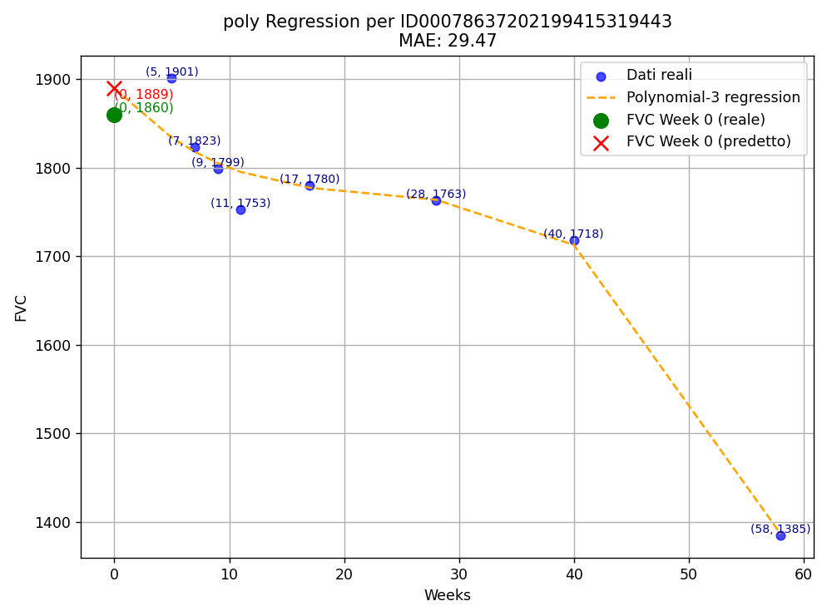
Patient Id | Ground Truth | Linear Regression | MAE - LR | Polynomial 2 | MAE - P2 | Polynomial 3 | MAE - P3
ID00010637202177584971671 | 3523.00 | 3311.69 | 211.31 | 3371.25 | 151.75 | 3382.69 | 140.31 | Patient Id | MAE - LR | MAE - P2 | MAE - P3
ID00014637202177757139317 | 3807.00 | 3767.23 | 39.77 | 3831.93 | 24.93 | 3939.05 | 132.05 | Average | 127.62 | 93.95 | 67.76
ID00025637202179541264076 | 2903.00 | 3174.34 | 271.34 | 3124.35 | 221.35 | 3078.65 | 175.65 | Max value | 557.10 | 359.04 | 175.65
ID00078637202199415319443 | 1860.00 | 1890.25 | 30.25 | 1831.44 | 28.56 | 1889.47 | 29.47 | Min value | 1.08 | 2.27 | 6.88
ID00094637202205333947361 | 4916.00 | 4818.19 | 97.81 | 4890.12 | 25.88 | 4876.73 | 39.27 | Std | 172.49 | 114.96 | 60.51
ID00129637202219868188000 | 2253.00 | 2276.26 | 23.26 | 2250.73 | 2.27 | 2211.08 | 41.92 | Median | 30.70 | 32.08 | 41.26
ID00197637202246865691526 | 2776.00 | 2218.90 | 557.10 | 2416.96 | 359.04 | 2612.57 | 163.43
ID00210637202257228694086 | 2846.00 | 2814.85 | 31.15 | 2817.90 | 28.10 | 2835.07 | 10.93
ID00219637202258203123958 | 6399.00 | 5919.05 | 479.95 | 6058.66 | 340.34 | 6228.78 | 170.22
ID00224637202259281193413 | 2992.00 | 2686.97 | 305.03 | 2797.41 | 194.59 | 2900.96 | 91.04
ID00283637202278714365037 | 1965.00 | 1958.08 | 6.92 | 1949.61 | 15.39 | 1933.10 | 31.90
ID00312637202282607344793 | 1879.00 | 1855.41 | 23.59 | 1841.51 | 37.49 | 1827.18 | 51.82
ID00339637202287377736231 | 3574.00 | 3569.00 | 5.00 | 3538.41 | 35.59 | 3582.51 | 8.51
ID00344637202287684217717 | 2066.00 | 2083.90 | 17.90 | 2074.65 | 8.65 | 2072.88 | 6.88
ID00388637202301028491611 | 3157.00 | 3146.54 | 10.46 | 3163.69 | 6.69 | 3197.59 | 40.59
ID00393637202302431697467 | 3562.00 | 3741.70 | 179.70 | 3704.30 | 142.30 | 3611.43 | 49.43
ID00405637202308359492977 | 1560.00 | 1558.92 | 1.08 | 1579.53 | 19.53 | 1534.91 | 25.09
ID00426637202313170790466 | 2925.00 | 2919.40 | 5.60 | 2876.37 | 48.63 | 2936.23 | 11.23
Average |  |  | 127.62 |  | 93.95 |  | 67.76
Max value |  |  | 557.10 |  | 359.04 |  | 175.65
Min value |  |  | 1.08 |  | 2.27 |  | 6.88
Std |  |  | 172.49 |  | 114.96 |  | 60.51
Median |  |  | 30.70 |  | 32.08 |  | 41.26

