Hoja1
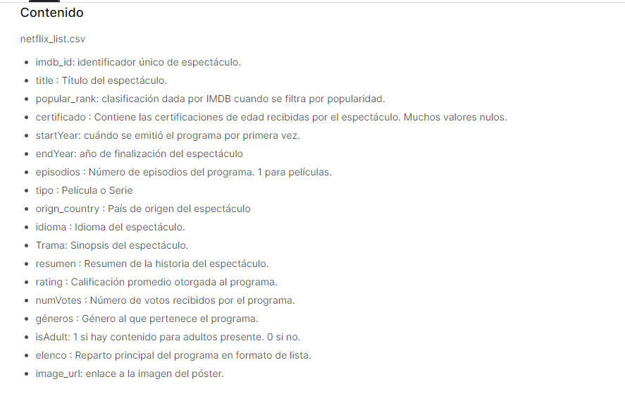
https://www.kaggle.com/datasets/snehaanbhawal/netflix-tv-shows-and-movie-list

El conjunto de datos contiene la lista y los metadatos de todos los programas de televisión y películas disponibles en Netflix actualmente, alrededor de 7000 tomados del sitio web de IMDB.

