Confusion Matrix
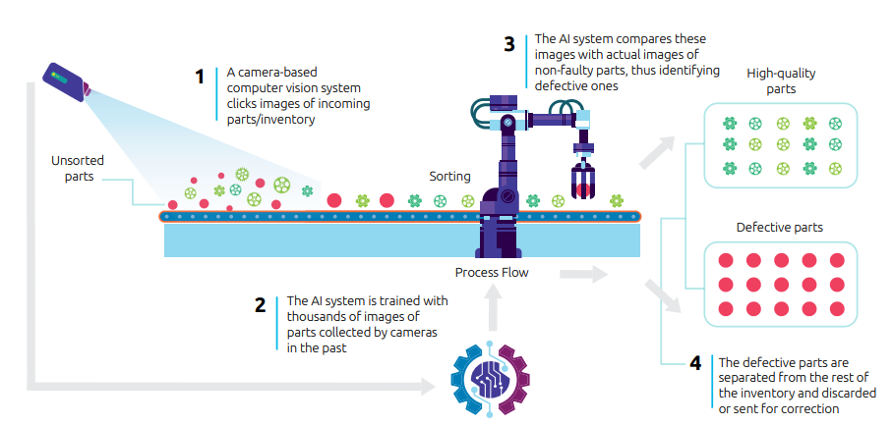
Confusion Matrix for Binary Classifier
(OK=high quality parts / not OK=defective parts)

 |  | Predicted
 | n=1000 | OK | notOK
Actual | OK | 350 | 50
 | notOK | 100 | 500

