CLI Commands
Copy
Copy
Copy
npx cypress open | npx mochawesome-merge .\mochawesome-report\*.json | out-file -encoding ascii ./ResultSet.json
node_modules/.bin/cypress open
npx cypress run | TRUE
Copy
node_modules/.bin/cypress run
Copy
npm init
Copy
npx cypress run --reporter mochawesome
Copy
npx cypress run --reporter junit
Copy
npx cypress run --reporter cucumber-html
Copy
npx cypress run --headed
Copy
npx cypress run --browser chrome
Copy
npx cypress run --browser edge
Copy
npx cypress run --browser electron
Copy
npx cypress run --spec "filepath"
Copy
Merge
npx mochawesome-merge .\cypress\results\*.json | out-file -encoding ascii ./report1.json | npx mochawesome-merge | .\ | mochawesome-report | \*.json | | | out-file -encoding ascii | ./ | ResultSet | .json
Copy
npx marge .\report1.json --reportDir .\cypress\report1.html
npm install cypress
npm install --save-dev cypress-multi-reporters mocha-junit-reporter

 | npx mochawesome-merge .\mochawesome-report\*.json | out-file -encoding ascii ./ResultSet.json
 | npx marge .\ResultSet.json --reportDir .\cypress\results\ResultSet.html

Config
mochawesome | reporter: 'mochawesome', reporterOptions: { reportDir: 'mochawesome-report', overwrite: false, html: false, json: true | 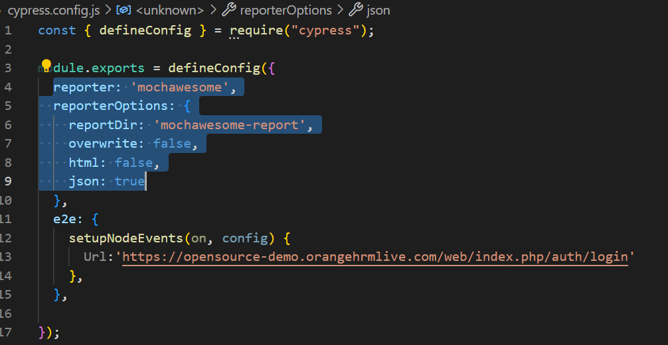
Excel to Json Data conversion | var xlsx=require("xlsx"); const fs=require("fs"); const wb=xlsx.readFile("testData.xlsx",{cellDates:true}); const ws=wb.Sheets["Sheet2"]; console.log(ws); const data=xlsx.utils.sheet_to_json(ws,{raw: false}); let newData=[]; newData=data.map((d)=>{ //if(d.Paid==="TRUE")d.Paid=true; //if(d.Paid==="FALSE")d.Paid=false; return d; }) console.log("data fetched"); console.log(newData); fs.writeFileSync("cypress\\fixtures\\DataJson.json", JSON.stringify(newData,null,2)); | 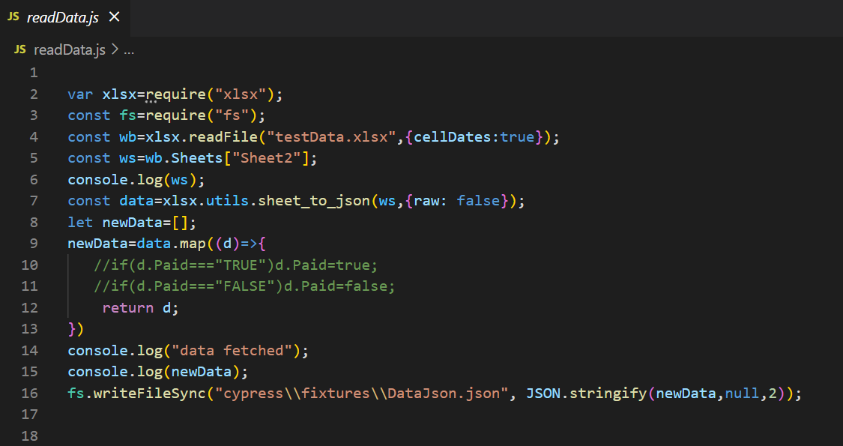
Junit | reporter: 'junit', reporterOptions: { mochaFile: 'cypress/Output/my-test-output.xml', toConsole: true, overwrite: false }, | 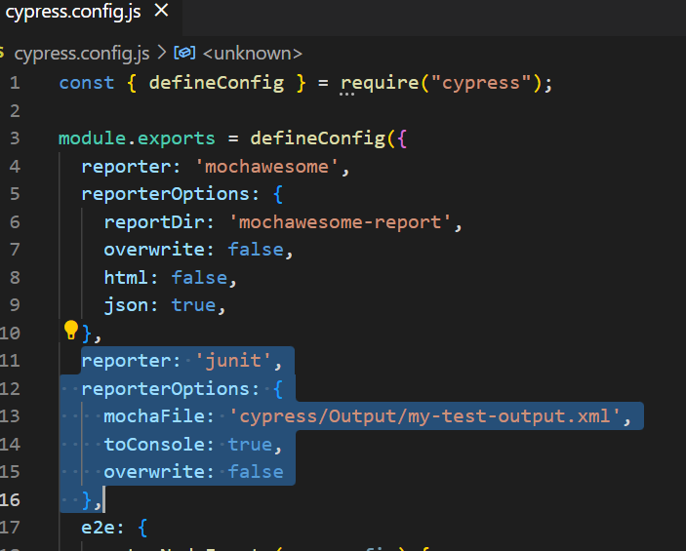
Cucumber configuration | const { defineConfig } = require("cypress"); const createBundler = require("@bahmutov/cypress-esbuild-preprocessor"); const preprocessor = require("@badeball/cypress-cucumber-preprocessor"); const createEsbuildPlugin = require("@badeball/cypress-cucumber-preprocessor/esbuild"); async function setupNodeEvents(on, config) { await preprocessor.addCucumberPreprocessorPlugin(on, config); on( "file:preprocessor", createBundler({ plugins: [createEsbuildPlugin.default(config)], }) ); // Make sure to return the config object as it might have been modified by the plugin. return config; } module.exports = defineConfig({ e2e: { specPattern: "**/*.feature", supportFile: false, setupNodeEvents, }, }); | 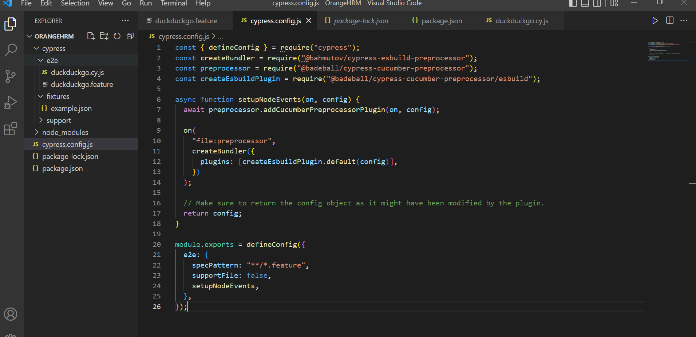 | 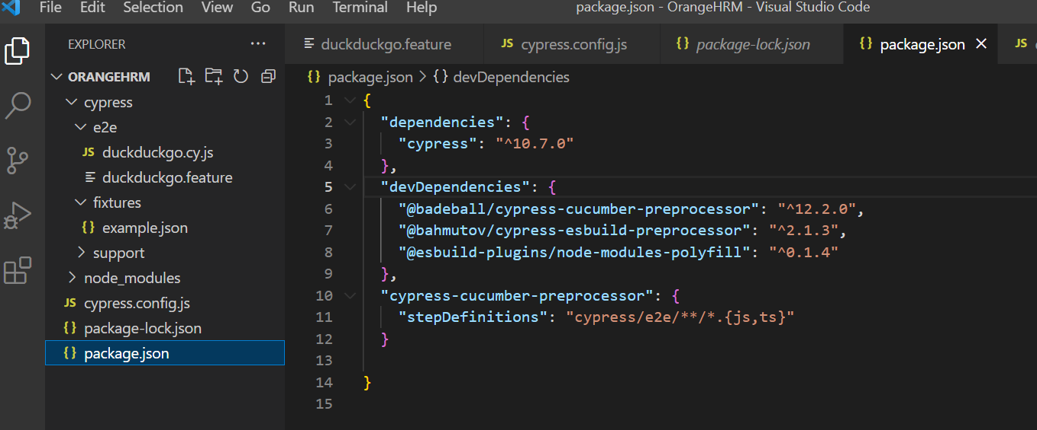
package.json for cucumber | { "dependencies": { "cypress": "^10.7.0" }, "devDependencies": { "@badeball/cypress-cucumber-preprocessor": "^12.2.0", "@bahmutov/cypress-esbuild-preprocessor": "^2.1.3", "@esbuild-plugins/node-modules-polyfill": "^0.1.4" }, "cypress-cucumber-preprocessor": { "stepDefinitions": "cypress/e2e/**/*.{js,ts}" } }
Data Driven | const { defineConfig } = require("cypress"); const xlsx = require('node-xlsx').default; const fs = require('fs'); // for file const path = require('path'); // for file path const readXlsx = require('./read-xlsx') module.exports = defineConfig({ e2e: { setupNodeEvents(on, config) { on('task', { parseXlsx({ filePath }) { return new Promise((resolve, reject) => { try { const jsonData = xlsx.parse(fs.readFileSync(filePath)); resolve(jsonData); } catch (e) { reject(e); } }); }}); on('task', { 'readXlsx': readXlsx.read }) } },}) | 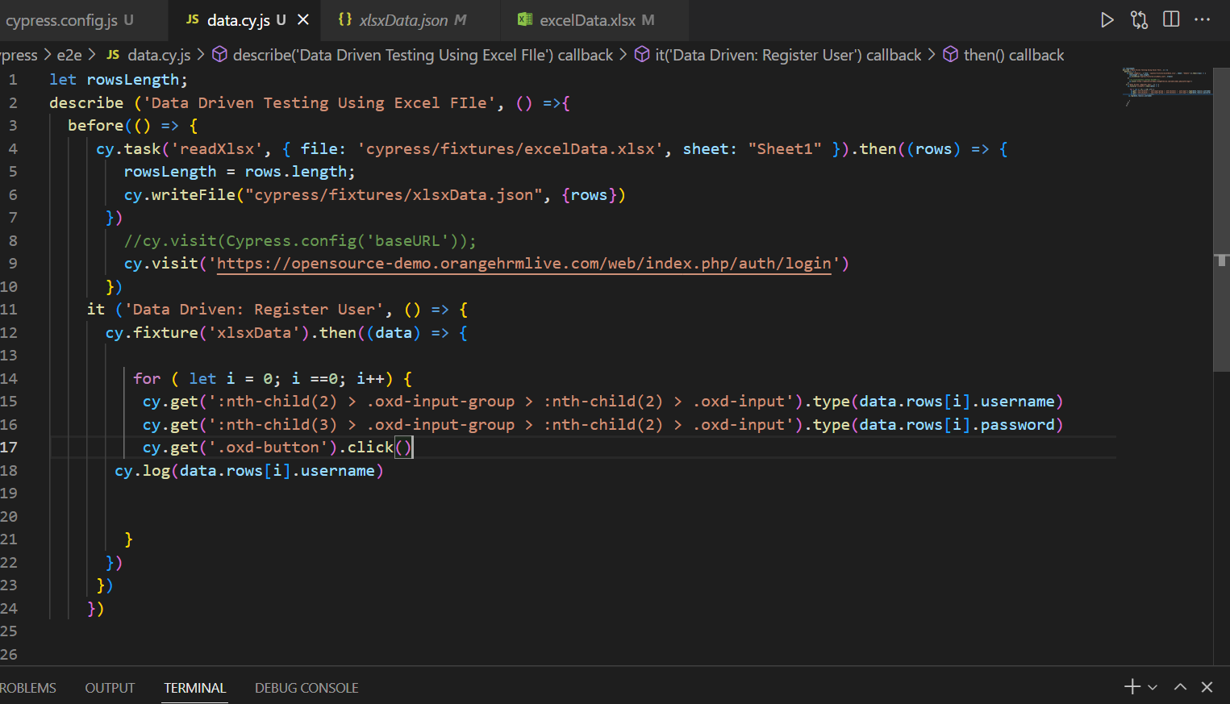 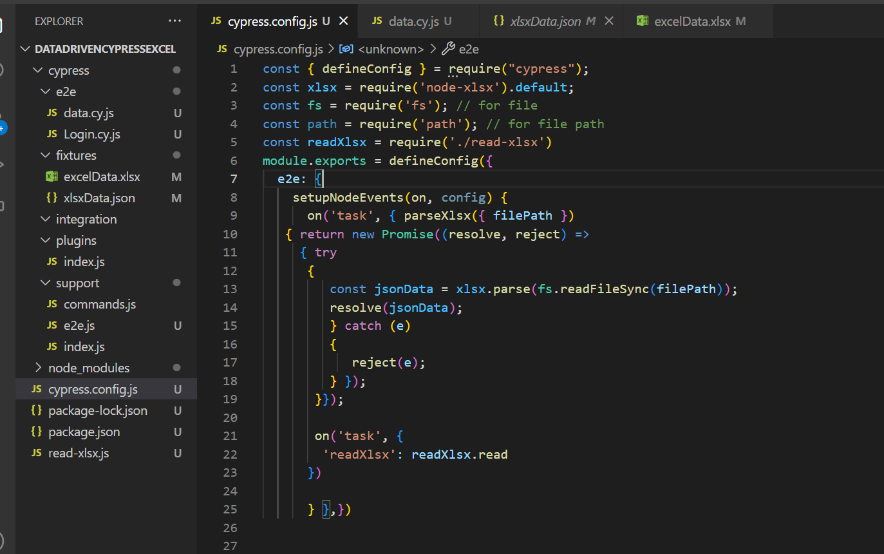 |  | 