BL
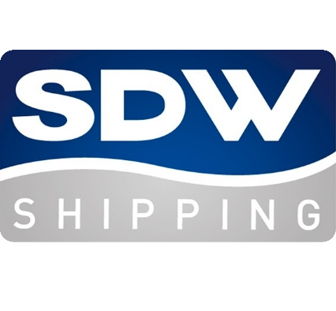

 |  | SDW SHIPPING

Shipper |  |  | BILL OF LADING N°
SDW SHIPPING B.V. KORTE BEESTENMARTKT 2-A |  |  | Ref
2512 GP DEN HAAG THE NETHERLANDS

Consignee (if "to Order " so indicate) |  |  | Name of Carrier
 |  |  | SDW SHIPPING B.V.
 |  |  | KORTE BEESTENMARKT 2-A
 |  |  | 2512GP DEN HAAG
 |  |  | THE NETHERLANDS

Notify Party |  |  | SHIPPED on board in apparent good order and condition, unless otherwise stated and to be discharged at the aforesaid port of discharge or so near thereto as the Vessel may safely get and be always safe afloat. This Bill of Lading is a receipt only for the number of packages shown herein. Weight, measurements, marks and numbers, quality, quantity, contents and value shown above are furnished by the Merchant and have not been checked and are to be considered unknown unless expressly acknowledged and agreed to. The signing of this Bill of Lading is not to be considered as such acknowledgement or agreement. In accepting this Bill of Lading the Merchant expressly accepts and agrees to all its stipulations, exceptions and conditions, on both pages, whether printed, written, stamped or otherwise incorporated, as fully as if they were all signed by the Merchant. One of the Bills of Lading must be surrendered duly endorsed in exchange for the Goods or delivery order. IN WITNESS whereof the Master or Agent of the said Vessel has signed the number of original Bills of Lading stated below, all of this tenor and date, one of which being accomplished, the others to stand void. full freight and charges are payable as per agreement, but always deemed earned latest on signing Bill of Lading, discountless and non returnable, Ship and/or Goods lost or not.

Pre-carriage | Place of Receipt
 | xxxx
Ocean Vessel & Voyage N° | Port of Loading |  | For Delivery of Goods, Please Apply to

Port of Discharge | Place of Delivery |  | Final Destination (for Customs Reference Only)

Container N° & Seal N° Marks and N° | Description of Goods |  |  | Gross weight (Kilos) | Measurement (Cubic Meter)

 |  | Total Bultos |  | Total Peso

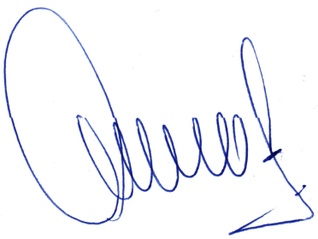
Currency is |  | Freight payable at (Prepaid-Collect ) |  | Place and Date of Issue
USD
 |  | Freight & Charges Collect

