Transport Manager
Transport Manager
1 | Transport Manager
2 | Waste Manager
3 | Smartsource

1st confirm if the install is to an already allocated asset, or if it must replace an existing asset.
DTRE Client > Voucher Processing > Transports

Please confirm which of the below assets have been replaced by the new PC?

Change Transport PC
SELECT * FROM [SybNedZaAdmin].[dbo].[idmsTransport] WHERE TranNo = '113'

/*
UPDATE [SybNedZaAdmin].[dbo].[idmsTransport]
SET ComputerName = 'N0610052418'
WHERE TranNo = '113'
*/

*Can't update via EM as Transport No only allows up to 99, therefore use SQL update for 99+.

1.1 Install Transport Manager from .99 Sybrin Installer
\\nbpdtrefileqa\Sybrin\System\Software\99 Install
Copy: | BAT File Sigver |  | (Sybrin Upgrade (x86)_64_bit.bat, Sigver_Conn_Text.txt, Sigver_Compatibility_99_32bit.bat)
 | Transport Manager folder
 | Sybrin7.Client.7.99.99.99_20180207.exe

Install: | Sybrin Client |  | >> | DTRE PROD |  | SQL08DTREPROD |  | 65201
 | Transport Manager
 | Scanner Drivers > |  | UniSYS Capi
Folders access
Check path
\\105dtrefilepr\sybrin\libraries
If not, then manager must add them on Identity IQ to group: |  |  |  |  |  | Sybrin_DTRE_Capturers_PROD

Folder security (enable full access):
C:\Program Files (x86)\Sybrin\Drivers |  |  |  | or | C:\Program Files\Sybrin\Drivers
Sybrin_DTRE_Capturers_PROD
 | All PROD x4 + Installers
 |  | Sybrin_DTRE_Capturers_PROD
 |  | Sybrin_DTRE_Enquiry_PROD
 |  | Sybrin_DTRE_Administrators_PROD
 |  | Sybrin_DTRE_Trusted_Installer_PROD

Copy "Sybrin" folder structure from Drop Folder to C:\
Share > Read & Write (Drop-down "Everyone")
C:\Sybrin
Sybrin_DTRE_Capturers_PROD
Ensure filter down to subfolders: Cache, Cash, Staging

1.2 Transport DLL error / Dot Net Fix
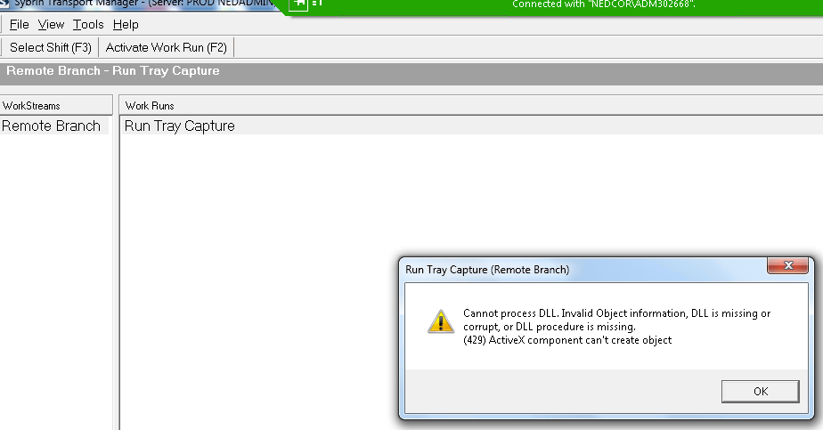

c:\Drop\Transport Manager\...
\\nbpdtrefileqa\Sybrin\System\Software\99 Install\DLL DTRE

Copy * files, including all .dlls

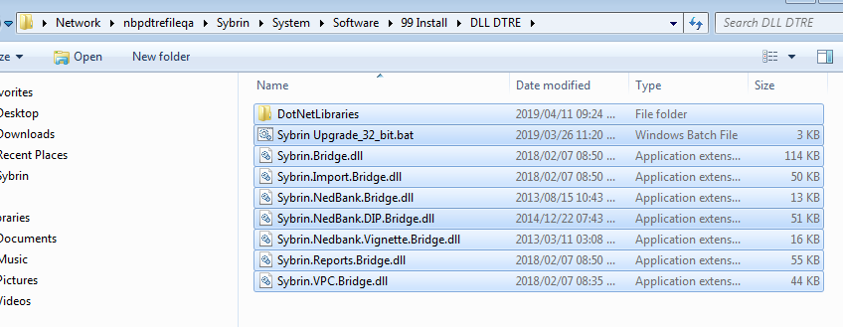

\\nbpdtrefileqa\Sybrin\System\Software\99 Install\BAT File DTRE

Delete:

Copy all 3 parts to Program Files\Sybrin

Run bat file (says 64 but is actually 32 bit)

2.1 Install Waste Manager & DIP Monitor
*uninstall old version first if present |  |  |  |  |  |  |  |  | Old version (DIPs):
New version (remotes): |  |  |  |  |  |  |  |  | \\nbpdtrefileqa\Sybrin\System\Software\99 Install\Transport Manager\WasteClient - DIP
C:\Drop\...WasteClient install - Remote.bat |  |  |  |  | or | \\nbpdtrefileqa\Sybrin\ |  |  | setup.exe | (install for Everyone)
 |  |  | <as admin> |  |  | install.bat
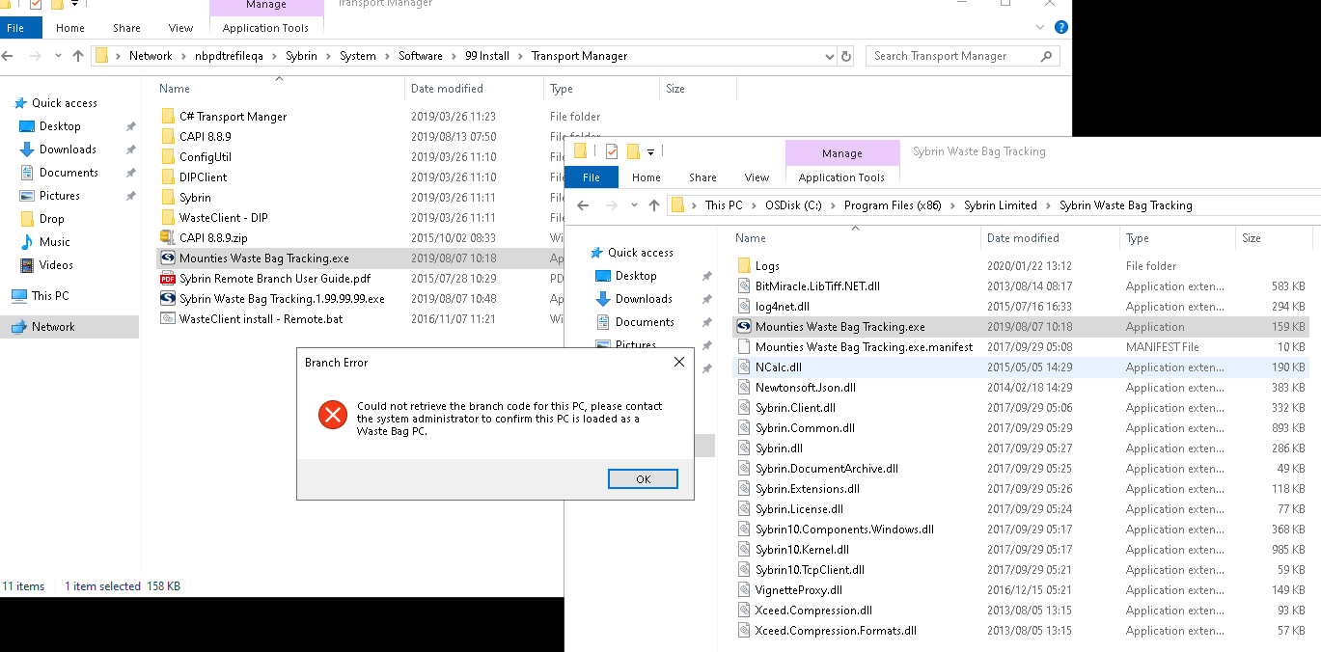
C:\Drop\Transport Manager\ConfigUtil
setup.exe |  | (install for Everyone)

C:\Drop\Transport Manager\DIPClient
setup.exe |  | (install for Everyone)

C:\Program Files (x86)\Sybrin Systems\Sybrin TCP Configuration Utility
Sybrin_DTRE_Capturers_PROD
 | All PROD x4 + Installers
 |  | Sybrin_DTRE_Capturers_PROD
 |  | Sybrin_DTRE_Enquiry_PROD
 |  | Sybrin_DTRE_Administrators_PROD
 |  | Sybrin_DTRE_Trusted_Installer_PROD

Copy matching .exe to: |  |  | c:\program files\Sybrin Limited\Sybrin Waste Bag Tracking
From: | C:\Drop\... |  | or | \\nbpdtrefileqa\Sybrin\System\Software\99 Install\Transport Manager
 | Mounties Waste Bag Tracking.exe
or | Sybrin Waste Bag Tracking.1.99.99.99.exe

All Programs > Sybrin > "Sybrin DIP Monitor Client".lnk : shortcut to desktop

2.2 Configure Sybrin DIP Monitor
C:\Program Files (x86)\Sybrin Systems\Sybrin TCP Configuration Utility\TCP.UI.ConfigUtil.exe
Edit Config |  |  |  |  |  |  |  | <as admin>

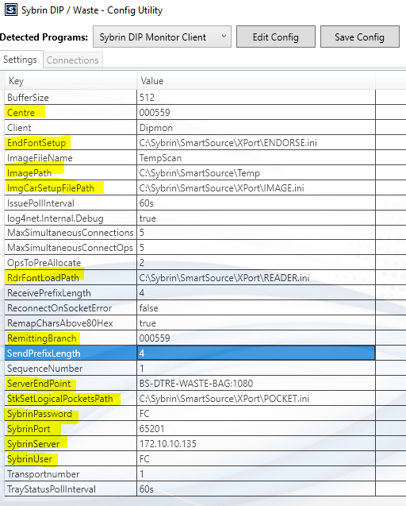

 |  |  |  |  |  |  |  | SybrinPort | 1071

Save Config

 |  |  |  |  | Drop-down = Sybrin Waste Client
 |  |  |  |  | Edit Config

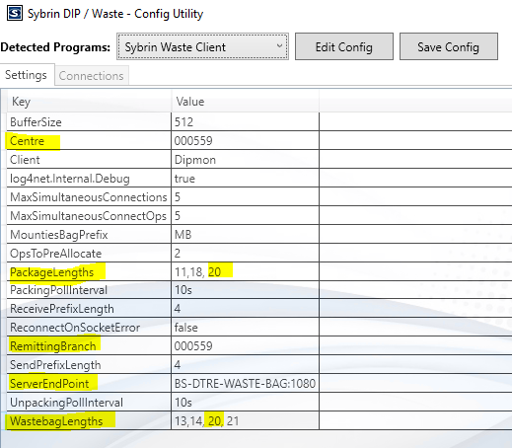

 |  |  |  |  | Save Config

Copy
C:\Drop\Transport Manager\Sybrin Limited\Sybrin_FTS_2 |  |  |  |  |  | > | C:\Program Files (x86)\Sybrin Limited
ConfigureService.exe |  |  | <as admin>
Install Service
Start Service
Close

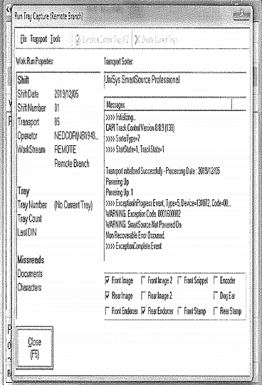
3. Install SmartSource
(Make sure Sybrin is closed)
\\nbpdtrefileqa\sybrin\system\software\99 Install\Transport Manager
Capi 8.8.9.zip |  | 25MB
Reinstall: Upgrade/Repair

Drive letter = C
Image Temp path = Sybrin\Smartsource\Temp

If stuck on ssldriver, can run up to an hour.

Will prompt for retstart - restart later, with Shutdown command

Run SmartSource Setup on desktop
Enter 1,1,1,1 for fields BEFORE restart

Ensure "SmartSource Startup".lnk desktop link is in Windows/Startup (right click Explore All Users)

Add "Exerciser".lnk Icon
Installed with SmartSource already, just find and add icon to desktop

Open Transport Manager > Remote Branch > Run Tray

Front image |  | Tools > Transport properties (tick only)
Rear image
Endorsing
Far right tab > log file & create Micr

Scan Manager
 | Scan Manager
1 | Sybrin Client install > Sybrin Scan Manager
 | Sybrin Client install > Scanner Drivers > TWAIN
 |  | \\nbpdtrefileqa\Sybrin\System\Software\99 Install\New folder\Kodak Scanner driver
2 | KODAK Drivers | \\nbpdtrefileqa\Sybrin\System\Software\99 Install\New folder\KODAK 12800
 | > I2800 or I2600 (smaller standard) or I4000 (big scanner)
 | > run setup.exe as Admin | Ask user what scanner?
 |  | I1200, I1220, ?
3 | Scan Manager
 | > file path error
 | > give Full control under Security permissions

 | Sigver: | (For Sigver & DTRE, to be safe, add all 7 groups. Search "sigver").

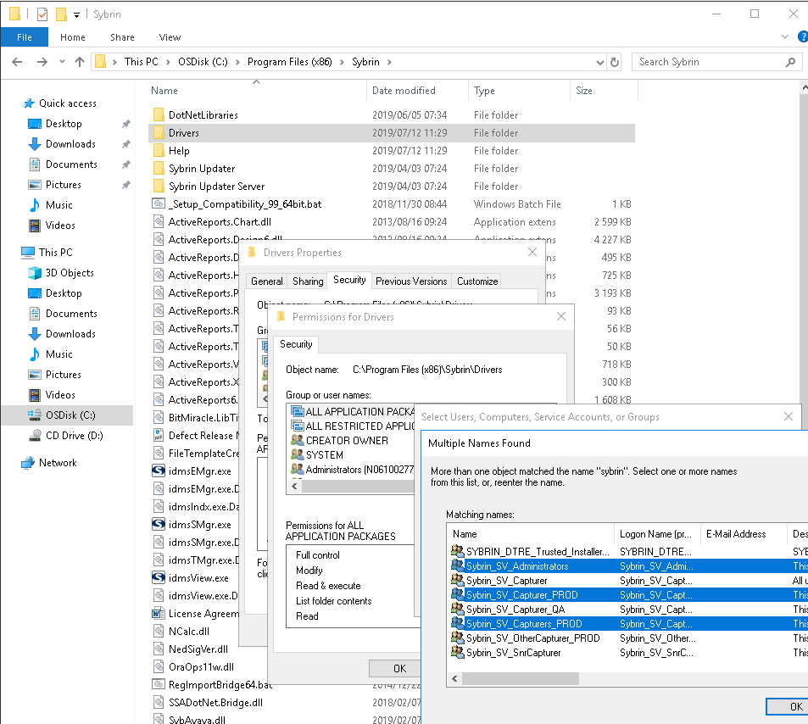

 | DTRE:
 | Folder security (enable full access):
 | C:\Program Files\Sybrin\Drivers
 | Sybrin_DTRE_Capturers_PROD

 | All PROD x4 + Installers
 | Sybrin_DTRE_Capturers_PROD
 | Sybrin_DTRE_Enquiry_PROD
 | Sybrin_DTRE_Administrators_PROD
 | Sybrin_DTRE_Trusted_Installer_PROD

DM
DM
Patch files: |  | \\nbpdtrefileqa\Sybrin\System\Software\Installations\LatestQA
Bat file: |  | Sybrin Upgrade QA.bat
DB tables
DTRE QA | > Business Banking CA |  |  | (also Business Banking ABF)

DB: | SybNedZaAdminDIP |  | (DM specific)
 | SybNedZaAdmin |  | (generic Sybrin - all mail, all docs)

Tables: | BusinessBankingCA
 | DocumentManagement

PROD CA: |  | SybNedZaAdmin.dbo.idmsSysMailIn |  |  |  |  |  | SELECT LEN(Body) [Body LENGTH], * FROM SybNedZaAdmin.dbo.idmsSysMailIn WHERE Source NOT IN ('Telex Inbox Service')
 |  |  |  |  |  |  |  | SELECT LEN(Body) [Body LENGTH], * FROM [SybNedZaAdmin].[dbo].[idmsSysMailOut] WHERE FromList NOT LIKE ('%telex%')
 |  | SybNedZaAdminDIP.dbo.BusinessBankingCA |  |  |  |  |  | SELECT LEN(Idx6) [Body LENGTH], * FROM [SybNedZaAdminDIP].[dbo].[BusinessBankingCA]

SybNedZaAdminDIP.dbo.BusinessBankingCA |  |  |  |  |  | SybNedZaAdminDIP.dbo.BusinessBankingABF
 | Idx |  |  |  |  |  | Idx
DocNo | KeyNo | Description |  |  |  | DocNo | KeyNo | Description
129 | 1 | Status |  |  |  | 131 | 1 | Status
129 | 2 | Date Received |  |  |  | 131 | 2 | Date Email Received
129 | 3 | From List |  |  |  | 131 | 3 | Sender
129 | 4 | CC List |  |  |  | 131 | 4 | CC List
129 | 5 | Subject |  |  |  | 131 | 5 | Subject
129 | 6 | Body of Email |  |  |  | 131 | 6 | Email Body
129 | 7 | Mitigant Number |  |  |  | 131 | 7 | Account Number
129 | 8 | BIN Number |  |  |  | 131 | 8 | BIN Number
129 | 9 | Dispatch Tracking Number |  |  |  | 131 | 9 | Security Number
129 | 10 | Request Received User ID |  |  |  | 131 | 10 | File to Who
129 | 11 | Request Received Date |  |  |  | 131 | 11 | CERT Track Number
129 | 12 | Mitigant TRN User ID |  |  |  | 131 | 12 | Request Received User ID
129 | 13 | Mitigant TRN Date |  |  |  | 131 | 13 | Request Received Date
129 | 14 | Custodian Request User ID |  |  |  | 131 | 14 | CERT Track User ID
129 | 15 | Custodian Request Date |  |  |  | 131 | 15 | CERT Track Date
129 | 16 | Filing Room User ID |  |  |  | 131 | 16 | Quality Assurance User ID
129 | 17 | Filing Room Date |  |  |  | 131 | 17 | Quality Assurance Date
129 | 18 | Filing Room Further IN User ID |  |  |  | 131 | 18 | Custodian Request User ID
129 | 19 | Filing Room Further INV Date |  |  |  | 131 | 19 | Custodian Request Date
129 | 20 | Dispatch User ID |  |  |  | 131 | 20 | Filing Room User ID
129 | 21 | Dispatch Date |  |  |  | 131 | 21 | Filing Room Date
129 | 22 | Copy Request User ID |  |  |  | 131 | 22 | Filing Room Inv User ID
129 | 23 | Copy Request Date |  |  |  | 131 | 23 | Filing Room Inv Date
129 | 24 | Further INV User ID |  |  |  | 131 | 24 | Dispatch User ID
129 | 25 | Further INV Date |  |  |  | 131 | 25 | Dispatch Date
129 | 26 | Reference Number |  |  |  | 131 | 26 | Copy Request User ID
129 | 27 | Bond |  |  |  | 131 | 27 | Copy Request Date
129 | 28 | Title |  |  |  | 131 | 28 | Further Inv User ID
129 | 29 | Expected Receiver |  |  |  | 131 | 29 | Further Inv Date
129 | 30 | SPARE |  |  |  | 131 | 30 | Msg ID

Process IDs
Prod: |  |  |  |  |  | Prod: |  |  |  | QA:
SybNedZaAdminDIP.dbo.BusinessBankingCA |  |  |  |  |  | SybNedZaAdminDIP.dbo.BusinessBankingABF |  |  |  | SybNedZaAdminDIP.dbo.DocumentManagement

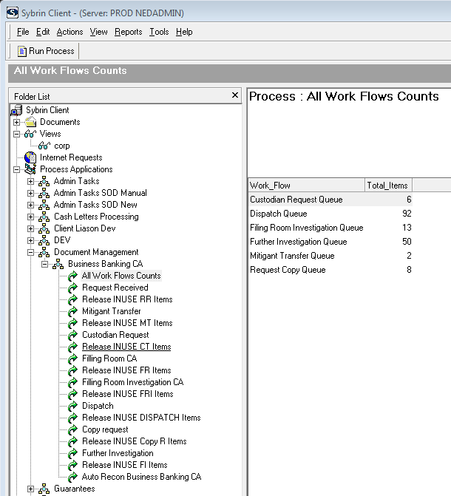
CA |  | Description |  |  |  | ABF
BBCACOUNT |  | All Work Flows Counts |  |  |  | BBABFCOUNT
DMBB-RR |  | Request Received |  |  |  | BBABF-RR |  | >> | DMBB-FR
DMBB-MT |  | Mitigant Transfer |  |  |  | - |  | >> | DMBB-C
- |  | Cert Track Request |  |  |  | BBABF-CR
- |  | Quality Assurance |  |  |  | BBABF-QA
DMBB-CT |  | Custodian Request |  |  |  | BBABF-CT |  | >> | DMBB-C
DMBB-FR |  | Filling Room CA |  |  |  | BBABF-FR |  | >> | DMBB-D
DMBB-FRI |  | Filling Room Investigation CA |  |  |  | BBABF-FRI |  | >> | DMBB-FR
- |  | Scanning |  |  |  | BBABF-DS
DMBB-D |  | Dispatch |  |  |  | BBABF-D |  | >> | DMBB-C
- |  | File Confirmation |  |  |  | BBABF-FC |  |  |  |  |  |  | SELECT CASE WHEN Idx1 = 'DMBB-RR' THEN 'Request Received Queue' WHEN Idx1 = 'DMBB-MT' THEN 'Mitigant Transfer Queue' WHEN Idx1 = 'DMBB-CT' THEN 'Custodian Request Queue'
DMBB-RC |  | Copy Request |  |  |  | BBABF-RC |  | >> | DMBB-C |  |  |  | WHEN Idx1 = 'DMBB-FR' THEN 'Filing Room Queue' WHEN Idx1 = 'DMBB-FRI' THEN 'Filing Room Investigation Queue' WHEN Idx1 = 'DMBB-D' THEN 'Dispatch Queue'
DMBB-I |  | Further Investigation |  |  |  | BBABF-I |  | >> | DMBB-C |  |  |  | WHEN Idx1 = 'DMBB-RC' THEN 'Request Copy Queue' WHEN Idx1 = 'DMBB-I' THEN 'Further Investigation Queue' ELSE Idx1 END AS [Work Flow] ,COUNT(IndNo) AS [Total Items]
AUTOBBCA |  | Auto Recon Emails Received |  |  |  | BBABF-AUTO |  |  |  |  |  |  | FROM SybNedZaAdminDIP.dbo.BusinessBankingCA
 |  |  |  |  |  |  |  |  |  |  |  |  | WHERE Idx1 NOT IN('DMBB-ID','DMBB-WD','DMBB-C')
DMBB-ID |  | Incomplete Data\Initial Requestor mailed more details |  |  |  |  |  |  |  |  |  |  | GROUP BY Idx1
DMBB-WD |  | Wrongly Delivered\Multiple Requests |  |  |  |  |  |  |  |  |  |  | ORDER BY Idx1

DMBB-C |  | Complete
RELEASE |  | Release |  |  |  |  |  | >> | DMBB-C

RRINUSE |  | Release INUSE RR Items
MTINUSE |  | Release INUSE MT Items
CTINUSE |  | Release INUSE CT Items
FRINUSE |  | Release INUSE FR Items
FRIINUSE |  | Release INUSE FRI Items
DINUSE |  | Release INUSE DISPATCH Items

SVN
C:\CSource\Nedbank\ZA\Branches\SS22879\NedAdmin
 | SybNedReports
 | SybNedInterfaces

https://zasvn.sybrin.co.za:8443/svn/CSource6/Nedbank/ZA/Trunk/NedAdmin/SybNedReports
SybNedReports.vbp

Teams
Business Banking - CA |  |  |  |  |  |  | Business Banking CA | Business Banking CA Filling R | Business Banking CA Team Lead
1 | Carol Milligan |  |  | N0610038980 |  | NB156978 |  |  | x
2 | Clayton Solomons |  | N0610019712 | N0610013321 |  | NB160748 | x
3 | Anees Davids |  |  | N0610022956 |  | NB175505 |  | x
4 | Sonia Ndlovu |  |  | N0610007508 |  | NB301320 |  | x
5 | Lindelani Mhlongo |  |  | V105P07PRN6323 |  | NB199529 |  | xx
6 | Comfort |  |  | N0610096041
7 | Sifiso Mavuso |  |  | N0610009260 |  | NB128329 | x
8 | Nomsa Jacobs |  | N0610038982 | N0610038976 |  | NB020275 | x
9 | Abigail Nchinyane |  |  |  |  | NB150136 |  | xx
10 | Jika Mncendi |  |  |  |  | NB047699 |  |  | x

Business Banking - ABF |  |  |  |  |  |  | Business Banking ABF | Business Banking ABF Filing R | Business Banking ABF Team Lead
1 | Delene Engelbrecht |  |  | N0610007500 |  | NB133326 |  |  | x
2 | Riaan Venter |  |  | N0610009253 |  | NB137289 | x
3 | Paulus Mokoena |  |  | N0610015830 |  | NB106164 | x
4 | Zandile Khaba |  |  | N0610009241 |  | NB046484 | x
5 | Elizabeth Motsemme |  |  | V105P07PRN6374 |  | NB049754 | x
6 | Phumzile Nhlapo |  |  | N0610009258 |  | NB167620 | x
7 | Harriet Mbhalati |  |  | N0610013318 |  | NB151883 | x
8 | Rehana Mookadam |  |  | VNBPP07PRN6349 |  | NB165806 | x
9 | Shereen Harley |  |  | N0610013312 |  | NB158015

Mail brief:
Manuals: | \\nbpdtrefileqa\Sybrin\NedbankDocumentation\BusinessBankingCA

From: Corne de Beer
Sent: Wednesday, 31 July 2019 10:01 AM
To: Franco Gates
Cc: Wikus Swanepoel
Subject: DM
Importance: High

Morning Franco,

Seeing the ARF issue is resolved now you can start focusing on DM.

All the code is within https://zasvn.sybrin.co.za:8443/svn/CSource6/Nedbank/ZA/Trunk/NedAdmin/SybNedReports

There are 4 classes I worked on, cant remember if all 4 are being used or I combined some of them.

Then within EM and Client there are many different work flows for CA and ABF.

ABF:

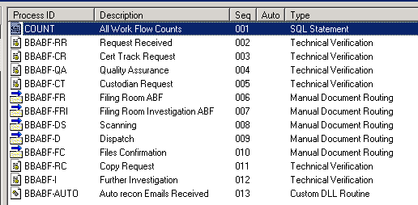

CA:

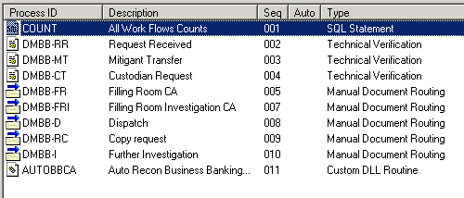

I also designed reports for user stats and then more important a tick list for the filing room to pull, please check in QA under reports for anything for Document Management.

For testing you will use documentmanagementqa@nedbank.co.za email box, we don’t have access to the box itself but we don’t need to have we send the emails there then a service account is linked to it and that service account is linked to the Sybrin emailing service which in turn allows us to read and import.

Please check on the QA (DTRE) file share for DM user manuals, I created many of them.
\\nbpdtrefileqa\Sybrin\NedbankDocumentation\BusinessBankingCA

You can start going through everything so long and then later I will come and sit with you to go through the system.

You are going to run with this, this means meetings (please follow up with Pauline and Rene, they said it will be this week), logging of changes, testing, new requirements, updates of old requirements etc.

Sybrin:
DTRE QA | > Business Banking CA |  |  | (also Business Banking ABF)

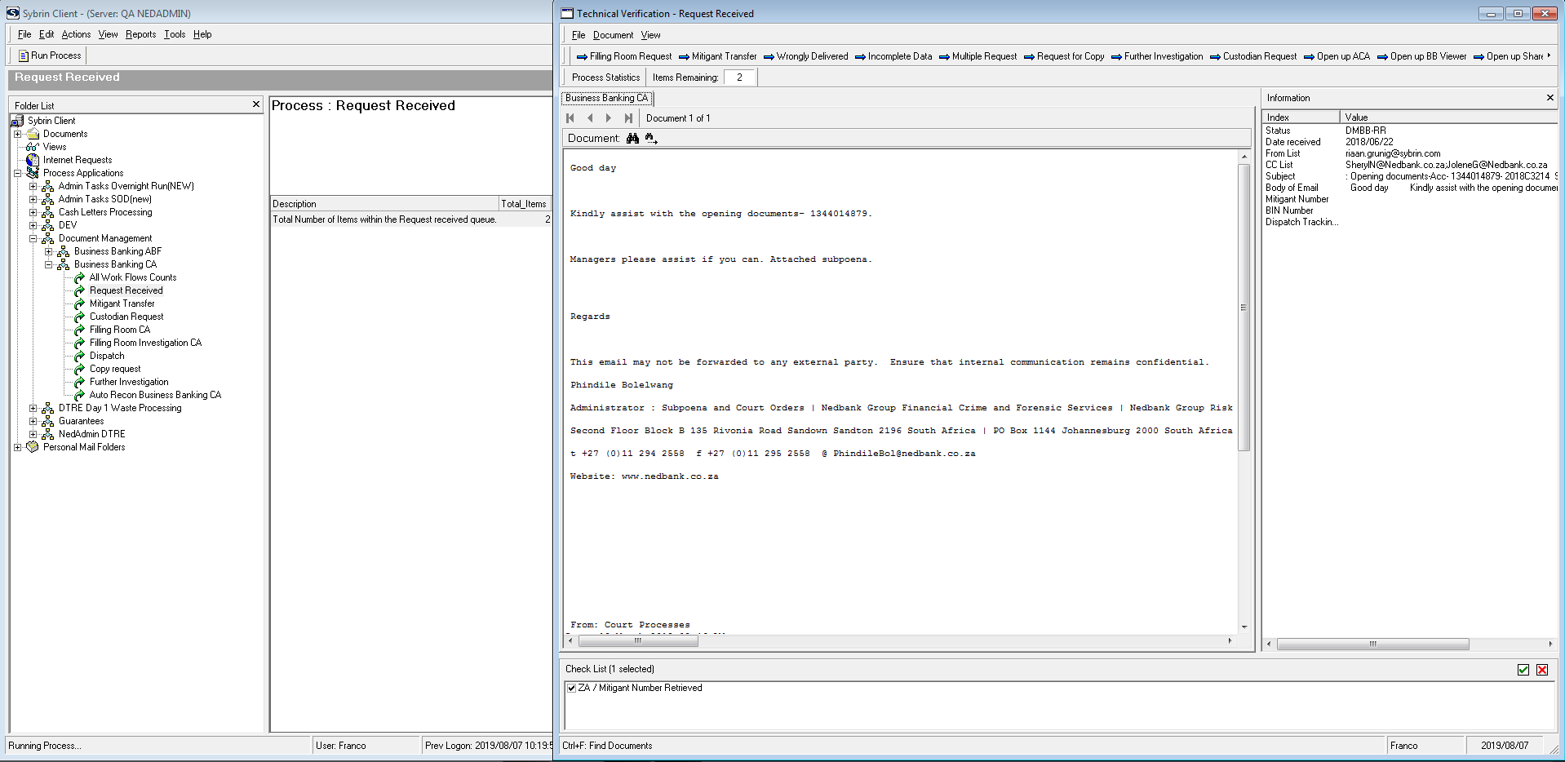

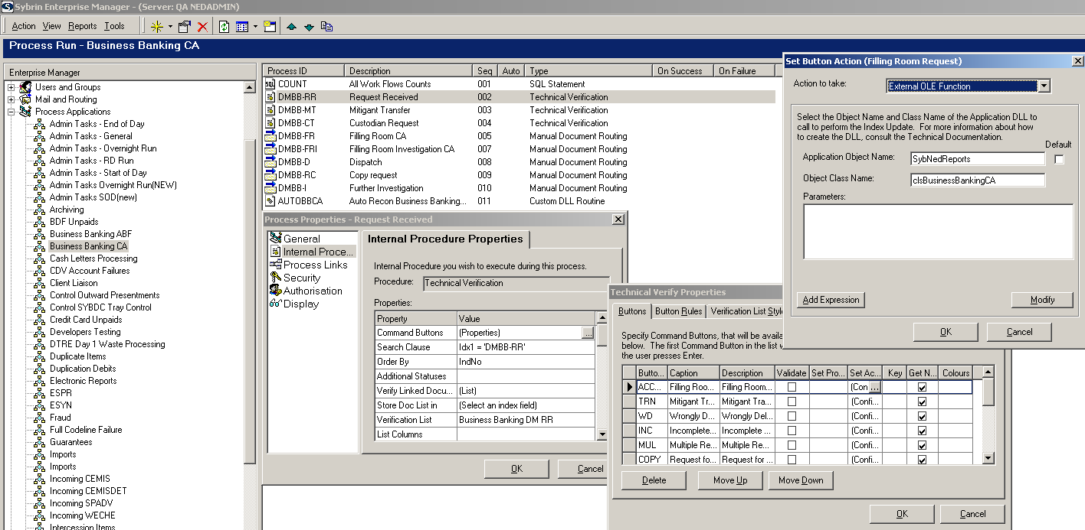

Database:
DB: | SybNedZaAdminDIP

Tables: | BusinessBankingCA
 | BusinessBankingCANte
 | BusinessBankingCAPge

 | BusinessBankingCAScanDocs
 | BusinessBankingCAScanDocsNte
 | BusinessBankingCAScanDocsPge

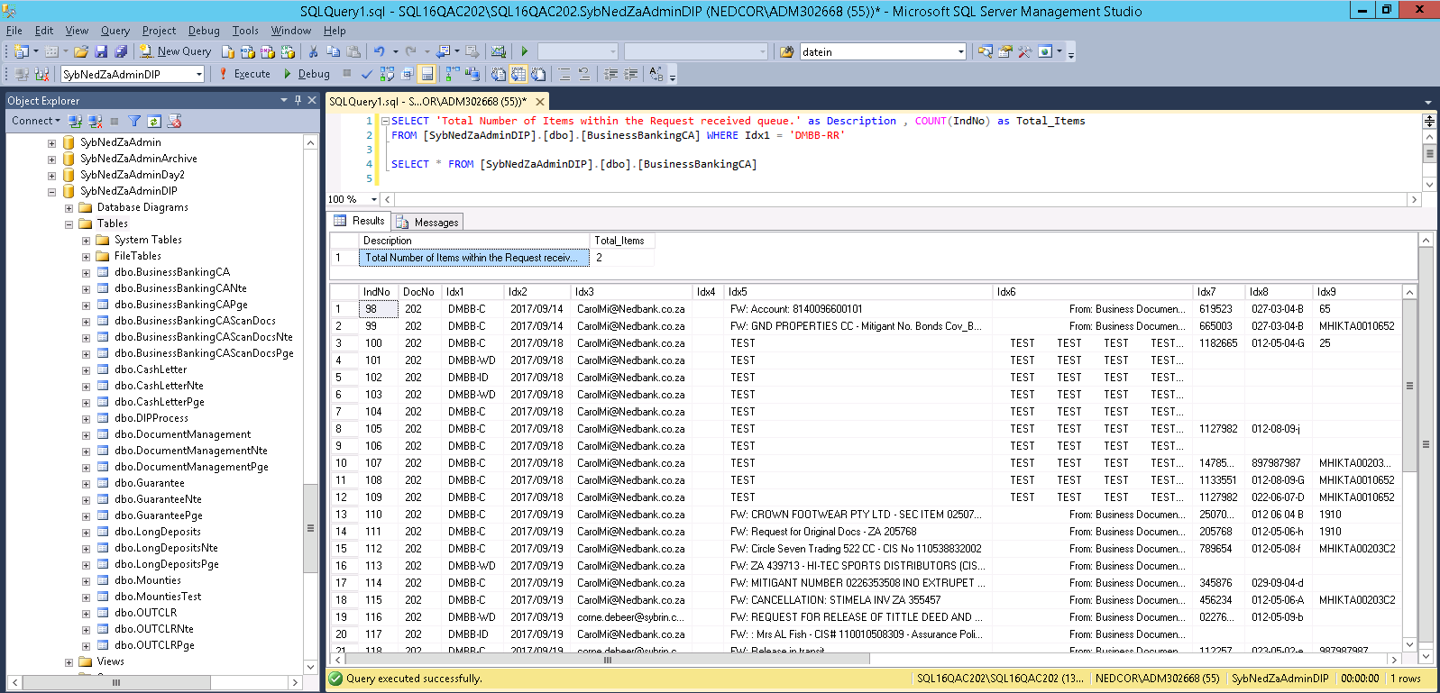

Link paths
\\nbpdtrefileqa\Sybrin\DM Install\Sybrin\ExternalApplicationLinks

Copy to local machine as: |  |  | c:\Sybrin\ExternalApplicationLinks

1 | ACM
 | start https://acm.it.nednet.co.za/acmweb/ajax/frameset/frameset.jsp

2 | Alchemy
 | start http://alchemyweb.africa.nedcor.net/natis/AlchemyWeb.aspx

3 | BB viewer
 | start http://bbanking.it.nednet.co.za/bbankingadmin/

4 | CerTrack (new link 16/11/2019)
 | start https://mfc.certrack.co.za/index.html

5 | Employee
 |  | start http://sappnakisaap1.it.nednet.co.za:50100/OrgChart/default.jsp

6 | Metrofile
 | start http://jhb-prd-metrofiler.it.nednet.co.za:86/Logon.aspx

7 | SAP
 |  | start https://sapphcmap1.it.nednet.co.za:44334/ui2/nwbc/?sap-client=410&sap-language=EN&sap-nwbc-node=root

8 | Share point
 | start http://teams/sites/corporate/css/doc_man/Shared%20Documents/Forms/By%20Classification%20and%20Doc%20type.aspx

Email logs
QA: | \\nbpdtrefileqa\Sybrin\System\Logs
 |  | EmailingService.log

2019-11-21 12:28:01,081 (8) (DEBUG) - [Document Management Incoming] Processing message: MessageID:167 Subject:FW: Title Deeds - Maxwilton Properties P/L ZA631405 FromMilligan, C. (Carol)
2019-11-21 12:28:01,081 (8) (DEBUG) - [Document Management Incoming] Checking if message is valid
2019-11-21 12:28:01,081 (8) (DEBUG) - [Document Management Incoming] Message is valid
2019-11-21 12:28:01,081 (8) (DEBUG) - [Document Management Incoming] Adding original email as attachment
2019-11-21 12:28:01,127 (8) (DEBUG) - [Document Management Incoming] Message has 0 attachments
2019-11-21 12:28:01,127 (8) (DEBUG) - [Document Management Incoming] Processing message: MessageID:233 Subject:Cardholder proof of Delivery FromNedbank Century City - Branch Administrator
2019-11-21 12:28:01,127 (8) (DEBUG) - [Document Management Incoming] Checking if message is valid
2019-11-21 12:28:01,127 (8) (DEBUG) - [Document Management Incoming] Message is valid
2019-11-21 12:28:01,143 (8) (DEBUG) - [Document Management Incoming] Adding original email as attachment
2019-11-21 12:28:01,174 (8) (DEBUG) - [Document Management Incoming] Message has 1 attachments
2019-11-21 12:28:01,174 (8) (DEBUG) - [Document Management Incoming] Processing attachment: img-905150506-0001.pdf
2019-11-21 12:28:01,190 (8) (DEBUG) - [Document Management Incoming] Processed img-905150506-0001.pdf attachment
2019-11-21 12:28:01,393 (8) (ERROR) - [Sybrin.Common.LoggerHelper->Sybrin.Common.LoggerHelper] [Sybrin.Client.Client] [ExecuteSqlString] Error while executing sql string
System.Exception: 1004: Error while executing sql string
2019-11-21 12:28:01,408 (8) (WARN ) - [Document Management Incoming] Failed to insert message ''
System.Exception: 1004: Error while executing sql string
at Sybrin.Client.Client.ExecuteSqlString(String sqlString, DataSet& dataSet, String docNo, SQLParameters sqlParams)
at Sybrin.Client.Client.ExecuteSqlString(String sqlString, String docNo, SQLParameters sqlParams)
at Sybrin7.MailService.Service.<>c__DisplayClass24_0.<processInboxItems>b__0(InBoxItem inboxItem) in C:\CSource\Sybrin.MailService\trunk\Sybrin.MailService\Sybrin7.MailService\Service.cs:line 246
2019-11-21 12:28:01,424 (8) (ERROR) - [Sybrin.Common.LoggerHelper->Sybrin.Common.LoggerHelper] [Sybrin.Client.Client] [ExecuteSqlString] Error while executing sql string
System.Exception: 2003: Error while executing sql string
2019-11-21 12:28:01,439 (8) (WARN ) - [Document Management Incoming] Failed to insert message ''
System.Exception: 2003: Error while executing sql string
at Sybrin.Client.Client.ExecuteSqlString(String sqlString, DataSet& dataSet, String docNo, SQLParameters sqlParams)
at Sybrin.Client.Client.ExecuteSqlString(String sqlString, String docNo, SQLParameters sqlParams)
at Sybrin7.MailService.Service.<>c__DisplayClass24_0.<processInboxItems>b__0(InBoxItem inboxItem) in C:\CSource\Sybrin.MailService\trunk\Sybrin.MailService\Sybrin7.MailService\Service.cs:line 246
2019-11-21 12:28:01,471 (8) (ERROR) - [Sybrin.Common.LoggerHelper->Sybrin.Common.LoggerHelper] [Sybrin.Client.Client] [ExecuteSqlString] Error while executing sql string
System.Exception: 2003: Error while executing sql string
2019-11-21 12:28:01,471 (8) (WARN ) - [Document Management Incoming] Failed to insert message ''
System.Exception: 2003: Error while executing sql string
at Sybrin.Client.Client.ExecuteSqlString(String sqlString, DataSet& dataSet, String docNo, SQLParameters sqlParams)
at Sybrin.Client.Client.ExecuteSqlString(String sqlString, String docNo, SQLParameters sqlParams)
at Sybrin7.MailService.Service.<>c__DisplayClass24_0.<processInboxItems>b__0(InBoxItem inboxItem) in C:\CSource\Sybrin.MailService\trunk\Sybrin.MailService\Sybrin7.MailService\Service.cs:line 246
2019-11-21 12:28:01,502 (8) (ERROR) - [Sybrin.Common.LoggerHelper->Sybrin.Common.LoggerHelper] [Sybrin.Client.Client] [ExecuteSqlString] Error while executing sql string
System.Exception: 2003: Error while executing sql string
2019-11-21 12:28:01,502 (8) (WARN ) - [Document Management Incoming] Failed to insert message ''

PROD: | \\N0610106944\C$
 | C:\Emailing DM ONLY\Sybrin Emailing Service\Logs
 | EmailingService_DM.log

 | C:\Emailing DM ONLY\Sybrin Emailing Service
 | ConfigureService.exe |  |  | (Run as Admin)

Stuck Emails
> Move long reply emails out of the DM Inbox

> It can be either length or a ' that is causing the problem.
Move it out of the inbox completely not just mark as read, action it manually from the old box.

> check the email log
PROD: | \\105dtrefilepr\Sybrin\System\Logs\ |  |  |  | BusinessBankingCA |  |  | Ignore: | (ERROR) - [Business Banking CA Incoming] Error while processing items
 |  |  |  |  |  |  |  |  | System.Exception: 9001: Failed to connect to the Server.
Also restart Business Banking service: |  |  |  | SQL08DTREPROD
 | Failover Cluster manager: |  |  | 105CLSQLDTREPR.africa.nedcor.net
 |  |  |  | 105PRDTREMSDTC |  | : | Sybrin Business Banking CA Emailing |  |  | (Take offline)
 |  |  |  |  |  |  | taskkill /pid ? /f
QA: | \\nbpdtrefileqa\Sybrin\System\Logs
 |  | EmailingService.log

PROD 6944 |  | Check Sybrin Emailing Service path for local logs
> On N0610106944 (Riaan Shep) retstart the email service: Sybrin Emailing Service

Log Carol in
Remote to N0610106937 (Trenton)
Start > Allow remote access to your computer
Select Users
Add > check names > NB156978
Phone Carol to log on

DM Mailbox access:
User to log a ticket on Techzone for access to the mailbox |  |  |  |  |  | New CA mailbox : |  | BusinessBankingDocsCA |  |  | Nomsa: | NB020275
Have manager (Rene) approve the request
Mail Access Management to escalate process
Most likely only available next day.

Sybrin Volume Monitor
Sybrin Volume Monitor
N0610022963 | (Dashboard PC) |  | N0610106944 | (Sheppard Riaan PC)
RDP into N0610027745 with ADM
Or Run: \\N0610106944\c$
Setup files: | C:\Nedbank Monitoring Application

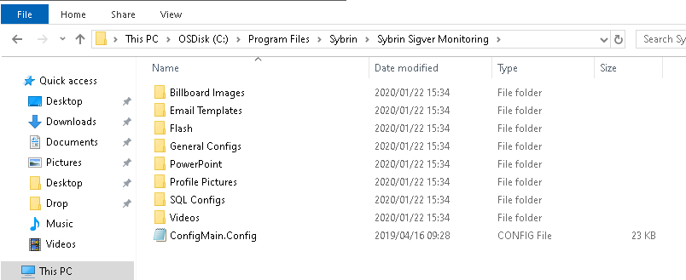
Then manually copy App folder over to (create folders if on 64-bit):
C:\Drop\Nedbank Monitoring Application\Sybrin Sigver Monitoring
- to -
Program Files\Sybrin\Sybrin Sigver Monitoring\ |  |  | (will always be in 32-bit Program Files)

UserStats.CONFIGSQL |  | Query matches S13.2

To run, copy from Setup folder to desktop:
Sigver Monitoring.application

C:\CSource\Nedbank\ZA\Trunk\SigVer\Sigver Monitoring\branches\1.99.99.99
Sigver Monitoring.sln |  | (Open with C# Visual Studio W7 VM, not VB6 XP VM)

To edit on Sheppard: | C:\Nedbank Monitoring Application
 | C:\Nedbank Monitoring Application\Sybrin Sigver Monitoring\SQL Configs

 | * add GetDate() at SQL end
 | * remove additional output columns
 | ** remove all comments

To test: | C:\Program Files\Sybrin\Sybrin Sigver Monitoring\SQL Configs

Area (DIPs) | Contact Person | Employee number | Asset number | Date Last Updated
Bloemfontein POD | Pulane Molema | NB020675 | \\N0610031238 | 2017-05-23 | \\N0610031238\C$\Program Files\Sybrin\Sybrin Sigver Monitoring\SQL Configs | \\\\N0610031238\C$\Program Files\Sybrin\Sybrin Sigver Monitoring\SQL Configs
Cape Town | Felicity Bellingan | NB022246 | \\L0610007561 | 2017-05-23 | \\\\L0610007561\C$\Program Files\Sybrin\Sybrin Sigver Monitoring\SQL Configs | \\\\L0610007561\C$\Program Files\Sybrin\Sybrin Sigver Monitoring\SQL Configs
Cape Town | 1 | 1 | \\N0610031139 | 2017-05-23 | \\\\N0610031139\C$\Program Files\Sybrin\Sybrin Sigver Monitoring\SQL Configs | \\\\N0610031139\C$\Program Files\Sybrin\Sybrin Sigver Monitoring\SQL Configs
Cape Town | 2 | 2 | \\N0610031144 | 2017-05-23 | \\\\N0610031144\C$\Program Files\Sybrin\Sybrin Sigver Monitoring\SQL Configs | \\\\N0610031144\C$\Program Files\Sybrin\Sybrin Sigver Monitoring\SQL Configs
East London POD | Yolande Fritz | NB017085 | \\N0610031191 | 2017-05-23 | \\N0610031191\C$\Program Files\Sybrin\Sybrin Sigver Monitoring\SQL Configs | \\\\N0610031191\C$\Program Files\Sybrin\Sybrin Sigver Monitoring\SQL Configs
George POD | Charlene Barnardo | NB107758 | \\N0610031223 | 2017-05-23 | \\N0610031223\C$\Program Files\Sybrin\Sybrin Sigver Monitoring\SQL Configs | \\\\N0610031223\C$\Program Files\Sybrin\Sybrin Sigver Monitoring\SQL Configs
JHB SBV Selby | Wikus Swanepoel |  | \\N0610027745 | 2017-08-17 | \\N0610027745\C$\Program Files\Sybrin\Sybrin Sigver Monitoring\SQL Configs | \\\\N0610027745\C$\Program Files\Sybrin\Sybrin Sigver Monitoring\SQL Configs
Kimberly POD | Mncedi Jika | NB047699 | \\N0610036911 | 2017-05-23 | \\N0610010421\C$\Program Files\Sybrin\Sybrin Sigver Monitoring\SQL Configs | \\\\N0610036911\C$\Program Files\Sybrin\Sybrin Sigver Monitoring\SQL Configs
Kroonstad POD | Marietjie Fourie | NB115589 | \\N0610031200 | 2017-05-23 | \\N0610031200\C$\Program Files\Sybrin\Sybrin Sigver Monitoring\SQL Configs | \\\\N0610031200\C$\Program Files\Sybrin\Sybrin Sigver Monitoring\SQL Configs
KZN | Kevin Naidoo | NB032711 | \\N0610031178 | 2017-05-23 | \\N0610031178\C$\Program Files\Sybrin\Sybrin Sigver Monitoring\SQL Configs | \\\\N0610031178\C$\Program Files\Sybrin\Sybrin Sigver Monitoring\SQL Configs
KZN | Siyabonga Khuboni | NB170794 | \\N0610008476 | 2017-05-23 | \\N0610008476\C$\Program Files\Sybrin\Sybrin Sigver Monitoring\SQL Configs | \\\\N0610008476\C$\Program Files\Sybrin\Sybrin Sigver Monitoring\SQL Configs
Ladysmith POD | Charlin Ramsunder | NB196593 | \\N0610014934 | 2017-05-23 | \\N0610014934\C$\Program Files\Sybrin\Sybrin Sigver Monitoring\SQL Configs | \\\\N0610014934\C$\Program Files\Sybrin\Sybrin Sigver Monitoring\SQL Configs
Nelspruit POD | Lea Raath | NB015698 | \\N0610031348 | 2017-05-23 | \\N0610031348\C$\Program Files\Sybrin\Sybrin Sigver Monitoring\SQL Configs | \\\\N0610031348\C$\Program Files\Sybrin\Sybrin Sigver Monitoring\SQL Configs
Polokwane POD | Marilyn Bopape | NB016007 | \\N0610031204 | 2017-05-23 | \\N0610031204\C$\Program Files\Sybrin\Sybrin Sigver Monitoring\SQL Configs | \\\\N0610031204\C$\Program Files\Sybrin\Sybrin Sigver Monitoring\SQL Configs
Port Elizabeth POD | Vanessa Vermaak | NB001493 | \\N0610031218 | 2017-05-23 | \\N0610031218\C$\Program Files\Sybrin\Sybrin Sigver Monitoring\SQL Configs | \\\\N0610031218\C$\Program Files\Sybrin\Sybrin Sigver Monitoring\SQL Configs
Pretoria POD | Mukhethwa Masindi | NB193434 | \\N0610102060 | 2017-05-23 | \\N0610102060\C$\Program Files\Sybrin\Sybrin Sigver Monitoring\SQL Configs | \\\\N0610102060\C$\Program Files\Sybrin\Sybrin Sigver Monitoring\SQL Configs
Rustenburg POD | Bongani Fulela | NB191453 | \\N0610006858 | 2017-05-23 | \\N0610006858\C$\Program Files\Sybrin\Sybrin Sigver Monitoring\SQL Configs | \\\\N0610006858\C$\Program Files\Sybrin\Sybrin Sigver Monitoring\SQL Configs
Witbank POD | Portia Msane | NB112899 | \\N0610035647 | 2017-05-23 | \\N0610035647\C$\Program Files\Sybrin\Sybrin Sigver Monitoring\SQL Configs | \\\\N0610035647\C$\Program Files\Sybrin\Sybrin Sigver Monitoring\SQL Configs

From: Wikus Swanepoel
Sent: Tuesday, 23 May 2017 11:58 AM
To: Franco Gates <Franco.Gates@sybrin.co.za>
Cc: Daisy Shayler <Daisy.Shayler@sybrin.co.za>
Subject: RE: Sigver monitoring system - Bloem

Good Day Franco,

The manual is here, with all our other user manuals:

\\105dtrefilepr\Sybrin\Sybrin_User_Manuals\Nedbank Monitoring Tool Manual\

Browse here for the latest installer (copy the whole thing to the client pc and run setup.exe IMP! While the client is
logged in, not as admin):

\\n0610027745\c$\Drop\Nedbank Monitoring Application\20161205

Then copy the Full structure with configs from a working PC ex:
(\\n0610027745\c$\Program Files\Sybrin\Sybrin Sigver Monitoring\)
to the same place on the NEW PC. Drop within folder C:\Program Files\Sybrin\

FW: SS-3204 - CLONE - Nedbank_No data for Sigver Onboarding Dashboard.
From: Wikus Swanepoel
Sent: Thursday, August 17, 2017 1:31 PM
To: Franco Gates
Cc: Daisy Shayler; Corne de Beer
Subject: SS-3204 - CLONE - Nedbank_No data for Sigver Onboarding Dashboard.

Hi Franco,

OK! Finally.

The new Sigver Monitor is published and ready. You can find a copy of it HERE:
\\n0610027745\c$\Drop\Nedbank Monitoring Application\20170817

Install instructions:

Update Config File.

C:\Program Files\Sybrin\Sybrin Sigver Monitoring\General Configs\ConfigMain.Config

To the TOP of the File, add the following lines:

--------Connection Settings--------------
NedClientDTREIP: 10.59.6.72 #Prod IP to Sybrin Server
NedClientDTREPORT: 1070 #Prod PORT to SQL
NedClientSIGIP: 10.59.241.147 #Prod IP to Sybrin Server
NedClientSIGPORT: 56203 #Prod PORT to SQL
NedClientBSAIP: 196.6.202.93 #Prod IP to Sybrin Server
NedClientBSAPORT: 1071 #Prod PORT to SQL
BSAClientDTREIP: 10.59.6.72 #Prod IP to Sybrin Server
BSAClientDTREPORT: 1070 #Prod PORT to SQL
BSAClientSIGIP: 10.59.241.147 #Prod IP to Sybrin Server
BSAClientSIGPORT: 1050 #Prod PORT to SQL
BSAClientBSAIP: 172.10.10.115 #Prod IP to Sybrin Server
BSAClientBSAPORT: 1071 #Prod PORT to SQL

Copy the folder with the installer to the client machine. Run the Setup.exe with the client’s account.
IF the installer does not want to install for some random LOG4NET issue (I was about to send the email below to Jason,
but managed to resolve the issue, thankfully) COPY the LOG4NET folder provided into:
C:\Windows\Microsoft.NET\assembly\GAC_MSIL\ (you can remove the other folder, back it up somewhere if it already
exists).

I’ll update the incident with a comment and assign it to you do the installs during the course of next week.

I’ve tested the installer on System at DIP1 and it’s working. If you help with installing, please let me know.

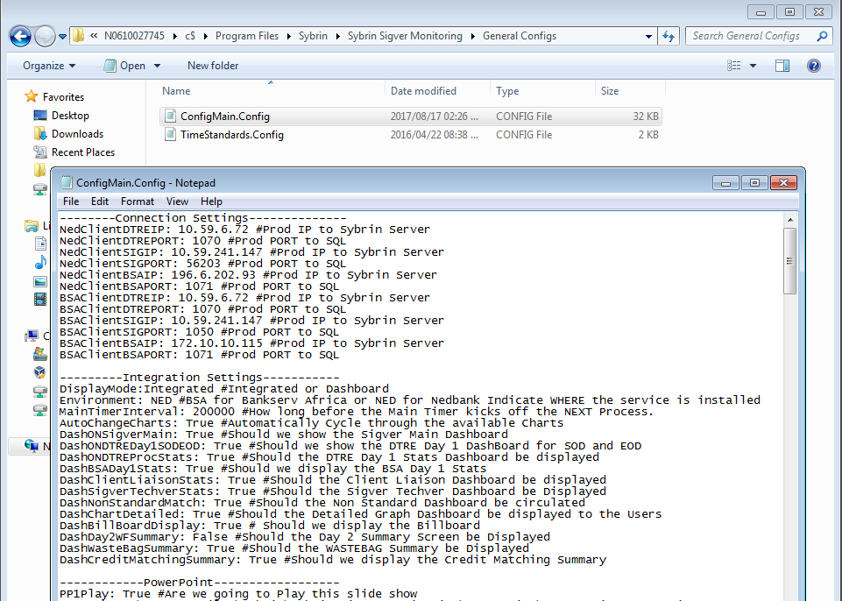

Do not send out auto emails

\\N0610008476\c$\Program Files\Sybrin\Sybrin Sigver Monitoring\General Configs\ConfigMain.Config

C# Code
Use Find All search to reverse engineer code

 | F:\CSource\Nedbank\ZA\Trunk\SigVer\Sigver Monitoring\branches\1.99.99.99

? Sigver SQL queries
Monitoring Main.cs | ln 1785

vPopulateFormObjects()
{
 | string lvSQLUserStatsPath = @"C:\Program Files\Sybrin\Sybrin Sigver Monitoring\SQL Configs\UserStats.CONFIGSQL";
 | string lvSQLProcessStatsPath = @"C:\Program Files\Sybrin\Sybrin Sigver Monitoring\SQL Configs\ProcessingStats.CONFIGSQL"; |  |  |  |  |  | ProcessingStats.CONFIGSQL
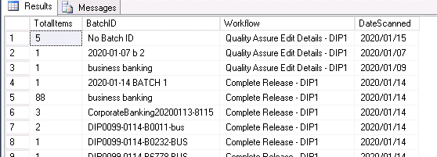
 | DataTable dtUserStats;
 | dtUserStats = new DataTable();
 | DataTable dtProcessStats;
 | dtProcessStats = new DataTable();

Monitoring Main.cs | ln 1785
 | vPopulateProcessReleaseRejected
 | dtProcessReleaseRej
dtProcessReleaseRej.Columns.Add("BatchID", typeof(string));
dtProcessReleaseRej.Columns.Add("DIPCenter", typeof(string));
dtProcessReleaseRej.Columns.Add("DateProcessed", typeof(string));
dtProcessReleaseRej.Columns.Add("Volume", typeof(double));

DataRow[] drSelectResult = pProcessStats.Select("Workflow " + "Like " + " '%Complete Rejected%'");

 | dtProcessRelease
DataRow[] drSelectResult = pProcessStats.Select("Workflow " + "Like " + " '%Complete Release%'");

 | dtQAProcessingStats
DataRow[] drSelectResult = pProcessStats.Select("Workflow " + "Like " + " '%Quality Assure%' OR Workflow Like '%Reject at Capture Stage%' OR Workflow Like '%Quality Assure Edit%'");

 | dtCaptureStats
DataRow[] drSelectResult = pProcessStats.Select("Workflow " + "Like " + " '%Capture Regional%' OR Workflow Like '%Capture Mandate%' OR Workflow Like '%Capture Other%'");

 | dtAwaitingQAStats
DataRow[] drSelectResult = pProcessStats.Select("Workflow " + "Like " + " '%Awaiting Q%'");

 | dtTakeOnStats
DataRow[] drSelectResult = pProcessStats.Select("Workflow " + "Like " + " '%Awaiting Capture%'");

Dashboards:
1 | Sigver Onboarding Dashboard
2 | Signature and Technical Verification Dashboard
3 | Client Liaison Dashboard
4 | Credit Matching Dashboard
5 | DTRE Day One SOD EOD Dashboard
6 | DTRE Day One Volumes Dashboard
7 | DTRE Non Standard Matching Dashboard
8 | DTRE Bankserv Day One DashBoard
9 | DTRE Day Two Workflow Dashboard
10 | Waste Bag Control Dashboard
11 | Detailed View Dashboard
12 | Billboard Dashboard
 | 13 | DM CA
 | 14 | DM ABF

