VM Stuff
NBK Offsite connect:
Devices > Network > Network Settings > Adapter 1 : |  |  |  | NAT

DHCP.bat | netsh int ip set address "local area connection" dhcp
 | netsh int ip set dns "local area connection" dhcp
 | netsh int ip set winsservers name="Local Area Connection" source=dhcp

Cisco VPN client: | F Nedbank VPN (Broadband) |  |  | 168.142.196.8
 | Token: | prefix + code

NBK Onsite connect:
Devices > Network > Network Settings > Adapter 1 : |  |  |  | Bridged Adapter
 |  |  |  | Intel(R) 82579LM Gigabit Network Connection

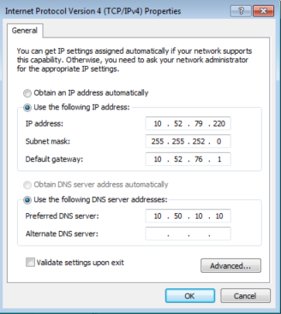
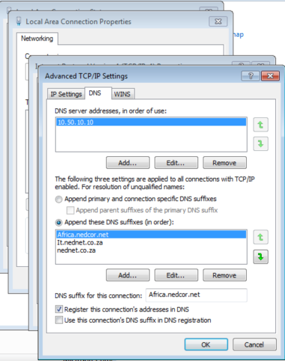
Static IP.bat | netsh int ip set address "local area connection" static 10.52.79.220 255.255.252.0 10.52.76.1
 | netsh int ip set dns "local area connection" static 10.50.10.10 primary
 | netsh int ip set winsservers "Local Area Connection" static 10.50.10.10

Advanced TCP/IP Settings > DNS: |  |  | Africa.nedcor.net
 |  |  | It.nednet.co.za
 |  |  | nednet.co.za

10.52.76.206 | C# DTRE 7.1.25 Nedbank Dev Main
10.52.79.220 | C Development SigVer Regional Clone
10.52.76.207 | *Syb7.1.23 patched Sigver Web Win7
10.52.76.221 | Testing Base - Windows 10 - x64

NBK Internet:
Connections > LAN Settings

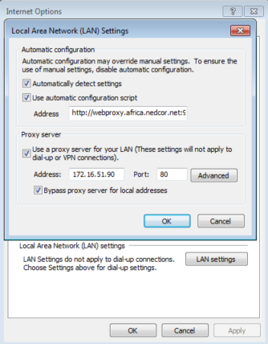

 |  |  |  |  | http://webproxy.africa.nedcor.net:9001/proxy1.pac

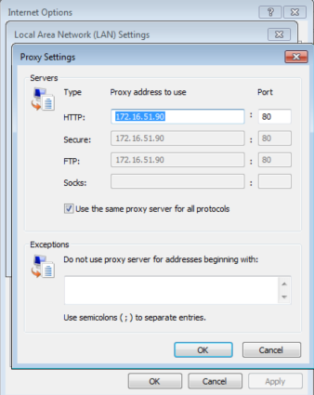

 |  |  |  |  |  | OR: | 172.25.16.12 | only

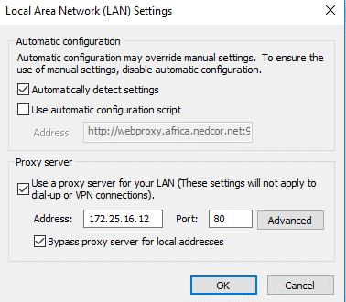

https://www.google.co.za/

Selby
10.57.32.253

Lakeview: | 10.68.22.130

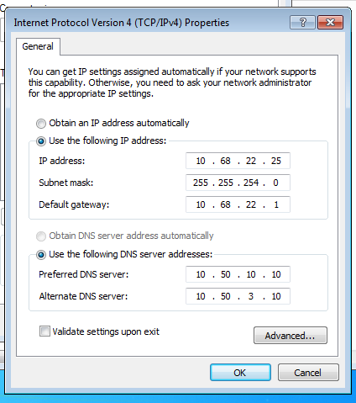
 |  |  |  |  | ipconfig

 |  |  |  |  | ipconfig /flushdns

 |  |  |  |  | ipconfig /registerdns

Specs
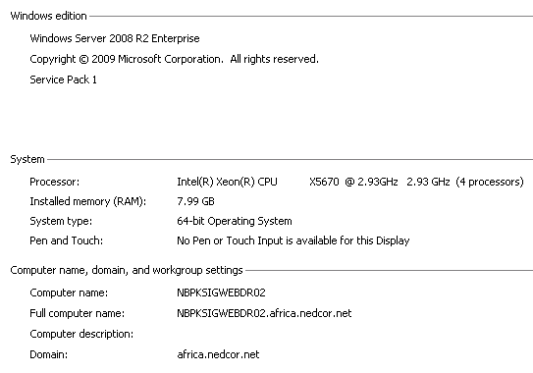
Specs: | 2019-04-26
Environment | Server Role | Server Name | RAM(GB) | CPU Processor | Virtual CPUs | OS | C: Drive(GB) | System type | Domain
Sigver PROD | Application | 105WCNSIGDBPR01 | 16 | 2x 2.30GHz | 8x | WS 2012 R2 Std | 99 | 64-bit | africa.nedcor.net
Sigver PROD | Application | 105WCNSIGDBPR02 | 16 | 2x 2.30GHz | 8x | WS 2012 R2 Std | 99 | 64-bit | africa.nedcor.net
Sigver PROD | Web | 105SIGWEBPR01 | 8 | 4x 2.10GHz |  | WS 2012 R2 Std | 136 | 64-bit | africa.nedcor.net
Sigver PROD | Web | 105SIGWEBPR02 | 8 | 4x 2.10GHz |  | WS 2012 R2 Std | 136 | 64-bit | africa.nedcor.net
Sigver QA | Application | NBPKCNSIGDBQA01 | 20 | 2x 2.3GHz |  | WS 2012 R2 Std | 99 | 64-bit | africa.nedcor.net
Sigver QA | Application | NBPKCNSIGDBQA02 | 20 | 2x 2.3GHz |  | WS 2012 R2 Std | 99 | 64-bit | africa.nedcor.net
Sigver QA | Web | NBPKSIGWEBQA01 | 8 | 4X 2.40GHz |  | WS 2012 R2 Std | 136 | 64-bit | africa.nedcor.net
Sigver QA | Web | NBPKSIGWEBQA02 | 8 | 4X 2.40GHz |  | WS 2012 R2 Std | 136 | 64-bit | africa.nedcor.net
Sigver ETE | Application | NBPSIGDBETE01 | 8 | 1x 2.93GHz |  | WS 2012 R2 Std | 99 | 64-bit | NEDETE.NET
Sigver ETE | Web | NBPSIGWEBETE01 | 4 | 1x 2.93GHz |  | WS 2012 R2 Std | 99 | 64-bit | NEDETE.NET
Sigver DR | Application | NBPKCNSIGDBDR01 | 16 | 4x 2.50GHz | 8x | WS 2012 R2 Std | 99 | 64-bit | africa.nedcor.net
Sigver DR | Application | NBPKCNSIGDBDR02 | 16 | 8x 2.50GHz | 8x | WS 2012 R2 Std | 99 | 64-bit | africa.nedcor.net
Sigver DR | Web | NBPKSIGWEBDR01 | 8 | 2x 2.40GHz |  | WS 2012 R2 Std | 99 | 64-bit | africa.nedcor.net
Sigver DR | Web | NBPKSIGWEBDR02 | 8 | 2x 2.40GHz |  | WS 2012 R2 Std | 99 | 64-bit | africa.nedcor.net

DTRE PROD | Application | 105CNDTRESQLPR1 | 128 | 2x 2.53GHz | 16x | WS 2008 R2 Ent | 136 | 64-bit | africa.nedcor.net

PROD:
105WCNSIGDBPR01
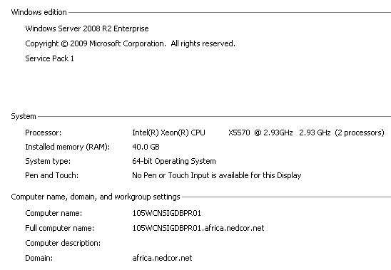

105WCNSIGDBPR02
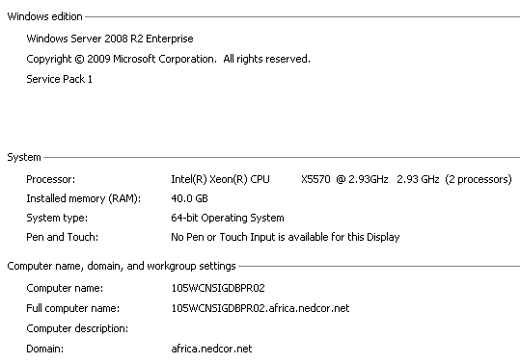

105SIGWEBPR01
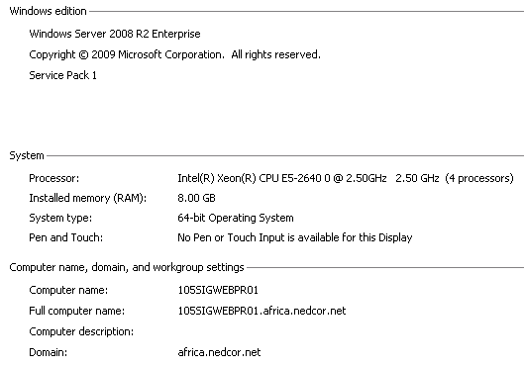

105SIGWEBPR02
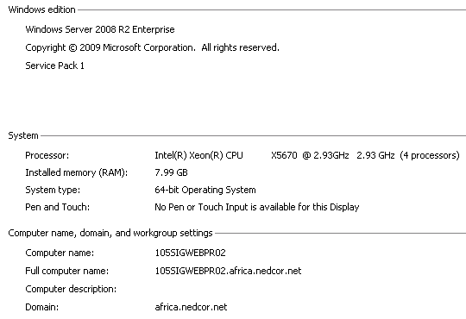

QA:
NBPKCNSIGDBQA01
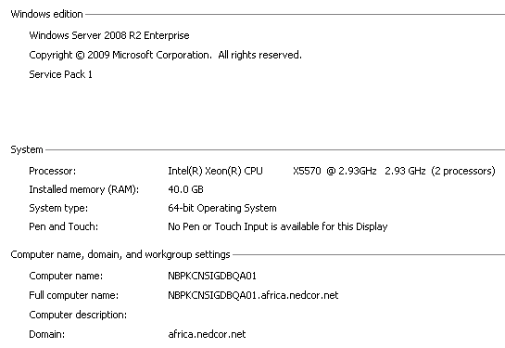

NBPKCNSIGDBQA02
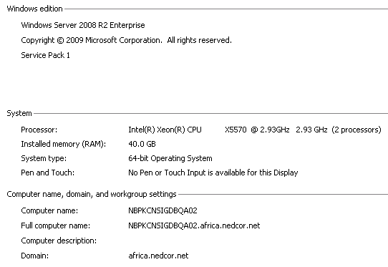

NBPKSIGWEBQA01
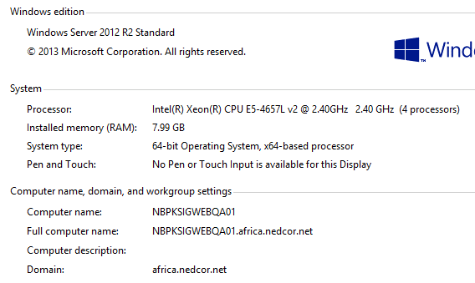

NBPKSIGWEBQA02


ETE:
NBPSIGDBETE01
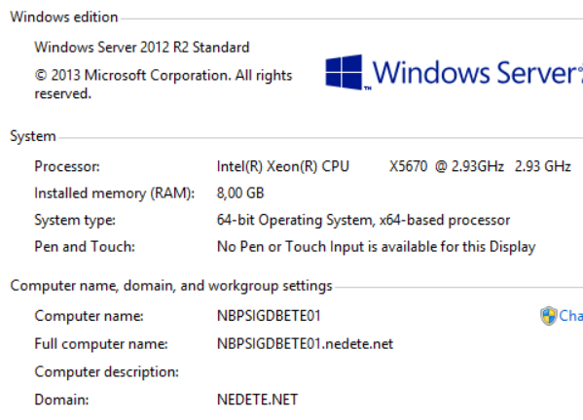

NBPSIGWEBETE01


DR:
NBPKCNSIGDBDR01
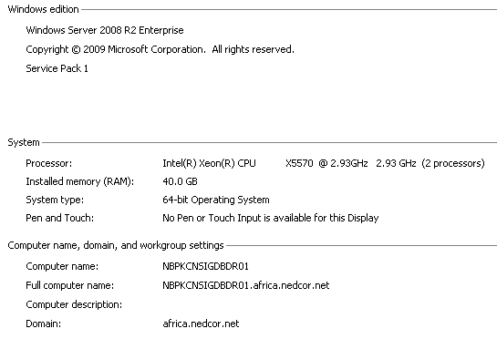

NBPKCNSIGDBDR02


NBPKSIGWEBDR01
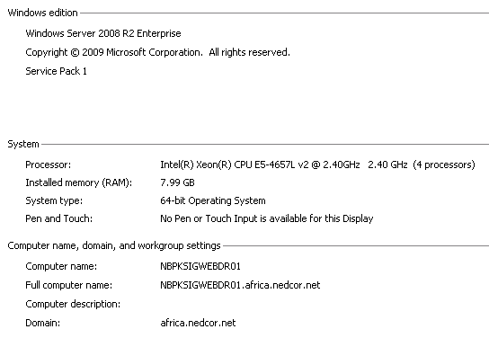

NBPKSIGWEBDR02

