Test1-V1
ran: mainExpandRetract_942MoreRegress_3Levels method in main.Main
data: | Thu-Aug-17-150941-2017_3L_T1-V1_01-05Th_1-1-1Sm_stkCo-oscBo-dedCr_500iter

Experiment configuration: |  |  |  | Rule Model Details: | NineFourTwoMoreRegressSwitchModel | expand: NineFourTwoRulePlayer
Levels: | L0 (bottom) | L1 (middle) | L2 (top) |  |  | retract: NineFourTwoRegressMoreRulePlayer
Threshold: | 0.1 | 0.5 | NA | L0
Step Multiplier: | 1 | 1 | 1 |  | NineFourTwoRulePlayer
RulesModel: | NineFourTwoMoreRegressSwitchModel | ExpansiveRegressiveModel | InverseModel |  |  | NeighbourCount
Init: | DotInit (11,11) | NoInit | NoInit |  | Current State | 0 | 1 | 2 | 3 | 4
Board size: | 21x21 | 8x4 | 1 |  | 0 | 0 | 1 | 0 | 0 | 1
NeighbourCount: | 4 | 4 | NA |  | 1 | 1 | 1 | 1 | 1 | 1
Number of CAs: | 32 (8x4) | 1 | 1
 |  |  |  |  | NineFourTwoRegressMoreRulePlayer
full core; oscillating borders; dead corners |  |  |  |  |  | NeighbourCount
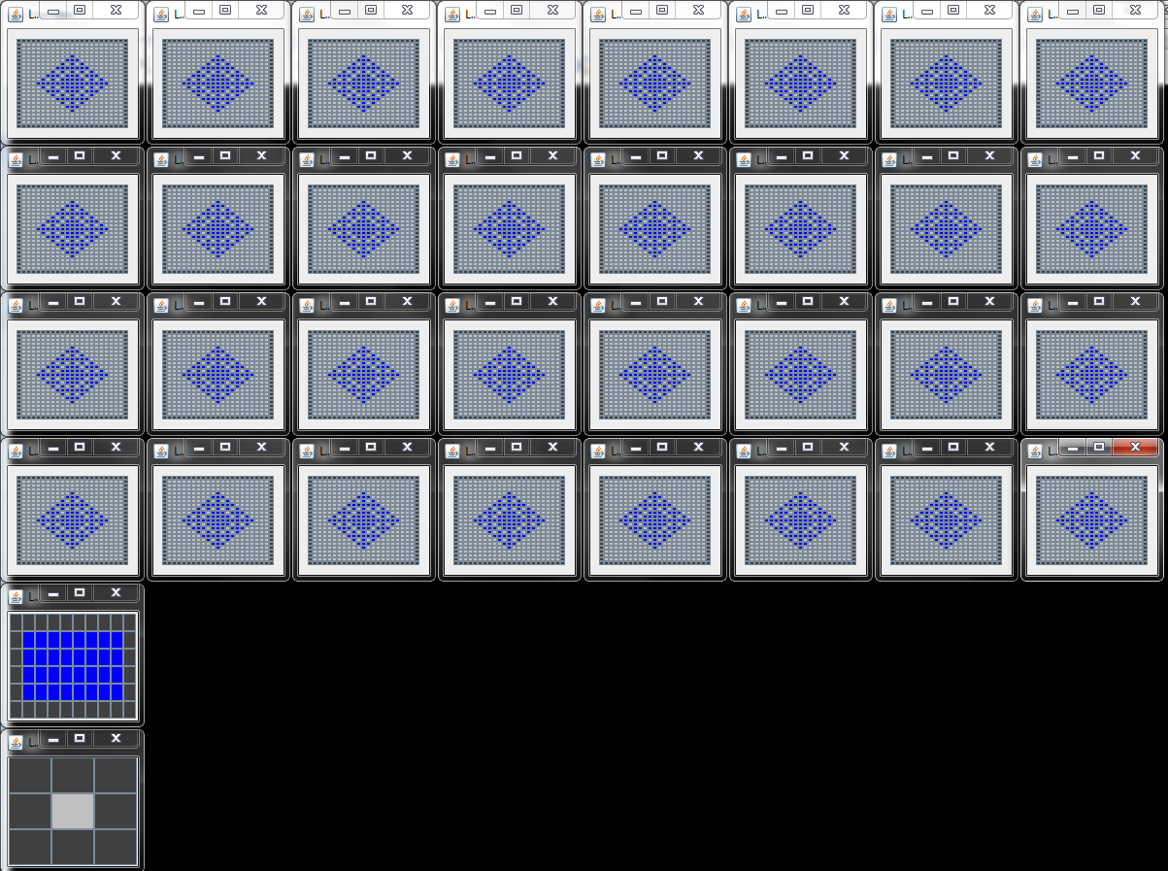
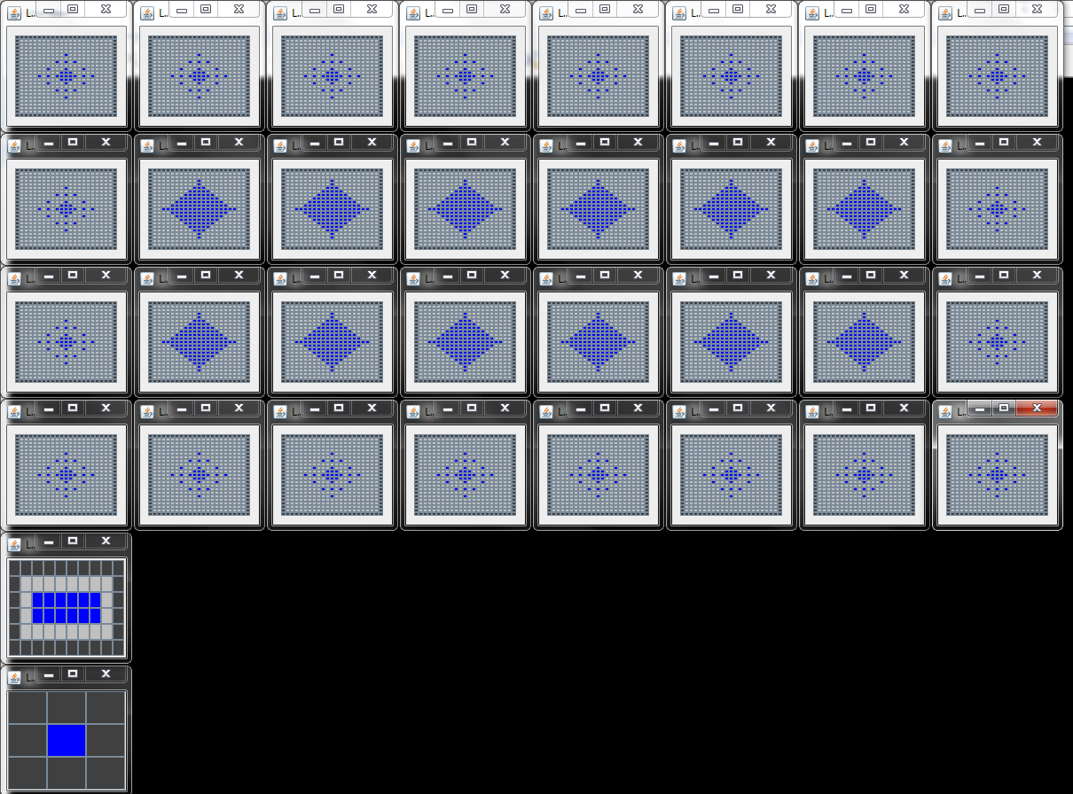
 |  |  |  |  | Current State | 0 | 1 | 2 | 3 | 4
 |  |  |  |  | 0 | 0 | 0 | 0 | 0 | 0
 |  |  |  |  | 1 | 0 | 0 | 0 | 1 | 1

 |  |  |  | L1
 |  |  |  |  | ExpansiveRegressiveModel
 |  |  |  |  | goal aggregate (from L2) | Rules played
 |  |  |  |  | 0 | RegressiveRulePlayer
 |  |  |  |  | 1 | ExpansiveRulePlayer

 |  |  |  |  | ExpansiveRulePlayer
 |  |  |  |  |  | NeighbourCount
 |  |  |  |  | Current State | 0 | 1 | 2 | 3 | 4
 |  |  |  |  | 0 | 0 | 1 | 1 | 1 | 1
 |  |  |  |  | 1 | 1 | 1 | 1 | 1 | 1
1st time SFull (1) |  | 1st time Score (2)

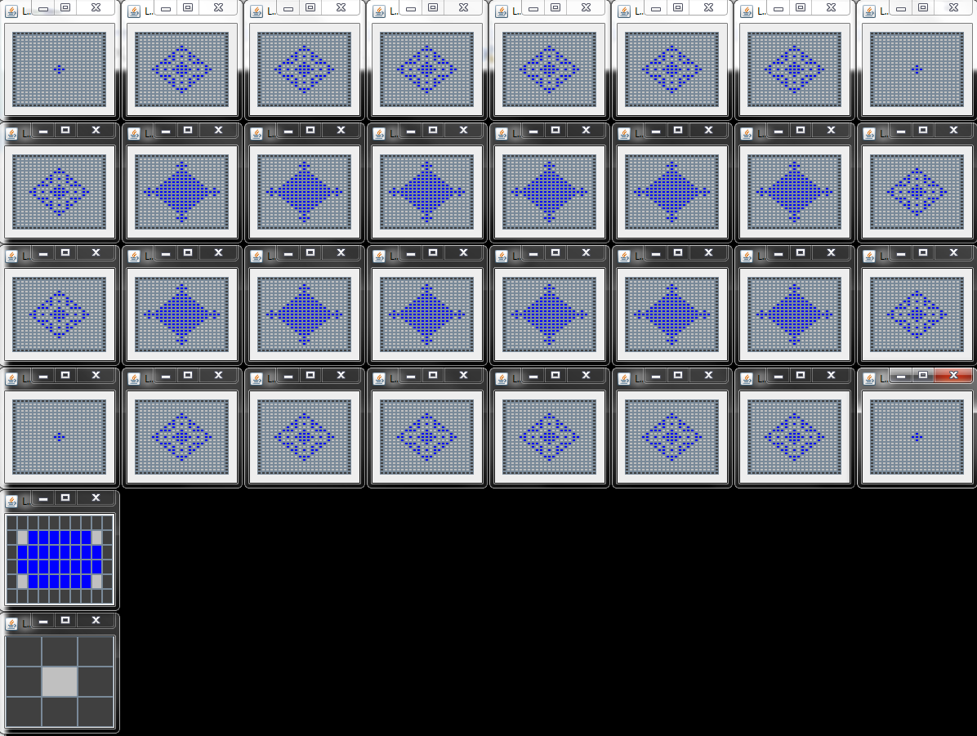
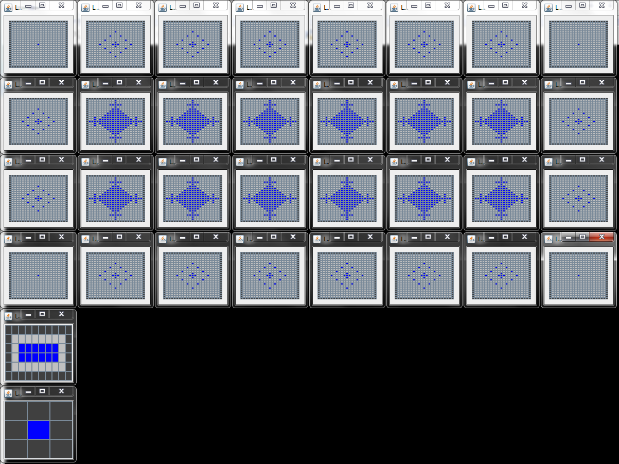
 |  |  |  |  | RegressiveRulePlayer (4 neighbours)
 |  |  |  |  |  | NeighbourCount
 |  |  |  |  | Current State | 0 | 1 | 2 | 3 | 4
 |  |  |  |  | 0 | 0 | 0 | 0 | 0 | 1
 |  |  |  |  | 1 | 0 | 0 | 0 | 0 | 1

1st Time Scross (3) |  | 2nd time SCore (4)

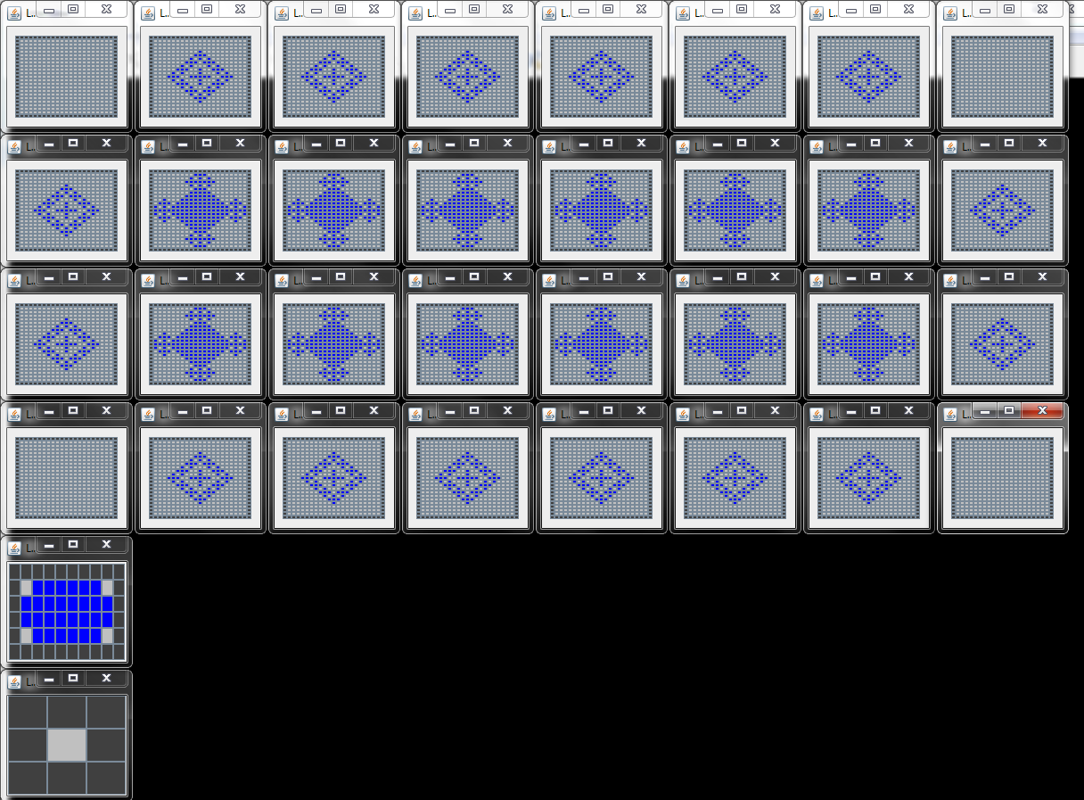

2nd time Scross (5)

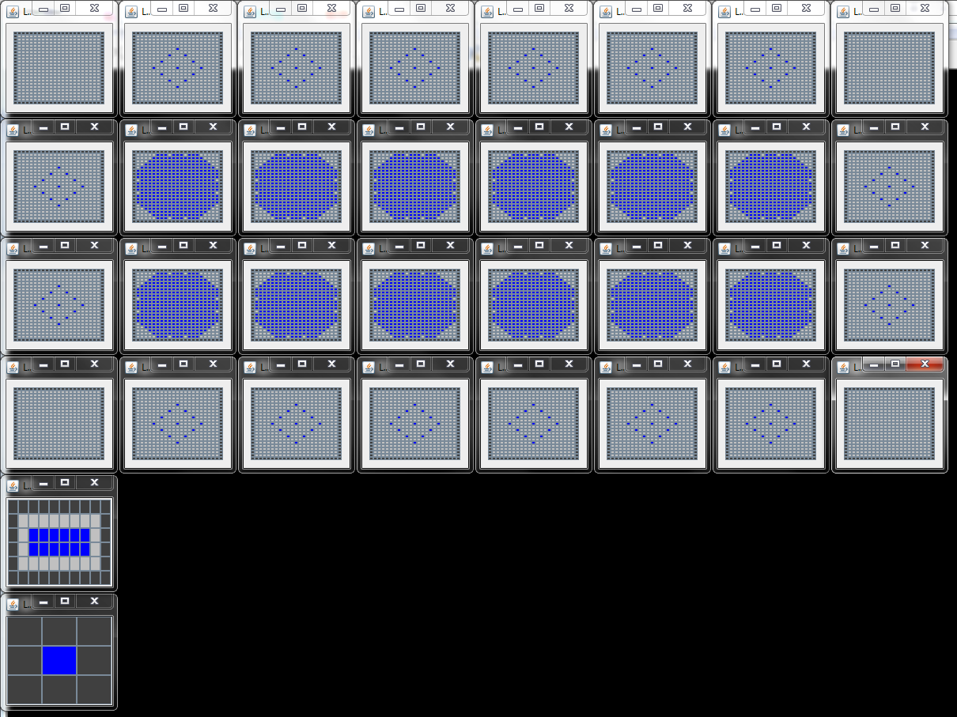
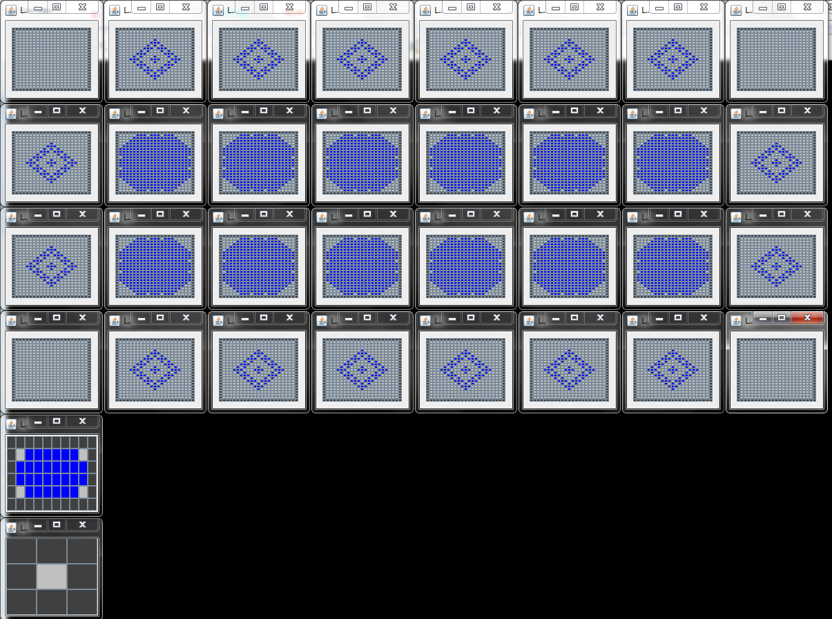

Final Oscillations SCore (6) |  | Final Oscillations Scross (7)

T1v1-L1A1
data: | Thu-Aug-17-150941-2017_3L_T1-V1_01-05Th_1-1-1Sm_stkCo-oscBo-dedCr_500iter

L1A1-->Columns Header: | LevelCount | AutomataStep | AggregateState | Goal | StateDifference | DiversityCounter | LiveCellsCount | LiveCellsArea | LiveCellsDensity | StateId
 | 2 | 1 | 0 | 1 | 0 | 1 | 0 | 0 | 0.0 | 1
 | 5 | 2 | 0 | 1 | 0 | 1 | 0 | 0 | 0.0 | 1
 | 8 | 3 | 0 | 1 | 0 | 1 | 0 | 0 | 0.0 | 1
 | 11 | 4 | 0 | 1 | 0 | 1 | 0 | 0 | 0.0 | 1
 | 14 | 5 | 0 | 1 | 0 | 1 | 0 | 0 | 0.0 | 1
 | 17 | 6 | 1 | 1 | 32 | 2 | 32 | 32 | 1.0 | 2
 | 20 | 7 | 0 | 0 | 20 | 3 | 12 | 12 | 1.0 | 3
 | 23 | 8 | 1 | 1 | 16 | 4 | 28 | 32 | 0.88 | 4
 | 26 | 9 | 0 | 0 | 16 | 4 | 12 | 12 | 1.0 | 3
 | 29 | 10 | 1 | 1 | 16 | 4 | 28 | 32 | 0.88 | 4
 | 32 | 11 | 0 | 0 | 16 | 4 | 12 | 12 | 1.0 | 3
 | 35 | 12 | 1 | 1 | 16 | 4 | 28 | 32 | 0.88 | 4
 | 38 | 13 | 0 | 0 | 16 | 4 | 12 | 12 | 1.0 | 3
 | 41 | 14 | 1 | 1 | 16 | 4 | 28 | 32 | 0.88 | 4
 | 44 | 15 | 0 | 0 | 16 | 4 | 12 | 12 | 1.0 | 3
 | 47 | 16 | 1 | 1 | 16 | 4 | 28 | 32 | 0.88 | 4
 | 50 | 17 | 0 | 0 | 16 | 4 | 12 | 12 | 1.0 | 3
 | 53 | 18 | 1 | 1 | 16 | 4 | 28 | 32 | 0.88 | 4
 | 56 | 19 | 0 | 0 | 16 | 4 | 12 | 12 | 1.0 | 3
 | 59 | 20 | 1 | 1 | 16 | 4 | 28 | 32 | 0.88 | 4
 | 62 | 21 | 0 | 0 | 16 | 4 | 12 | 12 | 1.0 | 3
 | 65 | 22 | 1 | 1 | 16 | 4 | 28 | 32 | 0.88 | 4
 | 68 | 23 | 0 | 0 | 16 | 4 | 12 | 12 | 1.0 | 3
 | 71 | 24 | 1 | 1 | 16 | 4 | 28 | 32 | 0.88 | 4
 | 74 | 25 | 0 | 0 | 16 | 4 | 12 | 12 | 1.0 | 3
 | 77 | 26 | 1 | 1 | 16 | 4 | 28 | 32 | 0.88 | 4
 | 80 | 27 | 0 | 0 | 16 | 4 | 12 | 12 | 1.0 | 3
 | 83 | 28 | 1 | 1 | 16 | 4 | 28 | 32 | 0.88 | 4
 | 86 | 29 | 0 | 0 | 16 | 4 | 12 | 12 | 1.0 | 3
 | 89 | 30 | 1 | 1 | 16 | 4 | 28 | 32 | 0.88 | 4
 | 92 | 31 | 0 | 0 | 16 | 4 | 12 | 12 | 1.0 | 3
 | 95 | 32 | 1 | 1 | 16 | 4 | 28 | 32 | 0.88 | 4
 | 98 | 33 | 0 | 0 | 16 | 4 | 12 | 12 | 1.0 | 3
 | 101 | 34 | 1 | 1 | 16 | 4 | 28 | 32 | 0.88 | 4
 | 104 | 35 | 0 | 0 | 16 | 4 | 12 | 12 | 1.0 | 3
 | 107 | 36 | 1 | 1 | 16 | 4 | 28 | 32 | 0.88 | 4
 | 110 | 37 | 0 | 0 | 16 | 4 | 12 | 12 | 1.0 | 3
 | 113 | 38 | 1 | 1 | 16 | 4 | 28 | 32 | 0.88 | 4
 | 116 | 39 | 0 | 0 | 16 | 4 | 12 | 12 | 1.0 | 3
 | 119 | 40 | 1 | 1 | 16 | 4 | 28 | 32 | 0.88 | 4
 | 122 | 41 | 0 | 0 | 16 | 4 | 12 | 12 | 1.0 | 3
 | 125 | 42 | 1 | 1 | 16 | 4 | 28 | 32 | 0.88 | 4
 | 128 | 43 | 0 | 0 | 16 | 4 | 12 | 12 | 1.0 | 3
 | 131 | 44 | 1 | 1 | 16 | 4 | 28 | 32 | 0.88 | 4
 | 134 | 45 | 0 | 0 | 16 | 4 | 12 | 12 | 1.0 | 3
 | 137 | 46 | 1 | 1 | 16 | 4 | 28 | 32 | 0.88 | 4
 | 140 | 47 | 0 | 0 | 16 | 4 | 12 | 12 | 1.0 | 3
 | 143 | 48 | 1 | 1 | 16 | 4 | 28 | 32 | 0.88 | 4
 | 146 | 49 | 0 | 0 | 16 | 4 | 12 | 12 | 1.0 | 3
 | 149 | 50 | 1 | 1 | 16 | 4 | 28 | 32 | 0.88 | 4
 | 152 | 51 | 0 | 0 | 16 | 4 | 12 | 12 | 1.0 | 3
 | 155 | 52 | 1 | 1 | 16 | 4 | 28 | 32 | 0.88 | 4
 | 158 | 53 | 0 | 0 | 16 | 4 | 12 | 12 | 1.0 | 3
 | 161 | 54 | 1 | 1 | 16 | 4 | 28 | 32 | 0.88 | 4
 | 164 | 55 | 0 | 0 | 16 | 4 | 12 | 12 | 1.0 | 3
 | 167 | 56 | 1 | 1 | 16 | 4 | 28 | 32 | 0.88 | 4
 | 170 | 57 | 0 | 0 | 16 | 4 | 12 | 12 | 1.0 | 3
 | 173 | 58 | 1 | 1 | 16 | 4 | 28 | 32 | 0.88 | 4
 | 176 | 59 | 0 | 0 | 16 | 4 | 12 | 12 | 1.0 | 3
 | 179 | 60 | 1 | 1 | 16 | 4 | 28 | 32 | 0.88 | 4
 | 182 | 61 | 0 | 0 | 16 | 4 | 12 | 12 | 1.0 | 3
 | 185 | 62 | 1 | 1 | 16 | 4 | 28 | 32 | 0.88 | 4
 | 188 | 63 | 0 | 0 | 16 | 4 | 12 | 12 | 1.0 | 3
 | 191 | 64 | 1 | 1 | 16 | 4 | 28 | 32 | 0.88 | 4
 | 194 | 65 | 0 | 0 | 16 | 4 | 12 | 12 | 1.0 | 3
 | 197 | 66 | 1 | 1 | 16 | 4 | 28 | 32 | 0.88 | 4
 | 200 | 67 | 0 | 0 | 16 | 4 | 12 | 12 | 1.0 | 3
 | 203 | 68 | 1 | 1 | 16 | 4 | 28 | 32 | 0.88 | 4
 | 206 | 69 | 0 | 0 | 16 | 4 | 12 | 12 | 1.0 | 3
 | 209 | 70 | 1 | 1 | 16 | 4 | 28 | 32 | 0.88 | 4
 | 212 | 71 | 0 | 0 | 16 | 4 | 12 | 12 | 1.0 | 3
 | 215 | 72 | 1 | 1 | 16 | 4 | 28 | 32 | 0.88 | 4
 | 218 | 73 | 0 | 0 | 16 | 4 | 12 | 12 | 1.0 | 3
 | 221 | 74 | 1 | 1 | 16 | 4 | 28 | 32 | 0.88 | 4
 | 224 | 75 | 0 | 0 | 16 | 4 | 12 | 12 | 1.0 | 3
 | 227 | 76 | 1 | 1 | 16 | 4 | 28 | 32 | 0.88 | 4
 | 230 | 77 | 0 | 0 | 16 | 4 | 12 | 12 | 1.0 | 3
 | 233 | 78 | 1 | 1 | 16 | 4 | 28 | 32 | 0.88 | 4
 | 236 | 79 | 0 | 0 | 16 | 4 | 12 | 12 | 1.0 | 3
 | 239 | 80 | 1 | 1 | 16 | 4 | 28 | 32 | 0.88 | 4
 | 242 | 81 | 0 | 0 | 16 | 4 | 12 | 12 | 1.0 | 3
 | 245 | 82 | 1 | 1 | 16 | 4 | 28 | 32 | 0.88 | 4
 | 248 | 83 | 0 | 0 | 16 | 4 | 12 | 12 | 1.0 | 3
 | 251 | 84 | 1 | 1 | 16 | 4 | 28 | 32 | 0.88 | 4
 | 254 | 85 | 0 | 0 | 16 | 4 | 12 | 12 | 1.0 | 3
 | 257 | 86 | 1 | 1 | 16 | 4 | 28 | 32 | 0.88 | 4
 | 260 | 87 | 0 | 0 | 16 | 4 | 12 | 12 | 1.0 | 3
 | 263 | 88 | 1 | 1 | 16 | 4 | 28 | 32 | 0.88 | 4
 | 266 | 89 | 0 | 0 | 16 | 4 | 12 | 12 | 1.0 | 3
 | 269 | 90 | 1 | 1 | 16 | 4 | 28 | 32 | 0.88 | 4
 | 272 | 91 | 0 | 0 | 16 | 4 | 12 | 12 | 1.0 | 3
 | 275 | 92 | 1 | 1 | 16 | 4 | 28 | 32 | 0.88 | 4
 | 278 | 93 | 0 | 0 | 16 | 4 | 12 | 12 | 1.0 | 3
 | 281 | 94 | 1 | 1 | 16 | 4 | 28 | 32 | 0.88 | 4
 | 284 | 95 | 0 | 0 | 16 | 4 | 12 | 12 | 1.0 | 3
 | 287 | 96 | 1 | 1 | 16 | 4 | 28 | 32 | 0.88 | 4
 | 290 | 97 | 0 | 0 | 16 | 4 | 12 | 12 | 1.0 | 3
 | 293 | 98 | 1 | 1 | 16 | 4 | 28 | 32 | 0.88 | 4
 | 296 | 99 | 0 | 0 | 16 | 4 | 12 | 12 | 1.0 | 3
 | 299 | 100 | 1 | 1 | 16 | 4 | 28 | 32 | 0.88 | 4
 | 302 | 101 | 0 | 0 | 16 | 4 | 12 | 12 | 1.0 | 3
 | 305 | 102 | 1 | 1 | 16 | 4 | 28 | 32 | 0.88 | 4
 | 308 | 103 | 0 | 0 | 16 | 4 | 12 | 12 | 1.0 | 3
 | 311 | 104 | 1 | 1 | 16 | 4 | 28 | 32 | 0.88 | 4
 | 314 | 105 | 0 | 0 | 16 | 4 | 12 | 12 | 1.0 | 3
 | 317 | 106 | 1 | 1 | 16 | 4 | 28 | 32 | 0.88 | 4
 | 320 | 107 | 0 | 0 | 16 | 4 | 12 | 12 | 1.0 | 3
 | 323 | 108 | 1 | 1 | 16 | 4 | 28 | 32 | 0.88 | 4
 | 326 | 109 | 0 | 0 | 16 | 4 | 12 | 12 | 1.0 | 3
 | 329 | 110 | 1 | 1 | 16 | 4 | 28 | 32 | 0.88 | 4
 | 332 | 111 | 0 | 0 | 16 | 4 | 12 | 12 | 1.0 | 3
 | 335 | 112 | 1 | 1 | 16 | 4 | 28 | 32 | 0.88 | 4
 | 338 | 113 | 0 | 0 | 16 | 4 | 12 | 12 | 1.0 | 3
 | 341 | 114 | 1 | 1 | 16 | 4 | 28 | 32 | 0.88 | 4
 | 344 | 115 | 0 | 0 | 16 | 4 | 12 | 12 | 1.0 | 3
 | 347 | 116 | 1 | 1 | 16 | 4 | 28 | 32 | 0.88 | 4
 | 350 | 117 | 0 | 0 | 16 | 4 | 12 | 12 | 1.0 | 3
 | 353 | 118 | 1 | 1 | 16 | 4 | 28 | 32 | 0.88 | 4
 | 356 | 119 | 0 | 0 | 16 | 4 | 12 | 12 | 1.0 | 3
 | 359 | 120 | 1 | 1 | 16 | 4 | 28 | 32 | 0.88 | 4
 | 362 | 121 | 0 | 0 | 16 | 4 | 12 | 12 | 1.0 | 3
 | 365 | 122 | 1 | 1 | 16 | 4 | 28 | 32 | 0.88 | 4
 | 368 | 123 | 0 | 0 | 16 | 4 | 12 | 12 | 1.0 | 3
 | 371 | 124 | 1 | 1 | 16 | 4 | 28 | 32 | 0.88 | 4
 | 374 | 125 | 0 | 0 | 16 | 4 | 12 | 12 | 1.0 | 3
 | 377 | 126 | 1 | 1 | 16 | 4 | 28 | 32 | 0.88 | 4
 | 380 | 127 | 0 | 0 | 16 | 4 | 12 | 12 | 1.0 | 3
 | 383 | 128 | 1 | 1 | 16 | 4 | 28 | 32 | 0.88 | 4
 | 386 | 129 | 0 | 0 | 16 | 4 | 12 | 12 | 1.0 | 3
 | 389 | 130 | 1 | 1 | 16 | 4 | 28 | 32 | 0.88 | 4
 | 392 | 131 | 0 | 0 | 16 | 4 | 12 | 12 | 1.0 | 3
 | 395 | 132 | 1 | 1 | 16 | 4 | 28 | 32 | 0.88 | 4
 | 398 | 133 | 0 | 0 | 16 | 4 | 12 | 12 | 1.0 | 3
 | 401 | 134 | 1 | 1 | 16 | 4 | 28 | 32 | 0.88 | 4
 | 404 | 135 | 0 | 0 | 16 | 4 | 12 | 12 | 1.0 | 3
 | 407 | 136 | 1 | 1 | 16 | 4 | 28 | 32 | 0.88 | 4
 | 410 | 137 | 0 | 0 | 16 | 4 | 12 | 12 | 1.0 | 3
 | 413 | 138 | 1 | 1 | 16 | 4 | 28 | 32 | 0.88 | 4
 | 416 | 139 | 0 | 0 | 16 | 4 | 12 | 12 | 1.0 | 3
 | 419 | 140 | 1 | 1 | 16 | 4 | 28 | 32 | 0.88 | 4
 | 422 | 141 | 0 | 0 | 16 | 4 | 12 | 12 | 1.0 | 3
 | 425 | 142 | 1 | 1 | 16 | 4 | 28 | 32 | 0.88 | 4
 | 428 | 143 | 0 | 0 | 16 | 4 | 12 | 12 | 1.0 | 3
 | 431 | 144 | 1 | 1 | 16 | 4 | 28 | 32 | 0.88 | 4
 | 434 | 145 | 0 | 0 | 16 | 4 | 12 | 12 | 1.0 | 3
 | 437 | 146 | 1 | 1 | 16 | 4 | 28 | 32 | 0.88 | 4
 | 440 | 147 | 0 | 0 | 16 | 4 | 12 | 12 | 1.0 | 3
 | 443 | 148 | 1 | 1 | 16 | 4 | 28 | 32 | 0.88 | 4
 | 446 | 149 | 0 | 0 | 16 | 4 | 12 | 12 | 1.0 | 3
 | 449 | 150 | 1 | 1 | 16 | 4 | 28 | 32 | 0.88 | 4
 | 452 | 151 | 0 | 0 | 16 | 4 | 12 | 12 | 1.0 | 3
 | 455 | 152 | 1 | 1 | 16 | 4 | 28 | 32 | 0.88 | 4
 | 458 | 153 | 0 | 0 | 16 | 4 | 12 | 12 | 1.0 | 3
 | 461 | 154 | 1 | 1 | 16 | 4 | 28 | 32 | 0.88 | 4
 | 464 | 155 | 0 | 0 | 16 | 4 | 12 | 12 | 1.0 | 3
 | 467 | 156 | 1 | 1 | 16 | 4 | 28 | 32 | 0.88 | 4
 | 470 | 157 | 0 | 0 | 16 | 4 | 12 | 12 | 1.0 | 3
 | 473 | 158 | 1 | 1 | 16 | 4 | 28 | 32 | 0.88 | 4
 | 476 | 159 | 0 | 0 | 16 | 4 | 12 | 12 | 1.0 | 3
 | 479 | 160 | 1 | 1 | 16 | 4 | 28 | 32 | 0.88 | 4
 | 482 | 161 | 0 | 0 | 16 | 4 | 12 | 12 | 1.0 | 3
 | 485 | 162 | 1 | 1 | 16 | 4 | 28 | 32 | 0.88 | 4
 | 488 | 163 | 0 | 0 | 16 | 4 | 12 | 12 | 1.0 | 3
 | 491 | 164 | 1 | 1 | 16 | 4 | 28 | 32 | 0.88 | 4
 | 494 | 165 | 0 | 0 | 16 | 4 | 12 | 12 | 1.0 | 3
 | 497 | 166 | 1 | 1 | 16 | 4 | 28 | 32 | 0.88 | 4
 | 500 | 167 | 0 | 0 | 16 | 4 | 12 | 12 | 1.0 | 3
 | 503 | 168 | 1 | 1 | 16 | 4 | 28 | 32 | 0.88 | 4
 | 506 | 169 | 0 | 0 | 16 | 4 | 12 | 12 | 1.0 | 3

T1v1-L0A2
data: | Thu-Aug-17-150941-2017_3L_T1-V1_01-05Th_1-1-1Sm_stkCo-oscBo-dedCr_500iter

L0A2-->Columns Header: | LevelCount | AutomataStep | AggregateState | Goal | StateDifference | DiversityCounter | LiveCellsCount | LiveCellsArea | LiveCellsDensity | StateId
 | 1 | 1 | 0 | 1 | 0 | 1 | 5 | 9 | 0.56 | 1
 | 4 | 2 | 0 | 1 | 4 | 2 | 9 | 25 | 0.36 | 2
 | 7 | 3 | 0 | 1 | 12 | 3 | 21 | 49 | 0.43 | 3
 | 10 | 4 | 0 | 1 | 8 | 4 | 29 | 81 | 0.36 | 4
 | 13 | 5 | 0 | 1 | 12 | 5 | 41 | 121 | 0.34 | 5
 | 16 | 6 | 1 | 1 | 12 | 6 | 53 | 169 | 0.31 | 6
 | 19 | 7 | 1 | 1 | 36 | 7 | 89 | 225 | 0.4 | 7
 | 22 | 8 | 0 | 0 | 60 | 8 | 29 | 169 | 0.17 | 8
 | 25 | 9 | 0 | 0 | 24 | 8 | 5 | 9 | 0.56 | 1
 | 28 | 10 | 0 | 0 | 4 | 9 | 1 | 1 | 1.0 | 9
 | 31 | 11 | 0 | 0 | 1 | 10 | 0 | 0 | 0.0 | 10
 | 34 | 12 | 0 | 0 | 0 | 10 | 0 | 0 | 0.0 | 10
 | 37 | 13 | 0 | 0 | 0 | 10 | 0 | 0 | 0.0 | 10
 | 40 | 14 | 0 | 0 | 0 | 10 | 0 | 0 | 0.0 | 10
 | 43 | 15 | 0 | 0 | 0 | 10 | 0 | 0 | 0.0 | 10
 | 46 | 16 | 0 | 0 | 0 | 10 | 0 | 0 | 0.0 | 10
 | 49 | 17 | 0 | 0 | 0 | 10 | 0 | 0 | 0.0 | 10
 | 52 | 18 | 0 | 0 | 0 | 10 | 0 | 0 | 0.0 | 10
 | 55 | 19 | 0 | 0 | 0 | 10 | 0 | 0 | 0.0 | 10
 | 58 | 20 | 0 | 0 | 0 | 10 | 0 | 0 | 0.0 | 10
 | 61 | 21 | 0 | 0 | 0 | 10 | 0 | 0 | 0.0 | 10
 | 64 | 22 | 0 | 0 | 0 | 10 | 0 | 0 | 0.0 | 10
 | 67 | 23 | 0 | 0 | 0 | 10 | 0 | 0 | 0.0 | 10
 | 70 | 24 | 0 | 0 | 0 | 10 | 0 | 0 | 0.0 | 10
 | 73 | 25 | 0 | 0 | 0 | 10 | 0 | 0 | 0.0 | 10
 | 76 | 26 | 0 | 0 | 0 | 10 | 0 | 0 | 0.0 | 10
 | 79 | 27 | 0 | 0 | 0 | 10 | 0 | 0 | 0.0 | 10
 | 82 | 28 | 0 | 0 | 0 | 10 | 0 | 0 | 0.0 | 10
 | 85 | 29 | 0 | 0 | 0 | 10 | 0 | 0 | 0.0 | 10
 | 88 | 30 | 0 | 0 | 0 | 10 | 0 | 0 | 0.0 | 10
 | 91 | 31 | 0 | 0 | 0 | 10 | 0 | 0 | 0.0 | 10
 | 94 | 32 | 0 | 0 | 0 | 10 | 0 | 0 | 0.0 | 10
 | 97 | 33 | 0 | 0 | 0 | 10 | 0 | 0 | 0.0 | 10
 | 100 | 34 | 0 | 0 | 0 | 10 | 0 | 0 | 0.0 | 10
 | 103 | 35 | 0 | 0 | 0 | 10 | 0 | 0 | 0.0 | 10
 | 106 | 36 | 0 | 0 | 0 | 10 | 0 | 0 | 0.0 | 10
 | 109 | 37 | 0 | 0 | 0 | 10 | 0 | 0 | 0.0 | 10
 | 112 | 38 | 0 | 0 | 0 | 10 | 0 | 0 | 0.0 | 10
 | 115 | 39 | 0 | 0 | 0 | 10 | 0 | 0 | 0.0 | 10
 | 118 | 40 | 0 | 0 | 0 | 10 | 0 | 0 | 0.0 | 10
 | 121 | 41 | 0 | 0 | 0 | 10 | 0 | 0 | 0.0 | 10
 | 124 | 42 | 0 | 0 | 0 | 10 | 0 | 0 | 0.0 | 10
 | 127 | 43 | 0 | 0 | 0 | 10 | 0 | 0 | 0.0 | 10
 | 130 | 44 | 0 | 0 | 0 | 10 | 0 | 0 | 0.0 | 10
 | 133 | 45 | 0 | 0 | 0 | 10 | 0 | 0 | 0.0 | 10
 | 136 | 46 | 0 | 0 | 0 | 10 | 0 | 0 | 0.0 | 10
 | 139 | 47 | 0 | 0 | 0 | 10 | 0 | 0 | 0.0 | 10
 | 142 | 48 | 0 | 0 | 0 | 10 | 0 | 0 | 0.0 | 10
 | 145 | 49 | 0 | 0 | 0 | 10 | 0 | 0 | 0.0 | 10
 | 148 | 50 | 0 | 0 | 0 | 10 | 0 | 0 | 0.0 | 10
 | 151 | 51 | 0 | 0 | 0 | 10 | 0 | 0 | 0.0 | 10
 | 154 | 52 | 0 | 0 | 0 | 10 | 0 | 0 | 0.0 | 10
 | 157 | 53 | 0 | 0 | 0 | 10 | 0 | 0 | 0.0 | 10
 | 160 | 54 | 0 | 0 | 0 | 10 | 0 | 0 | 0.0 | 10
 | 163 | 55 | 0 | 0 | 0 | 10 | 0 | 0 | 0.0 | 10
 | 166 | 56 | 0 | 0 | 0 | 10 | 0 | 0 | 0.0 | 10
 | 169 | 57 | 0 | 0 | 0 | 10 | 0 | 0 | 0.0 | 10
 | 172 | 58 | 0 | 0 | 0 | 10 | 0 | 0 | 0.0 | 10
 | 175 | 59 | 0 | 0 | 0 | 10 | 0 | 0 | 0.0 | 10
 | 178 | 60 | 0 | 0 | 0 | 10 | 0 | 0 | 0.0 | 10
 | 181 | 61 | 0 | 0 | 0 | 10 | 0 | 0 | 0.0 | 10
 | 184 | 62 | 0 | 0 | 0 | 10 | 0 | 0 | 0.0 | 10
 | 187 | 63 | 0 | 0 | 0 | 10 | 0 | 0 | 0.0 | 10
 | 190 | 64 | 0 | 0 | 0 | 10 | 0 | 0 | 0.0 | 10
 | 193 | 65 | 0 | 0 | 0 | 10 | 0 | 0 | 0.0 | 10
 | 196 | 66 | 0 | 0 | 0 | 10 | 0 | 0 | 0.0 | 10
 | 199 | 67 | 0 | 0 | 0 | 10 | 0 | 0 | 0.0 | 10
 | 202 | 68 | 0 | 0 | 0 | 10 | 0 | 0 | 0.0 | 10
 | 205 | 69 | 0 | 0 | 0 | 10 | 0 | 0 | 0.0 | 10
 | 208 | 70 | 0 | 0 | 0 | 10 | 0 | 0 | 0.0 | 10
 | 211 | 71 | 0 | 0 | 0 | 10 | 0 | 0 | 0.0 | 10
 | 214 | 72 | 0 | 0 | 0 | 10 | 0 | 0 | 0.0 | 10
 | 217 | 73 | 0 | 0 | 0 | 10 | 0 | 0 | 0.0 | 10
 | 220 | 74 | 0 | 0 | 0 | 10 | 0 | 0 | 0.0 | 10
 | 223 | 75 | 0 | 0 | 0 | 10 | 0 | 0 | 0.0 | 10
 | 226 | 76 | 0 | 0 | 0 | 10 | 0 | 0 | 0.0 | 10
 | 229 | 77 | 0 | 0 | 0 | 10 | 0 | 0 | 0.0 | 10
 | 232 | 78 | 0 | 0 | 0 | 10 | 0 | 0 | 0.0 | 10
 | 235 | 79 | 0 | 0 | 0 | 10 | 0 | 0 | 0.0 | 10
 | 238 | 80 | 0 | 0 | 0 | 10 | 0 | 0 | 0.0 | 10
 | 241 | 81 | 0 | 0 | 0 | 10 | 0 | 0 | 0.0 | 10
 | 244 | 82 | 0 | 0 | 0 | 10 | 0 | 0 | 0.0 | 10
 | 247 | 83 | 0 | 0 | 0 | 10 | 0 | 0 | 0.0 | 10
 | 250 | 84 | 0 | 0 | 0 | 10 | 0 | 0 | 0.0 | 10
 | 253 | 85 | 0 | 0 | 0 | 10 | 0 | 0 | 0.0 | 10
 | 256 | 86 | 0 | 0 | 0 | 10 | 0 | 0 | 0.0 | 10
 | 259 | 87 | 0 | 0 | 0 | 10 | 0 | 0 | 0.0 | 10
 | 262 | 88 | 0 | 0 | 0 | 10 | 0 | 0 | 0.0 | 10
 | 265 | 89 | 0 | 0 | 0 | 10 | 0 | 0 | 0.0 | 10
 | 268 | 90 | 0 | 0 | 0 | 10 | 0 | 0 | 0.0 | 10
 | 271 | 91 | 0 | 0 | 0 | 10 | 0 | 0 | 0.0 | 10
 | 274 | 92 | 0 | 0 | 0 | 10 | 0 | 0 | 0.0 | 10
 | 277 | 93 | 0 | 0 | 0 | 10 | 0 | 0 | 0.0 | 10
 | 280 | 94 | 0 | 0 | 0 | 10 | 0 | 0 | 0.0 | 10
 | 283 | 95 | 0 | 0 | 0 | 10 | 0 | 0 | 0.0 | 10
 | 286 | 96 | 0 | 0 | 0 | 10 | 0 | 0 | 0.0 | 10
 | 289 | 97 | 0 | 0 | 0 | 10 | 0 | 0 | 0.0 | 10
 | 292 | 98 | 0 | 0 | 0 | 10 | 0 | 0 | 0.0 | 10
 | 295 | 99 | 0 | 0 | 0 | 10 | 0 | 0 | 0.0 | 10
 | 298 | 100 | 0 | 0 | 0 | 10 | 0 | 0 | 0.0 | 10
 | 301 | 101 | 0 | 0 | 0 | 10 | 0 | 0 | 0.0 | 10
 | 304 | 102 | 0 | 0 | 0 | 10 | 0 | 0 | 0.0 | 10
 | 307 | 103 | 0 | 0 | 0 | 10 | 0 | 0 | 0.0 | 10
 | 310 | 104 | 0 | 0 | 0 | 10 | 0 | 0 | 0.0 | 10
 | 313 | 105 | 0 | 0 | 0 | 10 | 0 | 0 | 0.0 | 10
 | 316 | 106 | 0 | 0 | 0 | 10 | 0 | 0 | 0.0 | 10
 | 319 | 107 | 0 | 0 | 0 | 10 | 0 | 0 | 0.0 | 10
 | 322 | 108 | 0 | 0 | 0 | 10 | 0 | 0 | 0.0 | 10
 | 325 | 109 | 0 | 0 | 0 | 10 | 0 | 0 | 0.0 | 10
 | 328 | 110 | 0 | 0 | 0 | 10 | 0 | 0 | 0.0 | 10
 | 331 | 111 | 0 | 0 | 0 | 10 | 0 | 0 | 0.0 | 10
 | 334 | 112 | 0 | 0 | 0 | 10 | 0 | 0 | 0.0 | 10
 | 337 | 113 | 0 | 0 | 0 | 10 | 0 | 0 | 0.0 | 10
 | 340 | 114 | 0 | 0 | 0 | 10 | 0 | 0 | 0.0 | 10
 | 343 | 115 | 0 | 0 | 0 | 10 | 0 | 0 | 0.0 | 10
 | 346 | 116 | 0 | 0 | 0 | 10 | 0 | 0 | 0.0 | 10
 | 349 | 117 | 0 | 0 | 0 | 10 | 0 | 0 | 0.0 | 10
 | 352 | 118 | 0 | 0 | 0 | 10 | 0 | 0 | 0.0 | 10
 | 355 | 119 | 0 | 0 | 0 | 10 | 0 | 0 | 0.0 | 10
 | 358 | 120 | 0 | 0 | 0 | 10 | 0 | 0 | 0.0 | 10
 | 361 | 121 | 0 | 0 | 0 | 10 | 0 | 0 | 0.0 | 10
 | 364 | 122 | 0 | 0 | 0 | 10 | 0 | 0 | 0.0 | 10
 | 367 | 123 | 0 | 0 | 0 | 10 | 0 | 0 | 0.0 | 10
 | 370 | 124 | 0 | 0 | 0 | 10 | 0 | 0 | 0.0 | 10
 | 373 | 125 | 0 | 0 | 0 | 10 | 0 | 0 | 0.0 | 10
 | 376 | 126 | 0 | 0 | 0 | 10 | 0 | 0 | 0.0 | 10
 | 379 | 127 | 0 | 0 | 0 | 10 | 0 | 0 | 0.0 | 10
 | 382 | 128 | 0 | 0 | 0 | 10 | 0 | 0 | 0.0 | 10
 | 385 | 129 | 0 | 0 | 0 | 10 | 0 | 0 | 0.0 | 10
 | 388 | 130 | 0 | 0 | 0 | 10 | 0 | 0 | 0.0 | 10
 | 391 | 131 | 0 | 0 | 0 | 10 | 0 | 0 | 0.0 | 10
 | 394 | 132 | 0 | 0 | 0 | 10 | 0 | 0 | 0.0 | 10
 | 397 | 133 | 0 | 0 | 0 | 10 | 0 | 0 | 0.0 | 10
 | 400 | 134 | 0 | 0 | 0 | 10 | 0 | 0 | 0.0 | 10
 | 403 | 135 | 0 | 0 | 0 | 10 | 0 | 0 | 0.0 | 10
 | 406 | 136 | 0 | 0 | 0 | 10 | 0 | 0 | 0.0 | 10
 | 409 | 137 | 0 | 0 | 0 | 10 | 0 | 0 | 0.0 | 10
 | 412 | 138 | 0 | 0 | 0 | 10 | 0 | 0 | 0.0 | 10
 | 415 | 139 | 0 | 0 | 0 | 10 | 0 | 0 | 0.0 | 10
 | 418 | 140 | 0 | 0 | 0 | 10 | 0 | 0 | 0.0 | 10
 | 421 | 141 | 0 | 0 | 0 | 10 | 0 | 0 | 0.0 | 10
 | 424 | 142 | 0 | 0 | 0 | 10 | 0 | 0 | 0.0 | 10
 | 427 | 143 | 0 | 0 | 0 | 10 | 0 | 0 | 0.0 | 10
 | 430 | 144 | 0 | 0 | 0 | 10 | 0 | 0 | 0.0 | 10
 | 433 | 145 | 0 | 0 | 0 | 10 | 0 | 0 | 0.0 | 10
 | 436 | 146 | 0 | 0 | 0 | 10 | 0 | 0 | 0.0 | 10
 | 439 | 147 | 0 | 0 | 0 | 10 | 0 | 0 | 0.0 | 10
 | 442 | 148 | 0 | 0 | 0 | 10 | 0 | 0 | 0.0 | 10
 | 445 | 149 | 0 | 0 | 0 | 10 | 0 | 0 | 0.0 | 10
 | 448 | 150 | 0 | 0 | 0 | 10 | 0 | 0 | 0.0 | 10
 | 451 | 151 | 0 | 0 | 0 | 10 | 0 | 0 | 0.0 | 10
 | 454 | 152 | 0 | 0 | 0 | 10 | 0 | 0 | 0.0 | 10
 | 457 | 153 | 0 | 0 | 0 | 10 | 0 | 0 | 0.0 | 10
 | 460 | 154 | 0 | 0 | 0 | 10 | 0 | 0 | 0.0 | 10
 | 463 | 155 | 0 | 0 | 0 | 10 | 0 | 0 | 0.0 | 10
 | 466 | 156 | 0 | 0 | 0 | 10 | 0 | 0 | 0.0 | 10
 | 469 | 157 | 0 | 0 | 0 | 10 | 0 | 0 | 0.0 | 10
 | 472 | 158 | 0 | 0 | 0 | 10 | 0 | 0 | 0.0 | 10
 | 475 | 159 | 0 | 0 | 0 | 10 | 0 | 0 | 0.0 | 10
 | 478 | 160 | 0 | 0 | 0 | 10 | 0 | 0 | 0.0 | 10
 | 481 | 161 | 0 | 0 | 0 | 10 | 0 | 0 | 0.0 | 10
 | 484 | 162 | 0 | 0 | 0 | 10 | 0 | 0 | 0.0 | 10
 | 487 | 163 | 0 | 0 | 0 | 10 | 0 | 0 | 0.0 | 10
 | 490 | 164 | 0 | 0 | 0 | 10 | 0 | 0 | 0.0 | 10
 | 493 | 165 | 0 | 0 | 0 | 10 | 0 | 0 | 0.0 | 10
 | 496 | 166 | 0 | 0 | 0 | 10 | 0 | 0 | 0.0 | 10
 | 499 | 167 | 0 | 0 | 0 | 10 | 0 | 0 | 0.0 | 10
 | 502 | 168 | 0 | 0 | 0 | 10 | 0 | 0 | 0.0 | 10
 | 505 | 169 | 0 | 0 | 0 | 10 | 0 | 0 | 0.0 | 10

T1v1-L0A3
data: | Thu-Aug-17-150941-2017_3L_T1-V1_01-05Th_1-1-1Sm_stkCo-oscBo-dedCr_500iter

L0A3-->Columns Header: | LevelCount | AutomataStep | AggregateState | Goal | StateDifference | DiversityCounter | LiveCellsCount | LiveCellsArea | LiveCellsDensity | StateId
 | 1 | 1 | 0 | 1 | 0 | 1 | 5 | 9 | 0.56 | 1
 | 4 | 2 | 0 | 1 | 4 | 2 | 9 | 25 | 0.36 | 2
 | 7 | 3 | 0 | 1 | 12 | 3 | 21 | 49 | 0.43 | 3
 | 10 | 4 | 0 | 1 | 8 | 4 | 29 | 81 | 0.36 | 4
 | 13 | 5 | 0 | 1 | 12 | 5 | 41 | 121 | 0.34 | 5
 | 16 | 6 | 1 | 1 | 12 | 6 | 53 | 169 | 0.31 | 6
 | 19 | 7 | 1 | 1 | 36 | 7 | 89 | 225 | 0.4 | 7
 | 22 | 8 | 0 | 0 | 60 | 8 | 29 | 169 | 0.17 | 8
 | 25 | 9 | 1 | 1 | 36 | 9 | 65 | 225 | 0.29 | 9
 | 28 | 10 | 0 | 0 | 48 | 10 | 17 | 169 | 0.1 | 10
 | 31 | 11 | 1 | 1 | 52 | 11 | 69 | 225 | 0.31 | 11
 | 34 | 12 | 0 | 0 | 56 | 12 | 13 | 169 | 0.08 | 12
 | 37 | 13 | 1 | 1 | 52 | 13 | 65 | 225 | 0.29 | 13
 | 40 | 14 | 0 | 0 | 52 | 13 | 13 | 169 | 0.08 | 12
 | 43 | 15 | 1 | 1 | 52 | 13 | 65 | 225 | 0.29 | 13
 | 46 | 16 | 0 | 0 | 52 | 13 | 13 | 169 | 0.08 | 12
 | 49 | 17 | 1 | 1 | 52 | 13 | 65 | 225 | 0.29 | 13
 | 52 | 18 | 0 | 0 | 52 | 13 | 13 | 169 | 0.08 | 12
 | 55 | 19 | 1 | 1 | 52 | 13 | 65 | 225 | 0.29 | 13
 | 58 | 20 | 0 | 0 | 52 | 13 | 13 | 169 | 0.08 | 12
 | 61 | 21 | 1 | 1 | 52 | 13 | 65 | 225 | 0.29 | 13
 | 64 | 22 | 0 | 0 | 52 | 13 | 13 | 169 | 0.08 | 12
 | 67 | 23 | 1 | 1 | 52 | 13 | 65 | 225 | 0.29 | 13
 | 70 | 24 | 0 | 0 | 52 | 13 | 13 | 169 | 0.08 | 12
 | 73 | 25 | 1 | 1 | 52 | 13 | 65 | 225 | 0.29 | 13
 | 76 | 26 | 0 | 0 | 52 | 13 | 13 | 169 | 0.08 | 12
 | 79 | 27 | 1 | 1 | 52 | 13 | 65 | 225 | 0.29 | 13
 | 82 | 28 | 0 | 0 | 52 | 13 | 13 | 169 | 0.08 | 12
 | 85 | 29 | 1 | 1 | 52 | 13 | 65 | 225 | 0.29 | 13
 | 88 | 30 | 0 | 0 | 52 | 13 | 13 | 169 | 0.08 | 12
 | 91 | 31 | 1 | 1 | 52 | 13 | 65 | 225 | 0.29 | 13
 | 94 | 32 | 0 | 0 | 52 | 13 | 13 | 169 | 0.08 | 12
 | 97 | 33 | 1 | 1 | 52 | 13 | 65 | 225 | 0.29 | 13
 | 100 | 34 | 0 | 0 | 52 | 13 | 13 | 169 | 0.08 | 12
 | 103 | 35 | 1 | 1 | 52 | 13 | 65 | 225 | 0.29 | 13
 | 106 | 36 | 0 | 0 | 52 | 13 | 13 | 169 | 0.08 | 12
 | 109 | 37 | 1 | 1 | 52 | 13 | 65 | 225 | 0.29 | 13
 | 112 | 38 | 0 | 0 | 52 | 13 | 13 | 169 | 0.08 | 12
 | 115 | 39 | 1 | 1 | 52 | 13 | 65 | 225 | 0.29 | 13
 | 118 | 40 | 0 | 0 | 52 | 13 | 13 | 169 | 0.08 | 12
 | 121 | 41 | 1 | 1 | 52 | 13 | 65 | 225 | 0.29 | 13
 | 124 | 42 | 0 | 0 | 52 | 13 | 13 | 169 | 0.08 | 12
 | 127 | 43 | 1 | 1 | 52 | 13 | 65 | 225 | 0.29 | 13
 | 130 | 44 | 0 | 0 | 52 | 13 | 13 | 169 | 0.08 | 12
 | 133 | 45 | 1 | 1 | 52 | 13 | 65 | 225 | 0.29 | 13
 | 136 | 46 | 0 | 0 | 52 | 13 | 13 | 169 | 0.08 | 12
 | 139 | 47 | 1 | 1 | 52 | 13 | 65 | 225 | 0.29 | 13
 | 142 | 48 | 0 | 0 | 52 | 13 | 13 | 169 | 0.08 | 12
 | 145 | 49 | 1 | 1 | 52 | 13 | 65 | 225 | 0.29 | 13
 | 148 | 50 | 0 | 0 | 52 | 13 | 13 | 169 | 0.08 | 12
 | 151 | 51 | 1 | 1 | 52 | 13 | 65 | 225 | 0.29 | 13
 | 154 | 52 | 0 | 0 | 52 | 13 | 13 | 169 | 0.08 | 12
 | 157 | 53 | 1 | 1 | 52 | 13 | 65 | 225 | 0.29 | 13
 | 160 | 54 | 0 | 0 | 52 | 13 | 13 | 169 | 0.08 | 12
 | 163 | 55 | 1 | 1 | 52 | 13 | 65 | 225 | 0.29 | 13
 | 166 | 56 | 0 | 0 | 52 | 13 | 13 | 169 | 0.08 | 12
 | 169 | 57 | 1 | 1 | 52 | 13 | 65 | 225 | 0.29 | 13
 | 172 | 58 | 0 | 0 | 52 | 13 | 13 | 169 | 0.08 | 12
 | 175 | 59 | 1 | 1 | 52 | 13 | 65 | 225 | 0.29 | 13
 | 178 | 60 | 0 | 0 | 52 | 13 | 13 | 169 | 0.08 | 12
 | 181 | 61 | 1 | 1 | 52 | 13 | 65 | 225 | 0.29 | 13
 | 184 | 62 | 0 | 0 | 52 | 13 | 13 | 169 | 0.08 | 12
 | 187 | 63 | 1 | 1 | 52 | 13 | 65 | 225 | 0.29 | 13
 | 190 | 64 | 0 | 0 | 52 | 13 | 13 | 169 | 0.08 | 12
 | 193 | 65 | 1 | 1 | 52 | 13 | 65 | 225 | 0.29 | 13
 | 196 | 66 | 0 | 0 | 52 | 13 | 13 | 169 | 0.08 | 12
 | 199 | 67 | 1 | 1 | 52 | 13 | 65 | 225 | 0.29 | 13
 | 202 | 68 | 0 | 0 | 52 | 13 | 13 | 169 | 0.08 | 12
 | 205 | 69 | 1 | 1 | 52 | 13 | 65 | 225 | 0.29 | 13
 | 208 | 70 | 0 | 0 | 52 | 13 | 13 | 169 | 0.08 | 12
 | 211 | 71 | 1 | 1 | 52 | 13 | 65 | 225 | 0.29 | 13
 | 214 | 72 | 0 | 0 | 52 | 13 | 13 | 169 | 0.08 | 12
 | 217 | 73 | 1 | 1 | 52 | 13 | 65 | 225 | 0.29 | 13
 | 220 | 74 | 0 | 0 | 52 | 13 | 13 | 169 | 0.08 | 12
 | 223 | 75 | 1 | 1 | 52 | 13 | 65 | 225 | 0.29 | 13
 | 226 | 76 | 0 | 0 | 52 | 13 | 13 | 169 | 0.08 | 12
 | 229 | 77 | 1 | 1 | 52 | 13 | 65 | 225 | 0.29 | 13
 | 232 | 78 | 0 | 0 | 52 | 13 | 13 | 169 | 0.08 | 12
 | 235 | 79 | 1 | 1 | 52 | 13 | 65 | 225 | 0.29 | 13
 | 238 | 80 | 0 | 0 | 52 | 13 | 13 | 169 | 0.08 | 12
 | 241 | 81 | 1 | 1 | 52 | 13 | 65 | 225 | 0.29 | 13
 | 244 | 82 | 0 | 0 | 52 | 13 | 13 | 169 | 0.08 | 12
 | 247 | 83 | 1 | 1 | 52 | 13 | 65 | 225 | 0.29 | 13
 | 250 | 84 | 0 | 0 | 52 | 13 | 13 | 169 | 0.08 | 12
 | 253 | 85 | 1 | 1 | 52 | 13 | 65 | 225 | 0.29 | 13
 | 256 | 86 | 0 | 0 | 52 | 13 | 13 | 169 | 0.08 | 12
 | 259 | 87 | 1 | 1 | 52 | 13 | 65 | 225 | 0.29 | 13
 | 262 | 88 | 0 | 0 | 52 | 13 | 13 | 169 | 0.08 | 12
 | 265 | 89 | 1 | 1 | 52 | 13 | 65 | 225 | 0.29 | 13
 | 268 | 90 | 0 | 0 | 52 | 13 | 13 | 169 | 0.08 | 12
 | 271 | 91 | 1 | 1 | 52 | 13 | 65 | 225 | 0.29 | 13
 | 274 | 92 | 0 | 0 | 52 | 13 | 13 | 169 | 0.08 | 12
 | 277 | 93 | 1 | 1 | 52 | 13 | 65 | 225 | 0.29 | 13
 | 280 | 94 | 0 | 0 | 52 | 13 | 13 | 169 | 0.08 | 12
 | 283 | 95 | 1 | 1 | 52 | 13 | 65 | 225 | 0.29 | 13
 | 286 | 96 | 0 | 0 | 52 | 13 | 13 | 169 | 0.08 | 12
 | 289 | 97 | 1 | 1 | 52 | 13 | 65 | 225 | 0.29 | 13
 | 292 | 98 | 0 | 0 | 52 | 13 | 13 | 169 | 0.08 | 12
 | 295 | 99 | 1 | 1 | 52 | 13 | 65 | 225 | 0.29 | 13
 | 298 | 100 | 0 | 0 | 52 | 13 | 13 | 169 | 0.08 | 12
 | 301 | 101 | 1 | 1 | 52 | 13 | 65 | 225 | 0.29 | 13
 | 304 | 102 | 0 | 0 | 52 | 13 | 13 | 169 | 0.08 | 12
 | 307 | 103 | 1 | 1 | 52 | 13 | 65 | 225 | 0.29 | 13
 | 310 | 104 | 0 | 0 | 52 | 13 | 13 | 169 | 0.08 | 12
 | 313 | 105 | 1 | 1 | 52 | 13 | 65 | 225 | 0.29 | 13
 | 316 | 106 | 0 | 0 | 52 | 13 | 13 | 169 | 0.08 | 12
 | 319 | 107 | 1 | 1 | 52 | 13 | 65 | 225 | 0.29 | 13
 | 322 | 108 | 0 | 0 | 52 | 13 | 13 | 169 | 0.08 | 12
 | 325 | 109 | 1 | 1 | 52 | 13 | 65 | 225 | 0.29 | 13
 | 328 | 110 | 0 | 0 | 52 | 13 | 13 | 169 | 0.08 | 12
 | 331 | 111 | 1 | 1 | 52 | 13 | 65 | 225 | 0.29 | 13
 | 334 | 112 | 0 | 0 | 52 | 13 | 13 | 169 | 0.08 | 12
 | 337 | 113 | 1 | 1 | 52 | 13 | 65 | 225 | 0.29 | 13
 | 340 | 114 | 0 | 0 | 52 | 13 | 13 | 169 | 0.08 | 12
 | 343 | 115 | 1 | 1 | 52 | 13 | 65 | 225 | 0.29 | 13
 | 346 | 116 | 0 | 0 | 52 | 13 | 13 | 169 | 0.08 | 12
 | 349 | 117 | 1 | 1 | 52 | 13 | 65 | 225 | 0.29 | 13
 | 352 | 118 | 0 | 0 | 52 | 13 | 13 | 169 | 0.08 | 12
 | 355 | 119 | 1 | 1 | 52 | 13 | 65 | 225 | 0.29 | 13
 | 358 | 120 | 0 | 0 | 52 | 13 | 13 | 169 | 0.08 | 12
 | 361 | 121 | 1 | 1 | 52 | 13 | 65 | 225 | 0.29 | 13
 | 364 | 122 | 0 | 0 | 52 | 13 | 13 | 169 | 0.08 | 12
 | 367 | 123 | 1 | 1 | 52 | 13 | 65 | 225 | 0.29 | 13
 | 370 | 124 | 0 | 0 | 52 | 13 | 13 | 169 | 0.08 | 12
 | 373 | 125 | 1 | 1 | 52 | 13 | 65 | 225 | 0.29 | 13
 | 376 | 126 | 0 | 0 | 52 | 13 | 13 | 169 | 0.08 | 12
 | 379 | 127 | 1 | 1 | 52 | 13 | 65 | 225 | 0.29 | 13
 | 382 | 128 | 0 | 0 | 52 | 13 | 13 | 169 | 0.08 | 12
 | 385 | 129 | 1 | 1 | 52 | 13 | 65 | 225 | 0.29 | 13
 | 388 | 130 | 0 | 0 | 52 | 13 | 13 | 169 | 0.08 | 12
 | 391 | 131 | 1 | 1 | 52 | 13 | 65 | 225 | 0.29 | 13
 | 394 | 132 | 0 | 0 | 52 | 13 | 13 | 169 | 0.08 | 12
 | 397 | 133 | 1 | 1 | 52 | 13 | 65 | 225 | 0.29 | 13
 | 400 | 134 | 0 | 0 | 52 | 13 | 13 | 169 | 0.08 | 12
 | 403 | 135 | 1 | 1 | 52 | 13 | 65 | 225 | 0.29 | 13
 | 406 | 136 | 0 | 0 | 52 | 13 | 13 | 169 | 0.08 | 12
 | 409 | 137 | 1 | 1 | 52 | 13 | 65 | 225 | 0.29 | 13
 | 412 | 138 | 0 | 0 | 52 | 13 | 13 | 169 | 0.08 | 12
 | 415 | 139 | 1 | 1 | 52 | 13 | 65 | 225 | 0.29 | 13
 | 418 | 140 | 0 | 0 | 52 | 13 | 13 | 169 | 0.08 | 12
 | 421 | 141 | 1 | 1 | 52 | 13 | 65 | 225 | 0.29 | 13
 | 424 | 142 | 0 | 0 | 52 | 13 | 13 | 169 | 0.08 | 12
 | 427 | 143 | 1 | 1 | 52 | 13 | 65 | 225 | 0.29 | 13
 | 430 | 144 | 0 | 0 | 52 | 13 | 13 | 169 | 0.08 | 12
 | 433 | 145 | 1 | 1 | 52 | 13 | 65 | 225 | 0.29 | 13
 | 436 | 146 | 0 | 0 | 52 | 13 | 13 | 169 | 0.08 | 12
 | 439 | 147 | 1 | 1 | 52 | 13 | 65 | 225 | 0.29 | 13
 | 442 | 148 | 0 | 0 | 52 | 13 | 13 | 169 | 0.08 | 12
 | 445 | 149 | 1 | 1 | 52 | 13 | 65 | 225 | 0.29 | 13
 | 448 | 150 | 0 | 0 | 52 | 13 | 13 | 169 | 0.08 | 12
 | 451 | 151 | 1 | 1 | 52 | 13 | 65 | 225 | 0.29 | 13
 | 454 | 152 | 0 | 0 | 52 | 13 | 13 | 169 | 0.08 | 12
 | 457 | 153 | 1 | 1 | 52 | 13 | 65 | 225 | 0.29 | 13
 | 460 | 154 | 0 | 0 | 52 | 13 | 13 | 169 | 0.08 | 12
 | 463 | 155 | 1 | 1 | 52 | 13 | 65 | 225 | 0.29 | 13
 | 466 | 156 | 0 | 0 | 52 | 13 | 13 | 169 | 0.08 | 12
 | 469 | 157 | 1 | 1 | 52 | 13 | 65 | 225 | 0.29 | 13
 | 472 | 158 | 0 | 0 | 52 | 13 | 13 | 169 | 0.08 | 12
 | 475 | 159 | 1 | 1 | 52 | 13 | 65 | 225 | 0.29 | 13
 | 478 | 160 | 0 | 0 | 52 | 13 | 13 | 169 | 0.08 | 12
 | 481 | 161 | 1 | 1 | 52 | 13 | 65 | 225 | 0.29 | 13
 | 484 | 162 | 0 | 0 | 52 | 13 | 13 | 169 | 0.08 | 12
 | 487 | 163 | 1 | 1 | 52 | 13 | 65 | 225 | 0.29 | 13
 | 490 | 164 | 0 | 0 | 52 | 13 | 13 | 169 | 0.08 | 12
 | 493 | 165 | 1 | 1 | 52 | 13 | 65 | 225 | 0.29 | 13
 | 496 | 166 | 0 | 0 | 52 | 13 | 13 | 169 | 0.08 | 12
 | 499 | 167 | 1 | 1 | 52 | 13 | 65 | 225 | 0.29 | 13
 | 502 | 168 | 0 | 0 | 52 | 13 | 13 | 169 | 0.08 | 12
 | 505 | 169 | 1 | 1 | 52 | 13 | 65 | 225 | 0.29 | 13

T1v1-L0A11
data: | Thu-Aug-17-150941-2017_3L_T1-V1_01-05Th_1-1-1Sm_stkCo-oscBo-dedCr_500iter

L0A11-->Columns Header: | LevelCount | AutomataStep | AggregateState | Goal | StateDifference | DiversityCounter | LiveCellsCount | LiveCellsArea | LiveCellsDensity | StateId
 | 1 | 1 | 0 | 1 | 0 | 1 | 5 | 9 | 0.56 | 1
 | 4 | 2 | 0 | 1 | 4 | 2 | 9 | 25 | 0.36 | 2
 | 7 | 3 | 0 | 1 | 12 | 3 | 21 | 49 | 0.43 | 3
 | 10 | 4 | 0 | 1 | 8 | 4 | 29 | 81 | 0.36 | 4
 | 13 | 5 | 0 | 1 | 12 | 5 | 41 | 121 | 0.34 | 5
 | 16 | 6 | 1 | 1 | 12 | 6 | 53 | 169 | 0.31 | 6
 | 19 | 7 | 1 | 1 | 36 | 7 | 89 | 225 | 0.4 | 7
 | 22 | 8 | 1 | 1 | 28 | 8 | 117 | 289 | 0.4 | 8
 | 25 | 9 | 1 | 1 | 12 | 9 | 129 | 361 | 0.36 | 9
 | 28 | 10 | 1 | 1 | 12 | 10 | 141 | 441 | 0.32 | 10
 | 31 | 11 | 1 | 1 | 32 | 11 | 173 | 441 | 0.39 | 11
 | 34 | 12 | 1 | 1 | 24 | 12 | 197 | 441 | 0.45 | 12
 | 37 | 13 | 1 | 1 | 24 | 13 | 221 | 441 | 0.5 | 13
 | 40 | 14 | 1 | 1 | 24 | 14 | 245 | 441 | 0.56 | 14
 | 43 | 15 | 1 | 1 | 64 | 15 | 309 | 441 | 0.7 | 15
 | 46 | 16 | 1 | 1 | 64 | 16 | 373 | 441 | 0.85 | 16
 | 49 | 17 | 1 | 1 | 0 | 16 | 373 | 441 | 0.85 | 16
 | 52 | 18 | 1 | 1 | 0 | 16 | 373 | 441 | 0.85 | 16
 | 55 | 19 | 1 | 1 | 0 | 16 | 373 | 441 | 0.85 | 16
 | 58 | 20 | 1 | 1 | 0 | 16 | 373 | 441 | 0.85 | 16
 | 61 | 21 | 1 | 1 | 0 | 16 | 373 | 441 | 0.85 | 16
 | 64 | 22 | 1 | 1 | 0 | 16 | 373 | 441 | 0.85 | 16
 | 67 | 23 | 1 | 1 | 0 | 16 | 373 | 441 | 0.85 | 16
 | 70 | 24 | 1 | 1 | 0 | 16 | 373 | 441 | 0.85 | 16
 | 73 | 25 | 1 | 1 | 0 | 16 | 373 | 441 | 0.85 | 16
 | 76 | 26 | 1 | 1 | 0 | 16 | 373 | 441 | 0.85 | 16
 | 79 | 27 | 1 | 1 | 0 | 16 | 373 | 441 | 0.85 | 16
 | 82 | 28 | 1 | 1 | 0 | 16 | 373 | 441 | 0.85 | 16
 | 85 | 29 | 1 | 1 | 0 | 16 | 373 | 441 | 0.85 | 16
 | 88 | 30 | 1 | 1 | 0 | 16 | 373 | 441 | 0.85 | 16
 | 91 | 31 | 1 | 1 | 0 | 16 | 373 | 441 | 0.85 | 16
 | 94 | 32 | 1 | 1 | 0 | 16 | 373 | 441 | 0.85 | 16
 | 97 | 33 | 1 | 1 | 0 | 16 | 373 | 441 | 0.85 | 16
 | 100 | 34 | 1 | 1 | 0 | 16 | 373 | 441 | 0.85 | 16
 | 103 | 35 | 1 | 1 | 0 | 16 | 373 | 441 | 0.85 | 16
 | 106 | 36 | 1 | 1 | 0 | 16 | 373 | 441 | 0.85 | 16
 | 109 | 37 | 1 | 1 | 0 | 16 | 373 | 441 | 0.85 | 16
 | 112 | 38 | 1 | 1 | 0 | 16 | 373 | 441 | 0.85 | 16
 | 115 | 39 | 1 | 1 | 0 | 16 | 373 | 441 | 0.85 | 16
 | 118 | 40 | 1 | 1 | 0 | 16 | 373 | 441 | 0.85 | 16
 | 121 | 41 | 1 | 1 | 0 | 16 | 373 | 441 | 0.85 | 16
 | 124 | 42 | 1 | 1 | 0 | 16 | 373 | 441 | 0.85 | 16
 | 127 | 43 | 1 | 1 | 0 | 16 | 373 | 441 | 0.85 | 16
 | 130 | 44 | 1 | 1 | 0 | 16 | 373 | 441 | 0.85 | 16
 | 133 | 45 | 1 | 1 | 0 | 16 | 373 | 441 | 0.85 | 16
 | 136 | 46 | 1 | 1 | 0 | 16 | 373 | 441 | 0.85 | 16
 | 139 | 47 | 1 | 1 | 0 | 16 | 373 | 441 | 0.85 | 16
 | 142 | 48 | 1 | 1 | 0 | 16 | 373 | 441 | 0.85 | 16
 | 145 | 49 | 1 | 1 | 0 | 16 | 373 | 441 | 0.85 | 16
 | 148 | 50 | 1 | 1 | 0 | 16 | 373 | 441 | 0.85 | 16
 | 151 | 51 | 1 | 1 | 0 | 16 | 373 | 441 | 0.85 | 16
 | 154 | 52 | 1 | 1 | 0 | 16 | 373 | 441 | 0.85 | 16
 | 157 | 53 | 1 | 1 | 0 | 16 | 373 | 441 | 0.85 | 16
 | 160 | 54 | 1 | 1 | 0 | 16 | 373 | 441 | 0.85 | 16
 | 163 | 55 | 1 | 1 | 0 | 16 | 373 | 441 | 0.85 | 16
 | 166 | 56 | 1 | 1 | 0 | 16 | 373 | 441 | 0.85 | 16
 | 169 | 57 | 1 | 1 | 0 | 16 | 373 | 441 | 0.85 | 16
 | 172 | 58 | 1 | 1 | 0 | 16 | 373 | 441 | 0.85 | 16
 | 175 | 59 | 1 | 1 | 0 | 16 | 373 | 441 | 0.85 | 16
 | 178 | 60 | 1 | 1 | 0 | 16 | 373 | 441 | 0.85 | 16
 | 181 | 61 | 1 | 1 | 0 | 16 | 373 | 441 | 0.85 | 16
 | 184 | 62 | 1 | 1 | 0 | 16 | 373 | 441 | 0.85 | 16
 | 187 | 63 | 1 | 1 | 0 | 16 | 373 | 441 | 0.85 | 16
 | 190 | 64 | 1 | 1 | 0 | 16 | 373 | 441 | 0.85 | 16
 | 193 | 65 | 1 | 1 | 0 | 16 | 373 | 441 | 0.85 | 16
 | 196 | 66 | 1 | 1 | 0 | 16 | 373 | 441 | 0.85 | 16
 | 199 | 67 | 1 | 1 | 0 | 16 | 373 | 441 | 0.85 | 16
 | 202 | 68 | 1 | 1 | 0 | 16 | 373 | 441 | 0.85 | 16
 | 205 | 69 | 1 | 1 | 0 | 16 | 373 | 441 | 0.85 | 16
 | 208 | 70 | 1 | 1 | 0 | 16 | 373 | 441 | 0.85 | 16
 | 211 | 71 | 1 | 1 | 0 | 16 | 373 | 441 | 0.85 | 16
 | 214 | 72 | 1 | 1 | 0 | 16 | 373 | 441 | 0.85 | 16
 | 217 | 73 | 1 | 1 | 0 | 16 | 373 | 441 | 0.85 | 16
 | 220 | 74 | 1 | 1 | 0 | 16 | 373 | 441 | 0.85 | 16
 | 223 | 75 | 1 | 1 | 0 | 16 | 373 | 441 | 0.85 | 16
 | 226 | 76 | 1 | 1 | 0 | 16 | 373 | 441 | 0.85 | 16
 | 229 | 77 | 1 | 1 | 0 | 16 | 373 | 441 | 0.85 | 16
 | 232 | 78 | 1 | 1 | 0 | 16 | 373 | 441 | 0.85 | 16
 | 235 | 79 | 1 | 1 | 0 | 16 | 373 | 441 | 0.85 | 16
 | 238 | 80 | 1 | 1 | 0 | 16 | 373 | 441 | 0.85 | 16
 | 241 | 81 | 1 | 1 | 0 | 16 | 373 | 441 | 0.85 | 16
 | 244 | 82 | 1 | 1 | 0 | 16 | 373 | 441 | 0.85 | 16
 | 247 | 83 | 1 | 1 | 0 | 16 | 373 | 441 | 0.85 | 16
 | 250 | 84 | 1 | 1 | 0 | 16 | 373 | 441 | 0.85 | 16
 | 253 | 85 | 1 | 1 | 0 | 16 | 373 | 441 | 0.85 | 16
 | 256 | 86 | 1 | 1 | 0 | 16 | 373 | 441 | 0.85 | 16
 | 259 | 87 | 1 | 1 | 0 | 16 | 373 | 441 | 0.85 | 16
 | 262 | 88 | 1 | 1 | 0 | 16 | 373 | 441 | 0.85 | 16
 | 265 | 89 | 1 | 1 | 0 | 16 | 373 | 441 | 0.85 | 16
 | 268 | 90 | 1 | 1 | 0 | 16 | 373 | 441 | 0.85 | 16
 | 271 | 91 | 1 | 1 | 0 | 16 | 373 | 441 | 0.85 | 16
 | 274 | 92 | 1 | 1 | 0 | 16 | 373 | 441 | 0.85 | 16
 | 277 | 93 | 1 | 1 | 0 | 16 | 373 | 441 | 0.85 | 16
 | 280 | 94 | 1 | 1 | 0 | 16 | 373 | 441 | 0.85 | 16
 | 283 | 95 | 1 | 1 | 0 | 16 | 373 | 441 | 0.85 | 16
 | 286 | 96 | 1 | 1 | 0 | 16 | 373 | 441 | 0.85 | 16
 | 289 | 97 | 1 | 1 | 0 | 16 | 373 | 441 | 0.85 | 16
 | 292 | 98 | 1 | 1 | 0 | 16 | 373 | 441 | 0.85 | 16
 | 295 | 99 | 1 | 1 | 0 | 16 | 373 | 441 | 0.85 | 16
 | 298 | 100 | 1 | 1 | 0 | 16 | 373 | 441 | 0.85 | 16
 | 301 | 101 | 1 | 1 | 0 | 16 | 373 | 441 | 0.85 | 16
 | 304 | 102 | 1 | 1 | 0 | 16 | 373 | 441 | 0.85 | 16
 | 307 | 103 | 1 | 1 | 0 | 16 | 373 | 441 | 0.85 | 16
 | 310 | 104 | 1 | 1 | 0 | 16 | 373 | 441 | 0.85 | 16
 | 313 | 105 | 1 | 1 | 0 | 16 | 373 | 441 | 0.85 | 16
 | 316 | 106 | 1 | 1 | 0 | 16 | 373 | 441 | 0.85 | 16
 | 319 | 107 | 1 | 1 | 0 | 16 | 373 | 441 | 0.85 | 16
 | 322 | 108 | 1 | 1 | 0 | 16 | 373 | 441 | 0.85 | 16
 | 325 | 109 | 1 | 1 | 0 | 16 | 373 | 441 | 0.85 | 16
 | 328 | 110 | 1 | 1 | 0 | 16 | 373 | 441 | 0.85 | 16
 | 331 | 111 | 1 | 1 | 0 | 16 | 373 | 441 | 0.85 | 16
 | 334 | 112 | 1 | 1 | 0 | 16 | 373 | 441 | 0.85 | 16
 | 337 | 113 | 1 | 1 | 0 | 16 | 373 | 441 | 0.85 | 16
 | 340 | 114 | 1 | 1 | 0 | 16 | 373 | 441 | 0.85 | 16
 | 343 | 115 | 1 | 1 | 0 | 16 | 373 | 441 | 0.85 | 16
 | 346 | 116 | 1 | 1 | 0 | 16 | 373 | 441 | 0.85 | 16
 | 349 | 117 | 1 | 1 | 0 | 16 | 373 | 441 | 0.85 | 16
 | 352 | 118 | 1 | 1 | 0 | 16 | 373 | 441 | 0.85 | 16
 | 355 | 119 | 1 | 1 | 0 | 16 | 373 | 441 | 0.85 | 16
 | 358 | 120 | 1 | 1 | 0 | 16 | 373 | 441 | 0.85 | 16
 | 361 | 121 | 1 | 1 | 0 | 16 | 373 | 441 | 0.85 | 16
 | 364 | 122 | 1 | 1 | 0 | 16 | 373 | 441 | 0.85 | 16
 | 367 | 123 | 1 | 1 | 0 | 16 | 373 | 441 | 0.85 | 16
 | 370 | 124 | 1 | 1 | 0 | 16 | 373 | 441 | 0.85 | 16
 | 373 | 125 | 1 | 1 | 0 | 16 | 373 | 441 | 0.85 | 16
 | 376 | 126 | 1 | 1 | 0 | 16 | 373 | 441 | 0.85 | 16
 | 379 | 127 | 1 | 1 | 0 | 16 | 373 | 441 | 0.85 | 16
 | 382 | 128 | 1 | 1 | 0 | 16 | 373 | 441 | 0.85 | 16
 | 385 | 129 | 1 | 1 | 0 | 16 | 373 | 441 | 0.85 | 16
 | 388 | 130 | 1 | 1 | 0 | 16 | 373 | 441 | 0.85 | 16
 | 391 | 131 | 1 | 1 | 0 | 16 | 373 | 441 | 0.85 | 16
 | 394 | 132 | 1 | 1 | 0 | 16 | 373 | 441 | 0.85 | 16
 | 397 | 133 | 1 | 1 | 0 | 16 | 373 | 441 | 0.85 | 16
 | 400 | 134 | 1 | 1 | 0 | 16 | 373 | 441 | 0.85 | 16
 | 403 | 135 | 1 | 1 | 0 | 16 | 373 | 441 | 0.85 | 16
 | 406 | 136 | 1 | 1 | 0 | 16 | 373 | 441 | 0.85 | 16
 | 409 | 137 | 1 | 1 | 0 | 16 | 373 | 441 | 0.85 | 16
 | 412 | 138 | 1 | 1 | 0 | 16 | 373 | 441 | 0.85 | 16
 | 415 | 139 | 1 | 1 | 0 | 16 | 373 | 441 | 0.85 | 16
 | 418 | 140 | 1 | 1 | 0 | 16 | 373 | 441 | 0.85 | 16
 | 421 | 141 | 1 | 1 | 0 | 16 | 373 | 441 | 0.85 | 16
 | 424 | 142 | 1 | 1 | 0 | 16 | 373 | 441 | 0.85 | 16
 | 427 | 143 | 1 | 1 | 0 | 16 | 373 | 441 | 0.85 | 16
 | 430 | 144 | 1 | 1 | 0 | 16 | 373 | 441 | 0.85 | 16
 | 433 | 145 | 1 | 1 | 0 | 16 | 373 | 441 | 0.85 | 16
 | 436 | 146 | 1 | 1 | 0 | 16 | 373 | 441 | 0.85 | 16
 | 439 | 147 | 1 | 1 | 0 | 16 | 373 | 441 | 0.85 | 16
 | 442 | 148 | 1 | 1 | 0 | 16 | 373 | 441 | 0.85 | 16
 | 445 | 149 | 1 | 1 | 0 | 16 | 373 | 441 | 0.85 | 16
 | 448 | 150 | 1 | 1 | 0 | 16 | 373 | 441 | 0.85 | 16
 | 451 | 151 | 1 | 1 | 0 | 16 | 373 | 441 | 0.85 | 16
 | 454 | 152 | 1 | 1 | 0 | 16 | 373 | 441 | 0.85 | 16
 | 457 | 153 | 1 | 1 | 0 | 16 | 373 | 441 | 0.85 | 16
 | 460 | 154 | 1 | 1 | 0 | 16 | 373 | 441 | 0.85 | 16
 | 463 | 155 | 1 | 1 | 0 | 16 | 373 | 441 | 0.85 | 16
 | 466 | 156 | 1 | 1 | 0 | 16 | 373 | 441 | 0.85 | 16
 | 469 | 157 | 1 | 1 | 0 | 16 | 373 | 441 | 0.85 | 16
 | 472 | 158 | 1 | 1 | 0 | 16 | 373 | 441 | 0.85 | 16
 | 475 | 159 | 1 | 1 | 0 | 16 | 373 | 441 | 0.85 | 16
 | 478 | 160 | 1 | 1 | 0 | 16 | 373 | 441 | 0.85 | 16
 | 481 | 161 | 1 | 1 | 0 | 16 | 373 | 441 | 0.85 | 16
 | 484 | 162 | 1 | 1 | 0 | 16 | 373 | 441 | 0.85 | 16
 | 487 | 163 | 1 | 1 | 0 | 16 | 373 | 441 | 0.85 | 16
 | 490 | 164 | 1 | 1 | 0 | 16 | 373 | 441 | 0.85 | 16
 | 493 | 165 | 1 | 1 | 0 | 16 | 373 | 441 | 0.85 | 16
 | 496 | 166 | 1 | 1 | 0 | 16 | 373 | 441 | 0.85 | 16
 | 499 | 167 | 1 | 1 | 0 | 16 | 373 | 441 | 0.85 | 16
 | 502 | 168 | 1 | 1 | 0 | 16 | 373 | 441 | 0.85 | 16
 | 505 | 169 | 1 | 1 | 0 | 16 | 373 | 441 | 0.85 | 16

Test1-v2
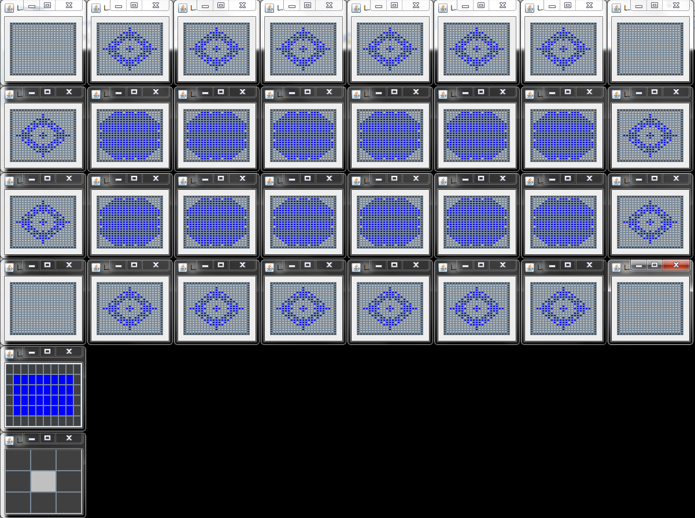
ran: mainExpandRetract_942MoreRegress_3Levels method in main.Main
data: | Mon-Aug-21-112718-2017_3L_T1-V2_01-09Th_1-1-1Sm_stkCo-oscBo-dedCr_300iter

Experiment configuration:
Levels: | L0 (bottom) | L1 (middle) | L2 (top)
Threshold: | 0.1 | 0.9 | NA
Step Multiplier: | 1 | 1 | 1
RulesModel: | NineFourTwoMoreRegressSwitchModel | ExpansiveRegressiveModel | InverseModel
Init: | DotInit (11,11) | NoInit | NoInit
Board size: | 21x21 | 8x4 | 1
NeighbourCount: | 4 | 4 | NA
Number of CAs: | 32 (8x4) | 1 | 1

Variants: | v2-1 | T0=0.3 | similar pattern at L0 (full core, dead corners and oscillating border), with similar L1 state transitions


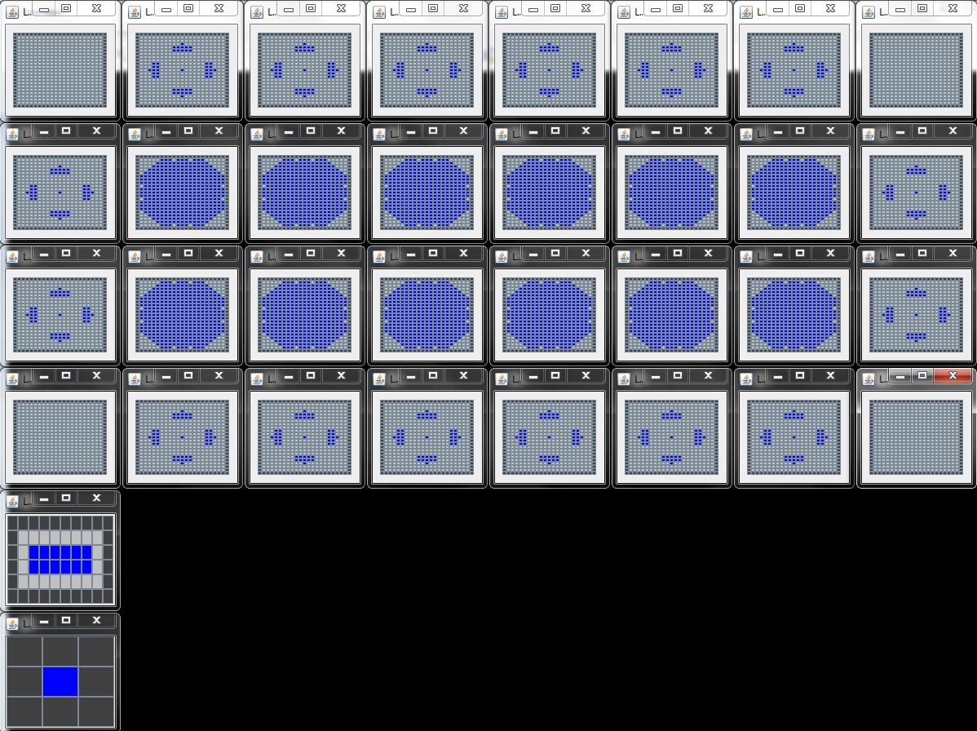

 |  |  |  |  | Sfull before oscillation

Sfull-oscil |  |  |  | Score-oscil

after exe-step 42, oscillates between Sfull and Score

T1v2-L1A1
Mon-Aug-21-112718-2017_3L_T1-V2_01-09Th_1-1-1Sm_stkCo-oscBo-dedCr_300iter

L1A1-->Columns Header: | LevelCount | AutomataStep | AggregateState | Goal | StateDifference | DiversityCounter | LiveCellsCount | LiveCellsArea | LiveCellsDensity | StateId
 | 2 | 1 | 0 | 1 | 0 | 1 | 0 | 0 | 0.0 | 1
 | 5 | 2 | 0 | 1 | 0 | 1 | 0 | 0 | 0.0 | 1
 | 8 | 3 | 0 | 1 | 0 | 1 | 0 | 0 | 0.0 | 1
 | 11 | 4 | 0 | 1 | 0 | 1 | 0 | 0 | 0.0 | 1
 | 14 | 5 | 0 | 1 | 0 | 1 | 0 | 0 | 0.0 | 1
 | 17 | 6 | 1 | 1 | 32 | 2 | 32 | 32 | 1.0 | 2
 | 20 | 7 | 0 | 0 | 20 | 3 | 12 | 12 | 1.0 | 3
 | 23 | 8 | 0 | 1 | 16 | 4 | 28 | 32 | 0.88 | 4
 | 26 | 9 | 1 | 1 | 4 | 4 | 32 | 32 | 1.0 | 2
 | 29 | 10 | 0 | 0 | 20 | 4 | 12 | 12 | 1.0 | 3
 | 32 | 11 | 0 | 1 | 16 | 4 | 28 | 32 | 0.88 | 4
 | 35 | 12 | 1 | 1 | 4 | 4 | 32 | 32 | 1.0 | 2
 | 38 | 13 | 0 | 0 | 20 | 4 | 12 | 12 | 1.0 | 3
 | 41 | 14 | 1 | 1 | 20 | 4 | 32 | 32 | 1.0 | 2
 | 44 | 15 | 0 | 0 | 20 | 4 | 12 | 12 | 1.0 | 3
 | 47 | 16 | 0 | 1 | 16 | 4 | 28 | 32 | 0.88 | 4
 | 50 | 17 | 1 | 1 | 4 | 4 | 32 | 32 | 1.0 | 2
 | 53 | 18 | 0 | 0 | 20 | 4 | 12 | 12 | 1.0 | 3
 | 56 | 19 | 1 | 1 | 20 | 4 | 32 | 32 | 1.0 | 2
 | 59 | 20 | 0 | 0 | 20 | 4 | 12 | 12 | 1.0 | 3
 | 62 | 21 | 1 | 1 | 20 | 4 | 32 | 32 | 1.0 | 2
 | 65 | 22 | 0 | 0 | 20 | 4 | 12 | 12 | 1.0 | 3
 | 68 | 23 | 1 | 1 | 20 | 4 | 32 | 32 | 1.0 | 2
 | 71 | 24 | 0 | 0 | 20 | 4 | 12 | 12 | 1.0 | 3
 | 74 | 25 | 1 | 1 | 20 | 4 | 32 | 32 | 1.0 | 2
 | 77 | 26 | 0 | 0 | 20 | 4 | 12 | 12 | 1.0 | 3
 | 80 | 27 | 1 | 1 | 20 | 4 | 32 | 32 | 1.0 | 2
 | 83 | 28 | 0 | 0 | 20 | 4 | 12 | 12 | 1.0 | 3
 | 86 | 29 | 0 | 1 | 16 | 4 | 28 | 32 | 0.88 | 4
 | 89 | 30 | 1 | 1 | 4 | 4 | 32 | 32 | 1.0 | 2
 | 92 | 31 | 0 | 0 | 20 | 4 | 12 | 12 | 1.0 | 3
 | 95 | 32 | 1 | 1 | 20 | 4 | 32 | 32 | 1.0 | 2
 | 98 | 33 | 0 | 0 | 20 | 4 | 12 | 12 | 1.0 | 3
 | 101 | 34 | 1 | 1 | 20 | 4 | 32 | 32 | 1.0 | 2
 | 104 | 35 | 0 | 0 | 20 | 4 | 12 | 12 | 1.0 | 3
 | 107 | 36 | 1 | 1 | 20 | 4 | 32 | 32 | 1.0 | 2
 | 110 | 37 | 0 | 0 | 20 | 4 | 12 | 12 | 1.0 | 3
 | 113 | 38 | 1 | 1 | 20 | 4 | 32 | 32 | 1.0 | 2
 | 116 | 39 | 0 | 0 | 20 | 4 | 12 | 12 | 1.0 | 3
 | 119 | 40 | 1 | 1 | 20 | 4 | 32 | 32 | 1.0 | 2
 | 122 | 41 | 0 | 0 | 20 | 4 | 12 | 12 | 1.0 | 3
 | 125 | 42 | 1 | 1 | 20 | 4 | 32 | 32 | 1.0 | 2
 | 128 | 43 | 0 | 0 | 20 | 4 | 12 | 12 | 1.0 | 3
 | 131 | 44 | 1 | 1 | 20 | 4 | 32 | 32 | 1.0 | 2
 | 134 | 45 | 0 | 0 | 20 | 4 | 12 | 12 | 1.0 | 3
 | 137 | 46 | 1 | 1 | 20 | 4 | 32 | 32 | 1.0 | 2
 | 140 | 47 | 0 | 0 | 20 | 4 | 12 | 12 | 1.0 | 3
 | 143 | 48 | 1 | 1 | 20 | 4 | 32 | 32 | 1.0 | 2
 | 146 | 49 | 0 | 0 | 20 | 4 | 12 | 12 | 1.0 | 3
 | 149 | 50 | 1 | 1 | 20 | 4 | 32 | 32 | 1.0 | 2
 | 152 | 51 | 0 | 0 | 20 | 4 | 12 | 12 | 1.0 | 3
 | 155 | 52 | 1 | 1 | 20 | 4 | 32 | 32 | 1.0 | 2
 | 158 | 53 | 0 | 0 | 20 | 4 | 12 | 12 | 1.0 | 3
 | 161 | 54 | 1 | 1 | 20 | 4 | 32 | 32 | 1.0 | 2
 | 164 | 55 | 0 | 0 | 20 | 4 | 12 | 12 | 1.0 | 3
 | 167 | 56 | 1 | 1 | 20 | 4 | 32 | 32 | 1.0 | 2
 | 170 | 57 | 0 | 0 | 20 | 4 | 12 | 12 | 1.0 | 3
 | 173 | 58 | 1 | 1 | 20 | 4 | 32 | 32 | 1.0 | 2
 | 176 | 59 | 0 | 0 | 20 | 4 | 12 | 12 | 1.0 | 3
 | 179 | 60 | 1 | 1 | 20 | 4 | 32 | 32 | 1.0 | 2
 | 182 | 61 | 0 | 0 | 20 | 4 | 12 | 12 | 1.0 | 3
 | 185 | 62 | 1 | 1 | 20 | 4 | 32 | 32 | 1.0 | 2
 | 188 | 63 | 0 | 0 | 20 | 4 | 12 | 12 | 1.0 | 3
 | 191 | 64 | 1 | 1 | 20 | 4 | 32 | 32 | 1.0 | 2
 | 194 | 65 | 0 | 0 | 20 | 4 | 12 | 12 | 1.0 | 3
 | 197 | 66 | 1 | 1 | 20 | 4 | 32 | 32 | 1.0 | 2
 | 200 | 67 | 0 | 0 | 20 | 4 | 12 | 12 | 1.0 | 3
 | 203 | 68 | 1 | 1 | 20 | 4 | 32 | 32 | 1.0 | 2
 | 206 | 69 | 0 | 0 | 20 | 4 | 12 | 12 | 1.0 | 3
 | 209 | 70 | 1 | 1 | 20 | 4 | 32 | 32 | 1.0 | 2
 | 212 | 71 | 0 | 0 | 20 | 4 | 12 | 12 | 1.0 | 3
 | 215 | 72 | 1 | 1 | 20 | 4 | 32 | 32 | 1.0 | 2
 | 218 | 73 | 0 | 0 | 20 | 4 | 12 | 12 | 1.0 | 3
 | 221 | 74 | 1 | 1 | 20 | 4 | 32 | 32 | 1.0 | 2
 | 224 | 75 | 0 | 0 | 20 | 4 | 12 | 12 | 1.0 | 3
 | 227 | 76 | 1 | 1 | 20 | 4 | 32 | 32 | 1.0 | 2
 | 230 | 77 | 0 | 0 | 20 | 4 | 12 | 12 | 1.0 | 3
 | 233 | 78 | 1 | 1 | 20 | 4 | 32 | 32 | 1.0 | 2
 | 236 | 79 | 0 | 0 | 20 | 4 | 12 | 12 | 1.0 | 3
 | 239 | 80 | 1 | 1 | 20 | 4 | 32 | 32 | 1.0 | 2
 | 242 | 81 | 0 | 0 | 20 | 4 | 12 | 12 | 1.0 | 3
 | 245 | 82 | 1 | 1 | 20 | 4 | 32 | 32 | 1.0 | 2
 | 248 | 83 | 0 | 0 | 20 | 4 | 12 | 12 | 1.0 | 3
 | 251 | 84 | 1 | 1 | 20 | 4 | 32 | 32 | 1.0 | 2
 | 254 | 85 | 0 | 0 | 20 | 4 | 12 | 12 | 1.0 | 3
 | 257 | 86 | 1 | 1 | 20 | 4 | 32 | 32 | 1.0 | 2
 | 260 | 87 | 0 | 0 | 20 | 4 | 12 | 12 | 1.0 | 3
 | 263 | 88 | 1 | 1 | 20 | 4 | 32 | 32 | 1.0 | 2
 | 266 | 89 | 0 | 0 | 20 | 4 | 12 | 12 | 1.0 | 3
 | 269 | 90 | 1 | 1 | 20 | 4 | 32 | 32 | 1.0 | 2
 | 272 | 91 | 0 | 0 | 20 | 4 | 12 | 12 | 1.0 | 3
 | 275 | 92 | 1 | 1 | 20 | 4 | 32 | 32 | 1.0 | 2
 | 278 | 93 | 0 | 0 | 20 | 4 | 12 | 12 | 1.0 | 3
 | 281 | 94 | 1 | 1 | 20 | 4 | 32 | 32 | 1.0 | 2
 | 284 | 95 | 0 | 0 | 20 | 4 | 12 | 12 | 1.0 | 3
 | 287 | 96 | 1 | 1 | 20 | 4 | 32 | 32 | 1.0 | 2
 | 290 | 97 | 0 | 0 | 20 | 4 | 12 | 12 | 1.0 | 3
 | 293 | 98 | 1 | 1 | 20 | 4 | 32 | 32 | 1.0 | 2
 | 296 | 99 | 0 | 0 | 20 | 4 | 12 | 12 | 1.0 | 3
 | 299 | 100 | 1 | 1 | 20 | 4 | 32 | 32 | 1.0 | 2
 | 302 | 101 | 0 | 0 | 20 | 4 | 12 | 12 | 1.0 | 3
 | 305 | 102 | 1 | 1 | 20 | 4 | 32 | 32 | 1.0 | 2
 | 308 | 103 | 0 | 0 | 20 | 4 | 12 | 12 | 1.0 | 3
 | 311 | 104 | 1 | 1 | 20 | 4 | 32 | 32 | 1.0 | 2
 | 314 | 105 | 0 | 0 | 20 | 4 | 12 | 12 | 1.0 | 3
 | 317 | 106 | 1 | 1 | 20 | 4 | 32 | 32 | 1.0 | 2

T1v2-L0A3
Mon-Aug-21-112718-2017_3L_T1-V2_01-09Th_1-1-1Sm_stkCo-oscBo-dedCr_300iter

L0A3-->Columns Header: | LevelCount | AutomataStep | AggregateState | Goal | StateDifference | DiversityCounter | LiveCellsCount | LiveCellsArea | LiveCellsDensity | StateId
 | 1 | 1 | 0 | 1 | 0 | 1 | 5 | 9 | 0.56 | 1
 | 4 | 2 | 0 | 1 | 4 | 2 | 9 | 25 | 0.36 | 2
 | 7 | 3 | 0 | 1 | 12 | 3 | 21 | 49 | 0.43 | 3
 | 10 | 4 | 0 | 1 | 8 | 4 | 29 | 81 | 0.36 | 4
 | 13 | 5 | 0 | 1 | 12 | 5 | 41 | 121 | 0.34 | 5
 | 16 | 6 | 1 | 1 | 12 | 6 | 53 | 169 | 0.31 | 6
 | 19 | 7 | 1 | 1 | 36 | 7 | 89 | 225 | 0.4 | 7
 | 22 | 8 | 0 | 0 | 60 | 8 | 29 | 169 | 0.17 | 8
 | 25 | 9 | 1 | 1 | 36 | 9 | 65 | 225 | 0.29 | 9
 | 28 | 10 | 1 | 1 | 16 | 10 | 81 | 289 | 0.28 | 10
 | 31 | 11 | 0 | 0 | 52 | 11 | 29 | 169 | 0.17 | 11
 | 34 | 12 | 1 | 1 | 44 | 12 | 73 | 225 | 0.32 | 12
 | 37 | 13 | 1 | 1 | 20 | 13 | 93 | 289 | 0.32 | 13
 | 40 | 14 | 1 | 0 | 44 | 14 | 49 | 169 | 0.29 | 14
 | 43 | 15 | 1 | 1 | 32 | 15 | 81 | 225 | 0.36 | 15
 | 46 | 16 | 0 | 0 | 52 | 16 | 29 | 121 | 0.24 | 16
 | 49 | 17 | 1 | 1 | 52 | 17 | 81 | 169 | 0.48 | 17
 | 52 | 18 | 1 | 1 | 48 | 18 | 129 | 225 | 0.57 | 18
 | 55 | 19 | 1 | 0 | 36 | 19 | 93 | 225 | 0.41 | 19
 | 58 | 20 | 1 | 1 | 28 | 20 | 121 | 289 | 0.42 | 20
 | 61 | 21 | 1 | 0 | 44 | 21 | 77 | 289 | 0.27 | 21
 | 64 | 22 | 1 | 1 | 36 | 22 | 113 | 361 | 0.31 | 22
 | 67 | 23 | 1 | 0 | 52 | 23 | 61 | 225 | 0.27 | 23
 | 70 | 24 | 1 | 1 | 52 | 24 | 113 | 289 | 0.39 | 24
 | 73 | 25 | 1 | 0 | 60 | 25 | 53 | 289 | 0.18 | 25
 | 76 | 26 | 1 | 1 | 52 | 26 | 105 | 361 | 0.29 | 26
 | 79 | 27 | 1 | 0 | 60 | 27 | 45 | 225 | 0.2 | 27
 | 82 | 28 | 1 | 1 | 36 | 28 | 81 | 289 | 0.28 | 28
 | 85 | 29 | 0 | 0 | 52 | 29 | 29 | 289 | 0.1 | 29
 | 88 | 30 | 1 | 1 | 36 | 30 | 65 | 361 | 0.18 | 30
 | 91 | 31 | 1 | 1 | 52 | 31 | 117 | 441 | 0.27 | 31 | diversity stops at step 42 (sim-step124)
 | 94 | 32 | 1 | 0 | 56 | 32 | 61 | 361 | 0.17 | 32
 | 97 | 33 | 1 | 1 | 52 | 33 | 113 | 441 | 0.26 | 33
 | 100 | 34 | 1 | 0 | 56 | 34 | 57 | 361 | 0.16 | 34
 | 103 | 35 | 1 | 1 | 40 | 35 | 97 | 441 | 0.22 | 35
 | 106 | 36 | 1 | 0 | 52 | 36 | 45 | 289 | 0.16 | 36
 | 109 | 37 | 1 | 1 | 52 | 37 | 97 | 361 | 0.27 | 37
 | 112 | 38 | 1 | 0 | 44 | 38 | 53 | 225 | 0.24 | 38
 | 115 | 39 | 1 | 1 | 52 | 39 | 105 | 289 | 0.36 | 39
 | 118 | 40 | 1 | 0 | 36 | 40 | 69 | 289 | 0.24 | 40
 | 121 | 41 | 1 | 1 | 36 | 41 | 105 | 361 | 0.29 | 41
 | 124 | 42 | 1 | 0 | 44 | 42 | 61 | 361 | 0.17 | 42
 | 127 | 43 | 1 | 1 | 36 | 42 | 97 | 441 | 0.22 | 35
 | 130 | 44 | 1 | 0 | 52 | 42 | 45 | 289 | 0.16 | 36
 | 133 | 45 | 1 | 1 | 52 | 42 | 97 | 361 | 0.27 | 37
 | 136 | 46 | 1 | 0 | 44 | 42 | 53 | 225 | 0.24 | 38
 | 139 | 47 | 1 | 1 | 52 | 42 | 105 | 289 | 0.36 | 39
 | 142 | 48 | 1 | 0 | 36 | 42 | 69 | 289 | 0.24 | 40
 | 145 | 49 | 1 | 1 | 36 | 42 | 105 | 361 | 0.29 | 41
 | 148 | 50 | 1 | 0 | 44 | 42 | 61 | 361 | 0.17 | 42
 | 151 | 51 | 1 | 1 | 36 | 42 | 97 | 441 | 0.22 | 35
 | 154 | 52 | 1 | 0 | 52 | 42 | 45 | 289 | 0.16 | 36
 | 157 | 53 | 1 | 1 | 52 | 42 | 97 | 361 | 0.27 | 37
 | 160 | 54 | 1 | 0 | 44 | 42 | 53 | 225 | 0.24 | 38
 | 163 | 55 | 1 | 1 | 52 | 42 | 105 | 289 | 0.36 | 39
 | 166 | 56 | 1 | 0 | 36 | 42 | 69 | 289 | 0.24 | 40
 | 169 | 57 | 1 | 1 | 36 | 42 | 105 | 361 | 0.29 | 41
 | 172 | 58 | 1 | 0 | 44 | 42 | 61 | 361 | 0.17 | 42
 | 175 | 59 | 1 | 1 | 36 | 42 | 97 | 441 | 0.22 | 35
 | 178 | 60 | 1 | 0 | 52 | 42 | 45 | 289 | 0.16 | 36
 | 181 | 61 | 1 | 1 | 52 | 42 | 97 | 361 | 0.27 | 37
 | 184 | 62 | 1 | 0 | 44 | 42 | 53 | 225 | 0.24 | 38
 | 187 | 63 | 1 | 1 | 52 | 42 | 105 | 289 | 0.36 | 39
 | 190 | 64 | 1 | 0 | 36 | 42 | 69 | 289 | 0.24 | 40
 | 193 | 65 | 1 | 1 | 36 | 42 | 105 | 361 | 0.29 | 41
 | 196 | 66 | 1 | 0 | 44 | 42 | 61 | 361 | 0.17 | 42
 | 199 | 67 | 1 | 1 | 36 | 42 | 97 | 441 | 0.22 | 35
 | 202 | 68 | 1 | 0 | 52 | 42 | 45 | 289 | 0.16 | 36
 | 205 | 69 | 1 | 1 | 52 | 42 | 97 | 361 | 0.27 | 37
 | 208 | 70 | 1 | 0 | 44 | 42 | 53 | 225 | 0.24 | 38
 | 211 | 71 | 1 | 1 | 52 | 42 | 105 | 289 | 0.36 | 39
 | 214 | 72 | 1 | 0 | 36 | 42 | 69 | 289 | 0.24 | 40
 | 217 | 73 | 1 | 1 | 36 | 42 | 105 | 361 | 0.29 | 41
 | 220 | 74 | 1 | 0 | 44 | 42 | 61 | 361 | 0.17 | 42
 | 223 | 75 | 1 | 1 | 36 | 42 | 97 | 441 | 0.22 | 35
 | 226 | 76 | 1 | 0 | 52 | 42 | 45 | 289 | 0.16 | 36
 | 229 | 77 | 1 | 1 | 52 | 42 | 97 | 361 | 0.27 | 37
 | 232 | 78 | 1 | 0 | 44 | 42 | 53 | 225 | 0.24 | 38
 | 235 | 79 | 1 | 1 | 52 | 42 | 105 | 289 | 0.36 | 39
 | 238 | 80 | 1 | 0 | 36 | 42 | 69 | 289 | 0.24 | 40
 | 241 | 81 | 1 | 1 | 36 | 42 | 105 | 361 | 0.29 | 41
 | 244 | 82 | 1 | 0 | 44 | 42 | 61 | 361 | 0.17 | 42
 | 247 | 83 | 1 | 1 | 36 | 42 | 97 | 441 | 0.22 | 35
 | 250 | 84 | 1 | 0 | 52 | 42 | 45 | 289 | 0.16 | 36
 | 253 | 85 | 1 | 1 | 52 | 42 | 97 | 361 | 0.27 | 37
 | 256 | 86 | 1 | 0 | 44 | 42 | 53 | 225 | 0.24 | 38
 | 259 | 87 | 1 | 1 | 52 | 42 | 105 | 289 | 0.36 | 39
 | 262 | 88 | 1 | 0 | 36 | 42 | 69 | 289 | 0.24 | 40
 | 265 | 89 | 1 | 1 | 36 | 42 | 105 | 361 | 0.29 | 41
 | 268 | 90 | 1 | 0 | 44 | 42 | 61 | 361 | 0.17 | 42
 | 271 | 91 | 1 | 1 | 36 | 42 | 97 | 441 | 0.22 | 35
 | 274 | 92 | 1 | 0 | 52 | 42 | 45 | 289 | 0.16 | 36
 | 277 | 93 | 1 | 1 | 52 | 42 | 97 | 361 | 0.27 | 37
 | 280 | 94 | 1 | 0 | 44 | 42 | 53 | 225 | 0.24 | 38
 | 283 | 95 | 1 | 1 | 52 | 42 | 105 | 289 | 0.36 | 39
 | 286 | 96 | 1 | 0 | 36 | 42 | 69 | 289 | 0.24 | 40
 | 289 | 97 | 1 | 1 | 36 | 42 | 105 | 361 | 0.29 | 41
 | 292 | 98 | 1 | 0 | 44 | 42 | 61 | 361 | 0.17 | 42
 | 295 | 99 | 1 | 1 | 36 | 42 | 97 | 441 | 0.22 | 35
 | 298 | 100 | 1 | 0 | 52 | 42 | 45 | 289 | 0.16 | 36
 | 301 | 101 | 1 | 1 | 52 | 42 | 97 | 361 | 0.27 | 37
 | 304 | 102 | 1 | 0 | 44 | 42 | 53 | 225 | 0.24 | 38
 | 307 | 103 | 1 | 1 | 52 | 42 | 105 | 289 | 0.36 | 39
 | 310 | 104 | 1 | 0 | 36 | 42 | 69 | 289 | 0.24 | 40
 | 313 | 105 | 1 | 1 | 36 | 42 | 105 | 361 | 0.29 | 41
 | 316 | 106 | 1 | 0 | 44 | 42 | 61 | 361 | 0.17 | 42

T1v2-L0A2
Mon-Aug-21-112718-2017_3L_T1-V2_01-09Th_1-1-1Sm_stkCo-oscBo-dedCr_300iter

L0A2-->Columns Header: | LevelCount | AutomataStep | AggregateState | Goal | StateDifference | DiversityCounter | LiveCellsCount | LiveCellsArea | LiveCellsDensity | StateId
 | 1 | 1 | 0 | 1 | 0 | 1 | 5 | 9 | 0.56 | 1
 | 4 | 2 | 0 | 1 | 4 | 2 | 9 | 25 | 0.36 | 2
 | 7 | 3 | 0 | 1 | 12 | 3 | 21 | 49 | 0.43 | 3
 | 10 | 4 | 0 | 1 | 8 | 4 | 29 | 81 | 0.36 | 4
 | 13 | 5 | 0 | 1 | 12 | 5 | 41 | 121 | 0.34 | 5
 | 16 | 6 | 1 | 1 | 12 | 6 | 53 | 169 | 0.31 | 6
 | 19 | 7 | 1 | 1 | 36 | 7 | 89 | 225 | 0.4 | 7
 | 22 | 8 | 0 | 0 | 60 | 8 | 29 | 169 | 0.17 | 8
 | 25 | 9 | 0 | 0 | 24 | 8 | 5 | 9 | 0.56 | 1
 | 28 | 10 | 0 | 1 | 4 | 8 | 9 | 25 | 0.36 | 2
 | 31 | 11 | 0 | 0 | 8 | 9 | 1 | 1 | 1.0 | 9
 | 34 | 12 | 0 | 0 | 1 | 10 | 0 | 0 | 0.0 | 10
 | 37 | 13 | 0 | 1 | 0 | 10 | 0 | 0 | 0.0 | 10
 | 40 | 14 | 0 | 0 | 0 | 10 | 0 | 0 | 0.0 | 10
 | 43 | 15 | 0 | 1 | 0 | 10 | 0 | 0 | 0.0 | 10
 | 46 | 16 | 0 | 0 | 0 | 10 | 0 | 0 | 0.0 | 10
 | 49 | 17 | 0 | 0 | 0 | 10 | 0 | 0 | 0.0 | 10
 | 52 | 18 | 0 | 1 | 0 | 10 | 0 | 0 | 0.0 | 10
 | 55 | 19 | 0 | 0 | 0 | 10 | 0 | 0 | 0.0 | 10
 | 58 | 20 | 0 | 1 | 0 | 10 | 0 | 0 | 0.0 | 10
 | 61 | 21 | 0 | 0 | 0 | 10 | 0 | 0 | 0.0 | 10
 | 64 | 22 | 0 | 1 | 0 | 10 | 0 | 0 | 0.0 | 10
 | 67 | 23 | 0 | 0 | 0 | 10 | 0 | 0 | 0.0 | 10
 | 70 | 24 | 0 | 1 | 0 | 10 | 0 | 0 | 0.0 | 10
 | 73 | 25 | 0 | 0 | 0 | 10 | 0 | 0 | 0.0 | 10
 | 76 | 26 | 0 | 1 | 0 | 10 | 0 | 0 | 0.0 | 10
 | 79 | 27 | 0 | 0 | 0 | 10 | 0 | 0 | 0.0 | 10
 | 82 | 28 | 0 | 1 | 0 | 10 | 0 | 0 | 0.0 | 10
 | 85 | 29 | 0 | 0 | 0 | 10 | 0 | 0 | 0.0 | 10
 | 88 | 30 | 0 | 0 | 0 | 10 | 0 | 0 | 0.0 | 10
 | 91 | 31 | 0 | 1 | 0 | 10 | 0 | 0 | 0.0 | 10
 | 94 | 32 | 0 | 0 | 0 | 10 | 0 | 0 | 0.0 | 10
 | 97 | 33 | 0 | 1 | 0 | 10 | 0 | 0 | 0.0 | 10
 | 100 | 34 | 0 | 0 | 0 | 10 | 0 | 0 | 0.0 | 10
 | 103 | 35 | 0 | 1 | 0 | 10 | 0 | 0 | 0.0 | 10
 | 106 | 36 | 0 | 0 | 0 | 10 | 0 | 0 | 0.0 | 10
 | 109 | 37 | 0 | 1 | 0 | 10 | 0 | 0 | 0.0 | 10
 | 112 | 38 | 0 | 0 | 0 | 10 | 0 | 0 | 0.0 | 10
 | 115 | 39 | 0 | 1 | 0 | 10 | 0 | 0 | 0.0 | 10
 | 118 | 40 | 0 | 0 | 0 | 10 | 0 | 0 | 0.0 | 10
 | 121 | 41 | 0 | 1 | 0 | 10 | 0 | 0 | 0.0 | 10
 | 124 | 42 | 0 | 0 | 0 | 10 | 0 | 0 | 0.0 | 10
 | 127 | 43 | 0 | 1 | 0 | 10 | 0 | 0 | 0.0 | 10
 | 130 | 44 | 0 | 0 | 0 | 10 | 0 | 0 | 0.0 | 10
 | 133 | 45 | 0 | 1 | 0 | 10 | 0 | 0 | 0.0 | 10
 | 136 | 46 | 0 | 0 | 0 | 10 | 0 | 0 | 0.0 | 10
 | 139 | 47 | 0 | 1 | 0 | 10 | 0 | 0 | 0.0 | 10
 | 142 | 48 | 0 | 0 | 0 | 10 | 0 | 0 | 0.0 | 10
 | 145 | 49 | 0 | 1 | 0 | 10 | 0 | 0 | 0.0 | 10
 | 148 | 50 | 0 | 0 | 0 | 10 | 0 | 0 | 0.0 | 10
 | 151 | 51 | 0 | 1 | 0 | 10 | 0 | 0 | 0.0 | 10
 | 154 | 52 | 0 | 0 | 0 | 10 | 0 | 0 | 0.0 | 10
 | 157 | 53 | 0 | 1 | 0 | 10 | 0 | 0 | 0.0 | 10
 | 160 | 54 | 0 | 0 | 0 | 10 | 0 | 0 | 0.0 | 10
 | 163 | 55 | 0 | 1 | 0 | 10 | 0 | 0 | 0.0 | 10
 | 166 | 56 | 0 | 0 | 0 | 10 | 0 | 0 | 0.0 | 10
 | 169 | 57 | 0 | 1 | 0 | 10 | 0 | 0 | 0.0 | 10
 | 172 | 58 | 0 | 0 | 0 | 10 | 0 | 0 | 0.0 | 10
 | 175 | 59 | 0 | 1 | 0 | 10 | 0 | 0 | 0.0 | 10
 | 178 | 60 | 0 | 0 | 0 | 10 | 0 | 0 | 0.0 | 10
 | 181 | 61 | 0 | 1 | 0 | 10 | 0 | 0 | 0.0 | 10
 | 184 | 62 | 0 | 0 | 0 | 10 | 0 | 0 | 0.0 | 10
 | 187 | 63 | 0 | 1 | 0 | 10 | 0 | 0 | 0.0 | 10
 | 190 | 64 | 0 | 0 | 0 | 10 | 0 | 0 | 0.0 | 10
 | 193 | 65 | 0 | 1 | 0 | 10 | 0 | 0 | 0.0 | 10
 | 196 | 66 | 0 | 0 | 0 | 10 | 0 | 0 | 0.0 | 10
 | 199 | 67 | 0 | 1 | 0 | 10 | 0 | 0 | 0.0 | 10
 | 202 | 68 | 0 | 0 | 0 | 10 | 0 | 0 | 0.0 | 10
 | 205 | 69 | 0 | 1 | 0 | 10 | 0 | 0 | 0.0 | 10
 | 208 | 70 | 0 | 0 | 0 | 10 | 0 | 0 | 0.0 | 10
 | 211 | 71 | 0 | 1 | 0 | 10 | 0 | 0 | 0.0 | 10
 | 214 | 72 | 0 | 0 | 0 | 10 | 0 | 0 | 0.0 | 10
 | 217 | 73 | 0 | 1 | 0 | 10 | 0 | 0 | 0.0 | 10
 | 220 | 74 | 0 | 0 | 0 | 10 | 0 | 0 | 0.0 | 10
 | 223 | 75 | 0 | 1 | 0 | 10 | 0 | 0 | 0.0 | 10
 | 226 | 76 | 0 | 0 | 0 | 10 | 0 | 0 | 0.0 | 10
 | 229 | 77 | 0 | 1 | 0 | 10 | 0 | 0 | 0.0 | 10
 | 232 | 78 | 0 | 0 | 0 | 10 | 0 | 0 | 0.0 | 10
 | 235 | 79 | 0 | 1 | 0 | 10 | 0 | 0 | 0.0 | 10
 | 238 | 80 | 0 | 0 | 0 | 10 | 0 | 0 | 0.0 | 10
 | 241 | 81 | 0 | 1 | 0 | 10 | 0 | 0 | 0.0 | 10
 | 244 | 82 | 0 | 0 | 0 | 10 | 0 | 0 | 0.0 | 10
 | 247 | 83 | 0 | 1 | 0 | 10 | 0 | 0 | 0.0 | 10
 | 250 | 84 | 0 | 0 | 0 | 10 | 0 | 0 | 0.0 | 10
 | 253 | 85 | 0 | 1 | 0 | 10 | 0 | 0 | 0.0 | 10
 | 256 | 86 | 0 | 0 | 0 | 10 | 0 | 0 | 0.0 | 10
 | 259 | 87 | 0 | 1 | 0 | 10 | 0 | 0 | 0.0 | 10
 | 262 | 88 | 0 | 0 | 0 | 10 | 0 | 0 | 0.0 | 10
 | 265 | 89 | 0 | 1 | 0 | 10 | 0 | 0 | 0.0 | 10
 | 268 | 90 | 0 | 0 | 0 | 10 | 0 | 0 | 0.0 | 10
 | 271 | 91 | 0 | 1 | 0 | 10 | 0 | 0 | 0.0 | 10
 | 274 | 92 | 0 | 0 | 0 | 10 | 0 | 0 | 0.0 | 10
 | 277 | 93 | 0 | 1 | 0 | 10 | 0 | 0 | 0.0 | 10
 | 280 | 94 | 0 | 0 | 0 | 10 | 0 | 0 | 0.0 | 10
 | 283 | 95 | 0 | 1 | 0 | 10 | 0 | 0 | 0.0 | 10
 | 286 | 96 | 0 | 0 | 0 | 10 | 0 | 0 | 0.0 | 10
 | 289 | 97 | 0 | 1 | 0 | 10 | 0 | 0 | 0.0 | 10
 | 292 | 98 | 0 | 0 | 0 | 10 | 0 | 0 | 0.0 | 10
 | 295 | 99 | 0 | 1 | 0 | 10 | 0 | 0 | 0.0 | 10
 | 298 | 100 | 0 | 0 | 0 | 10 | 0 | 0 | 0.0 | 10
 | 301 | 101 | 0 | 1 | 0 | 10 | 0 | 0 | 0.0 | 10
 | 304 | 102 | 0 | 0 | 0 | 10 | 0 | 0 | 0.0 | 10
 | 307 | 103 | 0 | 1 | 0 | 10 | 0 | 0 | 0.0 | 10
 | 310 | 104 | 0 | 0 | 0 | 10 | 0 | 0 | 0.0 | 10
 | 313 | 105 | 0 | 1 | 0 | 10 | 0 | 0 | 0.0 | 10
 | 316 | 106 | 0 | 0 | 0 | 10 | 0 | 0 | 0.0 | 10

T1v2-L0A11
Mon-Aug-21-112718-2017_3L_T1-V2_01-09Th_1-1-1Sm_stkCo-oscBo-dedCr_300iter

L0A11-->Columns Header: | LevelCount | AutomataStep | AggregateState | Goal | StateDifference | DiversityCounter | LiveCellsCount | LiveCellsArea | LiveCellsDensity | StateId
 | 1 | 1 | 0 | 1 | 0 | 1 | 5 | 9 | 0.56 | 1
 | 4 | 2 | 0 | 1 | 4 | 2 | 9 | 25 | 0.36 | 2
 | 7 | 3 | 0 | 1 | 12 | 3 | 21 | 49 | 0.43 | 3
 | 10 | 4 | 0 | 1 | 8 | 4 | 29 | 81 | 0.36 | 4
 | 13 | 5 | 0 | 1 | 12 | 5 | 41 | 121 | 0.34 | 5
 | 16 | 6 | 1 | 1 | 12 | 6 | 53 | 169 | 0.31 | 6
 | 19 | 7 | 1 | 1 | 36 | 7 | 89 | 225 | 0.4 | 7
 | 22 | 8 | 1 | 1 | 28 | 8 | 117 | 289 | 0.4 | 8
 | 25 | 9 | 1 | 1 | 12 | 9 | 129 | 361 | 0.36 | 9
 | 28 | 10 | 1 | 1 | 12 | 10 | 141 | 441 | 0.32 | 10
 | 31 | 11 | 1 | 1 | 32 | 11 | 173 | 441 | 0.39 | 11
 | 34 | 12 | 1 | 1 | 24 | 12 | 197 | 441 | 0.45 | 12
 | 37 | 13 | 1 | 1 | 24 | 13 | 221 | 441 | 0.5 | 13
 | 40 | 14 | 1 | 1 | 24 | 14 | 245 | 441 | 0.56 | 14
 | 43 | 15 | 1 | 1 | 64 | 15 | 309 | 441 | 0.7 | 15
 | 46 | 16 | 1 | 1 | 64 | 16 | 373 | 441 | 0.85 | 16
 | 49 | 17 | 1 | 1 | 0 | 16 | 373 | 441 | 0.85 | 16
 | 52 | 18 | 1 | 1 | 0 | 16 | 373 | 441 | 0.85 | 16
 | 55 | 19 | 1 | 1 | 0 | 16 | 373 | 441 | 0.85 | 16
 | 58 | 20 | 1 | 1 | 0 | 16 | 373 | 441 | 0.85 | 16
 | 61 | 21 | 1 | 1 | 0 | 16 | 373 | 441 | 0.85 | 16
 | 64 | 22 | 1 | 1 | 0 | 16 | 373 | 441 | 0.85 | 16
 | 67 | 23 | 1 | 1 | 0 | 16 | 373 | 441 | 0.85 | 16
 | 70 | 24 | 1 | 1 | 0 | 16 | 373 | 441 | 0.85 | 16
 | 73 | 25 | 1 | 1 | 0 | 16 | 373 | 441 | 0.85 | 16
 | 76 | 26 | 1 | 1 | 0 | 16 | 373 | 441 | 0.85 | 16
 | 79 | 27 | 1 | 1 | 0 | 16 | 373 | 441 | 0.85 | 16
 | 82 | 28 | 1 | 1 | 0 | 16 | 373 | 441 | 0.85 | 16
 | 85 | 29 | 1 | 1 | 0 | 16 | 373 | 441 | 0.85 | 16
 | 88 | 30 | 1 | 1 | 0 | 16 | 373 | 441 | 0.85 | 16
 | 91 | 31 | 1 | 1 | 0 | 16 | 373 | 441 | 0.85 | 16
 | 94 | 32 | 1 | 1 | 0 | 16 | 373 | 441 | 0.85 | 16
 | 97 | 33 | 1 | 1 | 0 | 16 | 373 | 441 | 0.85 | 16
 | 100 | 34 | 1 | 1 | 0 | 16 | 373 | 441 | 0.85 | 16
 | 103 | 35 | 1 | 1 | 0 | 16 | 373 | 441 | 0.85 | 16
 | 106 | 36 | 1 | 1 | 0 | 16 | 373 | 441 | 0.85 | 16
 | 109 | 37 | 1 | 1 | 0 | 16 | 373 | 441 | 0.85 | 16
 | 112 | 38 | 1 | 1 | 0 | 16 | 373 | 441 | 0.85 | 16
 | 115 | 39 | 1 | 1 | 0 | 16 | 373 | 441 | 0.85 | 16
 | 118 | 40 | 1 | 1 | 0 | 16 | 373 | 441 | 0.85 | 16
 | 121 | 41 | 1 | 1 | 0 | 16 | 373 | 441 | 0.85 | 16
 | 124 | 42 | 1 | 1 | 0 | 16 | 373 | 441 | 0.85 | 16
 | 127 | 43 | 1 | 1 | 0 | 16 | 373 | 441 | 0.85 | 16
 | 130 | 44 | 1 | 1 | 0 | 16 | 373 | 441 | 0.85 | 16
 | 133 | 45 | 1 | 1 | 0 | 16 | 373 | 441 | 0.85 | 16
 | 136 | 46 | 1 | 1 | 0 | 16 | 373 | 441 | 0.85 | 16
 | 139 | 47 | 1 | 1 | 0 | 16 | 373 | 441 | 0.85 | 16
 | 142 | 48 | 1 | 1 | 0 | 16 | 373 | 441 | 0.85 | 16
 | 145 | 49 | 1 | 1 | 0 | 16 | 373 | 441 | 0.85 | 16
 | 148 | 50 | 1 | 1 | 0 | 16 | 373 | 441 | 0.85 | 16
 | 151 | 51 | 1 | 1 | 0 | 16 | 373 | 441 | 0.85 | 16
 | 154 | 52 | 1 | 1 | 0 | 16 | 373 | 441 | 0.85 | 16
 | 157 | 53 | 1 | 1 | 0 | 16 | 373 | 441 | 0.85 | 16
 | 160 | 54 | 1 | 1 | 0 | 16 | 373 | 441 | 0.85 | 16
 | 163 | 55 | 1 | 1 | 0 | 16 | 373 | 441 | 0.85 | 16
 | 166 | 56 | 1 | 1 | 0 | 16 | 373 | 441 | 0.85 | 16
 | 169 | 57 | 1 | 1 | 0 | 16 | 373 | 441 | 0.85 | 16
 | 172 | 58 | 1 | 1 | 0 | 16 | 373 | 441 | 0.85 | 16
 | 175 | 59 | 1 | 1 | 0 | 16 | 373 | 441 | 0.85 | 16
 | 178 | 60 | 1 | 1 | 0 | 16 | 373 | 441 | 0.85 | 16
 | 181 | 61 | 1 | 1 | 0 | 16 | 373 | 441 | 0.85 | 16
 | 184 | 62 | 1 | 1 | 0 | 16 | 373 | 441 | 0.85 | 16
 | 187 | 63 | 1 | 1 | 0 | 16 | 373 | 441 | 0.85 | 16
 | 190 | 64 | 1 | 1 | 0 | 16 | 373 | 441 | 0.85 | 16
 | 193 | 65 | 1 | 1 | 0 | 16 | 373 | 441 | 0.85 | 16
 | 196 | 66 | 1 | 1 | 0 | 16 | 373 | 441 | 0.85 | 16
 | 199 | 67 | 1 | 1 | 0 | 16 | 373 | 441 | 0.85 | 16
 | 202 | 68 | 1 | 1 | 0 | 16 | 373 | 441 | 0.85 | 16
 | 205 | 69 | 1 | 1 | 0 | 16 | 373 | 441 | 0.85 | 16
 | 208 | 70 | 1 | 1 | 0 | 16 | 373 | 441 | 0.85 | 16
 | 211 | 71 | 1 | 1 | 0 | 16 | 373 | 441 | 0.85 | 16
 | 214 | 72 | 1 | 1 | 0 | 16 | 373 | 441 | 0.85 | 16
 | 217 | 73 | 1 | 1 | 0 | 16 | 373 | 441 | 0.85 | 16
 | 220 | 74 | 1 | 1 | 0 | 16 | 373 | 441 | 0.85 | 16
 | 223 | 75 | 1 | 1 | 0 | 16 | 373 | 441 | 0.85 | 16
 | 226 | 76 | 1 | 1 | 0 | 16 | 373 | 441 | 0.85 | 16
 | 229 | 77 | 1 | 1 | 0 | 16 | 373 | 441 | 0.85 | 16
 | 232 | 78 | 1 | 1 | 0 | 16 | 373 | 441 | 0.85 | 16
 | 235 | 79 | 1 | 1 | 0 | 16 | 373 | 441 | 0.85 | 16
 | 238 | 80 | 1 | 1 | 0 | 16 | 373 | 441 | 0.85 | 16
 | 241 | 81 | 1 | 1 | 0 | 16 | 373 | 441 | 0.85 | 16
 | 244 | 82 | 1 | 1 | 0 | 16 | 373 | 441 | 0.85 | 16
 | 247 | 83 | 1 | 1 | 0 | 16 | 373 | 441 | 0.85 | 16
 | 250 | 84 | 1 | 1 | 0 | 16 | 373 | 441 | 0.85 | 16
 | 253 | 85 | 1 | 1 | 0 | 16 | 373 | 441 | 0.85 | 16
 | 256 | 86 | 1 | 1 | 0 | 16 | 373 | 441 | 0.85 | 16
 | 259 | 87 | 1 | 1 | 0 | 16 | 373 | 441 | 0.85 | 16
 | 262 | 88 | 1 | 1 | 0 | 16 | 373 | 441 | 0.85 | 16
 | 265 | 89 | 1 | 1 | 0 | 16 | 373 | 441 | 0.85 | 16
 | 268 | 90 | 1 | 1 | 0 | 16 | 373 | 441 | 0.85 | 16
 | 271 | 91 | 1 | 1 | 0 | 16 | 373 | 441 | 0.85 | 16
 | 274 | 92 | 1 | 1 | 0 | 16 | 373 | 441 | 0.85 | 16
 | 277 | 93 | 1 | 1 | 0 | 16 | 373 | 441 | 0.85 | 16
 | 280 | 94 | 1 | 1 | 0 | 16 | 373 | 441 | 0.85 | 16
 | 283 | 95 | 1 | 1 | 0 | 16 | 373 | 441 | 0.85 | 16
 | 286 | 96 | 1 | 1 | 0 | 16 | 373 | 441 | 0.85 | 16
 | 289 | 97 | 1 | 1 | 0 | 16 | 373 | 441 | 0.85 | 16
 | 292 | 98 | 1 | 1 | 0 | 16 | 373 | 441 | 0.85 | 16
 | 295 | 99 | 1 | 1 | 0 | 16 | 373 | 441 | 0.85 | 16
 | 298 | 100 | 1 | 1 | 0 | 16 | 373 | 441 | 0.85 | 16
 | 301 | 101 | 1 | 1 | 0 | 16 | 373 | 441 | 0.85 | 16
 | 304 | 102 | 1 | 1 | 0 | 16 | 373 | 441 | 0.85 | 16
 | 307 | 103 | 1 | 1 | 0 | 16 | 373 | 441 | 0.85 | 16
 | 310 | 104 | 1 | 1 | 0 | 16 | 373 | 441 | 0.85 | 16
 | 313 | 105 | 1 | 1 | 0 | 16 | 373 | 441 | 0.85 | 16
 | 316 | 106 | 1 | 1 | 0 | 16 | 373 | 441 | 0.85 | 16

