Sheet1
Folder Name | Worflow Name | Worklet Name | Session Name | Mapping
EIM_INTERFACE | RUN_EIM_PROCESS_ADHOC | Wrk_Assortment_Interface | FDE_INT_ASSORTMENT | FDE_INT_ASSORTMENT

Error Message | Root Cause | Fix
Error opening file [E:\Staging_IP14\IndirectFiles\AR_List_Generic.txt]. Operating system error message [The | Source File Name in session FDE_INT_ASSORTMENT_PRE_GENERIC not coreesponding to the generated one | Rename the Sourcefile property accordingly
Invalid lookup override SELECT QUOTE.X_TYPE_CD, QUOTE_BU.NAME, QUOTE.ROW_ID FROM S_DOC_QUOTE QUOTE (NOLOCK) INNER JOIN S_BU QUOTE_BU (NOLOCK) ON QUOTE_BU.ROW_ID=QUOTE.BU_ID WHERE QUOTE.X_GENERAL_FLG = 'Y' TE_7002 [<<PM Parse Error>> [:LKP.LKP_GENERAL_FLAG(TYPE,BU_NAME)]: : invalid function reference ... >>>>:LKP.LKP_GENERAL_FLAG(TYPE,BU_NAME)<<<<] | Ports in Lookup transformation not coresponding to the sql override and condition port do not match the retrived field from the sql override Reaseon : The Lookup overide is referencing the S_DOC_QUOTE table while the Lookup ports are referencing the PRE_EIM_QUOTE_ASSORTMENT table plus the Lookup is unconnected but no R port active | Create a new lookup transforùation and connect it accordingly | 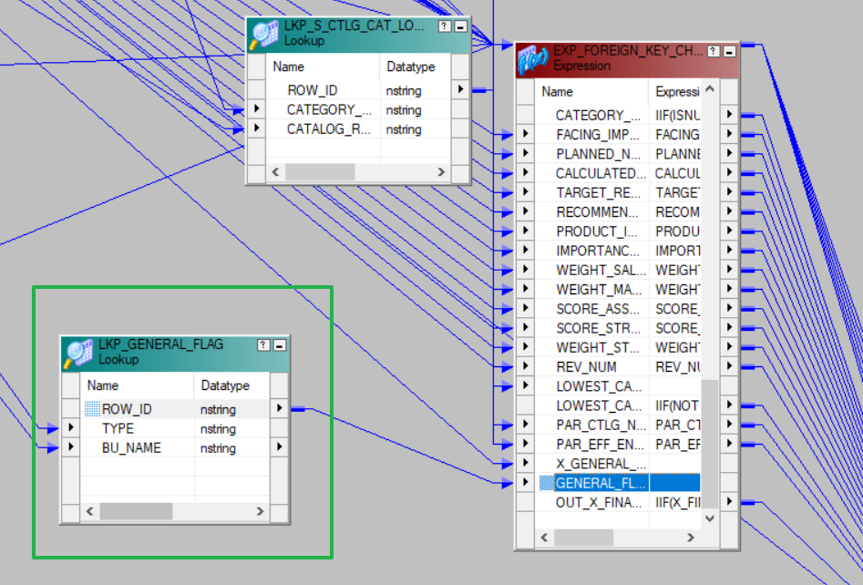
After applying the fixes, the workflow run without error raised but P1 file is not generated

