Solver
Candy on Hand | 150 | pieces

Trick or Treater # | Probability | Count of ToTers Given _ Pieces of Candy |  |  | Sum of ToTers (Needs to add to 49) | Total Candy Given Out (Needs to be <=150)

 |  |  |  |  |  |  | EV Unhappy ToTers | 12.62
 |  | 1 | 2 | 3 |  |  | EV Leftover Candy | 12.62
1-49 | 1 | 9 | 30 | 10 | 49 | 99 | EV(X) | 25.2475 | <- Set Solver to minimize this value, allowing solver to change orange cells with the following constraints:
 |  | ^Need to be integers between 0 and 49 (inclusive)
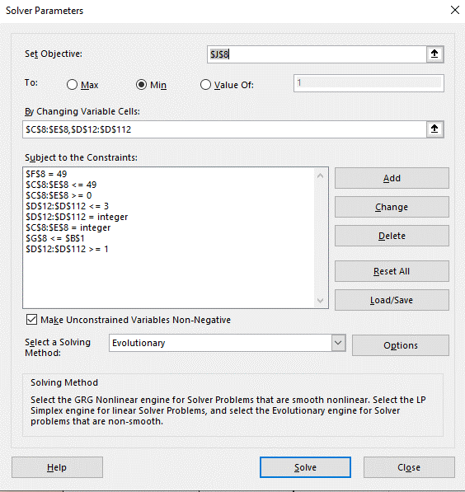
Trick or Treater # | Probability | Candy on Hand Prior to Decision | Decision on Candy Given to ToTer (for Solver) | Candy Given to ToTer (Adjusted) | Possible Unhappy ToTers | Candy on Hand After Decision
50 | 0.009900990099 | 51 | 1 | 1 | 0 | 50
51 | 0.009900990099 | 50 | 1 | 1 | 0 | 49
52 | 0.009900990099 | 49 | 1 | 1 | 0 | 48
53 | 0.009900990099 | 48 | 1 | 1 | 0 | 47
54 | 0.009900990099 | 47 | 1 | 1 | 0 | 46
55 | 0.009900990099 | 46 | 1 | 1 | 0 | 45
56 | 0.009900990099 | 45 | 1 | 1 | 0 | 44
57 | 0.009900990099 | 44 | 1 | 1 | 0 | 43
58 | 0.009900990099 | 43 | 1 | 1 | 0 | 42
59 | 0.009900990099 | 42 | 1 | 1 | 0 | 41
60 | 0.009900990099 | 41 | 1 | 1 | 0 | 40
61 | 0.009900990099 | 40 | 1 | 1 | 0 | 39
62 | 0.009900990099 | 39 | 1 | 1 | 0 | 38
63 | 0.009900990099 | 38 | 1 | 1 | 0 | 37
64 | 0.009900990099 | 37 | 1 | 1 | 0 | 36
65 | 0.009900990099 | 36 | 1 | 1 | 0 | 35
66 | 0.009900990099 | 35 | 1 | 1 | 0 | 34
67 | 0.009900990099 | 34 | 1 | 1 | 0 | 33
68 | 0.009900990099 | 33 | 1 | 1 | 0 | 32
69 | 0.009900990099 | 32 | 1 | 1 | 0 | 31
70 | 0.009900990099 | 31 | 1 | 1 | 0 | 30
71 | 0.009900990099 | 30 | 1 | 1 | 0 | 29
72 | 0.009900990099 | 29 | 1 | 1 | 0 | 28
73 | 0.009900990099 | 28 | 1 | 1 | 0 | 27
74 | 0.009900990099 | 27 | 1 | 1 | 0 | 26
75 | 0.009900990099 | 26 | 1 | 1 | 0 | 25
76 | 0.009900990099 | 25 | 1 | 1 | 0 | 24
77 | 0.009900990099 | 24 | 1 | 1 | 0 | 23
78 | 0.009900990099 | 23 | 1 | 1 | 0 | 22
79 | 0.009900990099 | 22 | 1 | 1 | 0 | 21
80 | 0.009900990099 | 21 | 1 | 1 | 0 | 20
81 | 0.009900990099 | 20 | 1 | 1 | 0 | 19
82 | 0.009900990099 | 19 | 1 | 1 | 0 | 18
83 | 0.009900990099 | 18 | 1 | 1 | 0 | 17
84 | 0.009900990099 | 17 | 1 | 1 | 0 | 16
85 | 0.009900990099 | 16 | 1 | 1 | 0 | 15
86 | 0.009900990099 | 15 | 1 | 1 | 0 | 14
87 | 0.009900990099 | 14 | 1 | 1 | 0 | 13
88 | 0.009900990099 | 13 | 1 | 1 | 0 | 12
89 | 0.009900990099 | 12 | 1 | 1 | 0 | 11
90 | 0.009900990099 | 11 | 1 | 1 | 0 | 10
91 | 0.009900990099 | 10 | 1 | 1 | 0 | 9
92 | 0.009900990099 | 9 | 1 | 1 | 0 | 8
93 | 0.009900990099 | 8 | 1 | 1 | 0 | 7
94 | 0.009900990099 | 7 | 1 | 1 | 0 | 6
95 | 0.009900990099 | 6 | 1 | 1 | 0 | 5
96 | 0.009900990099 | 5 | 1 | 1 | 0 | 4
97 | 0.009900990099 | 4 | 1 | 1 | 0 | 3
98 | 0.009900990099 | 3 | 1 | 1 | 0 | 2
99 | 0.009900990099 | 2 | 1 | 1 | 0 | 1
100 | 0.009900990099 | 1 | 1 | 1 | 50 | 0
101 | 0.009900990099 | 0 | 1 | 0 | 49 | 0
102 | 0.009900990099 | 0 | 1 | 0 | 48 | 0
103 | 0.009900990099 | 0 | 1 | 0 | 47 | 0
104 | 0.009900990099 | 0 | 1 | 0 | 46 | 0
105 | 0.009900990099 | 0 | 1 | 0 | 45 | 0
106 | 0.009900990099 | 0 | 1 | 0 | 44 | 0
107 | 0.009900990099 | 0 | 1 | 0 | 43 | 0
108 | 0.009900990099 | 0 | 1 | 0 | 42 | 0
109 | 0.009900990099 | 0 | 1 | 0 | 41 | 0
110 | 0.009900990099 | 0 | 1 | 0 | 40 | 0
111 | 0.009900990099 | 0 | 1 | 0 | 39 | 0
112 | 0.009900990099 | 0 | 1 | 0 | 38 | 0
113 | 0.009900990099 | 0 | 1 | 0 | 37 | 0
114 | 0.009900990099 | 0 | 1 | 0 | 36 | 0
115 | 0.009900990099 | 0 | 1 | 0 | 35 | 0
116 | 0.009900990099 | 0 | 1 | 0 | 34 | 0
117 | 0.009900990099 | 0 | 1 | 0 | 33 | 0
118 | 0.009900990099 | 0 | 1 | 0 | 32 | 0
119 | 0.009900990099 | 0 | 1 | 0 | 31 | 0
120 | 0.009900990099 | 0 | 1 | 0 | 30 | 0
121 | 0.009900990099 | 0 | 1 | 0 | 29 | 0
122 | 0.009900990099 | 0 | 2 | 0 | 28 | 0
123 | 0.009900990099 | 0 | 1 | 0 | 27 | 0
124 | 0.009900990099 | 0 | 2 | 0 | 26 | 0
125 | 0.009900990099 | 0 | 1 | 0 | 25 | 0
126 | 0.009900990099 | 0 | 1 | 0 | 24 | 0
127 | 0.009900990099 | 0 | 1 | 0 | 23 | 0
128 | 0.009900990099 | 0 | 1 | 0 | 22 | 0
129 | 0.009900990099 | 0 | 1 | 0 | 21 | 0
130 | 0.009900990099 | 0 | 1 | 0 | 20 | 0
131 | 0.009900990099 | 0 | 3 | 0 | 19 | 0
132 | 0.009900990099 | 0 | 2 | 0 | 18 | 0
133 | 0.009900990099 | 0 | 1 | 0 | 17 | 0
134 | 0.009900990099 | 0 | 1 | 0 | 16 | 0
135 | 0.009900990099 | 0 | 2 | 0 | 15 | 0
136 | 0.009900990099 | 0 | 1 | 0 | 14 | 0
137 | 0.009900990099 | 0 | 1 | 0 | 13 | 0
138 | 0.009900990099 | 0 | 1 | 0 | 12 | 0
139 | 0.009900990099 | 0 | 1 | 0 | 11 | 0
140 | 0.009900990099 | 0 | 1 | 0 | 10 | 0
141 | 0.009900990099 | 0 | 2 | 0 | 9 | 0
142 | 0.009900990099 | 0 | 1 | 0 | 8 | 0
143 | 0.009900990099 | 0 | 2 | 0 | 7 | 0
144 | 0.009900990099 | 0 | 1 | 0 | 6 | 0
145 | 0.009900990099 | 0 | 1 | 0 | 5 | 0
146 | 0.009900990099 | 0 | 2 | 0 | 4 | 0
147 | 0.009900990099 | 0 | 1 | 0 | 3 | 0
148 | 0.009900990099 | 0 | 1 | 0 | 2 | 0
149 | 0.009900990099 | 0 | 2 | 0 | 1 | 0
150 | 0.009900990099 | 0 | 1 | 0 | 0 | 0
 |  |  | ^Needs to be integer between 1 and 3 inclusive and needs to be adjusted for the case when you run out of candy

