working_data
Month | Daylenth (hrs) | Daylenth/12 | Temperature ^3 (f) | temp Celcius | Precipitation (in) | i | h(i/5)^I | days in month | Adj. factor = (N) | Dl/30 | PET
October | 11.2 | 0.93333333333 | 55.9 | 13.277777778 | 3.01 | 4.3274602492 | 5.0530877099 | 31 | 1.03 | 0.37333333333 | 1.9430806607
November | 10 | 0.83333333333 | 48.9 | 9.3888888889 | 1.31 | 2.5731570442 | 3.0947483261 | 30 | 1 | 0.33333333333 | 1.0315827754
December | 9.4 | 0.78333333333 | 37.4 | 3 | 1.73 | 0.46475800154 | 0.61608490682 | 31 | 1.03 | 0.31333333333 | 0.19883113559
January | 9.7 | 0.80833333333 | 42.5 | 5.8333333333 | 1.28 | 1.2601440247 | 1.5783596533 | 31 | 1.03 | 0.32333333333 | 0.52564637654
February | 10.7 | 0.89166666667 | 40.8 | 4.8888888889 | 0.47 | 0.9668525435 | 1.229383609 | 28 | 0.94 | 0.35666666667 | 0.41217134464
March | 11.9 | 0.99166666667 | 44.1 | 6.7222222222 | 0.55 | 1.5588857651 | 1.9290668926 | 31 | 1.03 | 0.39666666667 | 0.7881524301
April | 13.2 | 1.1 | 56.6 | 13.666666667 | 2.19 | 4.5189641553 | 5.2637287112 | 30 | 1 | 0.44 | 2.3160406329
May | 14.3 | 1.1916666667 | 58.6 | 14.777777778 | 0.92 | 5.0811110976 | 5.8792022412 | 31 | 1.03 | 0.47666666667 | 2.886492327
June | 14.9 | 1.2416666667 | 67.7 | 19.833333333 | 0.85 | 7.9002086236 | 8.9145799563 | 30 | 1 | 0.49666666667 | 4.4275747116
July | 14.7 | 1.225 | 77.9 | 25.5 | 1.81 | 11.517421586 | 12.720669409 | 31 | 1.03 | 0.49 | 6.4201218509
August | 13.7 | 1.1416666667 | 74.3 | 23.5 | 0.75 | 10.189357193 | 11.332520084 | 31 | 1.03 | 0.45666666667 | 5.3304396967
September | 12.5 | 1.0416666667 | 69.6 | 20.888888889 | 3.67 | 8.5392160793 | 9.5931204797 | 30 | 1 | 0.41666666667 | 3.9971335332
 |  | probably , I know I got this slighly wrong |  | TOTAL | 18.54 | 58.897536363
evapotranspiration using the Thornthwaite equation |  |  |  |  | a = | 1.414721995 | I = average heat index |  | 58.897536363
 | Reference this |  |  | Precip mm | Month | PET (mm) | Precip mm | Precip left (mm) | precip lost (mm)
 | https://www.youtube.com/watch?v=9pu7iNMxpb8 |  |  | 76.454 | October | 1.9430806607 | 76.454 | 74.510919339 | 745.10919339
 |  |  |  | 33.274 | November | 1.0315827754 | 33.274 | 32.242417225
 |  |  |  | 43.942 | December | 0.19883113559 | 43.942 | 43.743168864
 |  |  |  | 32.512 | January | 0.52564637654 | 32.512 | 31.986353623
 |  |  |  | 11.938 | February | 0.41217134464 | 11.938 | 11.525828655
 |  |  |  | 13.97 | March | 0.7881524301 | 13.97 | 13.18184757
 |  |  |  | 55.626 | April | 2.3160406329 | 55.626 | 53.309959367
 |  |  |  | 23.368 | May | 2.886492327 | 23.368 | 20.481507673
 |  |  |  | 21.59 | June | 4.4275747116 | 21.59 | 17.162425288
 |  |  |  | 45.974 | July | 6.4201218509 | 45.974 | 39.553878149
 |  |  |  | 19.05 | August | 5.3304396967 | 19.05 | 13.719560303
 |  |  |  | 93.218 | September | 3.9971335332 | 93.218 | 89.220866467
 |  |  |  | 470.916 | Total | 30.277267475 | 470.916 | 440.63873252

Sheet2
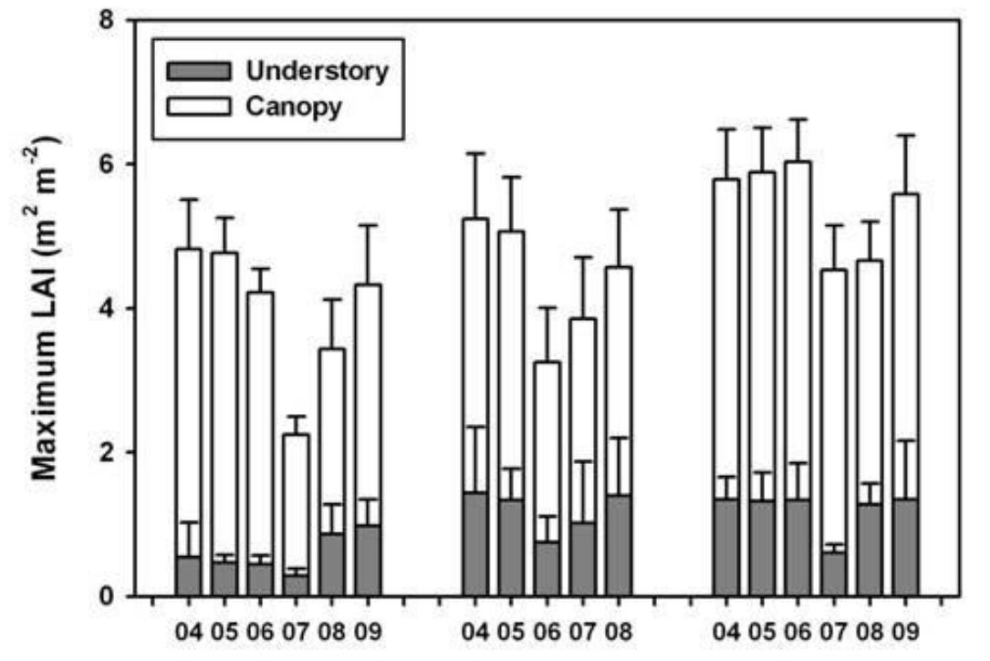
Pine leaf index

2022-2023
Month | Temp (F) | Total Precip (in)
Oct-22 | 55.9 | 3.01
Nov-22 | 48.9 | 1.31
Dec-22 | 37.4 | 1.73
Jan-23 | 42.5 | 1.28
Feb-23 | 40.8 | 0.47
Mar-23 | 44.1 | 0.55
Apr-23 | 56.6 | 2.19
May-23 | 58.6 | 0.92
Jun-23 | 67.7 | 0.85
Jul-23 | 77.9 | 1.81
Aug-23 | 74.3 | 0.75
Sep-23 | 69.6 | 3.67

Temperature 2022 -2023

