C(12)
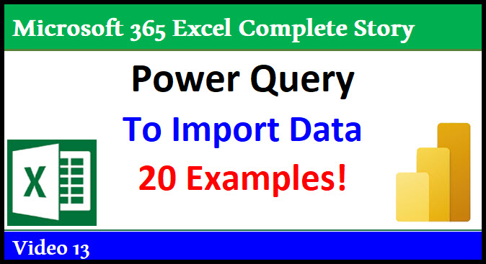

 | Microsoft 365 Excel Complete Story

 | 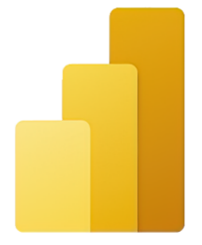 Complete Lesson in Power Query M Code

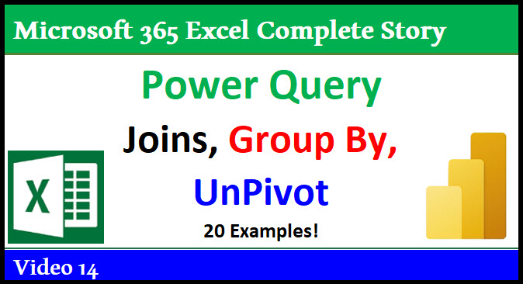

 | Video 12

& Custom Functions

 |  | Free Full Basics to Advanced Class!


 |  |  | Microsoft 365 Excel Complete Story | Power BI Too!

 |  |  | https://www.youtube.com/user/ExcelIsFun/community

 |  |  |  |  | Power Query Formulas

 |  |  |  |  | Excel Worksheet Formulas

MCodeNotes
Power Query:
Power Query is a tool to import, clean, transform and load data, or as Microsoft calls it “Data Mashup”.
The amazing tool Power Query is in Excel and Power BI Desktop (Power BI Online has a similar tool called Data Flows).
Power Query uses a case sensitive, function-based M Code language to create "values".

Values possible:
Table with fields (proper data set).
Record (row from a table or [Boom Product = "Quad", Sales = 43]).
List (like: {1,2,3} or {“Quad”,”Aspen”} or {1..43}).
Function (user built Custom Function, like: (End,Begin) => End/Begin-1 or Parameter Query ).
Binary (file like Excel, text or CSV).
Data Type (data validation control for fields, like type number for Decimal Data Type).
Text (like: “Quad”).
Number (like: 43).
Date (like: 10/01/2021 or #date(2021,10,01)).
Time (like: 11:10:57 or #time(11,10,57)).
DateTime (like: 10/01/21 11:10:57 AM or #datetime(2021,10,01,11,10,57)).
DateTimeZone (like: #datetimezone(2021,10,01,11,10,57.09,00)).
Duration (length of time like 1 day and 1 hour 10 minutes or #duration(01,01,10,0)).
Null (null).
Boolean (Logical) (true false)).

Where you can view M Code:
Applied Steps.
Formula Bar.
Advanced Editor.

An expression is any M Code that results in a value.
Some examples of expressions:
A function like Table.ColumnNames(TableName).
A list.
A number.
A query step within a let expression.
A full let expression.

An identifier is used to refer to an expression (value).
If the identifier has a space, to distinguish it from text, you must recorded it with a leading # sign and place identifier in quotes, such as: #"Identifier Name". If there is no space you record the identifier as: IdentifierName.

Generalized Identifier can be either: 1) the name of a Field in a Record Literal [Boom Product = "Quad", Sales = 43] or the name of a Field in a Field Access Operator [Boom Product]. In these cases you can have spaces without using #”Character Space Character” convention.

let expression allows you to define variables (steps) and use them throughout the let expression to define a final value.

The rules for a let expression are:
1) Start the let expression with lower case let.
2) Each variable, or step, starts with an identifier, then an equal sign, then an expression.
3) Variables are usually used in subsequent steps, can be used anywhere throughout the let expression, but cannot be used outside the let expression.
4) Each variable is followed by a comma.
5) The last query step does not end with a comma.
6) End the let expression with lower case in followed by the identifier for the final value to be delivered by the new query. The result of the query is almost always the identifier of the last query step.

Visual summary of let rules:

A new query created with the Power Query tool uses a let expression:
In a query a let expression is designed to combine all query steps (expressions themselves) to deliver a final value.
The final value delivered by the let expression is what the query delivers as its result.
The query name is the identifier for the let expression. This identifier can be used throughout the workbook.

You can add notes to M Code with the following syntax:
Start the note with two forward slashes, like //, and this will allow you to write a note on a single line.
If you have multiple lines, start first line with forward slash and an asterisk, /*, followed by as many lines as you want, and then end with asterisk and forward slash, */.

Keywords:
Reserved words that have an assigned meaning.
Here are some of the Keywords:
and as each else error false if in is let meta not otherwise or section shared then true try type #binary #date #datetime #datetimezone #duration #infinity #nan #sections #shared #table #time

Operators and Punctuators
There are several kinds of operators and punctuators. Operators are used in expressions to describe operations involving one or more operands. For example, the expression a + b uses the + operator to add the two operands a and b. Punctuators are for grouping and separating. For Example { } for grouping items in a list: {1, 2, 3}. Examples:
, ; = < <= > >= <> + - * / & ( ) [ ] { } @ ! ? => ..

M Code Lookup:
Note: M Code is "base zero", which means row 1 = 0, row 2 = 1…

Two Types of M Code Lookup:
1) Hard Code the Row Number:
Row Index Lookup: Table{Row Index Number}[FieldName]
Row Index = Hard Code Position into Curly Brackets, like Source{0} to get the first record in the table names Source.
Examples:
{43,86}{0} = 43
{43,86}{2} = error
{43,86}{2}? = null
? is Optional Operator which avoids error and delivers a null when a match is not made, or said a different way, when the positions is not in the list.
2) Dynamic Row Lookup (used on a unique list or primary key):
Key Match Lookup: Table{[Field Name = Lookup Value]}[Field Name]
Uses both Lookup Operator (Square Brackets) and Positional Index Operator (Curly Brackets) in same construction. Square Bracket Logical Test is in Curly Brackets to get row position of Record with Sunshine Product, like: Source{[Product=”Sunshine”]}. It is called “Key” Match because if there are duplicates in the column it returns an error.
Examples of lookup up a row in a table using a product name on the product field:
Source{[Product=”Sunshine”]} = row with "Sunshine" product, no duplicates, so it works.
Source{[Product=”Quad”]} = "Error. The key match more than one row in the table", there are duplicate "Quad" values so it does not work.
Source{[Product=”Aspen”]} = "Error. The key didn't match any rows in the table", there are no "Aspen" products in product field.

Pictorial Summary of M Code Lookup:
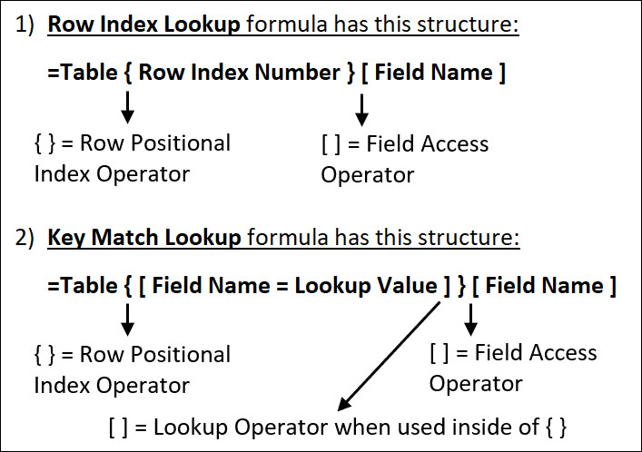 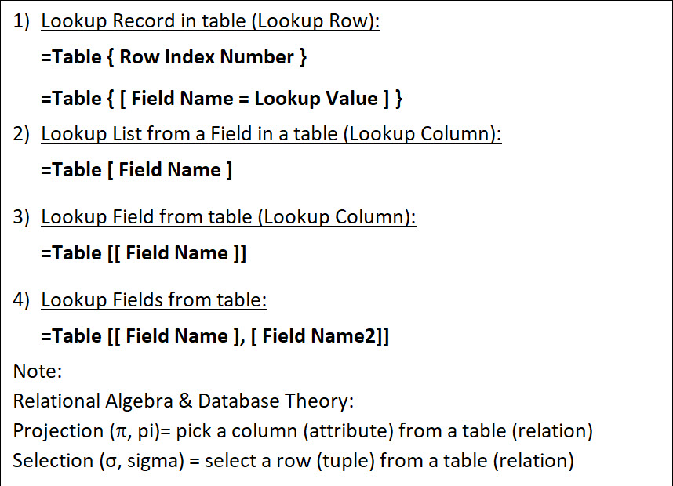
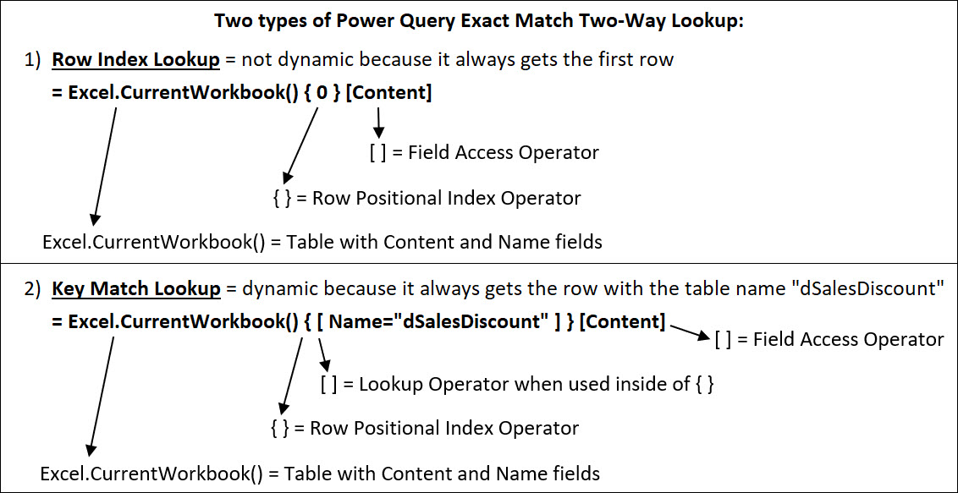
Primary Keys for Tables are nearly invisible in Power Query. And yet they play a significant role in doing Lookup in Power Query and for some calculations such as Group By Aggregate.
There is no way to see the Primary Keys in the User Interface.
Power Query will define a Primary Key in a Table in these situations:
If you use Remove Duplicates (Table.Distinct function).
If you are connected to a database like an SQL database and a Primary Key has been defined.
If you use Table.AddKey function.
When you use Excel.CurrentWorkbook() Function.
You can determine if a Table has a Primary key by using the Table.Keys function, as seen here:
You can define a Primary Key in a Table using the Table.AddKey function.

Drill Down, Primary Keys and Lookup:
If you Drill Down on a Primary Key, Key Match Lookup is preformed, like: = Excel.CurrentWorkbook(){[Name="fTransactions"]}[Content]
If you Drill Down on a non-Primary Key, Row Index Lookup is preformed, like: = Excel.CurrentWorkbook(){0}[Content]

Custom Functions
An M Code Custom Function is a user-created function that defines the variables and the mapping for those variables to deliver a value.
Custom functions can be create in any bit of M Code, but are most often created in two places: 1) a Custom Column, or 2) in a let expression that delivers a custom function value that can be used throughout the workbook.
Syntactical rules for defining a Custom Function are:
1) Type variables separated by commas in parentheses.
2) Type the go to operator: => (Equal, Greater Than).
3) Type a formula that uses the variables (though a formula is not required to use variables).

Example: (x, y) => x + y

Example: (APR, Years, PeriodsPerYear) => (1+APR/PeriodsPerYear)^(Years*PeriodsPerYear) (calculates the future value of an investment at time zero).

You can define data types, like: (x as number, y as number) as number => x + y
Example of re-usable query function, which calculates the future value factor for a lump sum investment and which can be used throughout the workbook Power Query environment: Query Name = EffectiveRate let EffectiveRate = (APR, Years, PeriodsPerYear) => Number.Power(1+APR/PeriodsPerYear,Years*PeriodsPerYear) in EffectiveRate

each and underscore
each = syntactical shorthand for defining an unnamed function taking a single untyped variable named underscore _ .
You can use each shorthand anywhere a functions can be declared.
each is often used to pass a function to an argument in another function, like Table.AddColumn.
each can be thought of as "allowing you to make a calculation n each row of a table or list.
Examples of equivalent expressions with different syntax:
= Table.SelectRows(#"Expanded GetExcelTable", each ([Kind] = "Table"))
= Table.SelectRows(#"Expanded GetExcelTable", (_) => (_[Kind] = "Table"))
= Table.SelectRows(#"Expanded GetExcelTable", (x) => (x[Kind] = "Table"))

2TypesLookup
1) | Row Index Lookup formula has this structure:
 | =Table { Row Index Number } [ Field Name ]
{ } = Row Positional Index Operator
[ ] = Field Access Operator
2) | Key Match Lookup formula has this structure:
 | =Table { [ Field Name = Lookup Value ] } [ Field Name ]
{ } = Row Positional Index Operator
[ ] = Lookup Operator when used inside of { }
[ ] = Field Access Operator

[ ] = Field Access Operator

[ ] = Lookup Operator when used inside of { }

{ } = Row Positional Index Operator

Excel.CurrentWorkbook() = Table with Content and Name fields

[ ] = Field Access Operator

[ ] = Lookup Operator when used inside of { }
{ } = Row Positional Index Operator

Excel.CurrentWorkbook() = Table with Content and Name fields

LookupExcelWorkbook
Two types of Power Query Exact Match Two-Way Lookup:

 | 1) | Row Index Lookup = not dynamic because it always gets the first row
 |  | = Excel.CurrentWorkbook() { 0 } [Content]
[ ] = Field Access Operator

{ } = Row Positional Index Operator
Excel.CurrentWorkbook() = Table with Content and Name fields

[ ] = Field Access Operator
 | 2) | Key Match Lookup = dynamic because it always gets the row with the table name "dSalesDiscount"
 |  | = Excel.CurrentWorkbook() { [ Name="dSalesDiscount" ] } [Content]
[ ] = Lookup Operator when used inside of { }

{ } = Row Positional Index Operator

Excel.CurrentWorkbook() = Table with Content and Name fields

PrimaryKeyPicture
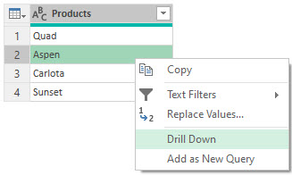
1) | If you Drill Down on Aspen in Products Field when there is no Primary Key, Row Index Lookup is performed:
 | 1) | 2)

2) | Check For Primary Key. If there is no Primary Key an empty list is returned:

3) | You can add a Primary Key to a table with Table.AddKeys function:

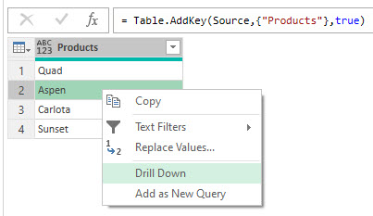
4) | Now if you Drill Down, Key Match Lookup is perfomred:
 | 1) | 2)

HW(1-8)
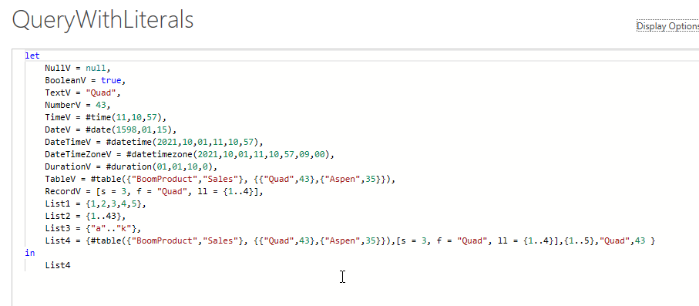
Date | Region | Sales | SalesRep | Product |  |  |  | Project 2: Practice Writing M Code:
2020-05-18 | SouthWest | 464.432 | Chantel | FlyFast |  |  | 1 | Create a blank query and create literals for these Power Query Values: Null, Logical, Text, Number, Time, Date, DateTime, DateTime, Zone, Duration, Table, Record, List
2020-06-27 | SouthWest | 352.003 | Shayla | Carlota |  |  | 2 | Import Sales table on left into Power Query.
2020-06-30 | East | 453.922 | Ahmed | FlyFast |  |  | 3 | In the Sales table: 1) As a new query step add an Index Column that starts at 1 (Add Column Tab in Power Query Ribbon). 2) As a new query step check to see if there is a Primary Key in the table. 3) As a new query step, pull the table that was delivered in the step before (checking if there was a Primary Key) down to a new step. 4) As a new query step add a Primary Key.
2020-08-17 | East | 302.593 | Shayla | Yanaki |  |  | 4 | 1) Check to see if Drill Down on the Sales Table does Key Match Lookup, then, 2) as a new query step, pull the table that was delivered in the step before Drill Down down to a new step.
2020-08-22 | East | 393.039 | Shayla | Carlota |  |  | 5 | In the Sales table, sort the date field, then group by the Region field so that you can sum and average the sales field based on consecutive occurrences in the Region field.
2020-09-24 | SouthWest | 407.913 | Chantel | Quad |  |  | 6 | As a new Step, sum the sales from the Sales field from the previous step (this should give you a single sum).
2020-10-20 | West | 424.324 | Chantel | Quad |  |  | 7 | As a new Step, average the sales from the Sales field from the table create in the above homework step #6 (this should give you a single average).
2020-11-20 | NorthWest | 467.306 | Ahmed | Yanaki
2020-12-10 | NorthWest | 761.005 | Shayla | SpitFire
2021-01-15 | NorthWest | 473.771 | Shayla | Yanaki |  |  | 8 | Using the two table below (fSalesNumEight and disDiscountNumEight), import the two tables and in the Sales table, create a new field that does approximate match lookup to lookup a discount rate based on sales amounts.
2021-01-15 | East | 316.73 | Sioux | Sunshine
2021-02-01 | South | 345.916 | Shayla | Carlota |  |  |  | ** Picture of Potential M Code Solution is to right =>
2021-02-04 | South | 161.851 | Shayla | FlyFast
2021-02-08 | South | 491.44 | Sioux | Quad
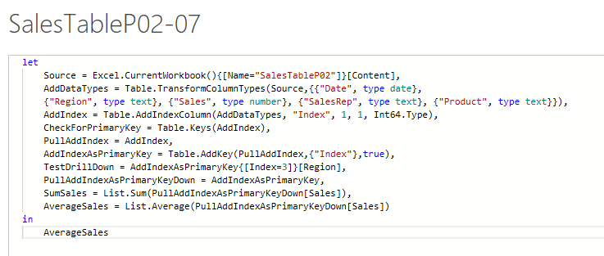
2021-02-22 | East | 412.46 | Sioux | Carlota
2021-03-22 | NorthWest | 367.31 | Ahmed | Quad
2021-04-12 | NorthWest | 390.618 | Ahmed | Yanaki
2021-04-22 | NorthWest | 145.929 | Sioux | Quad
2021-04-29 | MidWest | 470.674 | Shayla | Quad
2021-07-10 | MidWest | 154.549 | Chantel | Quad
2021-07-14 | MidWest | 465.011 | Gigi | FlyFast
2021-08-03 | MidWest | 497.488 | Chantel | Quad
2021-09-12 | MidWest | 379.218 | Ahmed | Yanaki
2021-09-15 | MidWest | 159.275 | Chantel | FlyFast
2021-10-16 | East | 446.135 | Sioux | Quad
2021-10-18 | MidWest | 228.229 | Ahmed | Quad
2021-11-07 | West | 1413.342 | Chantel | Sunshine
2021-11-25 | West | 321.895 | Shayla | SpitFire
2021-11-25 | West | 127.241 | Shayla | Quad

 |  | Sales | SalesRep | Product | Sales | Discount
 |  | 464.432 | Chantel | FlyFast | 0 | 0
 |  | 352.003 | Shayla | Carlota | 100 | 0.01
 |  | 453.922 | Ahmed | FlyFast | 250 | 0.035
 |  | 302.593 | Shayla | Yanaki | 475 | 0.03
 |  | 393.039 | Shayla | Carlota | 750 | 0.0475
 |  | 407.913 | Chantel | Quad | 1000 | 0.0775
 |  | 424.324 | Chantel | Quad
 |  | 467.306 | Ahmed | Yanaki
 |  | 761.005 | Shayla | SpitFire
 |  | 473.771 | Shayla | Yanaki
 |  | 316.73 | Sioux | Sunshine
 |  | 345.916 | Shayla | Carlota
 |  | 161.851 | Shayla | FlyFast
 |  | 491.44 | Sioux | Quad
 |  | 412.46 | Sioux | Carlota
 |  | 367.31 | Ahmed | Quad
 |  | 390.618 | Ahmed | Yanaki
 |  | 145.929 | Sioux | Quad
 |  | 470.674 | Shayla | Quad
 |  | 154.549 | Chantel | Quad
 |  | 465.011 | Gigi | FlyFast
 |  | 497.488 | Chantel | Quad
 |  | 379.218 | Ahmed | Yanaki
 |  | 159.275 | Chantel | FlyFast
 |  | 446.135 | Sioux | Quad
 |  | 228.229 | Ahmed | Quad
 |  | 1413.342 | Chantel | Sunshine
 |  | 321.895 | Shayla | SpitFire
 |  | 127.241 | Shayla | Quad

