1. Title Page
Grocery Basket Analysis

Project Name: Instacart Grocery Basket Analysis
Date: 07.03.2023
Analyst Name: Franziska Aman

Contents:
Population Flow
Consistency checks
Wrangling steps
Column derivations
Visualizations
Recommendations

2. Population Flow
Title page

Population flow

Exclusion flag
Condition: max_order < 5
Obervations to be removed: 9616883
Final total count of order_products_all: 22784558

Orders_products_combined
Orders_products_merged
Orders_products_all

Total: 32404859
Total: 32434489
Total:22784558

1.) The grey boxes in the first row of the population flow represent the original data sets as they were when you downloaded them. In the Total fields you need to add the count of the rows when you imported the data set into Jupyter.
2.) The second row of boxes (coloured) represents the data sets after you manipulated them, e.g., removed missing values and duplicates. In the Total fields you need to add the count of the rows after conducting these operations. This offers a visual oveview of how the data flows throughout the data consistency checks.
3.) The third row, where also the arrows are coloured, represents the merges you performed between the datasets. In the Total fields you need to add the count of the rows in the merged datasets, so that you end up with the final dataset (in the red box). Keep in mind the final dataset should be without exclusions (based on the exclusion flag).

3. Consistency checks
 |  |  |  | Title page
Consistency checks

Dataset | Missing values | Missing values treatment | Duplicates
orders | There are 206.209 emtpy (NaN) cells in days_since_prior_order column | no action taken as those might be customers who have never placed an order before. | Have not found any duplicate rows.
products | 16 NaN values in product_name column | dropped them | Found 5 full duplicate rows and dropped them
customers | - | - | -

4. Wrangling steps
 |  |  |  | Title page
Wrangling steps

orders.csv:
Columns dropped | Columns renamed | Columns' type changed | Comment/Reason
eval_set |  |  | This column contains system information that acts as a label for the entire data set. It has one value—prior—which indicates that this was the prior data set released by Instacart. This makes it irrelevant for our purposes.
 | order_dow to orders_day_of_week |  | Make the column name more intuitive as not everyone is aware about the dow abbreviation
 |  | user_id | Changed the data type from integer to string, because it doesn’t need to be included in the analysis.
 |  | order_id | Changed the data type from integer to string, because it doesn’t need to be included in the analysis.

departments.csv:
Columns dropped | Columns renamed | Columns' type changed | Comment/Reason
- | - | - | The data for this dataframe was in the wrong format (wide), so I transposed it to the right format (long) to make it suitable for its purpose as a data dictionary.

customers.csv:
Columns dropped | Columns renamed | Columns' type changed | Comment/Reason
 |  | first_name | this column was a mixed-type column, thus it was changed to string.
 | 'First Name':'first_name' |  | renamed for the purpose of a consistent naming schema
 | 'Surnam':'last_name' |  | renamed for the purpose of a consistent naming schema
 | 'Gender':'gender' |  | renamed for the purpose of a consistent naming schema
 | 'State':'state' |  | renamed for the purpose of a consistent naming schema
 | Age':'age' |  | renamed for the purpose of a consistent naming schema
 | 'STATE':'state' |  | renamed for the purpose of a consistent naming schema
 | 'fam_status':'marital_status' |  | renamed for the purpose of a consistent naming schema
-

5. Column derivations
 |  |  |  | Title page

Column derivations and aggregations

Frequency distribution of new columns with flags:
price_label:
Mid-range: 652638
Low-range: 338018
High range: 9344
busiest_day:
Regularly busy: 22416875
Busiest day: 6204182
Least busy 3783802
busiest_period_of_day:
Average orders 29591818
Most orders 2761760
Fewest orders 51281
loyalty_flag:
Regular customer 15876776
Loyal_Customer 10284093
New customer 6243990
spending_flag:
Low Spender 31770219
High Spender 575296
NaN 59344
Dataset | New column | Column/s it was derived from | Conditions
orders_products_incl_new_variables.pkl | price_label | prices | if row['prices'] <= 5: return 'Low-range product' elif (row['prices'] > 5) and (row['prices'] <= 15): return 'Mid-range product' elif row['prices'] > 15: return 'High range'
orders_products_incl_new_variables.pkl | busiest_day | orders_day_of_week | if value == 0: result.append("Busiest day") elif value == 4: result.append("Least busy") else: result.append("Regularly busy")
orders_products_incl_new_variables.pkl | busiest_period_of_day | order_hour_of_day | if value == 10: result_task3.append("Most orders") elif value == 3: result_task3.append("Fewest orders") else: result_task3.append("Average orders")
orders_products_incl_new_variables_4.8.pkl | loyalty_flag | order_number | ords_prods_merge.loc[ords_prods_merge['max_order'] > 40, 'loyalty_flag'] = 'Loyal_Customer' ords_prods_merge.loc[(ords_prods_merge['max_order'] <= 40) & (ords_prods_merge['max_order'] > 10), 'loyalty_flag'] = 'Regular customer' ords_prods_merge.loc[ords_prods_merge['max_order'] <= 10, 'loyalty_flag'] = 'New customer'
orders_products_incl_new_variables_4.8.pkl | spending_flag | prices | ords_prods_merge.loc[ords_prods_merge['mean_price'] < 10, 'spending_flag'] = 'Low Spender' ords_prods_merge.loc[ords_prods_merge['mean_price'] >= 10, 'spending_flag'] = 'High Spender'
orders_products_incl_new_variables_4.8.pkl | order_frequency_flag | days_since_prior_order | ords_prods_merge.loc[ords_prods_merge['median_days_since_prior_order'] > 20, 'order_frequency_flag'] = 'Non-frequent customer' ords_prods_merge.loc[(ords_prods_merge['median_days_since_prior_order'] > 10) & (ords_prods_merge['median_days_since_prior_order'] <= 20), 'order_frequency_flag'] = 'Regular customer' ords_prods_merge.loc[ords_prods_merge['median_days_since_prior_order'] <= 10, 'order_frequency_flag'] = 'Frequent customer'
4.10_task9.pkl | exclusion_flag | order_number | for value in ords_prods_cust["order_number"]: if value <= 5: result_task4.append('low_activity_customer') else: result_task4.append('high_activity_customer')

6. Visualizations
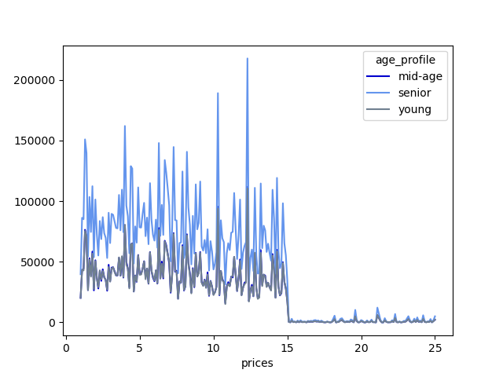
 |  |  |  |  |  | Title page

Visualisations

In this tab you should include all the visualtions from Exercises 4.9 and 4.10, alongside the questions from the project brief that they answer. Include any commentary on the relationship between different variables.

Answer to Question:
2 | 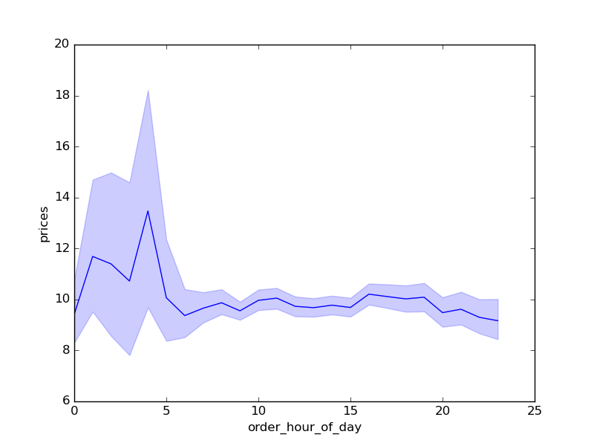 | 4am is the time of the day when people spend the most money on IC´s products.

3 |  | Overview about most popular products based on their order frequency:
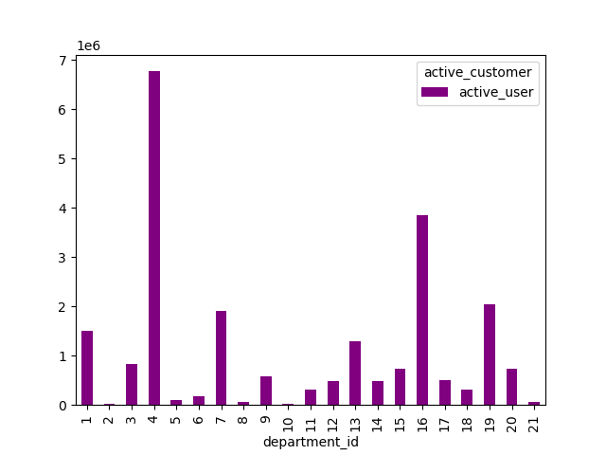

5.3 |  |  | The south has the most orders overall, with seniors being the best customers:
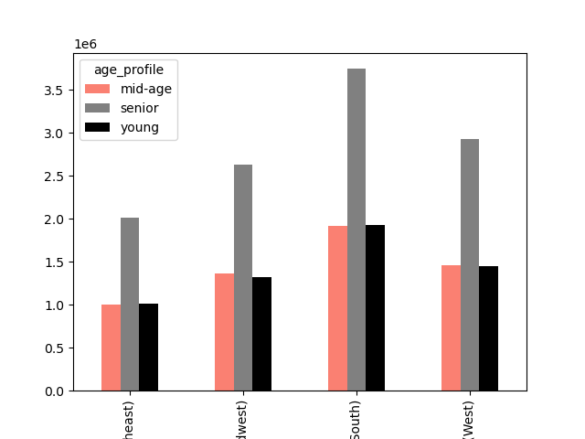

 |  |  | Most customers with high and middle incomes live in the south. IC has few low-income customers.
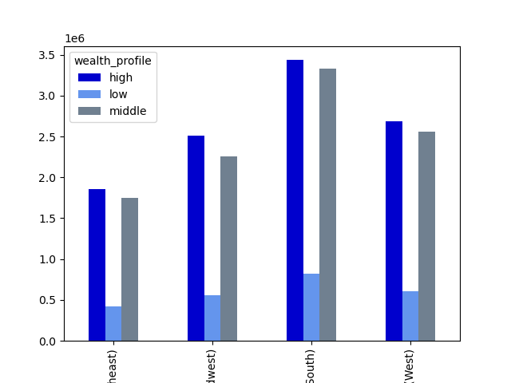

 |  |  | IC´s most family customers live in the south , the proportion of singles is relatively low everywhere
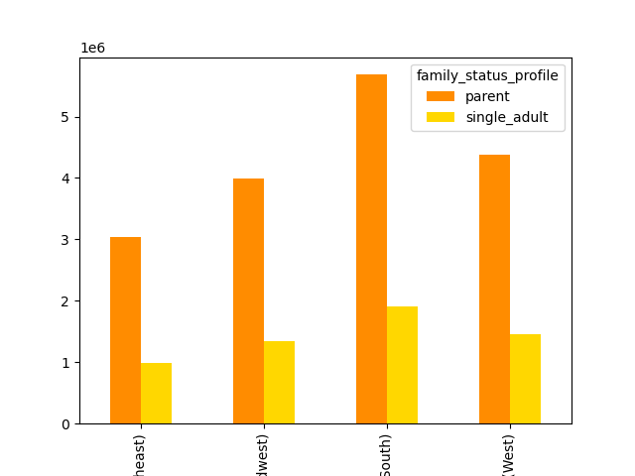

 |  |  |  | The best non-alcoholic, vegetarian and no-pet owner customers live in the south of US.
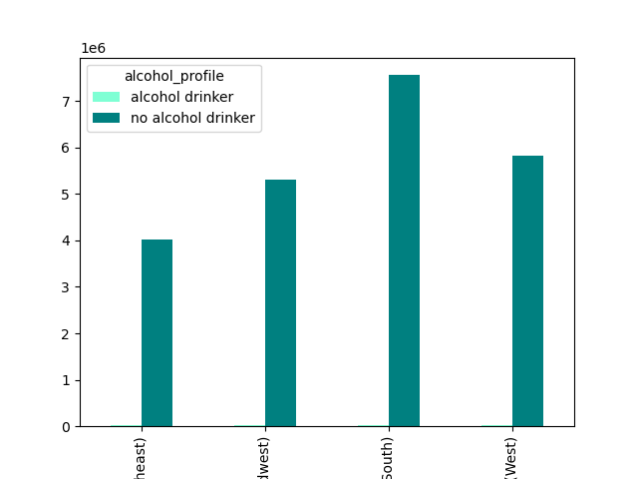
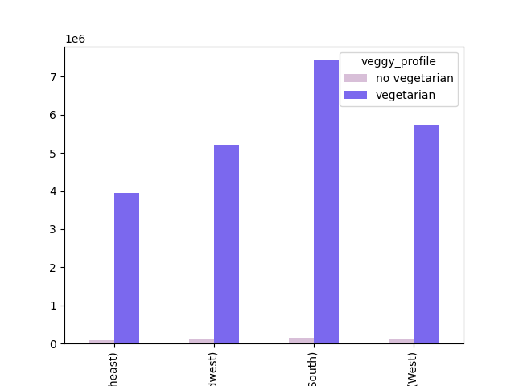
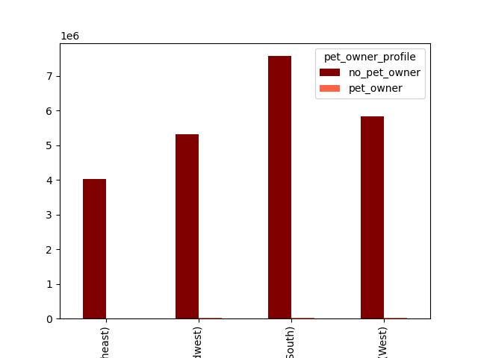

5.4 |  | 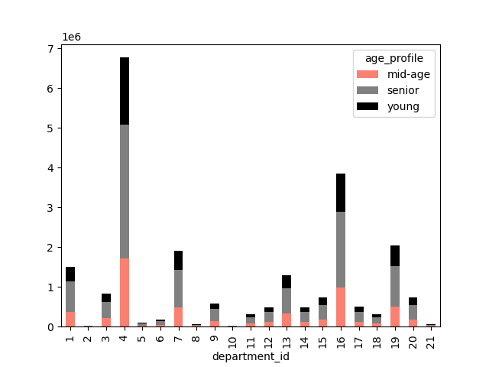 | Independent of the age and family status profile, alcoholic, household and deli products are most popular. |  | 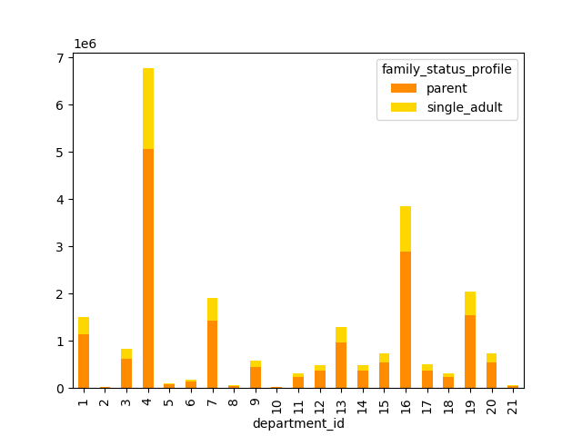

5.5 |  |  | Customers with 2 children buy the most expensive products.
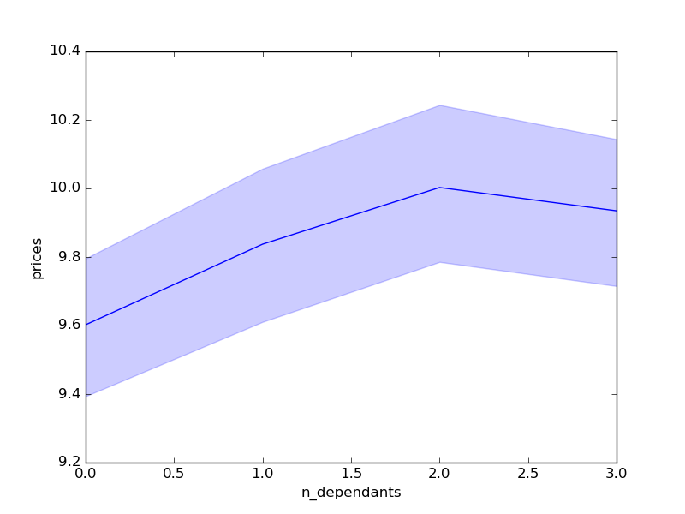

 |  |  | Most customers under 40 years earn up to 100.000 Dollars per year, while most customers over 40 years earn up to 160.000 Dollars per year:
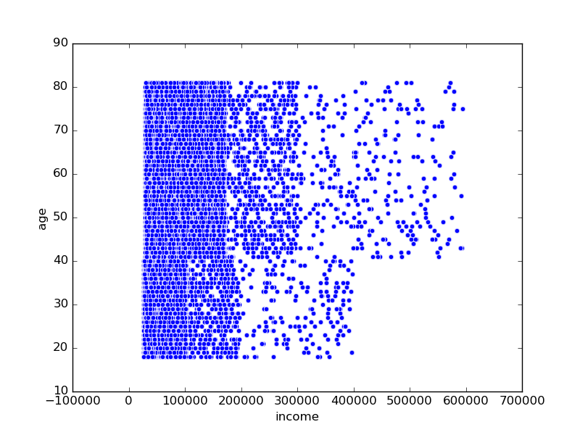

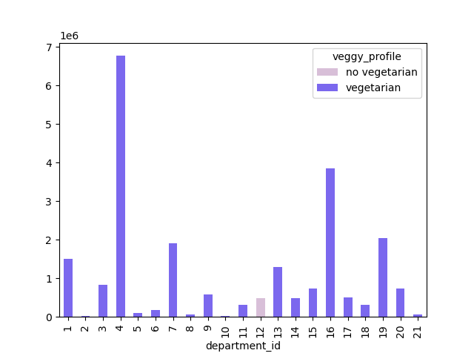
5.6 |  |  | Independent of the profile, alcoholic, household and deli products are most popular.
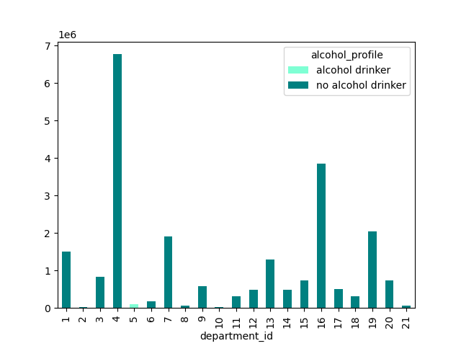
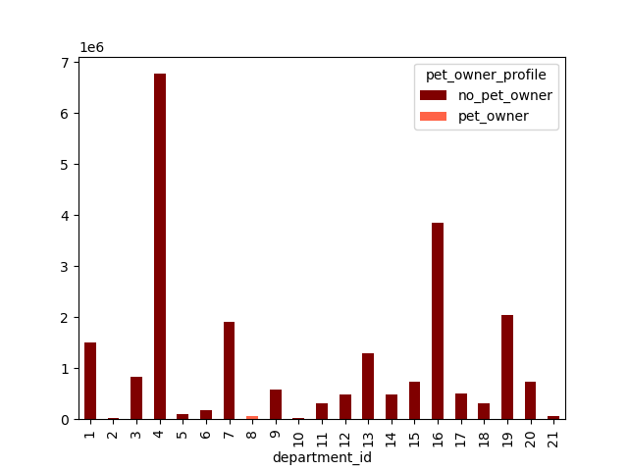

 |  |  | Seniors are the best customers for expensive products.

7. Recommendations
 |  |  |  |  | Title page

Recommendations

In this tab you should include any recommendations you would made to Instcart in terms of their marketing strategy based on the questions posed in the brief. Every key question has been covered in the Tasks of the Exercises - here you need to add an item - a visualisation or table/crosstable that is showing the answer in the data, acompanied by a comment from you. Please, list the questions below and add the answer underneath.

 | Question | Answer
1 | The sales team needs to know what the busiest days of the week and hours of the day are (i.e., the days and times with the most orders) in order to schedule ads at times when there are fewer orders. | Busiest days (in descending order): 0 1 6 2 5 3 4 | Busiest hours (in descending order): 10 11 14 15 13 12 16 9 17 8 18 19 20 7 21 22 23 6 0 1 5 2 4 3
2 | They also want to know whether there are particular times of the day when people spend the most money, as this might inform the type of products they advertise at these times. | See sheet 6. Visualizations

3 | Instacart has a lot of products with different price tags. Marketing and sales want to use simpler price range groupings to help direct their efforts. | The products were categorized in high -, low- and mid-range products. For the results, please refer to sheet: price_labels

4 | Are there certain types of products that are more popular than others? The marketing and sales teams want to know which departments have the highest frequency of product orders | The most popular products come from the following departments: 4, 16, 19 7, 1, for further details please refer to sheet departments_all_users and visualization in 7. Recommendations

5 | The marketing and sales teams are particularly interested in the different types of
 | customers in their system and how their ordering behaviors differ. For example:

 | 5.1 What’s the distribution among users in regards to their brand loyalty (i.e., how often do they return to Instacart)? | Regular customer 15874128 Loyal_Customer 10282763 New customer 6242841

 | 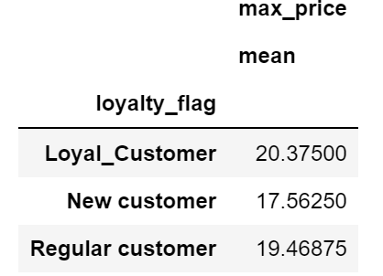 5.2 Are there differences in ordering habits based on a customer’s loyalty status? | 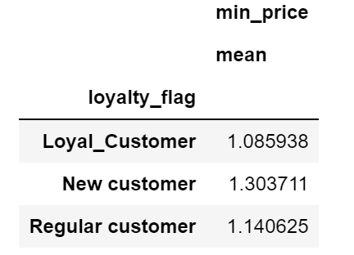 On average, loyal and regular customers buy the most expensive products: | They are also the best customers for cheap products: | 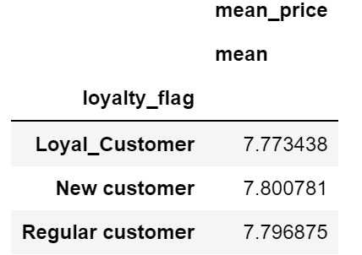 However, on average, the prices are on a similar level for all groups which leads to the conclusion that new costumers tend to buy mainly products with mid-level prices:

 | 5.3 Are there differences in ordering habits based on a customer’s region? | See sheet 6. Visualizations

 | 5.4 Is there a connection between age and family status in terms of ordering habits? | See sheet 6. Visualizations

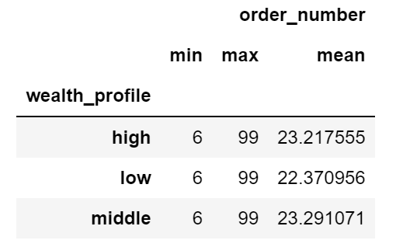
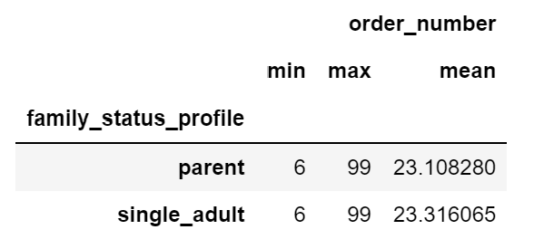
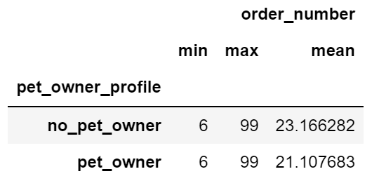
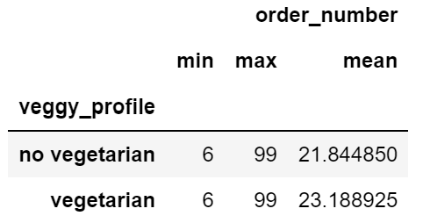
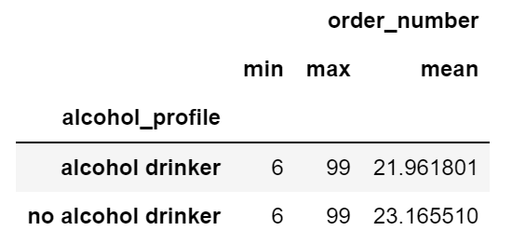
 | 5.5 What different classifications does the demographic information suggest? Age? Income? Certain types of goods? Family status? | See sheet 6. Visualizations
 | 5.6 What differences can you find in ordering habits of different customer profiles? Consider the price of orders, the frequency of orders, the products customers are ordering, and anything else you can think of. | All profiles placed at least 6 orders (due to removal of <5 orders based on exclusion_flag), and maximum 99 orders at IC, and have similar average amount of orders.
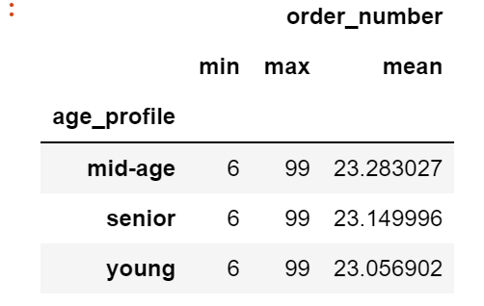

 |  | For products customers are ordering and the price of orders, please refer to 6. Visualizations

