Similar_065
Z-ID | NMR_fragm_structure | NMR_fragm_structure (Canonical) | CID | Chembl_structure | Chembl_structure (Canonical) | Tanimoto | Source | aid | cid
Z1430613393 | 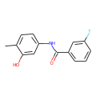 | Cc1ccc(NC(=O)c2cccc(F)c2)cc1O | 837703 | 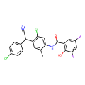 | Cc1cc(C(C#N)c2ccc(Cl)cc2)c(Cl)cc1NC(=O)c1cc(I)cc(I)c1O | 0.84 | NCATS | 1479148 | 42574
Z1430613393 |  | Cc1ccc(NC(=O)c2cccc(F)c2)cc1O | 837703 |  | Cc1cc(C(C#N)c2ccc(Cl)cc2)c(Cl)cc1NC(=O)c1cc(I)cc(I)c1O | 0.84 | NCATS | 1479149 | 42574
Z1430613393 |  | Cc1ccc(NC(=O)c2cccc(F)c2)cc1O | 837703 |  | Cc1cc(C(C#N)c2ccc(Cl)cc2)c(Cl)cc1NC(=O)c1cc(I)cc(I)c1O | 0.84 | NCATS | 1494158 | 42574
Z2377835233 | 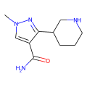 | Cn1cc(C(N)=O)c(C2CCCNC2)n1 | 91654526 | 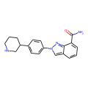 | NC(=O)c1cccc2cn(-c3ccc(C4CCCNC4)cc3)nc12 | 0.81 | NCATS | 1479149 | 24958198
Z30891796 | 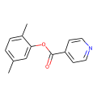 | Cc1ccc(C)c(OC(=O)c2ccncc2)c1 | 821673 | 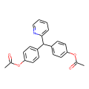 | CC(=O)Oc1ccc(C(c2ccc(OC(C)=O)cc2)c2ccccn2)cc1 | 0.79 | NCATS | 1479145 | 2391
Z285675722 | 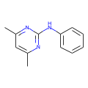 | Cc1cc(C)nc(Nc2ccccc2)n1 | 91650 | 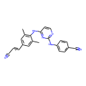 | Cc1cc(/C=C/C#N)cc(C)c1Nc1ccnc(Nc2ccc(C#N)cc2)n1 | 0.77 | NCATS | 1479145 | 6451164
Z56923284 | 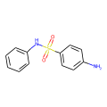 | Nc1ccc(S(=O)(=O)Nc2ccccc2)cc1 | 31390 | 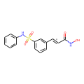 | O=C(/C=C/c1cccc(S(=O)(=O)Nc2ccccc2)c1)NO | 0.76 | NCATS | 1479145 | 6918638
Z979145504 | 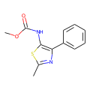 | COC(=O)Nc1sc(C)nc1-c1ccccc1 | 811874 | 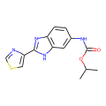 | CC(C)OC(=O)Nc1ccc2nc(-c3cscn3)[nH]c2c1 | 0.74 | NCATS | 1479147 | 33309
Z979145504 |  | COC(=O)Nc1sc(C)nc1-c1ccccc1 | 811874 |  | CC(C)OC(=O)Nc1ccc2nc(-c3cscn3)[nH]c2c1 | 0.74 | NCATS | 1479150 | 33309
Z30891796 |  | Cc1ccc(C)c(OC(=O)c2ccncc2)c1 | 821673 | 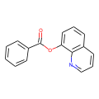 | O=C(Oc1cccc2cccnc12)c1ccccc1 | 0.71 | NCATS | 1479149 | 6855
Z30891796 |  | Cc1ccc(C)c(OC(=O)c2ccncc2)c1 | 821673 |  | O=C(Oc1cccc2cccnc12)c1ccccc1 | 0.71 | NCATS | 1479150 | 6855
Z31222641 |  | Cc1sc2ncnc(N(C)C)c2c1C | 1076193 | 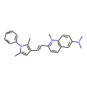 | Cc1cc(/C=C/c2ccc3cc(N(C)C)ccc3[n+]2C)c(C)n1-c1ccccc1 | 0.71 | NCATS | 1479149 | 54713170
Z2856434898 |  | c1ccc(CN2CCC(n3cccc3)CC2)cc1 | 2779264 | 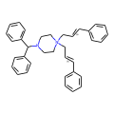 | C(=C/c1ccccc1)\C[N+]1(C/C=C/c2ccccc2)CCN(C(c2ccccc2)c2ccccc2)CC1 | 0.71 | Literature | 1063199 | 46784066
Z145119960 | 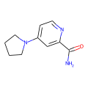 | NC(=O)c1cc(N2CCCC2)ccn1 | 55222242 | 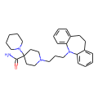 | NC(=O)C1(N2CCCCC2)CCN(CCCN2c3ccccc3CCc3ccccc32)CC1 | 0.71 | NCATS | 1479147 | 2580
Z145119960 |  | NC(=O)c1cc(N2CCCC2)ccn1 | 55222242 |  | NC(=O)C1(N2CCCCC2)CCN(CCCN2c3ccccc3CCc3ccccc32)CC1 | 0.71 | NCATS | 1479149 | 2580
Z31222641 | 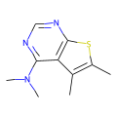 | Cc1sc2ncnc(N(C)C)c2c1C | 1076193 | 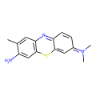 | Cc1cc2nc3ccc(=[N+](C)C)cc-3sc2cc1N | 0.70 | NCATS | 1479145 | 7083
Z31222641 |  | Cc1sc2ncnc(N(C)C)c2c1C | 1076193 |  | Cc1cc2nc3ccc(=[N+](C)C)cc-3sc2cc1N | 0.70 | NCATS | 1479149 | 7083
Z2856434836 | 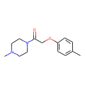 | Cc1ccc(OCC(=O)N2CCN(C)CC2)cc1 | 880785 | 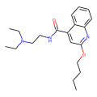 | CCCCOc1cc(C(=O)NCCN(CC)CC)c2ccccc2n1 | 0.69 | NCATS | 1479145 | 3025
Z321318226 | 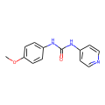 | COc1ccc(NC(=O)Nc2ccncc2)cc1 | 694486 | 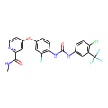 | CNC(=O)c1cc(Oc2ccc(NC(=O)Nc3ccc(Cl)c(C(F)(F)F)c3)c(F)c2)ccn1 | 0.69 | NCATS | 1479145 | 11167602
Z321318226 |  | COc1ccc(NC(=O)Nc2ccncc2)cc1 | 694486 |  | CNC(=O)c1cc(Oc2ccc(NC(=O)Nc3ccc(Cl)c(C(F)(F)F)c3)c(F)c2)ccn1 | 0.69 | NCATS | 1479148 | 11167602
Z321318226 |  | COc1ccc(NC(=O)Nc2ccncc2)cc1 | 694486 |  | CNC(=O)c1cc(Oc2ccc(NC(=O)Nc3ccc(Cl)c(C(F)(F)F)c3)c(F)c2)ccn1 | 0.69 | NCATS | 1494156 | 11167602
Z321318226 |  | COc1ccc(NC(=O)Nc2ccncc2)cc1 | 694486 |  | CNC(=O)c1cc(Oc2ccc(NC(=O)Nc3ccc(Cl)c(C(F)(F)F)c3)c(F)c2)ccn1 | 0.69 | NCATS | 1494157 | 11167602
Z321318226 |  | COc1ccc(NC(=O)Nc2ccncc2)cc1 | 694486 |  | CNC(=O)c1cc(Oc2ccc(NC(=O)Nc3ccc(Cl)c(C(F)(F)F)c3)c(F)c2)ccn1 | 0.69 | NCATS | 1494158 | 11167602
Z2856434834 |  | Cc1cccc(NC(=O)CN2CCOCC2)c1C | 755358 | 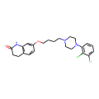 | O=C1CCc2ccc(OCCCCN3CCN(c4cccc(Cl)c4Cl)CC3)cc2N1 | 0.69 | NCATS | 1479148 | 60795
Z2856434834 |  | Cc1cccc(NC(=O)CN2CCOCC2)c1C | 755358 |  | O=C1CCc2ccc(OCCCCN3CCN(c4cccc(Cl)c4Cl)CC3)cc2N1 | 0.69 | NCATS | 1479149 | 60795
Z2856434834 |  | Cc1cccc(NC(=O)CN2CCOCC2)c1C | 755358 |  | O=C1CCc2ccc(OCCCCN3CCN(c4cccc(Cl)c4Cl)CC3)cc2N1 | 0.69 | NCATS | 1494156 | 60795
Z2856434834 |  | Cc1cccc(NC(=O)CN2CCOCC2)c1C | 755358 |  | O=C1CCc2ccc(OCCCCN3CCN(c4cccc(Cl)c4Cl)CC3)cc2N1 | 0.69 | NCATS | 1494157 | 60795
Z2856434834 |  | Cc1cccc(NC(=O)CN2CCOCC2)c1C | 755358 |  | O=C1CCc2ccc(OCCCCN3CCN(c4cccc(Cl)c4Cl)CC3)cc2N1 | 0.69 | NCATS | 1494158 | 60795
Z2472938267 | 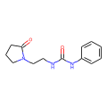 | O=C(NCCN1CCCC1=O)Nc1ccccc1 | 741243 | 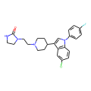 | O=C1NCCN1CCN1CCC(c2cn(-c3ccc(F)cc3)c3ccc(Cl)cc23)CC1 | 0.69 | NCATS | 1479149 | 60149
Z275165822 | 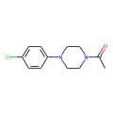 | CC(=O)N1CCN(c2ccc(Cl)cc2)CC1 | 258327 | 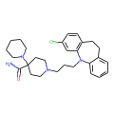 | NC(=O)C1(N2CCCCC2)CCN(CCCN2c3ccccc3CCc3ccc(Cl)cc32)CC1 | 0.69 | NCATS | 1479149 | 2793
Z2856434887 | 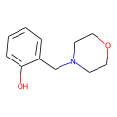 | Oc1ccccc1CN1CCOCC1 | 225458 | 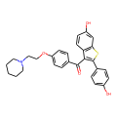 | O=C(c1ccc(OCCN2CCCCC2)cc1)c1c(-c2ccc(O)cc2)sc2cc(O)ccc12 | 0.69 | NCATS | 1479145 | 54900
Z2856434887 |  | Oc1ccccc1CN1CCOCC1 | 225458 |  | O=C(c1ccc(OCCN2CCCCC2)cc1)c1c(-c2ccc(O)cc2)sc2cc(O)ccc12 | 0.69 | NCATS | 1479149 | 54900
Z31222641 |  | Cc1sc2ncnc(N(C)C)c2c1C | 1076193 | 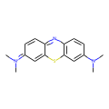 | CN(C)c1ccc2nc3ccc(=[N+](C)C)cc-3sc2c1 | 0.68 | NCATS | 1479149 | 6099
Z2856434898 | 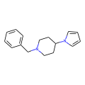 | c1ccc(CN2CCC(n3cccc3)CC2)cc1 | 2779264 | 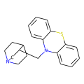 | c1ccc2c(c1)Sc1ccccc1N2CC1CN2CCC1CC2 | 0.68 | NCATS | 1479146 | 4066
Z2856434898 |  | c1ccc(CN2CCC(n3cccc3)CC2)cc1 | 2779264 |  | c1ccc2c(c1)Sc1ccccc1N2CC1CN2CCC1CC2 | 0.68 | NCATS | 1479148 | 4066
Z2856434898 |  | c1ccc(CN2CCC(n3cccc3)CC2)cc1 | 2779264 |  | c1ccc2c(c1)Sc1ccccc1N2CC1CN2CCC1CC2 | 0.68 | NCATS | 1494157 | 4066
Z2856434836 |  | Cc1ccc(OCC(=O)N2CCN(C)CC2)cc1 | 880785 | 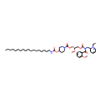 | CCCCCCCCCCCCCCCCCCNC(=O)OC1CCN(C(=O)OC[C@H](COC(=O)N(Cc2cccc[n+]2CC)C(=O)c2ccccc2OC)OC)CC1 | 0.68 | NCATS | 1479145 | 130990
Z18839017 | 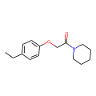 | CCc1ccc(OCC(=O)N2CCCCC2)cc1 | 905454 | 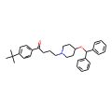 | CC(C)(C)c1ccc(C(=O)CCCN2CCC(OC(c3ccccc3)c3ccccc3)CC2)cc1 | 0.67 | NCATS | 1494156 | 3191
Z18839017 |  | CCc1ccc(OCC(=O)N2CCCCC2)cc1 | 905454 |  | CC(C)(C)c1ccc(C(=O)CCCN2CCC(OC(c3ccccc3)c3ccccc3)CC2)cc1 | 0.67 | NCATS | 1494157 | 3191
Z18839017 |  | CCc1ccc(OCC(=O)N2CCCCC2)cc1 | 905454 |  | CC(C)(C)c1ccc(C(=O)CCCN2CCC(OC(c3ccccc3)c3ccccc3)CC2)cc1 | 0.67 | NCATS | 1494158 | 3191
Z1787627869 | 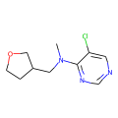 | CN(CC1CCOC1)c1ncncc1Cl | 75511399 | 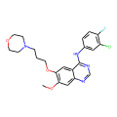 | COc1cc2ncnc(Nc3ccc(F)c(Cl)c3)c2cc1OCCCN1CCOCC1 | 0.67 | NCATS | 1479145 | 123631
Z275179946 | 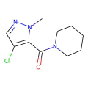 | Cn1ncc(Cl)c1C(=O)N1CCCCC1 | 831977 | 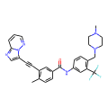 | Cc1ccc(C(=O)Nc2ccc(CN3CCN(C)CC3)c(C(F)(F)F)c2)cc1C#Cc1cnc2cccnn12 | 0.67 | NCATS | 1479145 | 24826799
Z275179946 |  | Cn1ncc(Cl)c1C(=O)N1CCCCC1 | 831977 |  | Cc1ccc(C(=O)Nc2ccc(CN3CCN(C)CC3)c(C(F)(F)F)c2)cc1C#Cc1cnc2cccnn12 | 0.67 | NCATS | 1479150 | 24826799
Z111810692 | 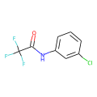 | O=C(Nc1cccc(Cl)c1)C(F)(F)F | 532127 | 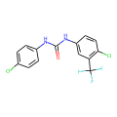 | O=C(Nc1ccc(Cl)cc1)Nc1ccc(Cl)c(C(F)(F)F)c1 | 0.67 | NCATS | 1494156 | 9719
Z111810692 |  | O=C(Nc1cccc(Cl)c1)C(F)(F)F | 532127 |  | O=C(Nc1ccc(Cl)cc1)Nc1ccc(Cl)c(C(F)(F)F)c1 | 0.67 | NCATS | 1494157 | 9719
Z111810692 |  | O=C(Nc1cccc(Cl)c1)C(F)(F)F | 532127 |  | O=C(Nc1ccc(Cl)cc1)Nc1ccc(Cl)c(C(F)(F)F)c1 | 0.67 | NCATS | 1494158 | 9719
Z2856434836 |  | Cc1ccc(OCC(=O)N2CCN(C)CC2)cc1 | 880785 | 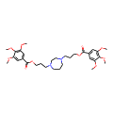 | COc1cc(C(=O)OCCCN2CCCN(CCCOC(=O)c3cc(OC)c(OC)c(OC)c3)CC2)cc(OC)c1OC | 0.67 | NCATS | 1479145 | 3074
Z2856434806 | 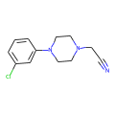 | N#CCN1CCN(c2cccc(Cl)c2)CC1 | 2742044 | 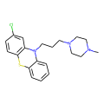 | CN1CCN(CCCN2c3ccccc3Sc3ccc(Cl)cc32)CC1 | 0.67 | NCATS | 1479145 | 5281032
Z2856434834 | 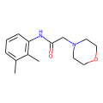 | Cc1cccc(NC(=O)CN2CCOCC2)c1C | 755358 | 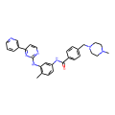 | Cc1ccc(NC(=O)c2ccc(CN3CCN(C)CC3)cc2)cc1Nc1nccc(-c2cccnc2)n1 | 0.66 | NCATS | 1479145 | 123596
Z2856434834 |  | Cc1cccc(NC(=O)CN2CCOCC2)c1C | 755358 |  | Cc1ccc(NC(=O)c2ccc(CN3CCN(C)CC3)cc2)cc1Nc1nccc(-c2cccnc2)n1 | 0.66 | NCATS | 1479148 | 123596
Z2856434834 |  | Cc1cccc(NC(=O)CN2CCOCC2)c1C | 755358 |  | Cc1ccc(NC(=O)c2ccc(CN3CCN(C)CC3)cc2)cc1Nc1nccc(-c2cccnc2)n1 | 0.66 | NCATS | 1494156 | 123596
Z2856434834 |  | Cc1cccc(NC(=O)CN2CCOCC2)c1C | 755358 |  | Cc1ccc(NC(=O)c2ccc(CN3CCN(C)CC3)cc2)cc1Nc1nccc(-c2cccnc2)n1 | 0.66 | NCATS | 1494157 | 123596
Z2017861827 | 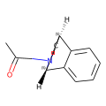 | CC(=O)N1C[C@H]2CC[C@H]1c1ccccc12 | 100750841 | 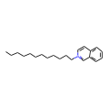 | CCCCCCCCCCCC[n+]1ccc2ccccc2c1 | 0.66 | NCATS | 1479144 | 21517
Z2017861827 |  | CC(=O)N1C[C@H]2CC[C@H]1c1ccccc12 | 100750841 |  | CCCCCCCCCCCC[n+]1ccc2ccccc2c1 | 0.66 | NCATS | 1479145 | 21517
Z2017861827 |  | CC(=O)N1C[C@H]2CC[C@H]1c1ccccc12 | 100750841 |  | CCCCCCCCCCCC[n+]1ccc2ccccc2c1 | 0.66 | NCATS | 1479148 | 21517
Z2017861827 |  | CC(=O)N1C[C@H]2CC[C@H]1c1ccccc12 | 100750841 |  | CCCCCCCCCCCC[n+]1ccc2ccccc2c1 | 0.66 | NCATS | 1479149 | 21517
Z2017861827 |  | CC(=O)N1C[C@H]2CC[C@H]1c1ccccc12 | 100750841 |  | CCCCCCCCCCCC[n+]1ccc2ccccc2c1 | 0.66 | NCATS | 1494156 | 21517
Z2017861827 |  | CC(=O)N1C[C@H]2CC[C@H]1c1ccccc12 | 100750841 |  | CCCCCCCCCCCC[n+]1ccc2ccccc2c1 | 0.66 | NCATS | 1494157 | 21517
Z2017861827 |  | CC(=O)N1C[C@H]2CC[C@H]1c1ccccc12 | 100750841 |  | CCCCCCCCCCCC[n+]1ccc2ccccc2c1 | 0.66 | NCATS | 1494158 | 21517
Z45515569 | 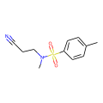 | Cc1ccc(S(=O)(=O)N(C)CCC#N)cc1 | 289656 |  | CN1CCN(CC/C=C2\c3ccccc3Sc3ccc(S(=O)(=O)N(C)C)cc32)CC1 | 0.66 | NCATS | 1479148 | 941650
Z45515569 |  | Cc1ccc(S(=O)(=O)N(C)CCC#N)cc1 | 289656 |  | CN1CCN(CC/C=C2\c3ccccc3Sc3ccc(S(=O)(=O)N(C)C)cc32)CC1 | 0.66 | NCATS | 1494157 | 941650
Z56791867 |  | CCN(CC)c1cc(C)nc2ncnn12 | 5531 |  | CCN1CCN(Cc2ccc(Nc3ncc(F)c(-c4cc(F)c5nc(C)n(C(C)C)c5c4)n3)nc2)CC1 | 0.66 | NCATS | 1479146 | 46220502
Z56791867 |  | CCN(CC)c1cc(C)nc2ncnn12 | 5531 |  | CCN1CCN(Cc2ccc(Nc3ncc(F)c(-c4cc(F)c5nc(C)n(C(C)C)c5c4)n3)nc2)CC1 | 0.66 | NCATS | 1479148 | 46220502
Z56791867 |  | CCN(CC)c1cc(C)nc2ncnn12 | 5531 |  | CCN1CCN(Cc2ccc(Nc3ncc(F)c(-c4cc(F)c5nc(C)n(C(C)C)c5c4)n3)nc2)CC1 | 0.66 | NCATS | 1494157 | 46220502
Z223388508 |  | CC(=O)N1CCC(c2c[nH]c3ccccc23)CC1 | 2728359 |  | O=c1[nH]c2ccccc2n1C1CCN(CCCC(c2ccc(F)cc2)c2ccc(F)cc2)CC1 | 0.66 | NCATS | 1479145 | 16362
Z2856434887 |  | Oc1ccccc1CN1CCOCC1 | 225458 |  | Cc1c(-c2ccc(O)cc2)n(Cc2ccc(OCCN3CCCCCC3)cc2)c2ccc(O)cc12 | 0.65 | NCATS | 1479149 | 154256
Z111782404 |  | CC(Oc1ccc(-c2ccccc2)cc1)C(=O)O | 101181 |  | Oc1cc(O)c(Oc2cc(O)cc(O)c2Oc2cc(O)cc(O)c2-c2c(O)cc(O)cc2O)c(O)c1 | 0.65 | Literature | 753298 | 44590821
Z2856434898 |  | c1ccc(CN2CCC(n3cccc3)CC2)cc1 | 2779264 |  | CN1CC[C@H](CN2c3ccccc3Sc3ccccc32)C1 | 0.65 | NCATS | 1494157 | 3246519
Z2856434836 |  | Cc1ccc(OCC(=O)N2CCN(C)CC2)cc1 | 880785 |  | CC(=O)N1CCN(c2ccc(OC[C@H]3CO[C@](Cn4ccnc4)(c4ccc(Cl)cc4Cl)O3)cc2)CC1 | 0.65 | NCATS | 1479149 | 456201
Z2856434836 |  | Cc1ccc(OCC(=O)N2CCN(C)CC2)cc1 | 880785 |  | CC(=O)N1CCN(c2ccc(OC[C@H]3CO[C@](Cn4ccnc4)(c4ccc(Cl)cc4Cl)O3)cc2)CC1 | 0.65 | NCATS | 1494156 | 456201
Z2856434836 |  | Cc1ccc(OCC(=O)N2CCN(C)CC2)cc1 | 880785 |  | CC(=O)N1CCN(c2ccc(OC[C@H]3CO[C@](Cn4ccnc4)(c4ccc(Cl)cc4Cl)O3)cc2)CC1 | 0.65 | NCATS | 1494157 | 456201
Z2856434836 |  | Cc1ccc(OCC(=O)N2CCN(C)CC2)cc1 | 880785 |  | CC(=O)N1CCN(c2ccc(OC[C@H]3CO[C@](Cn4ccnc4)(c4ccc(Cl)cc4Cl)O3)cc2)CC1 | 0.65 | NCATS | 1494158 | 456201
Z2856434836 |  | Cc1ccc(OCC(=O)N2CCN(C)CC2)cc1 | 880785 |  | COc1cc(Nc2c(C#N)cnc3cc(OCCCN4CCN(C)CC4)c(OC)cc23)c(Cl)cc1Cl | 0.65 | NCATS | 1479147 | 46780884

