knime_check
Column0 | Compounds | IGlue_compound | Tanimoto | Reference | Column0 (right) | Compound | Protacs_compound
2455 | ProtacPd 260 382.251 | 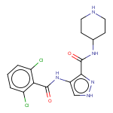 | 1 | Row120 | 120 | AT7519 | 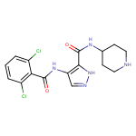

knime_check_warheads
Column0 | Warhead | IGlue_compound | Tanimoto | Reference | Column0 (right) | Compound | warheads_compound
50 | imatinib | 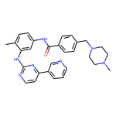 | 1 | Row4 | 4 | Imatinib Mesylate (STI571) | 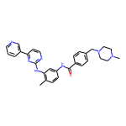
103 | rapamycin | 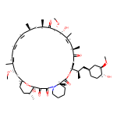 | 1 | Row5 | 5 | Rapamycin (Sirolimus) | 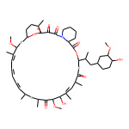
35 | lapatinib | 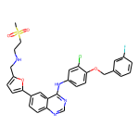 | 1 | Row15 | 15 | Lapatinib (GW-572016) Ditosylate | 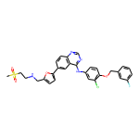
30 | Palbociclib | 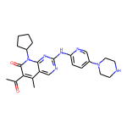 | 1 | Row21 | 21 | Palbociclib (PD-0332991) HCl | 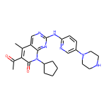
265 | Canertinib | 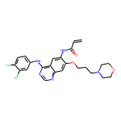 | 1 | Row25 | 25 | Canertinib (CI-1033) | 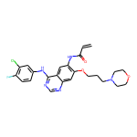
156 | Sunitinib | 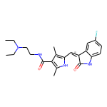 | 1 | Row27 | 27 | Sunitinib Malate | 
91 | SNS-032 | 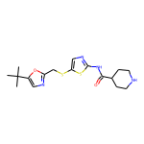 | 1 | Row34 | 34 | SNS-032 (BMS-387032)
260 | MK-2206 | 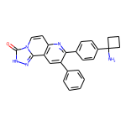 | 1 | Row40 | 40 | MK-2206 2HCl | 
64 | TAE684 | 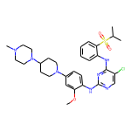 | 1 | Row42 | 42 | TAE684 (NVP-TAE684) | 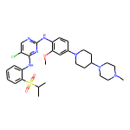
45 | dasatinib | 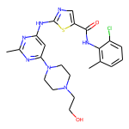 | 1 | Row48 | 48 | Dasatinib | 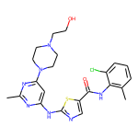
95 | BI2536 | 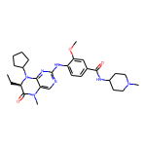 | 1 | Row54 | 54 | BI 2536 | 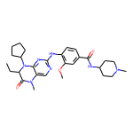
219 | Linifanib | 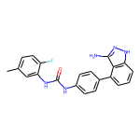 | 1 | Row59 | 59 | Linifanib (ABT-869) | 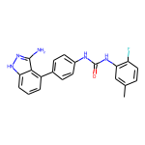
38 | foretinib | 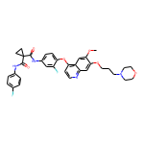 | 1 | Row66 | 66 | Foretinib (GSK1363089) | 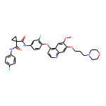
37 | afatinib | 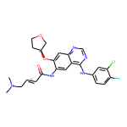 | 1 | Row68 | 68 | Afatinib (BIBW2992) | 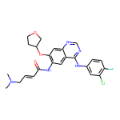
118 | PD0325901 | 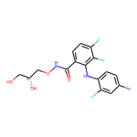 | 1 | Row73 | 73 | PD0325901 | 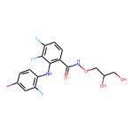
155 | PHA665752 | 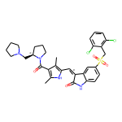 | 1 | Row75 | 75 | PHA-665752 | 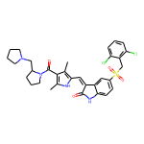
44 | bosutinib | 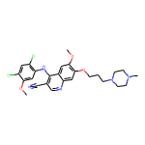 | 1 | Row80 | 80 | Bosutinib (SKI-606) | 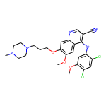
36 | gefitinib | 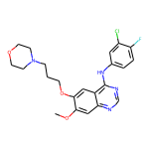 | 1 | Row83 | 83 | Gefitinib (ZD1839) | 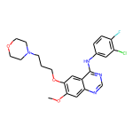
43 | ZSTK474 | 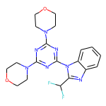 | 1 | Row86 | 86 | ZSTK474 | 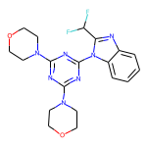
233 | Alisertib | 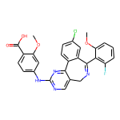 | 1 | Row90 | 90 | Alisertib (MLN8237) | 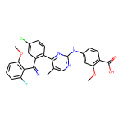
238 | JNJ-7706621 | 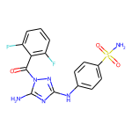 | 1 | Row116 | 116 | JNJ-7706621 | 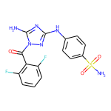
67 | AT-7519 | 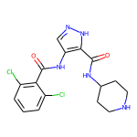 | 1 | Row120 | 120 | AT7519 | 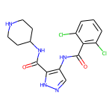
34 | Quizartinib | 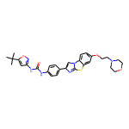 | 1 | Row131 | 131 | Quizartinib (AC220) | 
115 | vemurafenib | 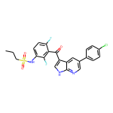 | 1 | Row149 | 149 | Vemurafenib (PLX4032, RG7204) | 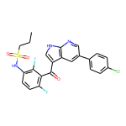
190 | Ponatinib | 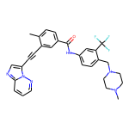 | 1 | Row163 | 163 | Ponatinib (AP24534) | 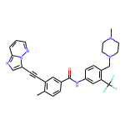
154 | Ibrutinib | 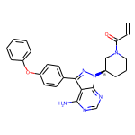 | 1 | Row185 | 185 | Ibrutinib (PCI-32765) | 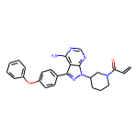
192 | PH-797804 |  | 1 | Row187 | 187 | PH-797804 | 
199 | Dabrafenib |  | 1 | Row214 | 214 | Dabrafenib (GSK2118436) | 
100 | GDC-0068 |  | 1 | Row225 | 225 | GDC-0068 | 
50 | imatinib |  | 1 | Row226 | 226 | Imatinib (STI571)
217 | AZ628 |  | 1 | Row232 | 232 | AZ 628 | 
210 | Rebastinib |  | 1 | Row238 | 238 | DCC-2036 (Rebastinib) | 
173 | PF-562271 |  | 1 | Row239 | 239 | PF-00562271 | 
264 | Alectinib |  | 1 | Row244 | 244 | Alectinib (CH5424802) | 
221 | TG101209 |  | 1 | Row262 | 262 | TG101209 | 
222 | Dinaciclib |  | 1 | Row266 | 266 | Dinaciclib (SCH727965) | 
31 | Spebrutinib |  | 1 | Row276 | 276 | AVL-292 | 
254 | GNF-2 |  | 1 | Row304 | 304 | GNF-2 | 
146 | PP2 |  | 1 | Row317 | 317 | PP2 | 
27 | Ceritinib |  | 1 | Row329 | 329 | LDK378 | 
173 | PF-562271 |  | 1 | Row336 | 336 | PF-562271
51 | Abemaciclib |  | 1 | Row341 | 341 | LY2835219 | 

