Sheet1
https://courses.lumenlearning.com/suny-physics/chapter/10-7-gyroscopic-effects-vector-aspects-of-angular-momentum/#:~:text=These%20forces%20create%20a%20horizontal,%CE%94L%20that%20is%20also%20horizontal.
https://www.oxts.com/blog/going-round-circles-earth-rotation-inertial-navigation/#:~:text=The%20spin%20of%20the%20earth,and%20the%20associated%20E%C3%B6tv%C3%B6s%20effect
https://www.usni.org/magazines/proceedings/1933/january/principles-gyrocompass#:~:text=To%20do%20this%20we%20must,horizontal%2C%20and%20toward%20the%20meridian.
https://openstax.org/books/college-physics/pages/1-introduction-to-science-and-the-realm-of-physics-physical-quantities-and-units
https://en.wikipedia.org/wiki/Precession#:~:text=than%20this%2C%20however.-,Relativistic%20(Einsteinian),near%20a%20large%20rotating%20mass.
https://pressbooks.online.ucf.edu/osuniversityphysics/chapter/11-3-precession-of-a-gyroscope/#:~:text=The%20precessional%20angular%20velocity%20is%20given%20by%20%CF%89P%3Dr,frequency%20of%20the%20gyroscope%20disk.
https://www.youtube.com/watch?v=ty9QSiVC2g0
https://www.comsol.com/model/modeling-gyroscopic-effect-15007

kg⋅m²/s² = N⋅m

Torque | τ = dL/dt | kg⋅m²/s²
Moment of Inertia (I) |  | kg⋅m²
Angular Velocity (ω) |  | rad/s
Angular Momentum (L = Iω) |  | kg⋅m²/s

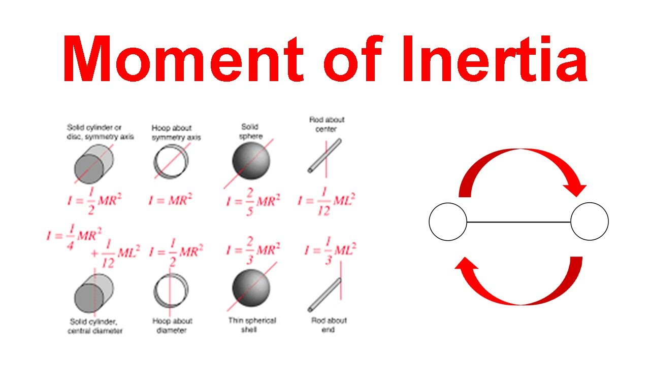
The context of gyroscope considerations applies when a rigid body has a rotating motion.
Various situations might happen, including the special case of a rotating wheel or rotating body, under the application of external forces and torques.
Passing on justifications and explanations, the sources above admit the involvment of a quantity called moment of Inertia (A specific calculation that measures how difficult it is to rotate an object around a given axis, depending on the mass distribution and distance from the axis), Inertia (A general property of all matter describing its resistance to changes in motion), that depend on mass and geometry.

1. Basic rotation | Basic modeling

 | Angular Velocity (ω) |  | rad/s | 1 | rev/min | rad/sec | (I) kg⋅m² | (L = Iω) kg⋅m²/s
 | Moment of Inertia (I) |  | kg⋅m² | 0.016666666667 | rev/sec | 0.10471975512 | 0.5 | 0.05235987756
 | Angular Momentum (L = Iω) |  | kg⋅m²/s | 1 | rev/sec | 6.2831853072 | 0.5 | 3.1415926536
 |  |  |  | 10 | rev/sec | 62.831853072 | 0.5 | 31.415926536
 | Hoop (M=1kg, R=1m) about symmetry axis |  |  | 100 | rev/sec | 628.31853072 | 0.5 | 314.15926536
 | I = 0.5 x M x R^2

