Sheet1
1 | https://courses.lumenlearning.com/suny-physics/chapter/10-7-gyroscopic-effects-vector-aspects-of-angular-momentum/#:~:text=These%20forces%20create%20a%20horizontal,%CE%94L%20that%20is%20also%20horizontal.
2 | https://www.oxts.com/blog/going-round-circles-earth-rotation-inertial-navigation/#:~:text=The%20spin%20of%20the%20earth,and%20the%20associated%20E%C3%B6tv%C3%B6s%20effect
3 | https://www.usni.org/magazines/proceedings/1933/january/principles-gyrocompass#:~:text=To%20do%20this%20we%20must,horizontal%2C%20and%20toward%20the%20meridian.
4 | https://openstax.org/books/college-physics/pages/1-introduction-to-science-and-the-realm-of-physics-physical-quantities-and-units
5 | https://en.wikipedia.org/wiki/Precession#:~:text=than%20this%2C%20however.-,Relativistic%20(Einsteinian),near%20a%20large%20rotating%20mass.
6 | https://pressbooks.online.ucf.edu/osuniversityphysics/chapter/11-3-precession-of-a-gyroscope/#:~:text=The%20precessional%20angular%20velocity%20is%20given%20by%20%CF%89P%3Dr,frequency%20of%20the%20gyroscope%20disk.
7 | https://www.youtube.com/watch?v=ty9QSiVC2g0
8 | https://www.comsol.com/model/modeling-gyroscopic-effect-15007
9 | https://en.wikipedia.org/wiki/Euler_angles

kg⋅m²/s² = N⋅m

Torque | τ = dL/dt |  | kg⋅m²/s²
 |  |  |  |  | i, j, k |  |  | i x j = k | j x k = i | k x i = j
Torque (moment of a force) | r x F |  | kg⋅m²/s² |  | r , F , τ |  |  | r x F = τ
Moment of Inertia (I) |  |  | kg⋅m²
Angular Velocity (ω) |  |  | rad/s
Angular Momentum (L = Iω) | r x m v |  | kg⋅m²/s
Linear momentum (p = m v) |  |  | kg⋅m/s

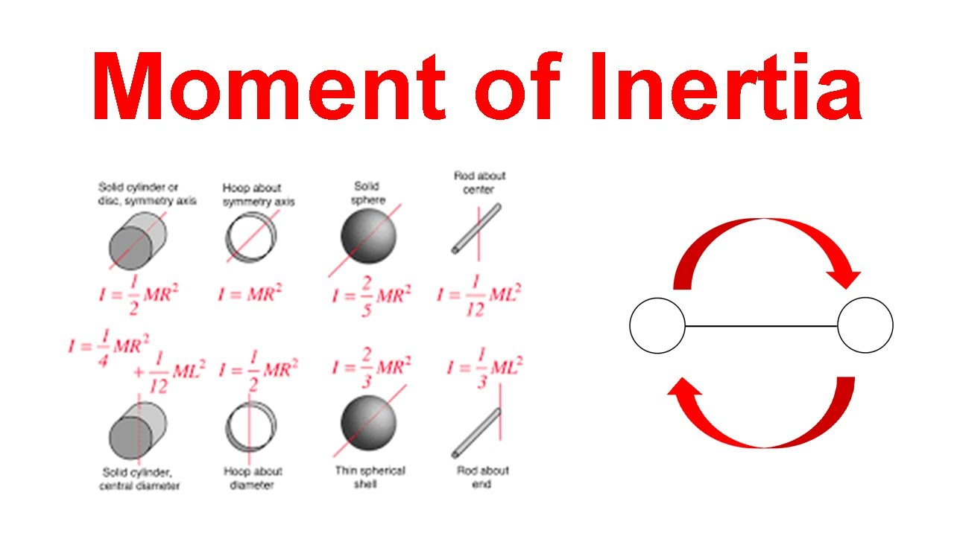

The context of gyroscope considerations applies when a rigid body has a rotating motion.
Various situations might happen, including the special case of a rotating wheel or rotating body, under the application of external forces and torques.
Passing on justifications and explanations, the sources above admit the involvment of a quantity called moment of Inertia (A specific calculation that measures how difficult it is to rotate an object around a given axis, depending on the mass distribution and distance from the axis), Inertia (A general property of all matter describing its resistance to changes in motion), that depend on mass and geometry.

1. Basic rotation

Basic modeling | Angular Velocity (ω) |  |  | rad/s |  |  | 1 | rev/min |  | rad/sec | (I) kg⋅m² | (L = Iω) kg⋅m²/s
 | Moment of Inertia (I) |  |  | kg⋅m² |  |  | 0.016666666667 | rev/sec |  | 0.10471975512 | 1 | 0.10471975512
 | Angular Momentum (L = Iω) |  |  | kg⋅m²/s |  |  | 1 | rev/sec |  | 6.2831853072 | 1 | 6.2831853072
 |  |  |  |  |  |  | 10 | rev/sec |  | 62.831853072 | 1 | 62.831853072
 | Hoop (M=1kg, R=1m) about symmetry axis |  |  |  |  |  | 100 | rev/sec |  | 628.31853072 | 1 | 628.31853072
 | I = M x R^2

Representation

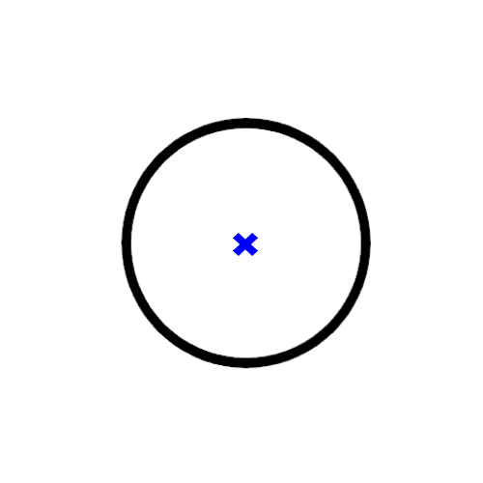
A circle is usually relevant to illustrate the concept of rotation. That makes think to a wheel (that usually rotates). One can imagine that the circle rotates, though. An additional information is very often the center of rotation (in fact, the center of the circle if it represents a simplified rotating wheel). |  |  |  |  |  |  |  |  | a 2D sketch representing a rotating wheel
A first sketch shows a top view of a rotating circle (wheel), a blue cross highlights the center of the circle.
The pro of this representation is its simplicity, but lacks some information about its motion.
The sources above explain how to illustrate a rotating body, mainly the use of the right hand rule gives some direction how to represent the rotating body. This implies the use of arrows, called vectors, that allow to represent a set of informations: 1. a point of application, where the arrows starts, 2. a direction 3. a sense (a direction of direction) The arrows are very useful to figure characteristics of rotation motions. So, on the sketch above, let's switch the blue cross to an arrow to 1. highlight the center of rotation (where the arrows starts), 2. the position of the axis (here, perpendicular to the page), 3. the sense of rotation (say, if the arrow points toward the reader of this spreadsheet, the circle rotates counter-clockwise). |  |  |  |  |  |  |  |  | 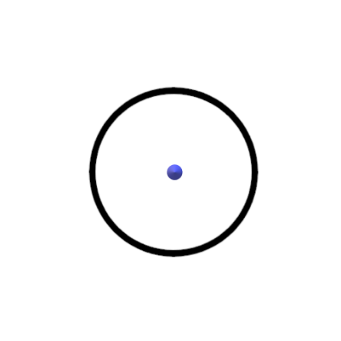 |  |  |  | a 2D sketch representing a rotating wheel (an arrow pointing the user gives information about the counter-clockwise rotation)
Because the concept of rotation uses the idea of rotation axis, representing a rotating body is more meaningful with a perspective effect (3D). This highlights a plane of rotation and the axis perpendicular to the plane
The file "rotating circle.glb" (same directory in the repository) handles the figure in 3D.

How to represent the angular momentum?
Since, the angular momentum is proportional to the angular velocity, it is represented by an arrow having the same properties, but, a different norm (length) (L = Iω).
 |  |  |  |  |  |  |  |  |  |  |  | a 3D sketch representing a rotating wheel (an arrow gives information about the motion -right hand rule-)
 |  | a 3D sketch representing a rotating doughnut (a blue arrow gives information about the motion -right hand rule-, axis of rotation and direction)

2. System of reference

A video mentioned in the sources illustrates the notion of variation of angular momentum. This variation can be in magnitude or in direction or both. For a given body, the variation in angular momentum is due to the variation in angular velocity. The notion of impulse is also useful and lies behind what it is seen in the video (in which an operator applies a torque to a wheel to give -or impulse- a rotating motion). At the end of the impulse step, the wheel achieves a state of constant angular velocity (in direction and norm) applied to the system consisting of a rotating wheel.

3. 3D representation of the rotating system

In bullet 1., even if a rotating object can be described simply algebraically, it is 3D in reality. Consequently, it is also convenient to use a space frame of representation and related 3D coordinates (for example, X, Y, Z). Meaning that the rotation attributes are also 3D (for instance, Tx, Ty, Tz, or Om_x, Om_y, Om_z for a torque, and an angular velocity).

Rewriting the simple basic rotation of a wheel , for any point of the wheel M(R,0,0), in the 3D reference frame for an observer located at the center of rotation (0,0,0), rotating at a constant angular velocity Om, in the galilean referential

 |  | cos Om t | sin Om t | 0 |  | 1 |  |  |  | cos Om t
 |  | -sin Om t | cos Om t | 0 |  | 0 |  | = |  | -sin Om t
 |  | 0 | 0 | 1 |  | 0 |  |  |  | 0

 |  | cos Om t | sin Om t | 0 |  | R |  |  |  | R x cos Om t |  |  | R x cos Om t
 | or | -sin Om t | cos Om t | 0 |  | 0 |  | = |  | -R x sin Om t |  | OM | -R x sin Om t
 |  | 0 | 0 | 1 |  | 0 |  |  |  | 0 |  |  | 0

 | with an angular velocity vector Om |  |  |  | 0 |  |  |  | also | OM x Om | 0 | for any | R |  | a hoop of mass M and radius R has an inertia |  |  |  |  | Ixx | -Ixy | -Ixz |  | for any moment of inertia of axial symmetry i about any j axis of rotation (https://ocw.mit.edu/courses/16-07-dynamics-fall-2009/dd277ec654440f4c2b5b07d6c286c3fd_MIT16_07F09_Lec26.pdf)
 |  |  |  |  | 0 |  | (om=ω) |  |  |  | Om x R |  | 0 |  |  |  |  |  |  | -Iyx | Iyy | -Iyz |  | For example, Izz = M R², and transverse moments 0.5 M R² ( I_ij = -0.5 M R²)
 |  |  |  |  | Om |  |  |  |  |  | 0 |  | 0 |  |  |  |  |  |  | -Izx | -Izy | Izz

 | or | L = I Om |  | Ix | 0 | 0 |  | 0 |  |  |  | 0 |  |  |  | 0 |  | about the principal axes of the hoop
 |  |  |  | 0 | Iy | 0 |  | 0 |  | = |  | 0 |  | = |  | 0 |  | I | moments of inertia matrix, moments of inertia tensor
 |  |  |  | 0 | 0 | Iz |  | Om |  |  |  | Iz |  |  |  | M R²

 |  |  | 0 |  |  | 0 |  |  | R |  |  | R x cos Om t
 |  | L | 0 |  | Om | 0 |  | OM | 0 | rotates to | OM | -R x sin Om t
 |  |  | M R² |  |  | Om |  |  | 0 |  |  | 0

4. How to find the north with a rotating device?

To East at 7.27 10^-5 rad/s
Suppose, an observer like us or a seaman, at the surface of the earth, wants to find the axis of rotation of the earth (we bet here that everybody knows that the Earth rotates about its own axis).
In the frame of reference of the rotating Earth, everything and everyone rotates, at the same angular velocity (7.27 10^-5 rad/s). An airplane, which has no friction, no connection, with the earth does not rotate with this frame of reference. In fact, an object with no link with the Earth, does not rotate with the Earth and stays in the same position. So, relative to the rotating Earth, with no connection or no way to give motion, an object stays with no motion.
Perhaps, a device with no connection with the Earth stays in the same position. Or, a device with a very simple connection, perhaps perfect, that allows to carry the device with no friction to avoid transferring motion, like an axis with no friction would see the device motionless for an observer on the Earth.
Also, a device in connection with the rotating Earth for a while, will get -acquire- the angular velocity of the Earth, but, once disconnected will keep the same angular velocity, because of its inertia.

To East at 7.27 10^-5 rad/s

 |  |  |  |  |  | (1) |  |  |  |  |  |  | (2)
 |  |  |  |  |  | Earth seen from the North top view |  |  |  |  |  |  | The compass rotates relative to a motionless Earth (an observer rotates with the Earth)
 |  |  |  |  |  | The motionless compass does not change in position

5. Euler angles
Here, I want to compare, so-called Euler angles (see wikipedia article, ref 9 above) to this online: |  |  |  | https://demonstrations.wolfram.com/Gyroscope/
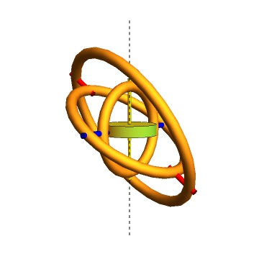
 | Illustration of a gyroscope with three gimbals able to rotate about their second symmetry axis.
 | The disc can spin about its main axis.
 | The spinning angles are called spin 1, spin 2 and spin 3 in this webpage.

 | The ref 9 proposes definitions for attitude angles, euler angles: α, β, γ, or ψ, θ, φ or Yaw, Pitch, Roll

 | In this gyroscope demonstration, the third gimbal (inner) relates to the roll (spin 3), the second gimbal relates to the pitch (spin 2), the outer gimbal relates to the yaw (spin1).

6. Gyroscope models
Here another online:
https://iwant2study.org/lookangejss/02_newtonianmechanics_10rotationalmotion/ejss_model_gyroscope/
Illustrating the gyro with different assumptions and effects (Precession and Nutation). |  |  |  | https://en.wikipedia.org/wiki/Nutation |  |  |  |  |  |  |  |  |  | Code and settings:
How to compare with? |  |  |  |  |  |  |  |  |  |  |  |  |  | https://sg.iwant2study.org/ospsg/index.php/interactive-resources/physics/02-newtonian-mechanics/10-rotational-motion/823-gyroscope
https://www.youtube.com/watch?v=XHGKIzCcVa0
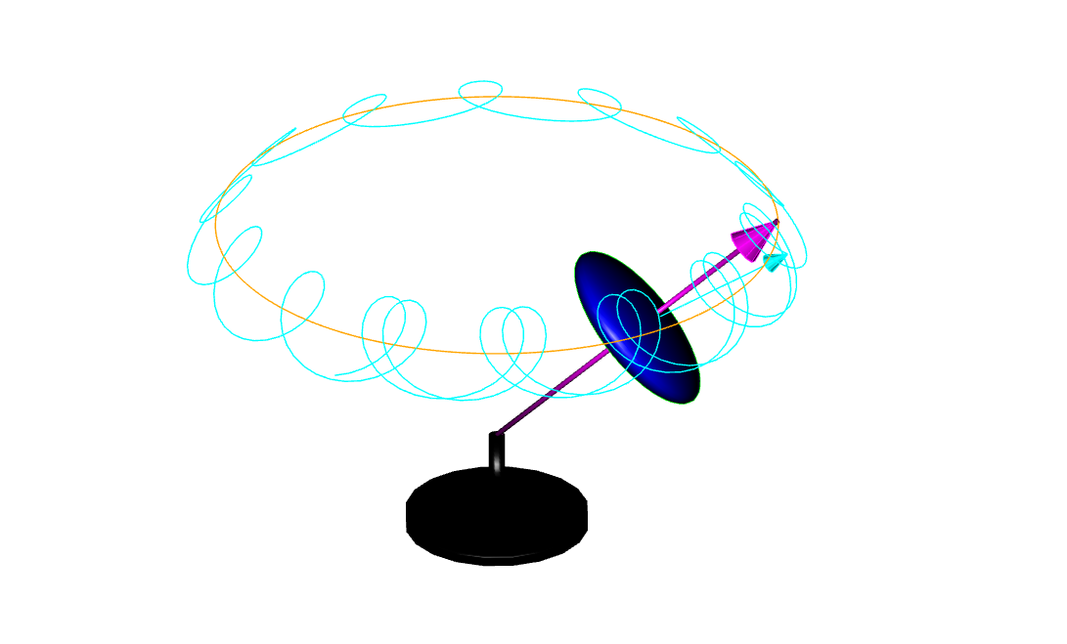

Additional conceptual code, here:
https://codesandbox.io/p/sandbox/gyroscope-zs6qwm?file=%2Fsrc%2FAccelerometer.js

7. The resistant Gyroscope
Summary: |  |  |  |  |  |  |  |  |  |  |  |  |  |  |  |  |  |  |  |  |  |  |  |  |  |  | Torque (moment of a force)
in bullet 4, we have an initial idea that a rotating device could allow to point to a desired direction, either because it is calibrated in geometry and operating conditions or because it is isolated from external constraints |  |  |  |  |  |  |  |  |  |  |  |  |  |  |  |  |  |  |  |  |  |  |  |  |  |  | kg⋅m²/s² | r x F
in bullet 5 and 6, we have elements of modeling that can help to describe an operating gyroscope
At this point, it is not clear if the spinning device has to be initially setup to certain operating conditions and constraints. We may think that it could mimic or model an Earth (https://en.wikipedia.org/wiki/File:AxialTiltObliquity.png). |  |  |  |  |  |  |  |  |  |  |  |  |  |  |  |  |  |  |  |  |  |  |  |  |  |  | r | r sin(θ) |  | F = m g | 0 |  | r x F | 0
One of the issue is that the spinning Earth is subject to a cosmic torque caused by the combined action of gravity forces of other celestial bodies (mainly the Sun and the Moon). A reason why the spinning Earth precesses. |  |  |  |  |  |  |  |  |  |  |  |  |  |  |  |  |  |  |  |  |  |  |  |  |  |  | [m] | 0 |  | [N] | 0 |  |  | m g r sin(θ)
New facts: |  |  |  |  |  |  |  |  |  |  |  |  |  |  |  |  |  |  |  |  |  |  |  |  |  |  |  | r cos(θ) |  |  | - m g |  |  | 0
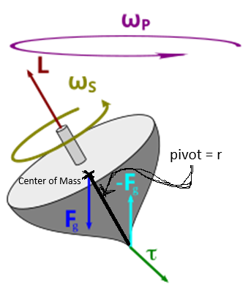
 | Here is a sketch of a spinning body, subject to the moment of the gravity, a cause of its own precession.
 | The torque caused by the two opposing forces Fg and −Fg causes a change in the angular momentum L in the direction of that torque. This causes the top to precess. |  |  |  |  |  |  |  |  |  |  |  |  |  |  |  |  |  |  |  |  |  |  |  |  |  | d L = τ dt |  | 0 |  | d L = L sin(θ) sin (d f ) = L sin(θ) d f
 |  |  |  |  |  |  |  |  |  |  |  |  |  |  |  |  |  |  |  |  |  |  |  |  |  |  |  |  | m g r sin(θ) dt |  | m g r sin(θ) dt = L sin(θ) d f
 | torque free or torque neglected |  |  |  |  |  |  |  |  |  |  |  |  |  |  | torque induced |  |  |  |  |  |  |  |  |  |  |  |  | 0 |  | ωp ?
 | body=disc |  |  |  |  |  |  |  | body=sphere |  |  |  |  |  |  |  |  |  |  |  |  |  |  |  |  |  |  |  |  |  | ωp = m g r /L = m g r / Is / ω
 | main symmetry axis inertia |  |  |  | Is = 0.5 x M x R^2 |  |  |  | main symmetry axis inertia |  |  |  | Is = 2/5 x M x R^2
 | perpendicular symmetry axes inertia |  |  |  | Ip = 0.25 x M x R^2 + 1/12 M x H^2 |  |  |  | perpendicular symmetry axes inertia |  |  |  | Ip = 2/5 x M x R^2 |  |  |  |  |  |  |  |  |  |  |  |  |  | hint: torque free precession derivation
 | tilt angle (α) |  |  |  |  |  |  |  |  |  |  |  |  |  |  | tilt angle (α) |  |  |  |  |  |  | r | m | 0.05 |  | https://www.google.com/search?q=derivation+of+precession+rate+with+no+torque&sca_esv=b07fa04fa9278463&rlz=1C1CHBD_enUS1144US1144&ei=nrGCZ-2VDtmm5NoPjbe-iQk&ved=0ahUKEwjt3PLVn-6KAxVZE1kFHY2bL5EQ4dUDCBA&uact=5&oq=derivation+of+precession+rate+with+no+torque&gs_lp=Egxnd3Mtd2l6LXNlcnAiLGRlcml2YXRpb24gb2YgcHJlY2Vzc2lvbiByYXRlIHdpdGggbm8gdG9ycXVlMgUQIRigATIFECEYoAEyBRAhGKABMgUQIRifBTIFECEYnwVI7WVQ5whYlE9wAngBkAEAmAFZoAHfCaoBAjIwuAEDyAEA-AEBmAIWoAK1CsICChAAGLADGNYEGEfCAgUQIRirAsICBxAhGKABGAqYAwCIBgGQBgiSBwIyMqAHkZAB&sclient=gws-wiz-serp&safe=active&ssui=on
 | Precession rate |  | ωp | = (Is/Ip/cos(α)) x ωs |  |  |  | Is | kg⋅m² | 3.75E-04 |  |  |  |  |  | Precession rate |  | ωp | = m x g x r /Is/sin(θ) / ωs |  |  |  | mg | kg⋅m/s² | 3
 | Spinning speed |  | ωs | 62.831853072 | rad/s |  |  | Ip | kg⋅m² | 3.75E-04 |  |  |  |  |  | Spinning speed |  | ωs | 125.66370614 | rad/s |  |  | Is | kg⋅m² | 3.75E-04
 |  |  | ωp | 63.801135683 | rad/s |  |  | cos(α) | 0.1745329252 | 0.98480775301 |  |  |  |  |  |  |  | ωp | 3.18E+00 | rad/s |  |  | sin(θ) | 0.1745329252 | 0.17364817767
 |  |  |  |  |  |  |  | 10 rev/s | 10 | 62.831853072 |  |  |  |  |  |  |  |  |  |  |  |  | 10 rev/s | 20 | 125.66370614
 |  |  |  |  |  |  |  | (α)=(moment of inertia, axis of symmetry) |  |  |  |  |  |  |  |  |  |  |  |  |  |  | (θ)=(spinning axis, precession axis)
 |  |  |  |  |  |  |  |  |  |  |  |  |  |  |  |  |  |  |  |  |  |  | τ = dL/dt | kg⋅m²/s² | 0.02604722665
Here below, is a frame by frame view of a spinning disc rotating counter-clockwise on its main axis (1), subject to an angular momentum on a input axis (counterclockwise, green), for instance caused by a torque applied to the spinning axis, resulting to a resistant angular momentum on a output axis (blue) (2), subject to an angular momentum clockwise applied as an input on the green axis, resulting in a reaction on the blue axis (also clockwise).
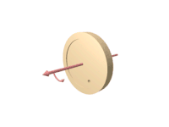
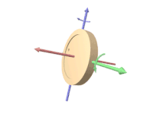
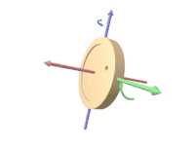

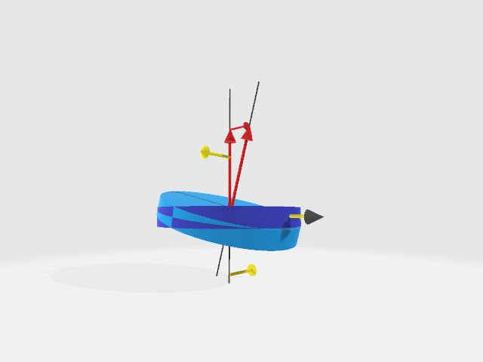
Thus, above the rotating disc subject to the torque as shown on the green axis (input), will tilt in the same plane (spinning axis, green axis) causing a rotation about the blue axis (output)
Below is the illustration of a so-called "counter-intuitive" effect of a torque applied to a rotating rigid body: (1) left, a non-rotating disc on its axis, will tilt in the plane of the applied forces -yellow arrows- (causing the torque); (2) right, the rotating disc, subject to a torque will tilt in the plane of the applied torque (arrow with gray head)
 |  |  |  |  |  |  |  |  |  |  |  |  | The 3D model is in the directory, and can be open with a glb viewer or online (https://gltf-viewer.donmccurdy.com/)
 |  |  |  |  |  |  |  |  |  |  |  |  |  | model | https://github.com/Frederic-jyrg/ouitoo/blob/main/info-plotting/gyro/rotating%20disc%20full.glb
 |  |  |  |  |  |  |  |  |  |  |  |  |  | viewer | https://gltf-viewer.donmccurdy.com/

Here below, is a conceptual sketch showing how a rotating disc is subject to a torque caused by the spinning Earth; an improvement of this sketch has to use gimbals (allowing the disc to position according to the applied torque).
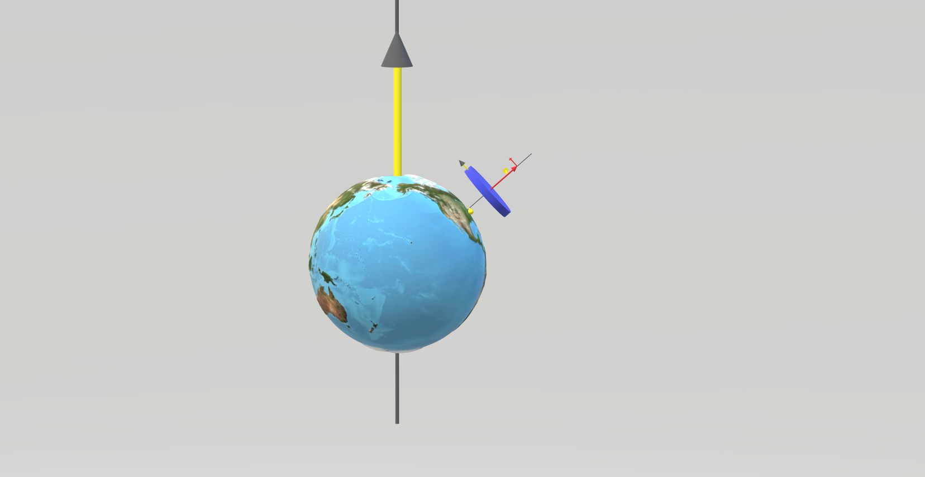

8. The eight shape
Here is a 8 shape described by a user handling a mobile device for the calibration of attitude angles.
The 8 shape figure describes a sequence of locations of a user right hand in the user's front view, handling a mobile phone. |  |  |  |  |  |  | A user describes a circle with one's right hand [Deg] ------> |  |  |  |  |  |  |  |  |  | 0 | 5 | 10 | 15 | 20 | 25 | 30 | 35 | 40 | 45 | 50 | 55 | 60 | 65 | 70 | 75 | 80 | 85 | 90 | 95 | 100 | 105 | 110 | 115 | 120 | 125 | 130 | 135 | 140 | 145 | 150 | 155 | 160 | 165 | 170 | 175 | 180 | 185 | 190 | 195 | 200 | 205 | 210 | 215 | 220 | 225 | 230 | 235 | 240 | 245 | 250 | 255 | 260 | 265 | 270 | 275 | 280 | 285 | 290 | 295 | 300 | 305 | 310 | 315 | 320 | 325 | 330 | 335 | 340 | 345 | 350 | 355 | 360
 |  |  |  |  |  |  | model: inversion of the Y component while the Y component accounts for two times the X component ---------> |  |  |  |  |  |  |  |  |  | 1 | 1 | 1 | 1 | 1 | 1 | 1 | 1 | 1 | 1 | 1 | 1 | 1 | 1 | 1 | 1 | 1 | 1 | 1 | 1 | 1 | 1 | 1 | 1 | 1 | 1 | 1 | 1 | 1 | 1 | 1 | 1 | 1 | 1 | 1 | 1 | 1 | 1 | 1 | 1 | 1 | 1 | 1 | 1 | 1 | 1 | 1 | 1 | 1 | 1 | 1 | 1 | 1 | 1 | 1 | 1 | 1 | 1 | 1 | 1 | 1 | 1 | 1 | 1 | 1 | 1 | 1 | 1 | 1 | 1 | 1 | 1 | 1
 |  |  |  |  |  |  |  |  |  |  |  |  |  |  |  | -----------> | 2 | 2 | 2 | 2 | 2 | 2 | 2 | 2 | 2 | 2 | 2 | 2 | 2 | 2 | 2 | 2 | 2 | 2 | 2 | 2 | 2 | 2 | 2 | 2 | 2 | 2 | 2 | 2 | 2 | 2 | 2 | 2 | 2 | 2 | 2 | 2 | 2 | 2 | 2 | 2 | 2 | 2 | 2 | 2 | 2 | 2 | 2 | 2 | 2 | 2 | 2 | 2 | 2 | 2 | 2 | 2 | 2 | 2 | 2 | 2 | 2 | 2 | 2 | 2 | 2 | 2 | 2 | 2 | 2 | 2 | 2 | 2 | 2 | 2

 |  |  |  |  |  |  | horizontal -------------------------------------------------> |  |  |  |  |  |  |  |  |  | 1 | 0.99619469809 | 0.98480775301 | 0.96592582629 | 0.93969262079 | 0.90630778704 | 0.86602540378 | 0.81915204429 | 0.76604444312 | 0.70710678119 | 0.64278760969 | 0.57357643635 | 0.5 | 0.42261826174 | 0.34202014333 | 0.2588190451 | 0.17364817767 | 0.087155742748 | 6.1257422745E-17 | -0.087155742748 | -0.17364817767 | -0.2588190451 | -0.34202014333 | -0.42261826174 | -0.5 | -0.57357643635 | -0.64278760969 | -0.70710678119 | -0.76604444312 | -0.81915204429 | -0.86602540378 | -0.90630778704 | -0.93969262079 | -0.96592582629 | -0.98480775301 | -0.99619469809 | -1 | -0.99619469809 | -0.98480775301 | -0.96592582629 | -0.93969262079 | -0.90630778704 | -0.86602540378 | -0.81915204429 | -0.76604444312 | -0.70710678119 | -0.64278760969 | -0.57357643635 | -0.5 | -0.42261826174 | -0.34202014333 | -0.2588190451 | -0.17364817767 | -0.087155742748 | -1.8377226824E-16 | 0.087155742748 | 0.17364817767 | 0.2588190451 | 0.34202014333 | 0.42261826174 | 0.5 | 0.57357643635 | 0.64278760969 | 0.70710678119 | 0.76604444312 | 0.81915204429 | 0.86602540378 | 0.90630778704 | 0.93969262079 | 0.96592582629 | 0.98480775301 | 0.99619469809 | 1
 |  |  |  |  |  |  | vertical ---------------------------------------------> |  |  |  |  |  |  |  |  |  | 0 | 0.17364817767 | 0.34202014333 | 0.5 | 0.64278760969 | 0.76604444312 | 0.86602540378 | 0.93969262079 | 0.98480775301 | 1 | 0.98480775301 | 0.93969262079 | 0.86602540378 | 0.76604444312 | 0.64278760969 | 0.5 | 0.34202014333 | 0.17364817767 | 1.2251484549E-16 | -0.17364817767 | -0.34202014333 | -0.5 | -0.64278760969 | -0.76604444312 | -0.86602540378 | -0.93969262079 | -0.98480775301 | -1 | -0.98480775301 | -0.93969262079 | -0.86602540378 | -0.76604444312 | -0.64278760969 | -0.5 | -0.34202014333 | -0.17364817767 | -2.4502969098E-16 | 0.17364817767 | 0.34202014333 | 0.5 | 0.64278760969 | 0.76604444312 | 0.86602540378 | 0.93969262079 | 0.98480775301 | 1 | 0.98480775301 | 0.93969262079 | 0.86602540378 | 0.76604444312 | 0.64278760969 | 0.5 | 0.34202014333 | 0.17364817767 | 3.6754453647E-16 | -0.17364817767 | -0.34202014333 | -0.5 | -0.64278760969 | -0.76604444312 | -0.86602540378 | -0.93969262079 | -0.98480775301 | -1 | -0.98480775301 | -0.93969262079 | -0.86602540378 | -0.76604444312 | -0.64278760969 | -0.5 | -0.34202014333 | -0.17364817767 | -4.9005938196E-16

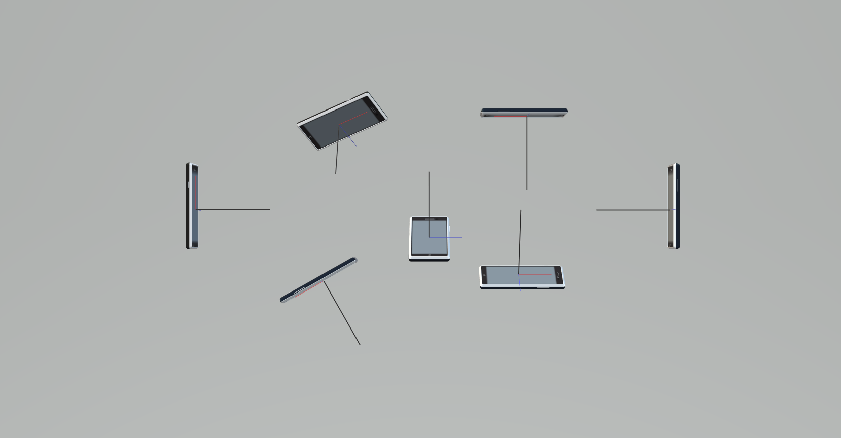
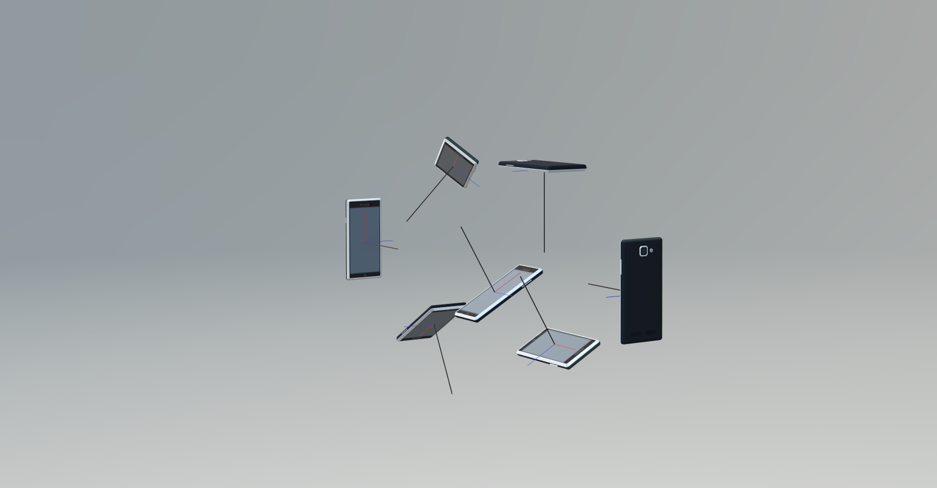
9. Attitude angles
Here is the continuation of bullet 5 about attitude angles. |  |  |  |  |  |  | illustration 1 (user view -front-) |  |  |  |  |  |  |  |  |  |  |  |  |  |  |  | illustration 2 (from front right)
Here, attitude angles describe the position of a mobile device.
 | in degrees
 |  | yaw | pitch | roll | order
 | 0 | 0 | 30 | 0 | y
 | 1 | -90 | 0 | 30 | yr
 | 2 (right) | -90 | 90 | 0 | py
 | 3 | -90 | 180 | 0 | py
 | 4 | -90 | 210 | 0 | py
 | 5 (left) | 90 | 90 | 0 | py
 | 6 | 60 | 180 | -45 | pyr

Illustrations on the right show the mobile phone in various positions in a 8 shape figure described by a user (there is a x -blue-, y -red- and z, -black- basis for reference. Complaint: these positions are too difficult to achieve by describing the 8 shape with one hand. Position 5 could be the same than position 2. Position 6 could be position 1. The positions are all achieved from an initial state of the phone oriented front to back with the z axis (black) vertical (horizontal phone, with yaw, pitch and roll at 0).

According to ref 9 the final position seen in the illustrations can be achieved by following the order of chained rotations given in the table.

3D Model (to manipulate):
https://github.com/Frederic-jyrg/ouitoo/blob/main/info-plotting/gyro/mobile-attitude.glb
Viewer:
https://gltf-viewer.donmccurdy.com/

10. Summary
Tip 1: A rotating device can be used to point the north direction because it is submitted to the spin of the Earth
Tip 2: The rotating device can have a state described with attitude angles
Tip 3: The rotating device submitted to an external torque becomes subject to the torque caused by the gravity.
Tip 4: A mobile device can have a position described with attitude angles, and can use a rotating device like a gyroscope or a gyrocompass to point the north direction, itself in a position described by attitude angles

11. Gyroscope on Android
https://developer.android.com/develop/sensors-and-location/sensors/sensors_motion#sensors-motion-gyro
This ref, cell above, gives the information how to use the sensors on a smartphone mobile (android, see https://en.wikipedia.org/wiki/Mobile_operating_system for more mobiles Operating Systems)
For iOS, the sensorkit is available to developers. See https://developer.apple.com/documentation/CoreMotion for gyro sensors.

Example (android):
The sensors data are provided by using the following parameters:
TYPE_GYROSCOPE | rad/s
SensorEvent.values[0] | Rate of rotation around the x axis.
SensorEvent.values[1] | Rate of rotation around the y axis.
SensorEvent.values[2] | Rate of rotation around the z axis.
TYPE_GYROSCOPE_UNCALIBRATED | rad/s
SensorEvent.values[0] | Rate of rotation (without drift compensation) around the x axis.
SensorEvent.values[1] | Rate of rotation (without drift compensation) around the y axis.
SensorEvent.values[2] | Rate of rotation (without drift compensation) around the z axis.
SensorEvent.values[3] | Estimated drift around the x axis.
SensorEvent.values[4] | Estimated drift around the y axis.
SensorEvent.values[5] | Estimated drift around the z axis.

Code sample in https://en.wikipedia.org/wiki/Kotlin_(programming_language) |  |  |  |  |  |  |  |  |  |  |  |  |  |  |  |  | Code sample java
// Create a constant to convert nanoseconds to seconds.
private val NS2S = 1.0f / 1000000000.0f
private val deltaRotationVector = FloatArray(4) { 0f }
private var timestamp: Float = 0f
override fun onSensorChanged(event: SensorEvent?) {
// This timestep's delta rotation to be multiplied by the current rotation
// after computing it from the gyro sample data.
if (timestamp != 0f && event != null) {
val dT = (event.timestamp - timestamp) * NS2S
// Axis of the rotation sample, not normalized yet.
var axisX: Float = event.values[0]
var axisY: Float = event.values[1]
var axisZ: Float = event.values[2]
// Calculate the angular speed of the sample
val omegaMagnitude: Float = sqrt(axisX * axisX + axisY * axisY + axisZ * axisZ)
// Normalize the rotation vector if it's big enough to get the axis
// (that is, EPSILON should represent your maximum allowable margin of error)
if (omegaMagnitude > EPSILON) {
axisX /= omegaMagnitude
axisY /= omegaMagnitude
axisZ /= omegaMagnitude
}
// Integrate around this axis with the angular speed by the timestep
// in order to get a delta rotation from this sample over the timestep
// We will convert this axis-angle representation of the delta rotation
// into a quaternion before turning it into the rotation matrix.
val thetaOverTwo: Float = omegaMagnitude * dT / 2.0f
val sinThetaOverTwo: Float = sin(thetaOverTwo)
val cosThetaOverTwo: Float = cos(thetaOverTwo)
deltaRotationVector[0] = sinThetaOverTwo * axisX
deltaRotationVector[1] = sinThetaOverTwo * axisY
deltaRotationVector[2] = sinThetaOverTwo * axisZ
deltaRotationVector[3] = cosThetaOverTwo
}
timestamp = event?.timestamp?.toFloat() ?: 0f
val deltaRotationMatrix = FloatArray(9) { 0f }
SensorManager.getRotationMatrixFromVector(deltaRotationMatrix, deltaRotationVector);
// User code should concatenate the delta rotation we computed with the current rotation
// in order to get the updated rotation.
// rotationCurrent = rotationCurrent * deltaRotationMatrix;
}
// Create a constant to convert nanoseconds to seconds.
private static final float NS2S = 1.0f / 1000000000.0f;
private final float[] deltaRotationVector = new float[4]();
private float timestamp;
public void onSensorChanged(SensorEvent event) {
// This timestep's delta rotation to be multiplied by the current rotation
// after computing it from the gyro sample data.
if (timestamp != 0) {
final float dT = (event.timestamp - timestamp) * NS2S;
// Axis of the rotation sample, not normalized yet.
float axisX = event.values[0];
float axisY = event.values[1];
float axisZ = event.values[2];
// Calculate the angular speed of the sample
float omegaMagnitude = sqrt(axisX*axisX + axisY*axisY + axisZ*axisZ);
// Normalize the rotation vector if it's big enough to get the axis
// (that is, EPSILON should represent your maximum allowable margin of error)
if (omegaMagnitude > EPSILON) {
axisX /= omegaMagnitude;
axisY /= omegaMagnitude;
axisZ /= omegaMagnitude;
}
// Integrate around this axis with the angular speed by the timestep
// in order to get a delta rotation from this sample over the timestep
// We will convert this axis-angle representation of the delta rotation
// into a quaternion before turning it into the rotation matrix.
float thetaOverTwo = omegaMagnitude * dT / 2.0f;
float sinThetaOverTwo = sin(thetaOverTwo);
float cosThetaOverTwo = cos(thetaOverTwo);
deltaRotationVector[0] = sinThetaOverTwo * axisX;
deltaRotationVector[1] = sinThetaOverTwo * axisY;
deltaRotationVector[2] = sinThetaOverTwo * axisZ;
deltaRotationVector[3] = cosThetaOverTwo;
}
timestamp = event.timestamp;
float[] deltaRotationMatrix = new float[9];
SensorManager.getRotationMatrixFromVector(deltaRotationMatrix, deltaRotationVector);
// User code should concatenate the delta rotation we computed with the current rotation
// in order to get the updated rotation.
// rotationCurrent = rotationCurrent * deltaRotationMatrix;
}

 | Numerical application for the sample above
 | a. the rotation sample has components [event.values[0], event.values[1], event.values[2]]
 | or, perhaps, [SensorEvent.values[0], SensorEvent.values[1], SensorEvent.values[2]]
 | in rad/s
 | That makes sense with thetaOverTwo = omegaMagnitude * dT / 2.0 to compute a value of rotation angle theta/2 in rad or (deg), with omegaMagnitude in rad/s (hence, omegaMagnitude = sqrt(axisX * axisX + axisY * axisY + axisZ * axisZ) in rad/s)
 | b. timestamp or event.timestamp are in nano sec

 | Example:
 | deltaRotationVector = FloatArray(4)
 | timestamp=0

 | event.values[0] |  | rad/s | 10
 | event.values[1] |  | rad/s | 20
 | event.values[2] |  | rad/s | 0.5

 | NS2S: convection factor from nano seconds to seconds
 | NS2S=1e-9
 | dT calculation in sec = |  |  | (event.timestamp - timestamp) * NS2S
 | dT calculation in sec = |  |  |  | s | 0.001

 | axisX: Float = event.values[0] |  |  |  | rad/s | 10
 | axisY: Float = event.values[1] |  |  |  | rad/s | 20
 | axisZ: Float = event.values[2] |  |  |  | rad/s | 0.5

 | omegaMagnitude: Float = sqrt(axisX * axisX + axisY * axisY + axisZ * axisZ)
 | omegaMagnitude |  |  |  | rad/s | 22.366269246

 | axisX /= omegaMagnitude |  |  |  | 0.44710183401 |  | True if epsilon=1e-3 for instance
 | axisY /= omegaMagnitude |  |  |  | 0.89420366802
 | axisZ /= omegaMagnitude |  |  |  | 0.0223550917

 | thetaOverTwo: Float = omegaMagnitude * dT / 2.0f |  |  |  |  |  |  |  | rad | 0.011183134623
 | sinThetaOverTwo: Float = sin(thetaOverTwo) |  |  |  |  |  |  |  | sin | 0.011182902
 | cosThetaOverTwo: Float = cos(thetaOverTwo) |  |  |  |  |  |  |  | cos | 0.9999374694
 | deltaRotationVector[0] = sinThetaOverTwo * axisX |  |  |  |  |  |  |  | rad/s | 0.0049998957819
 | deltaRotationVector[1] = sinThetaOverTwo * axisY |  |  |  |  |  |  |  | rad/s | 0.0099997915638
 | deltaRotationVector[2] = sinThetaOverTwo * axisZ |  |  |  |  |  |  |  | rad/s | 0.0002499947891
 | deltaRotationVector[3] = cosThetaOverTwo |  |  |  |  |  |  |  | cos | 0.9999374694

