Sheet1
1 | https://courses.lumenlearning.com/suny-physics/chapter/10-7-gyroscopic-effects-vector-aspects-of-angular-momentum/#:~:text=These%20forces%20create%20a%20horizontal,%CE%94L%20that%20is%20also%20horizontal.
2 | https://www.oxts.com/blog/going-round-circles-earth-rotation-inertial-navigation/#:~:text=The%20spin%20of%20the%20earth,and%20the%20associated%20E%C3%B6tv%C3%B6s%20effect
3 | https://www.usni.org/magazines/proceedings/1933/january/principles-gyrocompass#:~:text=To%20do%20this%20we%20must,horizontal%2C%20and%20toward%20the%20meridian.
4 | https://openstax.org/books/college-physics/pages/1-introduction-to-science-and-the-realm-of-physics-physical-quantities-and-units
5 | https://en.wikipedia.org/wiki/Precession#:~:text=than%20this%2C%20however.-,Relativistic%20(Einsteinian),near%20a%20large%20rotating%20mass.
6 | https://pressbooks.online.ucf.edu/osuniversityphysics/chapter/11-3-precession-of-a-gyroscope/#:~:text=The%20precessional%20angular%20velocity%20is%20given%20by%20%CF%89P%3Dr,frequency%20of%20the%20gyroscope%20disk.
7 | https://www.youtube.com/watch?v=ty9QSiVC2g0
8 | https://www.comsol.com/model/modeling-gyroscopic-effect-15007
9 | https://en.wikipedia.org/wiki/Euler_angles

kg⋅m²/s² = N⋅m

Torque | τ = dL/dt |  | kg⋅m²/s²
 |  |  |  |  | i, j, k |  |  | i x j = k | j x k = i | k x i = j
Torque (moment of a force) | r x F |  | kg⋅m²/s² |  | r , F , τ |  |  | r x F = τ
Moment of Inertia (I) |  |  | kg⋅m²
Angular Velocity (ω) |  |  | rad/s
Angular Momentum (L = Iω) | r x m v |  | kg⋅m²/s
Linear momentum (p = m v) |  |  | kg⋅m/s

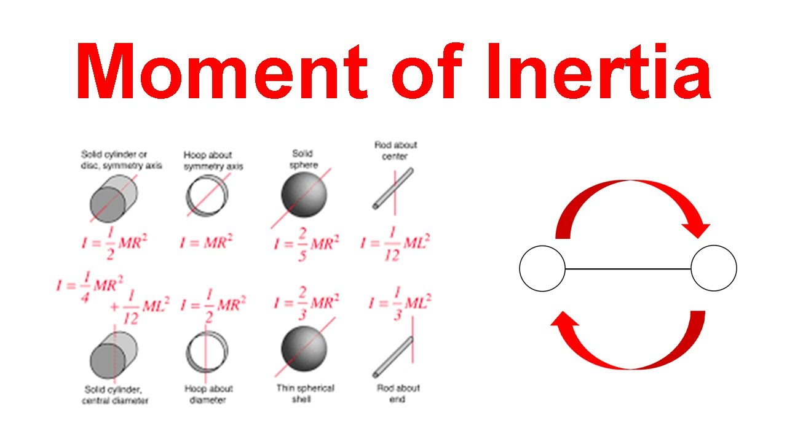

The context of gyroscope considerations applies when a rigid body has a rotating motion.
Various situations might happen, including the special case of a rotating wheel or rotating body, under the application of external forces and torques.
Passing on justifications and explanations, the sources above admit the involvment of a quantity called moment of Inertia (A specific calculation that measures how difficult it is to rotate an object around a given axis, depending on the mass distribution and distance from the axis), Inertia (A general property of all matter describing its resistance to changes in motion), that depend on mass and geometry.

1. Basic rotation

Basic modeling | Angular Velocity (ω) |  |  | rad/s |  |  | 1 | rev/min |  | rad/sec | (I) kg⋅m² | (L = Iω) kg⋅m²/s
 | Moment of Inertia (I) |  |  | kg⋅m² |  |  | 0.016666666667 | rev/sec |  | 0.10471975512 | 1 | 0.10471975512
 | Angular Momentum (L = Iω) |  |  | kg⋅m²/s |  |  | 1 | rev/sec |  | 6.2831853072 | 1 | 6.2831853072
 |  |  |  |  |  |  | 10 | rev/sec |  | 62.831853072 | 1 | 62.831853072
 | Hoop (M=1kg, R=1m) about symmetry axis |  |  |  |  |  | 100 | rev/sec |  | 628.31853072 | 1 | 628.31853072
 | I = M x R^2

Representation

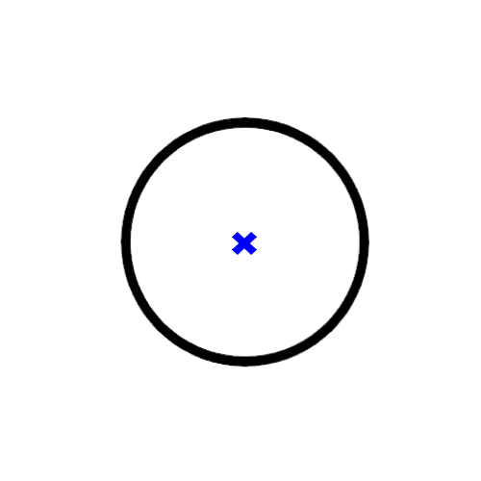
A circle is usually relevant to illustrate the concept of rotation. That makes think to a wheel (that usually rotates). One can imagine that the circle rotates, though. An additional information is very often the center of rotation (in fact, the center of the circle if it represents a simplified rotating wheel). |  |  |  |  |  |  |  |  | a 2D sketch representing a rotating wheel
A first sketch shows a top view of a rotating circle (wheel), a blue cross highlights the center of the circle.
The pro of this representation is its simplicity, but lacks some information about its motion.
The sources above explain how to illustrate a rotating body, mainly the use of the right hand rule gives some direction how to represent the rotating body. This implies the use of arrows, called vectors, that allow to represent a set of informations: 1. a point of application, where the arrows starts, 2. a direction 3. a sense (a direction of direction) The arrows are very useful to figure characteristics of rotation motions. So, on the sketch above, let's switch the blue cross to an arrow to 1. highlight the center of rotation (where the arrows starts), 2. the position of the axis (here, perpendicular to the page), 3. the sense of rotation (say, if the arrow points toward the reader of this spreadsheet, the circle rotates counter-clockwise). |  |  |  |  |  |  |  |  | 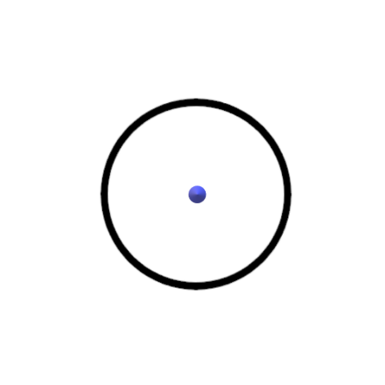 |  |  |  | a 2D sketch representing a rotating wheel (an arrow pointing the user gives information about the counter-clockwise rotation)
Because the concept of rotation uses the idea of rotation axis, representing a rotating body is more meaningful with a perspective effect (3D). This highlights a plane of rotation and the axis perpendicular to the plane
The file "rotating circle.glb" (same directory in the repository) handles the figure in 3D.

How to represent the angular momentum?
Since, the angular momentum is proportional to the angular velocity, it is represented by an arrow having the same properties, but, a different norm (length) (L = Iω).
 |  |  |  |  |  |  |  |  |  |  |  | a 3D sketch representing a rotating wheel (an arrow gives information about the motion -right hand rule-)
 |  | a 3D sketch representing a rotating doughnut (a blue arrow gives information about the motion -right hand rule-, axis of rotation and direction)

2. System of reference

A video mentioned in the sources illustrates the notion of variation of angular momentum. This variation can be in magnitude or in direction or both. For a given body, the variation in angular momentum is due to the variation in angular velocity. The notion of impulse is also useful and lies behind what it is seen in the video (in which an operator applies a torque to a wheel to give -or impulse- a rotating motion). At the end of the impulse step, the wheel achieves a state of constant angular velocity (in direction and norm) applied to the system consisting of a rotating wheel.

3. 3D representation of the rotating system

In bullet 1., even if a rotating object can be described simply algebraically, it is 3D in reality. Consequently, it is also convenient to use a space frame of representation and related 3D coordinates (for example, X, Y, Z). Meaning that the rotation attributes are also 3D (for instance, Tx, Ty, Tz, or Om_x, Om_y, Om_z for a torque, and an angular velocity).

Rewriting the simple basic rotation of a wheel , for any point of the wheel M(R,0,0), in the 3D reference frame for an observer located at the center of rotation (0,0,0), rotating at a constant angular velocity Om, in the galilean referential

 |  | cos Om t | sin Om t | 0 |  | 1 |  |  |  | cos Om t
 |  | -sin Om t | cos Om t | 0 |  | 0 |  | = |  | -sin Om t
 |  | 0 | 0 | 1 |  | 0 |  |  |  | 0

 |  | cos Om t | sin Om t | 0 |  | R |  |  |  | R x cos Om t |  |  | R x cos Om t
 | or | -sin Om t | cos Om t | 0 |  | 0 |  | = |  | -R x sin Om t |  | OM | -R x sin Om t
 |  | 0 | 0 | 1 |  | 0 |  |  |  | 0 |  |  | 0

 | with an angular velocity vector Om |  |  |  | 0 |  |  |  | also | OM x Om | 0 | for any | R |  | a hoop of mass M and radius R has an inertia |  |  |  |  | Ixx | -Ixy | -Ixz |  | for any moment of inertia of axial symmetry i about any j axis of rotation (https://ocw.mit.edu/courses/16-07-dynamics-fall-2009/dd277ec654440f4c2b5b07d6c286c3fd_MIT16_07F09_Lec26.pdf)
 |  |  |  |  | 0 |  | (om=ω) |  |  |  | Om x R |  | 0 |  |  |  |  |  |  | -Iyx | Iyy | -Iyz |  | For example, Izz = M R², and transverse moments 0.5 M R² ( I_ij = -0.5 M R²)
 |  |  |  |  | Om |  |  |  |  |  | 0 |  | 0 |  |  |  |  |  |  | -Izx | -Izy | Izz

 | or | L = I Om |  | Ix | 0 | 0 |  | 0 |  |  |  | 0 |  |  |  | 0 |  | about the principal axes of the hoop
 |  |  |  | 0 | Iy | 0 |  | 0 |  | = |  | 0 |  | = |  | 0 |  | I | moments of inertia matrix, moments of inertia tensor
 |  |  |  | 0 | 0 | Iz |  | Om |  |  |  | Iz |  |  |  | M R²

 |  |  | 0 |  |  | 0 |  |  | R |  |  | R x cos Om t
 |  | L | 0 |  | Om | 0 |  | OM | 0 | rotates to | OM | -R x sin Om t
 |  |  | M R² |  |  | Om |  |  | 0 |  |  | 0

4. How to find the north with a rotating device?

To East at 7.27 10^-5 rad/s
Suppose, an observer like us or a seaman, at the surface of the earth, wants to find the axis of rotation of the earth (we bet here that everybody knows that the Earth rotates about its own axis).
In the frame of reference of the rotating Earth, everything and everyone rotates, at the same angular velocity (7.27 10^-5 rad/s). An airplane, which has no friction, no connection, with the earth does not rotate with this frame of reference. In fact, an object with no link with the Earth, does not rotate with the Earth and stays in the same position. So, relative to the rotating Earth, with no connection or no way to give motion, an object stays with no motion.
Perhaps, a device with no connection with the Earth stays in the same position. Or, a device with a very simple connection, perhaps perfect, that allows to carry the device with no friction to avoid transferring motion, like an axis with no friction would see the device motionless for an observer on the Earth.
Also, a device in connection with the rotating Earth for a while, will get -acquire- the angular velocity of the Earth, but, once disconnected will keep the same angular velocity, because of its inertia.

To East at 7.27 10^-5 rad/s

 |  |  |  |  |  | (1) |  |  |  |  |  |  | (2)
 |  |  |  |  |  | Earth seen from the North top view |  |  |  |  |  |  | The compass rotates relative to a motionless Earth (an observer rotates with the Earth)
 |  |  |  |  |  | The motionless compass does not change in position

5. Euler angles
Here, I want to compare, so-called Euler angles (see wikipedia article, ref 9 above) to this online: |  |  |  | https://demonstrations.wolfram.com/Gyroscope/
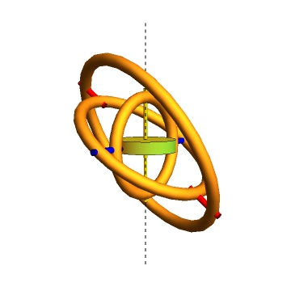
 | Illustration of a gyroscope with three gimbals able to rotate about their second symmetry axis.
 | The disc can spin about its main axis.
 | The spinning angles are called spin 1, spin 2 and spin 3 in this webpage.

 | The ref 9 proposes definitions for attitude angles, euler angles: α, β, γ, or ψ, θ, φ or Yaw, Pitch, Roll

 | In this gyroscope demonstration, the third gimbal (inner) relates to the roll (spin 3), the second gimbal relates to the pitch (spin 2), the outer gimbal relates to the yaw (spin1).

6. Gyroscope models
Here another online:
https://iwant2study.org/lookangejss/02_newtonianmechanics_10rotationalmotion/ejss_model_gyroscope/
Illustrating the gyro with different assumptions and effects (Precession and Nutation). |  |  |  | https://en.wikipedia.org/wiki/Nutation |  |  |  |  |  |  |  |  |  | Code and settings:
How to compare with? |  |  |  |  |  |  |  |  |  |  |  |  |  | https://sg.iwant2study.org/ospsg/index.php/interactive-resources/physics/02-newtonian-mechanics/10-rotational-motion/823-gyroscope
https://www.youtube.com/watch?v=XHGKIzCcVa0
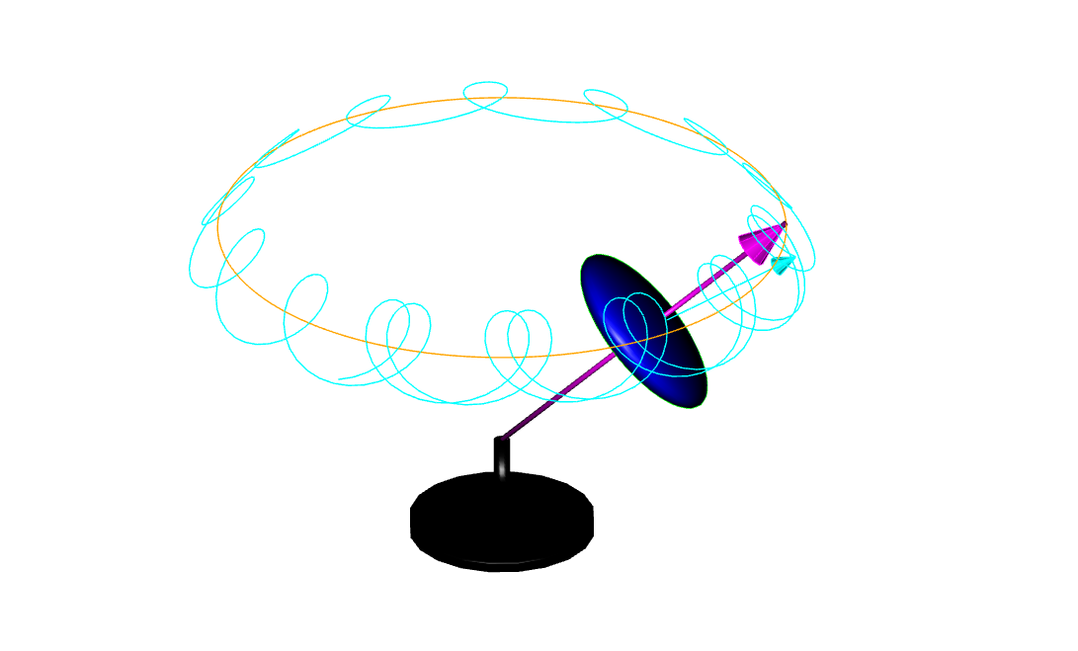

Additional conceptual code, here:
https://codesandbox.io/p/sandbox/gyroscope-zs6qwm?file=%2Fsrc%2FAccelerometer.js

7. The resistant Gyroscope
Summary: |  |  |  |  |  |  |  |  |  |  |  |  |  |  |  |  |  |  |  |  |  |  |  |  |  |  | Torque (moment of a force)
in bullet 4, we have an initial idea that a rotating device could allow to point to a desired direction, either because it is calibrated in geometry and operating conditions or because it is isolated from external constraints |  |  |  |  |  |  |  |  |  |  |  |  |  |  |  |  |  |  |  |  |  |  |  |  |  |  | kg⋅m²/s² | r x F
in bullet 5 and 6, we have elements of modeling that can help to describe an operating gyroscope
At this point, it is not clear if the spinning device has to be initially setup to certain operating conditions and constraints. We may think that it could mimic or model an Earth (https://en.wikipedia.org/wiki/File:AxialTiltObliquity.png). |  |  |  |  |  |  |  |  |  |  |  |  |  |  |  |  |  |  |  |  |  |  |  |  |  |  | r | r sin(θ) |  | F = m g | 0 |  | r x F | 0
One of the issue is that the spinning Earth is subject to a cosmic torque caused by the combined action of gravity forces of other celestial bodies (mainly the Sun and the Moon). A reason why the spinning Earth precesses. |  |  |  |  |  |  |  |  |  |  |  |  |  |  |  |  |  |  |  |  |  |  |  |  |  |  | [m] | 0 |  | [N] | 0 |  |  | m g r sin(θ)
New facts: |  |  |  |  |  |  |  |  |  |  |  |  |  |  |  |  |  |  |  |  |  |  |  |  |  |  |  | r cos(θ) |  |  | - m g |  |  | 0
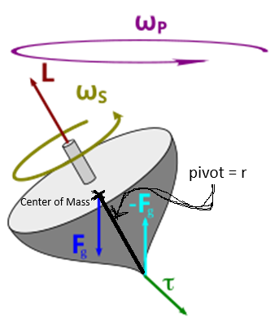
 | Here is a sketch of a spinning body, subject to the moment of the gravity, a cause of its own precession.
 | The torque caused by the two opposing forces Fg and −Fg causes a change in the angular momentum L in the direction of that torque. This causes the top to precess. |  |  |  |  |  |  |  |  |  |  |  |  |  |  |  |  |  |  |  |  |  |  |  |  |  | d L = τ dt |  | 0 |  | d L = L sin(θ) sin (d f ) = L sin(θ) d f
 |  |  |  |  |  |  |  |  |  |  |  |  |  |  |  |  |  |  |  |  |  |  |  |  |  |  |  |  | m g r sin(θ) dt |  | m g r sin(θ) dt = L sin(θ) d f
 | torque free or torque neglected |  |  |  |  |  |  |  |  |  |  |  |  |  |  | torque induced |  |  |  |  |  |  |  |  |  |  |  |  | 0 |  | ωp ?
 | body=disc |  |  |  |  |  |  |  | body=sphere |  |  |  |  |  |  |  |  |  |  |  |  |  |  |  |  |  |  |  |  |  | ωp = m g r /L = m g r / Is / ω
 | main symmetry axis inertia |  |  |  | Is = 0.5 x M x R^2 |  |  |  | main symmetry axis inertia |  |  |  | Is = 2/5 x M x R^2
 | perpendicular symmetry axes inertia |  |  |  | Ip = 0.25 x M x R^2 + 1/12 M x H^2 |  |  |  | perpendicular symmetry axes inertia |  |  |  | Ip = 2/5 x M x R^2 |  |  |  |  |  |  |  |  |  |  |  |  |  | hint: torque free precession derivation
 | tilt angle (α) |  |  |  |  |  |  |  |  |  |  |  |  |  |  | tilt angle (α) |  |  |  |  |  |  | r | m | 0.05 |  | https://www.google.com/search?q=derivation+of+precession+rate+with+no+torque&sca_esv=b07fa04fa9278463&rlz=1C1CHBD_enUS1144US1144&ei=nrGCZ-2VDtmm5NoPjbe-iQk&ved=0ahUKEwjt3PLVn-6KAxVZE1kFHY2bL5EQ4dUDCBA&uact=5&oq=derivation+of+precession+rate+with+no+torque&gs_lp=Egxnd3Mtd2l6LXNlcnAiLGRlcml2YXRpb24gb2YgcHJlY2Vzc2lvbiByYXRlIHdpdGggbm8gdG9ycXVlMgUQIRigATIFECEYoAEyBRAhGKABMgUQIRifBTIFECEYnwVI7WVQ5whYlE9wAngBkAEAmAFZoAHfCaoBAjIwuAEDyAEA-AEBmAIWoAK1CsICChAAGLADGNYEGEfCAgUQIRirAsICBxAhGKABGAqYAwCIBgGQBgiSBwIyMqAHkZAB&sclient=gws-wiz-serp&safe=active&ssui=on
 | Precession rate |  | ωp | = (Is/Ip/cos(α)) x ωs |  |  |  | Is | kg⋅m² | 3.75E-04 |  |  |  |  |  | Precession rate |  | ωp | = m x g x r /Is/sin(θ) / ωs |  |  |  | mg | kg⋅m/s² | 3
 | Spinning speed |  | ωs | 62.831853072 | rad/s |  |  | Ip | kg⋅m² | 3.75E-04 |  |  |  |  |  | Spinning speed |  | ωs | 125.66370614 | rad/s |  |  | Is | kg⋅m² | 3.75E-04
 |  |  | ωp | 63.801135683 | rad/s |  |  | cos(α) | 0.1745329252 | 0.98480775301 |  |  |  |  |  |  |  | ωp | 3.18E+00 | rad/s |  |  | sin(θ) | 0.1745329252 | 0.17364817767
 |  |  |  |  |  |  |  | 10 rev/s | 10 | 62.831853072 |  |  |  |  |  |  |  |  |  |  |  |  | 10 rev/s | 20 | 125.66370614
 |  |  |  |  |  |  |  | (α)=(moment of inertia, axis of symmetry) |  |  |  |  |  |  |  |  |  |  |  |  |  |  | (θ)=(spinning axis, precession axis)
 |  |  |  |  |  |  |  |  |  |  |  |  |  |  |  |  |  |  |  |  |  |  | τ = dL/dt | kg⋅m²/s² | 0.02604722665
Here below, is a frame by frame view of a spinning disc rotating counter-clockwise on its main axis (1), subject to an angular momentum on a input axis (counterclockwise, green), for instance caused by a torque applied to the spinning axis, resulting to a resistant angular momentum on a output axis (blue) (2), subject to an angular momentum clockwise applied as an input on the green axis, resulting in a reaction on the blue axis (also clockwise).
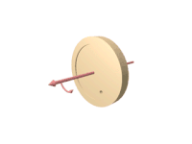
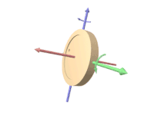
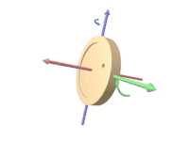

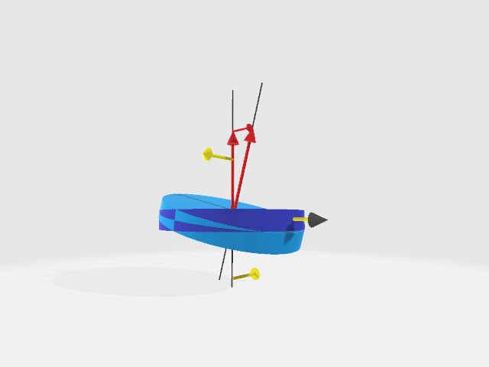
Thus, above the rotating disc subject to the torque as shown on the green axis (input), will tilt in the same plane (spinning axis, green axis) causing a rotation about the blue axis (output)
Below is the illustration of a so-called "counter-intuitive" effect of a torque applied to a rotating rigid body: (1) left, a non-rotating disc on its axis, will tilt in the plane of the applied forces -yellow arrows- (causing the torque); (2) right, the rotating disc, subject to a torque will tilt in the plane of the applied torque (arrow with gray head)
 |  |  |  |  |  |  |  |  |  |  |  |  | The 3D model is in the directory, and can be open with a glb viewer or online (https://gltf-viewer.donmccurdy.com/)
 |  |  |  |  |  |  |  |  |  |  |  |  |  | model | https://github.com/Frederic-jyrg/ouitoo/blob/main/info-plotting/gyro/rotating%20disc%20full.glb
 |  |  |  |  |  |  |  |  |  |  |  |  |  | viewer | https://gltf-viewer.donmccurdy.com/

Here below, is a conceptual sketch showing how a rotating disc is subject to a torque caused by the spinning Earth; an improvement of this sketch has to use gimbals (allowing the disc to position according to the applied torque).
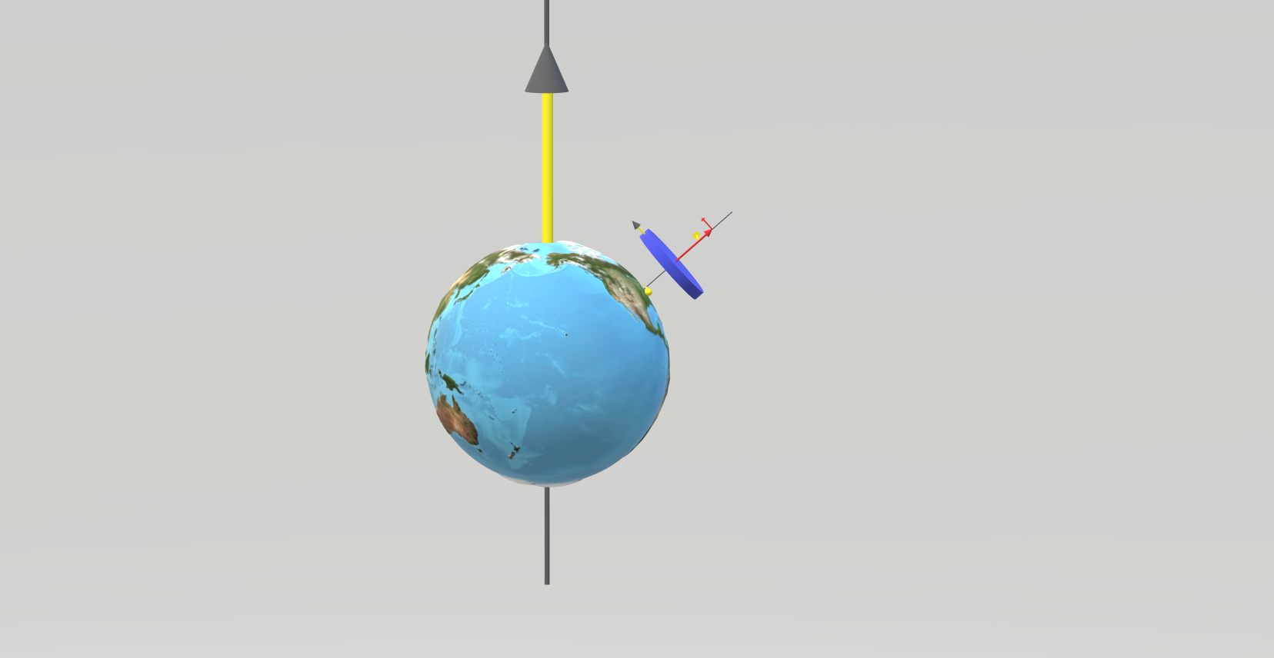

8. The eight shape
Here is a 8 shape described by a user handling a mobile device for the calibration of attitude angles.
The 8 shape figure describes a sequence of locations of a user right hand in the user's front view, handling a mobile phone. |  |  |  |  |  |  | A user describes a circle with one's right hand [Deg] ------> |  |  |  |  |  |  |  |  |  | 0 | 5 | 10 | 15 | 20 | 25 | 30 | 35 | 40 | 45 | 50 | 55 | 60 | 65 | 70 | 75 | 80 | 85 | 90 | 95 | 100 | 105 | 110 | 115 | 120 | 125 | 130 | 135 | 140 | 145 | 150 | 155 | 160 | 165 | 170 | 175 | 180 | 185 | 190 | 195 | 200 | 205 | 210 | 215 | 220 | 225 | 230 | 235 | 240 | 245 | 250 | 255 | 260 | 265 | 270 | 275 | 280 | 285 | 290 | 295 | 300 | 305 | 310 | 315 | 320 | 325 | 330 | 335 | 340 | 345 | 350 | 355 | 360
 |  |  |  |  |  |  | model: inversion of the Y component while the Y component accounts for two times the X component ---------> |  |  |  |  |  |  |  |  |  | 1 | 1 | 1 | 1 | 1 | 1 | 1 | 1 | 1 | 1 | 1 | 1 | 1 | 1 | 1 | 1 | 1 | 1 | 1 | 1 | 1 | 1 | 1 | 1 | 1 | 1 | 1 | 1 | 1 | 1 | 1 | 1 | 1 | 1 | 1 | 1 | 1 | 1 | 1 | 1 | 1 | 1 | 1 | 1 | 1 | 1 | 1 | 1 | 1 | 1 | 1 | 1 | 1 | 1 | 1 | 1 | 1 | 1 | 1 | 1 | 1 | 1 | 1 | 1 | 1 | 1 | 1 | 1 | 1 | 1 | 1 | 1 | 1
 |  |  |  |  |  |  |  |  |  |  |  |  |  |  |  | -----------> | 2 | 2 | 2 | 2 | 2 | 2 | 2 | 2 | 2 | 2 | 2 | 2 | 2 | 2 | 2 | 2 | 2 | 2 | 2 | 2 | 2 | 2 | 2 | 2 | 2 | 2 | 2 | 2 | 2 | 2 | 2 | 2 | 2 | 2 | 2 | 2 | 2 | 2 | 2 | 2 | 2 | 2 | 2 | 2 | 2 | 2 | 2 | 2 | 2 | 2 | 2 | 2 | 2 | 2 | 2 | 2 | 2 | 2 | 2 | 2 | 2 | 2 | 2 | 2 | 2 | 2 | 2 | 2 | 2 | 2 | 2 | 2 | 2 | 2

 |  |  |  |  |  |  | horizontal -------------------------------------------------> |  |  |  |  |  |  |  |  |  | 1 | 0.99619469809 | 0.98480775301 | 0.96592582629 | 0.93969262079 | 0.90630778704 | 0.86602540378 | 0.81915204429 | 0.76604444312 | 0.70710678119 | 0.64278760969 | 0.57357643635 | 0.5 | 0.42261826174 | 0.34202014333 | 0.2588190451 | 0.17364817767 | 0.087155742748 | 6.1257422745E-17 | -0.087155742748 | -0.17364817767 | -0.2588190451 | -0.34202014333 | -0.42261826174 | -0.5 | -0.57357643635 | -0.64278760969 | -0.70710678119 | -0.76604444312 | -0.81915204429 | -0.86602540378 | -0.90630778704 | -0.93969262079 | -0.96592582629 | -0.98480775301 | -0.99619469809 | -1 | -0.99619469809 | -0.98480775301 | -0.96592582629 | -0.93969262079 | -0.90630778704 | -0.86602540378 | -0.81915204429 | -0.76604444312 | -0.70710678119 | -0.64278760969 | -0.57357643635 | -0.5 | -0.42261826174 | -0.34202014333 | -0.2588190451 | -0.17364817767 | -0.087155742748 | -1.8377226824E-16 | 0.087155742748 | 0.17364817767 | 0.2588190451 | 0.34202014333 | 0.42261826174 | 0.5 | 0.57357643635 | 0.64278760969 | 0.70710678119 | 0.76604444312 | 0.81915204429 | 0.86602540378 | 0.90630778704 | 0.93969262079 | 0.96592582629 | 0.98480775301 | 0.99619469809 | 1
 |  |  |  |  |  |  | vertical ---------------------------------------------> |  |  |  |  |  |  |  |  |  | 0 | 0.17364817767 | 0.34202014333 | 0.5 | 0.64278760969 | 0.76604444312 | 0.86602540378 | 0.93969262079 | 0.98480775301 | 1 | 0.98480775301 | 0.93969262079 | 0.86602540378 | 0.76604444312 | 0.64278760969 | 0.5 | 0.34202014333 | 0.17364817767 | 1.2251484549E-16 | -0.17364817767 | -0.34202014333 | -0.5 | -0.64278760969 | -0.76604444312 | -0.86602540378 | -0.93969262079 | -0.98480775301 | -1 | -0.98480775301 | -0.93969262079 | -0.86602540378 | -0.76604444312 | -0.64278760969 | -0.5 | -0.34202014333 | -0.17364817767 | -2.4502969098E-16 | 0.17364817767 | 0.34202014333 | 0.5 | 0.64278760969 | 0.76604444312 | 0.86602540378 | 0.93969262079 | 0.98480775301 | 1 | 0.98480775301 | 0.93969262079 | 0.86602540378 | 0.76604444312 | 0.64278760969 | 0.5 | 0.34202014333 | 0.17364817767 | 3.6754453647E-16 | -0.17364817767 | -0.34202014333 | -0.5 | -0.64278760969 | -0.76604444312 | -0.86602540378 | -0.93969262079 | -0.98480775301 | -1 | -0.98480775301 | -0.93969262079 | -0.86602540378 | -0.76604444312 | -0.64278760969 | -0.5 | -0.34202014333 | -0.17364817767 | -4.9005938196E-16

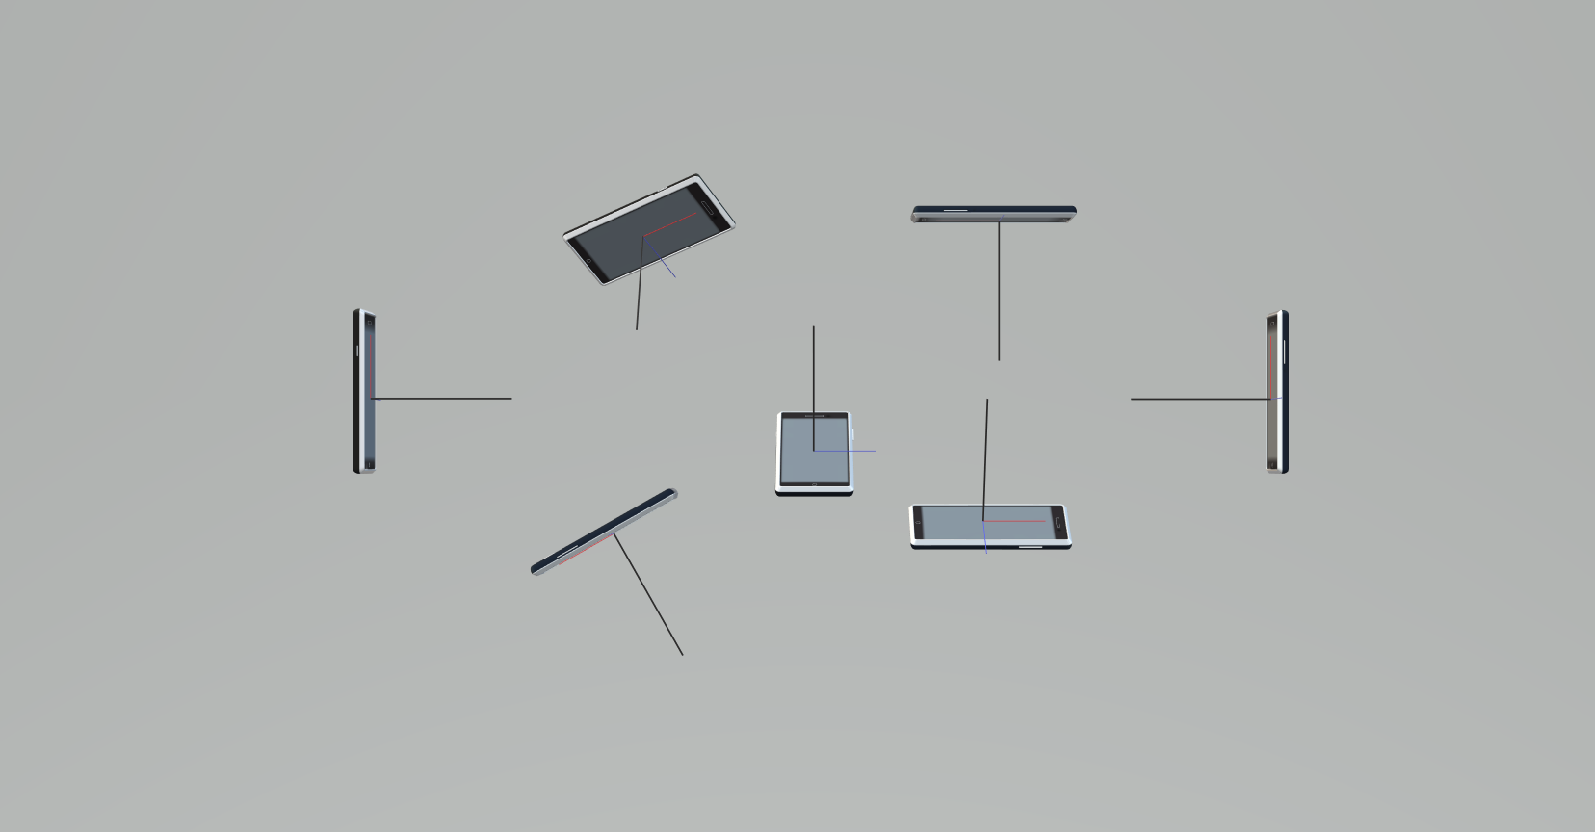
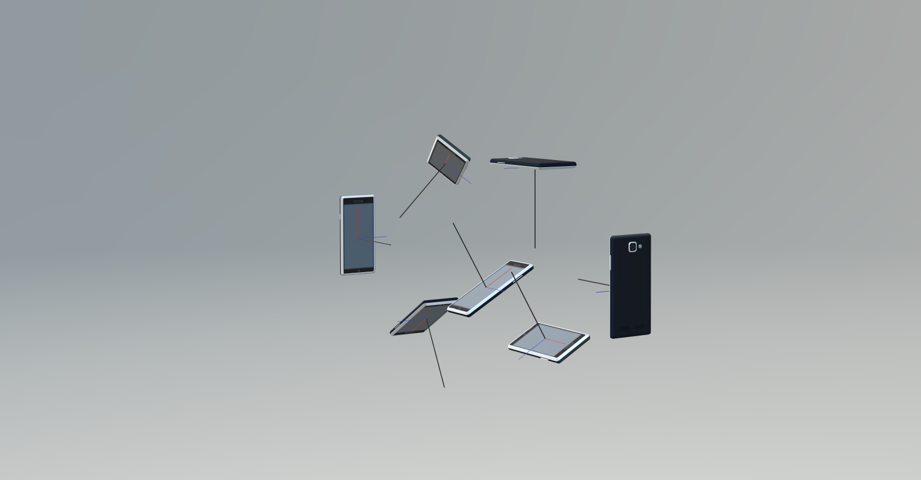
9. Attitude angles
Here is the continuation of bullet 5 about attitude angles. |  |  |  |  |  |  | illustration 1 (user view -front-) |  |  |  |  |  |  |  |  |  |  |  |  |  |  |  | illustration 2 (from front right)
Here, attitude angles describe the position of a mobile device.
 | in degrees
 |  | yaw | pitch | roll | order
 | 0 | 0 | 30 | 0 | y
 | 1 | -90 | 0 | 30 | yr
 | 2 (right) | -90 | 90 | 0 | py
 | 3 | -90 | 180 | 0 | py
 | 4 | -90 | 210 | 0 | py
 | 5 (left) | 90 | 90 | 0 | py
 | 6 | 60 | 180 | -45 | pyr

Illustrations on the right show the mobile phone in various positions in a 8 shape figure described by a user (there is a x -blue-, y -red- and z, -black- basis for reference. Complaint: these positions are too difficult to achieve by describing the 8 shape with one hand. Position 5 could be the same than position 2. Position 6 could be position 1. The positions are all achieved from an initial state of the phone oriented front to back with the z axis (black) vertical (horizontal phone, with yaw, pitch and roll at 0).

According to ref 9 the final position seen in the illustrations can be achieved by following the order of chained rotations given in the table.

3D Model (to manipulate):
https://github.com/Frederic-jyrg/ouitoo/blob/main/info-plotting/gyro/mobile-attitude.glb
Viewer:
https://gltf-viewer.donmccurdy.com/

10. Summary
Tip 1: A rotating device can be used to point the north direction because it is submitted to the spin of the Earth
Tip 2: The rotating device can have a state described with attitude angles
Tip 3: The rotating device submitted to an external torque becomes subject to the torque caused by the gravity.
Tip 4: A mobile device can have a position described with attitude angles, and can use a rotating device like a gyroscope or a gyrocompass to point the north direction, itself in a position described by attitude angles

11. Gyroscope on Android
https://developer.android.com/develop/sensors-and-location/sensors/sensors_motion#sensors-motion-gyro
This ref, cell above, gives the information how to use the sensors on a smartphone mobile (android, see https://en.wikipedia.org/wiki/Mobile_operating_system for more mobiles Operating Systems)
For iOS, the sensorkit is available to developers. See https://developer.apple.com/documentation/CoreMotion for gyro sensors.

Example (android):
The sensors data are provided by using the following parameters:
TYPE_GYROSCOPE | rad/s
SensorEvent.values[0] | Rate of rotation around the x axis.
SensorEvent.values[1] | Rate of rotation around the y axis.
SensorEvent.values[2] | Rate of rotation around the z axis.
TYPE_GYROSCOPE_UNCALIBRATED | rad/s
SensorEvent.values[0] | Rate of rotation (without drift compensation) around the x axis.
SensorEvent.values[1] | Rate of rotation (without drift compensation) around the y axis.
SensorEvent.values[2] | Rate of rotation (without drift compensation) around the z axis.
SensorEvent.values[3] | Estimated drift around the x axis.
SensorEvent.values[4] | Estimated drift around the y axis.
SensorEvent.values[5] | Estimated drift around the z axis.

Code sample in https://en.wikipedia.org/wiki/Kotlin_(programming_language) |  |  |  |  |  |  |  |  |  |  |  |  |  |  |  |  | Code sample java
// Create a constant to convert nanoseconds to seconds.
private val NS2S = 1.0f / 1000000000.0f
private val deltaRotationVector = FloatArray(4) { 0f }
private var timestamp: Float = 0f
override fun onSensorChanged(event: SensorEvent?) {
// This timestep's delta rotation to be multiplied by the current rotation
// after computing it from the gyro sample data.
if (timestamp != 0f && event != null) {
val dT = (event.timestamp - timestamp) * NS2S
// Axis of the rotation sample, not normalized yet.
var axisX: Float = event.values[0]
var axisY: Float = event.values[1]
var axisZ: Float = event.values[2]
// Calculate the angular speed of the sample
val omegaMagnitude: Float = sqrt(axisX * axisX + axisY * axisY + axisZ * axisZ)
// Normalize the rotation vector if it's big enough to get the axis
// (that is, EPSILON should represent your maximum allowable margin of error)
if (omegaMagnitude > EPSILON) {
axisX /= omegaMagnitude
axisY /= omegaMagnitude
axisZ /= omegaMagnitude
}
// Integrate around this axis with the angular speed by the timestep
// in order to get a delta rotation from this sample over the timestep
// We will convert this axis-angle representation of the delta rotation
// into a quaternion before turning it into the rotation matrix.
val thetaOverTwo: Float = omegaMagnitude * dT / 2.0f
val sinThetaOverTwo: Float = sin(thetaOverTwo)
val cosThetaOverTwo: Float = cos(thetaOverTwo)
deltaRotationVector[0] = sinThetaOverTwo * axisX
deltaRotationVector[1] = sinThetaOverTwo * axisY
deltaRotationVector[2] = sinThetaOverTwo * axisZ
deltaRotationVector[3] = cosThetaOverTwo
}
timestamp = event?.timestamp?.toFloat() ?: 0f
val deltaRotationMatrix = FloatArray(9) { 0f }
SensorManager.getRotationMatrixFromVector(deltaRotationMatrix, deltaRotationVector);
// User code should concatenate the delta rotation we computed with the current rotation
// in order to get the updated rotation.
// rotationCurrent = rotationCurrent * deltaRotationMatrix;
}
// Create a constant to convert nanoseconds to seconds.
private static final float NS2S = 1.0f / 1000000000.0f;
private final float[] deltaRotationVector = new float[4]();
private float timestamp;
public void onSensorChanged(SensorEvent event) {
// This timestep's delta rotation to be multiplied by the current rotation
// after computing it from the gyro sample data.
if (timestamp != 0) {
final float dT = (event.timestamp - timestamp) * NS2S;
// Axis of the rotation sample, not normalized yet.
float axisX = event.values[0];
float axisY = event.values[1];
float axisZ = event.values[2];
// Calculate the angular speed of the sample
float omegaMagnitude = sqrt(axisX*axisX + axisY*axisY + axisZ*axisZ);
// Normalize the rotation vector if it's big enough to get the axis
// (that is, EPSILON should represent your maximum allowable margin of error)
if (omegaMagnitude > EPSILON) {
axisX /= omegaMagnitude;
axisY /= omegaMagnitude;
axisZ /= omegaMagnitude;
}
// Integrate around this axis with the angular speed by the timestep
// in order to get a delta rotation from this sample over the timestep
// We will convert this axis-angle representation of the delta rotation
// into a quaternion before turning it into the rotation matrix.
float thetaOverTwo = omegaMagnitude * dT / 2.0f;
float sinThetaOverTwo = sin(thetaOverTwo);
float cosThetaOverTwo = cos(thetaOverTwo);
deltaRotationVector[0] = sinThetaOverTwo * axisX;
deltaRotationVector[1] = sinThetaOverTwo * axisY;
deltaRotationVector[2] = sinThetaOverTwo * axisZ;
deltaRotationVector[3] = cosThetaOverTwo;
}
timestamp = event.timestamp;
float[] deltaRotationMatrix = new float[9];
SensorManager.getRotationMatrixFromVector(deltaRotationMatrix, deltaRotationVector);
// User code should concatenate the delta rotation we computed with the current rotation
// in order to get the updated rotation.
// rotationCurrent = rotationCurrent * deltaRotationMatrix;
}

 | Numerical application for the sample above
 | a. the rotation sample has components [event.values[0], event.values[1], event.values[2]]
 | or, perhaps, [SensorEvent.values[0], SensorEvent.values[1], SensorEvent.values[2]]
 | in rad/s
 | That makes sense with thetaOverTwo = omegaMagnitude * dT / 2.0 to compute a value of rotation angle theta/2 in rad or (deg), with omegaMagnitude in rad/s (hence, omegaMagnitude = sqrt(axisX * axisX + axisY * axisY + axisZ * axisZ) in rad/s)
 | b. timestamp or event.timestamp are in nano sec
 |  |  |  |  |  |  |  |  |  |  |  |  |  | Android phones, gyroscope rotation axes |  |  |  |  |  |  |  |  |  |  |  |  |  | iPhones, gyroscope rotation axes
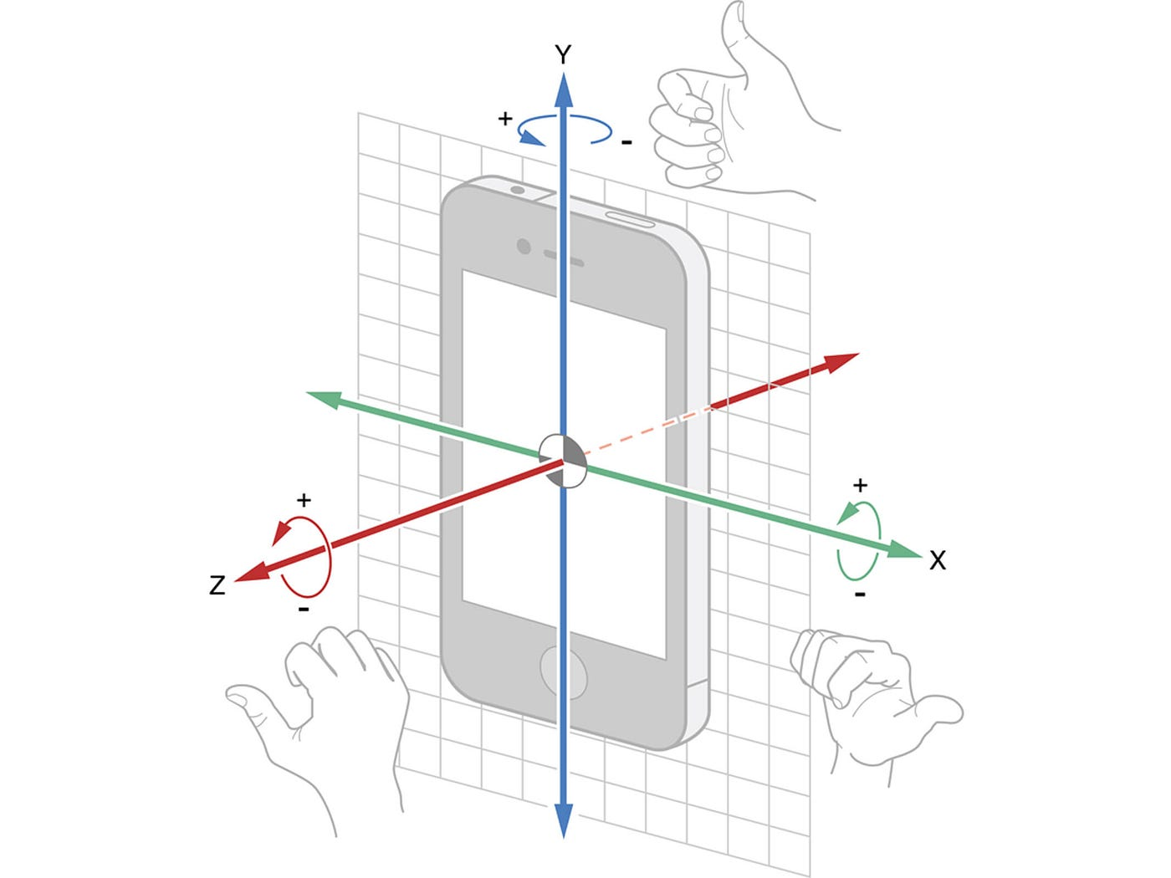
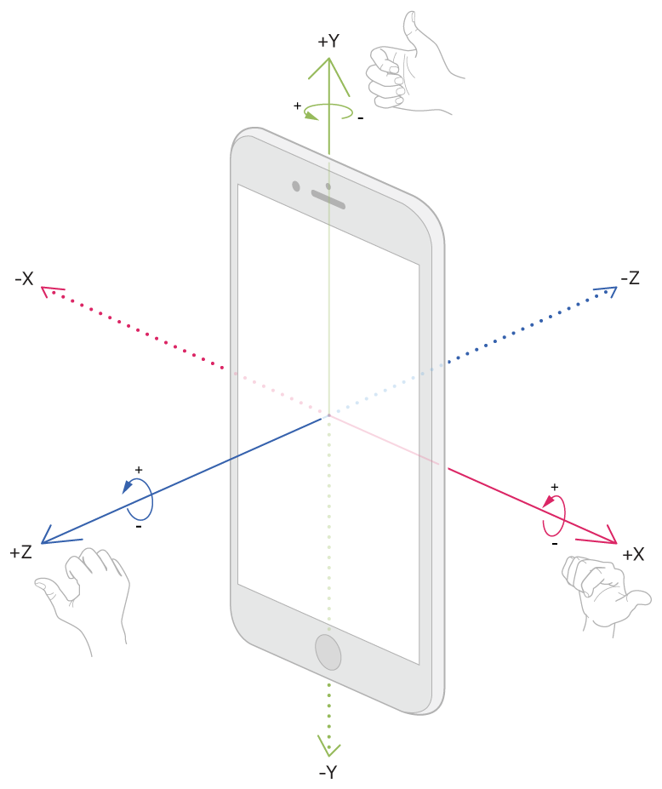
 | Example:
 | deltaRotationVector = FloatArray(4)
 | timestamp=0

 | event.values[0] |  | rad/s | 10
 | event.values[1] |  | rad/s | 20
 | event.values[2] |  | rad/s | 0.5

 | NS2S: convection factor from nano seconds to seconds
 | NS2S=1e-9
 | dT calculation in sec = |  |  | (event.timestamp - timestamp) * NS2S
 | dT calculation in sec = |  |  |  | s | 0.001

 | axisX: Float = event.values[0] |  |  |  | rad/s | 10
 | axisY: Float = event.values[1] |  |  |  | rad/s | 20
 | axisZ: Float = event.values[2] |  |  |  | rad/s | 0.5

 | omegaMagnitude: Float = sqrt(axisX * axisX + axisY * axisY + axisZ * axisZ)
 | omegaMagnitude |  |  |  | rad/s | 22.366269246

 | axisX /= omegaMagnitude |  |  |  | 0.44710183401 |  | True if epsilon=1e-3 for instance
 | axisY /= omegaMagnitude |  |  |  | 0.89420366802
 | axisZ /= omegaMagnitude |  |  |  | 0.0223550917

 | thetaOverTwo: Float = omegaMagnitude * dT / 2.0f |  |  |  |  |  |  |  | rad | 0.011183134623
 | sinThetaOverTwo: Float = sin(thetaOverTwo) |  |  |  |  |  |  |  | sin | 0.011182902
 | cosThetaOverTwo: Float = cos(thetaOverTwo) |  |  |  |  |  |  |  | cos | 0.9999374694
 | deltaRotationVector[0] = sinThetaOverTwo * axisX |  |  |  |  |  |  |  | . | 0.0049998957819
 | deltaRotationVector[1] = sinThetaOverTwo * axisY |  |  |  |  |  |  |  | . | 0.0099997915638
 | deltaRotationVector[2] = sinThetaOverTwo * axisZ |  |  |  |  |  |  |  | . | 0.0002499947891
 | deltaRotationVector[3] = cosThetaOverTwo |  |  |  |  |  |  |  | cos | 0.9999374694

Hence, the mems gyroscope of the mobile device provides rotations of the mobile itself about X, Y, Z axes, but not the Polaris direction (latitude, longitude coordinates system), that needs to be derived from the magnetometer sensor (providing the magnetic north direction). Here,the terminology Polaris direction is used, not True North, to avoid confusion with the Geographic North (easting, northing coordinates system).
Hence, the mems gyroscope of the mobile device does not have a spinning gyroscope subject to the torque of the spinning Earth
Additional tutorials
https://google-developer-training.github.io/android-developer-advanced-course-practicals/unit-1-expand-the-user-experience/lesson-3-sensors/3-2-p-working-with-sensor-based-orientation/3-2-p-working-with-sensor-based-orientation.html
https://www.kodeco.com/10838302-sensors-tutorial-for-android-getting-started/page/1

12. Magnetometer sensor on Android
The tutorials above explain how to use the magnetic sensor to get the North direction.
note: ouitoo trackplotter could use the magnetic deviation provided by a third-party service, based on the current GPS position, to calculate the Polaris direction from the magnetic direction
startUpdatingLocation() to start the GPS service, or call requestLocation() to get a single location event on iOS (iPhones)
(android)
import android.location.Location;
import android.location.LocationManager;

// Inside your Activity class
LocationManager locationManager = (LocationManager) getSystemService(Context.LOCATION_SERVICE);

// Check if GPS is available
if (locationManager.isProviderEnabled(LocationManager.GPS_PROVIDER)) {

// Request location updates
locationManager.requestLocationUpdates(LocationManager.GPS_PROVIDER,
0, // Minimum distance update
0, // Minimum time interval
locationListener);
}

// Implement LocationListener to handle location updates

LocationListener locationListener = new LocationListener() {
@Override
public void onLocationChanged(Location location) {
// Access coordinates
double latitude = location.getLatitude();
double longitude = location.getLongitude();
// Update UI or perform actions with the coordinates
}
// ... other LocationListener methods

};

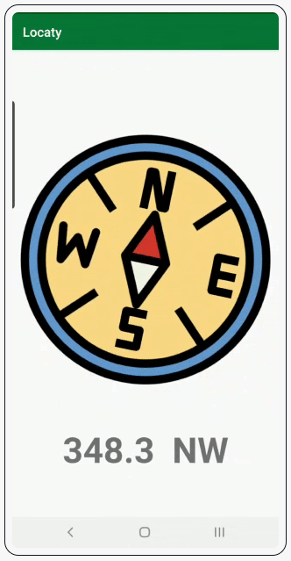
 | https://www.kodeco.com/10838302-sensors-tutorial-for-android-getting-started#:~:text=replaced%20this%20sensor.-,Combining%20Sensor%20Data%20With%20Sensor%20Fusion,-Typically%2C%20you%20can
 | (Based on) https://developer.android.com/develop/sensors-and-location/sensors/sensors_position

 | Combining Sensor Data With Sensor Fusion
 | Typically, you can develop a compass just with a magnetometer. If you want more accurate data, however, you can combine a magnetometer with an accelerometer. This method of using data from two or more sensors to get a more accurate result is known as Sensor Fusion.
 | Now, it’s time to start putting to use all this information. You already have the starter app up and running. You are going to start adding implementation details in order to make the compass functional. Head over to the next section to begin.
 | Setting up Sensors
 | Open LocatyService.kt and create a variable to hold the reference to SensorManager:
 | private lateinit var sensorManager: SensorManager
 | Android Studio now prompts you to import SensorManager, so import android.hardware.SensorManager.
 | Next, in onCreate, add the following code:
 | // 1
 | sensorManager = getSystemService(SENSOR_SERVICE) as SensorManager
 | // 2
 | sensorManager.getDefaultSensor(Sensor.TYPE_ACCELEROMETER)?.also { accelerometer ->
 | sensorManager.registerListener(this, accelerometer, SensorManager.SENSOR_DELAY_NORMAL, SensorManager.SENSOR_DELAY_UI)
 | }
 | // 3
 | sensorManager.getDefaultSensor(Sensor.TYPE_MAGNETIC_FIELD)?.also { magneticField ->
 | sensorManager.registerListener(this, magneticField, SensorManager.SENSOR_DELAY_NORMAL, SensorManager.SENSOR_DELAY_UI)
 | }
 | After you add the code above, import android.hardware.Sensor.
 | Here’s a step-by-step explanation of what the code above does:
 | 1. Initializes SensorManager.
 | 2. Registers a sensor event callback to listen to changes in the accelerometer.
 | 3. Registers a sensor event callback to listen to changes in the magnetometer.
 | Android SDK provides four constants, which inform the Android system how often to tap into the computed events:
 | 1. SENSOR_DELAY_FASTEST: Gets sensors data as soon as possible
 | 2. SENSOR_DELAY_GAME: Gets sensors data at a rate suitable for games
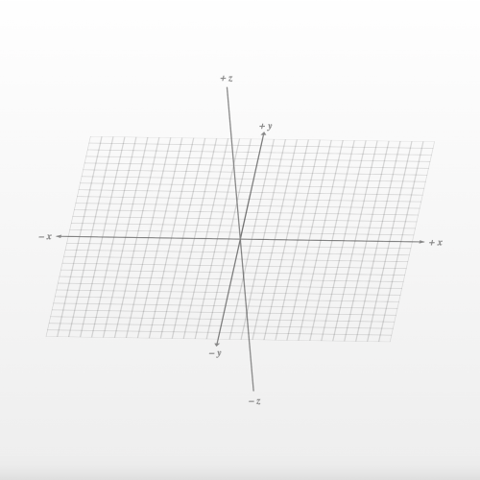
 | 3. SENSOR_DELAY_UI: Gets sensors data at a rate suitable for working with user interfaces
 | 4. SENSOR_DELAY_NORMAL: Gets sensors data at a rate suitable for screen orientation changes
 | To listen to the event changes in the sensors, you need to implement the interface SensorEventListener and override its methods onAccuracyChanged and onSensorChanged.
 | To do that, start by adding the following imports:
 | import android.hardware.SensorEvent
 | import android.hardware.SensorEventListener
 | After that, implement SensorEventListener in LocatyService:
 | class LocatyService : Service(), SensorEventListener {

 | override fun onAccuracyChanged(sensor: Sensor?, accuracy: Int) {
 | }

 | override fun onSensorChanged(event: SensorEvent?) {
 | }

 | }
 | Android system calls onSensorChanged every time there’s a new sensor event. Its SensorEvent parameter gives a set of array of size three, where each index represents a value of an axes in a coordinate system: event.values[0] represents x, event.values[1] represents y and event.values[2] for z.
 | On the other hand, Android system only calls onAccuracyChanged when there’s a change in accuracy. SensorManager contains all the accuracy change constants in SensorManager.SENSOR_STATUS_*.
 | Getting Values From the Accelerometer and Magnetometer
 | In LocatyService, create the following variables:
 | private val accelerometerReading = FloatArray(3)
 | private val magnetometerReading = FloatArray(3)
 | These variables will hold the latest accelerometer and magnetometer values.
 | For this tutorial, you only need to use onSensorChanged since you get all the latest sensor values there. So in onSensorChanged, add the following snippet:
 | override fun onSensorChanged(event: SensorEvent?) {
 | // 1
 | if (event == null) {
 | return
 | }
 | // 2
 | if (event.sensor.type == Sensor.TYPE_ACCELEROMETER) {
 | // 3
 | System.arraycopy(event.values, 0, accelerometerReading, 0, accelerometerReading.size)
 | } else if (event.sensor.type == Sensor.TYPE_MAGNETIC_FIELD) {
 | System.arraycopy(event.values, 0, magnetometerReading, 0, magnetometerReading.size)
 | }
 | }
 | Here’s what the code above does:
 | 1. If the event is null, then simply return
 | 2. Check the type of sensor
 | 3. System.arrayCopy copies values from the sensors into its respective array.
 | Calculating Orientation in onSensorChanged
 | To find the device’s orientation, you first need to determine its rotation matrix.
 | Note:A rotation matrix helps map points from the device’s coordinate system to the real-world coordinate system.
 | Start by creating two arrays as follows:
 | private val rotationMatrix = FloatArray(9)
 | private val orientationAngles = FloatArray(3)
 | These two arrays will hold the values of the rotation matrix and orientation angles. You’ll learn more about them soon.
 | Next, create a function and name it updateOrientationAngles, then add the following code to it. Import kotlin.math.round as a rounding function.
 | fun updateOrientationAngles() {
 | // 1
 | SensorManager.getRotationMatrix(rotationMatrix, null, accelerometerReading, magnetometerReading)
 | // 2
 | val orientation = SensorManager.getOrientation(rotationMatrix, orientationAngles)
 | // 3
 | val degrees = (Math.toDegrees(orientation.get(0).toDouble()) + 360.0) % 360.0
 | // 4
 | val angle = round(degrees * 100) / 100

 | }
 | Here’s how it works:
 | In the variable orientation, you get values that represent
 | All these values are in radians.
 | 1. First, it gets the rotation matrix.
 | 2. It then uses that rotation matrix, which consists of an array of nine values, and maps it to a usable matrix with three values.
 | In the variable orientation, you get values that represent

 | orientation[0] = Azimuth (rotation around the -ve z-axis)
 | orientation[1] = Pitch (rotation around the x-axis)
 | orientation[2] = Roll (rotation around the y-axis)
 | All these values are in radians.
 | 3. Next, it converts the azimuth to degrees, adding 360 because the angle is always positive.
 | 4. Finally, it rounds the angle up to two decimal places.
 | Now, you need to call updateOrientationAngles inside onSensorChanged at the very end. It should look like this:
 | override fun onSensorChanged(event: SensorEvent?) {
 | // Rest of the code

 | updateOrientationAngles()
 | }
 | Adding Direction Based on Angle
 | For your next step, you need to determine which direction the user is facing. To do so, add the following code:
 | private fun getDirection(angle: Double): String {
 | var direction = ""

 | if (angle >= 350 || angle <= 10)
 | direction = "N"
 | if (angle < 350 && angle > 280)
 | direction = "NW"
 | if (angle <= 280 && angle > 260)
 | direction = "W"
 | if (angle <= 260 && angle > 190)
 | direction = "SW"
 | if (angle <= 190 && angle > 170)
 | direction = "S"
 | if (angle <= 170 && angle > 100)
 | direction = "SE"
 | if (angle <= 100 && angle > 80)
 | direction = "E"
 | if (angle <= 80 && angle > 10)
 | direction = "NE"

 | return direction
 | }
 | Here’s what you’re doing with this code:
 | You find the cardinal and intercardinal directions based on the angle you pass.
 | Intercardinal directions are the intermediate directions: Northeast is 45°, southeast is 135°, southwest is 225° and northwest is 315°.
 | Note: Cardinal directions are north, east, south and west. They define a clockwise rotation from north to west, with west and east being perpendicular to north and south.
 | Intercardinal directions are the intermediate directions: Northeast is 45°, southeast is 135°, southwest is 225° and northwest is 315°.
 | The theory behind the function above is that, according to cardinal directions, north is 0° or 360°, east is 90°, south is 180° and west is 270°.
 | Next, add the code below to the end of updateOrientationAngles:
 | fun updateOrientationAngles() {

 | val direction = getDirection(degrees)
 | }
 | In the above variable direction, you’ll get a String for the user’s direction based on the angle that you pass.
 | Now that you have the angle and direction, it’s time to pass them to MainActivity.
 | Sending Data to MainActivity
 | First, create a set of keys in LocatyService:
 | companion object {
 | val KEY_ANGLE = "angle"
 | val KEY_DIRECTION = "direction"
 | val KEY_BACKGROUND = "background"
 | val KEY_NOTIFICATION_ID = "notificationId"
 | val KEY_ON_SENSOR_CHANGED_ACTION = "com.raywenderlich.android.locaty.ON_SENSOR_CHANGED"
 | val KEY_NOTIFICATION_STOP_ACTION = "com.raywenderlich.android.locaty.NOTIFICATION_STOP"
 | }
 | These are keys that you’ll use to send data from LocatyService to MainActivity.
 | After that, import LocalBroadcastManager in LocatyService:
 | import androidx.localbroadcastmanager.content.LocalBroadcastManager
 | Then add the following code in updateOrientationAngles:
 | fun updateOrientationAngles() {
 | // 1
 | val intent = Intent()
 | intent.putExtra(KEY_ANGLE, angle)
 | intent.putExtra(KEY_DIRECTION, direction)
 | intent.action = KEY_ON_SENSOR_CHANGED_ACTION
 | // 2
 | LocalBroadcastManager.getInstance(applicationContext).sendBroadcast(intent)
 | }
 | Take a look at this code, step-by-step:
 | 1. Create an intent object and put data in it with respect to its keys.
 | 2. You then send out a local broadcast with the intent
 | Open MainActivity and add the following code in onCreate. Also, import LocalBroadcastManager.
 | LocalBroadcastManager.getInstance(this).registerReceiver(broadcastReceiver, IntentFilter(LocatyService.KEY_ON_SENSOR_CHANGED_ACTION))
 | Also import android.content.BroadcastReceiver and add the following in your MainActivity.
 | private val broadcastReceiver: BroadcastReceiver = object : BroadcastReceiver() {
 | override fun onReceive(context: Context, intent: Intent) {
 | // 1
 | val direction = intent.getStringExtra(LocatyService.KEY_DIRECTION)
 | val angle = intent.getDoubleExtra(LocatyService.KEY_ANGLE,0.0)
 | val angleWithDirection = "$angle $direction"
 | binding.directionTextView.text = angleWithDirection
 | // 2
 | binding.compassImageView.rotation = angle.toFloat() * -1
 | }
 | }
 | Here’s what you’re doing above:
 | 1. You retrieve and assign data to views.
 | 2. Since the angle you get is in a counter-clockwise direction and the views in Android rotate in a clockwise manner, you need to mirror the angle so that it becomes clockwise as well. To do this, you multiply it by -1.
 | Next, paste the following code in onDestroy:
 | override fun onDestroy() {
 | LocalBroadcastManager.getInstance(this).unregisterReceiver(broadcastReceiver)
 | super.onDestroy()
 | }
 | This will unregister your BroadcastReceiver when it’s no longer needed.
 | In startForegroundServiceForSensors, add the following code:
 | // 1
 | val locatyIntent = Intent(this, LocatyService::class.java)
 | locatyIntent.putExtra(LocatyService.KEY_BACKGROUND, background)
 | // 2
 | ContextCompat.startForegroundService(this, locatyIntent)
 | With this code, you’re:
 | 1. Create intent for service.
 | 2. Starting foreground service.
 | Then, in onResume, add the following:
 | override fun onResume() {
 | super.onResume()
 | startForegroundServiceForSensors(false)
 | }
 | As soon as your activity starts, onResume is called. You pass a false in the function because the app is in the foreground.
 | Also in onPause, do the following:
 | override fun onPause() {
 | super.onPause()
 | startForegroundServiceForSensors(true)
 | }
 | onPause is called when app goes in the background. Thus, you pass true in the function to let LocatyService know that app is no longer in the foreground.

 | Handling Events in the Background
 | When you implemented the Service, you enabled handling sensor events in the background. However, Android enforces a lot of restrictions on background processing. In its current implementation sensor events are handled when the app goes into the background. If, say, the system or user kills the app, no events will be processed.
 | This is not ideal when using a compass. To handle this case, you need to start your service as a foreground service and show a persistent notification.
 | To do so, you’ll need to add some more code to LocatyService:
 | Keep track of when the service is backgrounded
 | Create a notification
 | Start the service as Foreground Service
 | Start by opening LocatyService and adding the following variable:
 | private var background = false
 | Also, update your onStartCommand as below:
 | override fun onStartCommand(intent: Intent?, flags: Int, startId: Int): Int {
 | intent?.let {
 | // 1
 | background = it.getBooleanExtra(KEY_BACKGROUND, false)
 | }
 | return START_STICKY
 | }
 | Here’s what this does:
 | 1. Gets the application state from MainActivity, which you pass when you start the service.
 | Next, add the following constants in LocatyService:
 | private val notificationActivityRequestCode = 0
 | private val notificationId = 1
 | private val notificationStopRequestCode = 2
 | These are the request codes you use when creating a PendingIntent. Each PendingIntent should have a unique request code.
 | To create a notification when the app is in the background, first import androidx.core.app.NotificationCompat, then add the following function:
 | private fun createNotification(direction: String, angle: Double): Notification {
 | // 1
 | val notificationManager =
 | getSystemService(Context.NOTIFICATION_SERVICE) as NotificationManager

 | if (Build.VERSION.SDK_INT >= Build.VERSION_CODES.O) {
 | val notificationChannel = NotificationChannel(
 | application.packageName,
 | "Notifications", NotificationManager.IMPORTANCE_DEFAULT
 | )

 | // Configure the notification channel.
 | notificationChannel.enableLights(false)
 | notificationChannel.setSound(null, null)
 | notificationChannel.enableVibration(false)
 | notificationChannel.vibrationPattern = longArrayOf(0L)
 | notificationChannel.setShowBadge(false)
 | notificationManager.createNotificationChannel(notificationChannel)
 | }

 | val notificationBuilder = NotificationCompat.Builder(baseContext, application.packageName)
 | // 2
 | val contentIntent = PendingIntent.getActivity(
 | this, notificationActivityRequestCode,
 | Intent(this, MainActivity::class.java), PendingIntent.FLAG_UPDATE_CURRENT)
 | // 3
 | val stopNotificationIntent = Intent(this, ActionListener::class.java)
 | stopNotificationIntent.action = KEY_NOTIFICATION_STOP_ACTION
 | stopNotificationIntent.putExtra(KEY_NOTIFICATION_ID, notificationId)
 | val pendingStopNotificationIntent =
 | PendingIntent.getBroadcast(this, notificationStopRequestCode, stopNotificationIntent, PendingIntent.FLAG_UPDATE_CURRENT)

 | notificationBuilder.setAutoCancel(true)
 | .setDefaults(Notification.DEFAULT_ALL)
 | .setContentTitle(resources.getString(R.string.app_name))
 | .setContentText("You're currently facing $direction at an angle of $angle°")
 | .setWhen(System.currentTimeMillis())
 | .setDefaults(0)
 | .setVibrate(longArrayOf(0L))
 | .setSound(null)
 | .setSmallIcon(R.mipmap.ic_launcher_round)
 | .setContentIntent(contentIntent)
 | .addAction(R.mipmap.ic_launcher_round, getString(R.string.stop_notifications), pendingStopNotificationIntent)

 | return notificationBuilder.build()
 | }
 | Here’s a breakdown of what it does:
 | 1. Creates a NotificationManager.
 | 2. Opens the main screen of the app on a notification tap.
 | 3. Adds an intent to stop the notifications from appearing.
 | Now, you’ll create a BroadcastReceiver named ActionListener. This will listen to broadcast for stop action when you tap the Stop Notifications button from the notification.
 | Add the code block below inside LocatyService:
 | class ActionListener : BroadcastReceiver() {
 | override fun onReceive(context: Context?, intent: Intent?) {

 | if (intent != null && intent.action != null) {
 | // 1
 | if (intent.action.equals(KEY_NOTIFICATION_STOP_ACTION)) {
 | context?.let {
 | // 2
 | val notificationManager =
 | context.getSystemService(Context.NOTIFICATION_SERVICE) as NotificationManager
 | val locatyIntent = Intent(context, LocatyService::class.java)
 | // 3
 | context.stopService(locatyIntent)
 | val notificationId = intent.getIntExtra(KEY_NOTIFICATION_ID, -1)
 | if (notificationId != -1) {
 | // 4
 | notificationManager.cancel(notificationId)
 | }
 | }
 | }
 | }
 | }
 | }
 | Here’s what this code does:
 | 1. Checks if the broadcast’s action is same as for Stop Notifications.
 | 2. Gets a reference to NotificationManager.
 | 3. Stops the service.
 | 4. Removes the persistent notification from the Notification Drawer.
 | Now, add the ActionListener to AndroidManifest:
 | <receiver android:name=".LocatyService$ActionListener"/>
 | Here, you register the ActionListener in AndroidManifest. You could have invoked the registeration/deregiteration during runtime also inside the class.
 | When starting a foreground service, you need to register a notification if you want the service to keep running in the background. This applies to Android version Oreo and above.
 | In onCreate of LocatyService, add the following:
 | // 1
 | val notification = createNotification(getString(R.string.not_available), 0.0)
 | // 2
 | startForeground(notificationId, notification)
 | Here’s what this code block does:
 | 1. Create a notification
 | 2. Start the service with the notification as a Foreground Service
 | Finally, add the following snippet to the end of updateOrientationAngles:
 | if (background) {
 | // 1
 | val notification = createNotification(direction, angle)
 | startForeground(notificationId, notification)
 | } else {
 | // 2
 | stopForeground(true)
 | }

 | Here’s what this code does:
 | 1. Creates and shows a notification when the app goes into the background.
 | 2. Hides the notification as soon as the app comes into the foreground.
 | That’s it! Finally, it’s time to run the app to see how the compass works.
 | Now, build and run.

