cover
JRC-IDEES-2021 - Integrated Database of the European Energy System

 | European Union (27 countries from 2020)

 | Energy balances
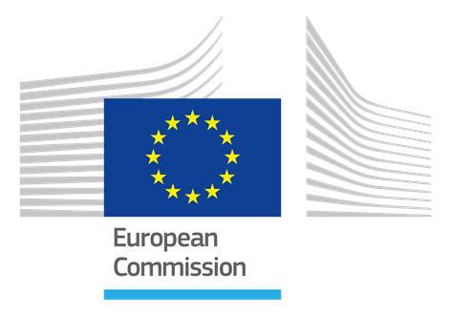

 |  | Prepared by JRC C.6

 |  | 2024-05-20 18:57:11
 |  | v2021-1.00

Legal Notice

The information made available is property of the Joint Research Centre of the European Commission.
Neither the European Commission nor any person acting on behalf of the Commission is responsible for the use which might be made of this information.

Use conditions
This work is licensed under
CC BY 4.0

