T3.5.9 Guidance Notes
PERIMETER SHEAR TEST GUIDANCE NOTES

 | When entering peak loads please ensure they are in accordance with the image below:

 | Note: Make sure to include BOTH peaks. Also, in case of assymetrical laminates.

 | Note: If the first peak is higher than the second then it can be used for the punch through
 | strength requirement.

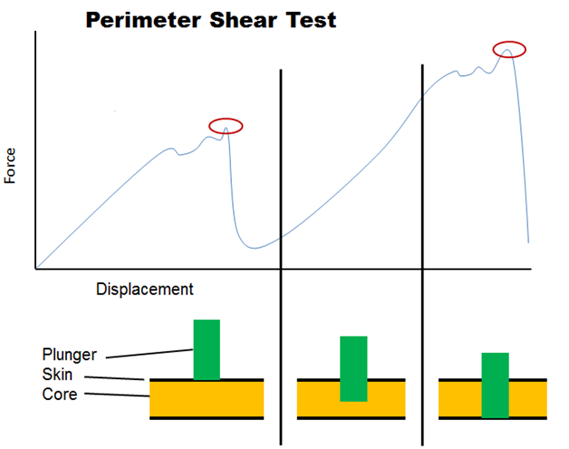
Higher Peak:
T3.14 / T3.15 requirement

Lower Peak:
Ymax, used to derive shear strenght for any attachment

 |  | BACK

EV5.5.10-11 Guidance Notes
CELL FIXATION GUIDANCE NOTES

>80 %
 | Pouch cells must be fixed using one or both of the large
 | surface(s) only.
 | Large surface means only the surface shown in the picture on the right.
 | This may be done by friction or adhesive.
 | The other surfaces of the cell must not carry any major load. However,
 | touching other surfaces for packaging reasons is acceptable.

h
 | Each used surface must be fixed on at least 80 %.
 | 80 % is the absolute minimum surface to be used. If possible, use more
 | to distribute the force more evenly and improve safety.

w
 | Tabs of pouch cells must not carry mechanical loads and must not
 | press into the pouch.
 | Absolutely no mechanical load is permitted on the cell tabs. Busbars,
 | PCB and/or other parts that are connected with the cell tabs must have
 | a separate mounting from the cell tabs.

 | To be able to fulfill EV5.5.11, the number of cells mechanically attached in series
 | is limited.
 | The number of cells in series can be determined based on the following explanation:
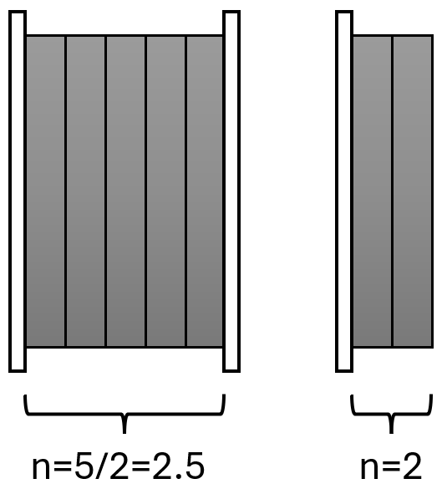
 | If cells are supported on both sides, i.e. between
 | supports, the number of cells mechanically in
 | series is the number of cells between the supports
 | divided by 2.
 | (Left image)

 | If cells are supported from one side only, the
 | overall number of cells attached to that support
 | shall be considered the cells mechanically in series.
 | (Right image)

 |  | BACK

EV5.5.12 Guidance Notes
FRICTION-BASED CELL FIXATION GUIDANCE NOTES

 | For friction based cell fixation, i.e. using a preload force to clamp the cells, testing is
 | required to determine the coefficient of friction between the cells and the material
 | they are attached to.

 | A suggestion for a test setup is shown below.

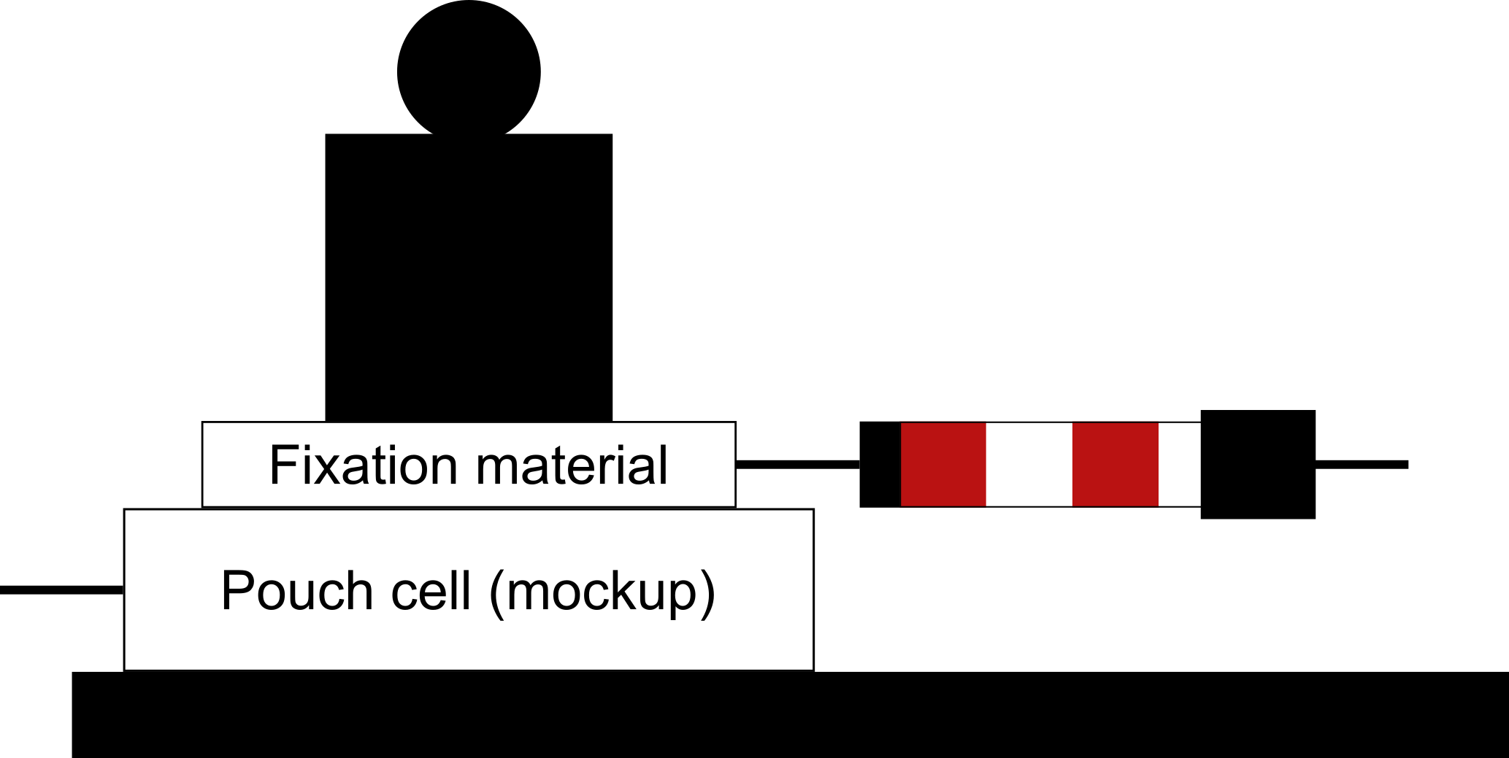

 | Cell or mockup
 | For the test, you can use a an actual cell (respecting all necessary safety measures)
 | or a representative cell mockup.
 | If a mockup is used, it must have respresentative size (area of friction), surface condition,
 | and stiffness as the actual cell. Pouch cell foil may be available at the manufacturer.

 | Testing Pressure
 | The coefficient of friction may be non-linear towards the application pressure. This
 | must be respected in the testing and calculation.
 | However, the actual pressure in the stack may be inappropriate/too high for the test.
 | Conduct tests with different testing pressure values and then extrapolate in the
 | calculation to your real application pressure.

 | Testing procedure and documentation
 | For each testing pressure, also conduct multiple tests to exclude random influences.
 | Document every test result in the EV5.5.10-12 Cell Fixation tab in a table.
 | Show pictures of and describe your test setup. Briefly summarize your test and
 | argue, which coefficient of friction was chosen.
 |  | BACK

EV5.5 TSAC Attachment Guidance
ACCUMULATOR CONTAINER ATTACHMENT GUIDANCE NOTES
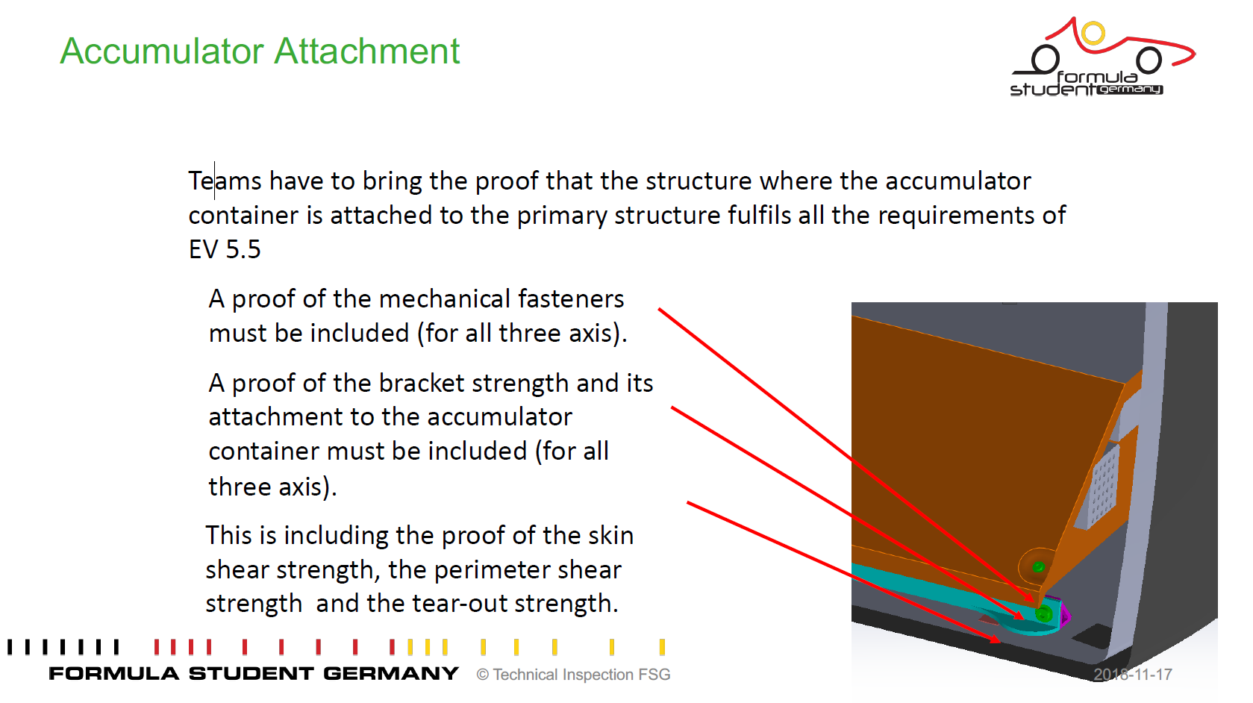

 | Please note:
 | Analytical calculations always preferred

! | Showing some flashy and colourful FEM images without legends, full model description or lettertypes are unreadable, nothing given about the meshing etc. result in a "FAIL" directly. |  | !

 |  | BACK

