Tabelle1
MicroControllerUnit | Bild | Chip | Preis | Pin↔️ | Pin↕️ | Takt | Cores | VoltOp | VoltIn | USB-Typ | Flash | RAM | EEPROM | Pinout | GPIO | Digital | Analog | PWM | UART | I2C | SPI | WLAN | BT | HID | Edge | Plattform | Kommentar
Pro Micro 5V | 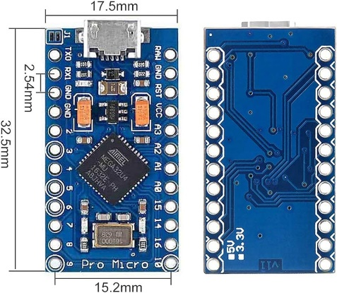 | ATmega32U4 | 4 € | 12 Pin | 7 Pin | 16 MHz | 1 Core 8-Bit | 5V | 5V - 12V ? | USB-Micro | 32 KB (28 KB) | 2,5 KB | 1 KB |  | 18 | 12 | 4 (9) 10-Bit | 5 | 1 | 1 | 1 | N | N | J | N | Arduino (IDE) Bootloader; | Arduino Leonardo Board ähnlich; 40 mA Strom pro I/O Pin;
Pro Micro 5V USB-C Black |  | ATmega32U4 | 6 € | 12 Pin | 7 Pin | 16 MHz | 1 Core 8-Bit | 5V | 5V - 12V ? | USB-C | 32 KB (28 KB) | 2,5 KB | 1 KB |  | 18 | 12 | 4 (9) 10-Bit | 5 | 1 | 1 | 1 | N | N | J | N | Arduino (IDE) Bootloader; | Arduino Leonardo Board ähnlich; 40 mA Strom pro I/O Pin;
WeMos D1 Mini |  | ESP8266-12F | 2 € | 8 Pin | 10 Pin | 160 MHz | 1 Core 32-Bit | 3,3V | 3,3V - 24V ? | USB-Micro | 4 MB | 96 KB | 0 KB |  | 11 | 9 | 1 10-Bit | 9 | 1 | 1 | 1 | J | N | N | N | Arduino (IDE) Bootloader;
Raspberry Pi Pico |  | RP2040 | 5 € | 20 Pin | 8 Pin | 133 MHz | 2 Cores 32-Bit | 3,3V | 3,3V - 5V ? | USB-Micro | 2 MB | 264 KB | 0 KB |  | 26 | 26 | 3 12-Bit ? | 16 | 2 | 2 | 2 | N | N | J | J | Arduino (IDE) Bootloader; MicroPython; CircuitPython
RP2040 Pico USB-C Black |  | RP2040 | 5 € | 20 Pin | 8 Pin | 133 MHz | 2 Cores 32-Bit | 3,3V | 3,3V - 5V ? | USB-C | 4 MB / 16 MB | 264 KB | 0 KB |  | 27 ? | 27 ? | 3 12-Bit ? | 16 | 2 | 2 | 2 | N | N | J | N | Arduino (IDE) Bootloader; MicroPython; CircuitPython
RP2040 Pro Micro USB-C Black |  | RP2040 | 5 € | 13 Pin | 7 Pin | 133 MHz | 2 Cores 32-Bit | 3.3V | 3,3V - 5V ? | USB-C | 4 MB / 16 MB | 264 KB | 0 KB |  | 25 + 3 | 25 + 3 | 4 12-Bit ? | 16 | 2 | 2 | 2 | N | N | J | N | Arduino (IDE) Bootloader; MicroPython; CircuitPython | Pin compatible with the Pro Micro (ATmega32U4)*;
RP2040 Pico Mini USB-C Black |  | RP2040 | 5 € | 14 Pin | 7 Pin | 133 MHz | 2 Cores 32-Bit | 3.3V | 3,3V - 5V ? | USB-C | 4 MB / 8 MB / 16 MB | 264 KB | 0 KB |  | 29 | 29 | 4 12-Bit ? | 16 | 2 | 2 | 2 | N | N | J | J | Arduino (IDE) Bootloader; MicroPython; CircuitPython
RP2040 Super Mini USB-C Black |  | RP2040 | 4 € | 9 Pin | 7 Pin | 133 MHz | 2 Cores 32-Bit | 3.3V | 3,3V - 5V ? | USB-C | 2 MB | 264 KB | 0 KB |  | 20 + 9 | 20 + 9 | 4 12-Bit ? | 16 | 2 | 2 | 2 | N | N | J | J | Arduino (IDE) Bootloader; MicroPython; CircuitPython
RP2040 Zero USB-C Blue |  | RP2040 | 3 € | 9 Pin | 7 Pin | 133 MHz | 2 Cores 32-Bit | 3.3V | 3,3V - 5V ? | USB-C | 2 MB ? | 264 KB | 0 KB |  | 20 + 9 | 20 + 9 | 4 12-Bit ? | 16 | 2 | 2 | 2 | N | N | J | J | Arduino (IDE) Bootloader; MicroPython; CircuitPython

seeeduino xiao rp2040 | https://de.aliexpress.com/item/1005004318563706.html
Esp32 TYPE-C usb ch340c | https://de.aliexpress.com/item/1005005687878888.html
RP2040 Pico USB-C Black Lite | https://de.aliexpress.com/item/1005003928558306.html
ESP32-C3 Super Mini | https://de.aliexpress.com/item/1005005967641936.html

