Sheet1
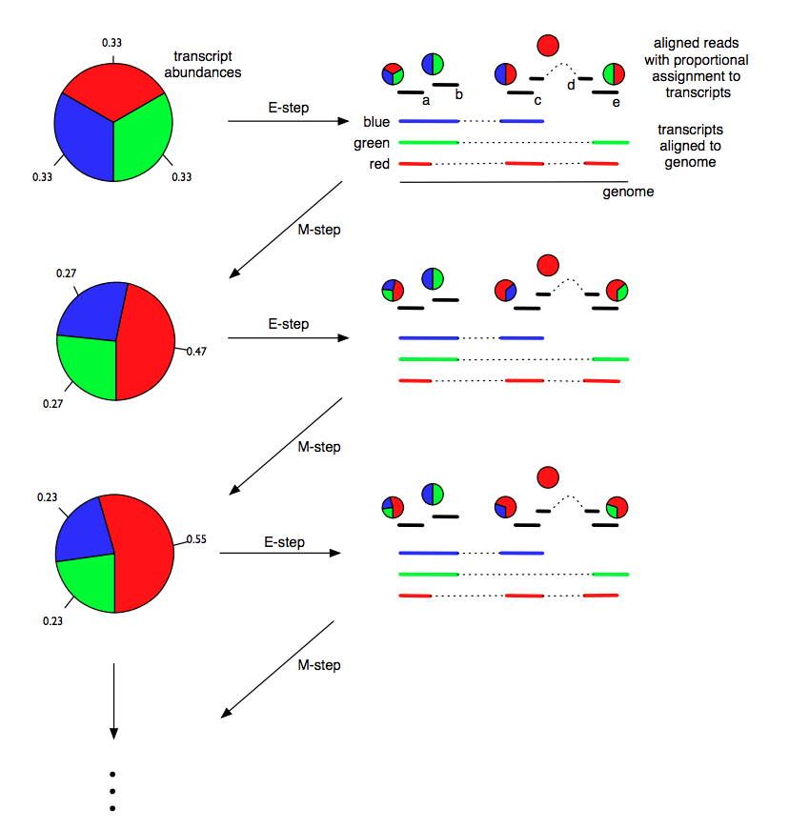
Models for transcript quantification from RNA-seq
Pachter, L (2011) arXiv. 1104.3889 [q-bio.GN]

 | Transcripts |  |  | Read A |  |  | Read B |  |  | Read C |  |  | Read D |  |  | Read E
Round | Red | Green | Blue | Ared | Agreen | Ablue | Bred | Bgreen | Bblue | Cred | Cgreen | Cblue | Dred | Dgreen | Dblue | Ered | Egreen | Eblue
0 | 0.33333333333 | 0.33333333333 | 0.33333333333 | 0.33333333333 | 0.33333333333 | 0.33333333333 | 0 | 0.5 | 0.5 | 0.5 | 0 | 0.5 | 1 | 0 | 0 | 0.5 | 0.5 | 0
1 | 0.46666666667 | 0.26666666667 | 0.26666666667 | 0.46666666667 | 0.26666666667 | 0.26666666667 | 0 | 0.5 | 0.5 | 0.63636363636 | 0 | 0.36363636364 | 1 | 0 | 0 | 0.63636363636 | 0.36363636364 | 0
2 | 0.54787878788 | 0.22606060606 | 0.22606060606 | 0.54787878788 | 0.22606060606 | 0.22606060606 | 0 | 0.5 | 0.5 | 0.7079091621 | 0 | 0.2920908379 | 1 | 0 | 0 | 0.7079091621 | 0.2920908379 | 0
3 | 0.59273942242 | 0.20363028879 | 0.20363028879 | 0.59273942242 | 0.20363028879 | 0.20363028879 | 0 | 0.5 | 0.5 | 0.7443018162 | 0 | 0.2556981838 | 1 | 0 | 0 | 0.7443018162 | 0.2556981838 | 0
4 | 0.61626861096 | 0.19186569452 | 0.19186569452 | 0.61626861096 | 0.19186569452 | 0.19186569452 | 0 | 0.5 | 0.5 | 0.76258192083 | 0 | 0.23741807917 | 1 | 0 | 0 | 0.76258192083 | 0.23741807917 | 0
5 | 0.62828649052 | 0.18585675474 | 0.18585675474 | 0.62828649052 | 0.18585675474 | 0.18585675474 | 0 | 0.5 | 0.5 | 0.7717149214 | 0 | 0.2282850786 | 1 | 0 | 0 | 0.7717149214 | 0.2282850786 | 0
6 | 0.63434326666 | 0.18282836667 | 0.18282836667 | 0.63434326666 | 0.18282836667 | 0.18282836667 | 0 | 0.5 | 0.5 | 0.77626687074 | 0 | 0.22373312926 | 1 | 0 | 0 | 0.77626687074 | 0.22373312926 | 0
7 | 0.63737540163 | 0.18131229919 | 0.18131229919 | 0.63737540163 | 0.18131229919 | 0.18131229919 | 0 | 0.5 | 0.5 | 0.77853301203 | 0 | 0.22146698797 | 1 | 0 | 0 | 0.77853301203 | 0.22146698797 | 0
8 | 0.63888828514 | 0.18055585743 | 0.18055585743 | 0.63888828514 | 0.18055585743 | 0.18055585743 | 0 | 0.5 | 0.5 | 0.77966056739 | 0 | 0.22033943261 | 1 | 0 | 0 | 0.77966056739 | 0.22033943261 | 0
9 | 0.63964188398 | 0.18017905801 | 0.18017905801 | 0.63964188398 | 0.18017905801 | 0.18017905801 | 0 | 0.5 | 0.5 | 0.78022144986 | 0 | 0.21977855014 | 1 | 0 | 0 | 0.78022144986 | 0.21977855014 | 0
10 | 0.64001695674 | 0.17999152163 | 0.17999152163 | 0.64001695674 | 0.17999152163 | 0.17999152163 | 0 | 0.5 | 0.5 | 0.78050041386 | 0 | 0.21949958614 | 1 | 0 | 0 | 0.78050041386 | 0.21949958614 | 0
11 | 0.64020355689 | 0.17989822155 | 0.17989822155 | 0.64020355689 | 0.17989822155 | 0.17989822155 | 0 | 0.5 | 0.5 | 0.78063915202 | 0 | 0.21936084798 | 1 | 0 | 0 | 0.78063915202 | 0.21936084798 | 0
12 | 0.64029637218 | 0.17985181391 | 0.17985181391 | 0.64029637218 | 0.17985181391 | 0.17985181391 | 0 | 0.5 | 0.5 | 0.7807081489 | 0 | 0.2192918511 | 1 | 0 | 0 | 0.7807081489 | 0.2192918511 | 0
13 | 0.640342534 | 0.179828733 | 0.179828733 | 0.640342534 | 0.179828733 | 0.179828733 | 0 | 0.5 | 0.5 | 0.78074246168 | 0 | 0.21925753832 | 1 | 0 | 0 | 0.78074246168 | 0.21925753832 | 0
14 | 0.64036549147 | 0.17981725426 | 0.17981725426 | 0.64036549147 | 0.17981725426 | 0.17981725426 | 0 | 0.5 | 0.5 | 0.78075952561 | 0 | 0.21924047439 | 1 | 0 | 0 | 0.78075952561 | 0.21924047439 | 0
15 | 0.64037690854 | 0.17981154573 | 0.17981154573 | 0.64037690854 | 0.17981154573 | 0.17981154573 | 0 | 0.5 | 0.5 | 0.78076801155 | 0 | 0.21923198845 | 1 | 0 | 0 | 0.78076801155 | 0.21923198845 | 0
16 | 0.64038258633 | 0.17980870684 | 0.17980870684 | 0.64038258633 | 0.17980870684 | 0.17980870684 | 0 | 0.5 | 0.5 | 0.78077223163 | 0 | 0.21922776837 | 1 | 0 | 0 | 0.78077223163 | 0.21922776837 | 0
17 | 0.64038540992 | 0.17980729504 | 0.17980729504 | 0.64038540992 | 0.17980729504 | 0.17980729504 | 0 | 0.5 | 0.5 | 0.78077433028 | 0 | 0.21922566972 | 1 | 0 | 0 | 0.78077433028 | 0.21922566972 | 0
18 | 0.6403868141 | 0.17980659295 | 0.17980659295 | 0.6403868141 | 0.17980659295 | 0.17980659295 | 0 | 0.5 | 0.5 | 0.78077537395 | 0 | 0.21922462605 | 1 | 0 | 0 | 0.78077537395 | 0.21922462605 | 0
19 | 0.6403875124 | 0.1798062438 | 0.1798062438 | 0.6403875124 | 0.1798062438 | 0.1798062438 | 0 | 0.5 | 0.5 | 0.78077589296 | 0 | 0.21922410704 | 1 | 0 | 0 | 0.78077589296 | 0.21922410704 | 0
20 | 0.64038785966 | 0.17980607017 | 0.17980607017 | 0.64038785966 | 0.17980607017 | 0.17980607017 | 0 | 0.5 | 0.5 | 0.78077615107 | 0 | 0.21922384893 | 1 | 0 | 0 | 0.78077615107 | 0.21922384893 | 0

