1
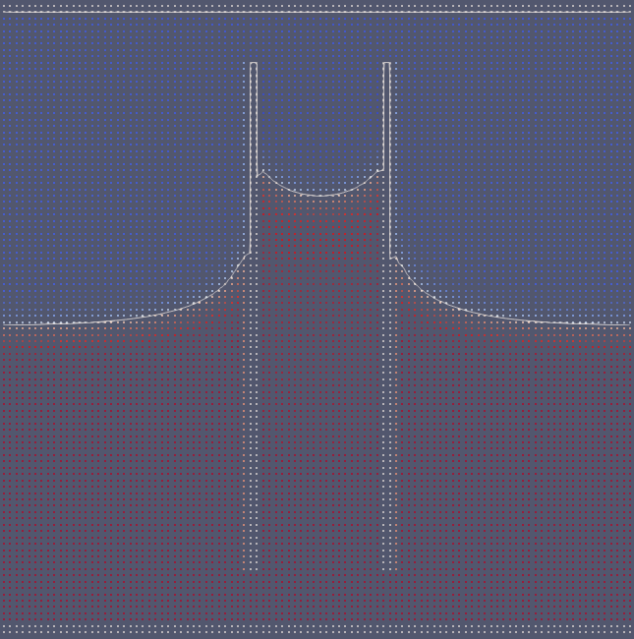
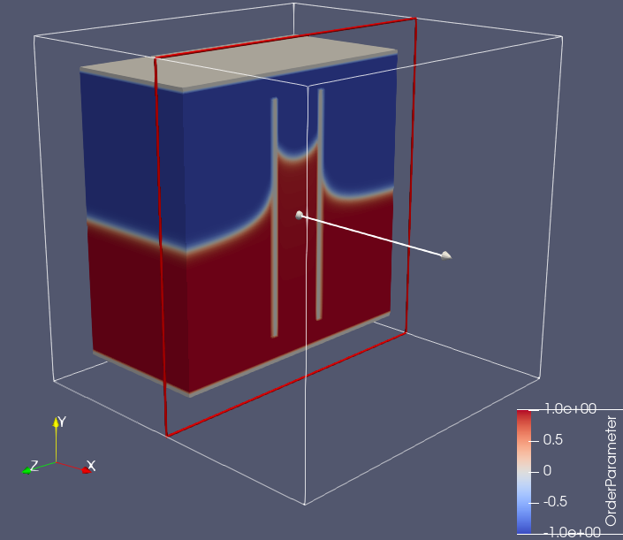
kappa | 2.00E-03
A | 1.00E-03

IFT | 0.0013333333333
r | 10
rho * g | 1.00E-05

theta | 30

h | 23.094010768
21 LL

