1
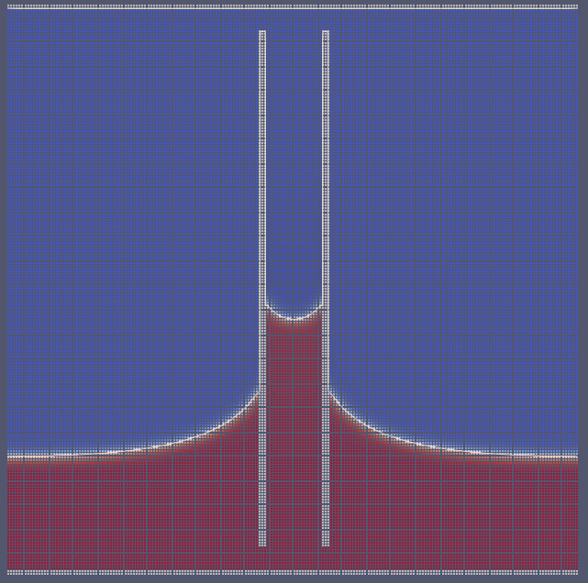
kappa | 2.00E-03
A | 1.00E-03

IFT | 0.0013333333333
r | 10
rho * g | 2.50E-06

theta | 30

h | 46.188021535

48 LL

