Sheet1
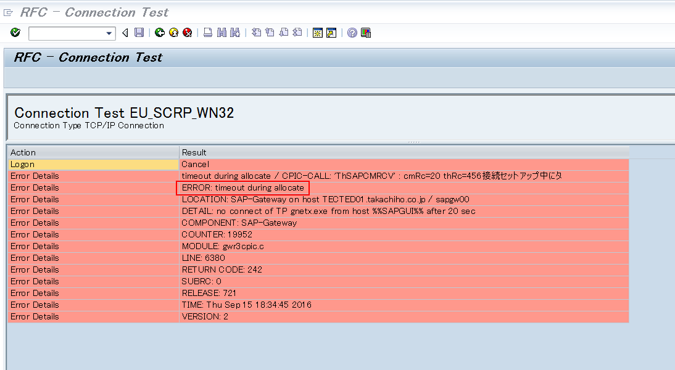
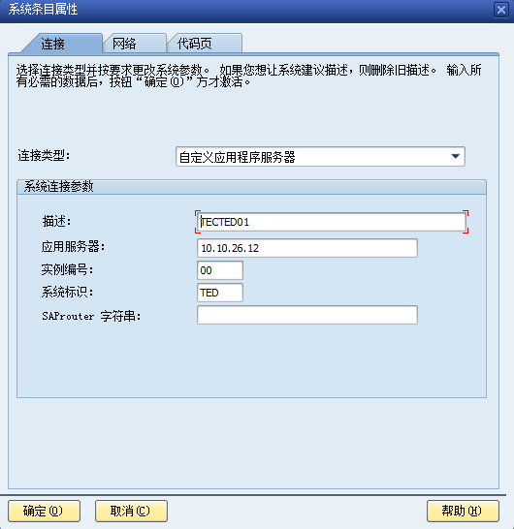

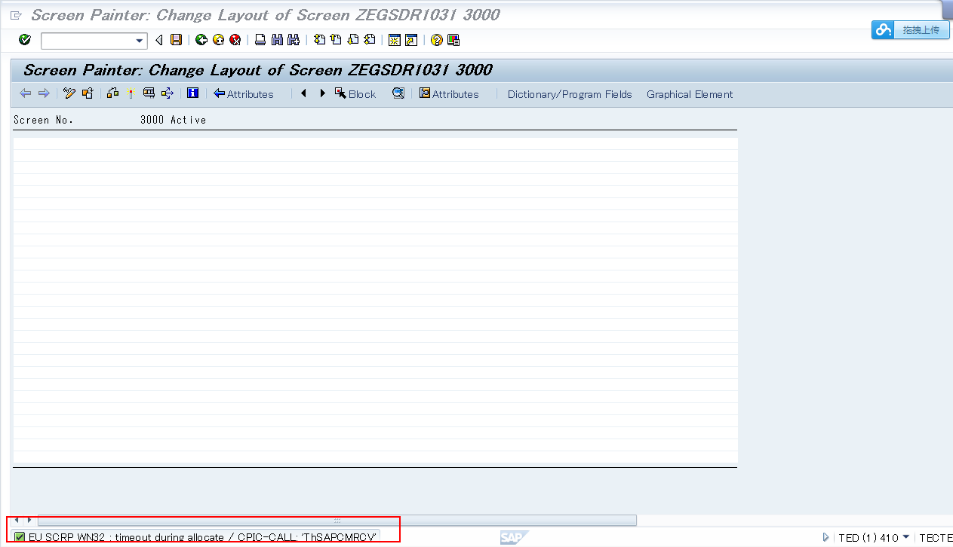

Client: 410
ISID21/isid123

Output Sample PG: ZEGSDR1030 | CodePage, | Table:ZTEGZZM001
 | Message | ZMEGSD01
 | Package | ZEGSD01

