Evidence - 1.1
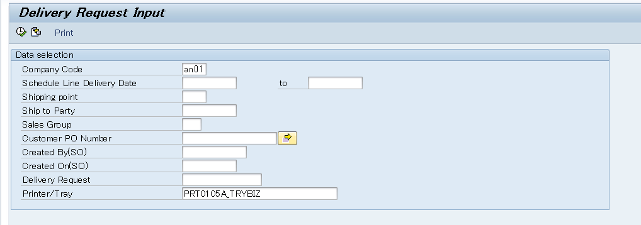
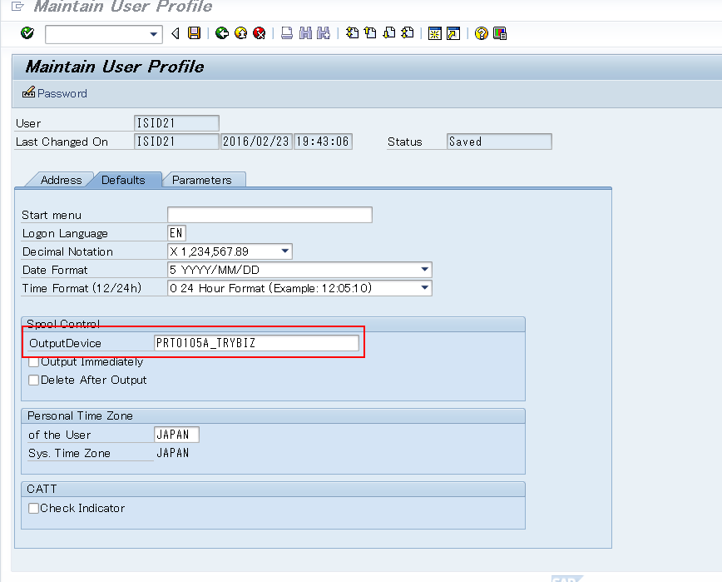
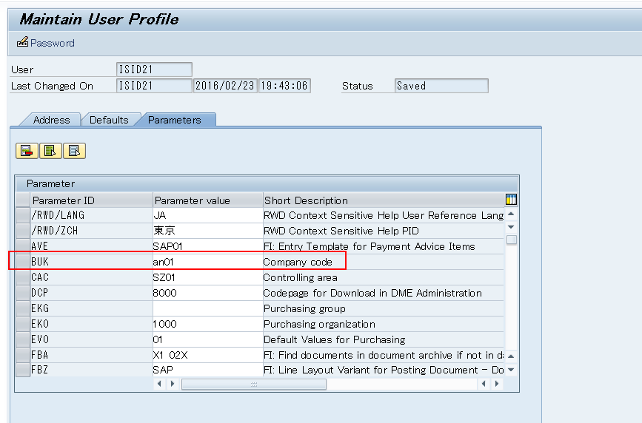
1.1 | Selection screen is align with the specification - Selection screen without any input

 | A | A push button [Print] exist in the function area
 | B | [Company code],[Shipping point],[Ship to Party],[Sales Group],[Created By(SO)],[Delivery Request],[Printer/Tray] are parameters
 | C | [Schedule Line Delivery Date](no multipule),[Customer PO Number](no extensition) are select options
 | D | [Company Code] is linked to memory id 'BUK',[Printer/Tray] is get from user default setting

Evidence - 1.2
1.2 | Obligatory Check
 | 1.2.1 | [Delivery Request] is initial when press 'Execute'

 |  | A | [Company Code] is not input

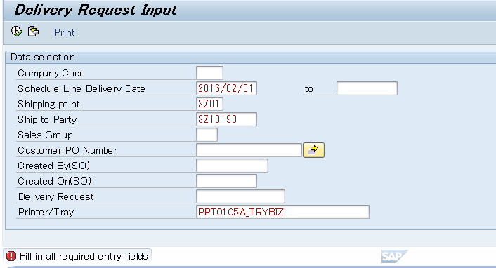

 |  | B | [Schedule Line Delivery Date] is not input

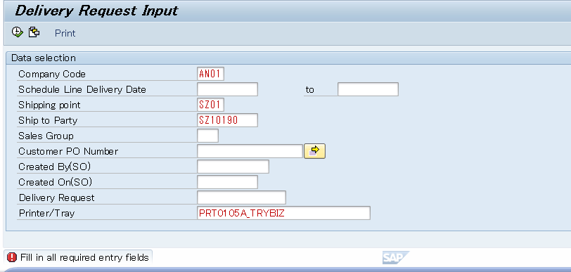

 |  | C | [Shipping point] is not input

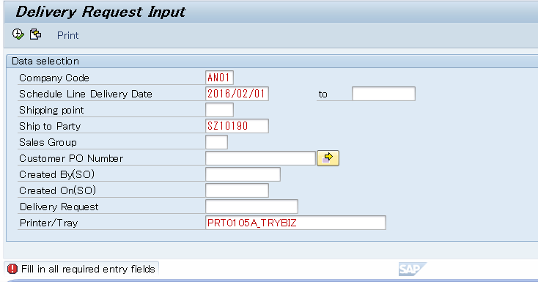

 |  | D | [Ship to Party] is not input
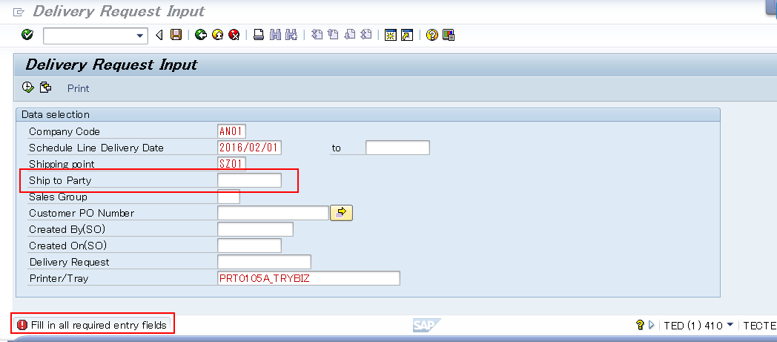

 | 1.2.2 | [Delivery Request] is initial when press 'Print'

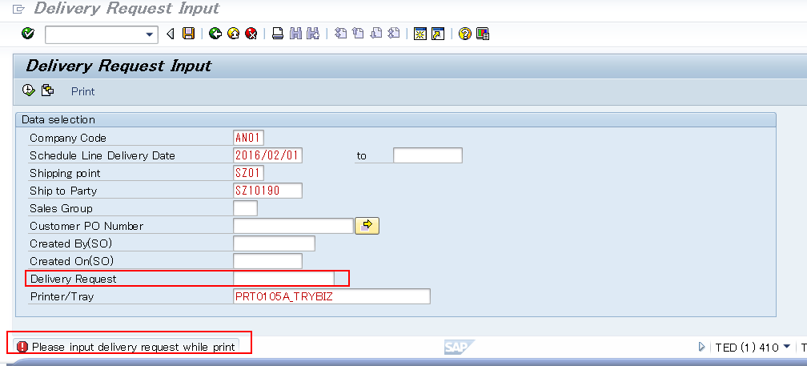

 | 1.2.2 | [Delivery Request] is not initial

Evidence - 1.3
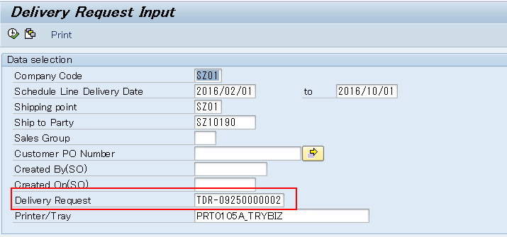
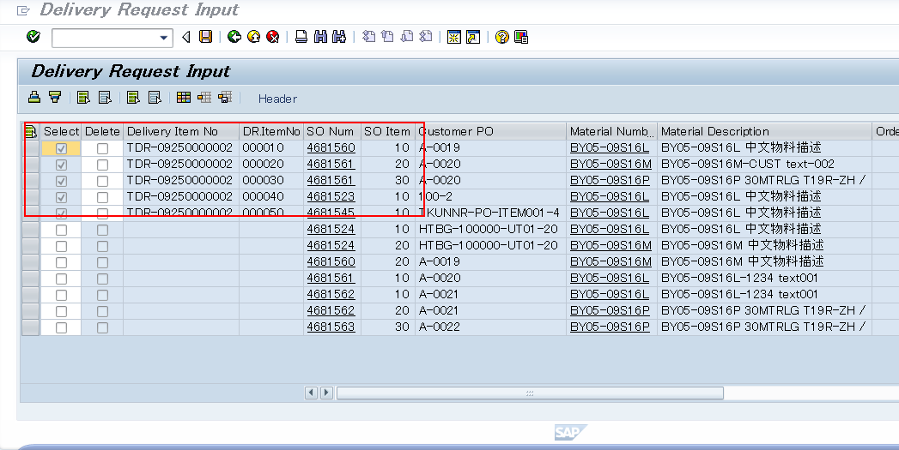
1.3 | Selection condition works well to selection the correct records
 | 1.3.1 | Data correctly extracted per selection screen

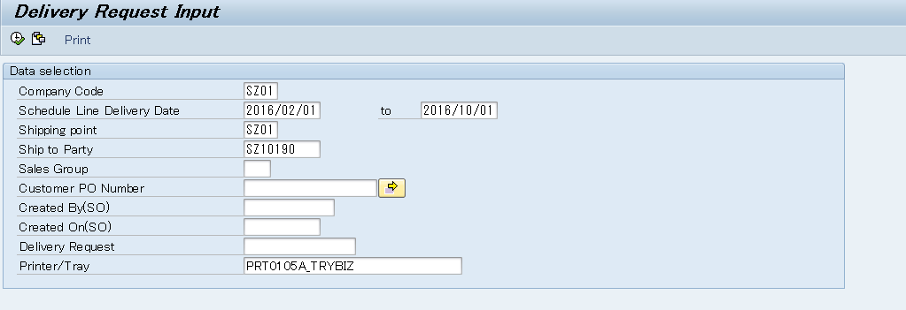

 | 1.3.2 | No data exist per selection screen while press 'execute'
 |  | A | No data extract per Sales organization(get from table - TVKO:Sales Organizations) and [shipping point] in selection screen

 |  | Get the sale org per the [company code]

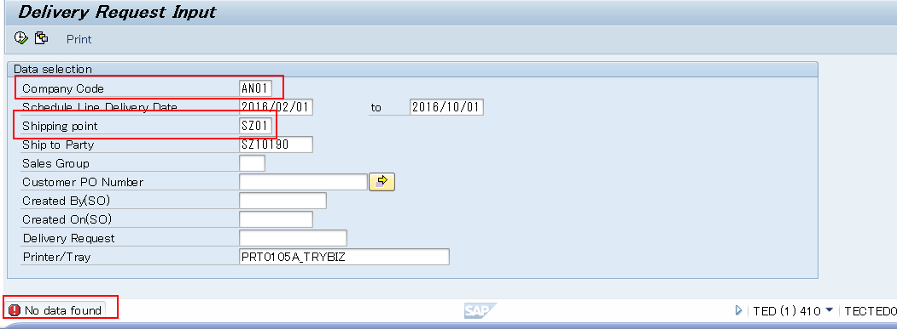

 |  | B | No data extract per Sales organization(get from table - TVKO:Sales Organizations) and [shipping point] in selection screen

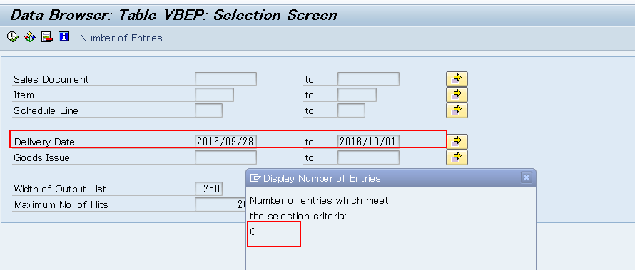

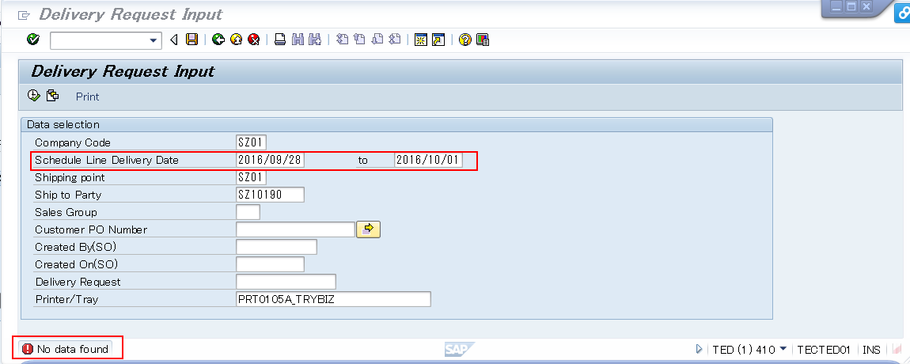

 |  | B | No data extract per [Ship-to Party] in selection screen

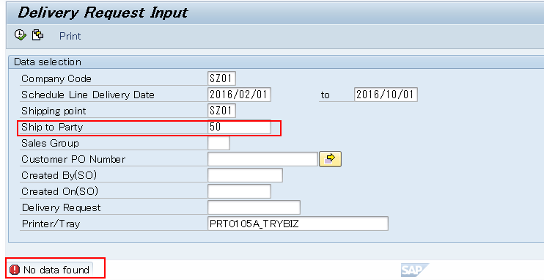

 |  | C | No data extract per [Sales group]

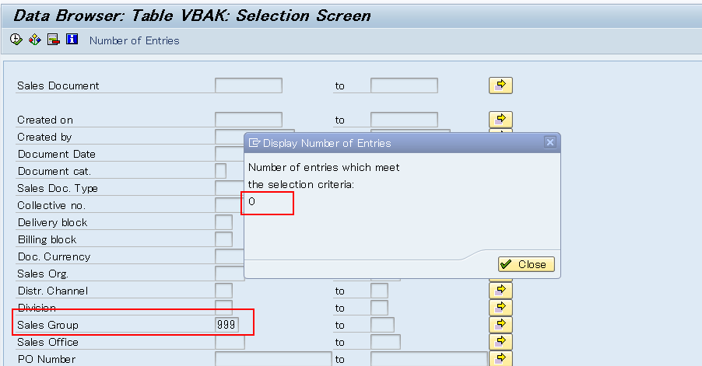

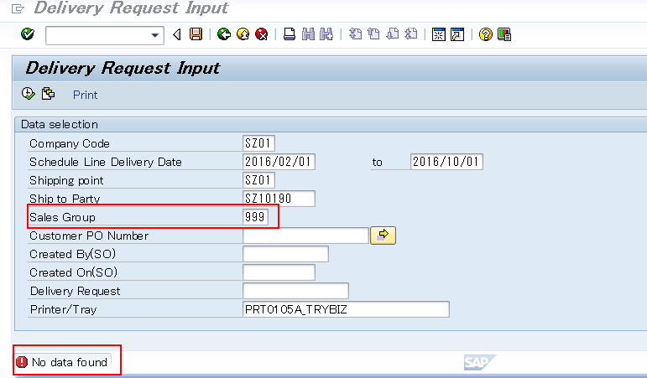

 |  | D | No data extract per [Customer PO Number]

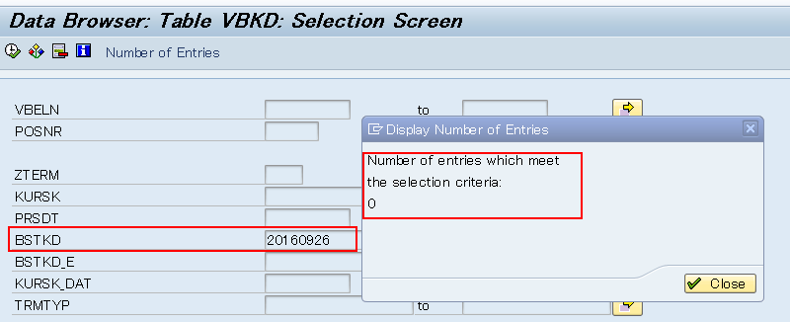

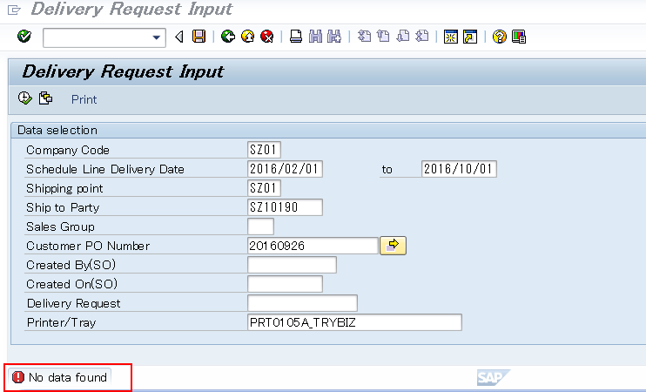

 |  | E | No data extract per [Customer PO Number]

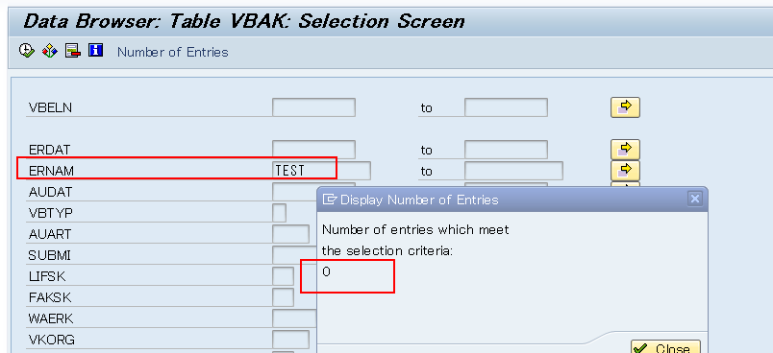

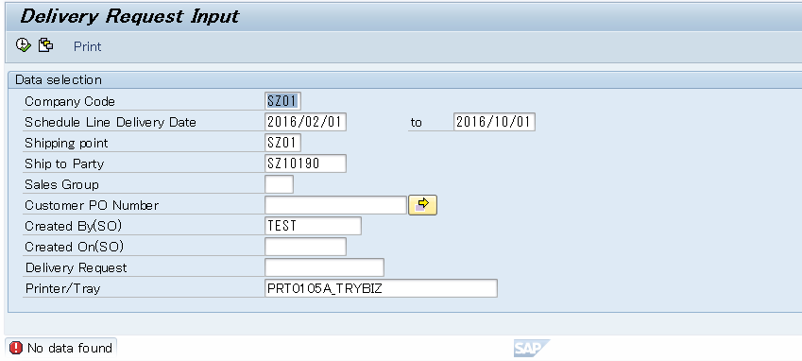

 |  | F | No data extract per [Customer PO Number]

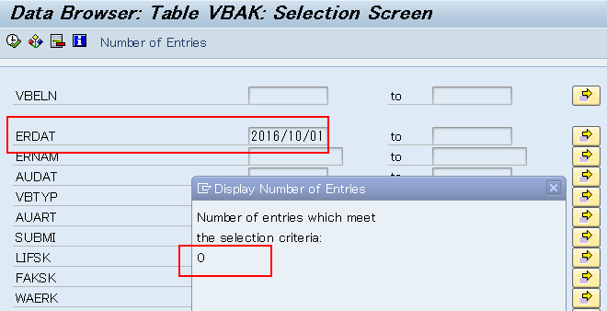

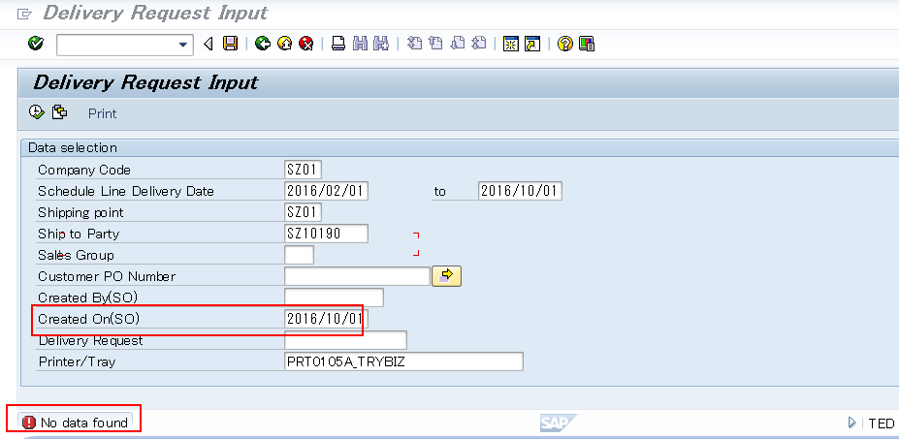

 | 1.3.2 | Delivery request is selected per [Delivery Request]

Evidence - 2.1
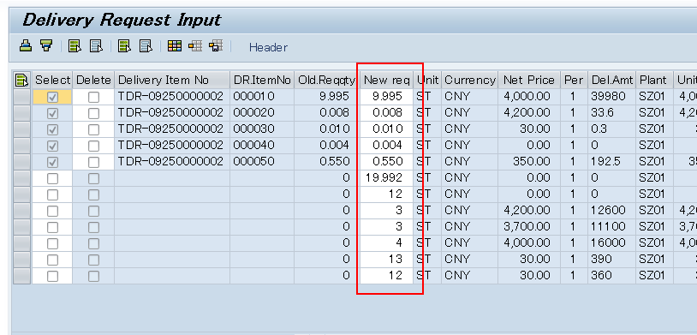
2.1 | Editable property is correctly set
 | A | Delivery request inputed in selection screen,[select] is uneditable, [delete] is editable

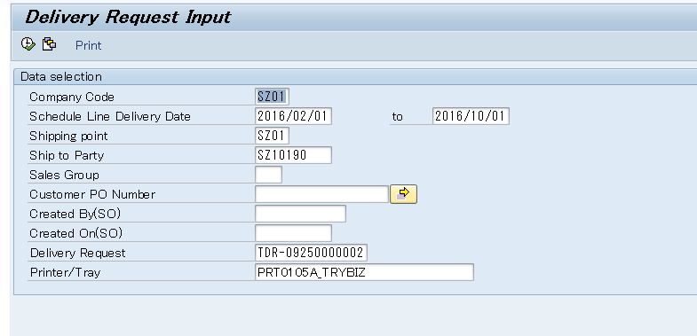

 | B | Open SO items have [select] editable and [delete] uneditable

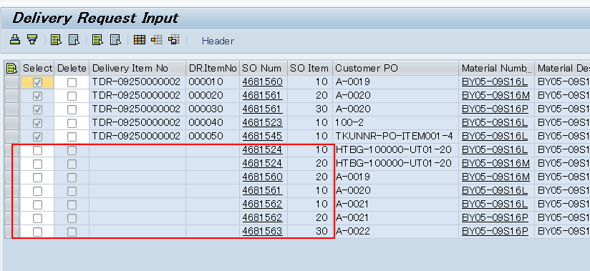

 | C | [New request] is editable

Evidence - 2.2
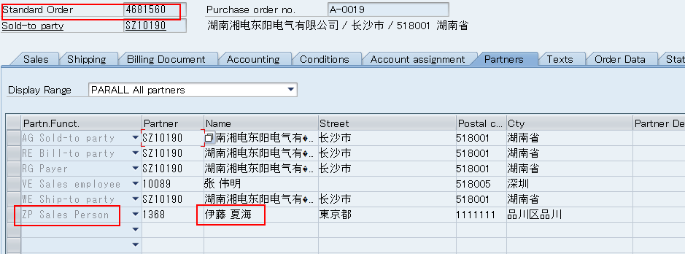
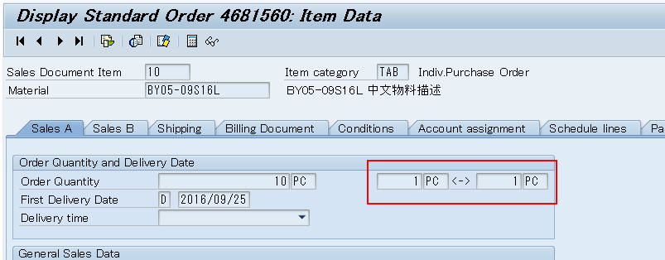
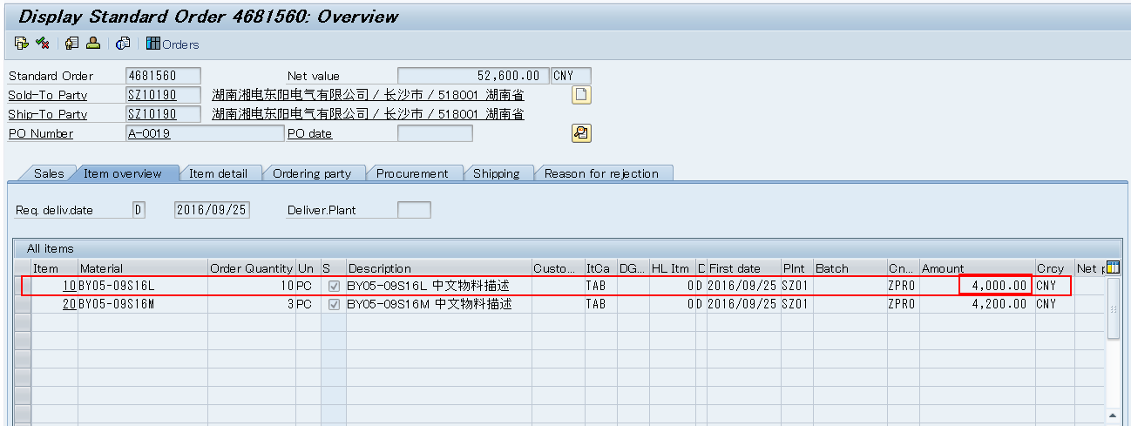
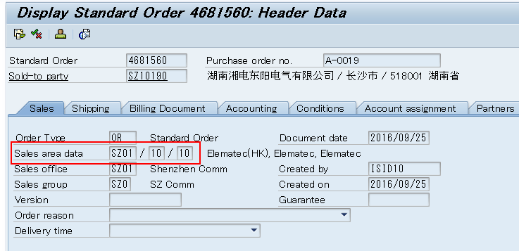
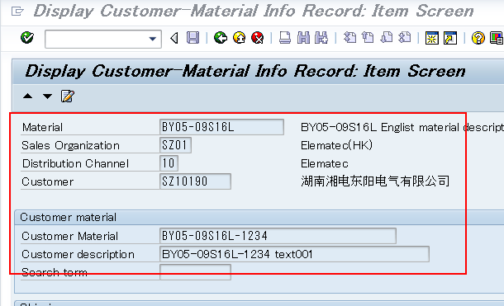
2.2 | Value is correctly calculated and displayed

 | 2.2.1 | Field [select],[delete],[delivery request no],[delivery request item],[SO number],[SO item] are correct set

 |  | A | [SELECT] is swithed on for DR item record and switch off for open SO
 |  |  | [Delete] are all switch off
 |  |  | [delivery request no] from table ZTEGSDT022 for DR, and is blank for open SO
 |  |  | [delivery request item] from table ZTEGSDT022 for DR, and is blank for open SO
 |  |  | [SO number] from table ZTEGSDT022 for DR, and from table vbap for open SO
 |  |  | [SO item] from table ZTEGSDT022 for DR, and from table vbap for open SO

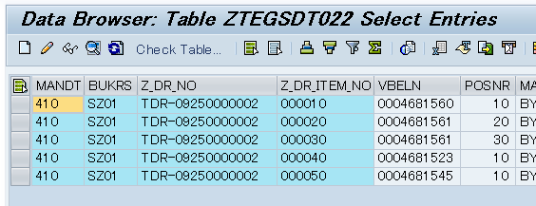

 |  | B | [Customer PO] from table ZTEGSDT022 for DR, and from table vbap for open SO
 |  |  | [material number] from table ZTEGSDT022 for DR, and from table vbap for open SO
 |  |  | [Material description] from table ZTEGSDT022 for DR, and from table vbap for open SO
 |  |  | [Order Qty] from table ZTEGSDT022 for DR, and from table vbap for open SO
 |  |  | [Del.Date] from table ZTEGSDT022 for DR, and from table vbap for open SO
 |  |  | [Total request Qty] from table ZTEGSDT022 (sum DR QTY)
 |  |  | [Open Qty] = [Order Qty] - [Total request Qty]
 |  |  | [Old request quantity] is equal to DR's Qty
 |  |  | [New request] is equal to DR's Qty
 |  |  | [Unit] from table vbap(output format)
 |  |  | [currency] from table vbap
 |  |  | [Net price] from table vbap
 |  |  | [per] from table vbap
 |  |  | [Delivery amount] = [Unit price] * [New request]
 |  |  | [Unit price] = [Net price] / [Per]
 |  |  | [Sale assist] from partener 'ZP'
 |  |  | [Conversion Factors] from table VBAP
 |  |  | [Uom] from table VBAP

Evidence - 3.1
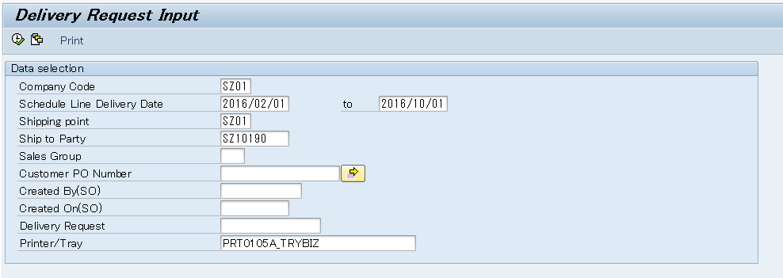
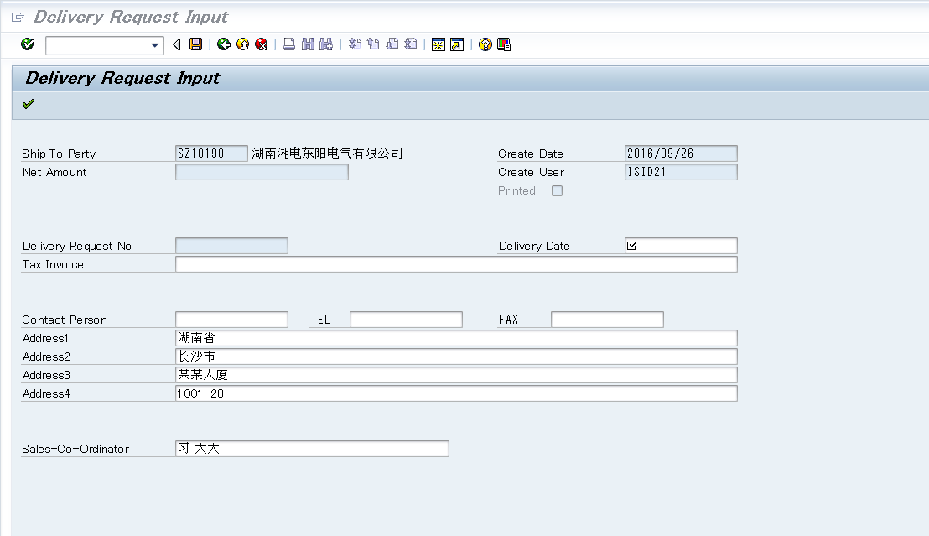
3.1 | Editable property is correctly set
 | A | [Delivery request] is input in the selection screen

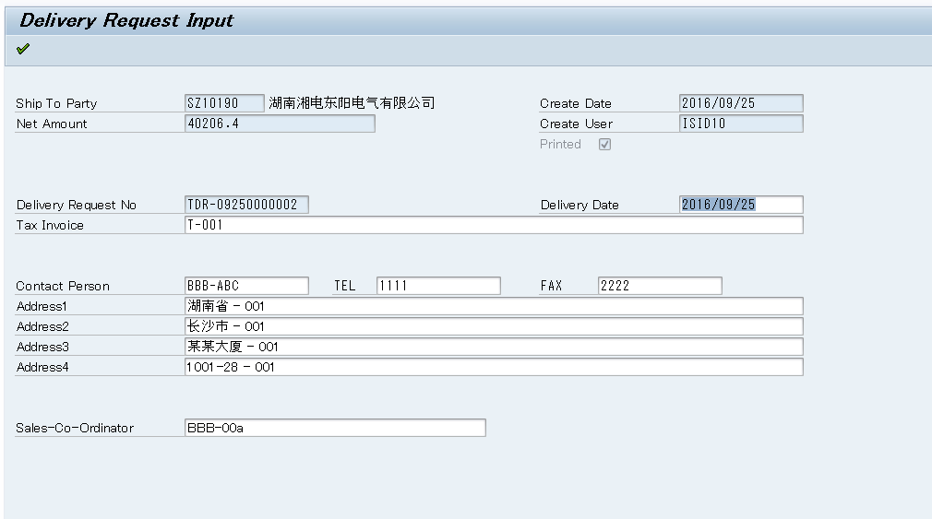

 | A | [Delivery request] is not in the selection screen

Evidence - 3.2
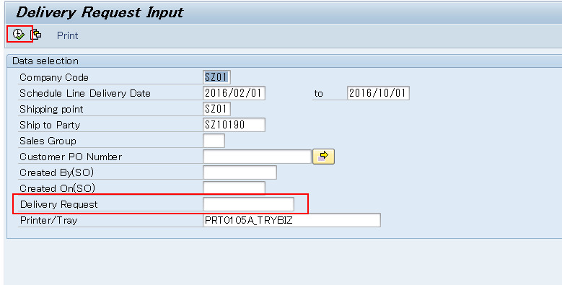
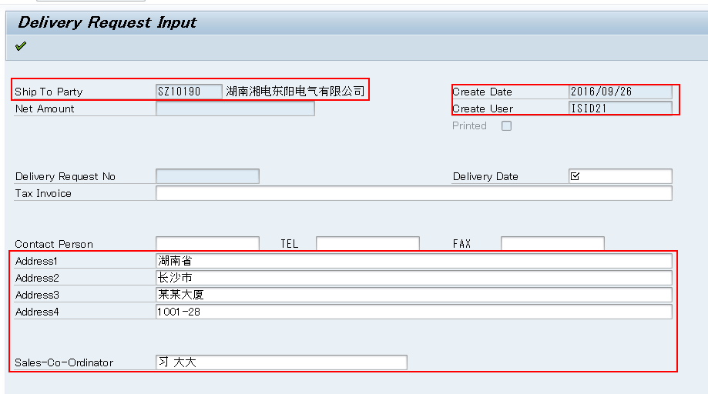
3.1 | Value is correctly calculated and displayed
 | A | [Delivery request] is input in the selection screen, value from table ZTEGSDT021

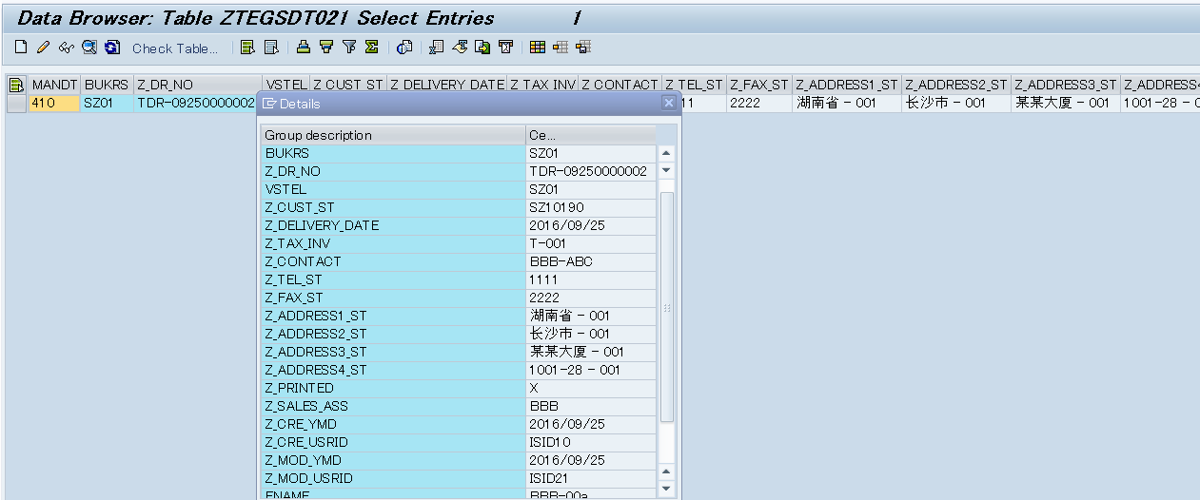

 | B | [Delivery request] is not input in the selection screen, value from SO

Evidence - 4.1
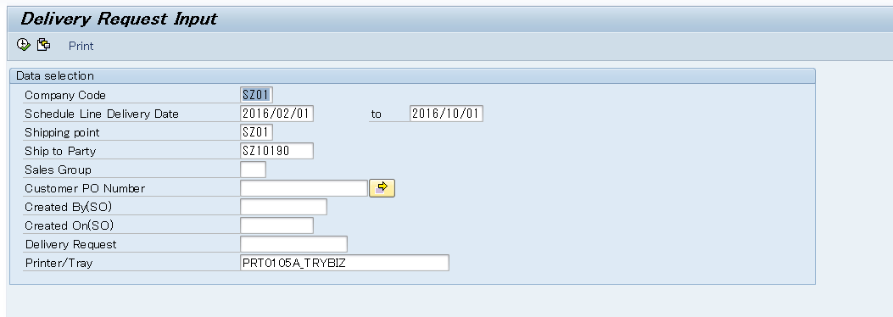
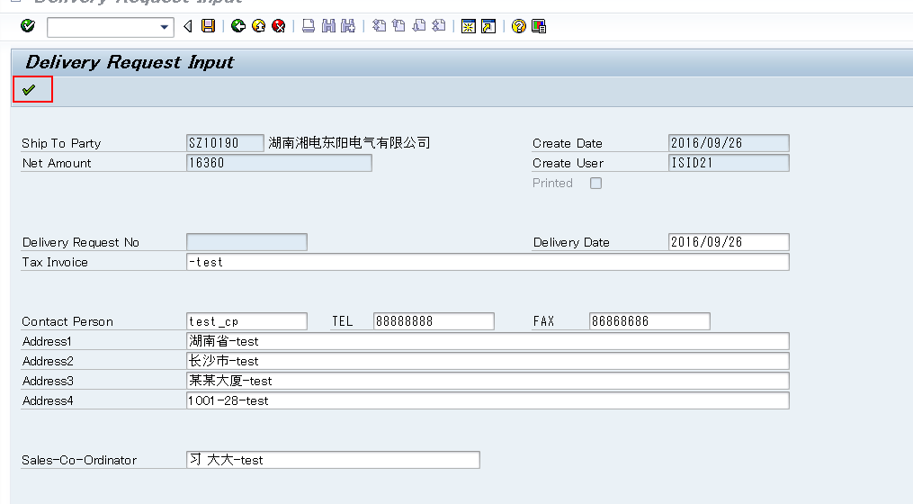
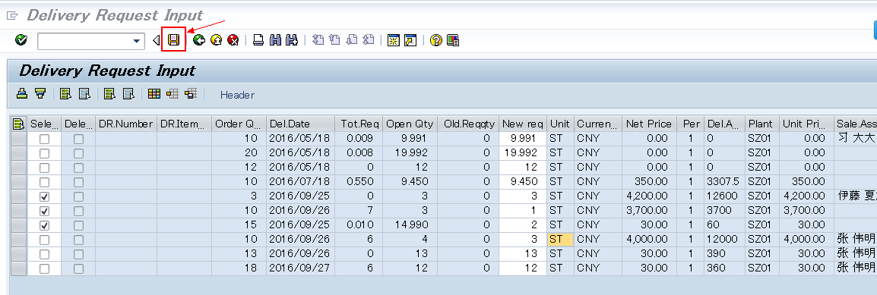
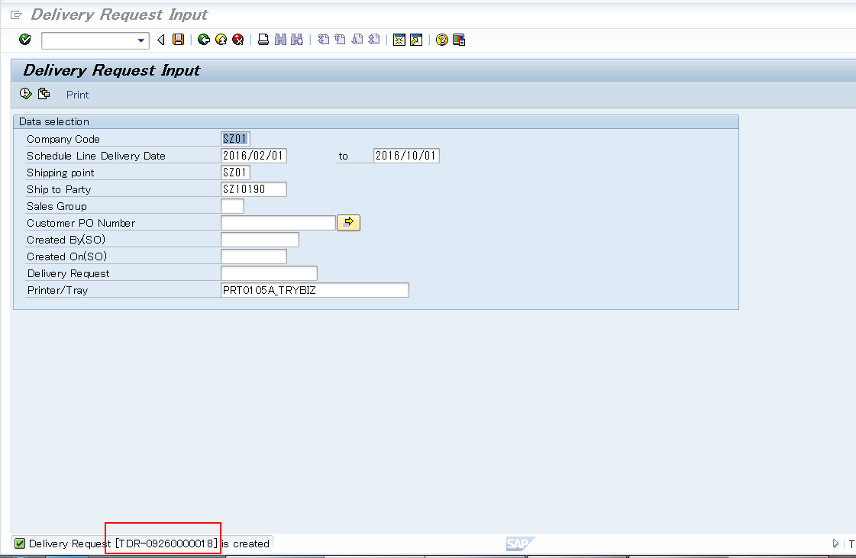
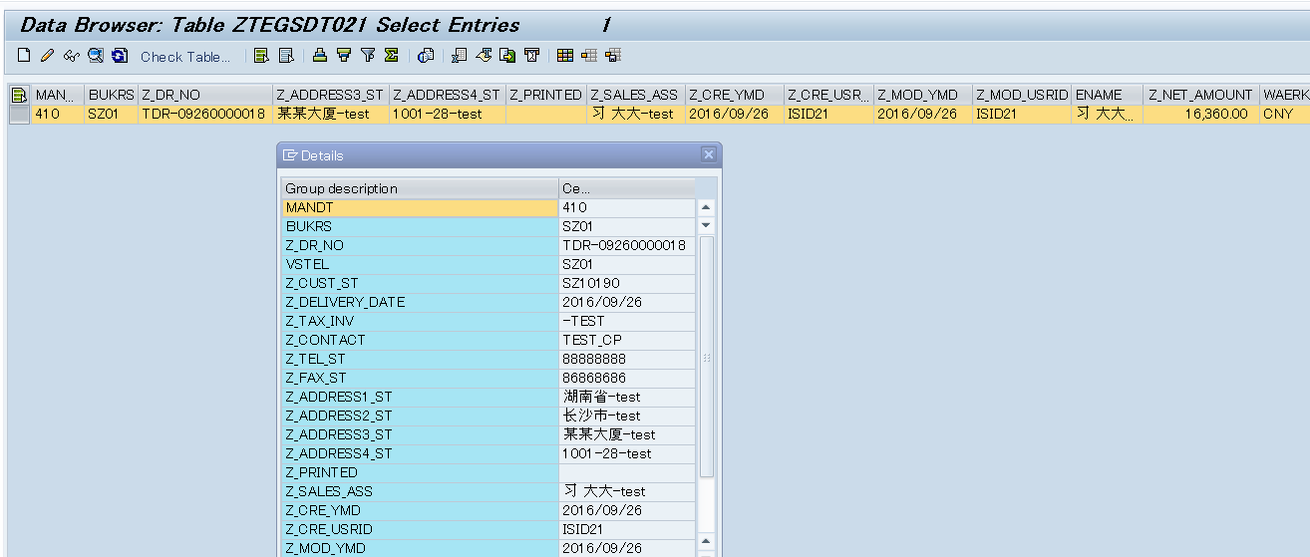
4.1 | Delivery reqeuste is saved correctly per the screens and database

Evidence - 5.1
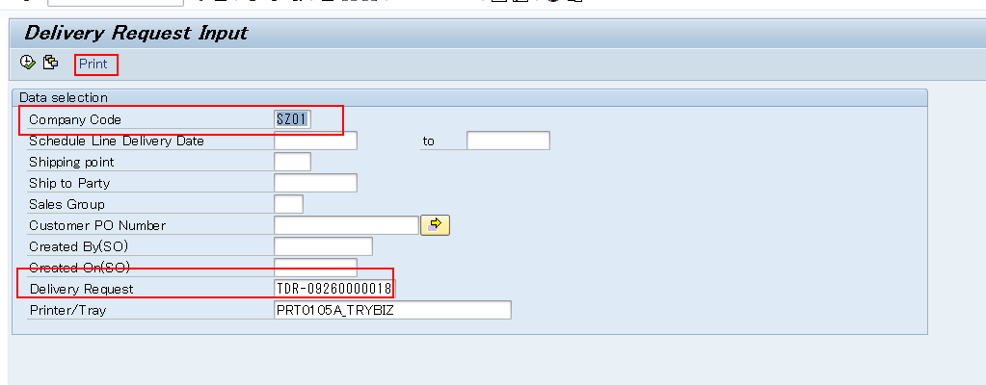
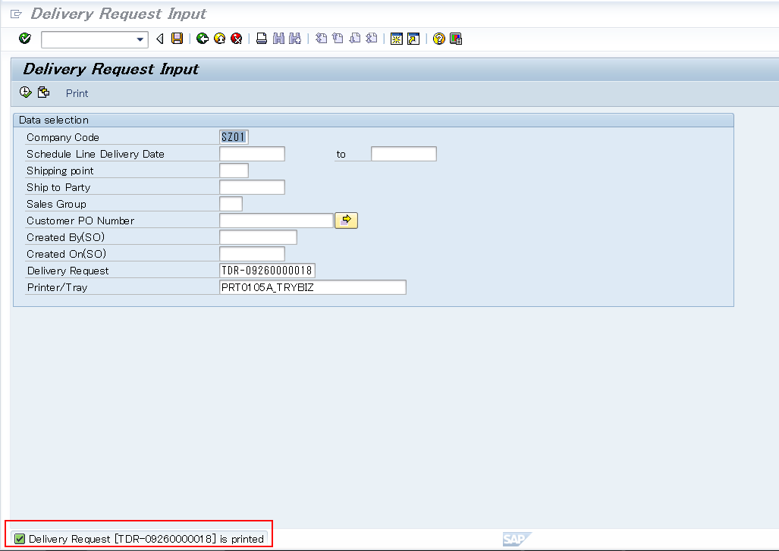
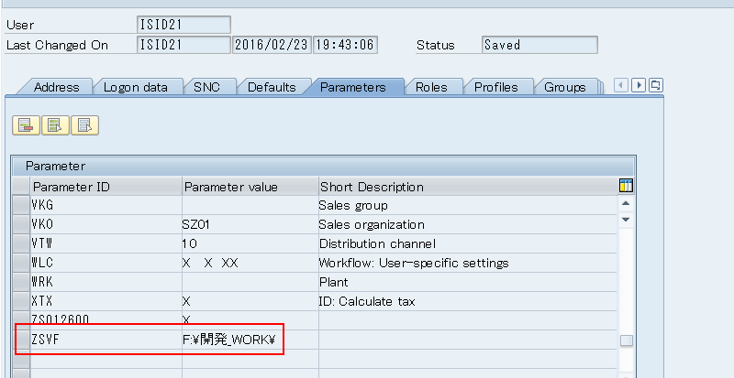
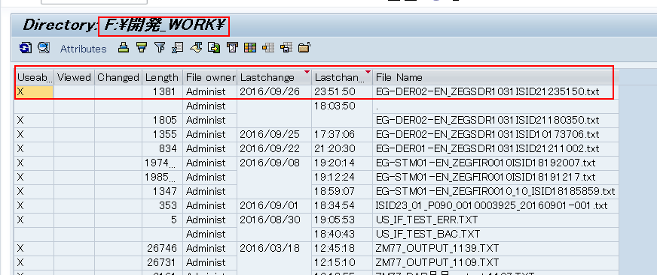
5.1 | Delivery request is printed out to suitable server path

