Sheet1



GODS |  |  |  |  | Tier | Tier name | The Realms |  |  |  | Deities |  | Creatures |  | Demigods / Heroes
Era | Type | Tier | Name | Service | 0 | Primum | Name |  |  | What it be? | Name | Function | Name | Function |  | NAME | deed done | Country | Whole story
Initium | Null | 0 | Aean | King of Gods | 1 | Altera | Morsikhum |  |  |  | Lucifer | Lord of Malunha | Stalop | Torturer of Malunha | Heroes | Bozidar Simonovski | Fought off 53 bears that attacked the city of Zrze | Macedonia
 |  |  |  |  | 2 | Liberi | Bonumia | Wrioxionor | Malunha | ✔️➖❌ | Bonum | Lord of Bonumia | Yilenin | Caretaker of Bonumia | Heroes | Nabu-apla-iddina | Organised a coup against the cruel king Nebuchadnezzar II and became King himself | Babylon
Aurora | Dimensional | 1 | Xaaris | God of Morsikhum | 3 | Iuvenis | Earth |  |  | 🌍 | Wriox | Lord of Wrioxionor | Bhoilae | Servant of Wrioxionor | Heroes | Todeongke | United and led an army of Mongolians to battle against a fierce enemy.
Aurora | Ambience | 1 | Rauru | God of Light | 4 | Etiam iunior | Deora |  |  | 😇 | Dedi Jenki | Lord of World Between Worlds | Greseagian | Fire Imp | Heroes | Aeliana the Wise | Aeliana was a revered philosopher and scholar known for her wisdom and intellectual prowess. She dedicated her life to unraveling the mysteries of the universe and promoting knowledge. Aeliana's teachings and philosophical insights brought enlightenment to her followers, emphasizing the pursuit of wisdom, critical thinking, and understanding. She is famous for her profound sayings and the establishment of educational institutions to spread knowledge to all.
Aurora | Ambience | 1 | Tenebris | God of Darkness | 5 | Minimus puer | Staeheomond |  |  | 🔥 |  |  | Nasvese | Water Im-p | Heroes
Aurora | Elemental | 1 | Ignios | God of Fire | 6 |  | Preottirynn |  |  | 🪨 |  |  |  |  | Heroes
Aurora | Elemental | 1 | Saria | Goddess of Nature |  |  | Eaggioque |  |  | 💧 |  |  |  |  | Heroes
Aurora | Elemental | 1 | Rudania | Goddess of Earth |  |  | Kloxiarant |  |  | 💨 |  |  |  |  | Heroes
Aurora | Elemental | 1 | Auralum | God of Air |  |  | Struqearus |  |  | 🌿 |  |  |  |  | Heroes
Aurora | Elemental | 1 | Hydraeneos | God of Water |  |  | World Between Worlds |  |  | ✨ |  |  |  |  | Demigod
 |  |  |  |  |  |  |  |  |  |  |  |  |  |  | Demigod
 |  |  |  |  |  |  |  |  |  |  |  |  |  |  | Demigod
Hominum | Humanities | 2 | Naboorus | God of Spirit |  |  |  |  |  |  |  |  |  |  | Demigod
Hominum | Humanities | 2 | Belios | God of War |  |  |  |  |  |  |  |  |  |  | Demigod
Hominum | Humanities | 2 | Venari | Goddess of The Hunt
Hominum | Humanities | 2 | Lexus | God of Law
Hominum | Humanities | 2 | Statera | Goddess of Balance
Hominum | Humanities | 2 | Serxis | Goddess of Humanity
Hominum | Humanities | 2 | Sapient | God of Wisdom
Hominum | Ideals | 2 | Pulchra | Goddess of Beauty
Hominum | Nature | 2 | Caligo | Goddess of Mist
 |  |  |  |  |  |  |  |  |  |  |  |  |  |  |  |  |  |  |  |  | \
Provecta | Null | 3 | Malumis | God of Evil
Provecta | Null | 3 | Bonitas | God of Virtuosity
Provecta | Null | 3 | Chichidur | God of laughter
Provecta | Nature | 3 | Zazinbar | God of Junk Food |  |  |  |  |  |  |  |  |  |  |  |  |  | s
Provecta |  | 3 |  |  |  |  |  |  |  |  |  |  |  |  |  |  |  |  |  | \\
Provecta |  | 3
Provecta |  | 3
Provecta |  | 3
Provecta |  | 3
Provecta |  | 3

 |  |  | Malis |  |  |  |  |  |  |  |  |  |  |  |  |  |  |  |  |  | Cults
 |  |  |  |  |  |  |  |  |  |  |  |  |  |  |  |  |  |  |  |  | Name | Activities | Intention | Leader | Symbolism | Description
 |  |  |  |  |  |  |  |  |  |  |  |  |  |  |  |  |  |  |  |  | Children of Malumis | Sacrification | Spread chaos | Errethill | Burning heart on a stake | With the intention to bring justice to the malicious nature of humans, they sacrifice lives to Malumis in hopes of cleansing their soul by killing the "evil".
 |  |  |  |  |  |  |  |  |  |  |  |  |  |  |  |  |  |  |  |  | Cult of Secrets | Spying | Learn the secrets of man | [no name known] | Violet eye | They have spies everywhere. They know everything. Nothing is safe from them. Nothing.
 |  |  |  |  |  |  |  |  |  |  |  |  |  |  |  |  |  |  |  |  | Cult of Zestrathos | Nothing much | They just chill | Zestrathos | Geometric, eye-like, mystical emblem | Closed organisation with regular meetups and identical religious views, with strict policies on day-to-day life. Separated from Cult of Secrets to form an individual community.
 |  |  |  |  |  |  |  |  |  |  |  |  |  |  |  |  |  |  |  |  | The Emerald Creed | Control the Trade | Money | Prashad Jeodson | Green Crystal | To secretly control the trade of worldwide markets and have a grasp on the economy to help it function under solidary leadership
 |  |  |  |  |  |  |  |  |  |  |  |  |  |  |  |  |  |  |  |  | The Order of Ancients | [Dormant] | Preservation of Knowledge | "The Father" | An hourglass | The Ancients were once an active people. No more, for now they are dedicated to the preservation of knowledge too precious to be lost.
 |  |  |  |  |  |  |  |  |  |  |  |  |  |  |  |  |  |  |  |  | Angels of Bonumia | Charity work | Maintain order | Lafrythea | Angel wings | The complete opposite to the Children of Malumis, the Angels help people, maintain order over their territory and wage a silent war against the Children.
 |  |  |  |  |  |  |  |  |  |  |  |  |  |  |  |  |  |  |  |  | The Euphenes Paragons

 |  |  |  |  |  |  |  |  |  |  |  |  |  |  |  |  |  |  |  |  | Children of Malumis |  |  | The Emerald Creed |  | Cult of Secrets

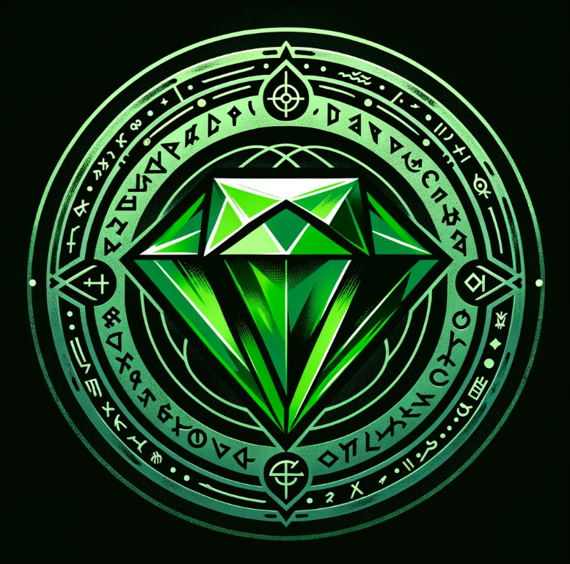
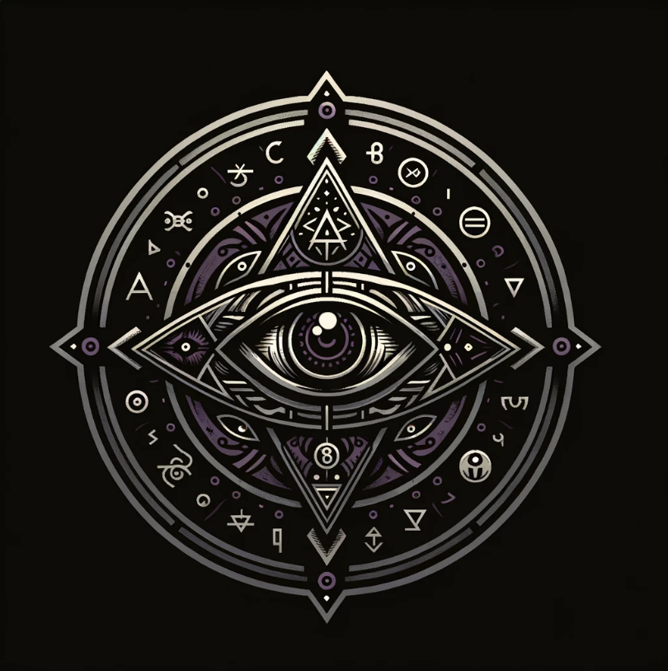

 |  |  |  |  |  |  |  |  |  |  |  |  |  |  |  |  |  |  |  |  |  |  |  |  |  | \

 |  |  |  |  |  |  |  |  |  |  |  |  |  |  |  |  |  |  |  |  | Cult of Zestrathos |  |  | The Order of Ancients |  | Angels of Bonumia

