wszystko
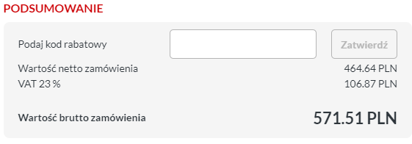
lp. | element | symbol | ilośćna 1 ladowarke | kod TME | ilość na 4 ladowarki | obudowa
1 | wzmacniacz podwojny | LM2904BIDR | 6 | LM2904BIDR | 24 | SO8 | https://www.ti.com/lit/ds/symlink/lm2904b.pdf?ts=1713431469622&ref_url=https%253A%252F%252Fwww.ti.com%252Fproduct%252FLM2904B
2 | tranzystor NPN | BC846BW-AQ | 8 | BC846BW-AQ-DIO | 32 | SOT323 | https://www.tme.eu/Document/98caed580fed74765f231500ab2e8bf1/bc846w.pdf
3 | tranzystor PNP | MJD45H11T4 | 6 | MJD45H11T4 | 24 | DPAK | https://www.tme.eu/Document/01cfe8208ea6b69693a43dc0a9a9a34c/MJD44H11_MJD45H11.pdf
4 | R 2k | RC0805FR-072KL | 14 | RC0805FR-072K | 56 | 805
5 | R 1.2k | 0805S8J0122T5E | 24 | SMD0805-1K2 | 96 | 805
6 | R 10k | RC0805JR-0710KL | 22 | RC0805JR-0710K | 88 | 805
7 | R 5.1k | 0805S8J0512T5E | 8 | SMD0805-5K1 | 32 | 805
8 | R 510 | 0805S8J0511T5E | 4 | SMD0805-510R | 16 | 805
9 | R 390 | 0805S8J0391T5E | 1 | SMD0805-390R | 4 | 805
10 | R 100 | RC0805FR-07100RL | 1 | RC0805FR-07100R | 4 | 805
11 | C 100n | CC0805KPX7R9BB104 | 18 | CC0805KPX7R9104 | 72 | 805
12 | złącze zasilania XT60 | XT60PW-F | 1 | XT60PW-F | 4 |  | https://www.tme.eu/Document/1191bc2fa3aee3c446e5a895fd8f7983/XT60PW-F.pdf
13 | potwornica 12v | LM2575GR-12-TT | 1 | LM2575GR-12-TT | 4 | TO263-5 | https://www.tme.eu/Document/3c94d0e37dedee1f694b22c63aeb607d/LM2575.pdf
14 | dioda s | SS26-E3/52T | 1 | SS26-E3/52T | 4 | SMB | https://www.tme.eu/Document/f04391498262404a4d8c3b3590fff881/SS24-E3-52T.pdf
15 | dławik | DR127-331-R | 1 | DR127-331-R | 4 |  | https://www.tme.eu/Document/7d10de31dedabc8346ee8abdfb407bb1/dr.pdf
16 | cap 50v 470uf | VB1H471MI135000CE0 | 6 | VB1H471MI135000CE0 | 24 |  | https://www.tme.eu/Document/9da68dd67a86a6c6882a02b46ae9874c/VB.pdf
17 | stab 5v | L7805ACD2T-TR | 1 | L7805ACD2T-TR | 4 | D2PAK | https://www.tme.eu/Document/ca9f9ea733232dbf9060d5224849cc58/L78.pdf
18 | stab 3.3 ldo 1a | LDI1117-3.3U-DIO | 1 | LDI1117-3.3U-DIO | 4 | SOT89 | https://www.tme.eu/Document/493515917c20095fb60cb61e6bcc216a/ldi1117u.pdf
19 | cap 22u | VS1C220MB054000CE0 | 2 | VS1C220MB054000CE0 | 8 |  | https://www.tme.eu/Document/1b5d04ee9a6a7d81ba8d5c8ff1833f1f/VS.pdf
20 | wzmacniacz r-t-r | MCP6001RT-I/OT | 10 | MCP6001RT-I/OT | 40 | SOT23-5 | https://www.tme.eu/Document/c98656c49a036767b89c9bb93e3dda4a/mcp6001_2_4.pdf
21 | tranzystor NPN 2 | MJD31CT4 | 1 | MJD31CT4 | 4 | DPAK
22 | tranzystor NPN 3 | BUJ302AD,118 | 2 | BUJ302AD.118 | 8 | DPAK
23 | R 0.1 | MFHA1206R1000FC | 2 | MFHA1206R1000FC | 8 | 1206
24 | R 5.1k | 0805S8J0512T5E | 6 | SMD0805-5K1 | 24 | 805
25 | czujnik halla | ACS712ELCTR-20A-T | 1 | ACS712ELCTR20AT | 4 | SO8 | https://www.tme.eu/Document/75af175f80c090e9b8f9078a0b0b2409/ACS712.PDF
26 | p mos | AO4425 | 2 | AO4425 | 8 | SO8
27 | R 100k | RC0805FR-07100KL | 1 | RC0805FR-07100K | 4 | 805
28 | C 1n | CL21B102KBANNNC | 1 | CL21B102KBANNNC | 4 | 805
29 | złącze baterii XT60 | XT60PW-M | 1 | XT60PW-M | 4 |  | https://www.tme.eu/Document/b13629717d44ae038681dba08d18c0b6/XT60PW-M.pdf
30 | złącze zasilania XT60 | XT60PW-F | 1 | XT60PW-F | 4 |  | https://www.tme.eu/Document/1191bc2fa3aee3c446e5a895fd8f7983/XT60PW-F.pdf
31 | cewka 47uH 6.8A SMD | ETQP5M470YFC | 2 | ETQP5M470YFC | 8 | SRN8040_8x8.15mm
32 | dioda przetwornicy | B540C-13-F | 2 | B540C-13-F | 8 | ? / 3220 | https://www.tme.eu/pl/details/b540c-13-f/diody-schottky-smd/diodes-incorporated/
33 | dioda sterowania | LL103A-DIO | 3 | LL103A-DIO | 12 | MiniMELF
34 | capacitor 1uf | 08055C105KAT2A | 10 | 08055C105KAT2A | 40 | 805
35 | układ przetwornicy | xl4015 | 2 | brak | 8 | TO263-5 | https://www.elecrow.com/download/XL4015_datasheet.pdf
36
37 | mux | CD74HC4051M | 1 | CD74HC4051M | 4 | SO16
38
39
40

zasilacz
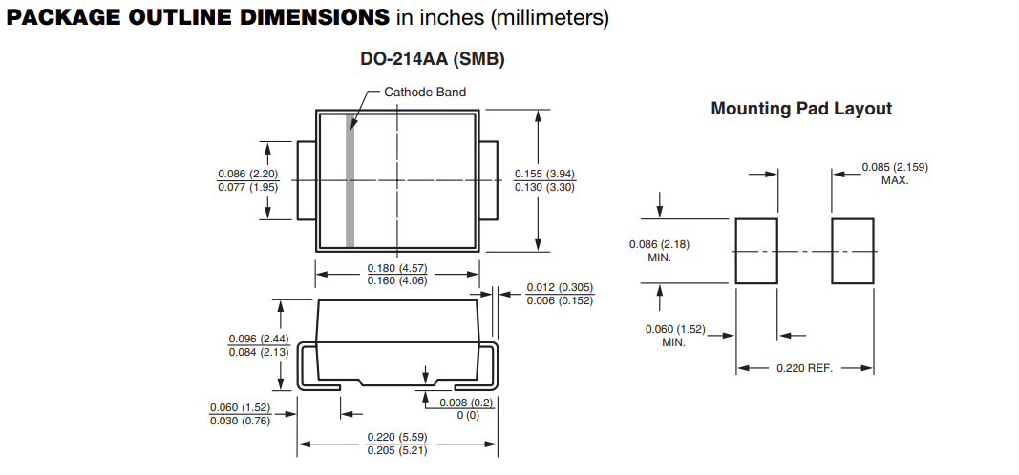
lp. | element | symbol | ilośćna 1 ladowarke | ilość na 4 ladowarki | kod TME | orientacyjny koszt | uwagi | obudowa | datasheat
1 | złącze zasilania XT60 | XT60PW-F | 1 | 4 | XT60PW-F | 3.5 | zenskie |  | https://www.tme.eu/Document/1191bc2fa3aee3c446e5a895fd8f7983/XT60PW-F.pdf
2 | potwornica 12v | LM2575GR-12-TT | 1 | 4 | LM2575GR-12-TT | 5 |  | TO263-5 | https://www.tme.eu/Document/3c94d0e37dedee1f694b22c63aeb607d/LM2575.pdf
3 | dioda s | SS26-E3/52T | 1 | 4 | SS26-E3/52T | 3.7 |  | SMB | https://www.tme.eu/Document/f04391498262404a4d8c3b3590fff881/SS24-E3-52T.pdf
4 | dławik | DR127-331-R | 1 | 4 | DR127-331-R | 3.7 |  |  | https://www.tme.eu/Document/7d10de31dedabc8346ee8abdfb407bb1/dr.pdf
5 | cap 50v 470uf | VB1H471MI135000CE0 | 2 | 8 | VB1H471MI135000CE0 | 20 |  |  | https://www.tme.eu/Document/9da68dd67a86a6c6882a02b46ae9874c/VB.pdf
6 | stab 5v | L7805ACD2T-TR | 1 | 4 | L7805ACD2T-TR | 3 |  | D2PAK | https://www.tme.eu/Document/ca9f9ea733232dbf9060d5224849cc58/L78.pdf
7 | stab 3.3 ldo 1a | LDI1117-3.3U-DIO | 1 | 4 | LDI1117-3.3U-DIO | 3 |  | SOT89 | https://www.tme.eu/Document/493515917c20095fb60cb61e6bcc216a/ldi1117u.pdf
8 | stab 5v | LDI1117-05D-DIO | 1 |  | LDI1117-05D-DIO | 3 |  | SO8 | https://www.tme.eu/Document/21607dd1878e0be22e55bf720aff1e24/ldi1117d.pdf
9 | cap 22u | VS1C220MB054000CE0 | 2 | 8 | VS1C220MB054000CE0 | 3 |  |  | https://www.tme.eu/Document/1b5d04ee9a6a7d81ba8d5c8ff1833f1f/VS.pdf
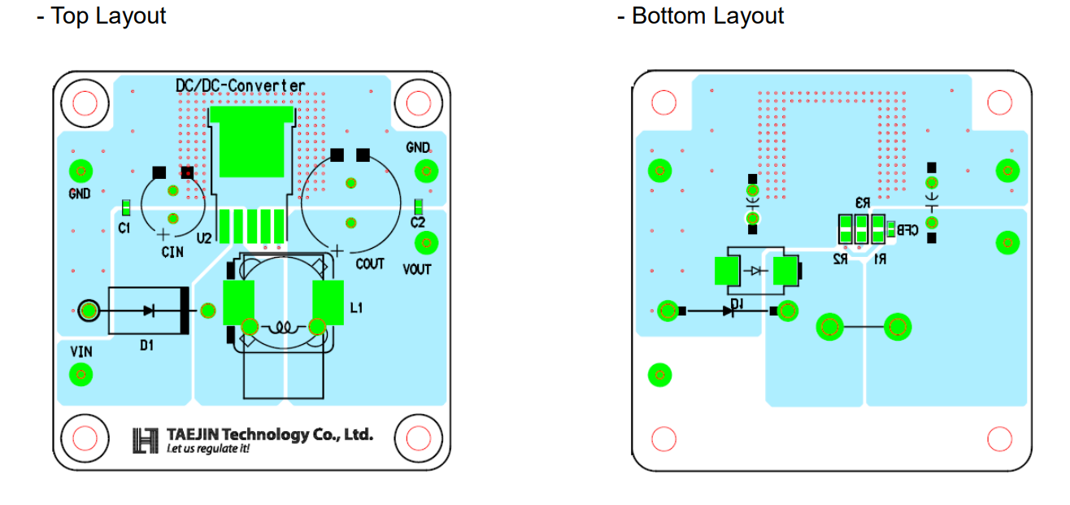
10
11
12
13
14

