Sheet1
 |  |  |  | JB 产品明细 22.10.31
产品图片 | 材质 | 工艺 | 规格 | 用途
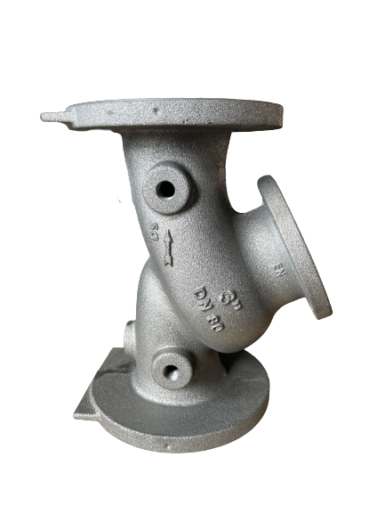 | Dutile Iron | sand casting | 1.5"-8" | OEM This part is widely used in petroleum, chemical, pharmaceutical, electric power and other industries after assembly.
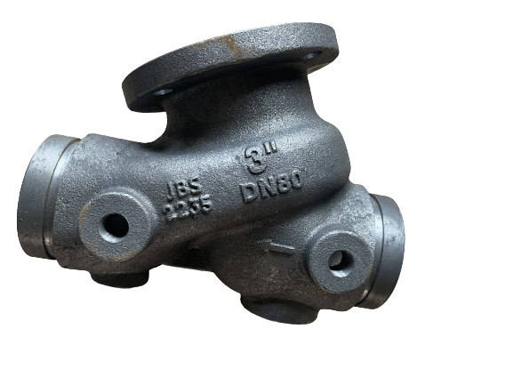 | Dutile Iron | sand casting | 1.5"-8" | OEM This part is widely used in petroleum, chemical, pharmaceutical, electric power and other industries after assembly.
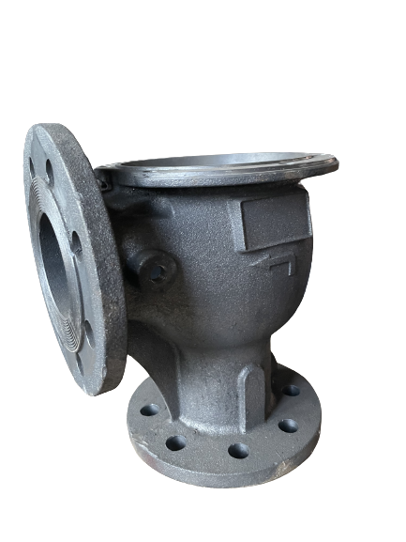 | Dutile Iron | sand casting | 3"-8" | OEM This part is widely used in petroleum, chemical, pharmaceutical, electric power and other industries after assembly.
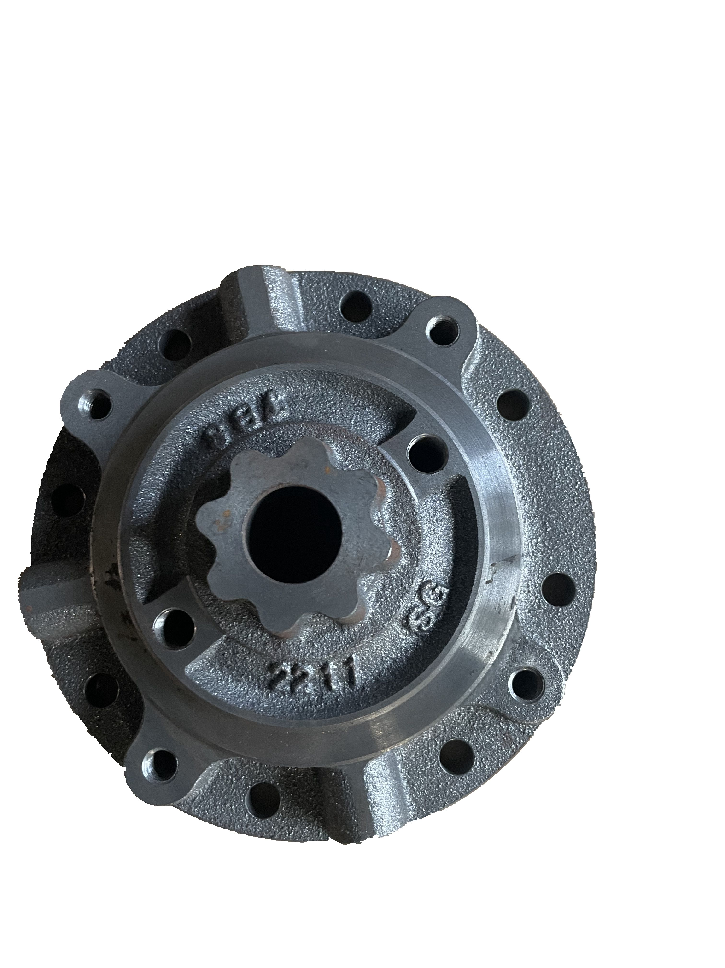 | Dutile Iron | sand casting | 2"-8" | OEM This part is widely used in petroleum, chemical, pharmaceutical, electric power and other industries after assembly.
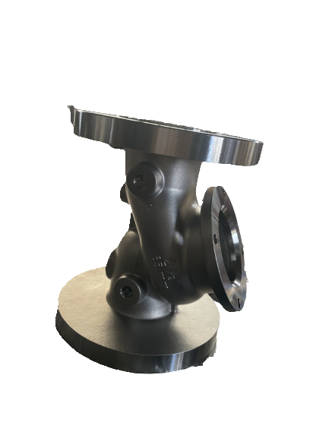 | WCB | lost wax | 1.5"-8" | OEM This part is widely used in petroleum, chemical, pharmaceutical, electric power and other industries after assembly.
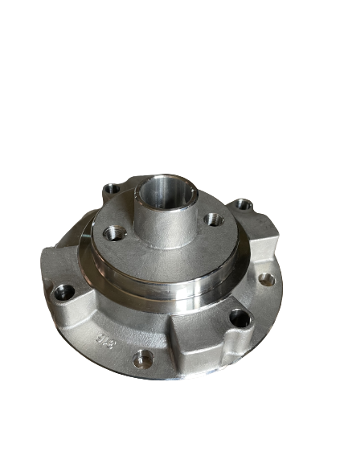 | Stainless Steel | lost wax | 2"-6" | OEM This part is widely used in petroleum, chemical, pharmaceutical, electric power and other industries after assembly.
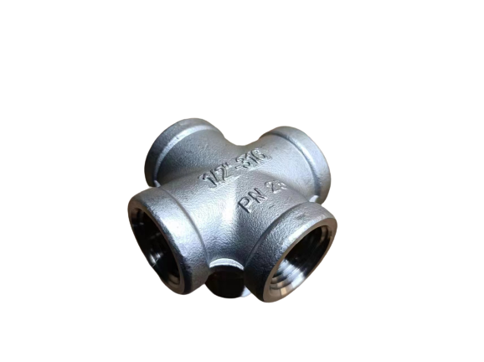 | Stainless Steel | lost wax |  | OEM This part is widely used in petroleum, chemical, pharmaceutical, electric power and other industries after assembly.
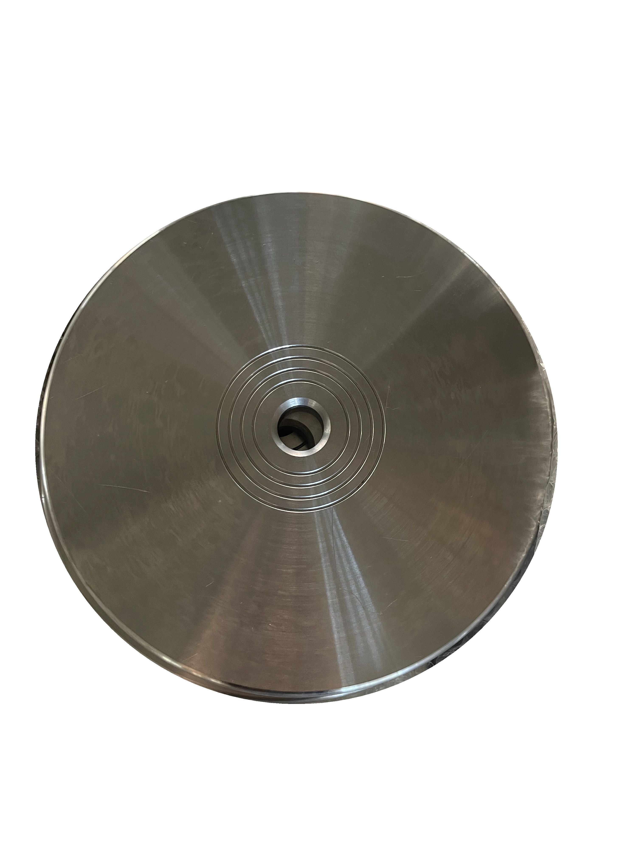 | Stainless Steel | forging | 2"-16" | OEM This part is widely used in petroleum, chemical, pharmaceutical, electric power and other industries after assembly.
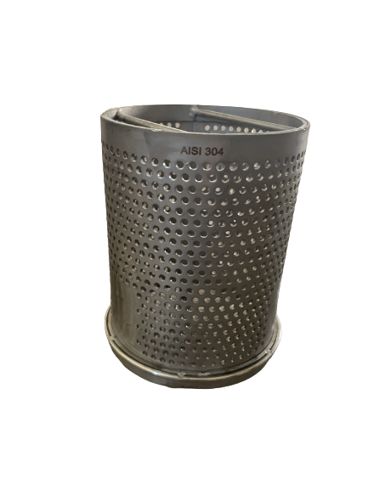 | Stainless Steel | stamping，welding | 2"-16" | OEM This part is widely used in petroleum, chemical, pharmaceutical, electric power and other industries after assembly.
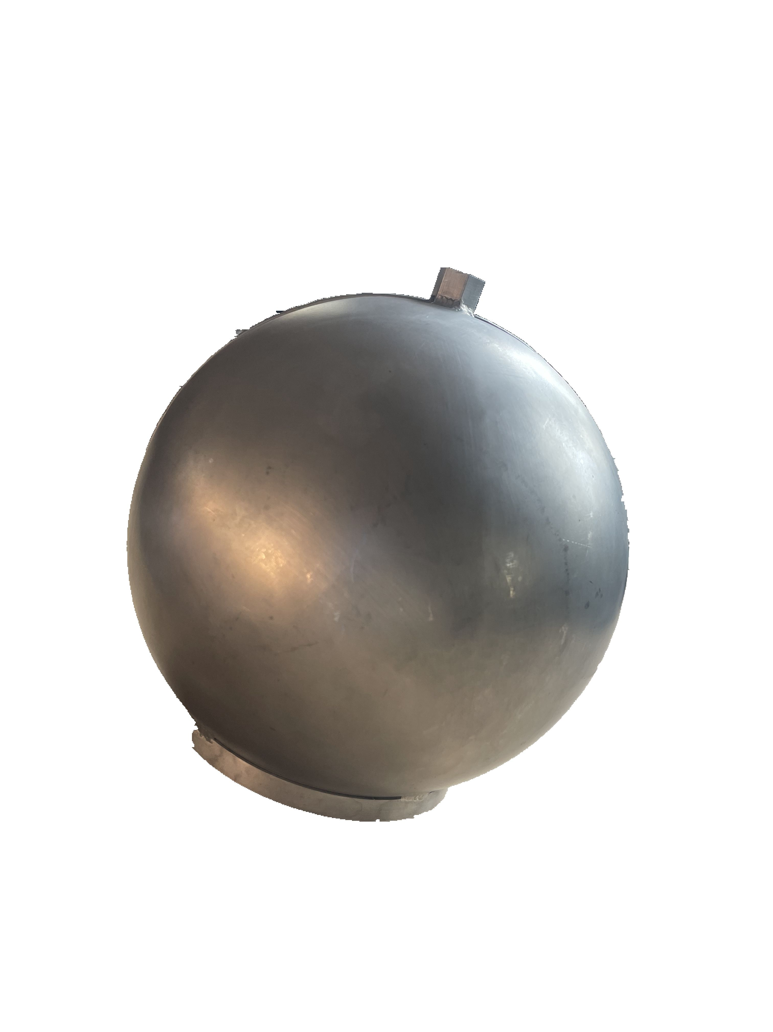 | Stainless Steel | stamping,welding |  | OEM This part is widely used in petroleum, chemical, pharmaceutical, electric power and other industries after assembly.

