Tabellenblatt1
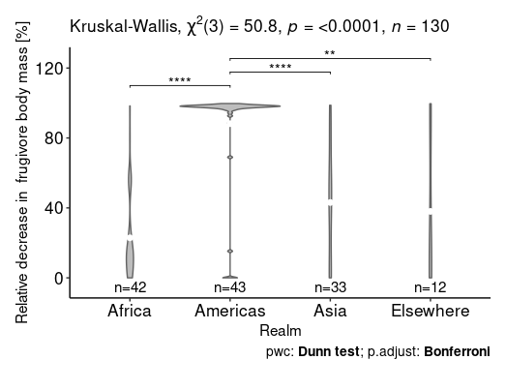
1) Absolute
.y. n statistic df p method
* <chr> <int> <dbl> <int> <dbl> <chr>
1 sqrt_change 130 31.5 3 0.000000677 Kruskal-Wallis

.y. group1 group2 n1 n2 estimate estimate1 estimate2 statistic p method p.adj p.adj.signif
* <chr> <chr> <chr> <int> <int> <dbl> <dbl> <dbl> <dbl> <dbl> <chr> <dbl> <chr>
1 sqrt_change Africa Americas 42 43 36.1 54.1 90.2 4.43 0.00000962 Dunn Test 0.0000577 ****
2 sqrt_change Africa Asia 42 33 4.97 54.1 59.1 0.568 0.570 Dunn Test 1 ns
3 sqrt_change Africa Elsewhere 42 12 -19.5 54.1 34.6 -1.58 0.114 Dunn Test 0.682 ns
4 sqrt_change Americas Asia 43 33 -31.1 90.2 59.1 -3.58 0.000346 Dunn Test 0.00208 **
5 sqrt_change Americas Elsewhere 43 12 -55.6 90.2 34.6 -4.53 0.00000599 Dunn Test 0.0000360 ****
6 sqrt_change Asia Elsewhere 33 12 -24.4 59.1 34.6 -1.93 0.0539 Dunn Test 0.323 ns

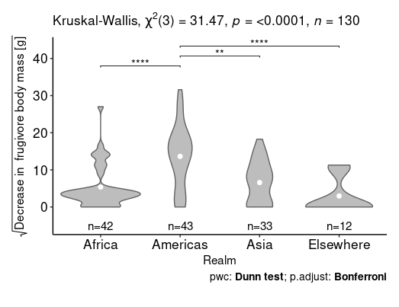

2) Percentage
.y. n statistic df p method
* <chr> <int> <dbl> <int> <dbl> <chr>
1 mean_perc_BSchange 130 50.8 3 5.4e-11 Kruskal-Wallis

.y. group1 group2 n1 n2 estimate estimate1 estimate2 statistic p method p.adj p.adj.signif
* <chr> <chr> <chr> <int> <int> <dbl> <dbl> <dbl> <dbl> <dbl> <chr> <dbl> <chr>
1 mean_perc_BSchange Africa Americas 42 43 55.1 43.1 98.2 6.75 1.43e-11 Dunn Test 8.59e-11 ****
2 mean_perc_BSchange Africa Asia 42 33 12.1 43.1 55.2 1.39 1.66e- 1 Dunn Test 9.93e- 1 ns
3 mean_perc_BSchange Africa Elsewhere 42 12 12.0 43.1 55.1 0.978 3.28e- 1 Dunn Test 1 e+ 0 ns
4 mean_perc_BSchange Americas Asia 43 33 -43.0 98.2 55.2 -4.94 7.89e- 7 Dunn Test 4.73e- 6 ****
5 mean_perc_BSchange Americas Elsewhere 43 12 -43.1 98.2 55.1 -3.51 4.52e- 4 Dunn Test 2.71e- 3 **
6 mean_perc_BSchange Asia Elsewhere 33 12 -0.0871 55.2 55.1 -0.00687 9.95e- 1 Dunn Test 1 e+ 0 ns

