Alter
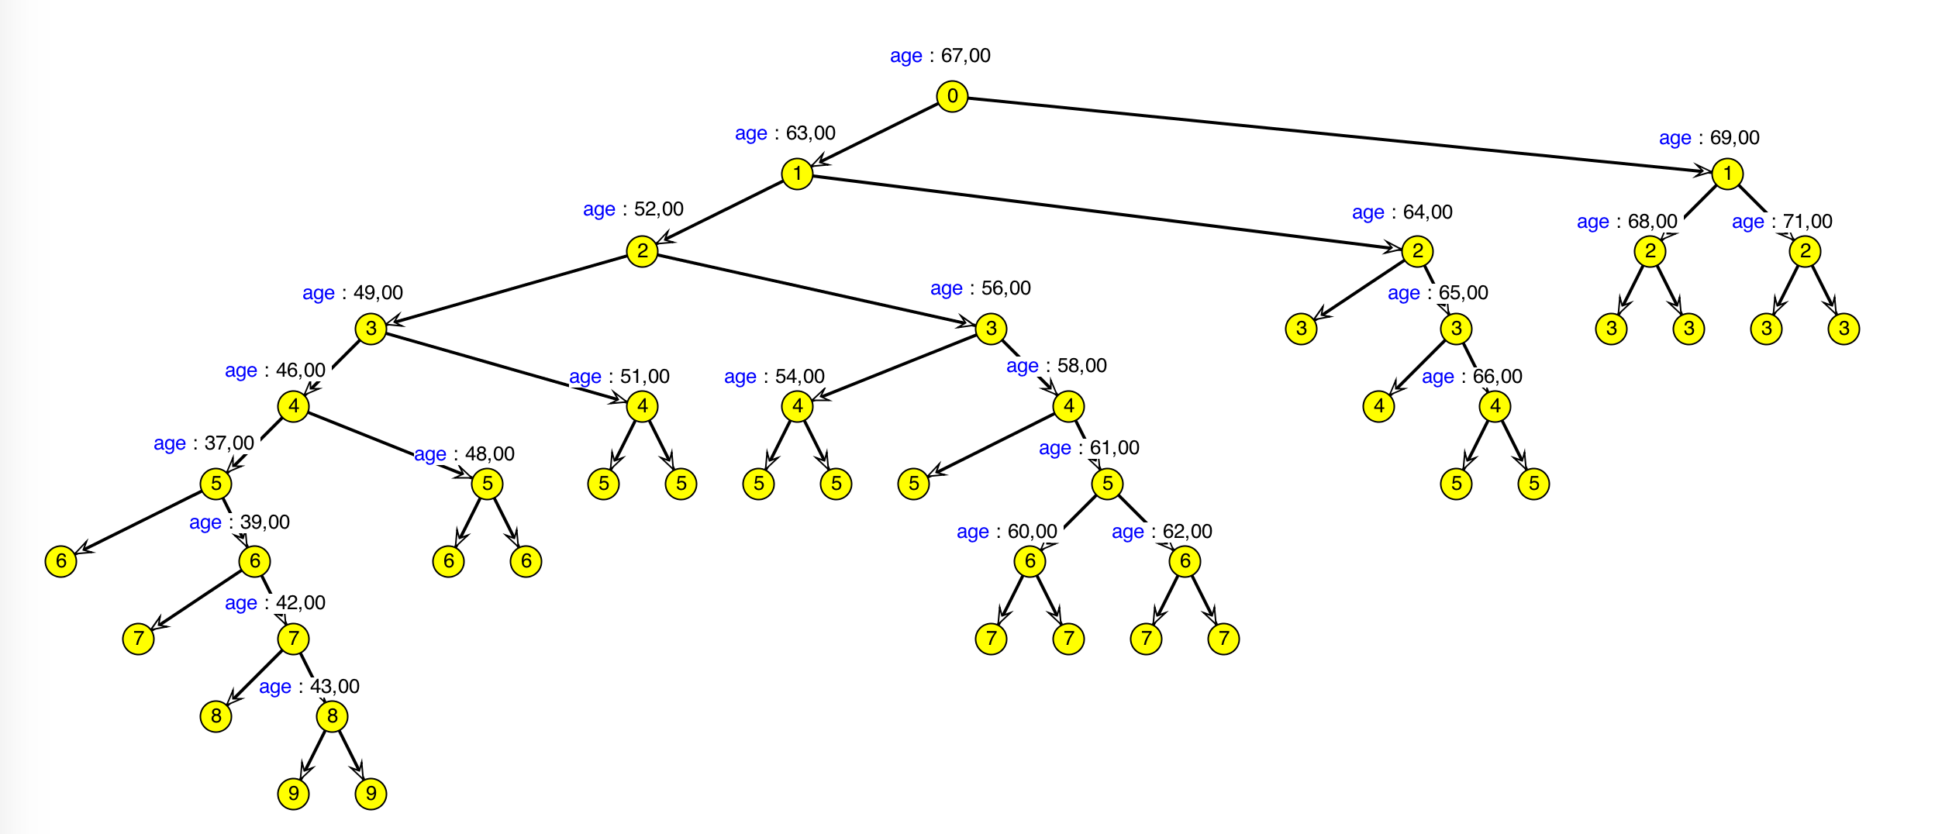
treeID | nodeID | parmID | contPT | mwcpSZ
1 | 1 | 1 | 67 | 0
1 | 1 | 1 | 63 | 0
1 | 1 | 1 | 52 | 0
1 | 1 | 1 | 49 | 0
1 | 1 | 1 | 46 | 0
1 | 1 | 1 | 37 | 0
1 | 1 | 0 |  | 0
1 | 7 | 1 | 39 | 0
1 | 7 | 0 |  | 0
1 | 8 | 1 | 42 | 0
1 | 8 | 0 |  | 0
1 | 9 | 1 | 43 | 0
1 | 9 | 0 |  | 0
1 | 10 | 0 |  | 0
1 | 6 | 1 | 48 | 0
1 | 6 | 0 |  | 0
1 | 11 | 0 |  | 0
1 | 5 | 1 | 51 | 0
1 | 5 | 0 |  | 0
1 | 12 | 0 |  | 0
1 | 4 | 1 | 56 | 0
1 | 4 | 1 | 54 | 0
1 | 4 | 0 |  | 0
1 | 14 | 0 |  | 0
1 | 13 | 1 | 58 | 0
1 | 13 | 0 |  | 0
1 | 15 | 1 | 61 | 0
1 | 15 | 1 | 60 | 0
1 | 15 | 0 |  | 0
1 | 17 | 0 |  | 0
1 | 16 | 1 | 62 | 0
1 | 16 | 0 |  | 0
1 | 18 | 0 |  | 0
1 | 3 | 1 | 64 | 0
1 | 3 | 0 |  | 0
1 | 19 | 1 | 65 | 0
1 | 19 | 0 |  | 0
1 | 20 | 1 | 66 | 0
1 | 20 | 0 |  | 0
1 | 21 | 0 |  | 0
1 | 2 | 1 | 69 | 0
1 | 2 | 1 | 68 | 0
1 | 2 | 0 |  | 0
1 | 23 | 0 |  | 0
1 | 22 | 1 | 71 | 0
1 | 22 | 0 |  | 0
1 | 24 | 0 |  | 0

