Alter
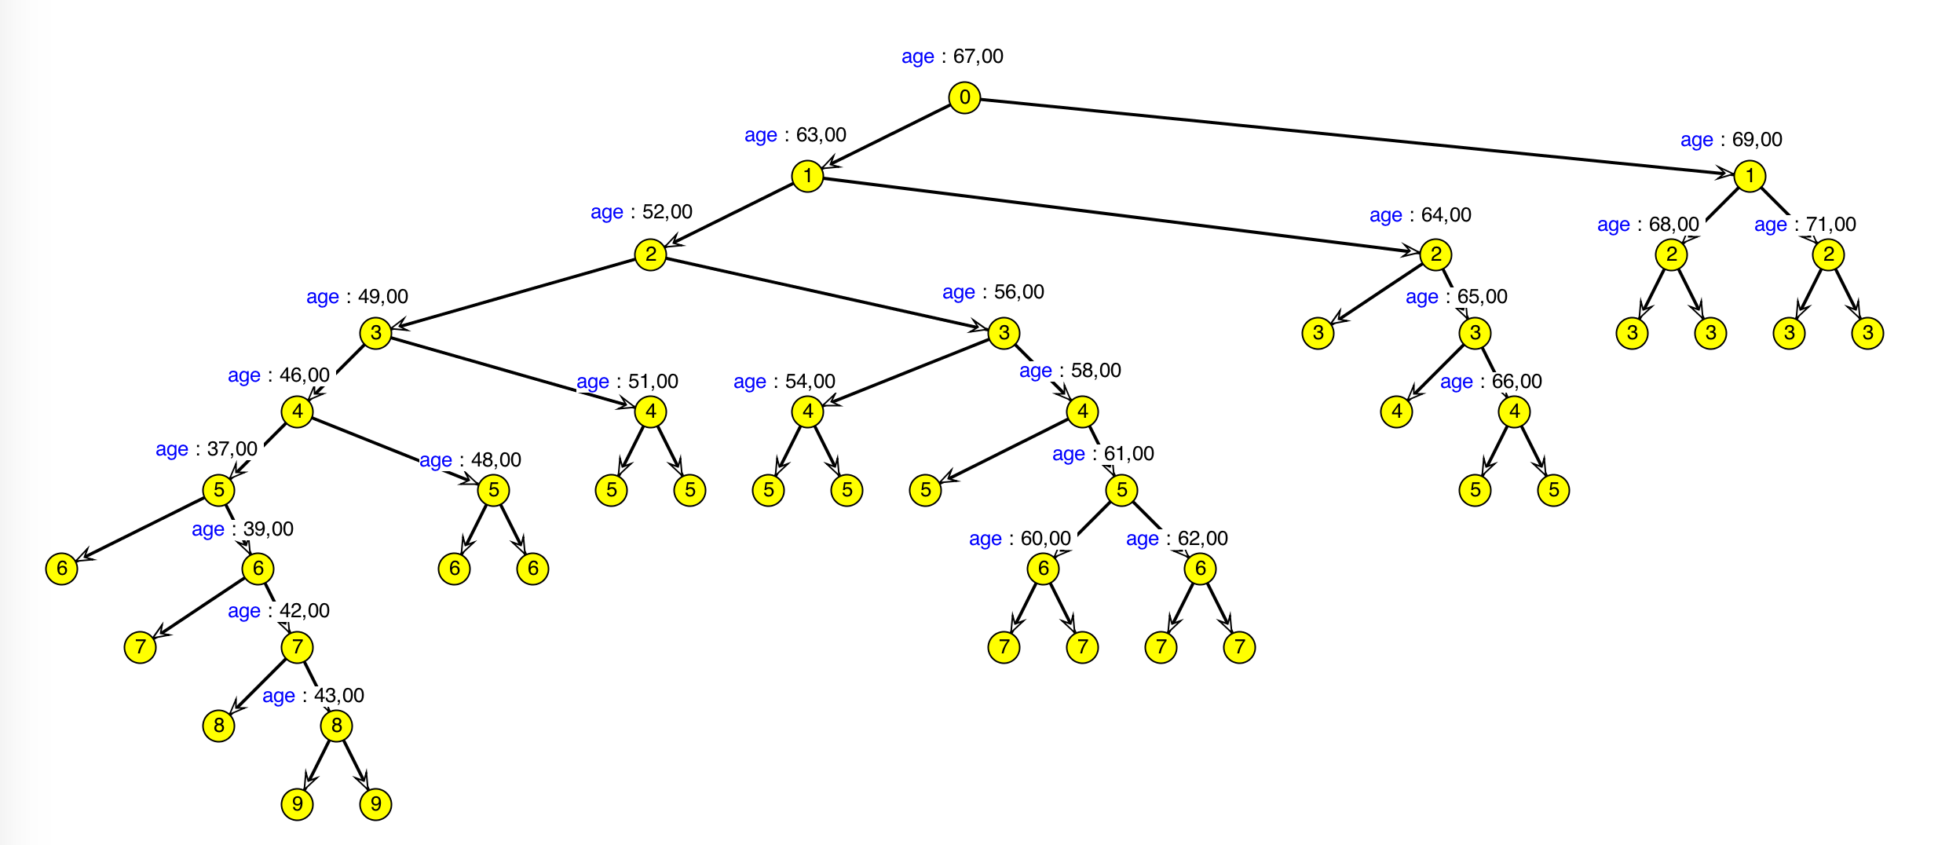
 | treeID | nodeID | parmID | contPT | mwcpSZ
1 | 1 | 1 | 1 | 67 | 0
2 | 1 | 1 | 1 | 63 | 0
3 | 1 | 1 | 1 | 52 | 0
4 | 1 | 1 | 1 | 49 | 0
5 | 1 | 1 | 1 | 46 | 0
6 | 1 | 1 | 1 | 37 | 0
7 | 1 | 1 | 0 |  | 0
8 | 1 | 7 | 1 | 39 | 0
9 | 1 | 7 | 0 |  | 0
10 | 1 | 8 | 1 | 42 | 0
11 | 1 | 8 | 0 |  | 0
12 | 1 | 9 | 1 | 43 | 0
13 | 1 | 9 | 0 |  | 0
14 | 1 | 10 | 0 |  | 0
15 | 1 | 6 | 1 | 48 | 0
16 | 1 | 6 | 0 |  | 0
17 | 1 | 11 | 0 |  | 0
18 | 1 | 5 | 1 | 51 | 0
19 | 1 | 5 | 0 |  | 0
20 | 1 | 12 | 0 |  | 0
21 | 1 | 4 | 1 | 56 | 0
22 | 1 | 4 | 1 | 54 | 0
23 | 1 | 4 | 0 |  | 0
24 | 1 | 14 | 0 |  | 0
25 | 1 | 13 | 1 | 58 | 0
26 | 1 | 13 | 0 |  | 0
27 | 1 | 15 | 1 | 61 | 0
28 | 1 | 15 | 1 | 60 | 0
29 | 1 | 15 | 0 |  | 0
30 | 1 | 17 | 0 |  | 0
31 | 1 | 16 | 1 | 62 | 0
32 | 1 | 16 | 0 |  | 0
33 | 1 | 18 | 0 |  | 0
34 | 1 | 3 | 1 | 64 | 0
35 | 1 | 3 | 0 |  | 0
36 | 1 | 19 | 1 | 65 | 0
37 | 1 | 19 | 0 |  | 0
38 | 1 | 20 | 1 | 66 | 0
39 | 1 | 20 | 0 |  | 0
40 | 1 | 21 | 0 |  | 0
41 | 1 | 2 | 1 | 69 | 0
42 | 1 | 2 | 1 | 68 | 0
43 | 1 | 2 | 0 |  | 0
44 | 1 | 23 | 0 |  | 0
45 | 1 | 22 | 1 | 71 | 0
46 | 1 | 22 | 0 |  | 0
47 | 1 | 24 | 0 |  | 0

